R01
R01 - Inflation - Next 12 months forecast as of: 2025-04-01

Model | Random Forest w/ Lags - [(1, 2, 1), (1, 0, 1, 12)]
Training Data | 1998-01-01 to 2024-05-01
Test Data | 2024-05-01 to 2025-04-01

Date | Inflation Change YoY % | Lower Bound - 95% Confidence Interval | Upper Bound - 95% Confidence Interval
2025-05-01 | 3.87 | 3.08 | 4.13
2025-06-01 | 4.13 | 3.19 | 4.36
2025-07-01 | 4.31 | 3.49 | 4.58
2025-08-01 | 4.49 | 3.66 | 4.88
2025-09-01 | 4.63 | 3.94 | 5.09
2025-10-01 | 4.77 | 4.18 | 5.23
2025-11-01 | 4.87 | 4.33 | 5.34
2025-12-01 | 4.97 | 4.46 | 5.4
2026-01-01 | 5.08 | 4.55 | 5.5
2026-02-01 | 5.24 | 4.66 | 5.66
2026-03-01 | 5.46 | 4.76 | 5.89
2026-04-01 | 5.67 | 4.91 | 5.98

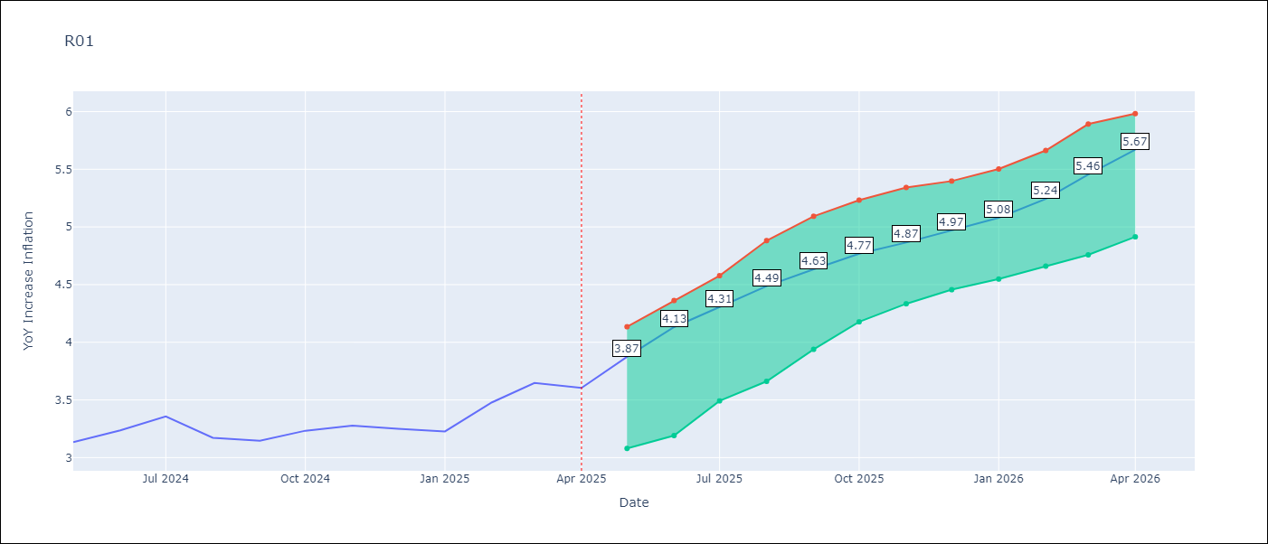

Test Metrics
RMSE | 3.23
Naive RMSE | 2.27
MAPE | inf%

Test Predictions
Date | Predicted | Actual
2024-05-01
2024-06-01
2024-07-01
2024-08-01
2024-09-01
2024-10-01
2024-11-01
2024-12-01
2025-01-01
2025-02-01
2025-03-01
2025-04-01

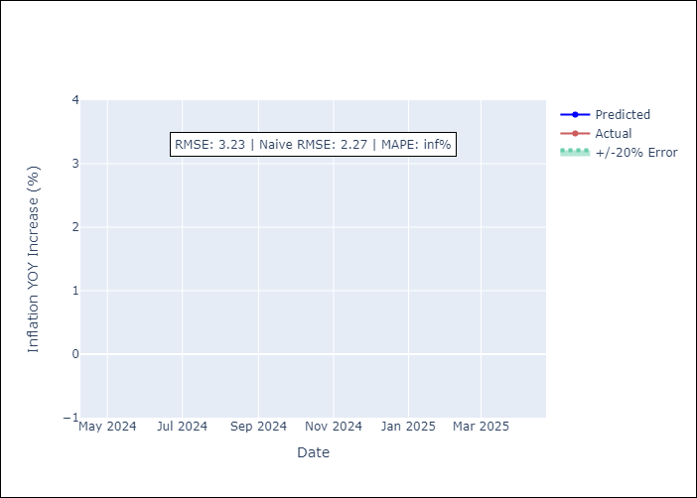

Appendix A: Model Summary
Model | Random Forest w/ Lags
Sample | 1998-01-01 to 2025-04-01
No. of Observations | 328
Terms | P-value (Statistical significance)

Assumptions | P-value



Appendix C: Residuals Analysis
Mean

