R01
R01 - Inflation - Next 12 months forecast as of: 2025-04-01

Model | Random Forest w/ Lags - [(1, 2, 1), (1, 0, 1, 12)]
Training Data | 1998-01-01 to 2024-05-01
Test Data | 2024-05-01 to 2025-04-01

Date | Inflation Change YoY % | Lower Bound - 95% Confidence Interval | Upper Bound - 95% Confidence Interval
2025-05-01 | 3.65 | 3.36 | 4.25
2025-06-01 | 3.89 | 3.47 | 4.54
2025-07-01 | 4.17 | 3.75 | 4.83
2025-08-01 | 4.31 | 3.96 | 5.18
2025-09-01 | 4.48 | 4.16 | 5.56
2025-10-01 | 4.7 | 4.31 | 5.78
2025-11-01 | 4.87 | 4.44 | 5.92
2025-12-01 | 5.03 | 4.65 | 6.05
2026-01-01 | 5.17 | 4.73 | 6.06
2026-02-01 | 5.34 | 4.89 | 6.2
2026-03-01 | 5.45 | 5.07 | 6.34
2026-04-01 | 5.58 | 5.29 | 6.3

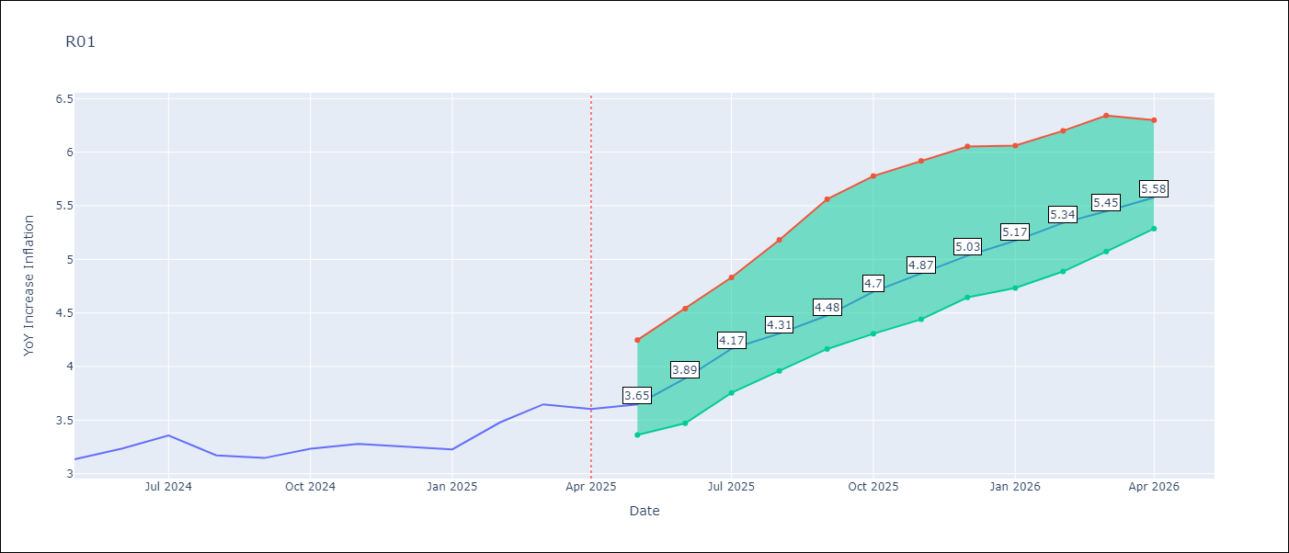

Test Metrics
RMSE | 4.72
Naive RMSE | 5.65
MAPE | 102.62%

Test Predictions
Date | Predicted | Actual
2023-06-01
2023-07-01
2023-08-01
2023-09-01
2023-10-01
2023-11-01
2023-12-01
2024-01-01
2024-02-01
2024-03-01
2024-04-01
2024-05-01

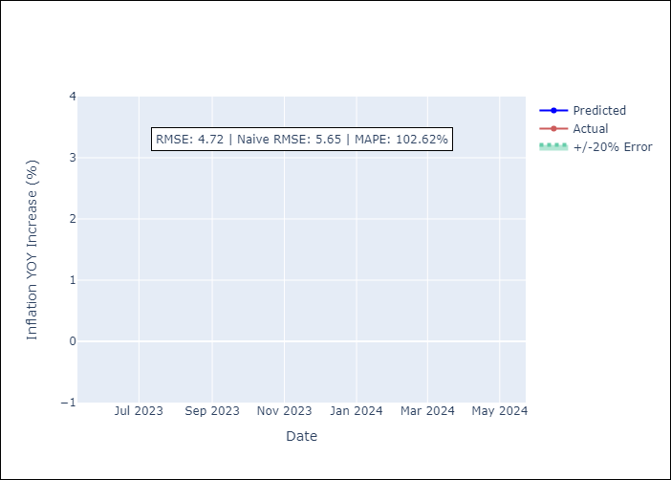

Appendix A: Model Summary
Model | Random Forest w/ Lags
Sample | 1998-01-01 to 2025-04-01
No. of Observations | 328
Terms | P-value (Statistical significance)

Assumptions | P-value



Appendix C: Residuals Analysis
Mean

