R01
R01 - Inflation - Next 12 months forecast as of: 2025-04-01

Model | Random Forest w/ Lags - [(1, 2, 1), (1, 0, 1, 12)]
Training Data | 1998-01-01 to 2024-05-01
Test Data | 2024-05-01 to 2025-04-01

Date | Inflation Change YoY % | Lower Bound - 95% Confidence Interval | Upper Bound - 95% Confidence Interval
2025-05-01 | 3.84 | 3.12 | 4.44
2025-06-01 | 4.18 | 3.38 | 4.71
2025-07-01 | 4.42 | 3.61 | 4.85
2025-08-01 | 4.59 | 3.8 | 5.15
2025-09-01 | 4.75 | 3.94 | 5.41
2025-10-01 | 4.89 | 4.09 | 5.61
2025-11-01 | 4.99 | 4.29 | 5.74
2025-12-01 | 5.08 | 4.42 | 5.91
2026-01-01 | 5.22 | 4.6 | 6.11
2026-02-01 | 5.4 | 4.72 | 6.3
2026-03-01 | 5.57 | 4.84 | 6.34
2026-04-01 | 5.74 | 5.03 | 6.45

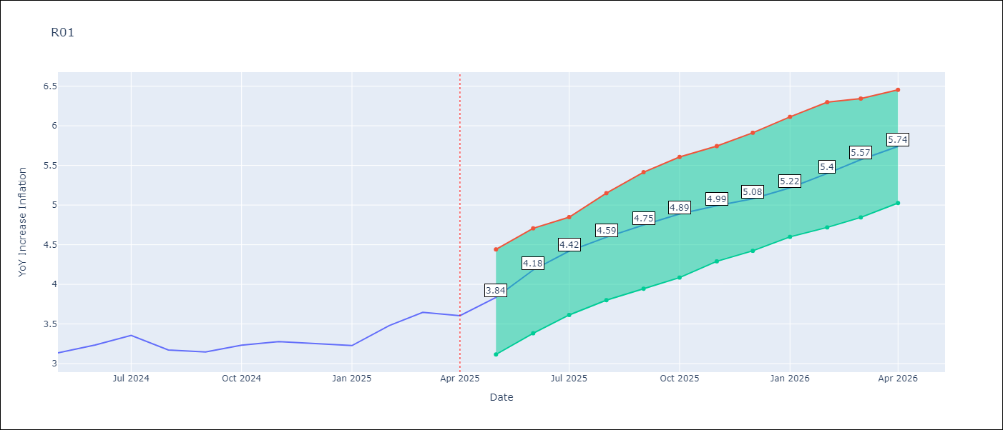

Test Metrics
RMSE | 4.63
Naive RMSE | 5.65
MAPE | 101.04%

Test Predictions
Date | Predicted | Actual
2023-06-01
2023-07-01
2023-08-01
2023-09-01
2023-10-01
2023-11-01
2023-12-01
2024-01-01
2024-02-01
2024-03-01
2024-04-01
2024-05-01

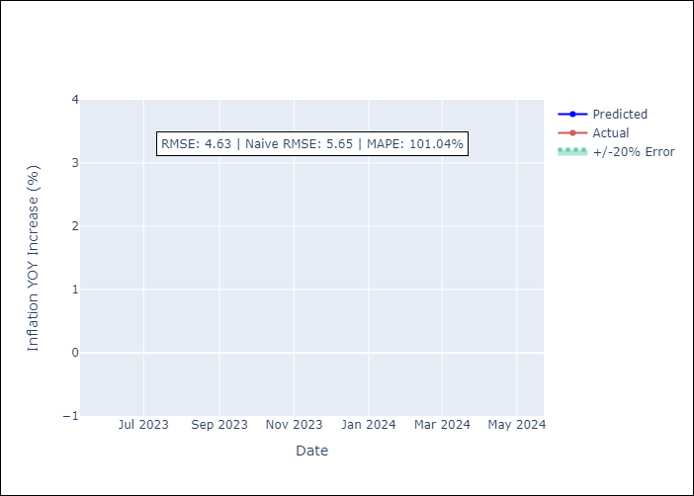

Appendix A: Model Summary
Model | Random Forest w/ Lags
Sample | 1998-01-01 to 2025-04-01
No. of Observations | 328
Terms | P-value (Statistical significance)

Assumptions | P-value



Appendix C: Residuals Analysis
Mean

