R01
R01 - Inflation - Next 12 months forecast as of: 2025-04-01

Model | Random Forest w/ Lags - [(1, 2, 1), (1, 0, 1, 12)]
Training Data | 1998-01-01 to 2024-05-01
Test Data | 2024-05-01 to 2025-04-01

Date | Inflation Change YoY % | Lower Bound - 95% Confidence Interval | Upper Bound - 95% Confidence Interval
2025-05-01 | 3.74 | 2.97 | 4.31
2025-06-01 | 4.11 | 3.04 | 4.66
2025-07-01 | 4.33 | 3.42 | 4.99
2025-08-01 | 4.5 | 3.64 | 5.25
2025-09-01 | 4.61 | 3.82 | 5.52
2025-10-01 | 4.7 | 3.98 | 5.78
2025-11-01 | 4.77 | 4.18 | 5.96
2025-12-01 | 4.84 | 4.47 | 6.14
2026-01-01 | 4.98 | 4.6 | 6.24
2026-02-01 | 5.09 | 4.68 | 6.33
2026-03-01 | 5.29 | 4.79 | 6.48
2026-04-01 | 5.55 | 4.93 | 6.53

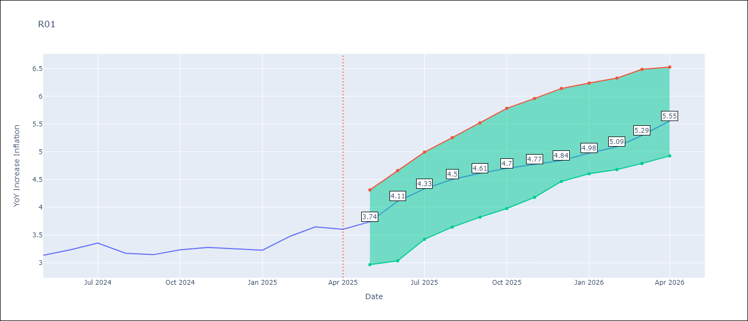

Test Metrics
RMSE | 4.72
Naive RMSE | 5.65
MAPE | 103.67%

Test Predictions
Date | Predicted | Actual
2023-06-01
2023-07-01
2023-08-01
2023-09-01
2023-10-01
2023-11-01
2023-12-01
2024-01-01
2024-02-01
2024-03-01
2024-04-01
2024-05-01

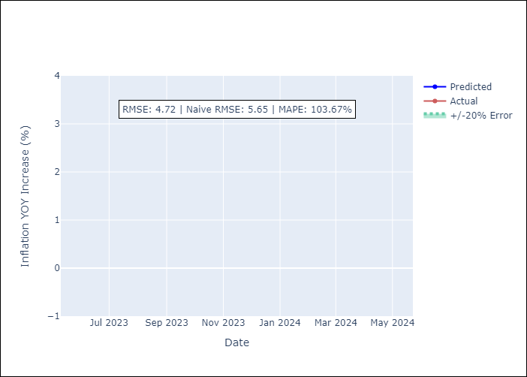

Appendix A: Model Summary
Model | Random Forest w/ Lags
Sample | 1998-01-01 to 2025-04-01
No. of Observations | 328
Terms | P-value (Statistical significance)

Assumptions | P-value



Appendix C: Residuals Analysis
Mean

