R01
R01 - Inflation - Next 12 months forecast as of: 2025-04-01

Model | Random Forest w/ Lags - [(1, 2, 1), (1, 0, 1, 12)]
Training Data | 1998-01-01 to 2024-05-01
Test Data | 2024-05-01 to 2025-04-01

Date | Inflation Change YoY % | Lower Bound - 95% Confidence Interval | Upper Bound - 95% Confidence Interval
2025-05-01 | 3.73 | 3.18 | 4.45
2025-06-01 | 4.1 | 3.35 | 4.68
2025-07-01 | 4.33 | 3.4 | 4.93
2025-08-01 | 4.51 | 3.56 | 5.18
2025-09-01 | 4.67 | 3.72 | 5.36
2025-10-01 | 4.82 | 3.9 | 5.66
2025-11-01 | 4.93 | 4.14 | 5.83
2025-12-01 | 5 | 4.33 | 6.01
2026-01-01 | 5.12 | 4.46 | 6.14
2026-02-01 | 5.28 | 4.61 | 6.35
2026-03-01 | 5.44 | 4.79 | 6.41
2026-04-01 | 5.63 | 5.01 | 6.41

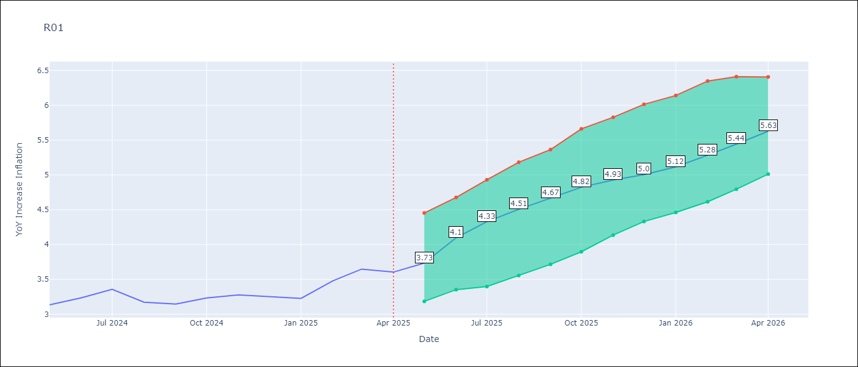

Test Metrics
RMSE | 4.44
Naive RMSE | 5.65
MAPE | 97.63%

Test Predictions
Date | Predicted | Actual
2023-06-01
2023-07-01
2023-08-01
2023-09-01
2023-10-01
2023-11-01
2023-12-01
2024-01-01
2024-02-01
2024-03-01
2024-04-01
2024-05-01

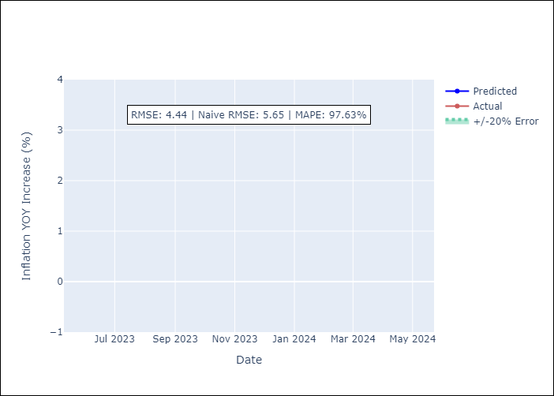

Appendix A: Model Summary
Model | Random Forest w/ Lags
Sample | 1998-01-01 to 2025-04-01
No. of Observations | 328
Terms | P-value (Statistical significance)

Assumptions | P-value



Appendix C: Residuals Analysis
Mean

