R01
R01 - Inflation - Next 12 months forecast as of: 2025-04-01

Model | Random Forest w/ Lags - [(1, 2, 1), (1, 0, 1, 12)]
Training Data | 1998-01-01 to 2024-05-01
Test Data | 2024-05-01 to 2025-04-01

Date | Inflation Change YoY % | Lower Bound - 95% Confidence Interval | Upper Bound - 95% Confidence Interval
2025-05-01 | 3.7 | 3.03 | 4.29
2025-06-01 | 3.99 | 3.15 | 4.58
2025-07-01 | 4.17 | 3.27 | 4.74
2025-08-01 | 4.31 | 3.52 | 4.96
2025-09-01 | 4.46 | 3.69 | 5.18
2025-10-01 | 4.59 | 4.13 | 5.36
2025-11-01 | 4.68 | 4.26 | 5.48
2025-12-01 | 4.8 | 4.51 | 5.64
2026-01-01 | 4.96 | 4.61 | 5.8
2026-02-01 | 5.12 | 4.81 | 5.96
2026-03-01 | 5.28 | 4.94 | 6.07
2026-04-01 | 5.53 | 5.11 | 6.25

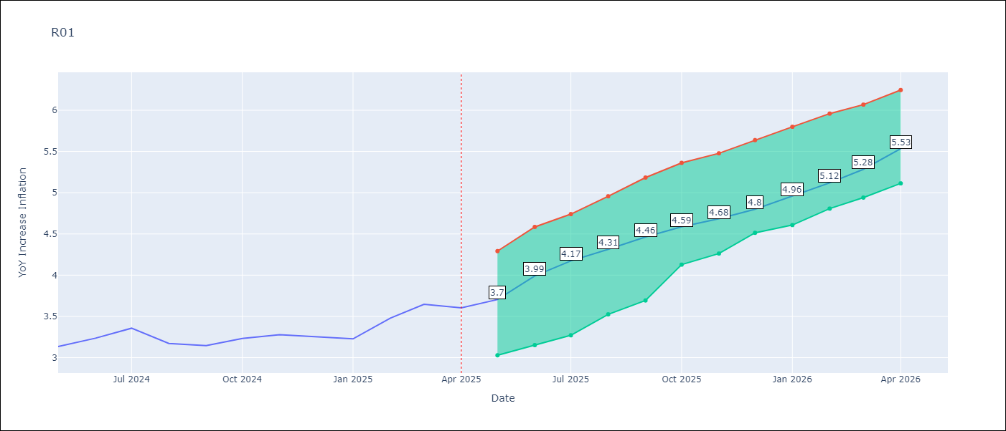

Test Metrics
RMSE | 4.83
Naive RMSE | 5.65
MAPE | 105.67%

Test Predictions
Date | Predicted | Actual
2023-06-01
2023-07-01
2023-08-01
2023-09-01
2023-10-01
2023-11-01
2023-12-01
2024-01-01
2024-02-01
2024-03-01
2024-04-01
2024-05-01

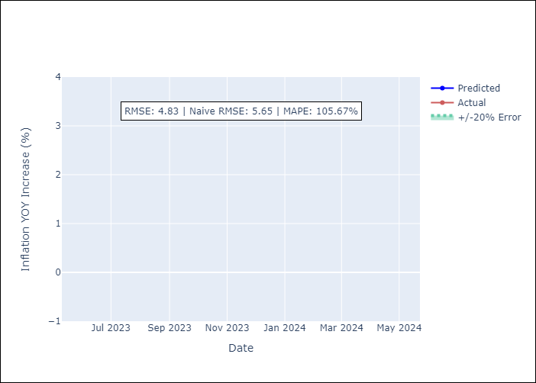

Appendix A: Model Summary
Model | Random Forest w/ Lags
Sample | 1998-01-01 to 2025-04-01
No. of Observations | 328
Terms | P-value (Statistical significance)

Assumptions | P-value



Appendix C: Residuals Analysis
Mean

