R01
R01 - Inflation - Next 12 months forecast as of: 2025-04-01

Model | Random Forest w/ Lags - [(1, 2, 1), (1, 0, 1, 12)]
Training Data | 1998-01-01 to 2024-05-01
Test Data | 2024-05-01 to 2025-04-01

Date | Inflation Change YoY % | Lower Bound - 95% Confidence Interval | Upper Bound - 95% Confidence Interval
2025-05-01 | 3.9 | 3.07 | 4.26
2025-06-01 | 4.16 | 3.14 | 4.44
2025-07-01 | 4.35 | 3.42 | 4.7
2025-08-01 | 4.43 | 3.62 | 4.88
2025-09-01 | 4.56 | 3.85 | 5.06
2025-10-01 | 4.7 | 4.11 | 5.27
2025-11-01 | 4.83 | 4.23 | 5.45
2025-12-01 | 5 | 4.35 | 5.52
2026-01-01 | 5.14 | 4.57 | 5.67
2026-02-01 | 5.37 | 4.67 | 5.85
2026-03-01 | 5.53 | 4.79 | 5.95
2026-04-01 | 5.77 | 4.99 | 6.15

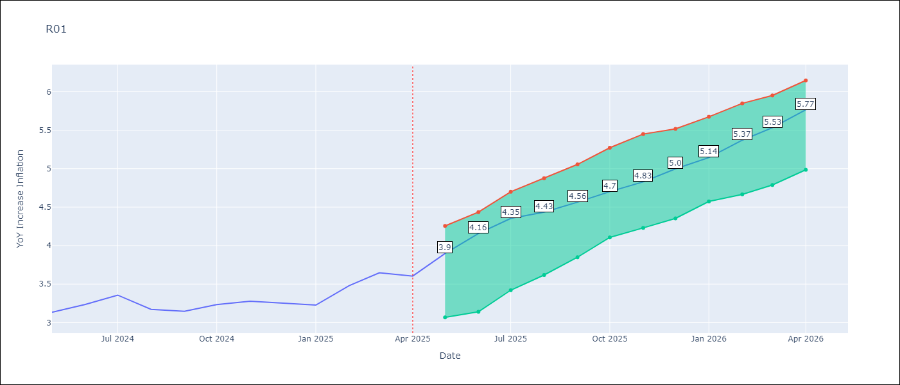

Test Metrics
RMSE | 4.49
Naive RMSE | 5.65
MAPE | 97.49%

Test Predictions
Date | Predicted | Actual
2023-06-01
2023-07-01
2023-08-01
2023-09-01
2023-10-01
2023-11-01
2023-12-01
2024-01-01
2024-02-01
2024-03-01
2024-04-01
2024-05-01

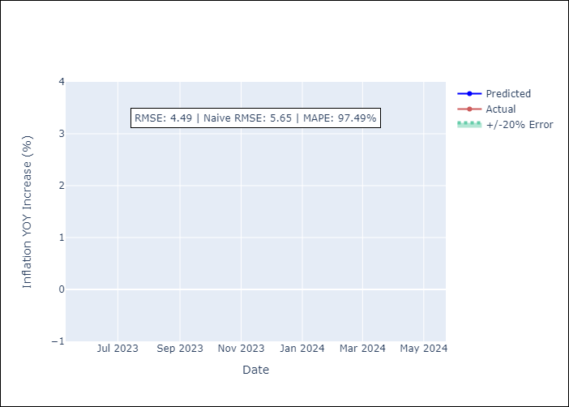

Appendix A: Model Summary
Model | Random Forest w/ Lags
Sample | 1998-01-01 to 2025-04-01
No. of Observations | 328
Terms | P-value (Statistical significance)

Assumptions | P-value



Appendix C: Residuals Analysis
Mean

