R01
R01 - Inflation - Next 12 months forecast as of: 2025-04-01

Model | Random Forest w/ Lags - [(1, 2, 1), (1, 0, 1, 12)]
Training Data | 1998-01-01 to 2024-05-01
Test Data | 2024-05-01 to 2025-04-01

Date | Inflation Change YoY % | Lower Bound - 95% Confidence Interval | Upper Bound - 95% Confidence Interval
2025-05-01 | 3.92 | 2.98 | 4.24
2025-06-01 | 4.1 | 3.11 | 4.57
2025-07-01 | 4.24 | 3.41 | 4.76
2025-08-01 | 4.32 | 3.55 | 5.04
2025-09-01 | 4.46 | 3.67 | 5.29
2025-10-01 | 4.63 | 3.79 | 5.53
2025-11-01 | 4.82 | 3.99 | 5.77
2025-12-01 | 4.99 | 4.19 | 5.93
2026-01-01 | 5.19 | 4.31 | 6.05
2026-02-01 | 5.39 | 4.54 | 6.12
2026-03-01 | 5.57 | 4.65 | 6.21
2026-04-01 | 5.77 | 4.87 | 6.26

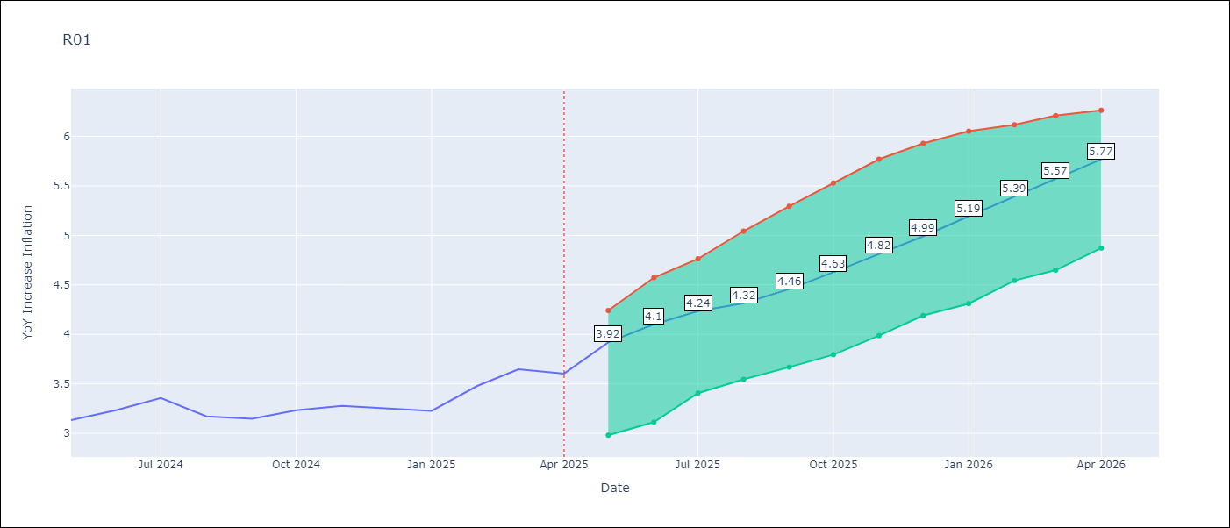

Test Metrics
RMSE | 4.34
Naive RMSE | 5.65
MAPE | 94.92%

Test Predictions
Date | Predicted | Actual
2023-06-01
2023-07-01
2023-08-01
2023-09-01
2023-10-01
2023-11-01
2023-12-01
2024-01-01
2024-02-01
2024-03-01
2024-04-01
2024-05-01

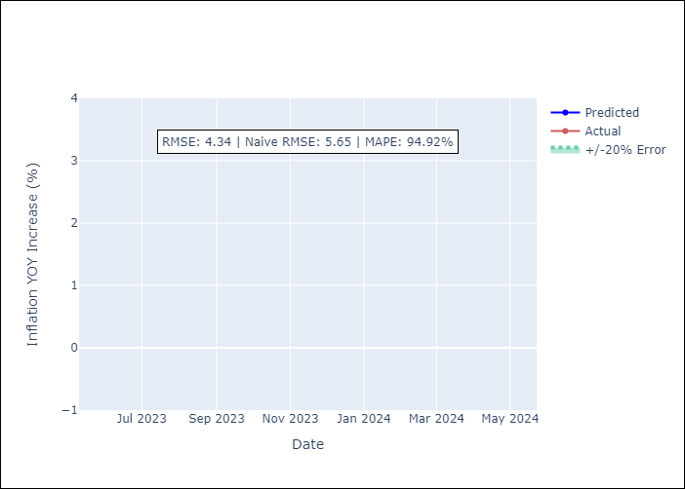

Appendix A: Model Summary
Model | Random Forest w/ Lags
Sample | 1998-01-01 to 2025-04-01
No. of Observations | 328
Terms | P-value (Statistical significance)

Assumptions | P-value



Appendix C: Residuals Analysis
Mean

