R01
R01 - Inflation - Next 12 months forecast as of: 2025-04-01

Model | Random Forest w/ Lags - [(1, 2, 1), (1, 0, 1, 12)]
Training Data | 1998-01-01 to 2024-05-01
Test Data | 2024-05-01 to 2025-04-01

Date | Inflation Change YoY % | Lower Bound - 95% Confidence Interval | Upper Bound - 95% Confidence Interval
2025-05-01 | 3.71 | 3.07 | 4.46
2025-06-01 | 3.99 | 3.13 | 4.8
2025-07-01 | 4.18 | 3.34 | 5.04
2025-08-01 | 4.33 | 3.48 | 5.32
2025-09-01 | 4.46 | 3.67 | 5.52
2025-10-01 | 4.62 | 3.87 | 5.69
2025-11-01 | 4.73 | 4.14 | 5.83
2025-12-01 | 4.87 | 4.34 | 5.98
2026-01-01 | 5.02 | 4.52 | 6.09
2026-02-01 | 5.2 | 4.65 | 6.27
2026-03-01 | 5.35 | 4.76 | 6.33
2026-04-01 | 5.55 | 5 | 6.44

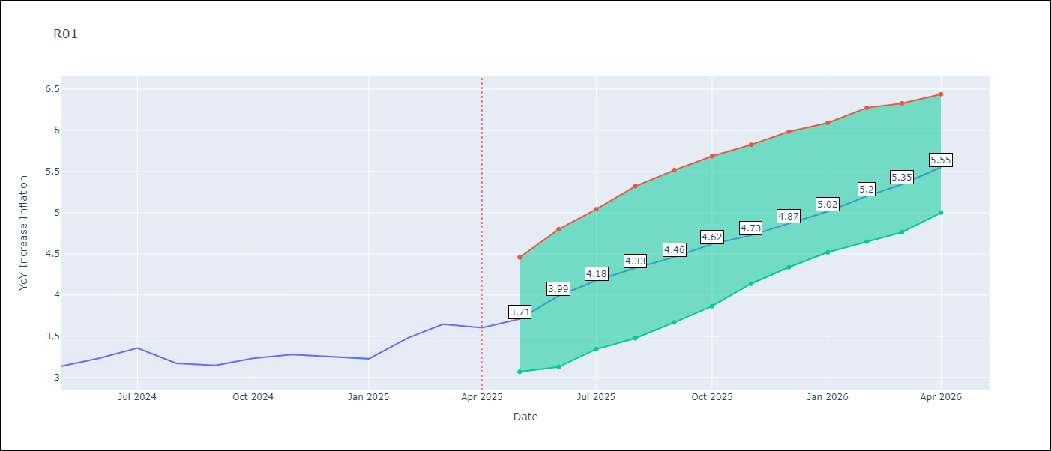

Test Metrics
RMSE | 4.64
Naive RMSE | 5.65
MAPE | 101.57%

Test Predictions
Date | Predicted | Actual
2024-06-01 | 3.52 | 3.13
2024-07-01 | 3.1 | 3.24
2024-08-01 | 2.77 | 3.36
2024-09-01 | 2.53 | 3.17
2024-10-01 | 2.46 | 3.15
2024-11-01 | 2.58 | 3.23
2024-12-01 | 2.91 | 3.28
2025-01-01 | 3.4 | 3.25
2025-02-01 | 3.89 | 3.23
2025-03-01 | 4.28 | 3.48
2025-04-01 | 4.55 | 3.65
2025-05-01 | 4.69 | 3.6

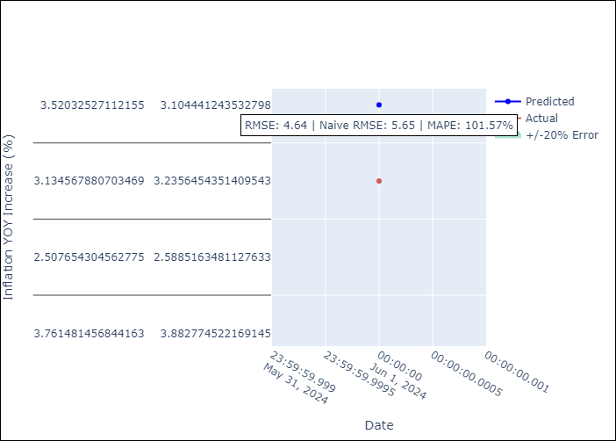

Appendix A: Model Summary
Model | Random Forest w/ Lags
Sample | 1998-01-01 to 2025-04-01
No. of Observations | 328
Terms | P-value (Statistical significance)

Assumptions | P-value



Appendix C: Residuals Analysis
Mean

