R01
R01 - Inflation - Next 12 months forecast as of: 2025-04-01

Model | Random Forest w/ Lags - [(1, 2, 1), (1, 0, 1, 12)]
Training Data | 1998-01-01 to 2024-05-01
Test Data | 2024-05-01 to 2025-04-01

Date | Inflation Change YoY % | Lower Bound - 95% Confidence Interval | Upper Bound - 95% Confidence Interval
2025-05-01 | 3.66 | 2.9 | 4.39
2025-06-01 | 3.93 | 3.1 | 4.64
2025-07-01 | 4.16 | 3.2 | 4.87
2025-08-01 | 4.37 | 3.46 | 5.15
2025-09-01 | 4.52 | 3.63 | 5.49
2025-10-01 | 4.73 | 3.86 | 5.7
2025-11-01 | 4.86 | 3.98 | 5.91
2025-12-01 | 5 | 4.18 | 5.98
2026-01-01 | 5.13 | 4.35 | 6.1
2026-02-01 | 5.24 | 4.45 | 6.19
2026-03-01 | 5.44 | 4.59 | 6.25
2026-04-01 | 5.6 | 4.81 | 6.34

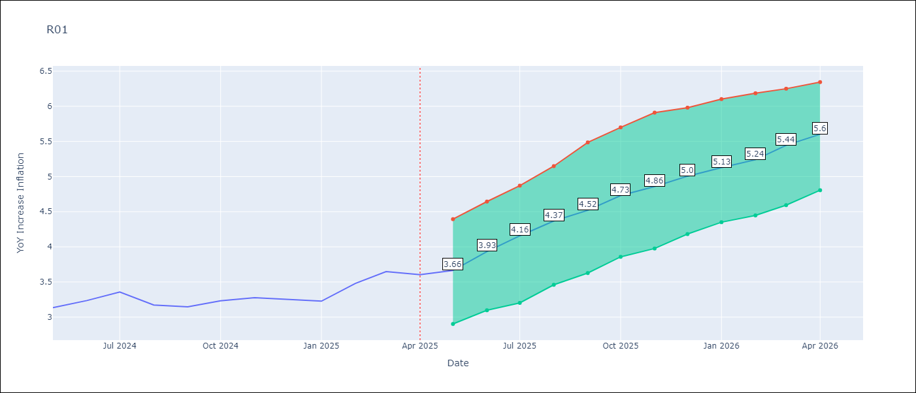

Test Metrics
RMSE | 4.59
Naive RMSE | 5.65
MAPE | 101.1%

Test Predictions
Date | Predicted | Actual
2024-06-01 | 3.95 | 3.13
2024-07-01 | 3.62 | 3.24
2024-08-01 | 3.3 | 3.36
2024-09-01 | 3.05 | 3.17
2024-10-01 | 2.94 | 3.15
2024-11-01 | 3 | 3.23
2024-12-01 | 3.22 | 3.28
2025-01-01 | 3.56 | 3.25
2025-02-01 | 3.99 | 3.23
2025-03-01 | 4.34 | 3.48
2025-04-01 | 4.71 | 3.65
2025-05-01 | 4.79 | 3.6

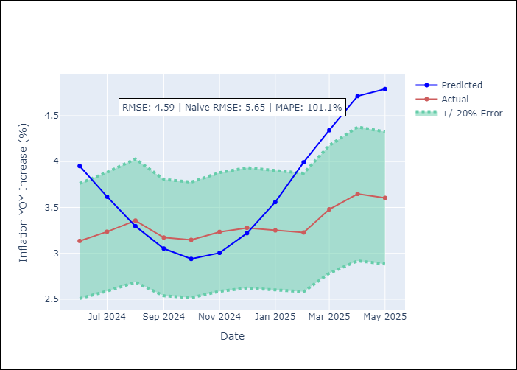

Appendix A: Model Summary
Model | Random Forest w/ Lags
Sample | 1998-01-01 to 2025-04-01
No. of Observations | 328
Terms | P-value (Statistical significance)

Assumptions | P-value



Appendix C: Residuals Analysis
Mean

