R01
R01 - Inflation - Next 12 months forecast as of: 2025-04-01

Model | Random Forest w/ Lags - [(1, 2, 1), (1, 0, 1, 12)]
Training Data | 1998-01-01 to 2024-05-01
Test Data | 2024-05-01 to 2025-04-01

Date | Inflation Change YoY % | Lower Bound - 95% Confidence Interval | Upper Bound - 95% Confidence Interval
2025-05-01 | 3.85 | 3.03 | 4.31
2025-06-01 | 4.1 | 3.29 | 4.61
2025-07-01 | 4.26 | 3.43 | 4.8
2025-08-01 | 4.34 | 3.61 | 5.06
2025-09-01 | 4.47 | 3.8 | 5.35
2025-10-01 | 4.6 | 4.07 | 5.58
2025-11-01 | 4.73 | 4.2 | 5.7
2025-12-01 | 4.82 | 4.36 | 5.87
2026-01-01 | 5.05 | 4.47 | 5.98
2026-02-01 | 5.3 | 4.54 | 6.03
2026-03-01 | 5.43 | 4.65 | 6.07
2026-04-01 | 5.65 | 4.94 | 6.18

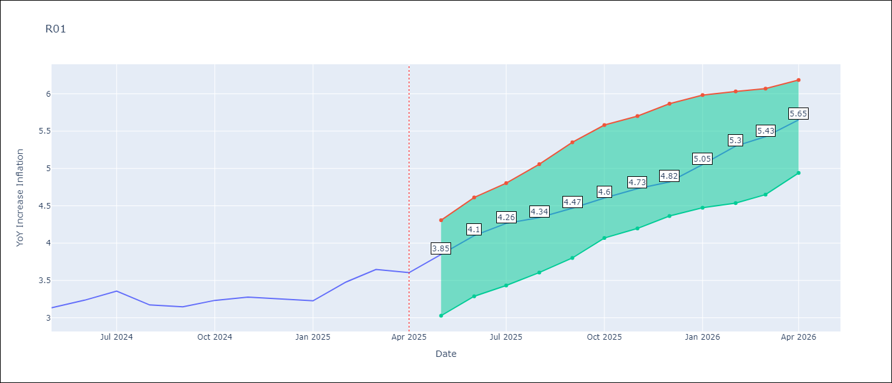

Test Metrics
RMSE | 4.63
Naive RMSE | 5.65
MAPE | 16.34%

Test Predictions
Date | Predicted | Actual
2024-06-01 | 3.67 | 3.13
2024-07-01 | 3.3 | 3.24
2024-08-01 | 3 | 3.36
2024-09-01 | 2.77 | 3.17
2024-10-01 | 2.73 | 3.15
2024-11-01 | 2.85 | 3.23
2024-12-01 | 3.12 | 3.28
2025-01-01 | 3.59 | 3.25
2025-02-01 | 4.03 | 3.23
2025-03-01 | 4.43 | 3.48
2025-04-01 | 4.69 | 3.65
2025-05-01 | 4.8 | 3.6

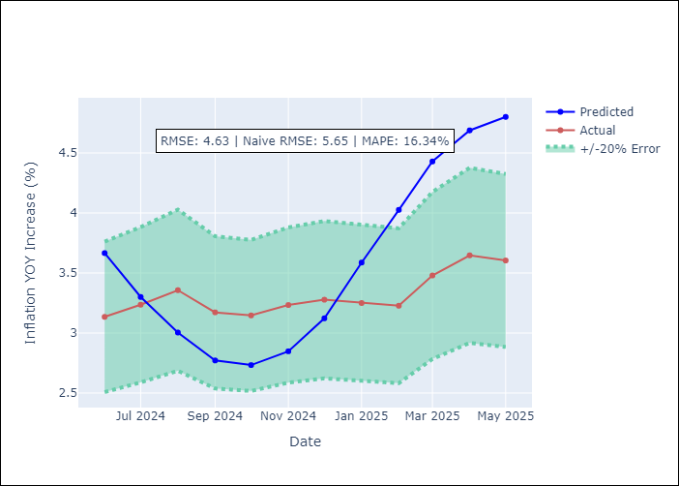

Appendix A: Model Summary
Model | Random Forest w/ Lags
Sample | 1998-01-01 to 2025-04-01
No. of Observations | 328
Terms | P-value (Statistical significance)

Assumptions | P-value



Appendix C: Residuals Analysis
Mean

