R01
R01 - Inflation - Next 12 months forecast as of: 2025-04-01

Model | Random Forest w/ Lags - [(1, 2, 1), (1, 0, 1, 12)]
Training Data | 1998-01-01 to 2024-05-01
Test Data | 2024-05-01 to 2025-04-01

Date | Inflation Change YoY % | Lower Bound - 95% Confidence Interval | Upper Bound - 95% Confidence Interval
2025-05-01 | 3.85 | 3.27 | 4.46
2025-06-01 | 4.16 | 3.47 | 4.76
2025-07-01 | 4.35 | 3.65 | 5.03
2025-08-01 | 4.5 | 3.86 | 5.38
2025-09-01 | 4.66 | 4.09 | 5.62
2025-10-01 | 4.82 | 4.24 | 5.83
2025-11-01 | 4.97 | 4.43 | 5.94
2025-12-01 | 5.08 | 4.57 | 5.99
2026-01-01 | 5.22 | 4.69 | 6.08
2026-02-01 | 5.31 | 4.77 | 6.15
2026-03-01 | 5.53 | 4.89 | 6.22
2026-04-01 | 5.77 | 5.14 | 6.27

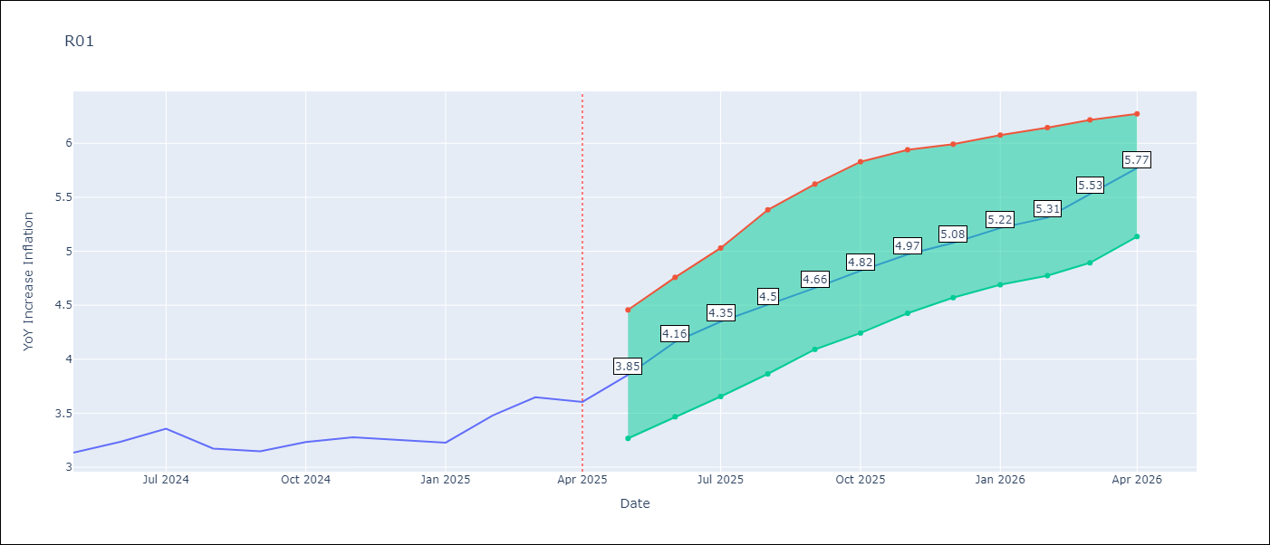

Test Metrics
RMSE | 4.82
Naive RMSE | 5.65
MAPE | 17.39%

Test Predictions
Date | Predicted | Actual
2024-06-01 | 3.5 | 3.13
2024-07-01 | 3.11 | 3.24
2024-08-01 | 2.8 | 3.36
2024-09-01 | 2.63 | 3.17
2024-10-01 | 2.64 | 3.15
2024-11-01 | 2.83 | 3.23
2024-12-01 | 3.22 | 3.28
2025-01-01 | 3.68 | 3.25
2025-02-01 | 4.13 | 3.23
2025-03-01 | 4.42 | 3.48
2025-04-01 | 4.69 | 3.65
2025-05-01 | 4.78 | 3.6

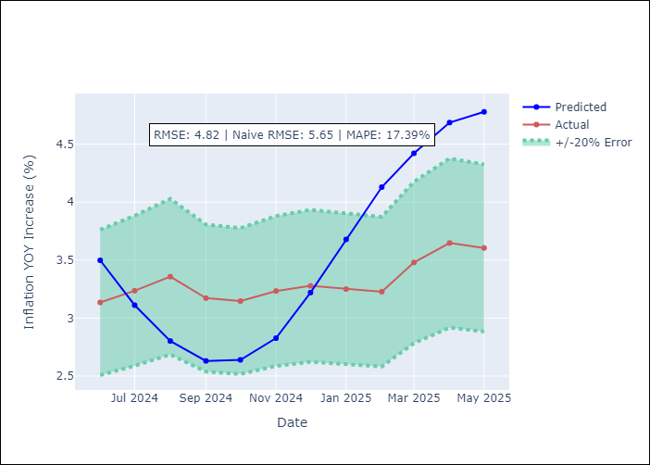
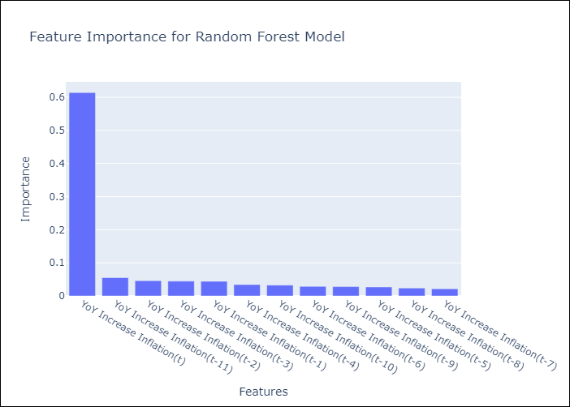

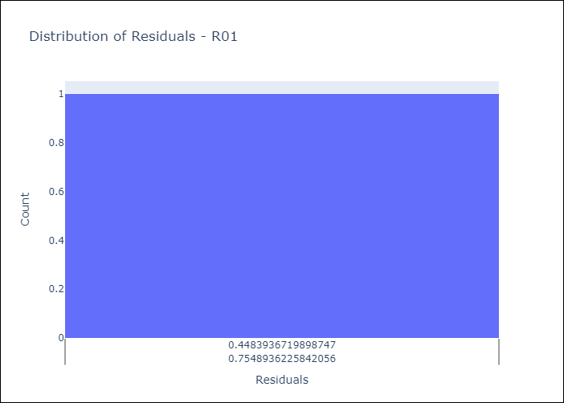
Appendix A: Model Summary
Model | Random Forest w/ Lags
Sample | 1998-01-01 to 2025-04-01
No. of Observations | 328
Residuals
Mean | 3.7249735314
St Dev | 3.0630459187
Kurtosis | 0.277658097
Skewness | 0.52726495885

Assumptions | P-value



Appendix C: Residuals Analysis
Mean

