R01
R01 - Inflation - Next 12 months forecast as of: 2025-04-01

Model | Random Forest w/ Lags - [(1, 2, 1), (1, 0, 1, 12)]
Training Data | 1998-01-01 to 2024-05-01
Test Data | 2024-05-01 to 2025-04-01

Date | Inflation Change YoY % | Lower Bound - 95% Confidence Interval | Upper Bound - 95% Confidence Interval
2025-05-01 | 3.73 | 3.23 | 4.35
2025-06-01 | 3.88 | 3.54 | 4.69
2025-07-01 | 4.06 | 3.67 | 4.86
2025-08-01 | 4.19 | 3.8 | 5.03
2025-09-01 | 4.34 | 3.95 | 5.22
2025-10-01 | 4.53 | 4.19 | 5.39
2025-11-01 | 4.71 | 4.42 | 5.54
2025-12-01 | 4.88 | 4.48 | 5.62
2026-01-01 | 5.09 | 4.7 | 5.8
2026-02-01 | 5.25 | 4.85 | 5.93
2026-03-01 | 5.44 | 4.98 | 6.08
2026-04-01 | 5.63 | 5.11 | 6.19

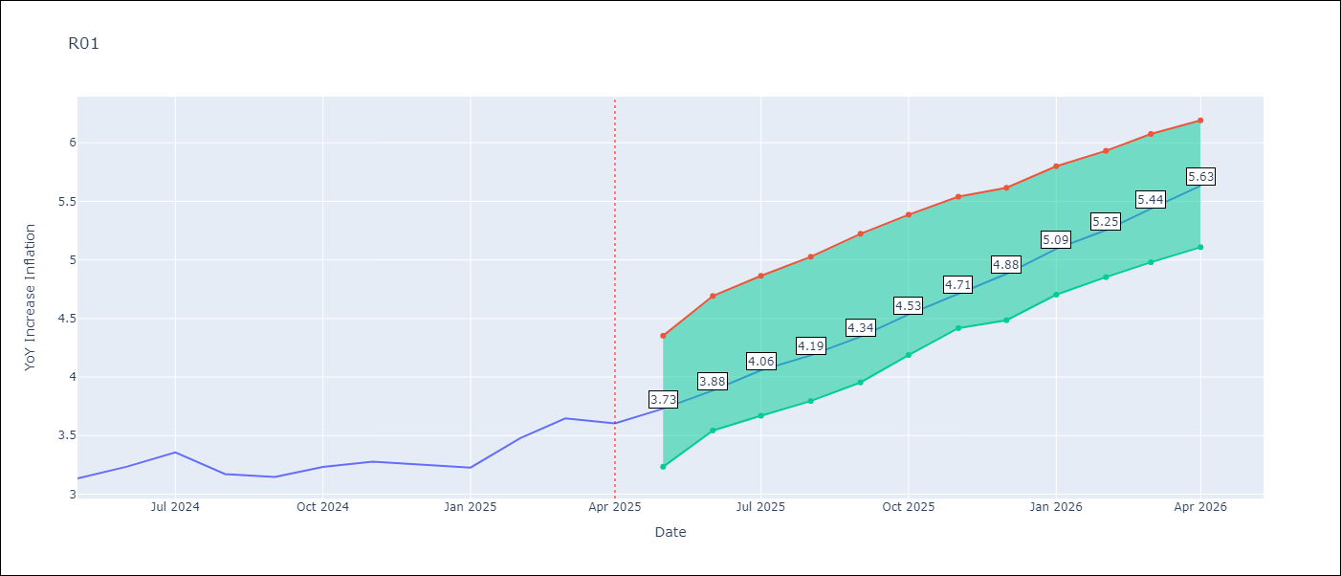

Test Metrics
RMSE | 4.64
Naive RMSE | 5.65
MAPE | 18.35%

Test Predictions
Date | Predicted | Actual
2024-06-01 | 3.63 | 3.13
2024-07-01 | 3.26 | 3.24
2024-08-01 | 2.96 | 3.36
2024-09-01 | 2.71 | 3.17
2024-10-01 | 2.61 | 3.15
2024-11-01 | 2.73 | 3.23
2024-12-01 | 3.02 | 3.28
2025-01-01 | 3.53 | 3.25
2025-02-01 | 4.04 | 3.23
2025-03-01 | 4.45 | 3.48
2025-04-01 | 4.87 | 3.65
2025-05-01 | 5.09 | 3.6

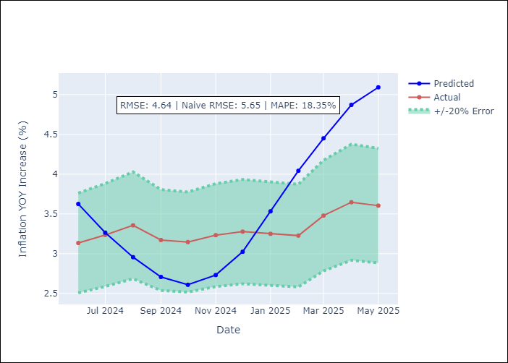
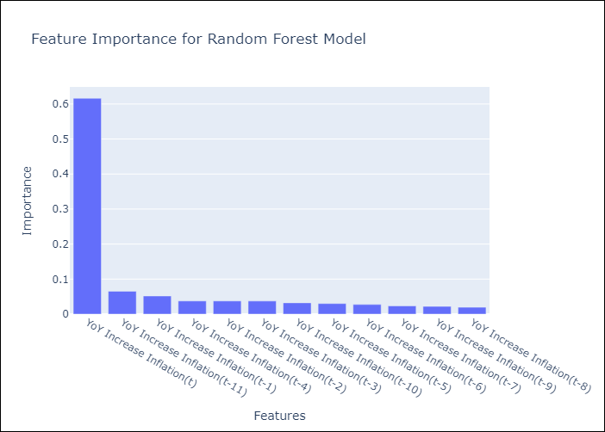

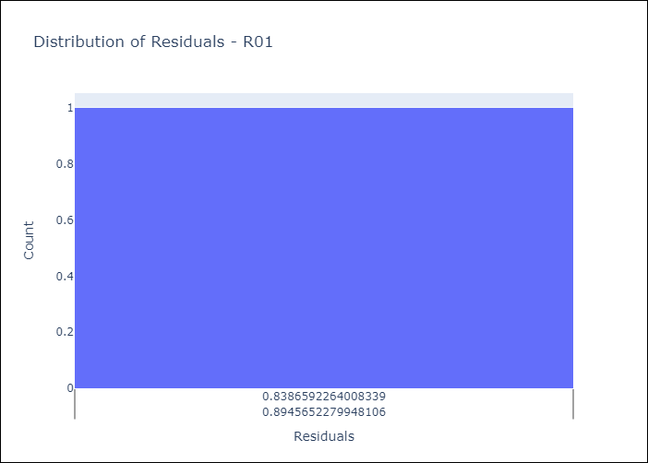
Appendix A: Model Summary
Model | Random Forest w/ Lags
Sample | 1998-01-01 to 2025-04-01
No. of Observations | 328
Residuals
Mean | 3.5429271343
St Dev | 2.9994497587
Kurtosis | 0.36598964124
Skewness | 0.54314219199

Assumptions | P-value



Appendix C: Residuals Analysis
Mean

