R01
R01 - Inflation - Next 12 months forecast as of: 2025-04-01

Model | Random Forest w/ Lags - [(1, 2, 1), (1, 0, 1, 12)]
Training Data | 1998-01-01 to 2024-05-01
Test Data | 2024-05-01 to 2025-04-01

Date | Inflation Change YoY % | Lower Bound - 95% Confidence Interval | Upper Bound - 95% Confidence Interval
2025-05-01 | 3.81 | 3.02 | 4.3
2025-06-01 | 4.06 | 3.21 | 4.55
2025-07-01 | 4.18 | 3.33 | 4.75
2025-08-01 | 4.33 | 3.55 | 5
2025-09-01 | 4.54 | 3.79 | 5.18
2025-10-01 | 4.76 | 3.97 | 5.34
2025-11-01 | 4.96 | 4.12 | 5.5
2025-12-01 | 5.09 | 4.34 | 5.66
2026-01-01 | 5.29 | 4.48 | 5.87
2026-02-01 | 5.48 | 4.57 | 6.17
2026-03-01 | 5.65 | 4.69 | 6.24
2026-04-01 | 5.83 | 4.93 | 6.47

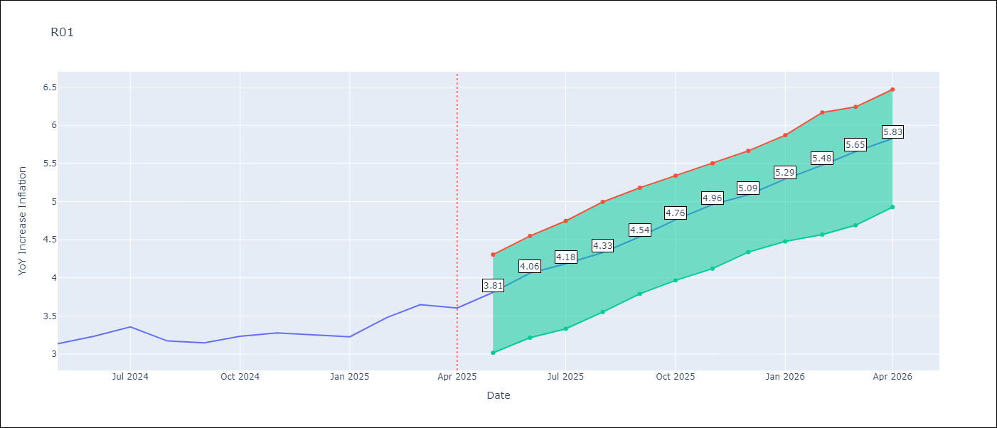

Test Metrics
RMSE | 4.82
Naive RMSE | 5.65
MAPE | 16.93%

Test Predictions
Date | Predicted | Actual
2024-06-01 | 3.48 | 3.13
2024-07-01 | 3.09 | 3.24
2024-08-01 | 2.75 | 3.36
2024-09-01 | 2.6 | 3.17
2024-10-01 | 2.55 | 3.15
2024-11-01 | 2.72 | 3.23
2024-12-01 | 3.03 | 3.28
2025-01-01 | 3.46 | 3.25
2025-02-01 | 4 | 3.23
2025-03-01 | 4.31 | 3.48
2025-04-01 | 4.58 | 3.65
2025-05-01 | 4.67 | 3.6

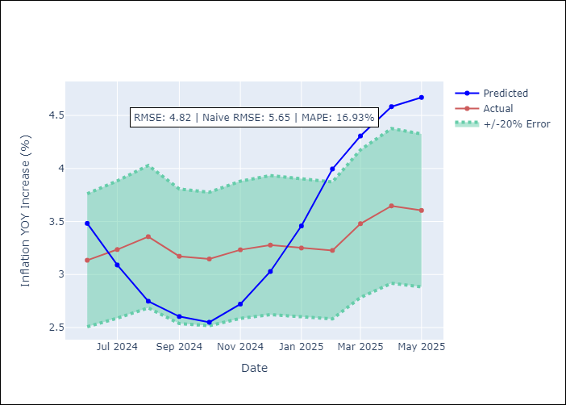
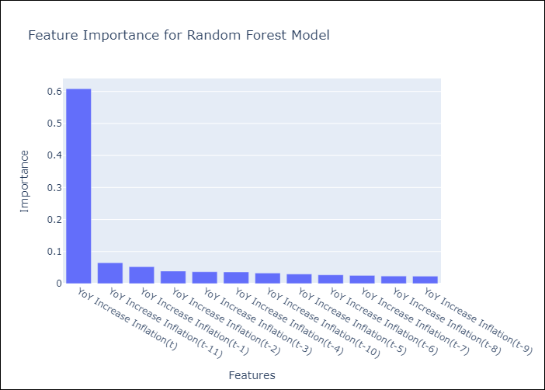

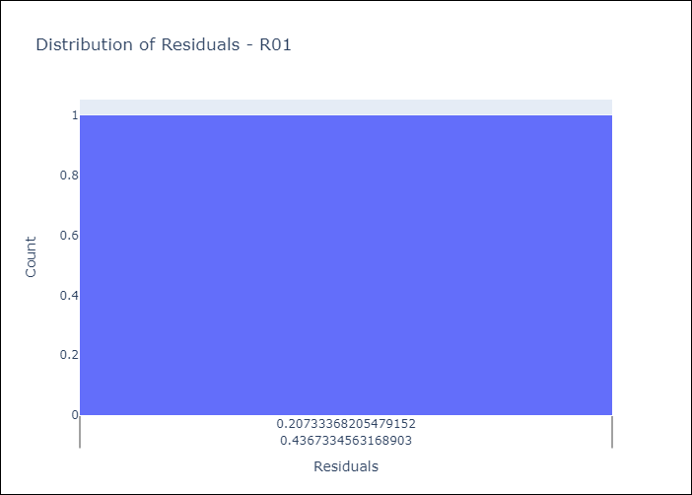
Appendix A: Model Summary
Model | Random Forest w/ Lags
Sample | 1998-01-01 to 2025-04-01
No. of Observations | 328
Residuals
Mean | 3.724146293
St Dev | 3.057400978
Kurtosis | -0.17514494313
Skewness | 0.36760501958

Assumptions | P-value



Appendix C: Residuals Analysis
Mean

