R01
R01 - Inflation - Next 12 months forecast as of: 2025-04-01

Model | Random Forest w/ Lags - [(1, 2, 1), (1, 0, 1, 12)]
Training Data | 1998-01-01 to 2024-05-01
Test Data | 2024-05-01 to 2025-04-01

Date | Inflation Change YoY % | Lower Bound - 95% Confidence Interval | Upper Bound - 95% Confidence Interval
2025-05-01 | 3.68 | 3.17 | 4.29
2025-06-01 | 3.86 | 3.41 | 4.48
2025-07-01 | 4 | 3.61 | 4.7
2025-08-01 | 4.08 | 3.85 | 4.89
2025-09-01 | 4.19 | 3.97 | 5.09
2025-10-01 | 4.39 | 4.13 | 5.29
2025-11-01 | 4.58 | 4.26 | 5.44
2025-12-01 | 4.73 | 4.4 | 5.53
2026-01-01 | 5.01 | 4.55 | 5.69
2026-02-01 | 5.14 | 4.76 | 5.87
2026-03-01 | 5.35 | 4.95 | 6.07
2026-04-01 | 5.56 | 5.14 | 6.13

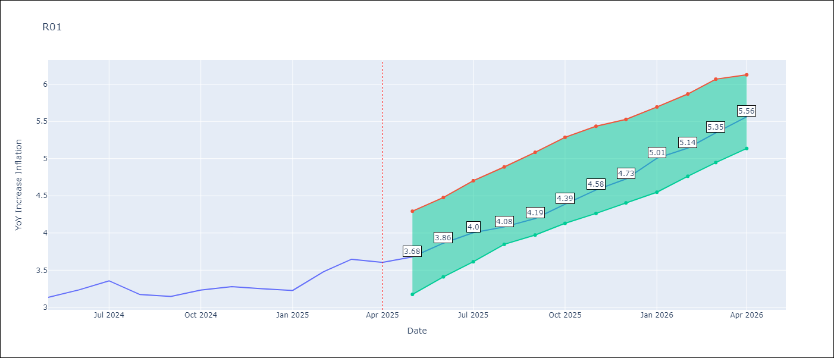

Test Metrics
RMSE | 4.59
Naive RMSE | 5.65
MAPE | 17.86%

Test Predictions
Date | Predicted | Actual
2024-06-01 | 3.72 | 3.13
2024-07-01 | 3.32 | 3.24
2024-08-01 | 2.99 | 3.36
2024-09-01 | 2.76 | 3.17
2024-10-01 | 2.73 | 3.15
2024-11-01 | 2.91 | 3.23
2024-12-01 | 3.29 | 3.28
2025-01-01 | 3.75 | 3.25
2025-02-01 | 4.16 | 3.23
2025-03-01 | 4.53 | 3.48
2025-04-01 | 4.82 | 3.65
2025-05-01 | 5.01 | 3.6

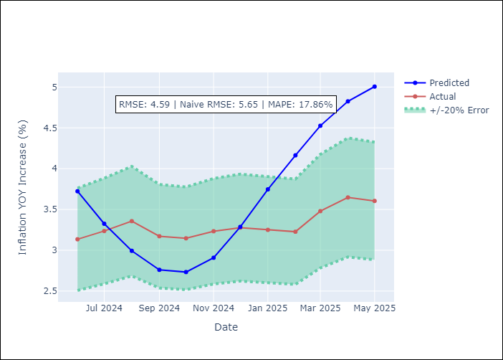
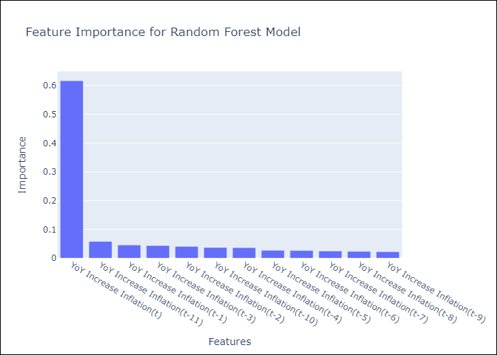

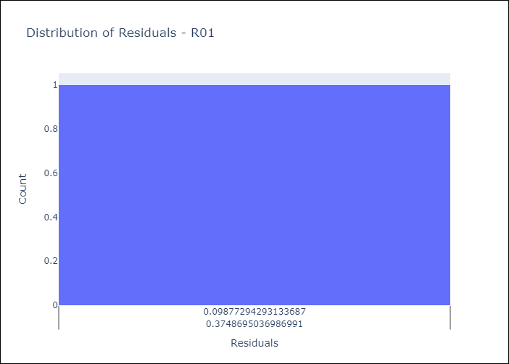
Appendix A: Model Summary
Model | Random Forest w/ Lags
Sample | 1998-01-01 to 2025-04-01
No. of Observations | 328
Residuals
Mean | 3.4963065435
St Dev | 2.9716918268
Kurtosis | 0.17703385016
Skewness | 0.46473493012

Assumptions | P-value



Appendix C: Residuals Analysis
Mean

