R01
R01 - Inflation - Next 12 months forecast as of: 2025-04-01

Model | Random Forest w/ Lags - [(1, 2, 1), (1, 0, 1, 12)]
Training Data | 1998-01-01 to 2024-05-01
Test Data | 2024-05-01 to 2025-04-01

Date | Inflation Change YoY % | Lower Bound - 95% Confidence Interval | Upper Bound - 95% Confidence Interval
2025-05-01 | 3.49 | 3.1 | 4.4
2025-06-01 | 3.74 | 3.26 | 4.62
2025-07-01 | 3.94 | 3.52 | 4.93
2025-08-01 | 4.12 | 3.66 | 5.16
2025-09-01 | 4.32 | 3.93 | 5.48
2025-10-01 | 4.51 | 4.31 | 5.61
2025-11-01 | 4.69 | 4.55 | 5.79
2025-12-01 | 4.81 | 4.72 | 5.87
2026-01-01 | 4.95 | 4.81 | 6.07
2026-02-01 | 5.07 | 4.96 | 6.23
2026-03-01 | 5.22 | 5.08 | 6.32
2026-04-01 | 5.4 | 5.21 | 6.34

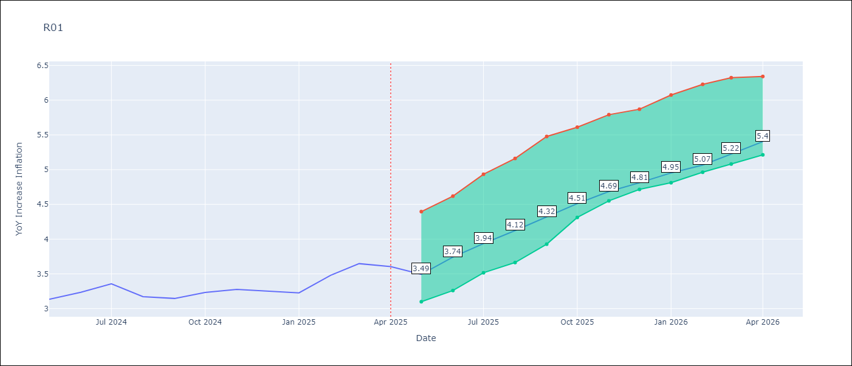

Test Metrics
RMSE | 4.56
Naive RMSE | 5.65
MAPE | 17.13%

Test Predictions
Date | Predicted | Actual
2024-06-01 | 3.72 | 3.13
2024-07-01 | 3.34 | 3.24
2024-08-01 | 3.01 | 3.36
2024-09-01 | 2.81 | 3.17
2024-10-01 | 2.72 | 3.15
2024-11-01 | 2.89 | 3.23
2024-12-01 | 3.19 | 3.28
2025-01-01 | 3.62 | 3.25
2025-02-01 | 4.12 | 3.23
2025-03-01 | 4.45 | 3.48
2025-04-01 | 4.78 | 3.65
2025-05-01 | 4.93 | 3.6

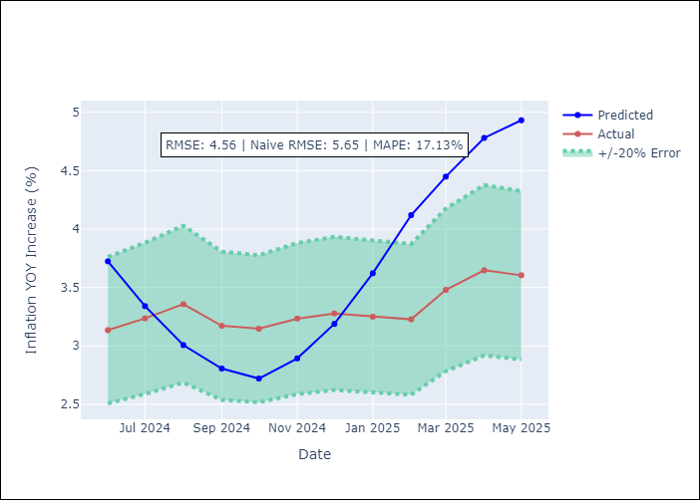
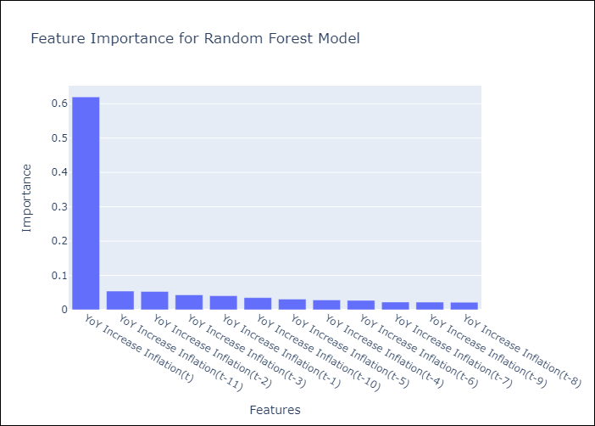

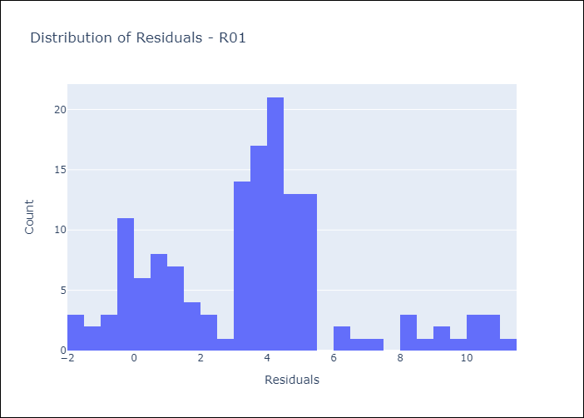
Appendix A: Model Summary
Model | Random Forest w/ Lags
Sample | 1998-01-01 to 2025-04-01
No. of Observations | 328
Residuals
Mean | 3.5421502645
St Dev | 2.8674154148
Kurtosis | 0.28924755729
Skewness | 0.51082672274

Assumptions | P-value



Appendix C: Residuals Analysis
Mean

