R01
R01 - Inflation - Next 12 months forecast as of: 2025-04-01

Model | Random Forest w/ Lags - [(1, 2, 1), (1, 0, 1, 12)]
Training Data | 1998-01-01 to 2024-05-01
Test Data | 2024-05-01 to 2025-04-01

Date | Inflation Change YoY % | Lower Bound - 95% Confidence Interval | Upper Bound - 95% Confidence Interval
2025-05-01 | 3.62 | 3.07 | 4.24
2025-06-01 | 3.84 | 3.36 | 4.56
2025-07-01 | 4.02 | 3.5 | 4.86
2025-08-01 | 4.17 | 3.71 | 5.07
2025-09-01 | 4.37 | 3.93 | 5.29
2025-10-01 | 4.57 | 4.11 | 5.55
2025-11-01 | 4.79 | 4.26 | 5.66
2025-12-01 | 4.94 | 4.42 | 5.7
2026-01-01 | 5.16 | 4.49 | 5.85
2026-02-01 | 5.31 | 4.68 | 5.96
2026-03-01 | 5.46 | 4.76 | 6.08
2026-04-01 | 5.61 | 5.01 | 6.21

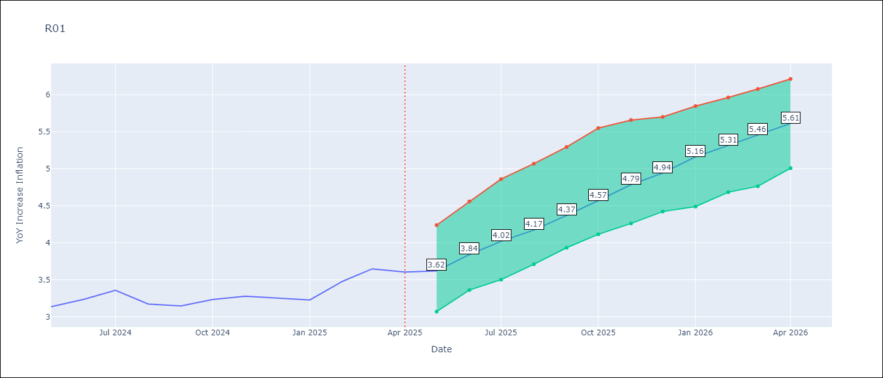

Test Metrics
RMSE | 4.56
Naive RMSE | 5.65
MAPE | 18.95%

Test Predictions
Date | Predicted | Actual
2024-06-01 | 3.46 | 3.13
2024-07-01 | 3.04 | 3.24
2024-08-01 | 2.69 | 3.36
2024-09-01 | 2.45 | 3.17
2024-10-01 | 2.36 | 3.15
2024-11-01 | 2.54 | 3.23
2024-12-01 | 2.89 | 3.28
2025-01-01 | 3.42 | 3.25
2025-02-01 | 3.92 | 3.23
2025-03-01 | 4.28 | 3.48
2025-04-01 | 4.67 | 3.65
2025-05-01 | 4.77 | 3.6

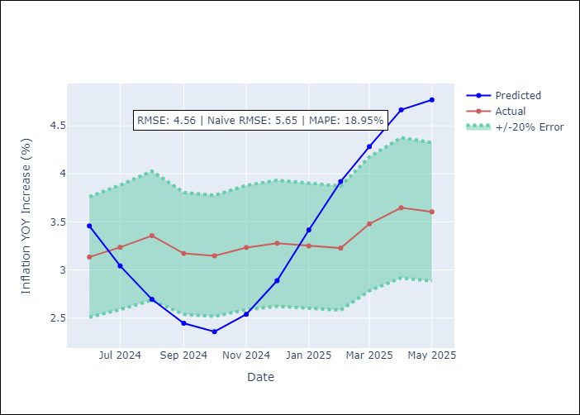
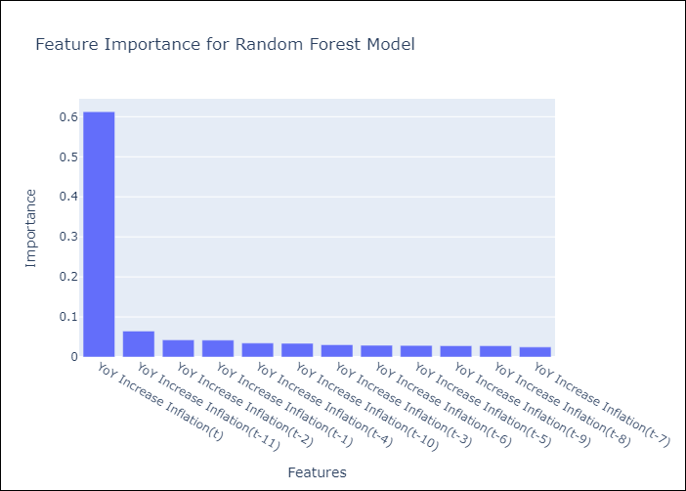

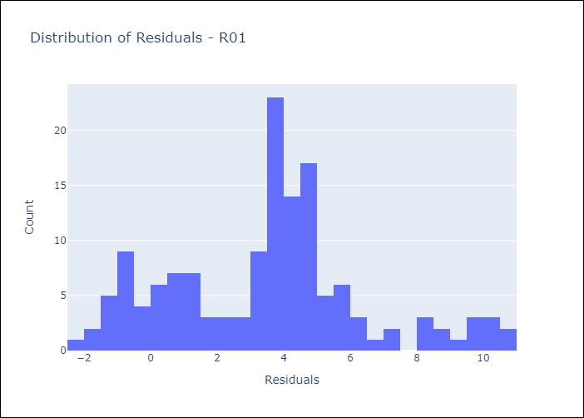
Appendix A: Model Summary
Model | Random Forest w/ Lags
Sample | 1998-01-01 to 2025-04-01
No. of Observations | 328
Residuals
Mean | 3.5095198168
St Dev | 2.9140387258
Kurtosis | -0.076893309525
Skewness | 0.30860043867

Assumptions | P-value



Appendix C: Residuals Analysis
Mean

