ARG
ARG - Inflation - Next 12 months forecast as of: 2025-04-01

Model | Random Forest w/ Lags - [(2, 2, 2), (0, 0, 1, 12)]
Training Data | 2007-01-01 to 2024-05-01
Test Data | 2024-05-01 to 2025-04-01

Date | Inflation Change YoY % | Lower Bound - 95% Confidence Interval | Upper Bound - 95% Confidence Interval
2025-05-01 | 54.06 | 49.83 | 79.8
2025-06-01 | 53.65 | 48.26 | 81.48
2025-07-01 | 52.84 | 46.81 | 82.07
2025-08-01 | 52.09 | 45.59 | 83.34
2025-09-01 | 51.62 | 44.24 | 87.32
2025-10-01 | 50.62 | 42.19 | 91.63
2025-11-01 | 49.96 | 41.05 | 95.43
2025-12-01 | 50.64 | 40 | 106.14
2026-01-01 | 52.03 | 39.59 | 123.84
2026-02-01 | 52.96 | 40.71 | 139.51
2026-03-01 | 53.77 | 41.53 | 150.19
2026-04-01 | 55.05 | 41.52 | 159.09

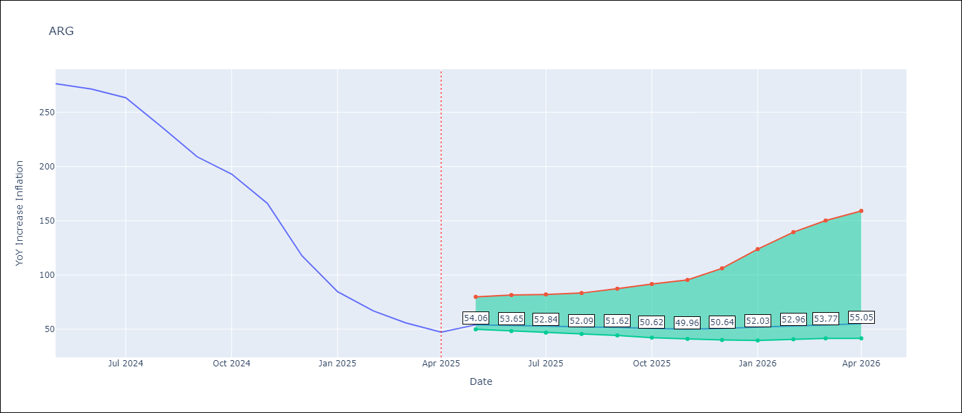

Test Metrics
RMSE | 111.8
Naive RMSE | 111.72
MAPE | 142.94%

Test Predictions
Date | Predicted | Actual
2024-06-01 | 111.5 | 276.41
2024-07-01 | 113.98 | 271.53
2024-08-01 | 113.5 | 263.45
2024-09-01 | 120.56 | 236.72
2024-10-01 | 132.02 | 209
2024-11-01 | 138.53 | 192.99
2024-12-01 | 152.78 | 166.03
2025-01-01 | 190.69 | 117.76
2025-02-01 | 231.08 | 84.54
2025-03-01 | 258.88 | 66.87
2025-04-01 | 276.7 | 55.93
2025-05-01 | 284.27 | 47.26

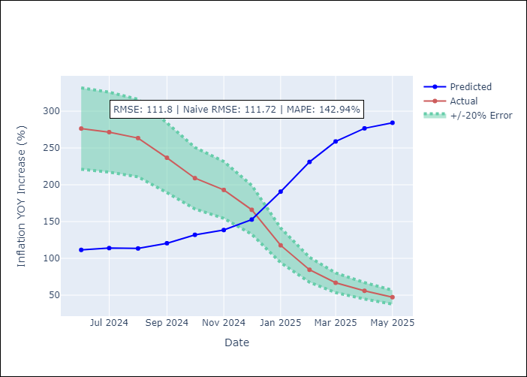
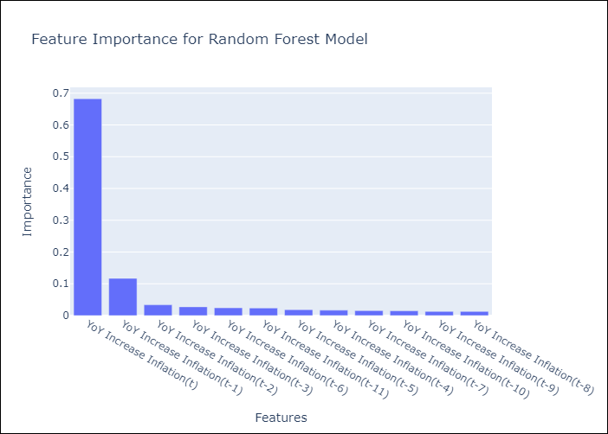

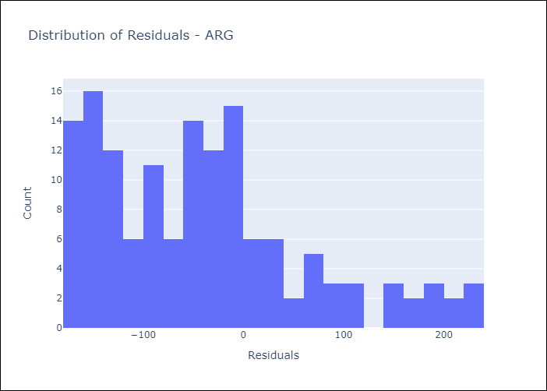
Appendix A: Model Summary
Model | Random Forest w/ Lags
Sample | 2007-01-01 to 2025-04-01
No. of Observations | 220
Residuals
Mean | -40.904930892
St Dev | 104.04937711
Kurtosis | 0.10337358863
Skewness | 0.83925263588

Assumptions | P-value

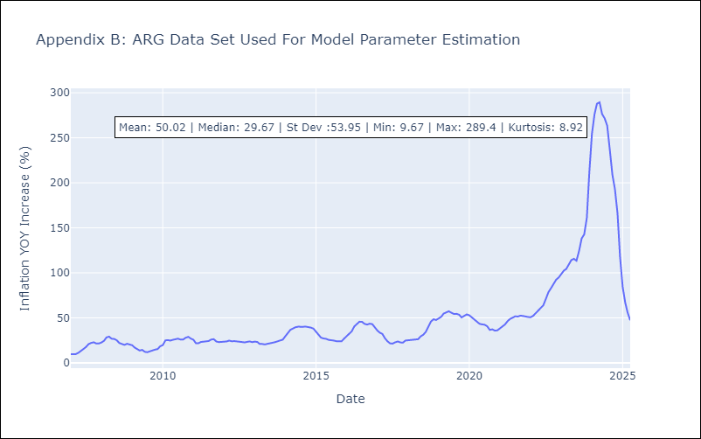

Appendix C: Residuals Analysis
Mean

BOL
BOL - Inflation - Next 12 months forecast as of: 2025-04-01

Model | Random Forest w/ Lags - [(1, 1, 2), (0, 0, 2, 12)]
Training Data | 2021-01-01 to 2024-05-01
Test Data | 2024-05-01 to 2025-04-01

Date | Inflation Change YoY % | Lower Bound - 95% Confidence Interval | Upper Bound - 95% Confidence Interval
2025-05-01 | 2.7 | 2.19 | 2.91
2025-06-01 | 2.67 | 2.12 | 2.84
2025-07-01 | 2.65 | 2.19 | 2.78
2025-08-01 | 2.8 | 2.35 | 2.93
2025-09-01 | 2.81 | 2.48 | 2.95
2025-10-01 | 2.52 | 2.29 | 2.84
2025-11-01 | 2.21 | 1.93 | 2.88
2025-12-01 | 2.21 | 1.77 | 2.57
2026-01-01 | 2.09 | 1.88 | 2.41
2026-02-01 | 2.22 | 1.96 | 2.55
2026-03-01 | 2.53 | 2.12 | 2.83
2026-04-01 | 2.82 | 2.15 | 3.17

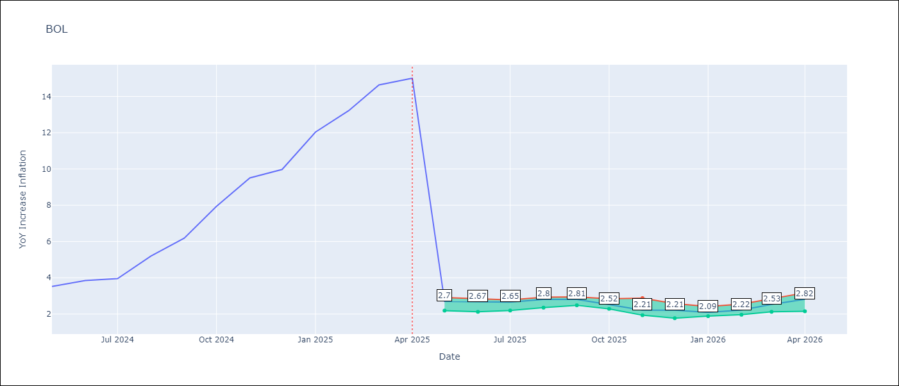

Test Metrics
RMSE | 3.89
Naive RMSE | 3.85
MAPE | 61.29%

Test Predictions
Date | Predicted | Actual
2024-06-01 | 2.71 | 3.52
2024-07-01 | 2.66 | 3.84
2024-08-01 | 2.68 | 3.95
2024-09-01 | 2.76 | 5.19
2024-10-01 | 2.77 | 6.18
2024-11-01 | 2.62 | 7.94
2024-12-01 | 2.45 | 9.51
2025-01-01 | 2.42 | 9.97
2025-02-01 | 2.27 | 12.03
2025-03-01 | 2.26 | 13.22
2025-04-01 | 2.4 | 14.63
2025-05-01 | 2.55 | 15.01

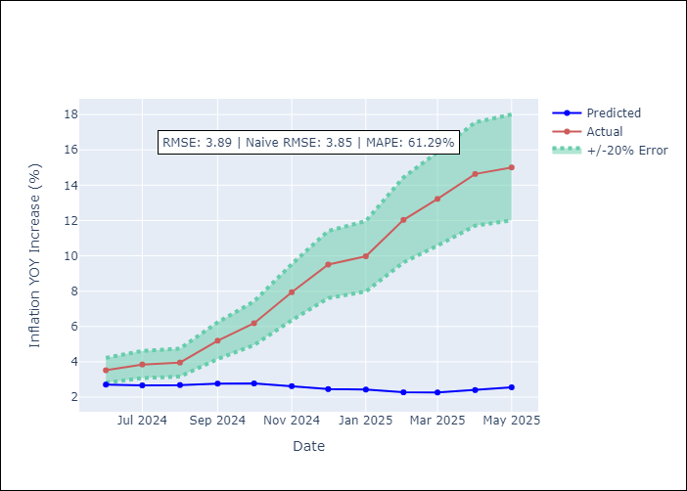
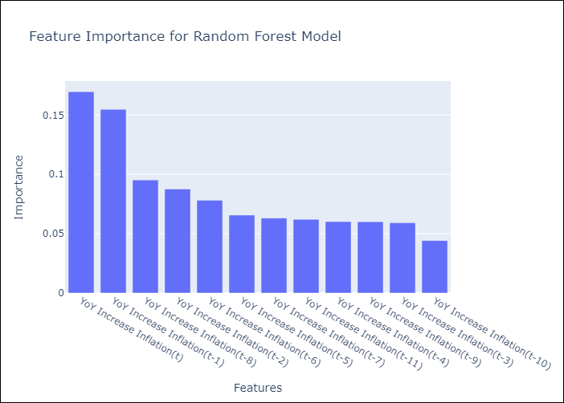

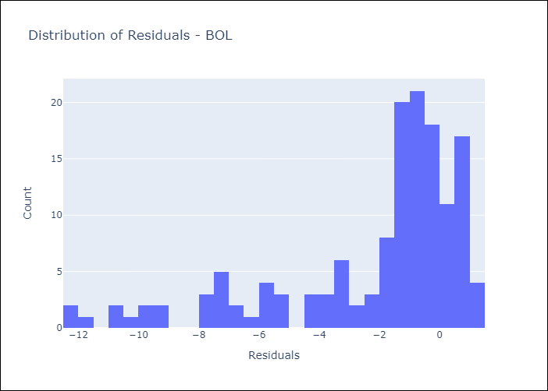
Appendix A: Model Summary
Model | Random Forest w/ Lags
Sample | 2021-01-01 to 2025-04-01
No. of Observations | 52
Residuals
Mean | -2.2132067549
St Dev | 3.2034157642
Kurtosis | 1.355886804
Skewness | -1.4657280423

Assumptions | P-value

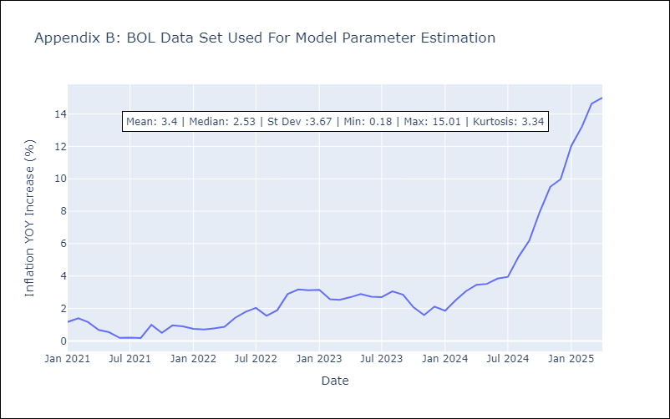

Appendix C: Residuals Analysis
Mean

BRA
BRA - Inflation - Next 12 months forecast as of: 2025-04-01

Model | Random Forest w/ Lags - [(1, 2, 1), (0, 0, 1, 12)]
Training Data | 1998-01-01 to 2024-05-01
Test Data | 2024-05-01 to 2025-04-01

Date | Inflation Change YoY % | Lower Bound - 95% Confidence Interval | Upper Bound - 95% Confidence Interval
2025-05-01 | 5.58 | 5.34 | 6
2025-06-01 | 5.73 | 5.35 | 6.06
2025-07-01 | 5.82 | 5.41 | 6.18
2025-08-01 | 5.95 | 5.46 | 6.3
2025-09-01 | 6.08 | 5.53 | 6.37
2025-10-01 | 6.17 | 5.51 | 6.4
2025-11-01 | 6.14 | 5.5 | 6.36
2025-12-01 | 6.12 | 5.47 | 6.33
2026-01-01 | 6.13 | 5.45 | 6.3
2026-02-01 | 6.08 | 5.39 | 6.36
2026-03-01 | 6.06 | 5.27 | 6.34
2026-04-01 | 5.97 | 5.17 | 6.28

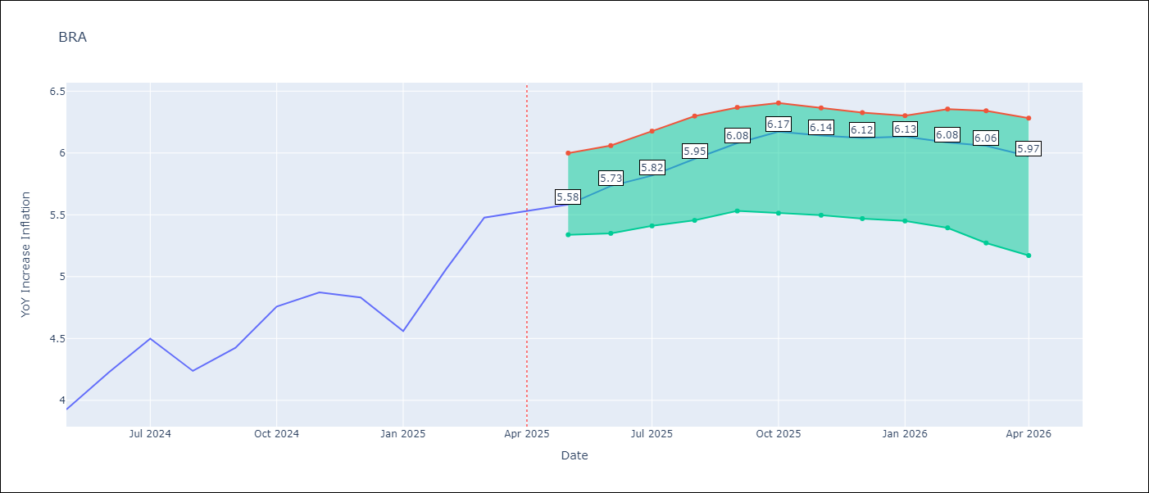

Test Metrics
RMSE | 1.06
Naive RMSE | 0.73
MAPE | 23.85%

Test Predictions
Date | Predicted | Actual
2024-06-01 | 3.85 | 3.93
2024-07-01 | 4.08 | 4.23
2024-08-01 | 4.06 | 4.5
2024-09-01 | 3.72 | 4.24
2024-10-01 | 3.41 | 4.42
2024-11-01 | 3.22 | 4.76
2024-12-01 | 3.05 | 4.87
2025-01-01 | 2.94 | 4.83
2025-02-01 | 3.03 | 4.56
2025-03-01 | 3.37 | 5.06
2025-04-01 | 3.73 | 5.48
2025-05-01 | 3.96 | 5.53

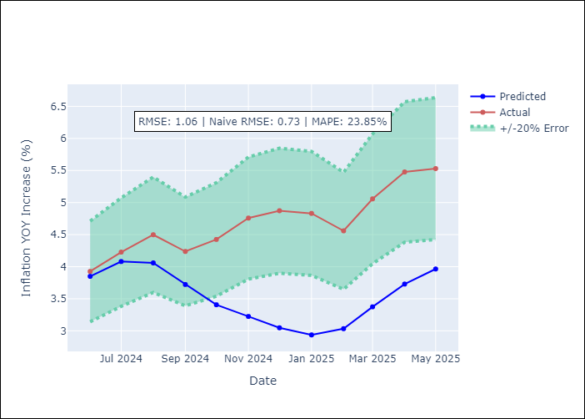
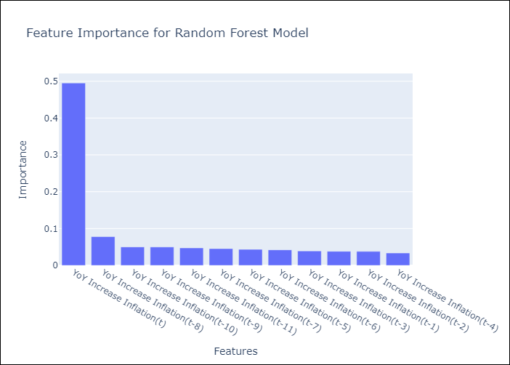

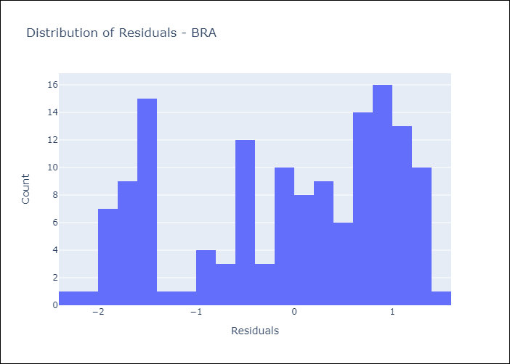
Appendix A: Model Summary
Model | Random Forest w/ Lags
Sample | 1998-01-01 to 2025-04-01
No. of Observations | 328
Residuals
Mean | -0.084814719765
St Dev | 1.0598000636
Kurtosis | -1.1666796223
Skewness | -0.42125952675

Assumptions | P-value



Appendix C: Residuals Analysis
Mean

CHL
CHL - Inflation - Next 12 months forecast as of: 2025-04-01

Model | Random Forest w/ Lags - [(2, 0, 0), (0, 0, 1, 12)]
Training Data | 2012-12-01 to 2024-05-01
Test Data | 2024-05-01 to 2025-04-01

Date | Inflation Change YoY % | Lower Bound - 95% Confidence Interval | Upper Bound - 95% Confidence Interval
2025-05-01 | 4.38 | 4.29 | 4.8
2025-06-01 | 4.29 | 4.21 | 4.84
2025-07-01 | 4.21 | 4.11 | 4.79
2025-08-01 | 4.14 | 3.94 | 4.71
2025-09-01 | 4.08 | 3.85 | 4.86
2025-10-01 | 4.02 | 3.75 | 4.92
2025-11-01 | 3.92 | 3.69 | 4.9
2025-12-01 | 3.8 | 3.46 | 4.87
2026-01-01 | 3.68 | 3.39 | 4.82
2026-02-01 | 3.58 | 3.3 | 4.86
2026-03-01 | 3.51 | 3.2 | 4.84
2026-04-01 | 3.42 | 3.13 | 4.76

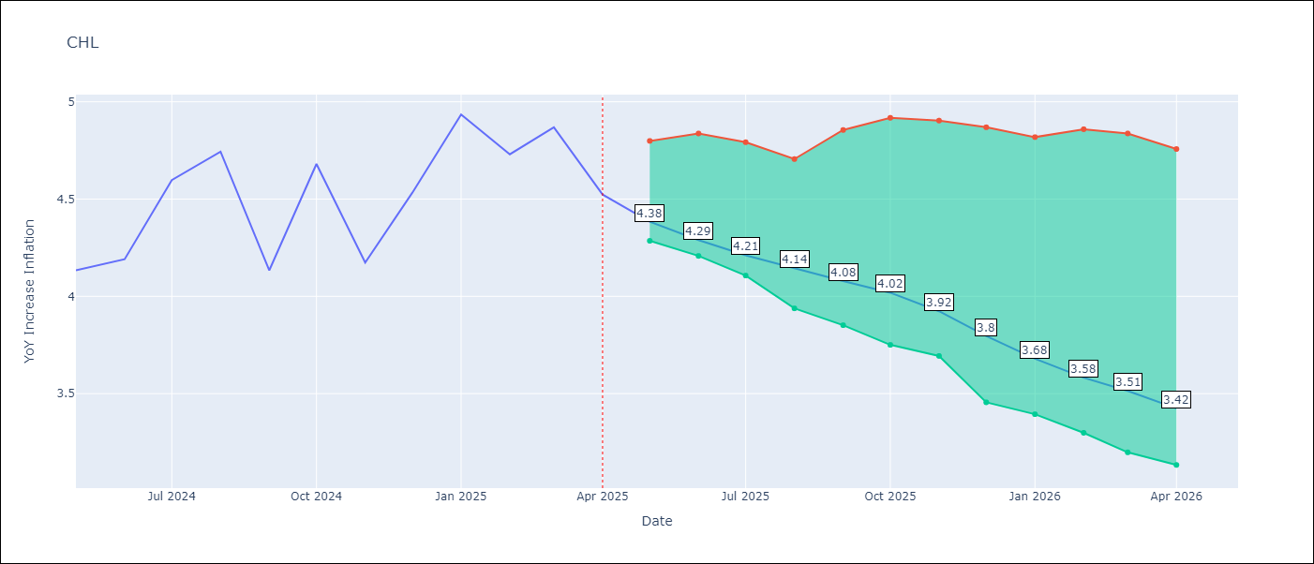

Test Metrics
RMSE | 1.15
Naive RMSE | 1.71
MAPE | 4.59%

Test Predictions
Date | Predicted | Actual
2024-06-01 | 4.2 | 4.13
2024-07-01 | 4.29 | 4.19
2024-08-01 | 4.37 | 4.6
2024-09-01 | 4.38 | 4.74
2024-10-01 | 4.4 | 4.13
2024-11-01 | 4.41 | 4.68
2024-12-01 | 4.54 | 4.17
2025-01-01 | 4.67 | 4.53
2025-02-01 | 4.78 | 4.94
2025-03-01 | 4.84 | 4.73
2025-04-01 | 4.85 | 4.87
2025-05-01 | 4.92 | 4.52

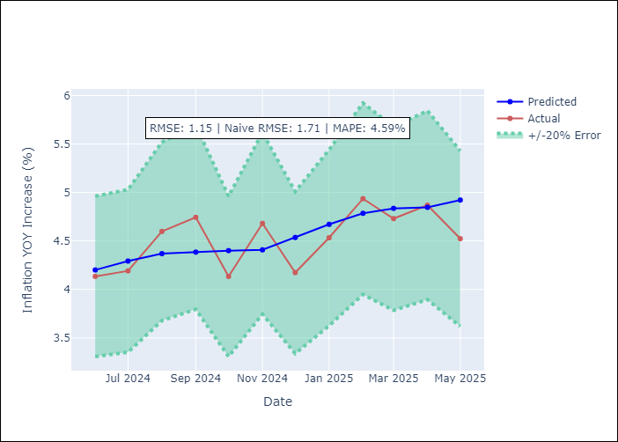
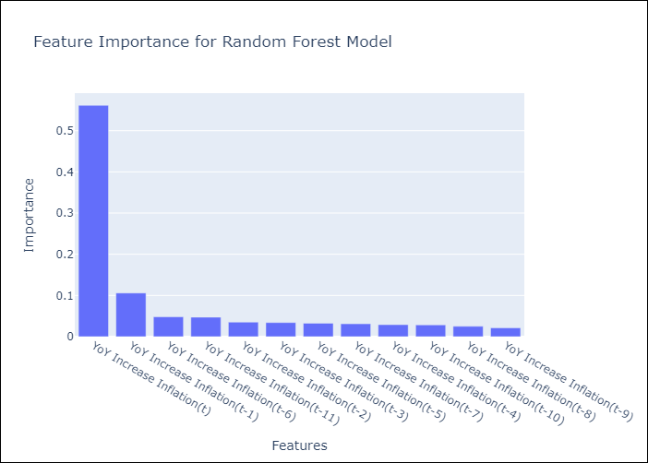

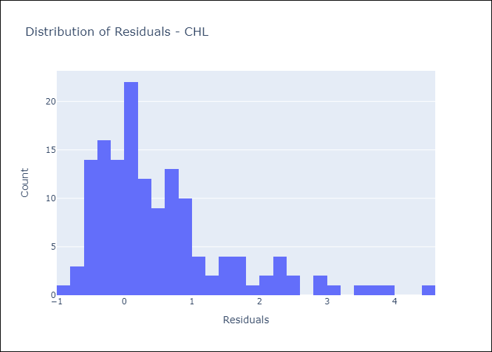
Appendix A: Model Summary
Model | Random Forest w/ Lags
Sample | 2012-12-01 to 2025-04-01
No. of Observations | 149
Residuals
Mean | 0.53642437405
St Dev | 1.0165942188
Kurtosis | 2.3747727054
Skewness | 1.5062923635

Assumptions | P-value



Appendix C: Residuals Analysis
Mean

COL
COL - Inflation - Next 12 months forecast as of: 2025-04-01

Model | Random Forest w/ Lags - [(1, 0, 1), (0, 0, 0, 12)]
Training Data | 2006-01-01 to 2024-05-01
Test Data | 2024-05-01 to 2025-04-01

Date | Inflation Change YoY % | Lower Bound - 95% Confidence Interval | Upper Bound - 95% Confidence Interval
2025-05-01 | 5.84 | 5.36 | 6
2025-06-01 | 5.88 | 5.2 | 6.06
2025-07-01 | 6.06 | 5.1 | 6.26
2025-08-01 | 6.4 | 5.27 | 6.53
2025-09-01 | 6.73 | 5.32 | 6.88
2025-10-01 | 7.01 | 5.4 | 7.2
2025-11-01 | 7.15 | 5.32 | 7.38
2025-12-01 | 7.27 | 5.32 | 7.53
2026-01-01 | 7.27 | 5.31 | 7.61
2026-02-01 | 7.22 | 5.32 | 7.6
2026-03-01 | 6.96 | 5.06 | 7.49
2026-04-01 | 6.63 | 4.78 | 7.2

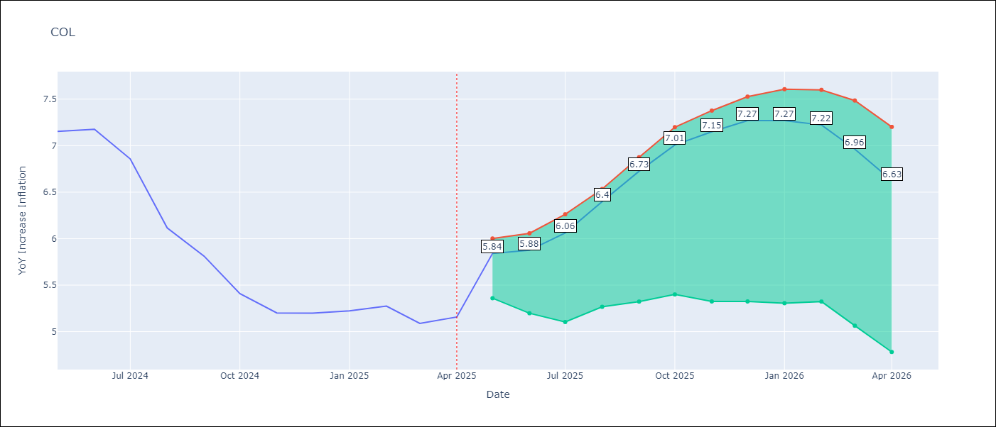

Test Metrics
RMSE | 2.59
Naive RMSE | 2.95
MAPE | 24.61%

Test Predictions
Date | Predicted | Actual
2024-06-01 | 5.71 | 7.15
2024-07-01 | 5.42 | 7.18
2024-08-01 | 5.09 | 6.86
2024-09-01 | 4.78 | 6.12
2024-10-01 | 4.44 | 5.81
2024-11-01 | 4.24 | 5.41
2024-12-01 | 4 | 5.2
2025-01-01 | 3.88 | 5.2
2025-02-01 | 3.74 | 5.22
2025-03-01 | 3.81 | 5.27
2025-04-01 | 3.79 | 5.09
2025-05-01 | 3.73 | 5.16

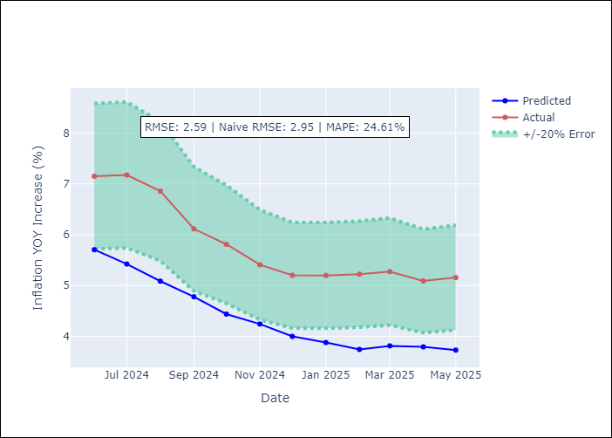
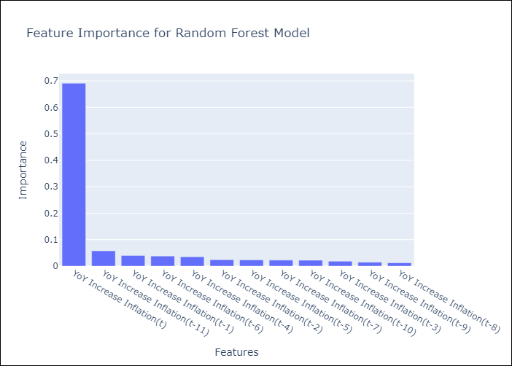

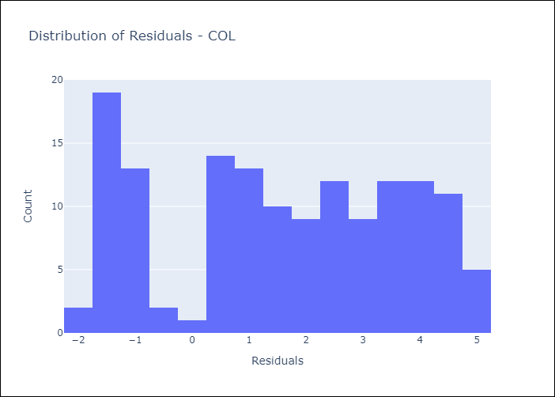
Appendix A: Model Summary
Model | Random Forest w/ Lags
Sample | 2006-01-01 to 2025-04-01
No. of Observations | 232
Residuals
Mean | 1.5743187797
St Dev | 2.0520783673
Kurtosis | -1.2295309705
Skewness | -0.096615698993

Assumptions | P-value

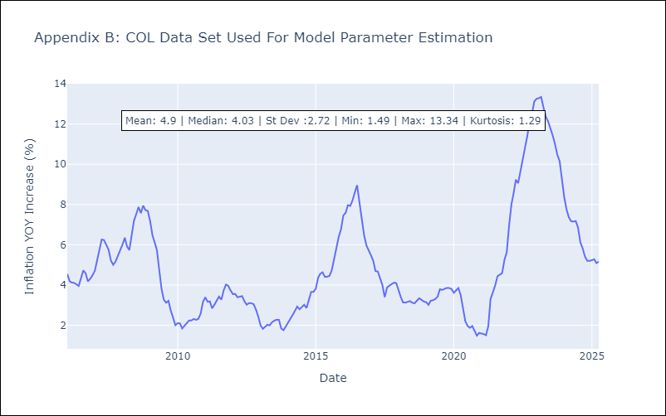

Appendix C: Residuals Analysis
Mean

ECU
ECU - Inflation - Next 12 months forecast as of: 2025-04-01

Model | Random Forest w/ Lags - [(2, 1, 1), (3, 0, 0, 12)]
Training Data | 2009-01-01 to 2024-05-01
Test Data | 2024-05-01 to 2025-04-01

Date | Inflation Change YoY % | Lower Bound - 95% Confidence Interval | Upper Bound - 95% Confidence Interval
2025-05-01 | -0.05 | -0.35 | 0.5
2025-06-01 | -0.08 | -0.32 | 0.49
2025-07-01 | -0.15 | -0.5 | 0.43
2025-08-01 | -0.15 | -0.35 | 0.3
2025-09-01 | -0.27 | -0.45 | 0.09
2025-10-01 | -0.37 | -0.57 | -0.02
2025-11-01 | -0.43 | -0.62 | -0.08
2025-12-01 | -0.47 | -0.68 | -0.16
2026-01-01 | -0.44 | -0.74 | -0.08
2026-02-01 | -0.26 | -0.63 | 0.07
2026-03-01 | -0.09 | -0.44 | 0.26
2026-04-01 | 0.07 | -0.33 | 0.45

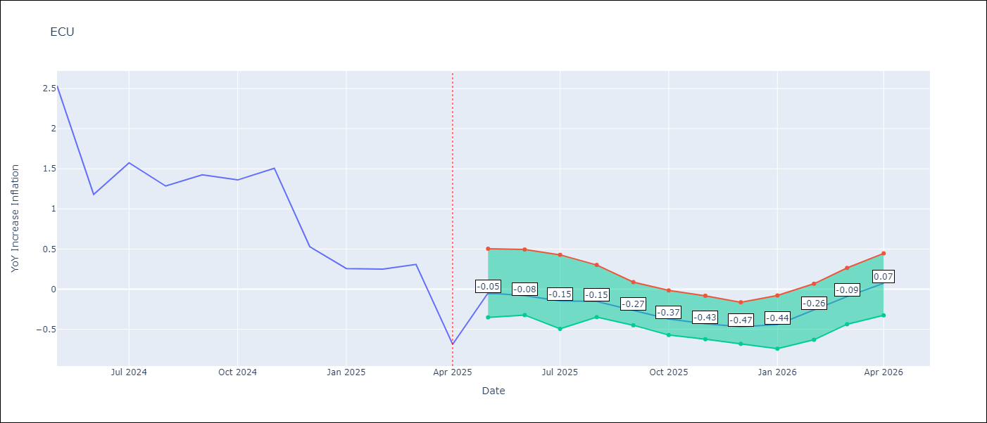

Test Metrics
RMSE | 1.43
Naive RMSE | 0.86
MAPE | 480.2%

Test Predictions
Date | Predicted | Actual
2024-06-01 | 3.01 | 2.53
2024-07-01 | 3.1 | 1.18
2024-08-01 | 3.2 | 1.57
2024-09-01 | 3.36 | 1.28
2024-10-01 | 3.58 | 1.42
2024-11-01 | 3.64 | 1.36
2024-12-01 | 3.67 | 1.51
2025-01-01 | 3.7 | 0.53
2025-02-01 | 3.68 | 0.26
2025-03-01 | 3.55 | 0.25
2025-04-01 | 3.42 | 0.31
2025-05-01 | 3.36 | -0.69

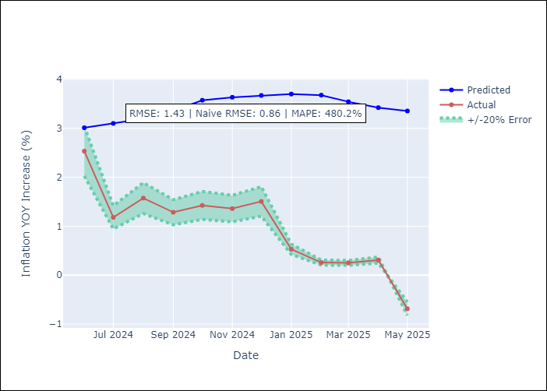


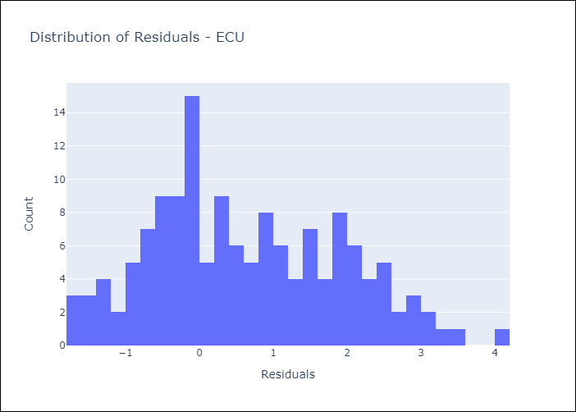
Appendix A: Model Summary
Model | Random Forest w/ Lags
Sample | 2009-01-01 to 2025-04-01
No. of Observations | 196
Residuals
Mean | 0.64060229944
St Dev | 1.2784354939
Kurtosis | -0.71524108324
Skewness | 0.31238777368

Assumptions | P-value

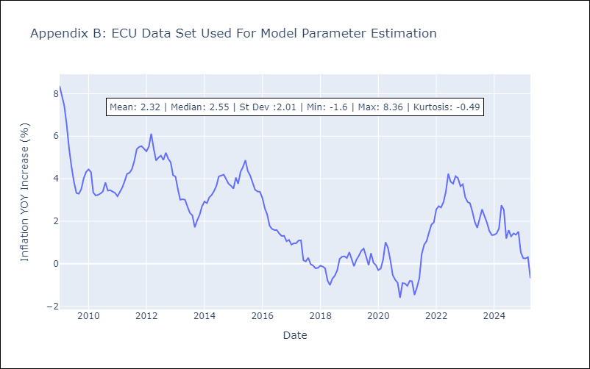

Appendix C: Residuals Analysis
Mean

PER
PER - Inflation - Next 12 months forecast as of: 2025-04-01

Model | Random Forest w/ Lags - [(3, 2, 0), (3, 0, 0, 12)]
Training Data | 1994-01-01 to 2024-05-01
Test Data | 2024-05-01 to 2025-04-01

Date | Inflation Change YoY % | Lower Bound - 95% Confidence Interval | Upper Bound - 95% Confidence Interval
2025-05-01 | 1.72 | 1.5 | 1.89
2025-06-01 | 1.77 | 1.56 | 2.05
2025-07-01 | 1.89 | 1.66 | 2.11
2025-08-01 | 1.9 | 1.66 | 2.1
2025-09-01 | 1.98 | 1.78 | 2.22
2025-10-01 | 2.05 | 1.86 | 2.37
2025-11-01 | 2.23 | 2.04 | 2.7
2025-12-01 | 2.36 | 1.98 | 2.89
2026-01-01 | 2.52 | 2.14 | 3.01
2026-02-01 | 2.57 | 2.17 | 3.03
2026-03-01 | 2.65 | 2.28 | 3.15
2026-04-01 | 2.79 | 2.39 | 3.35

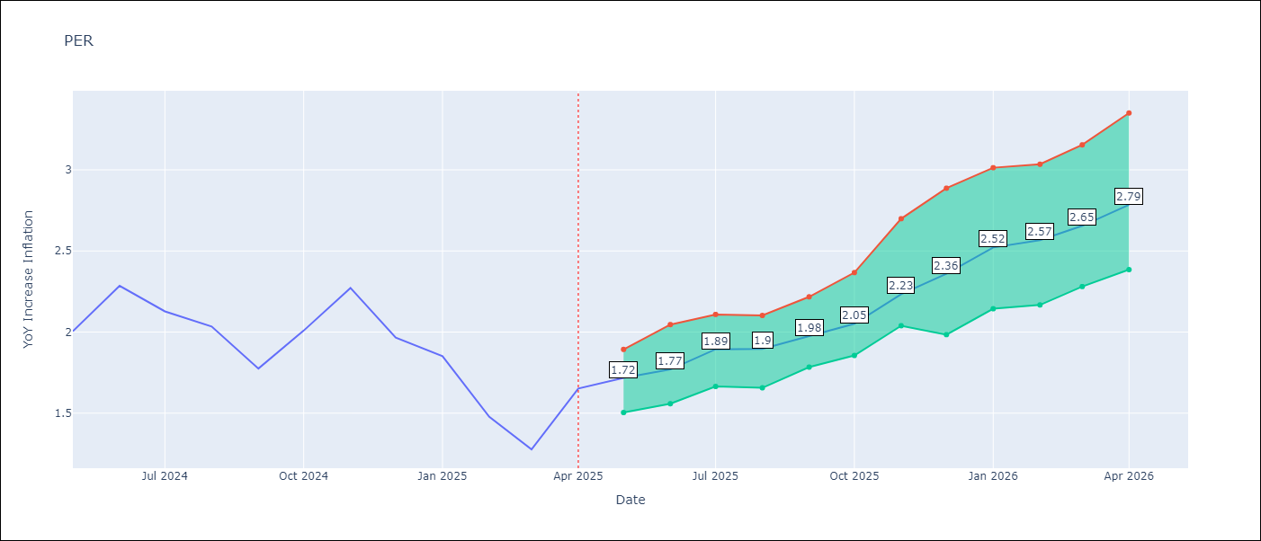

Test Metrics
RMSE | 1.07
Naive RMSE | 2.19
MAPE | 79.23%

Test Predictions
Date | Predicted | Actual
2024-06-01 | 2.87 | 2
2024-07-01 | 3.16 | 2.29
2024-08-01 | 3.36 | 2.13
2024-09-01 | 3.42 | 2.03
2024-10-01 | 3.45 | 1.78
2024-11-01 | 3.49 | 2.01
2024-12-01 | 3.5 | 2.27
2025-01-01 | 3.48 | 1.97
2025-02-01 | 3.31 | 1.85
2025-03-01 | 3.14 | 1.48
2025-04-01 | 3.18 | 1.28
2025-05-01 | 3.38 | 1.65

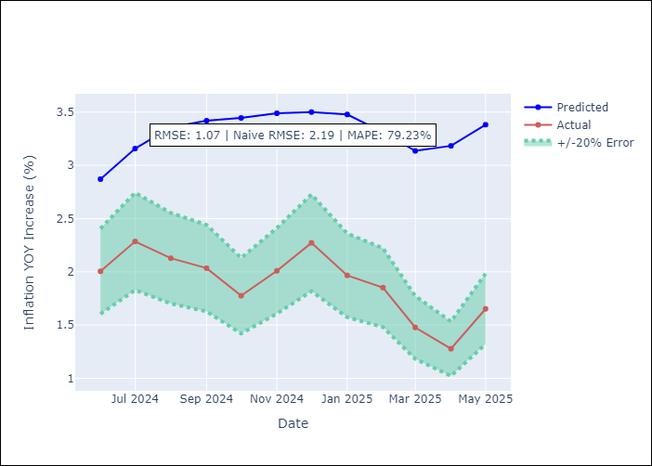
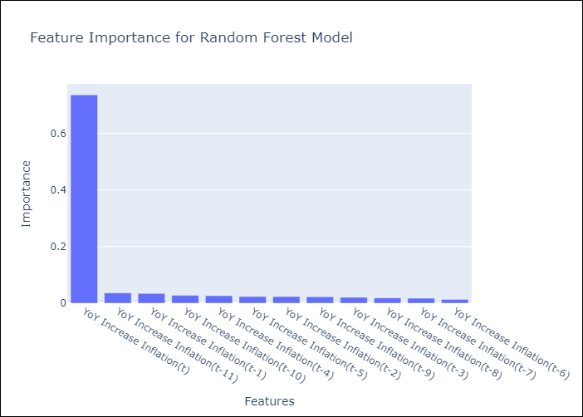

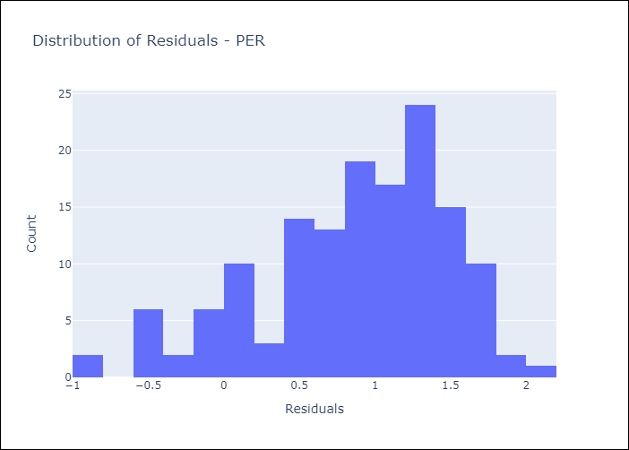
Appendix A: Model Summary
Model | Random Forest w/ Lags
Sample | 1994-01-01 to 2025-04-01
No. of Observations | 376
Residuals
Mean | 0.86631367552
St Dev | 0.62515217582
Kurtosis | -0.012298314444
Skewness | -0.70762063817

Assumptions | P-value

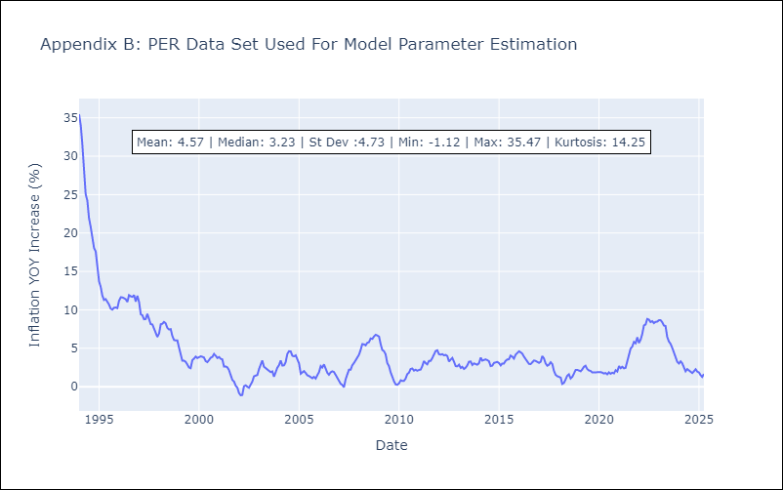

Appendix C: Residuals Analysis
Mean

PRY
PRY - Inflation - Next 12 months forecast as of: 2025-04-01

Model | Random Forest w/ Lags - [(2, 1, 1), (1, 0, 1, 12)]
Training Data | 1995-12-01 to 2024-05-01
Test Data | 2024-05-01 to 2025-04-01

Date | Inflation Change YoY % | Lower Bound - 95% Confidence Interval | Upper Bound - 95% Confidence Interval
2025-05-01 | 3.5 | 3.27 | 3.84
2025-06-01 | 3.41 | 3.01 | 3.82
2025-07-01 | 3.38 | 2.99 | 3.79
2025-08-01 | 3.34 | 2.96 | 3.71
2025-09-01 | 3.16 | 2.84 | 3.6
2025-10-01 | 3.05 | 2.71 | 3.7
2025-11-01 | 3.12 | 2.91 | 3.54
2025-12-01 | 3.12 | 2.85 | 3.58
2026-01-01 | 3.17 | 2.88 | 3.72
2026-02-01 | 3.21 | 2.93 | 3.73
2026-03-01 | 3.04 | 2.86 | 3.49
2026-04-01 | 3.08 | 2.76 | 3.45

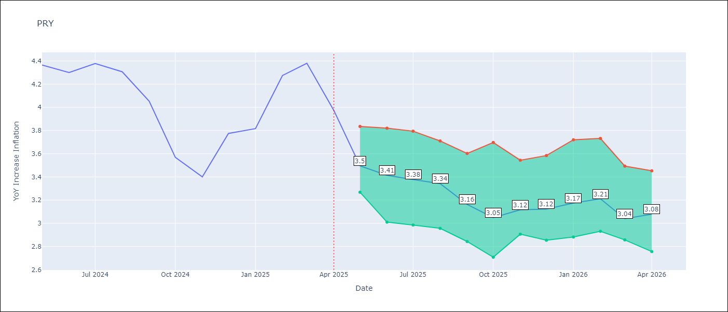

Test Metrics
RMSE | 0.82
Naive RMSE | 0.82
MAPE | 13.33%

Test Predictions
Date | Predicted | Actual
2024-06-01 | 3.48 | 4.36
2024-07-01 | 3.52 | 4.3
2024-08-01 | 3.47 | 4.38
2024-09-01 | 3.36 | 4.31
2024-10-01 | 3.42 | 4.05
2024-11-01 | 3.48 | 3.57
2024-12-01 | 3.45 | 3.4
2025-01-01 | 3.4 | 3.78
2025-02-01 | 3.44 | 3.82
2025-03-01 | 3.68 | 4.27
2025-04-01 | 3.6 | 4.38
2025-05-01 | 3.65 | 3.97

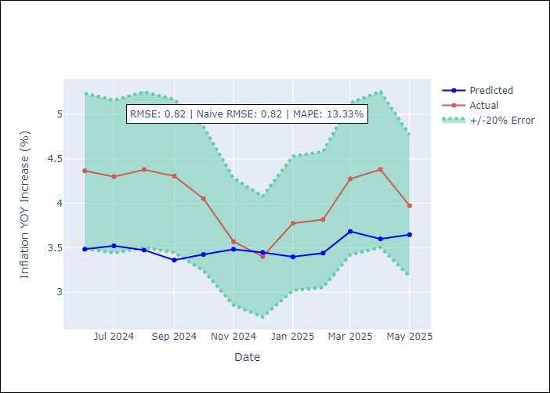
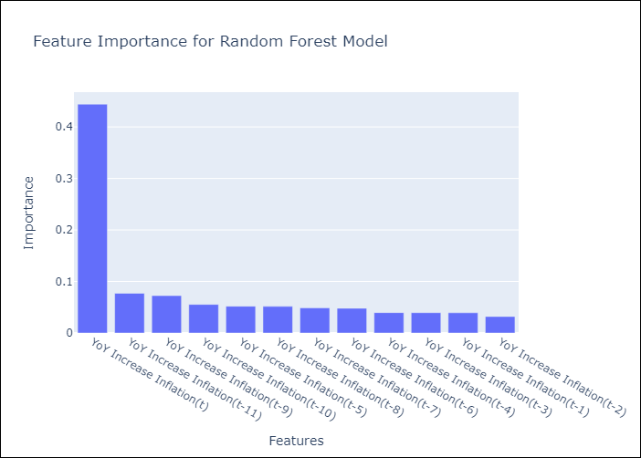

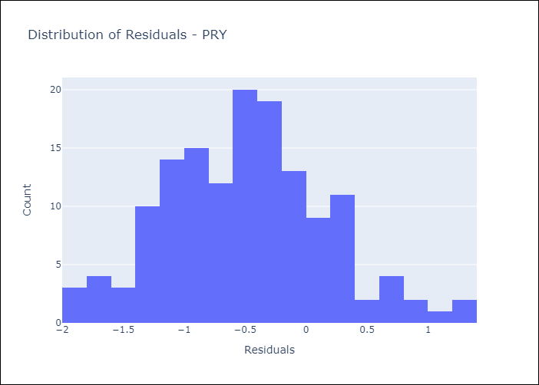
Appendix A: Model Summary
Model | Random Forest w/ Lags
Sample | 1995-12-01 to 2025-04-01
No. of Observations | 353
Residuals
Mean | -0.48580656517
St Dev | 0.65550155757
Kurtosis | -0.19342285775
Skewness | 0.20269942557

Assumptions | P-value



Appendix C: Residuals Analysis
Mean

URY
URY - Inflation - Next 12 months forecast as of: 2025-04-01

Model | Random Forest w/ Lags - [(0, 2, 1), (3, 0, 0, 12)]
Training Data | 1992-01-01 to 2024-05-01
Test Data | 2024-05-01 to 2025-04-01

Date | Inflation Change YoY % | Lower Bound - 95% Confidence Interval | Upper Bound - 95% Confidence Interval
2025-05-01 | 4.78 | 4.58 | 5.33
2025-06-01 | 4.78 | 4.34 | 5.55
2025-07-01 | 4.61 | 4.13 | 5.55
2025-08-01 | 4.5 | 4.09 | 5.45
2025-09-01 | 4.51 | 4.02 | 5.5
2025-10-01 | 4.69 | 4.05 | 5.68
2025-11-01 | 4.87 | 4.18 | 5.83
2025-12-01 | 5.11 | 4.28 | 5.98
2026-01-01 | 5.57 | 4.54 | 6.23
2026-02-01 | 6.03 | 4.91 | 6.65
2026-03-01 | 7.08 | 5.33 | 7.55
2026-04-01 | 8.99 | 6.12 | 9.86

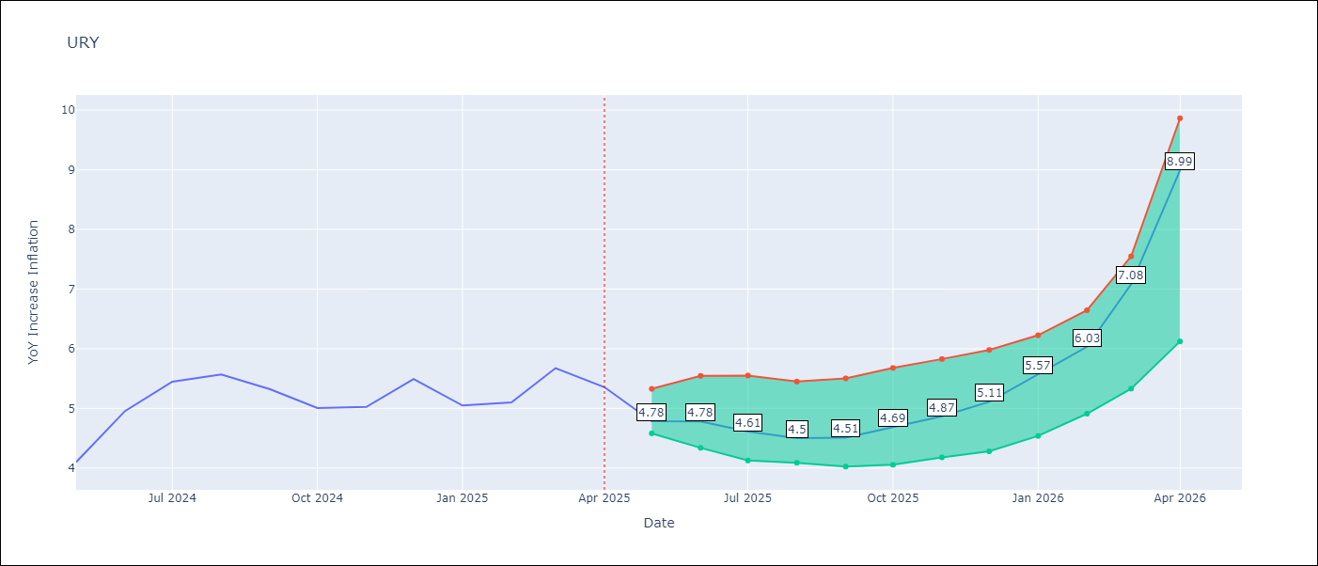

Test Metrics
RMSE | 1.88
Naive RMSE | 1.24
MAPE | 46.43%

Test Predictions
Date | Predicted | Actual
2024-06-01 | 4.15 | 4.1
2024-07-01 | 4.23 | 4.96
2024-08-01 | 4.39 | 5.45
2024-09-01 | 4.68 | 5.57
2024-10-01 | 5.02 | 5.32
2024-11-01 | 5.28 | 5.01
2024-12-01 | 5.72 | 5.03
2025-01-01 | 6.54 | 5.49
2025-02-01 | 8.04 | 5.05
2025-03-01 | 10.39 | 5.1
2025-04-01 | 12.92 | 5.67
2025-05-01 | 14.52 | 5.36

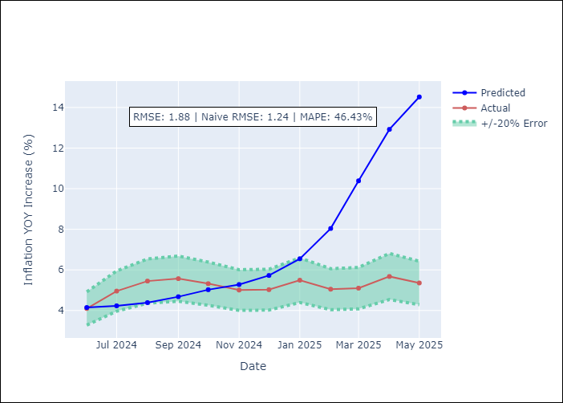
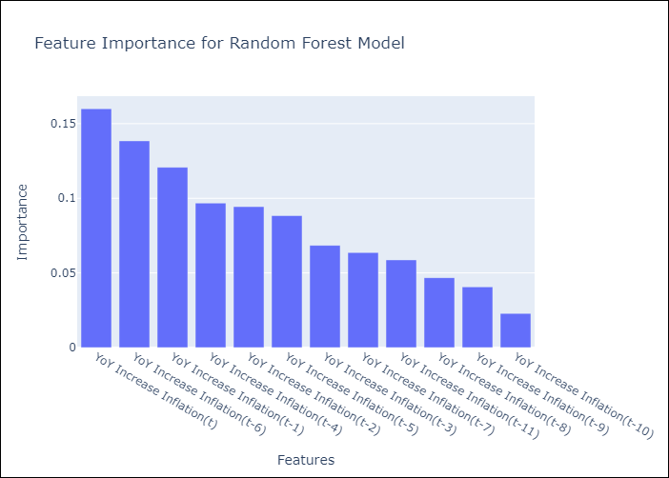

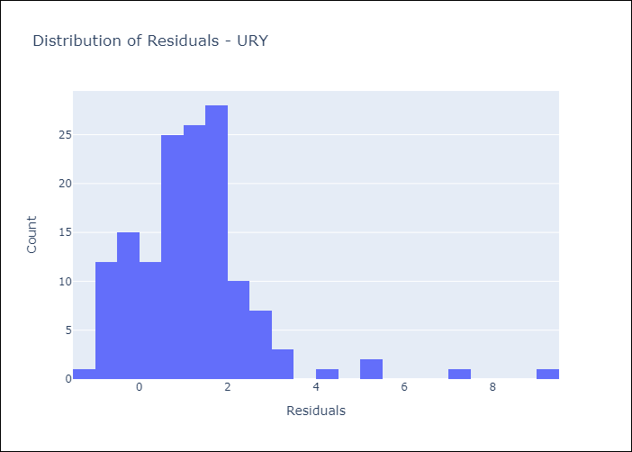
Appendix A: Model Summary
Model | Random Forest w/ Lags
Sample | 1992-01-01 to 2025-04-01
No. of Observations | 400
Residuals
Mean | 1.2153381953
St Dev | 1.4333247113
Kurtosis | 7.5876247972
Skewness | 1.8985922911

Assumptions | P-value

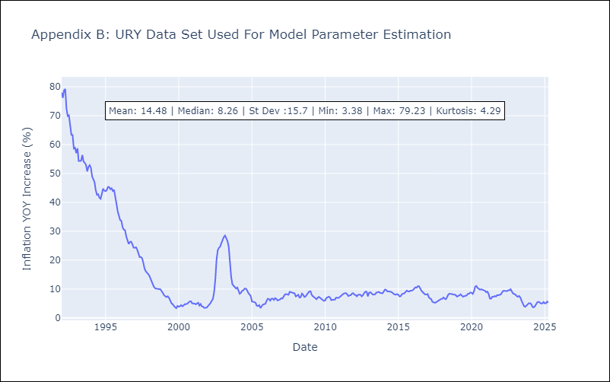

Appendix C: Residuals Analysis
Mean

VEN
VEN - Inflation - Next 12 months forecast as of: 2016-12-01

Model | Random Forest w/ Lags - [(3, 0, 0), (0, 0, 0, 12)]
Training Data | 2013-01-01 to 2016-01-01
Test Data | 2016-01-01 to 2016-12-01

Date | Inflation Change YoY % | Lower Bound - 95% Confidence Interval | Upper Bound - 95% Confidence Interval
2017-01-01 | 70.03 | 65.27 | 74.57
2017-02-01 | 75.19 | 69.7 | 78.52
2017-03-01 | 79.02 | 74.6 | 81.39
2017-04-01 | 81.56 | 77.37 | 82.86
2017-05-01 | 84.13 | 81.16 | 86.32
2017-06-01 | 89.68 | 84.19 | 95.35
2017-07-01 | 98.93 | 89.47 | 106.92
2017-08-01 | 111.69 | 98.21 | 122.7
2017-09-01 | 126.52 | 110.54 | 136.64
2017-10-01 | 140.86 | 125.28 | 150.73
2017-11-01 | 156.01 | 139.75 | 166.28
2017-12-01 | 169.18 | 154.75 | 176.65

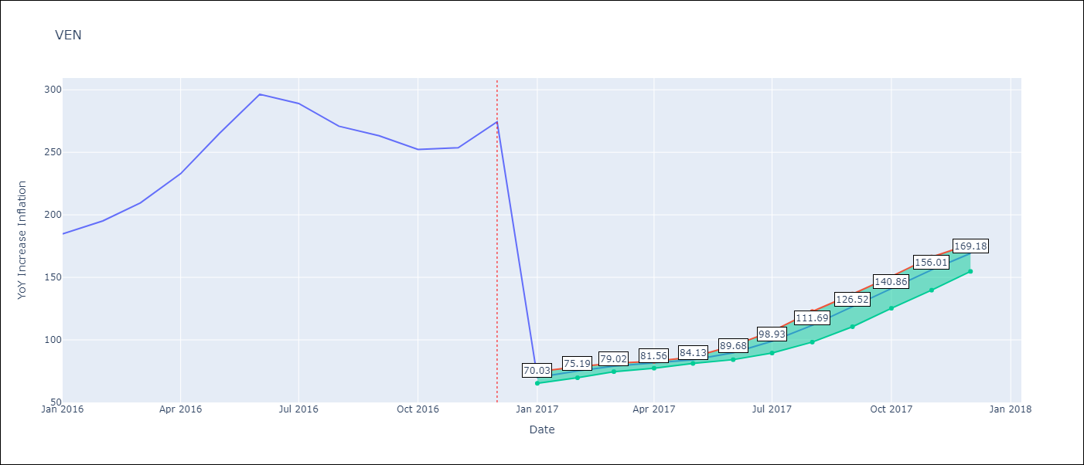

Test Metrics
RMSE | 97.06
Naive RMSE | 88.69
MAPE | 57.2%

Test Predictions
Date | Predicted | Actual
2016-02-01 | 70.03 | 184.76
2016-03-01 | 75.19 | 195.13
2016-04-01 | 79.02 | 209.56
2016-05-01 | 81.56 | 232.92
2016-06-01 | 84.13 | 265.24
2016-07-01 | 89.68 | 296.44
2016-08-01 | 98.93 | 289.06
2016-09-01 | 111.69 | 270.87
2016-10-01 | 126.52 | 263.24
2016-11-01 | 140.86 | 252.27
2016-12-01 | 156.01 | 253.65
2017-01-01 | 169.18 | 274.35

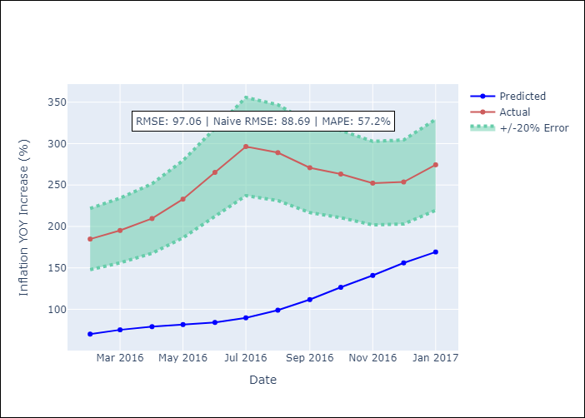
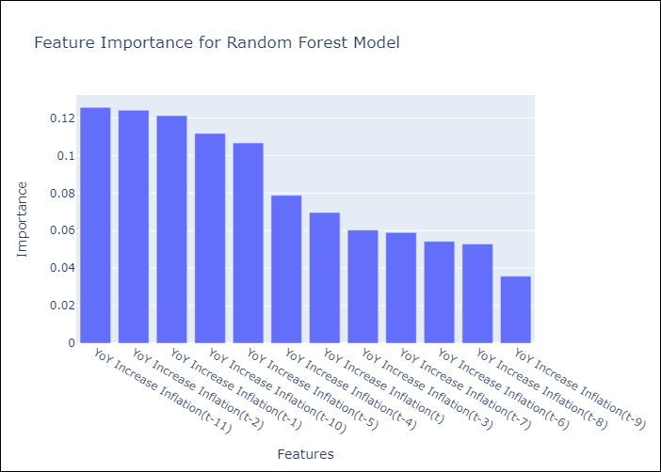

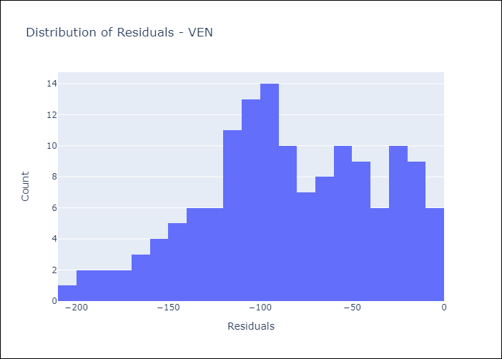
Appendix A: Model Summary
Model | Random Forest w/ Lags
Sample | 2013-01-01 to 2016-12-01
No. of Observations | 48
Residuals
Mean | -84.476789318
St Dev | 47.800814624
Kurtosis | -0.59091589368
Skewness | -0.27855557963

Assumptions | P-value

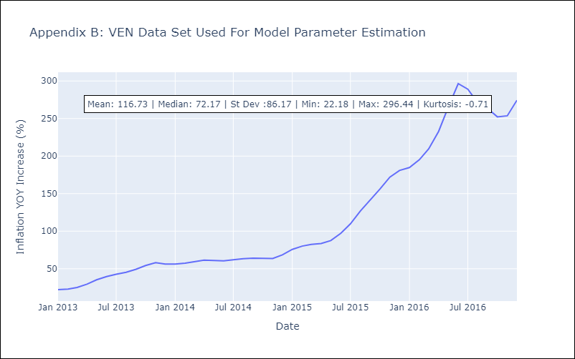

Appendix C: Residuals Analysis
Mean

