ARG
ARG - Inflation - Next 12 months forecast as of: 2025-04-01

Model | Random Forest w/ Lags - [(2, 2, 2), (0, 0, 1, 12)]
Training Data | 2007-01-01 to 2024-05-01
Test Data | 2024-05-01 to 2025-04-01

Date | Inflation Change YoY % | Lower Bound - 95% Confidence Interval | Upper Bound - 95% Confidence Interval
2025-05-01 | 56.07 | 52.93 | 74.62
2025-06-01 | 55.4 | 51.85 | 75.3
2025-07-01 | 54.22 | 51 | 74.83
2025-08-01 | 53.48 | 50.05 | 77.11
2025-09-01 | 53.17 | 48.99 | 80.32
2025-10-01 | 52.07 | 47.53 | 81.76
2025-11-01 | 51.62 | 46.84 | 86.44
2025-12-01 | 53.31 | 47.21 | 99.83
2026-01-01 | 55.75 | 46.87 | 112.97
2026-02-01 | 57.9 | 48.74 | 123.27
2026-03-01 | 59.97 | 51.43 | 131
2026-04-01 | 62.66 | 54.26 | 134.72

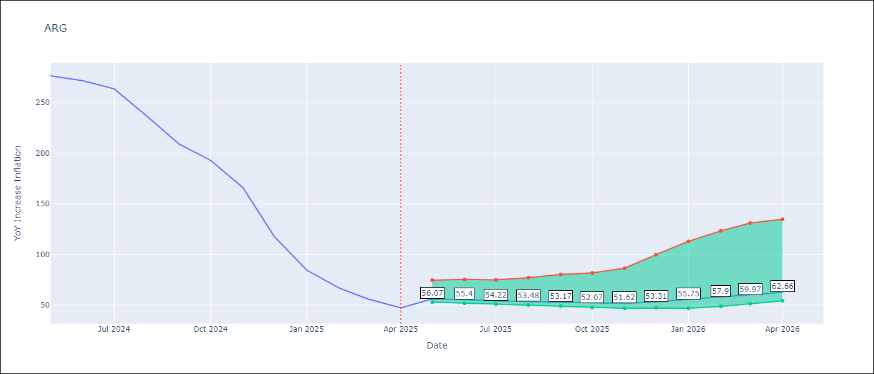

Test Metrics
RMSE | 111.98
Naive RMSE | 111.72
MAPE | 141.86%

Test Predictions
Date | Predicted | Actual
2024-06-01 | 110.91 | 276.41
2024-07-01 | 113.79 | 271.53
2024-08-01 | 113.59 | 263.45
2024-09-01 | 119.6 | 236.72
2024-10-01 | 130.67 | 209
2024-11-01 | 138.33 | 192.99
2024-12-01 | 151.63 | 166.03
2025-01-01 | 186.62 | 117.76
2025-02-01 | 227.67 | 84.54
2025-03-01 | 257.72 | 66.87
2025-04-01 | 275.39 | 55.93
2025-05-01 | 282.61 | 47.26

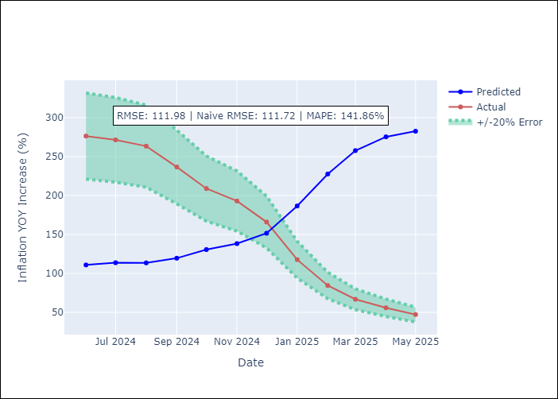
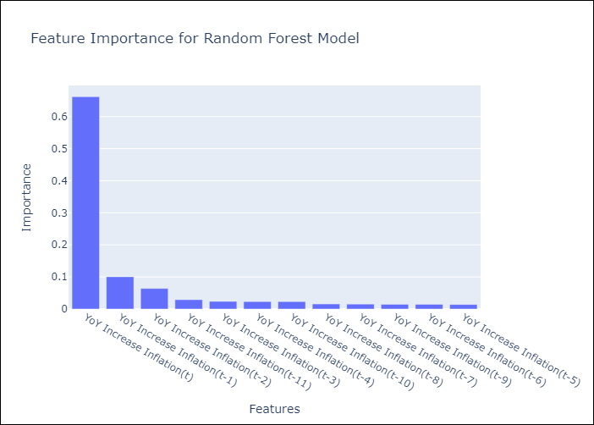

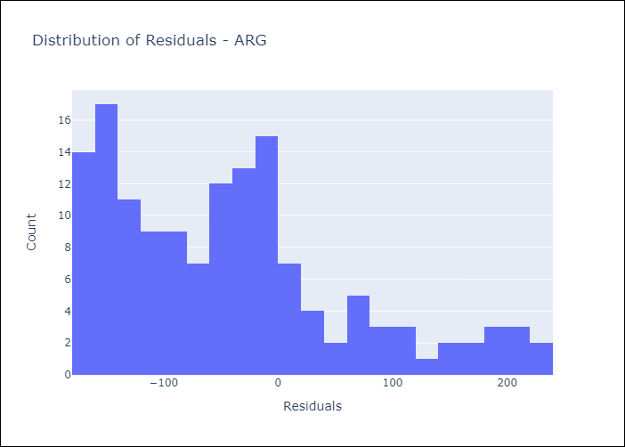
Appendix A: Model Summary
Model | Random Forest w/ Lags
Sample | 2007-01-01 to 2025-04-01
No. of Observations | 220
Residuals
Mean | -42.23294464
St Dev | 103.71160085
Kurtosis | 0.12017721332
Skewness | 0.84915490437

Assumptions | P-value

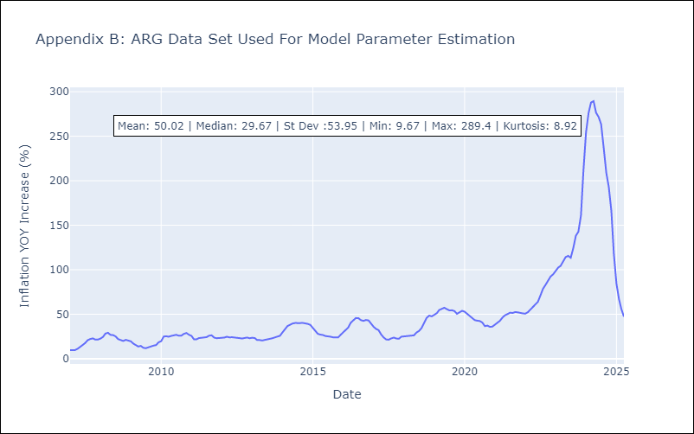

Appendix C: Residuals Analysis
Mean

BOL
BOL - Inflation - Next 12 months forecast as of: 2025-04-01

Model | Random Forest w/ Lags - [(1, 1, 2), (0, 0, 2, 12)]
Training Data | 2021-01-01 to 2024-05-01
Test Data | 2024-05-01 to 2025-04-01

Date | Inflation Change YoY % | Lower Bound - 95% Confidence Interval | Upper Bound - 95% Confidence Interval
2025-05-01 | 2.71 | 2.12 | 2.95
2025-06-01 | 2.65 | 2.16 | 2.83
2025-07-01 | 2.63 | 2.14 | 2.78
2025-08-01 | 2.75 | 2.29 | 2.96
2025-09-01 | 2.79 | 2.56 | 2.89
2025-10-01 | 2.57 | 2.24 | 2.83
2025-11-01 | 2.28 | 1.82 | 2.81
2025-12-01 | 2.26 | 1.88 | 2.74
2026-01-01 | 2.15 | 1.89 | 2.43
2026-02-01 | 2.22 | 2.05 | 2.59
2026-03-01 | 2.44 | 2.07 | 2.89
2026-04-01 | 2.73 | 2.21 | 3.23

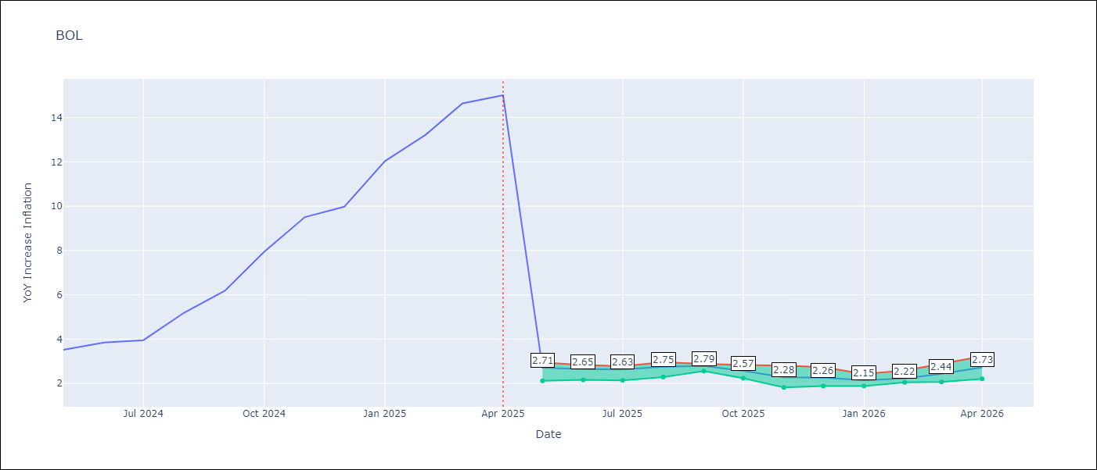

Test Metrics
RMSE | 3.89
Naive RMSE | 3.85
MAPE | 61.45%

Test Predictions
Date | Predicted | Actual
2024-06-01 | 2.68 | 3.52
2024-07-01 | 2.67 | 3.84
2024-08-01 | 2.66 | 3.95
2024-09-01 | 2.73 | 5.19
2024-10-01 | 2.76 | 6.18
2024-11-01 | 2.65 | 7.94
2024-12-01 | 2.5 | 9.51
2025-01-01 | 2.42 | 9.97
2025-02-01 | 2.3 | 12.03
2025-03-01 | 2.22 | 13.22
2025-04-01 | 2.37 | 14.63
2025-05-01 | 2.47 | 15.01

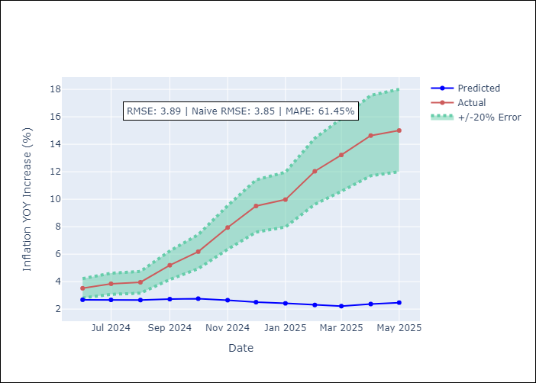
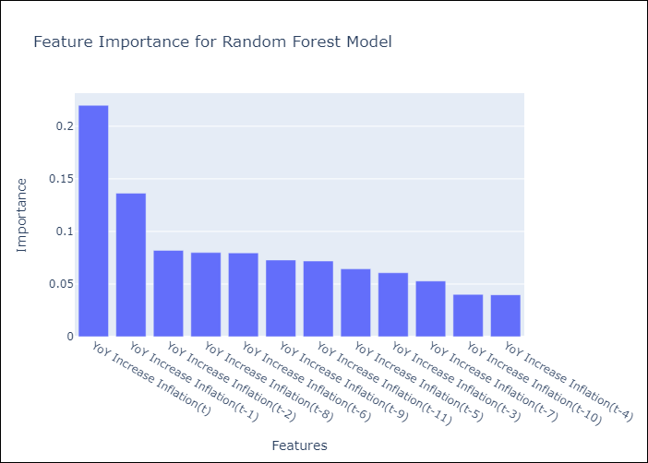

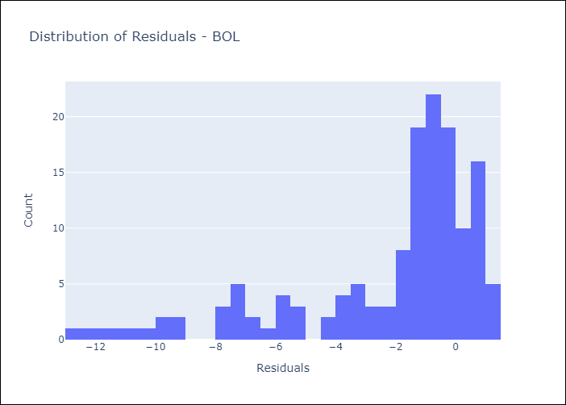
Appendix A: Model Summary
Model | Random Forest w/ Lags
Sample | 2021-01-01 to 2025-04-01
No. of Observations | 52
Residuals
Mean | -2.215544453
St Dev | 3.201765801
Kurtosis | 1.414426145
Skewness | -1.4778828579

Assumptions | P-value

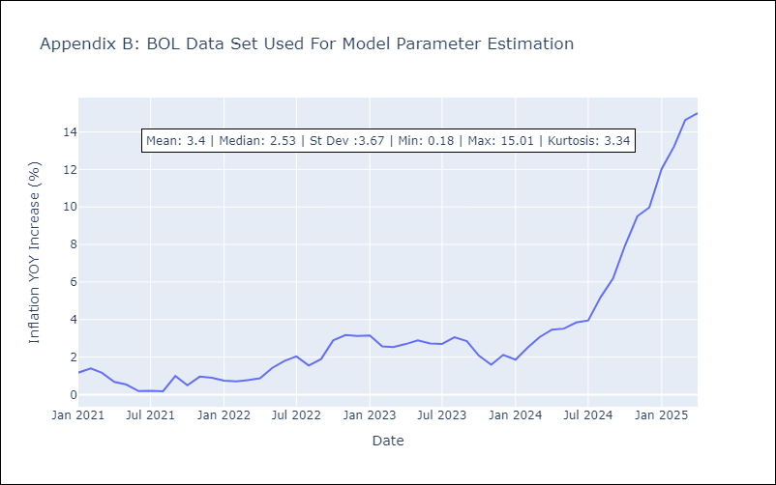

Appendix C: Residuals Analysis
Mean

BRA
BRA - Inflation - Next 12 months forecast as of: 2025-04-01

Model | Random Forest w/ Lags - [(1, 2, 1), (0, 0, 1, 12)]
Training Data | 1998-01-01 to 2024-05-01
Test Data | 2024-05-01 to 2025-04-01

Date | Inflation Change YoY % | Lower Bound - 95% Confidence Interval | Upper Bound - 95% Confidence Interval
2025-05-01 | 5.69 | 5.29 | 6
2025-06-01 | 5.84 | 5.29 | 6.17
2025-07-01 | 5.87 | 5.35 | 6.17
2025-08-01 | 5.93 | 5.41 | 6.27
2025-09-01 | 6.02 | 5.56 | 6.33
2025-10-01 | 6.07 | 5.57 | 6.31
2025-11-01 | 5.99 | 5.54 | 6.31
2025-12-01 | 5.92 | 5.57 | 6.33
2026-01-01 | 5.92 | 5.6 | 6.38
2026-02-01 | 5.87 | 5.49 | 6.42
2026-03-01 | 5.86 | 5.35 | 6.36
2026-04-01 | 5.79 | 5.2 | 6.28

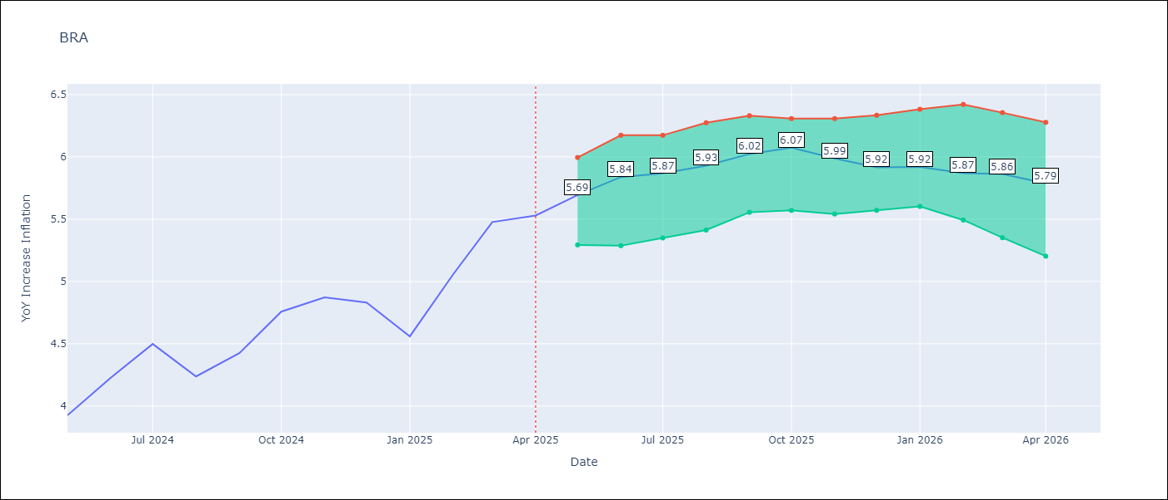

Test Metrics
RMSE | 1.06
Naive RMSE | 0.73
MAPE | 24.57%

Test Predictions
Date | Predicted | Actual
2024-06-01 | 3.75 | 3.93
2024-07-01 | 3.97 | 4.23
2024-08-01 | 3.96 | 4.5
2024-09-01 | 3.8 | 4.24
2024-10-01 | 3.48 | 4.42
2024-11-01 | 3.19 | 4.76
2024-12-01 | 2.99 | 4.87
2025-01-01 | 2.93 | 4.83
2025-02-01 | 2.99 | 4.56
2025-03-01 | 3.28 | 5.06
2025-04-01 | 3.69 | 5.48
2025-05-01 | 4.03 | 5.53

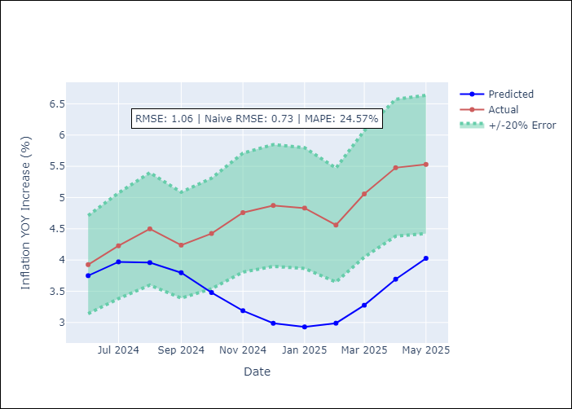
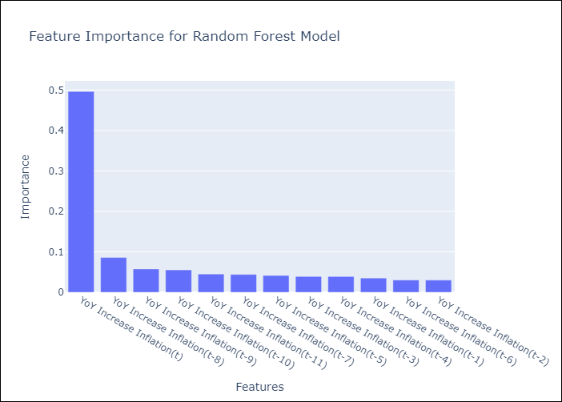

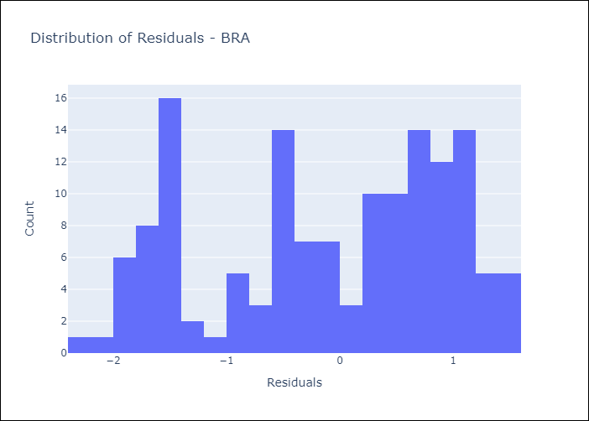
Appendix A: Model Summary
Model | Random Forest w/ Lags
Sample | 1998-01-01 to 2025-04-01
No. of Observations | 328
Residuals
Mean | -0.10290459449
St Dev | 1.0589062038
Kurtosis | -1.1518045798
Skewness | -0.3519003928

Assumptions | P-value



Appendix C: Residuals Analysis
Mean

CHL
CHL - Inflation - Next 12 months forecast as of: 2025-04-01

Model | Random Forest w/ Lags - [(2, 0, 0), (0, 0, 1, 12)]
Training Data | 2012-12-01 to 2024-05-01
Test Data | 2024-05-01 to 2025-04-01

Date | Inflation Change YoY % | Lower Bound - 95% Confidence Interval | Upper Bound - 95% Confidence Interval
2025-05-01 | 4.39 | 4.25 | 4.77
2025-06-01 | 4.33 | 4.26 | 4.59
2025-07-01 | 4.22 | 4.12 | 4.52
2025-08-01 | 4.12 | 3.97 | 4.51
2025-09-01 | 3.98 | 3.7 | 4.5
2025-10-01 | 3.9 | 3.56 | 4.47
2025-11-01 | 3.76 | 3.47 | 4.47
2025-12-01 | 3.66 | 3.37 | 4.39
2026-01-01 | 3.51 | 3.26 | 4.38
2026-02-01 | 3.44 | 3.21 | 4.3
2026-03-01 | 3.35 | 3.19 | 4.23
2026-04-01 | 3.29 | 3.15 | 4.15

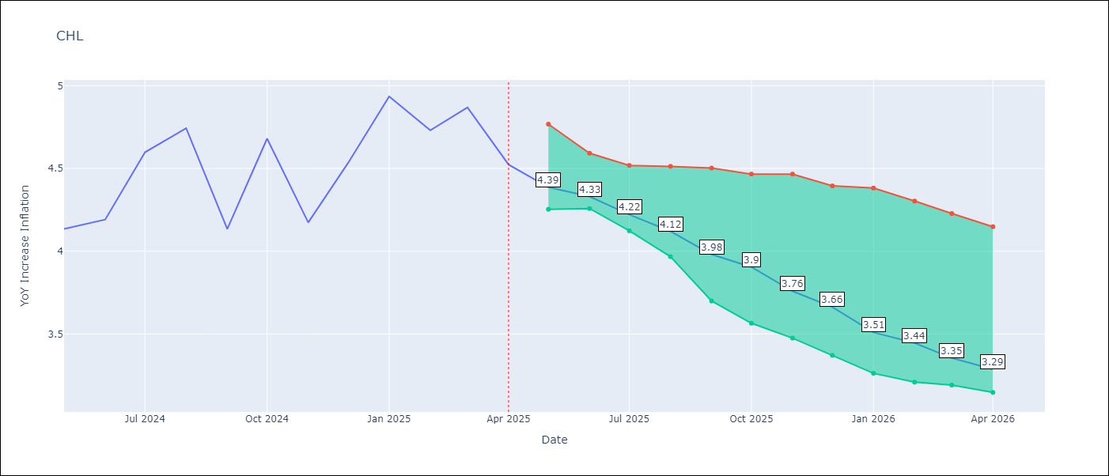

Test Metrics
RMSE | 1.17
Naive RMSE | 1.71
MAPE | 4.69%

Test Predictions
Date | Predicted | Actual
2024-06-01 | 4.19 | 4.13
2024-07-01 | 4.25 | 4.19
2024-08-01 | 4.33 | 4.6
2024-09-01 | 4.35 | 4.74
2024-10-01 | 4.28 | 4.13
2024-11-01 | 4.29 | 4.68
2024-12-01 | 4.38 | 4.17
2025-01-01 | 4.48 | 4.53
2025-02-01 | 4.57 | 4.94
2025-03-01 | 4.53 | 4.73
2025-04-01 | 4.49 | 4.87
2025-05-01 | 4.43 | 4.52

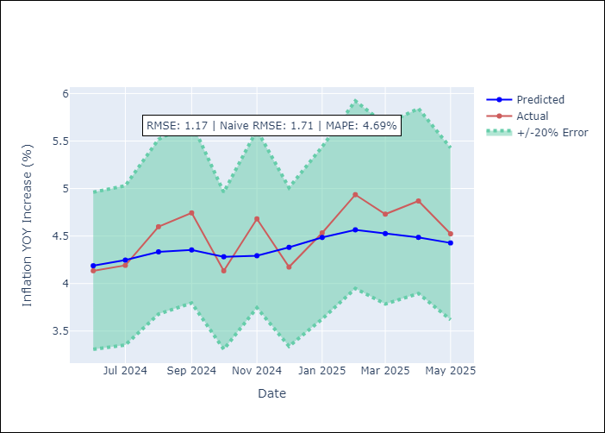
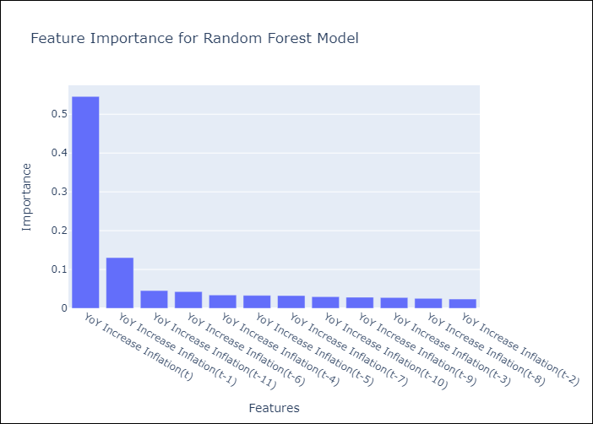

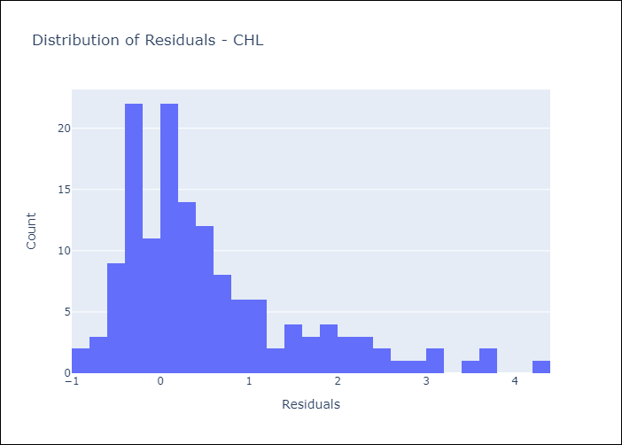
Appendix A: Model Summary
Model | Random Forest w/ Lags
Sample | 2012-12-01 to 2025-04-01
No. of Observations | 149
Residuals
Mean | 0.55520442716
St Dev | 1.030787511
Kurtosis | 1.4516327947
Skewness | 1.3363571402

Assumptions | P-value



Appendix C: Residuals Analysis
Mean

COL
COL - Inflation - Next 12 months forecast as of: 2025-04-01

Model | Random Forest w/ Lags - [(1, 0, 1), (0, 0, 0, 12)]
Training Data | 2006-01-01 to 2024-05-01
Test Data | 2024-05-01 to 2025-04-01

Date | Inflation Change YoY % | Lower Bound - 95% Confidence Interval | Upper Bound - 95% Confidence Interval
2025-05-01 | 5.82 | 5.12 | 6.05
2025-06-01 | 5.88 | 4.83 | 6.2
2025-07-01 | 6.04 | 4.71 | 6.38
2025-08-01 | 6.33 | 4.62 | 6.7
2025-09-01 | 6.62 | 4.43 | 7.08
2025-10-01 | 6.88 | 4.3 | 7.41
2025-11-01 | 7.08 | 4.2 | 7.64
2025-12-01 | 7.15 | 4.12 | 7.7
2026-01-01 | 7.21 | 4.08 | 7.68
2026-02-01 | 7.09 | 3.96 | 7.57
2026-03-01 | 6.88 | 3.88 | 7.29
2026-04-01 | 6.57 | 3.85 | 6.99

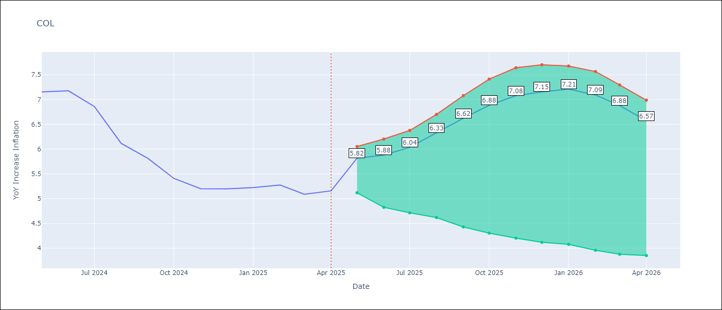

Test Metrics
RMSE | 2.67
Naive RMSE | 2.95
MAPE | 25.99%

Test Predictions
Date | Predicted | Actual
2024-06-01 | 5.77 | 7.15
2024-07-01 | 5.43 | 7.18
2024-08-01 | 5.07 | 6.86
2024-09-01 | 4.78 | 6.12
2024-10-01 | 4.42 | 5.81
2024-11-01 | 4.13 | 5.41
2024-12-01 | 3.87 | 5.2
2025-01-01 | 3.77 | 5.2
2025-02-01 | 3.67 | 5.22
2025-03-01 | 3.68 | 5.27
2025-04-01 | 3.64 | 5.09
2025-05-01 | 3.56 | 5.16

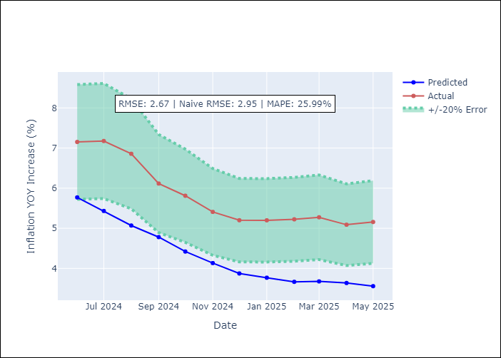
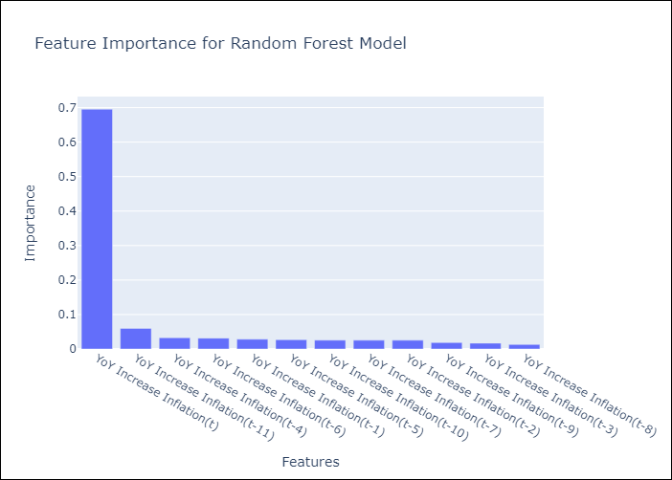

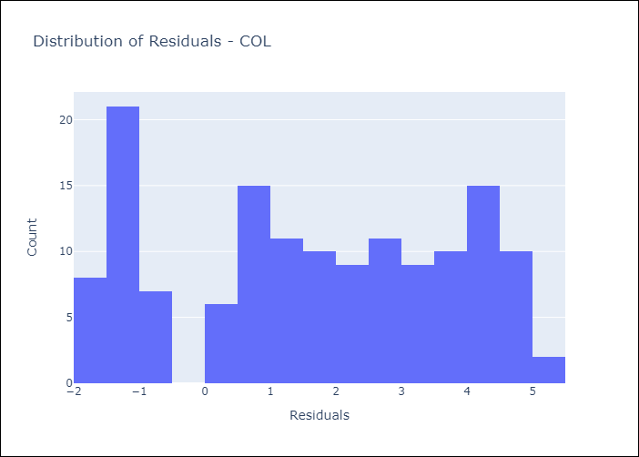
Appendix A: Model Summary
Model | Random Forest w/ Lags
Sample | 2006-01-01 to 2025-04-01
No. of Observations | 232
Residuals
Mean | 1.6311436948
St Dev | 2.1194199054
Kurtosis | -1.2638928235
Skewness | -0.13357098822

Assumptions | P-value

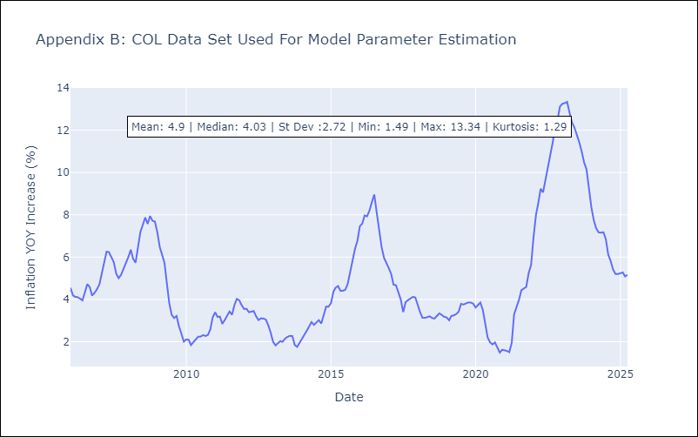

Appendix C: Residuals Analysis
Mean

ECU
ECU - Inflation - Next 12 months forecast as of: 2025-04-01

Model | Random Forest w/ Lags - [(2, 1, 1), (3, 0, 0, 12)]
Training Data | 2009-01-01 to 2024-05-01
Test Data | 2024-05-01 to 2025-04-01

Date | Inflation Change YoY % | Lower Bound - 95% Confidence Interval | Upper Bound - 95% Confidence Interval
2025-05-01 | 0.03 | -0.36 | 0.39
2025-06-01 | -0.06 | -0.44 | 0.35
2025-07-01 | -0.1 | -0.46 | 0.3
2025-08-01 | -0.14 | -0.46 | 0.22
2025-09-01 | -0.24 | -0.56 | 0.08
2025-10-01 | -0.41 | -0.65 | -0.09
2025-11-01 | -0.53 | -0.63 | -0.15
2025-12-01 | -0.55 | -0.71 | -0.17
2026-01-01 | -0.46 | -0.52 | -0.18
2026-02-01 | -0.29 | -0.42 | 0.01
2026-03-01 | -0.08 | -0.38 | 0.26
2026-04-01 | 0.06 | -0.38 | 0.52

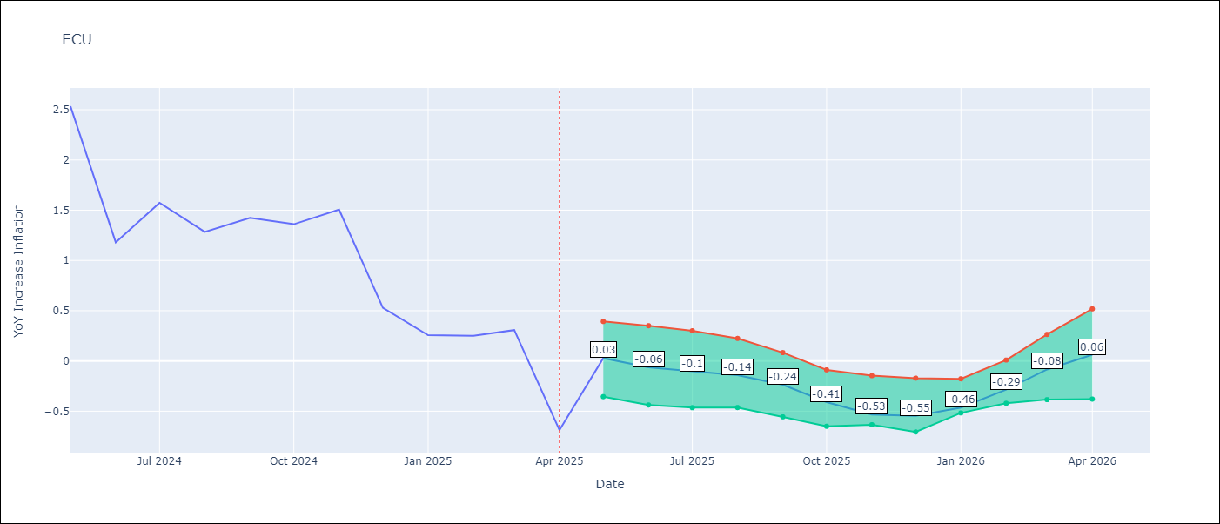

Test Metrics
RMSE | 1.41
Naive RMSE | 0.86
MAPE | 482.08%

Test Predictions
Date | Predicted | Actual
2024-06-01 | 2.93 | 2.53
2024-07-01 | 3.05 | 1.18
2024-08-01 | 3.19 | 1.57
2024-09-01 | 3.31 | 1.28
2024-10-01 | 3.49 | 1.42
2024-11-01 | 3.65 | 1.36
2024-12-01 | 3.76 | 1.51
2025-01-01 | 3.7 | 0.53
2025-02-01 | 3.64 | 0.26
2025-03-01 | 3.59 | 0.25
2025-04-01 | 3.51 | 0.31
2025-05-01 | 3.38 | -0.69

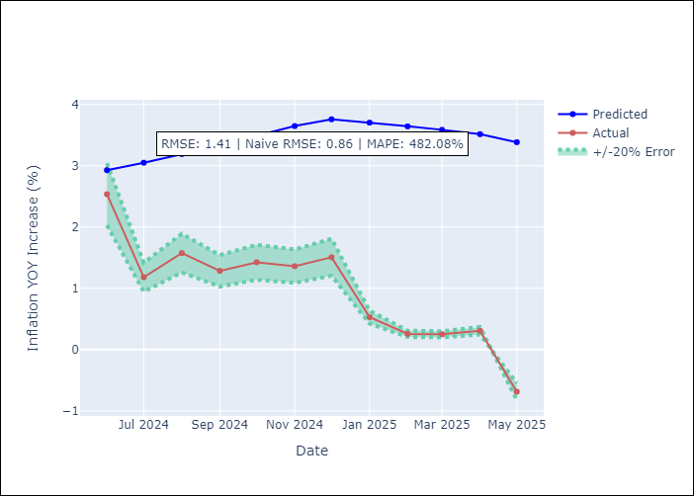
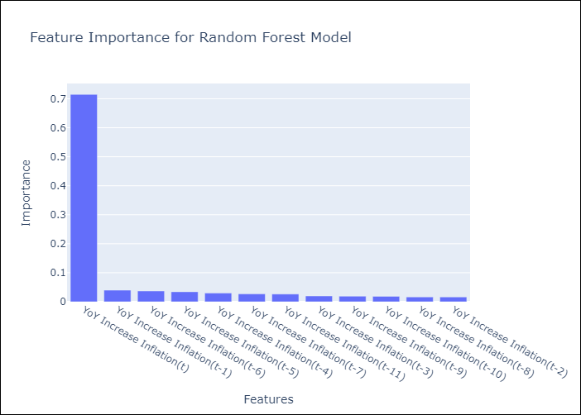

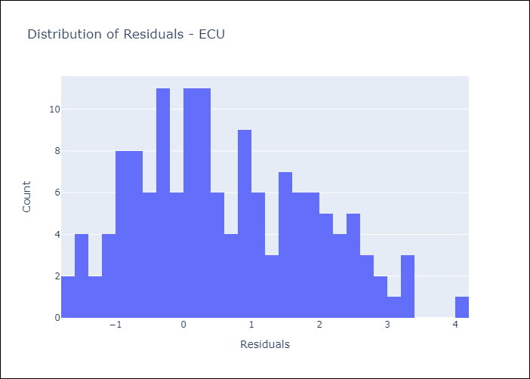
Appendix A: Model Summary
Model | Random Forest w/ Lags
Sample | 2009-01-01 to 2025-04-01
No. of Observations | 196
Residuals
Mean | 0.60701747891
St Dev | 1.276699714
Kurtosis | -0.65377223756
Skewness | 0.33206178956

Assumptions | P-value

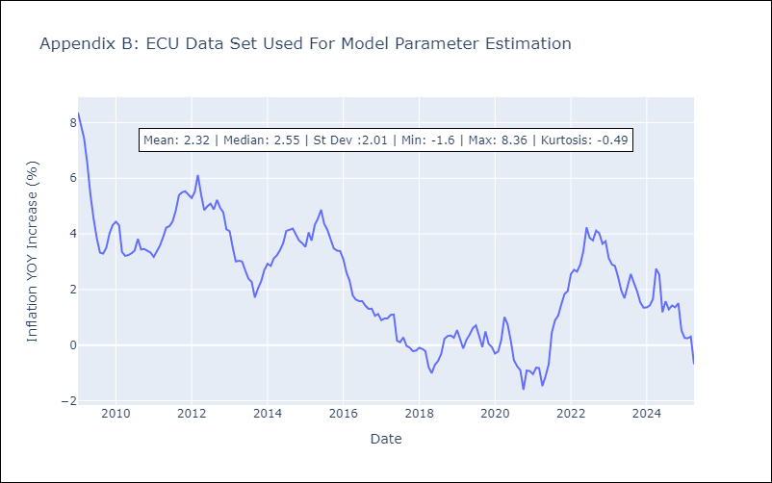

Appendix C: Residuals Analysis
Mean

PER
PER - Inflation - Next 12 months forecast as of: 2025-04-01

Model | Random Forest w/ Lags - [(3, 2, 0), (3, 0, 0, 12)]
Training Data | 1994-01-01 to 2024-05-01
Test Data | 2024-05-01 to 2025-04-01

Date | Inflation Change YoY % | Lower Bound - 95% Confidence Interval | Upper Bound - 95% Confidence Interval
2025-05-01 | 1.75 | 1.5 | 1.92
2025-06-01 | 1.78 | 1.52 | 2
2025-07-01 | 1.88 | 1.59 | 2.2
2025-08-01 | 1.91 | 1.73 | 2.17
2025-09-01 | 2.01 | 1.83 | 2.26
2025-10-01 | 2.15 | 1.89 | 2.32
2025-11-01 | 2.38 | 1.96 | 2.52
2025-12-01 | 2.51 | 2.02 | 2.73
2026-01-01 | 2.67 | 2.06 | 3.04
2026-02-01 | 2.72 | 2.12 | 3.31
2026-03-01 | 2.83 | 2.17 | 3.47
2026-04-01 | 3.05 | 2.39 | 3.66

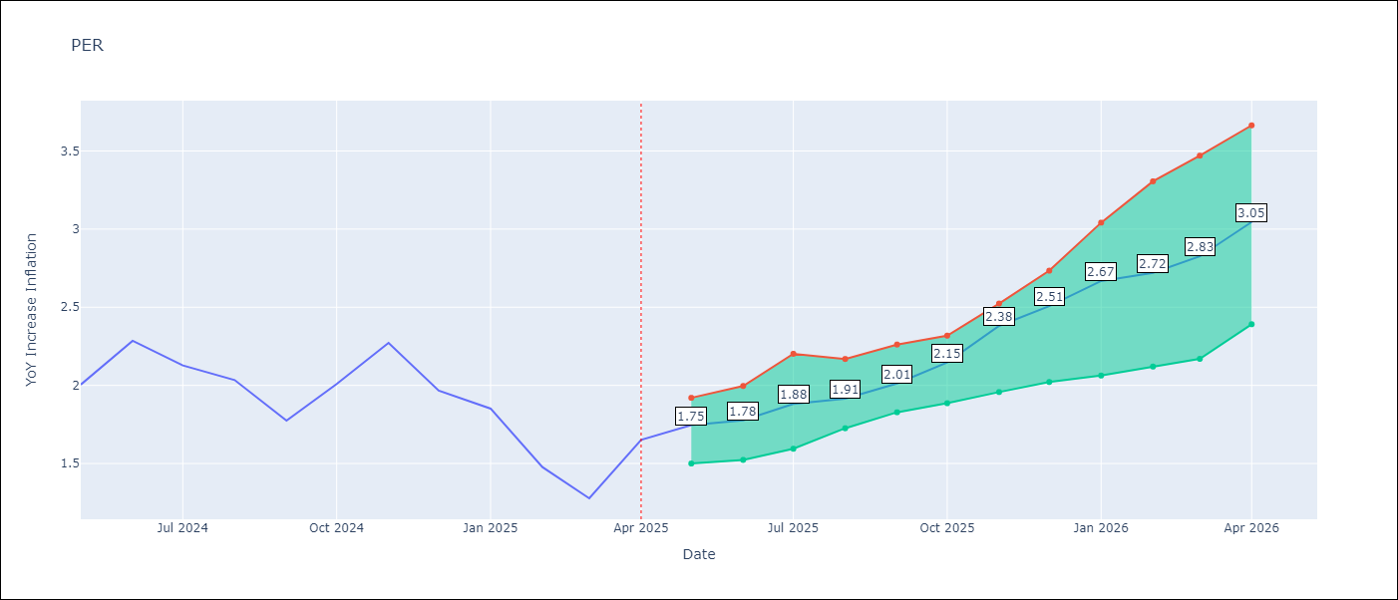

Test Metrics
RMSE | 1.09
Naive RMSE | 2.19
MAPE | 71.27%

Test Predictions
Date | Predicted | Actual
2024-06-01 | 2.82 | 2
2024-07-01 | 3.05 | 2.29
2024-08-01 | 3.23 | 2.13
2024-09-01 | 3.25 | 2.03
2024-10-01 | 3.25 | 1.78
2024-11-01 | 3.31 | 2.01
2024-12-01 | 3.32 | 2.27
2025-01-01 | 3.3 | 1.97
2025-02-01 | 3.12 | 1.85
2025-03-01 | 3.01 | 1.48
2025-04-01 | 3.04 | 1.28
2025-05-01 | 3.27 | 1.65

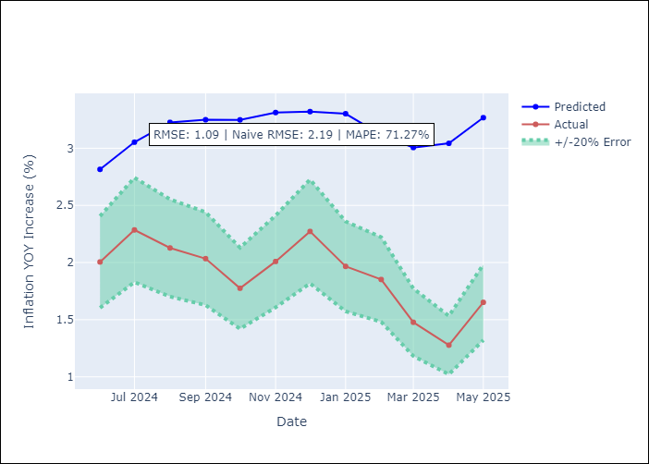
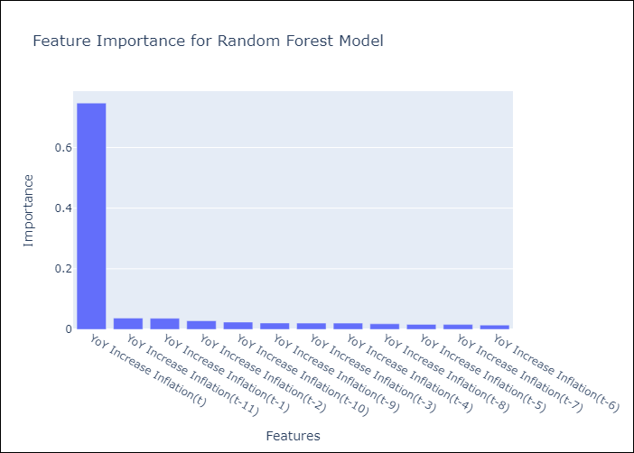

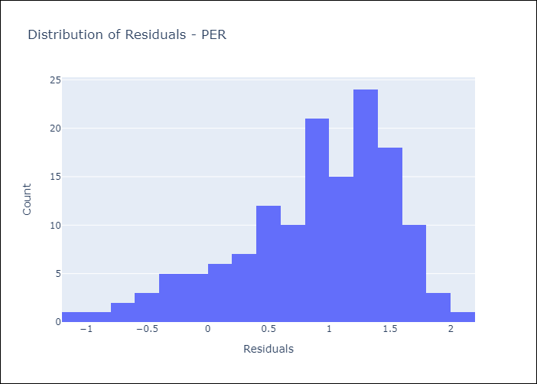
Appendix A: Model Summary
Model | Random Forest w/ Lags
Sample | 1994-01-01 to 2025-04-01
No. of Observations | 376
Residuals
Mean | 0.88105527031
St Dev | 0.6376577197
Kurtosis | 0.12011277506
Skewness | -0.77592018897

Assumptions | P-value

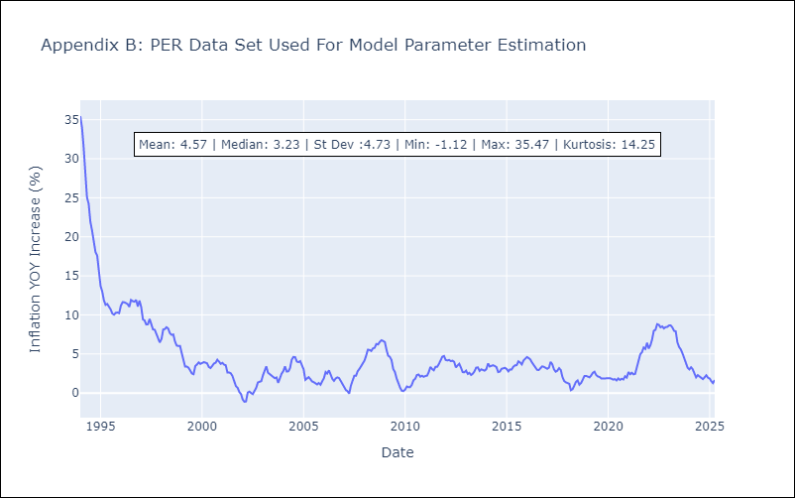

Appendix C: Residuals Analysis
Mean

PRY
PRY - Inflation - Next 12 months forecast as of: 2025-04-01

Model | Random Forest w/ Lags - [(2, 1, 1), (1, 0, 1, 12)]
Training Data | 1995-12-01 to 2024-05-01
Test Data | 2024-05-01 to 2025-04-01

Date | Inflation Change YoY % | Lower Bound - 95% Confidence Interval | Upper Bound - 95% Confidence Interval
2025-05-01 | 3.57 | 3.26 | 3.78
2025-06-01 | 3.56 | 3.2 | 3.69
2025-07-01 | 3.48 | 3.15 | 3.74
2025-08-01 | 3.38 | 3.12 | 3.68
2025-09-01 | 3.12 | 2.88 | 3.42
2025-10-01 | 3.03 | 2.9 | 3.59
2025-11-01 | 3.07 | 2.87 | 3.57
2025-12-01 | 3.09 | 2.81 | 3.65
2026-01-01 | 3.12 | 2.96 | 3.51
2026-02-01 | 3.25 | 2.97 | 3.5
2026-03-01 | 3.06 | 2.86 | 3.5
2026-04-01 | 3.07 | 2.76 | 3.55

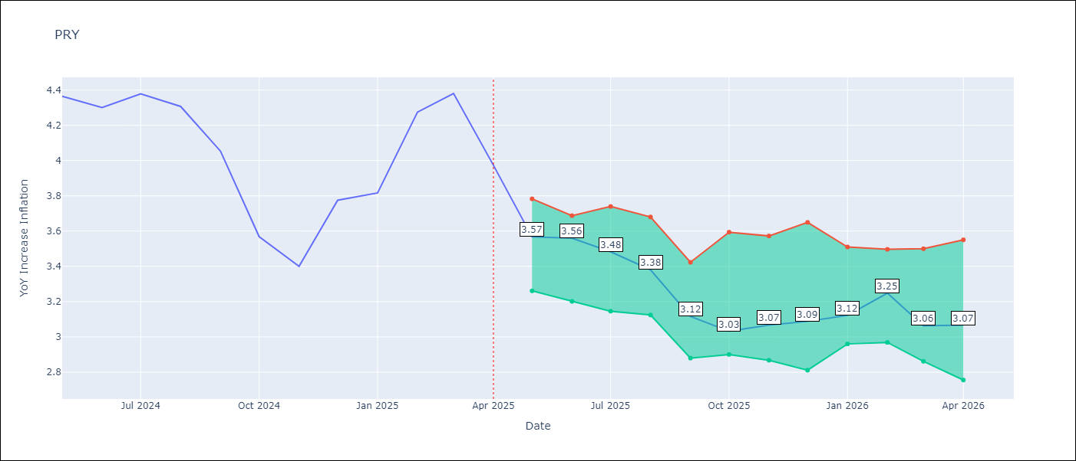

Test Metrics
RMSE | 0.85
Naive RMSE | 0.82
MAPE | 14.6%

Test Predictions
Date | Predicted | Actual
2024-06-01 | 3.59 | 4.36
2024-07-01 | 3.52 | 4.3
2024-08-01 | 3.46 | 4.38
2024-09-01 | 3.38 | 4.31
2024-10-01 | 3.27 | 4.05
2024-11-01 | 3.33 | 3.57
2024-12-01 | 3.55 | 3.4
2025-01-01 | 3.5 | 3.78
2025-02-01 | 3.47 | 3.82
2025-03-01 | 3.57 | 4.27
2025-04-01 | 3.47 | 4.38
2025-05-01 | 3.48 | 3.97

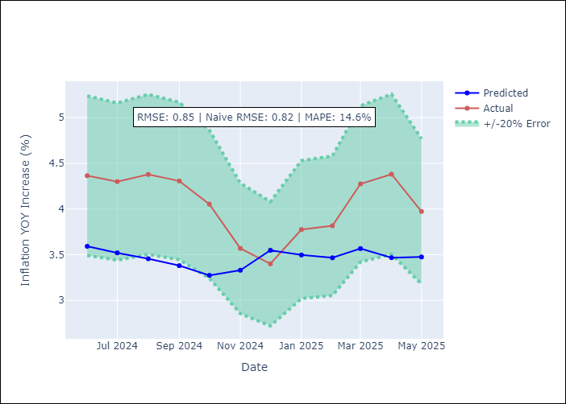
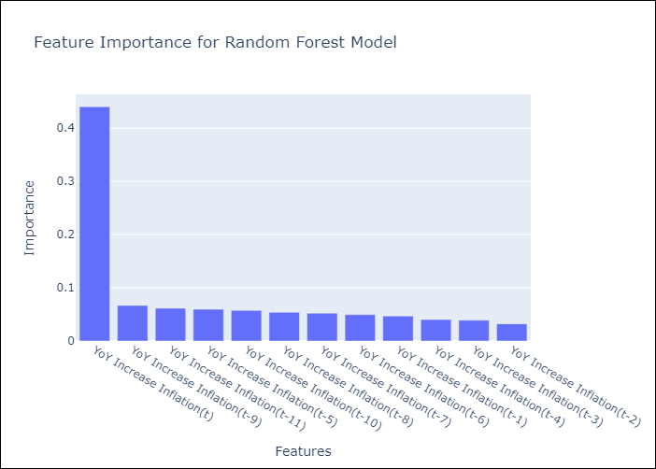

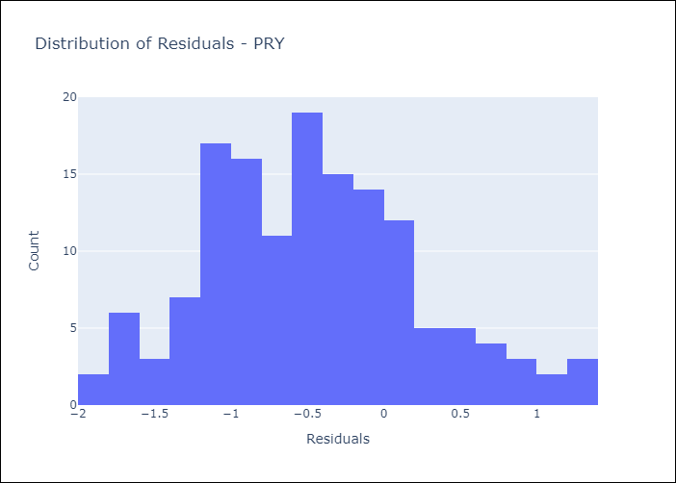
Appendix A: Model Summary
Model | Random Forest w/ Lags
Sample | 1995-12-01 to 2025-04-01
No. of Observations | 353
Residuals
Mean | -0.46575948444
St Dev | 0.705971287
Kurtosis | -0.090364195221
Skewness | 0.35600668084

Assumptions | P-value



Appendix C: Residuals Analysis
Mean

URY
URY - Inflation - Next 12 months forecast as of: 2025-04-01

Model | Random Forest w/ Lags - [(0, 2, 1), (3, 0, 0, 12)]
Training Data | 1992-01-01 to 2024-05-01
Test Data | 2024-05-01 to 2025-04-01

Date | Inflation Change YoY % | Lower Bound - 95% Confidence Interval | Upper Bound - 95% Confidence Interval
2025-05-01 | 4.83 | 4.44 | 5.56
2025-06-01 | 4.71 | 4.28 | 5.6
2025-07-01 | 4.59 | 4.07 | 5.57
2025-08-01 | 4.52 | 3.91 | 5.48
2025-09-01 | 4.57 | 3.95 | 5.62
2025-10-01 | 4.74 | 4 | 5.59
2025-11-01 | 4.95 | 4.1 | 5.69
2025-12-01 | 5.23 | 4.39 | 5.89
2026-01-01 | 5.65 | 4.8 | 6.18
2026-02-01 | 6.24 | 5.08 | 6.81
2026-03-01 | 7.27 | 5.48 | 8.36
2026-04-01 | 9.25 | 5.98 | 11.29

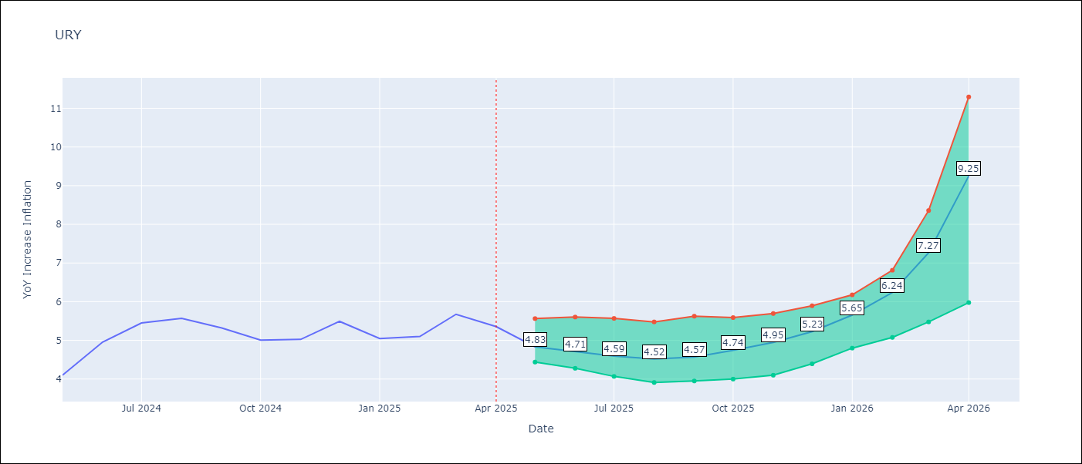

Test Metrics
RMSE | 1.88
Naive RMSE | 1.24
MAPE | 52.4%

Test Predictions
Date | Predicted | Actual
2024-06-01 | 4.21 | 4.1
2024-07-01 | 4.44 | 4.96
2024-08-01 | 4.82 | 5.45
2024-09-01 | 5.29 | 5.57
2024-10-01 | 5.64 | 5.32
2024-11-01 | 6.01 | 5.01
2024-12-01 | 6.42 | 5.03
2025-01-01 | 7.15 | 5.49
2025-02-01 | 8.65 | 5.05
2025-03-01 | 11.05 | 5.1
2025-04-01 | 13.78 | 5.67
2025-05-01 | 15.22 | 5.36

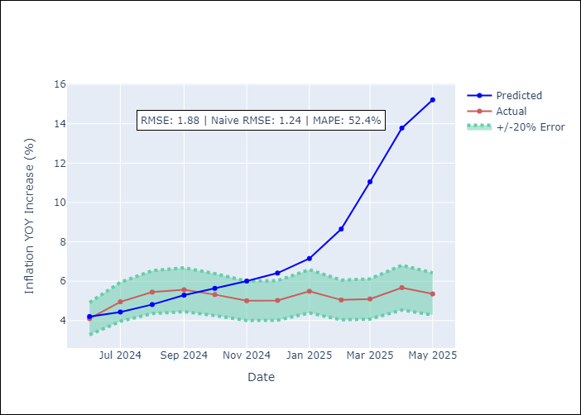
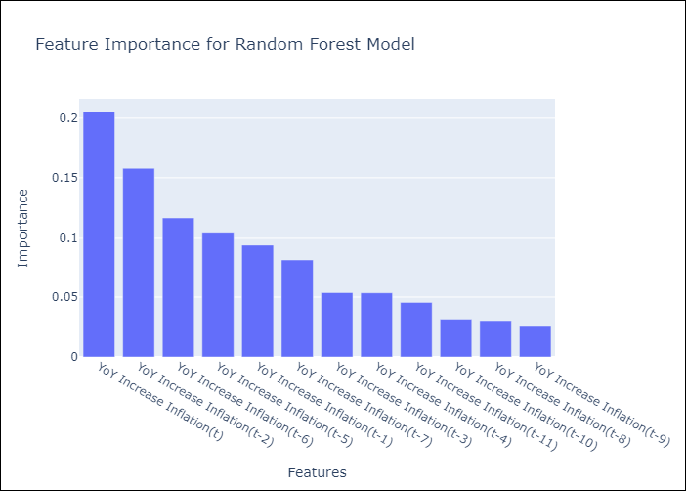

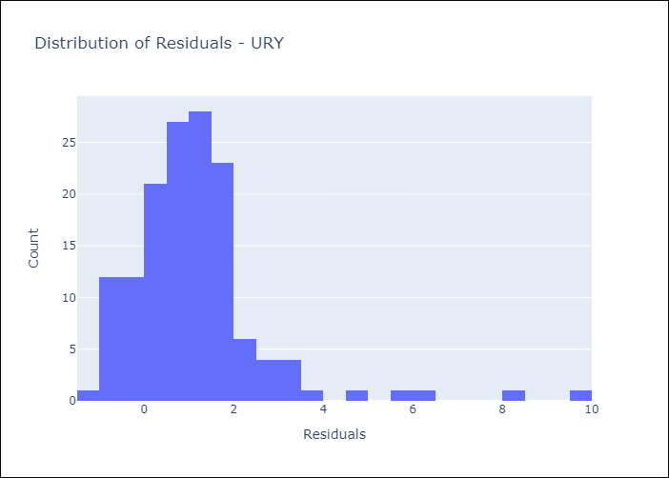
Appendix A: Model Summary
Model | Random Forest w/ Lags
Sample | 1992-01-01 to 2025-04-01
No. of Observations | 400
Residuals
Mean | 1.1398968999
St Dev | 1.4980535105
Kurtosis | 10.564011228
Skewness | 2.5397346085

Assumptions | P-value

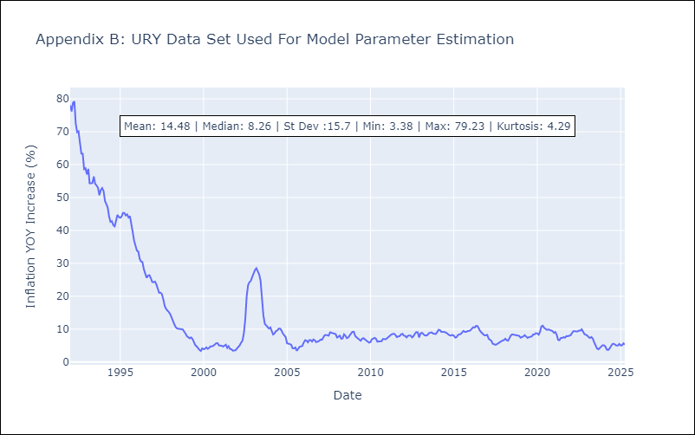

Appendix C: Residuals Analysis
Mean

VEN
VEN - Inflation - Next 12 months forecast as of: 2016-12-01

Model | Random Forest w/ Lags - [(3, 0, 0), (0, 0, 0, 12)]
Training Data | 2013-01-01 to 2016-01-01
Test Data | 2016-01-01 to 2016-12-01

Date | Inflation Change YoY % | Lower Bound - 95% Confidence Interval | Upper Bound - 95% Confidence Interval
2017-01-01 | 68.79 | 63.57 | 74.13
2017-02-01 | 73.86 | 64.92 | 78.32
2017-03-01 | 78.21 | 69.25 | 80.99
2017-04-01 | 81.28 | 74.74 | 82.73
2017-05-01 | 83.8 | 78.59 | 86.58
2017-06-01 | 88.44 | 80.88 | 95.21
2017-07-01 | 96.63 | 83.77 | 106.47
2017-08-01 | 108.49 | 88.79 | 122.16
2017-09-01 | 123.11 | 97.66 | 136.23
2017-10-01 | 137.8 | 109.96 | 150.87
2017-11-01 | 153.04 | 124.56 | 166.54
2017-12-01 | 166.87 | 139.18 | 176.29

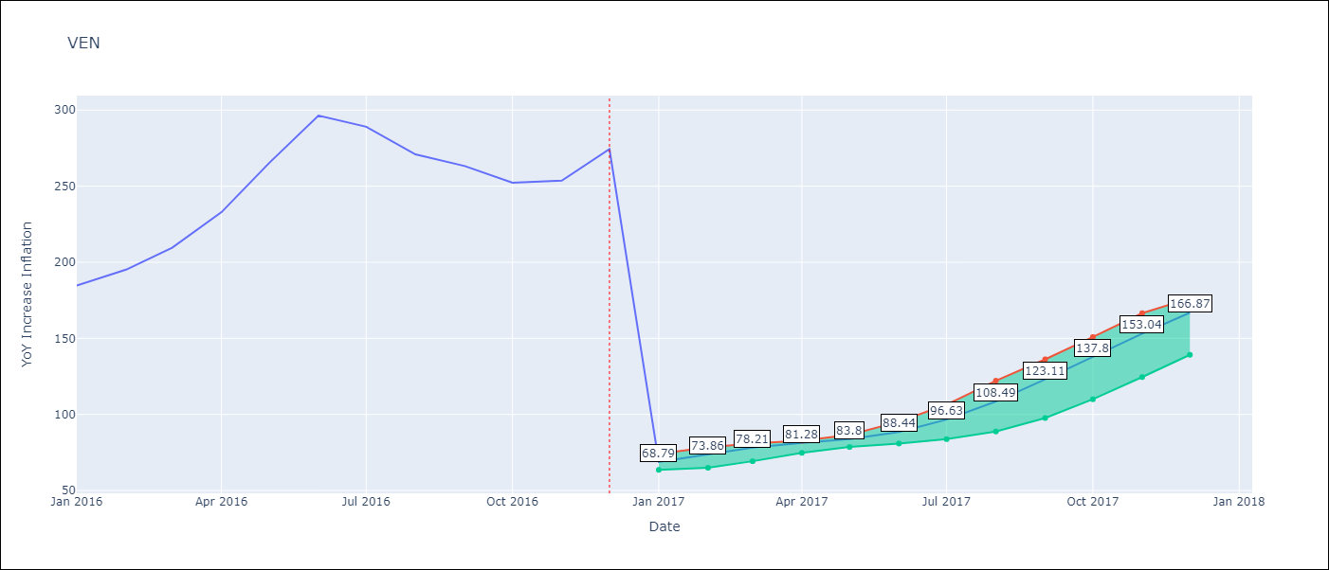

Test Metrics
RMSE | 98.79
Naive RMSE | 88.69
MAPE | 57.94%

Test Predictions
Date | Predicted | Actual
2016-02-01 | 68.79 | 184.76
2016-03-01 | 73.86 | 195.13
2016-04-01 | 78.21 | 209.56
2016-05-01 | 81.28 | 232.92
2016-06-01 | 83.8 | 265.24
2016-07-01 | 88.44 | 296.44
2016-08-01 | 96.63 | 289.06
2016-09-01 | 108.49 | 270.87
2016-10-01 | 123.11 | 263.24
2016-11-01 | 137.8 | 252.27
2016-12-01 | 153.04 | 253.65
2017-01-01 | 166.87 | 274.35

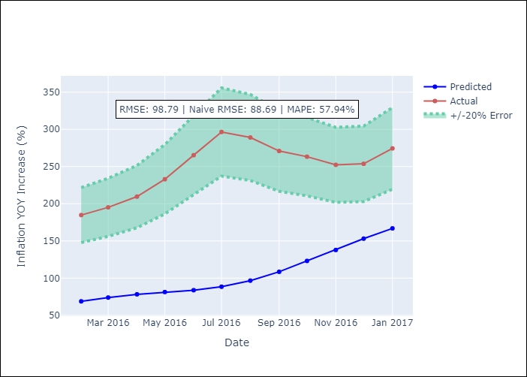
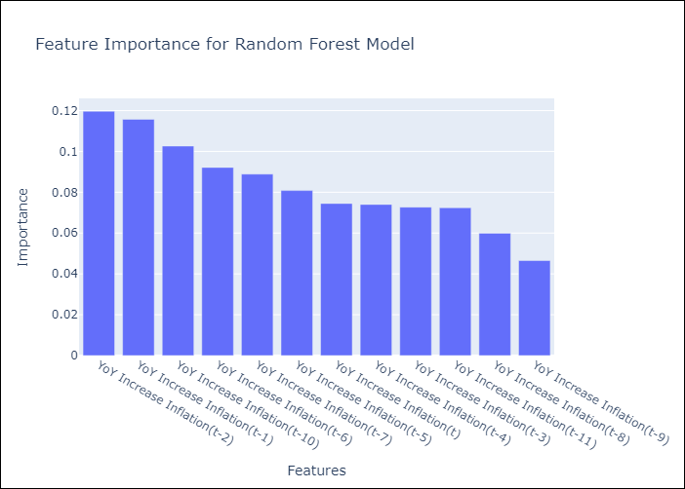

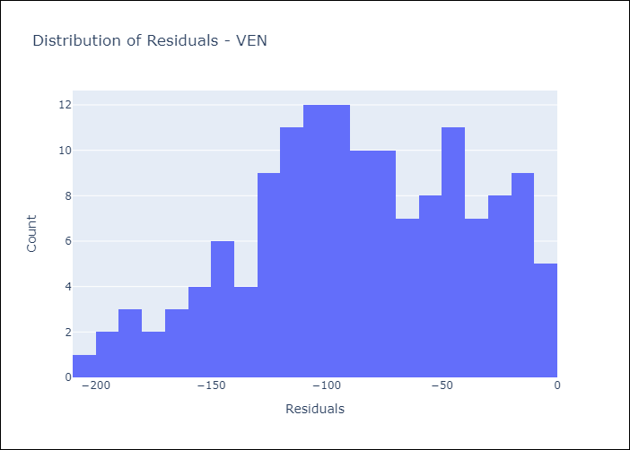
Appendix A: Model Summary
Model | Random Forest w/ Lags
Sample | 2013-01-01 to 2016-12-01
No. of Observations | 48
Residuals
Mean | -86.322522356
St Dev | 48.046994785
Kurtosis | -0.58770628158
Skewness | -0.27376354472

Assumptions | P-value

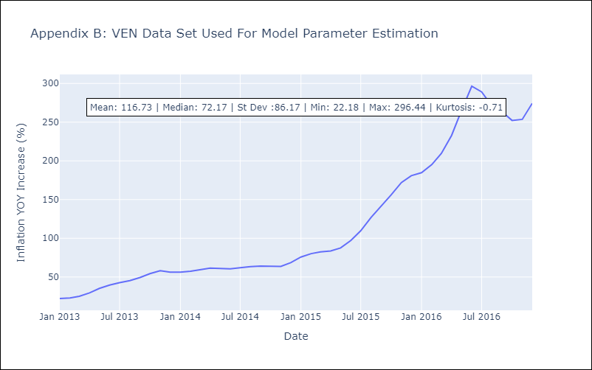

Appendix C: Residuals Analysis
Mean

