ARG
ARG - Inflation - Next 12 months forecast as of: 2025-04-01

Model | Random Forest w/ Lags - [(2, 2, 2), (0, 0, 1, 12)]
Training Data | 2007-01-01 to 2024-05-01
Test Data | 2024-05-01 to 2025-04-01

Date | Inflation Change YoY % | Lower Bound - 95% Confidence Interval | Upper Bound - 95% Confidence Interval
2025-05-01 | 52.47 | 50.93 | 71.77
2025-06-01 | 51.52 | 49.81 | 72.05
2025-07-01 | 50.59 | 48.69 | 71.6
2025-08-01 | 49.85 | 47.64 | 72.43
2025-09-01 | 48.89 | 46.12 | 75.94
2025-10-01 | 47.07 | 43.94 | 78.08
2025-11-01 | 45.97 | 43.04 | 81.02
2025-12-01 | 45.62 | 42.06 | 91.46
2026-01-01 | 45.7 | 41.63 | 107.03
2026-02-01 | 46.25 | 42.12 | 119.05
2026-03-01 | 47.1 | 43.85 | 125.74
2026-04-01 | 49.21 | 45.91 | 129.56

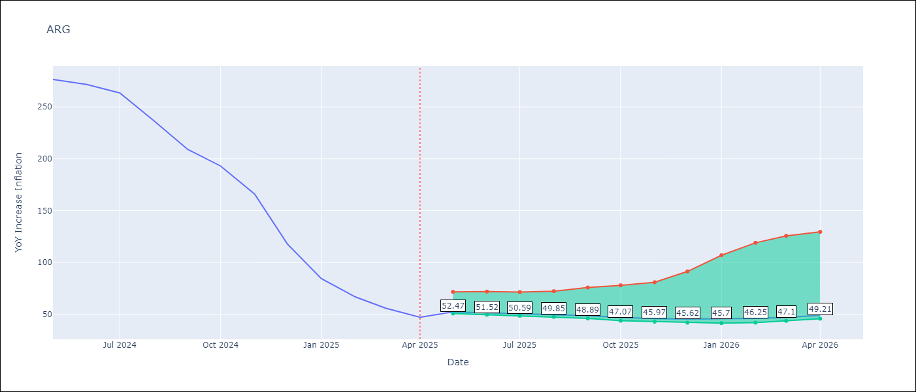

Test Metrics
RMSE | 112.81
Naive RMSE | 111.72
MAPE | 139.2%

Test Predictions
Date | Predicted | Actual
2024-06-01 | 109.84 | 276.41
2024-07-01 | 113.12 | 271.53
2024-08-01 | 113.95 | 263.45
2024-09-01 | 118.56 | 236.72
2024-10-01 | 127.63 | 209
2024-11-01 | 135.91 | 192.99
2024-12-01 | 148.43 | 166.03
2025-01-01 | 177.48 | 117.76
2025-02-01 | 215.56 | 84.54
2025-03-01 | 249.35 | 66.87
2025-04-01 | 272.44 | 55.93
2025-05-01 | 283.75 | 47.26

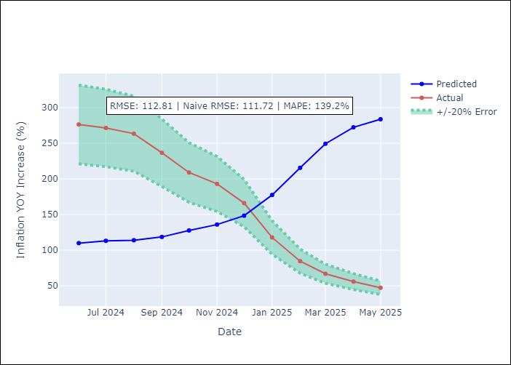
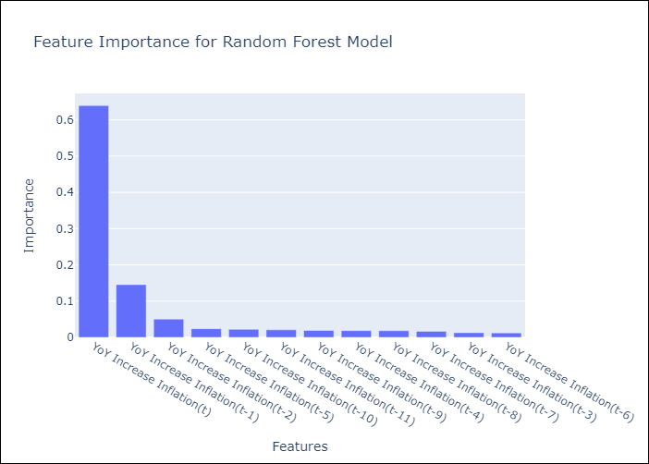

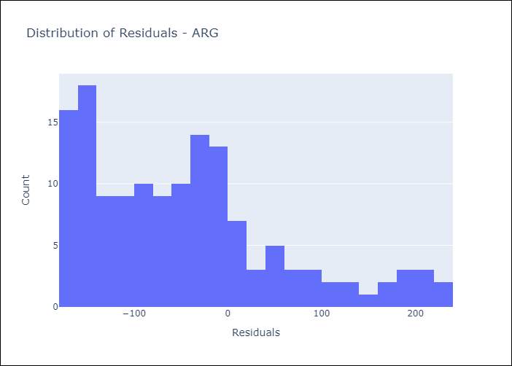
Appendix A: Model Summary
Model | Random Forest w/ Lags
Sample | 2007-01-01 to 2025-04-01
No. of Observations | 220
Residuals
Mean | -45.775549169
St Dev | 103.1082065
Kurtosis | 0.21440067834
Skewness | 0.89454569488

Assumptions | P-value

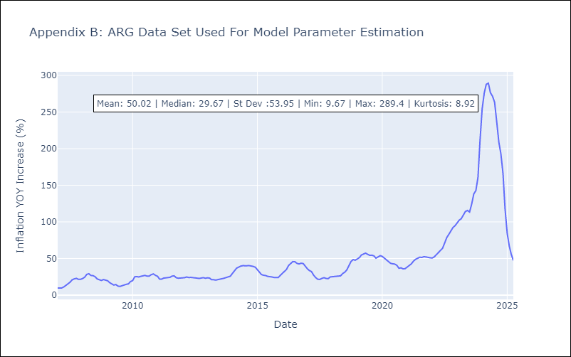

Appendix C: Residuals Analysis
Mean

BOL
BOL - Inflation - Next 12 months forecast as of: 2025-04-01

Model | Random Forest w/ Lags - [(1, 1, 2), (0, 0, 2, 12)]
Training Data | 2021-01-01 to 2024-05-01
Test Data | 2024-05-01 to 2025-04-01

Date | Inflation Change YoY % | Lower Bound - 95% Confidence Interval | Upper Bound - 95% Confidence Interval
2025-05-01 | 2.7 | 2.26 | 2.87
2025-06-01 | 2.7 | 2.27 | 2.76
2025-07-01 | 2.66 | 2.34 | 2.76
2025-08-01 | 2.77 | 2.41 | 2.98
2025-09-01 | 2.82 | 2.53 | 2.86
2025-10-01 | 2.59 | 2.17 | 2.72
2025-11-01 | 2.24 | 1.79 | 2.79
2025-12-01 | 2.19 | 2.03 | 2.69
2026-01-01 | 2.15 | 1.87 | 2.64
2026-02-01 | 2.25 | 2.12 | 2.62
2026-03-01 | 2.45 | 2.23 | 2.95
2026-04-01 | 2.78 | 2.07 | 3.25

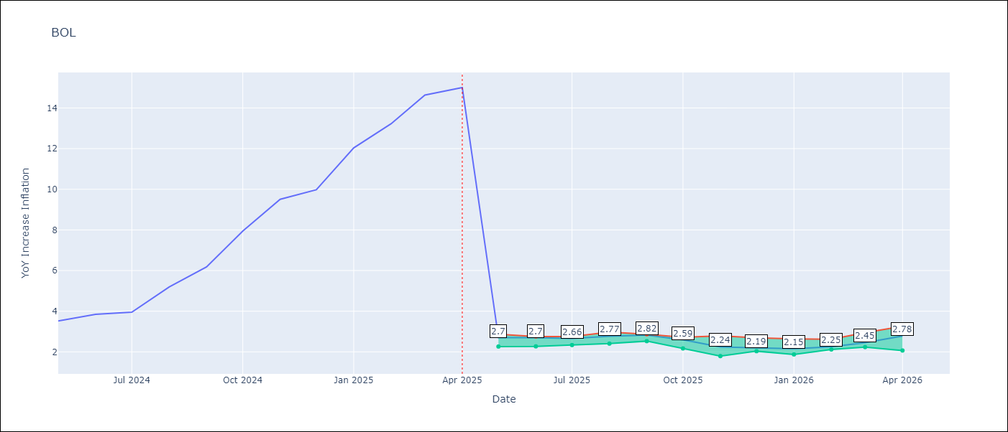

Test Metrics
RMSE | 3.9
Naive RMSE | 3.85
MAPE | 61.1%

Test Predictions
Date | Predicted | Actual
2024-06-01 | 2.68 | 3.52
2024-07-01 | 2.71 | 3.84
2024-08-01 | 2.69 | 3.95
2024-09-01 | 2.76 | 5.19
2024-10-01 | 2.77 | 6.18
2024-11-01 | 2.65 | 7.94
2024-12-01 | 2.5 | 9.51
2025-01-01 | 2.46 | 9.97
2025-02-01 | 2.33 | 12.03
2025-03-01 | 2.33 | 13.22
2025-04-01 | 2.34 | 14.63
2025-05-01 | 2.47 | 15.01

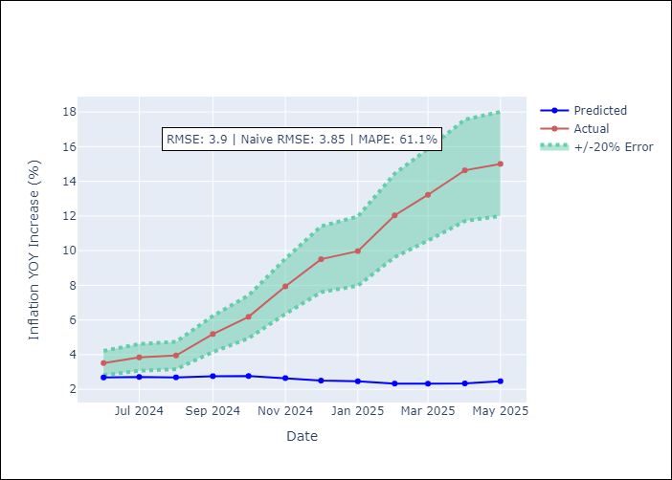
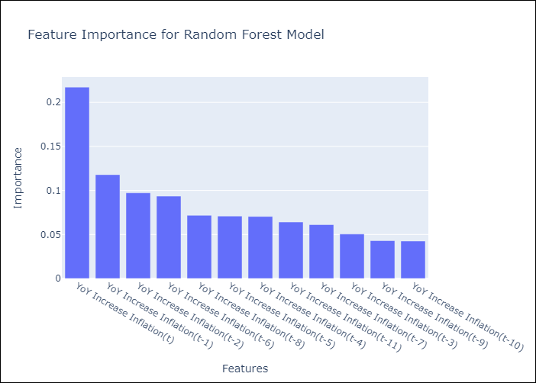

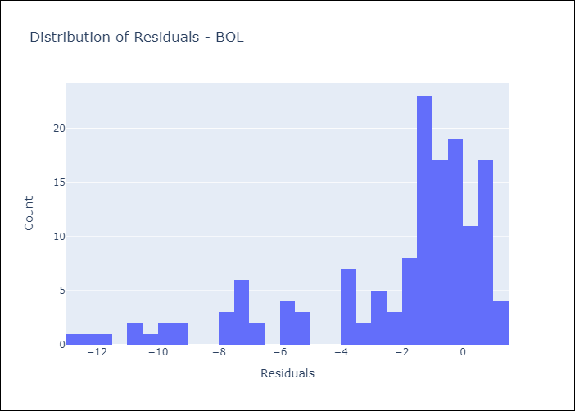
Appendix A: Model Summary
Model | Random Forest w/ Lags
Sample | 2021-01-01 to 2025-04-01
No. of Observations | 52
Residuals
Mean | -2.2085716509
St Dev | 3.2183596167
Kurtosis | 1.3881011407
Skewness | -1.4761224666

Assumptions | P-value

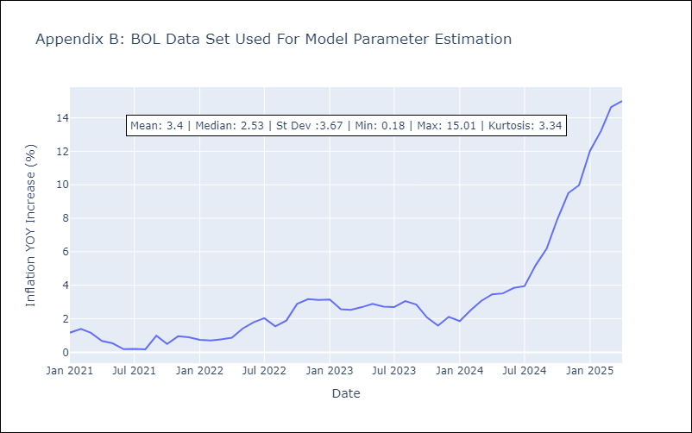

Appendix C: Residuals Analysis
Mean

BRA
BRA - Inflation - Next 12 months forecast as of: 2025-04-01

Model | Random Forest w/ Lags - [(1, 2, 1), (0, 0, 1, 12)]
Training Data | 1998-01-01 to 2024-05-01
Test Data | 2024-05-01 to 2025-04-01

Date | Inflation Change YoY % | Lower Bound - 95% Confidence Interval | Upper Bound - 95% Confidence Interval
2025-05-01 | 5.76 | 5.23 | 5.97
2025-06-01 | 5.91 | 5.26 | 6.11
2025-07-01 | 5.96 | 5.2 | 6.17
2025-08-01 | 6.05 | 5.24 | 6.27
2025-09-01 | 6.13 | 5.26 | 6.37
2025-10-01 | 6.19 | 5.25 | 6.41
2025-11-01 | 6.13 | 5.33 | 6.37
2025-12-01 | 6.06 | 5.41 | 6.33
2026-01-01 | 6.06 | 5.46 | 6.33
2026-02-01 | 6 | 5.4 | 6.32
2026-03-01 | 5.96 | 5.3 | 6.33
2026-04-01 | 5.86 | 5.14 | 6.28

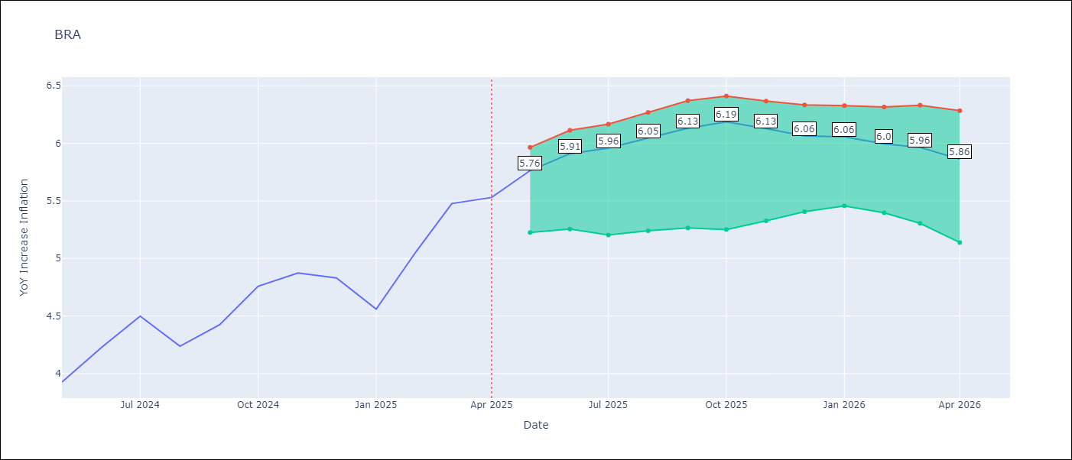

Test Metrics
RMSE | 1.06
Naive RMSE | 0.73
MAPE | 23.82%

Test Predictions
Date | Predicted | Actual
2024-06-01 | 3.77 | 3.93
2024-07-01 | 4.01 | 4.23
2024-08-01 | 4.07 | 4.5
2024-09-01 | 3.88 | 4.24
2024-10-01 | 3.59 | 4.42
2024-11-01 | 3.27 | 4.76
2024-12-01 | 3.05 | 4.87
2025-01-01 | 2.96 | 4.83
2025-02-01 | 2.99 | 4.56
2025-03-01 | 3.23 | 5.06
2025-04-01 | 3.63 | 5.48
2025-05-01 | 3.98 | 5.53

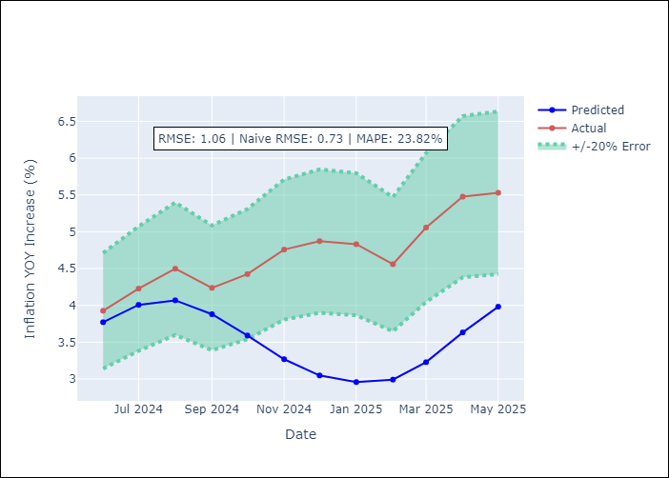
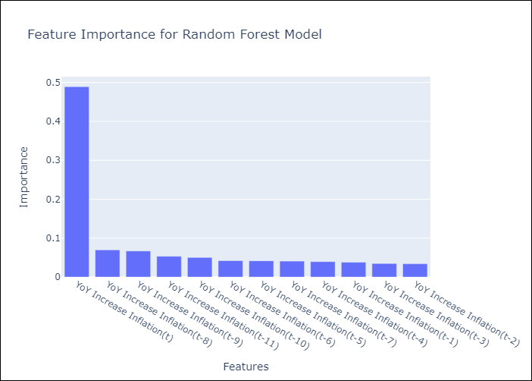

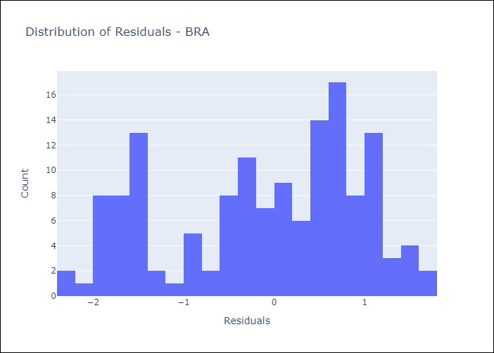
Appendix A: Model Summary
Model | Random Forest w/ Lags
Sample | 1998-01-01 to 2025-04-01
No. of Observations | 328
Residuals
Mean | -0.10141659507
St Dev | 1.0523833194
Kurtosis | -1.0513316277
Skewness | -0.38408979522

Assumptions | P-value



Appendix C: Residuals Analysis
Mean

CHL
CHL - Inflation - Next 12 months forecast as of: 2025-04-01

Model | Random Forest w/ Lags - [(2, 0, 0), (0, 0, 1, 12)]
Training Data | 2012-12-01 to 2024-05-01
Test Data | 2024-05-01 to 2025-04-01

Date | Inflation Change YoY % | Lower Bound - 95% Confidence Interval | Upper Bound - 95% Confidence Interval
2025-05-01 | 4.39 | 4.26 | 4.82
2025-06-01 | 4.3 | 4.2 | 4.84
2025-07-01 | 4.21 | 4.08 | 4.79
2025-08-01 | 4.13 | 3.84 | 4.8
2025-09-01 | 4.03 | 3.72 | 4.76
2025-10-01 | 3.99 | 3.58 | 4.93
2025-11-01 | 3.89 | 3.53 | 4.99
2025-12-01 | 3.8 | 3.4 | 5.04
2026-01-01 | 3.65 | 3.29 | 4.89
2026-02-01 | 3.58 | 3.19 | 4.72
2026-03-01 | 3.53 | 3.16 | 4.59
2026-04-01 | 3.48 | 3.07 | 4.61

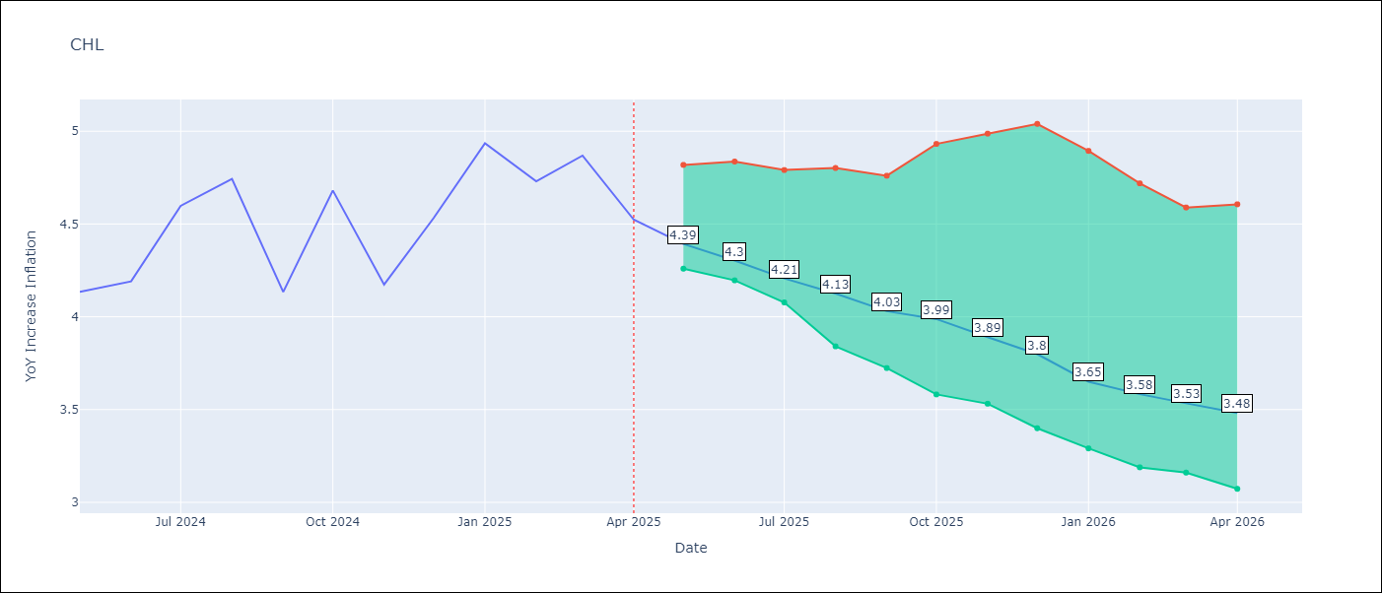

Test Metrics
RMSE | 1.05
Naive RMSE | 1.71
MAPE | 4.15%

Test Predictions
Date | Predicted | Actual
2024-06-01 | 4.22 | 4.13
2024-07-01 | 4.29 | 4.19
2024-08-01 | 4.37 | 4.6
2024-09-01 | 4.4 | 4.74
2024-10-01 | 4.36 | 4.13
2024-11-01 | 4.37 | 4.68
2024-12-01 | 4.5 | 4.17
2025-01-01 | 4.65 | 4.53
2025-02-01 | 4.72 | 4.94
2025-03-01 | 4.74 | 4.73
2025-04-01 | 4.67 | 4.87
2025-05-01 | 4.62 | 4.52

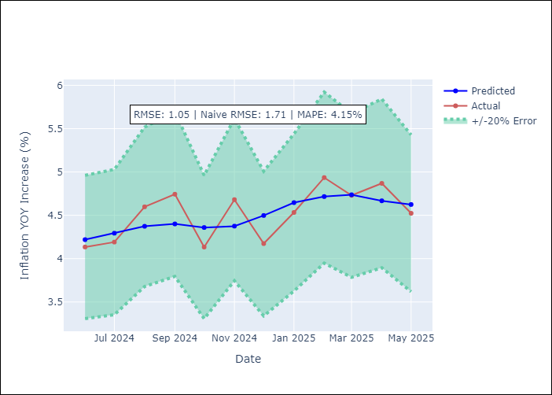
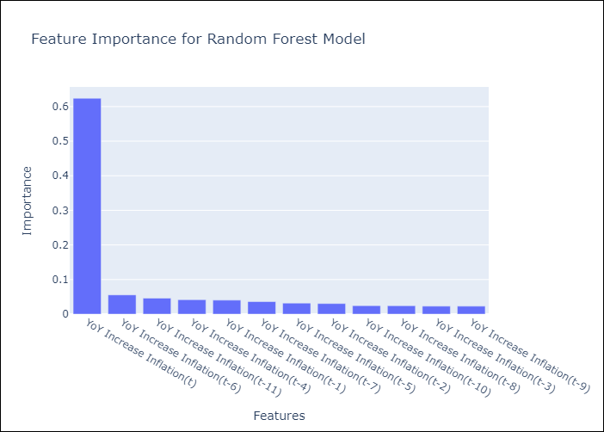

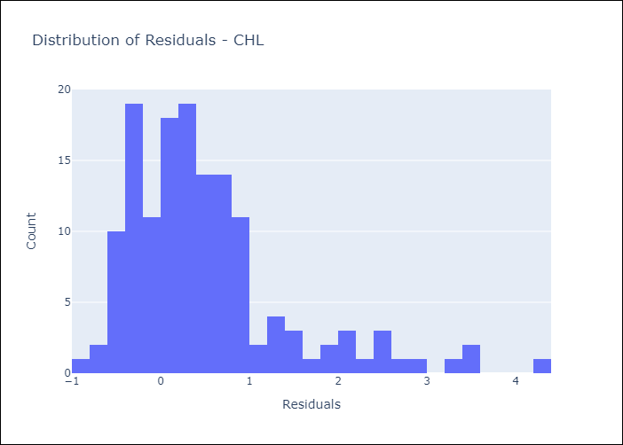
Appendix A: Model Summary
Model | Random Forest w/ Lags
Sample | 2012-12-01 to 2025-04-01
No. of Observations | 149
Residuals
Mean | 0.5112948306
St Dev | 0.91808010149
Kurtosis | 2.8559463123
Skewness | 1.5934568474

Assumptions | P-value



Appendix C: Residuals Analysis
Mean

COL
COL - Inflation - Next 12 months forecast as of: 2025-04-01

Model | Random Forest w/ Lags - [(1, 0, 1), (0, 0, 0, 12)]
Training Data | 2006-01-01 to 2024-05-01
Test Data | 2024-05-01 to 2025-04-01

Date | Inflation Change YoY % | Lower Bound - 95% Confidence Interval | Upper Bound - 95% Confidence Interval
2025-05-01 | 5.74 | 5.36 | 6.07
2025-06-01 | 5.8 | 5.33 | 6.17
2025-07-01 | 5.93 | 5.13 | 6.27
2025-08-01 | 6.2 | 5.24 | 6.74
2025-09-01 | 6.43 | 5.4 | 7.04
2025-10-01 | 6.67 | 5.51 | 7.38
2025-11-01 | 6.86 | 5.5 | 7.57
2025-12-01 | 7.07 | 5.65 | 7.67
2026-01-01 | 7.13 | 5.57 | 7.66
2026-02-01 | 7.15 | 5.44 | 7.58
2026-03-01 | 6.97 | 5.29 | 7.4
2026-04-01 | 6.73 | 5.08 | 7.18

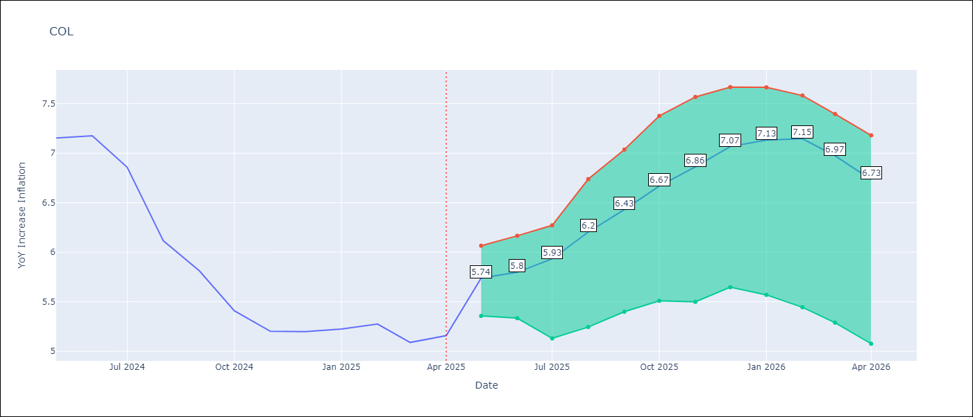

Test Metrics
RMSE | 2.55
Naive RMSE | 2.95
MAPE | 23.35%

Test Predictions
Date | Predicted | Actual
2024-06-01 | 5.79 | 7.15
2024-07-01 | 5.45 | 7.18
2024-08-01 | 5.11 | 6.86
2024-09-01 | 4.84 | 6.12
2024-10-01 | 4.55 | 5.81
2024-11-01 | 4.31 | 5.41
2024-12-01 | 4.11 | 5.2
2025-01-01 | 4 | 5.2
2025-02-01 | 3.85 | 5.22
2025-03-01 | 3.85 | 5.27
2025-04-01 | 3.84 | 5.09
2025-05-01 | 3.77 | 5.16

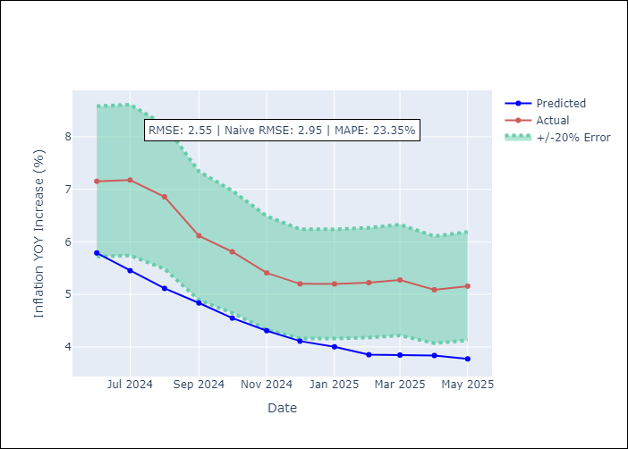
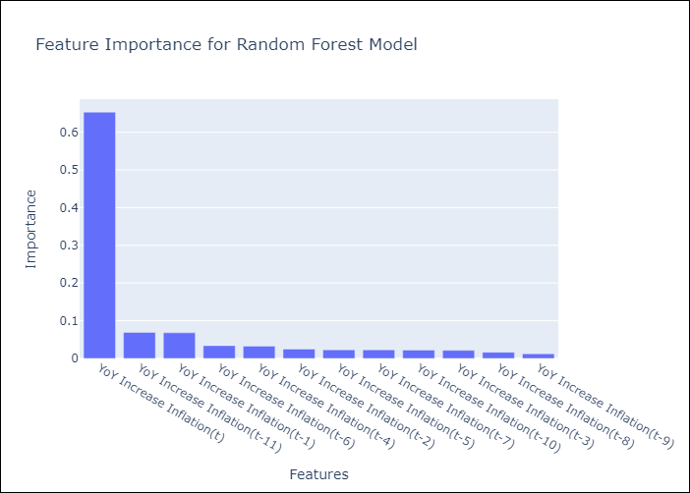

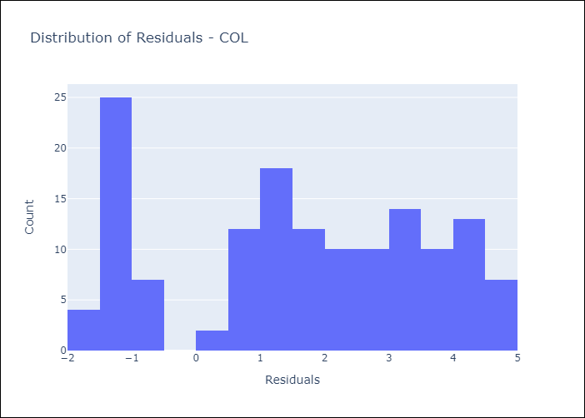
Appendix A: Model Summary
Model | Random Forest w/ Lags
Sample | 2006-01-01 to 2025-04-01
No. of Observations | 232
Residuals
Mean | 1.6034107051
St Dev | 1.984193871
Kurtosis | -1.1641527223
Skewness | -0.20303531329

Assumptions | P-value

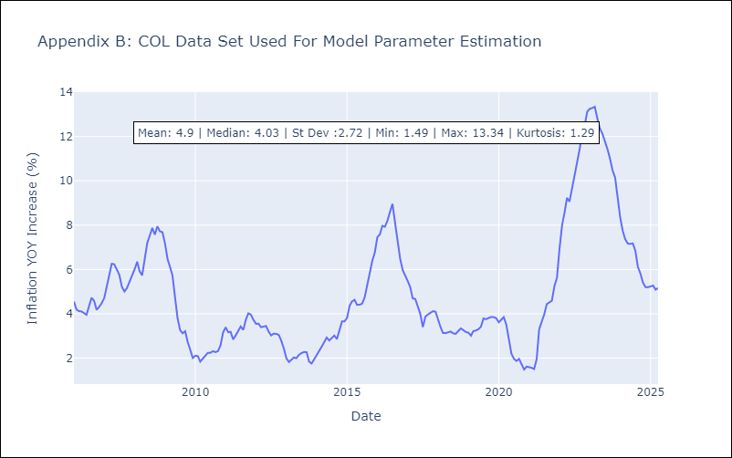

Appendix C: Residuals Analysis
Mean

ECU
ECU - Inflation - Next 12 months forecast as of: 2025-04-01

Model | Random Forest w/ Lags - [(2, 1, 1), (3, 0, 0, 12)]
Training Data | 2009-01-01 to 2024-05-01
Test Data | 2024-05-01 to 2025-04-01

Date | Inflation Change YoY % | Lower Bound - 95% Confidence Interval | Upper Bound - 95% Confidence Interval
2025-05-01 | 0.11 | -0.36 | 0.42
2025-06-01 | 0.09 | -0.48 | 0.36
2025-07-01 | 0.03 | -0.47 | 0.3
2025-08-01 | -0.08 | -0.47 | 0.22
2025-09-01 | -0.19 | -0.52 | 0.05
2025-10-01 | -0.33 | -0.59 | -0.09
2025-11-01 | -0.41 | -0.59 | -0.18
2025-12-01 | -0.41 | -0.63 | -0.23
2026-01-01 | -0.34 | -0.58 | -0.21
2026-02-01 | -0.18 | -0.42 | -0.04
2026-03-01 | -0.05 | -0.3 | 0.21
2026-04-01 | 0.06 | -0.28 | 0.41

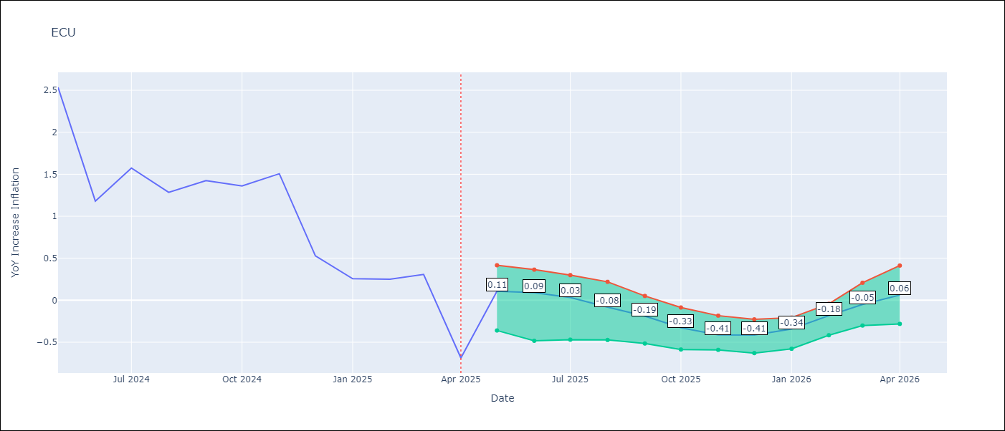

Test Metrics
RMSE | 1.4
Naive RMSE | 0.86
MAPE | 477.44%

Test Predictions
Date | Predicted | Actual
2024-06-01 | 2.97 | 2.53
2024-07-01 | 3.12 | 1.18
2024-08-01 | 3.24 | 1.57
2024-09-01 | 3.42 | 1.28
2024-10-01 | 3.61 | 1.42
2024-11-01 | 3.69 | 1.36
2024-12-01 | 3.71 | 1.51
2025-01-01 | 3.69 | 0.53
2025-02-01 | 3.62 | 0.26
2025-03-01 | 3.52 | 0.25
2025-04-01 | 3.42 | 0.31
2025-05-01 | 3.25 | -0.69

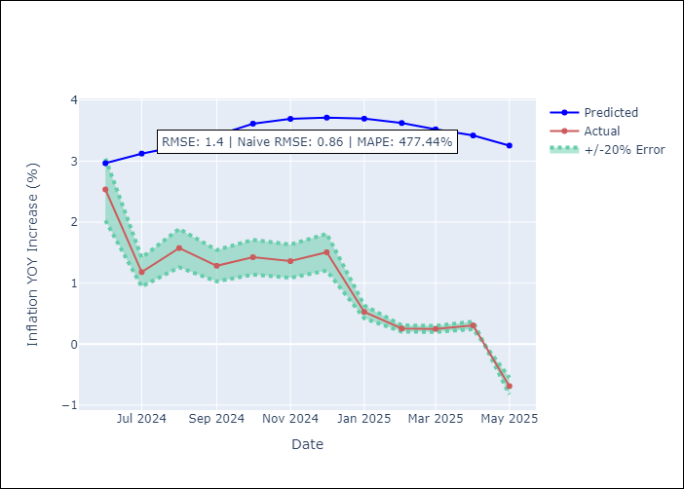
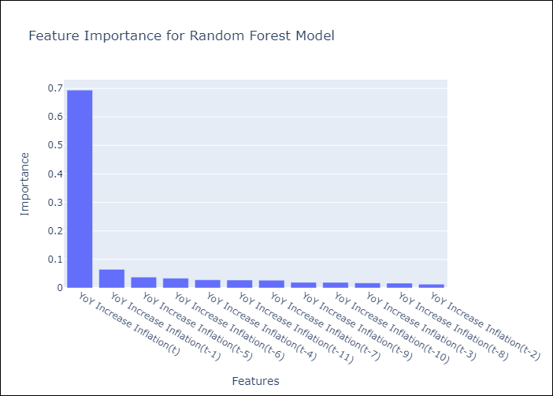

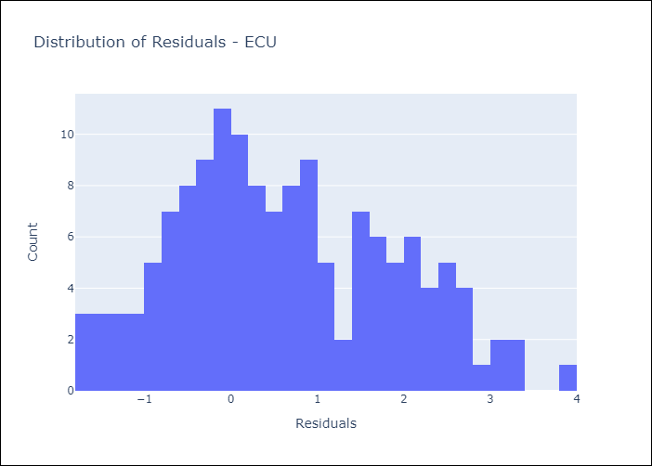
Appendix A: Model Summary
Model | Random Forest w/ Lags
Sample | 2009-01-01 to 2025-04-01
No. of Observations | 196
Residuals
Mean | 0.62316703186
St Dev | 1.2481398778
Kurtosis | -0.63742498281
Skewness | 0.32083030773

Assumptions | P-value

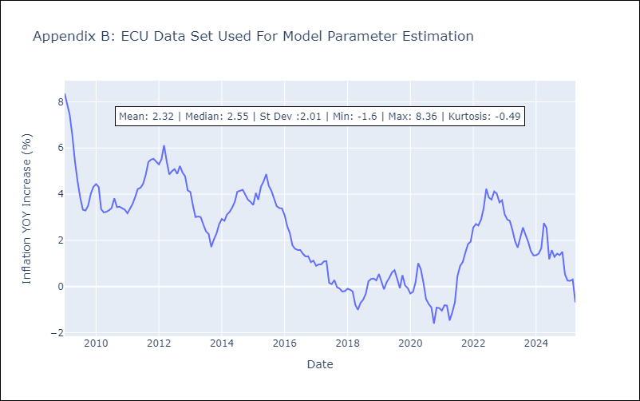

Appendix C: Residuals Analysis
Mean

PER
PER - Inflation - Next 12 months forecast as of: 2025-04-01

Model | Random Forest w/ Lags - [(3, 2, 0), (3, 0, 0, 12)]
Training Data | 1994-01-01 to 2024-05-01
Test Data | 2024-05-01 to 2025-04-01

Date | Inflation Change YoY % | Lower Bound - 95% Confidence Interval | Upper Bound - 95% Confidence Interval
2025-05-01 | 1.78 | 1.53 | 1.85
2025-06-01 | 1.83 | 1.55 | 1.93
2025-07-01 | 1.95 | 1.69 | 2.06
2025-08-01 | 1.96 | 1.66 | 2.11
2025-09-01 | 1.99 | 1.85 | 2.21
2025-10-01 | 2.07 | 1.87 | 2.34
2025-11-01 | 2.25 | 1.9 | 2.5
2025-12-01 | 2.39 | 2.04 | 2.68
2026-01-01 | 2.58 | 2.11 | 2.8
2026-02-01 | 2.69 | 2.2 | 3.06
2026-03-01 | 2.82 | 2.24 | 3.16
2026-04-01 | 3.1 | 2.43 | 3.53

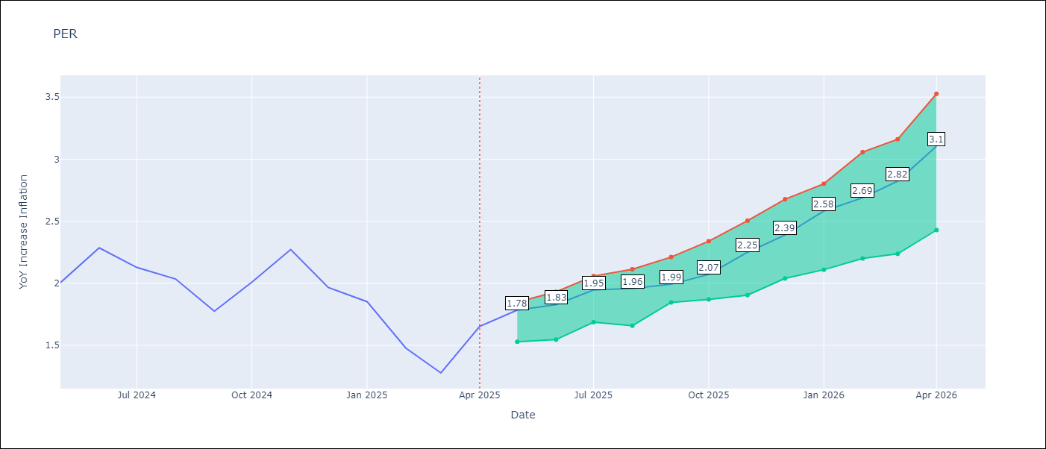

Test Metrics
RMSE | 1.11
Naive RMSE | 2.19
MAPE | 62.54%

Test Predictions
Date | Predicted | Actual
2024-06-01 | 2.86 | 2
2024-07-01 | 2.99 | 2.29
2024-08-01 | 3.1 | 2.13
2024-09-01 | 3.14 | 2.03
2024-10-01 | 3.15 | 1.78
2024-11-01 | 3.14 | 2.01
2024-12-01 | 3.12 | 2.27
2025-01-01 | 3.08 | 1.97
2025-02-01 | 2.92 | 1.85
2025-03-01 | 2.82 | 1.48
2025-04-01 | 2.85 | 1.28
2025-05-01 | 2.93 | 1.65

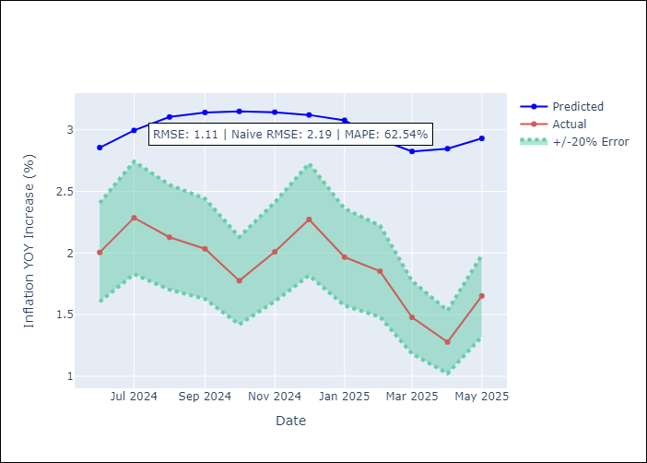
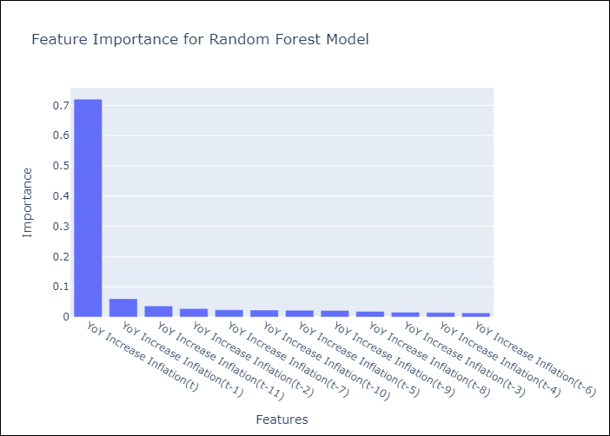

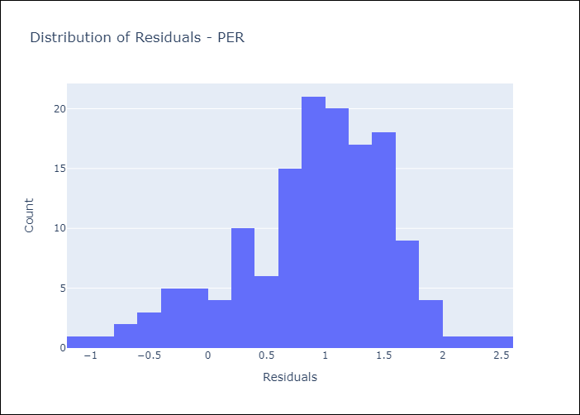
Appendix A: Model Summary
Model | Random Forest w/ Lags
Sample | 1994-01-01 to 2025-04-01
No. of Observations | 376
Residuals
Mean | 0.89349233528
St Dev | 0.65725881317
Kurtosis | 0.23331252446
Skewness | -0.59747407027

Assumptions | P-value

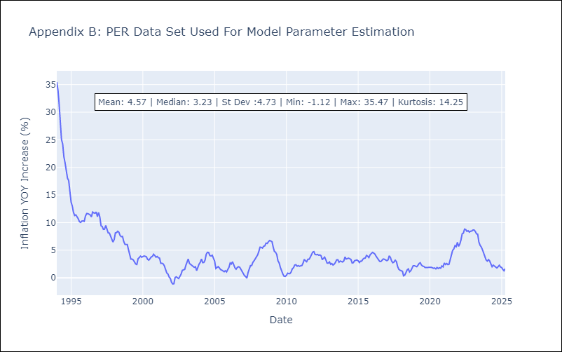

Appendix C: Residuals Analysis
Mean

PRY
PRY - Inflation - Next 12 months forecast as of: 2025-04-01

Model | Random Forest w/ Lags - [(2, 1, 1), (1, 0, 1, 12)]
Training Data | 1995-12-01 to 2024-05-01
Test Data | 2024-05-01 to 2025-04-01

Date | Inflation Change YoY % | Lower Bound - 95% Confidence Interval | Upper Bound - 95% Confidence Interval
2025-05-01 | 3.62 | 3.25 | 3.9
2025-06-01 | 3.55 | 2.98 | 3.82
2025-07-01 | 3.45 | 3.05 | 3.73
2025-08-01 | 3.34 | 3 | 3.62
2025-09-01 | 3.03 | 2.85 | 3.56
2025-10-01 | 3.01 | 2.76 | 3.54
2025-11-01 | 3.04 | 2.87 | 3.45
2025-12-01 | 2.96 | 2.78 | 3.56
2026-01-01 | 3.07 | 2.81 | 3.53
2026-02-01 | 3.08 | 2.96 | 3.57
2026-03-01 | 3.07 | 2.88 | 3.45
2026-04-01 | 2.95 | 2.87 | 3.4

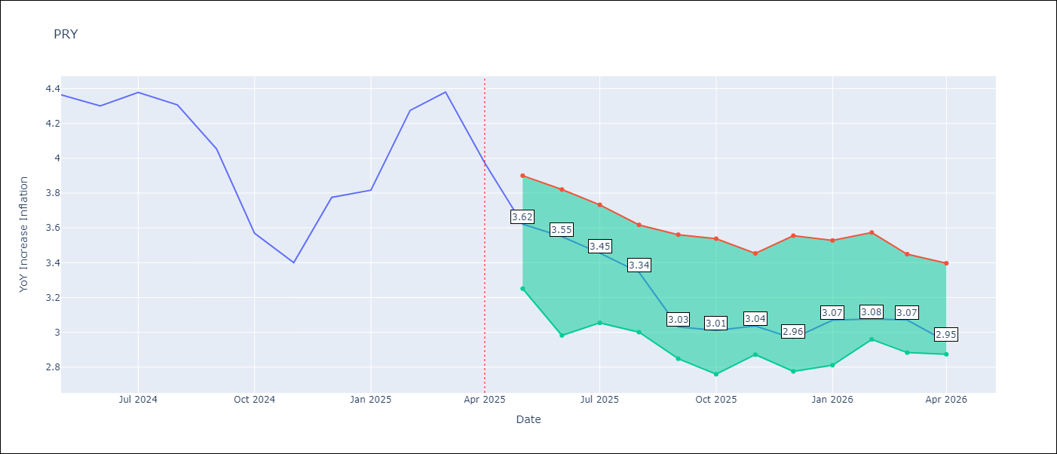

Test Metrics
RMSE | 0.88
Naive RMSE | 0.82
MAPE | 16.55%

Test Predictions
Date | Predicted | Actual
2024-06-01 | 3.57 | 4.36
2024-07-01 | 3.51 | 4.3
2024-08-01 | 3.25 | 4.38
2024-09-01 | 3.19 | 4.31
2024-10-01 | 3.2 | 4.05
2024-11-01 | 3.03 | 3.57
2024-12-01 | 3.2 | 3.4
2025-01-01 | 3.29 | 3.78
2025-02-01 | 3.41 | 3.82
2025-03-01 | 3.55 | 4.27
2025-04-01 | 3.59 | 4.38
2025-05-01 | 3.59 | 3.97

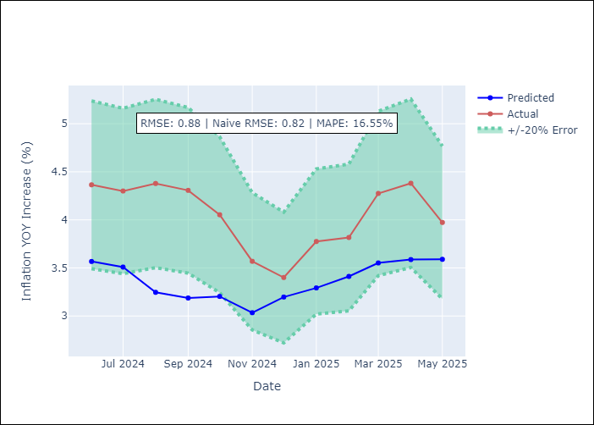
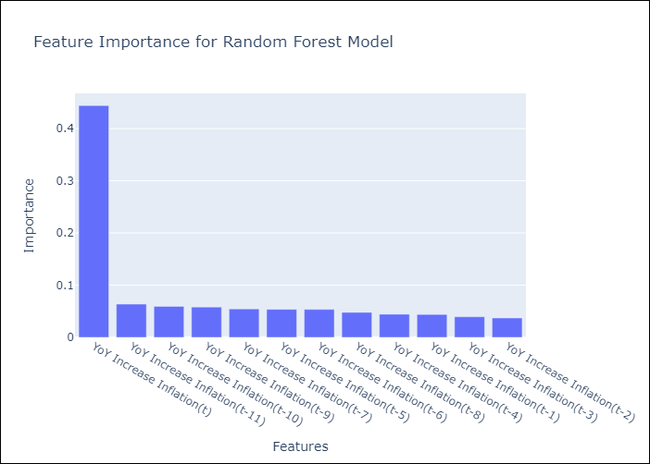

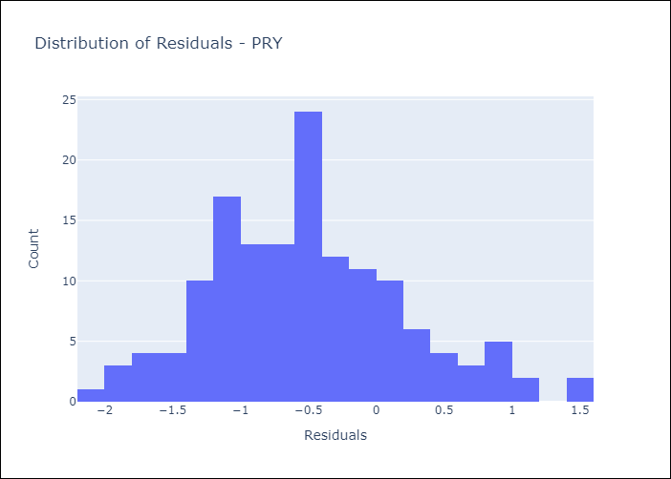
Appendix A: Model Summary
Model | Random Forest w/ Lags
Sample | 1995-12-01 to 2025-04-01
No. of Observations | 353
Residuals
Mean | -0.50059126395
St Dev | 0.72797312354
Kurtosis | -0.035499947045
Skewness | 0.38481283415

Assumptions | P-value



Appendix C: Residuals Analysis
Mean

URY
URY - Inflation - Next 12 months forecast as of: 2025-04-01

Model | Random Forest w/ Lags - [(0, 2, 1), (3, 0, 0, 12)]
Training Data | 1992-01-01 to 2024-05-01
Test Data | 2024-05-01 to 2025-04-01

Date | Inflation Change YoY % | Lower Bound - 95% Confidence Interval | Upper Bound - 95% Confidence Interval
2025-05-01 | 4.78 | 4.58 | 5.39
2025-06-01 | 4.78 | 4.38 | 5.46
2025-07-01 | 4.65 | 4.14 | 5.5
2025-08-01 | 4.62 | 3.93 | 5.54
2025-09-01 | 4.58 | 3.85 | 5.45
2025-10-01 | 4.79 | 4.02 | 5.56
2025-11-01 | 4.98 | 4.19 | 5.56
2025-12-01 | 5.26 | 4.49 | 5.83
2026-01-01 | 5.68 | 4.59 | 6.22
2026-02-01 | 6.18 | 4.71 | 6.58
2026-03-01 | 7.1 | 5.06 | 7.36
2026-04-01 | 8.87 | 5.49 | 9.55

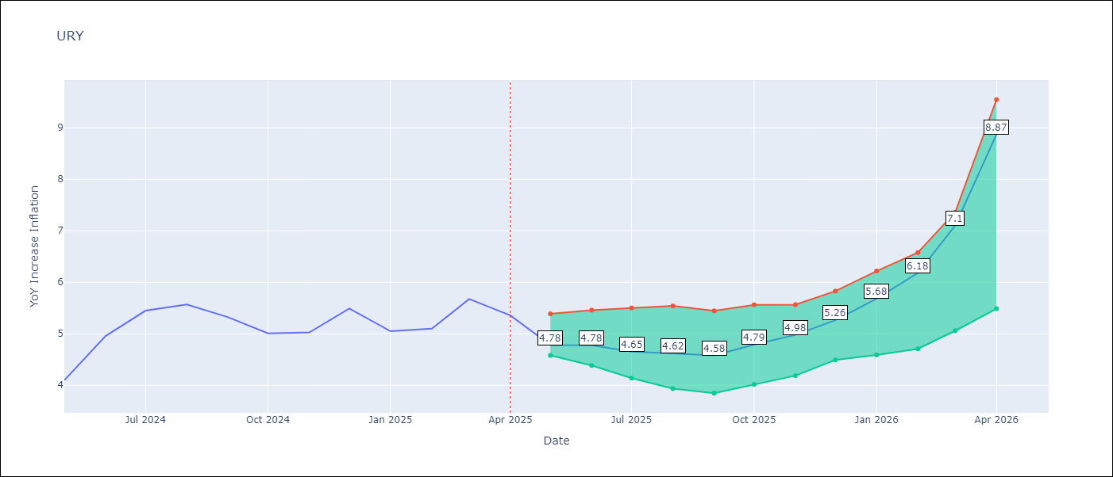

Test Metrics
RMSE | 2.11
Naive RMSE | 1.24
MAPE | 62.57%

Test Predictions
Date | Predicted | Actual
2024-06-01 | 4.43 | 4.1
2024-07-01 | 4.58 | 4.96
2024-08-01 | 4.88 | 5.45
2024-09-01 | 5.35 | 5.57
2024-10-01 | 5.85 | 5.32
2024-11-01 | 6.29 | 5.01
2024-12-01 | 6.78 | 5.03
2025-01-01 | 7.7 | 5.49
2025-02-01 | 9.53 | 5.05
2025-03-01 | 12.36 | 5.1
2025-04-01 | 15.2 | 5.67
2025-05-01 | 16.66 | 5.36

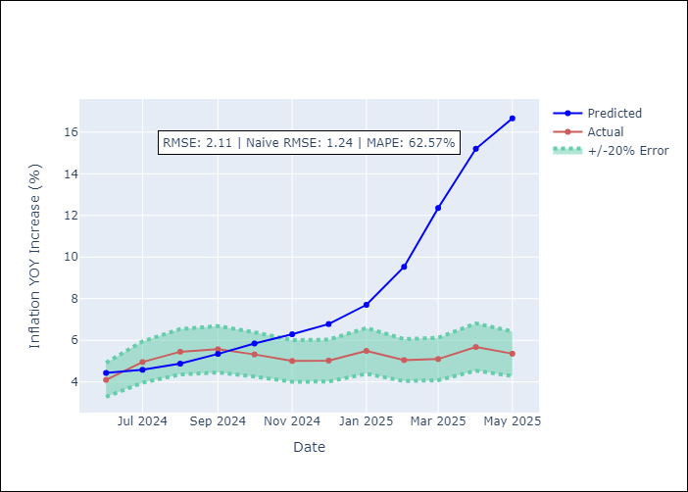
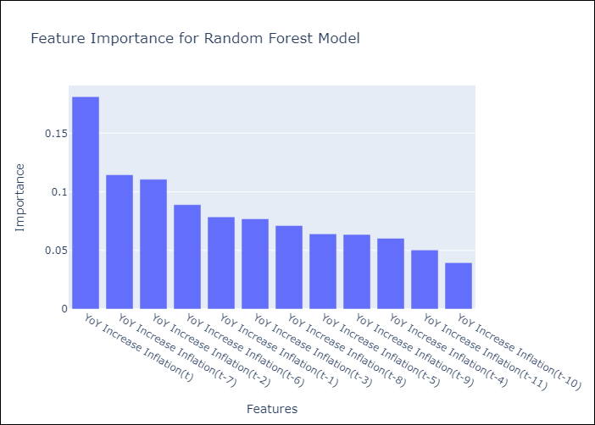

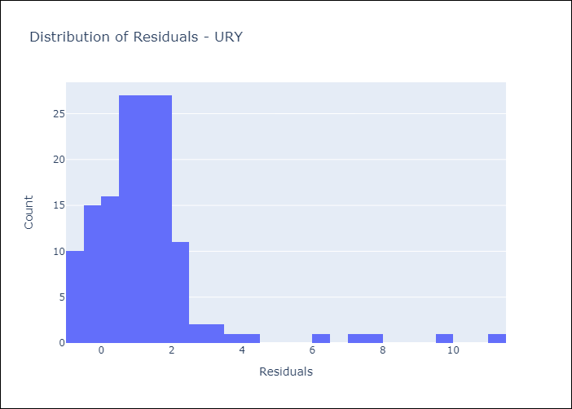
Appendix A: Model Summary
Model | Random Forest w/ Lags
Sample | 1992-01-01 to 2025-04-01
No. of Observations | 400
Residuals
Mean | 1.2565100325
St Dev | 1.6956775859
Kurtosis | 12.797279804
Skewness | 2.9899286179

Assumptions | P-value

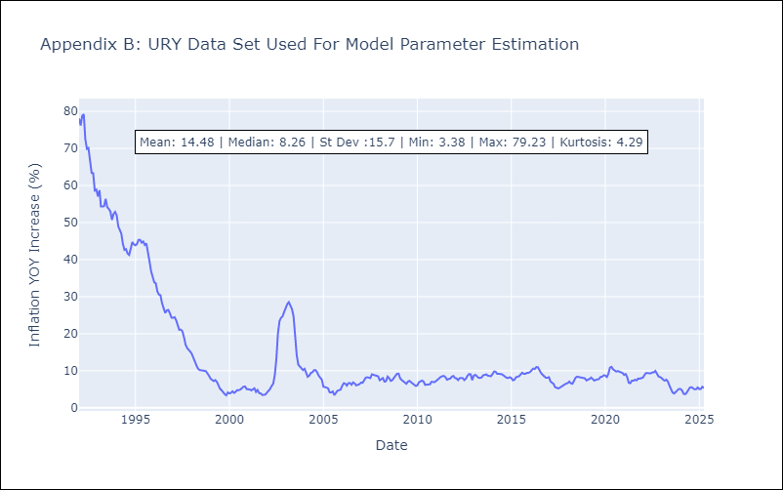

Appendix C: Residuals Analysis
Mean

VEN
VEN - Inflation - Next 12 months forecast as of: 2016-12-01

Model | Random Forest w/ Lags - [(3, 0, 0), (0, 0, 0, 12)]
Training Data | 2013-01-01 to 2016-01-01
Test Data | 2016-01-01 to 2016-12-01

Date | Inflation Change YoY % | Lower Bound - 95% Confidence Interval | Upper Bound - 95% Confidence Interval
2017-01-01 | 69.82 | 63.76 | 74.54
2017-02-01 | 75.08 | 64.73 | 78.81
2017-03-01 | 79.08 | 69.37 | 81.34
2017-04-01 | 81.61 | 74.32 | 83.04
2017-05-01 | 84.17 | 77.89 | 86.84
2017-06-01 | 89.57 | 81.36 | 95.73
2017-07-01 | 98.67 | 84.19 | 107.33
2017-08-01 | 111.45 | 88.99 | 123.43
2017-09-01 | 126.25 | 98.32 | 137.7
2017-10-01 | 140.83 | 111.21 | 152.38
2017-11-01 | 155.95 | 126.98 | 168.09
2017-12-01 | 169.18 | 141.12 | 177.62

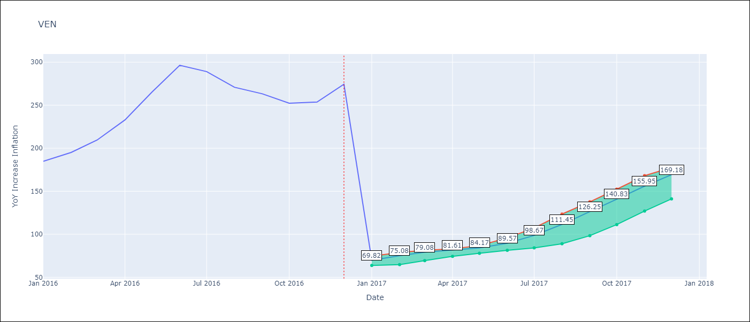

Test Metrics
RMSE | 97.16
Naive RMSE | 88.69
MAPE | 57.23%

Test Predictions
Date | Predicted | Actual
2016-02-01 | 69.82 | 184.76
2016-03-01 | 75.08 | 195.13
2016-04-01 | 79.08 | 209.56
2016-05-01 | 81.61 | 232.92
2016-06-01 | 84.17 | 265.24
2016-07-01 | 89.57 | 296.44
2016-08-01 | 98.67 | 289.06
2016-09-01 | 111.45 | 270.87
2016-10-01 | 126.25 | 263.24
2016-11-01 | 140.83 | 252.27
2016-12-01 | 155.95 | 253.65
2017-01-01 | 169.18 | 274.35

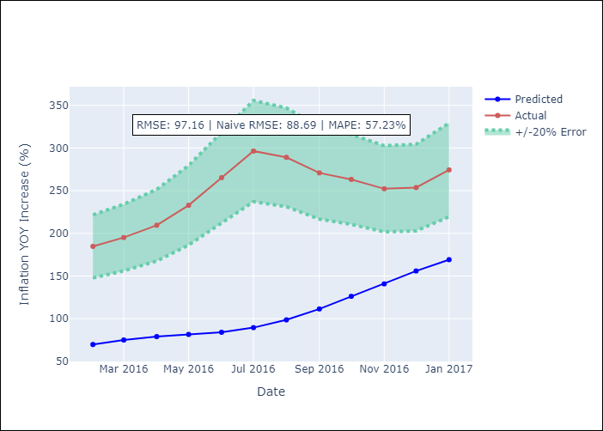
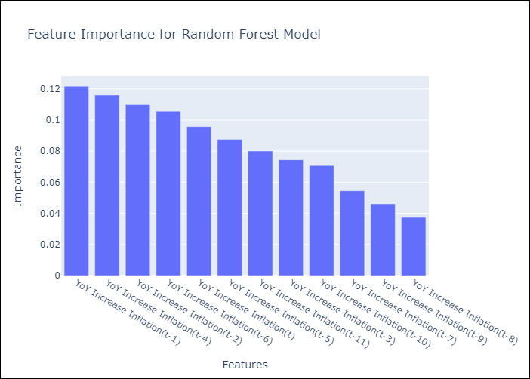

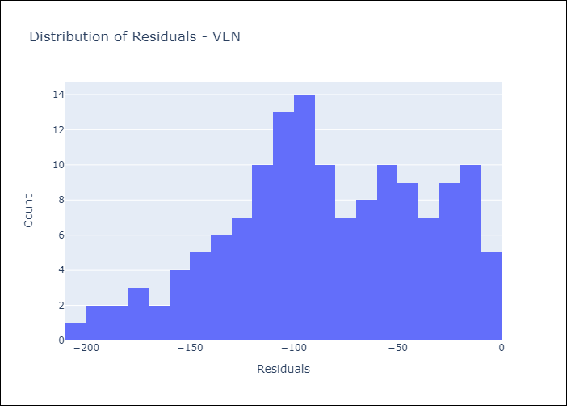
Appendix A: Model Summary
Model | Random Forest w/ Lags
Sample | 2013-01-01 to 2016-12-01
No. of Observations | 48
Residuals
Mean | -84.585827314
St Dev | 47.796179104
Kurtosis | -0.58739461326
Skewness | -0.28056367454

Assumptions | P-value

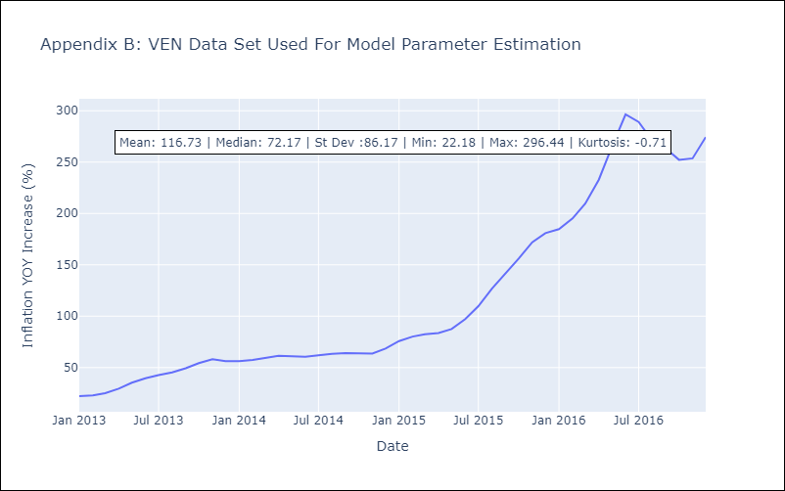

Appendix C: Residuals Analysis
Mean

