ARG
ARG - Inflation - Next 12 months forecast as of: 2025-04-01

Model | Random Forest w/ Lags - [(2, 2, 2), (0, 0, 1, 12)]
Training Data | 2007-01-01 to 2024-05-01
Test Data | 2024-05-01 to 2025-04-01

Date | Inflation Change YoY % | Lower Bound - 95% Confidence Interval | Upper Bound - 95% Confidence Interval
2025-05-01 | 53.54 | 49.44 | 74.46
2025-06-01 | 53.22 | 47.9 | 75.49
2025-07-01 | 52.32 | 46.96 | 75.26
2025-08-01 | 51.17 | 46.27 | 76.76
2025-09-01 | 50.31 | 44.96 | 79.84
2025-10-01 | 48.92 | 42.92 | 83.22
2025-11-01 | 48.11 | 41.45 | 87
2025-12-01 | 48.96 | 40.75 | 96.08
2026-01-01 | 51 | 40.09 | 108.92
2026-02-01 | 52.61 | 40.25 | 118.93
2026-03-01 | 53.74 | 41 | 129.66
2026-04-01 | 55.15 | 42.01 | 135.7

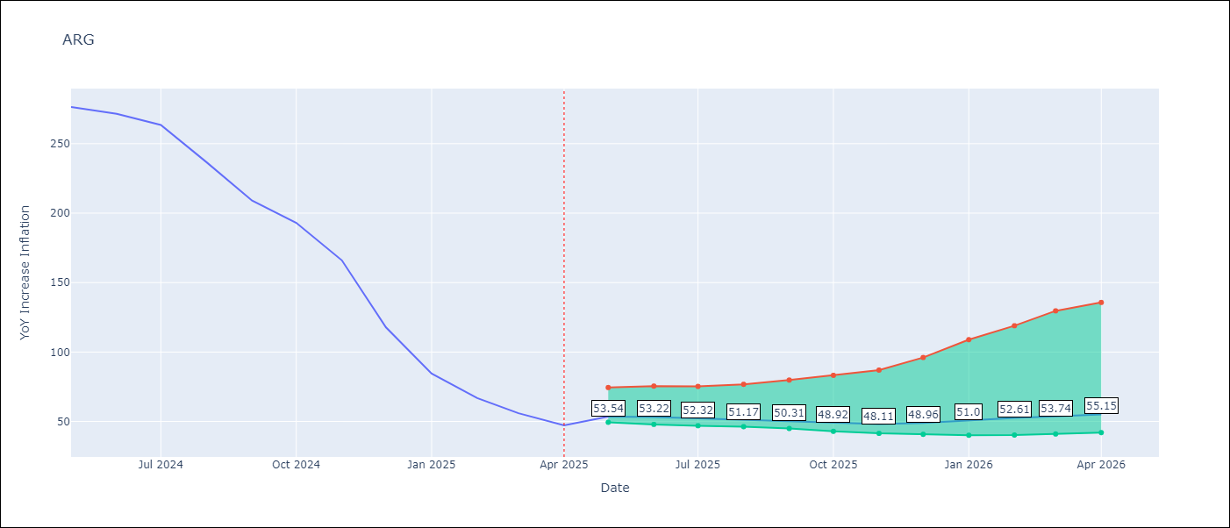

Test Metrics
RMSE | 112.01
Naive RMSE | 111.72
MAPE | 143.22%

Test Predictions
Date | Predicted | Actual
2024-06-01 | 111.42 | 276.41
2024-07-01 | 114.13 | 271.53
2024-08-01 | 113.76 | 263.45
2024-09-01 | 120.22 | 236.72
2024-10-01 | 131.63 | 209
2024-11-01 | 138.91 | 192.99
2024-12-01 | 152.72 | 166.03
2025-01-01 | 189.36 | 117.76
2025-02-01 | 230.81 | 84.54
2025-03-01 | 260.26 | 66.87
2025-04-01 | 277.72 | 55.93
2025-05-01 | 284.68 | 47.26

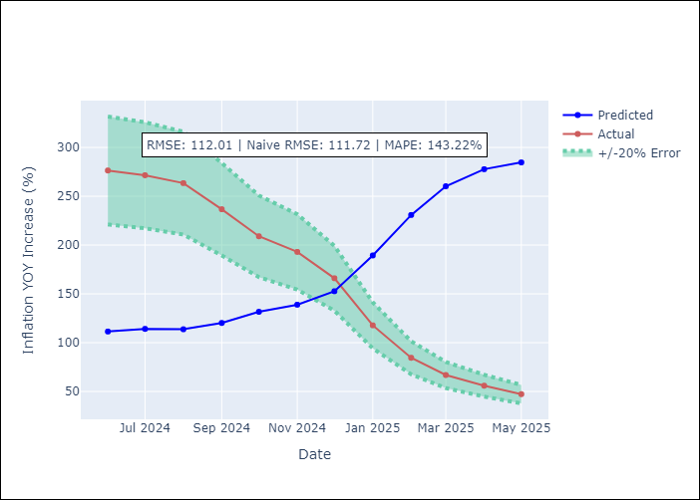
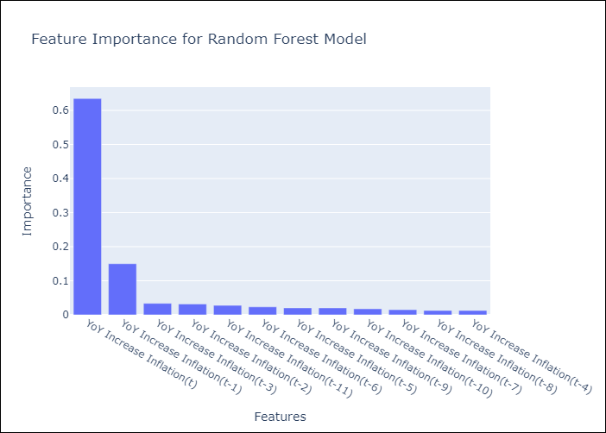

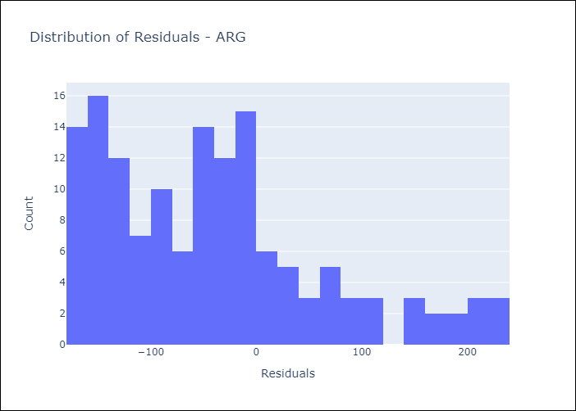
Appendix A: Model Summary
Model | Random Forest w/ Lags
Sample | 2007-01-01 to 2025-04-01
No. of Observations | 220
Residuals
Mean | -40.809175406
St Dev | 104.31408193
Kurtosis | 0.10230110793
Skewness | 0.84173589685

Assumptions | P-value

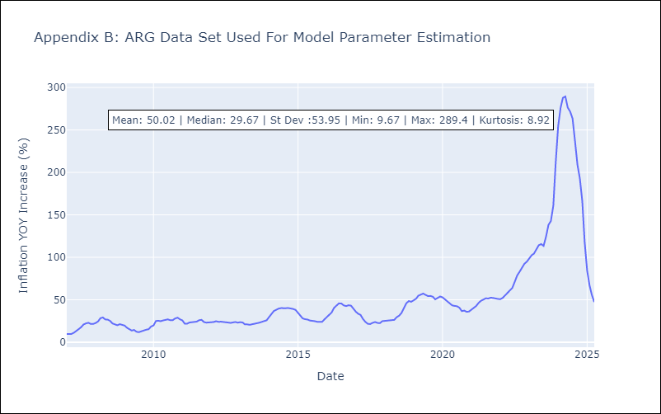

Appendix C: Residuals Analysis
Mean

BOL
BOL - Inflation - Next 12 months forecast as of: 2025-04-01

Model | Random Forest w/ Lags - [(1, 1, 2), (0, 0, 2, 12)]
Training Data | 2021-01-01 to 2024-05-01
Test Data | 2024-05-01 to 2025-04-01

Date | Inflation Change YoY % | Lower Bound - 95% Confidence Interval | Upper Bound - 95% Confidence Interval
2025-05-01 | 2.75 | 2.07 | 2.97
2025-06-01 | 2.71 | 2.1 | 2.91
2025-07-01 | 2.69 | 2.14 | 2.79
2025-08-01 | 2.83 | 2.17 | 2.95
2025-09-01 | 2.82 | 2.38 | 2.9
2025-10-01 | 2.54 | 2.23 | 2.89
2025-11-01 | 2.2 | 1.82 | 2.69
2025-12-01 | 2.18 | 2 | 2.77
2026-01-01 | 2.04 | 1.92 | 2.89
2026-02-01 | 2.23 | 1.99 | 2.61
2026-03-01 | 2.52 | 2.05 | 2.92
2026-04-01 | 2.84 | 2.03 | 3.17

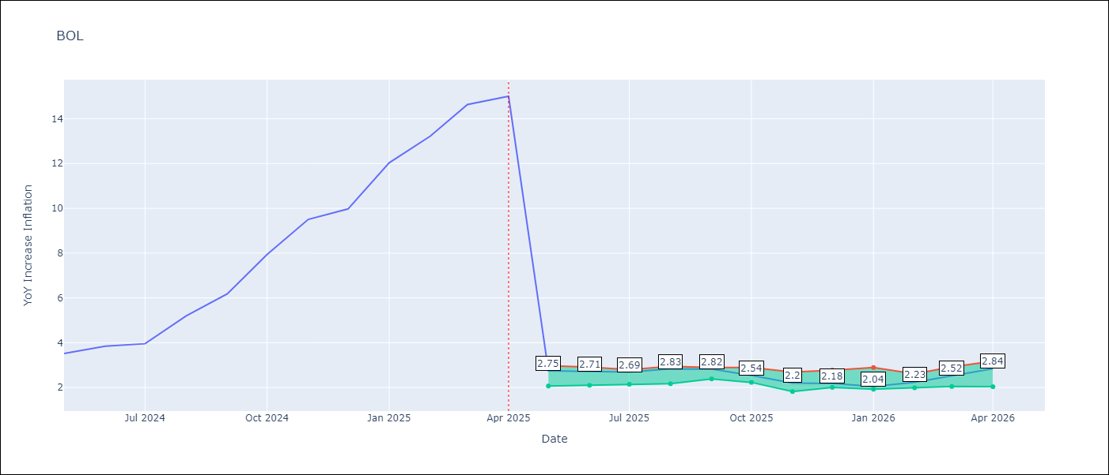

Test Metrics
RMSE | 3.9
Naive RMSE | 3.85
MAPE | 61.19%

Test Predictions
Date | Predicted | Actual
2024-06-01 | 2.72 | 3.52
2024-07-01 | 2.7 | 3.84
2024-08-01 | 2.67 | 3.95
2024-09-01 | 2.8 | 5.19
2024-10-01 | 2.82 | 6.18
2024-11-01 | 2.63 | 7.94
2024-12-01 | 2.4 | 9.51
2025-01-01 | 2.37 | 9.97
2025-02-01 | 2.23 | 12.03
2025-03-01 | 2.22 | 13.22
2025-04-01 | 2.38 | 14.63
2025-05-01 | 2.59 | 15.01

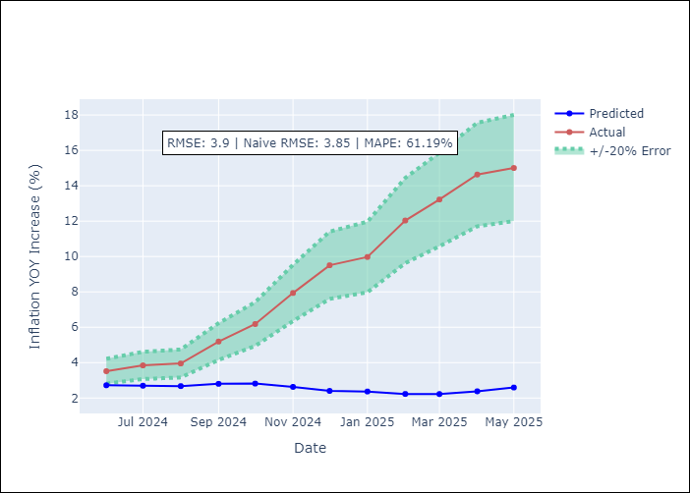
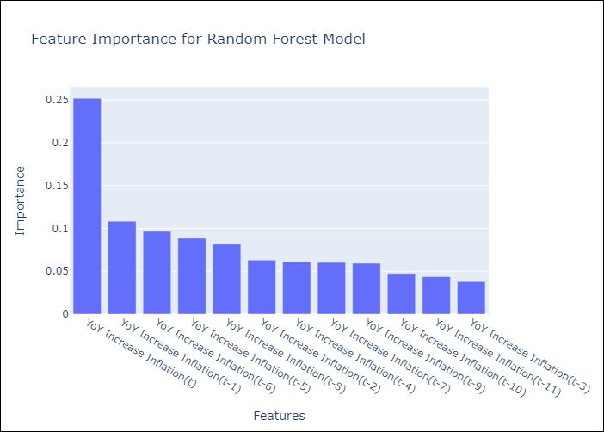

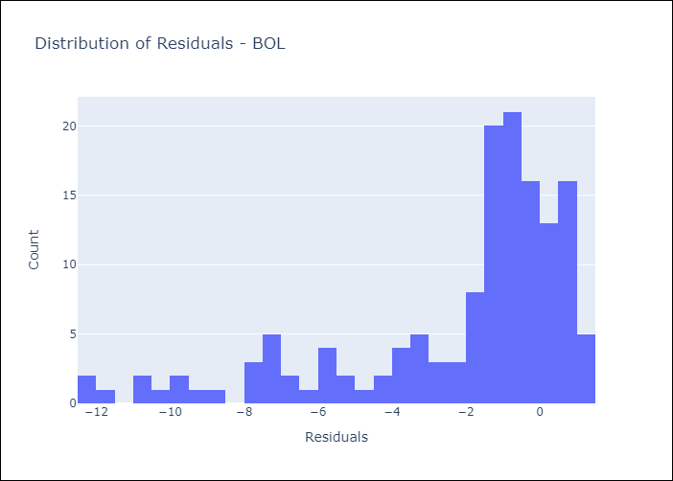
Appendix A: Model Summary
Model | Random Forest w/ Lags
Sample | 2021-01-01 to 2025-04-01
No. of Observations | 52
Residuals
Mean | -2.2050727101
St Dev | 3.2205995703
Kurtosis | 1.3364133447
Skewness | -1.4635856654

Assumptions | P-value

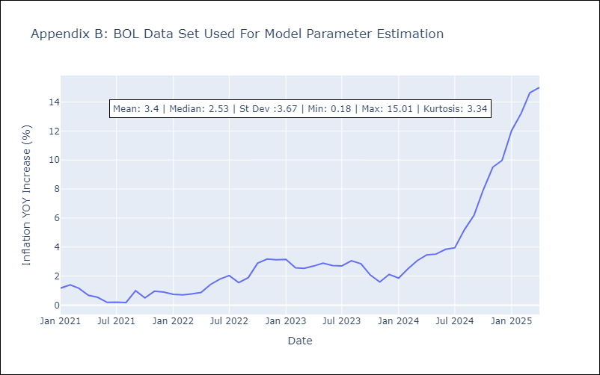

Appendix C: Residuals Analysis
Mean

BRA
BRA - Inflation - Next 12 months forecast as of: 2025-04-01

Model | Random Forest w/ Lags - [(1, 2, 1), (0, 0, 1, 12)]
Training Data | 1998-01-01 to 2024-05-01
Test Data | 2024-05-01 to 2025-04-01

Date | Inflation Change YoY % | Lower Bound - 95% Confidence Interval | Upper Bound - 95% Confidence Interval
2025-05-01 | 5.78 | 5.3 | 5.87
2025-06-01 | 5.9 | 5.35 | 6.07
2025-07-01 | 5.93 | 5.42 | 6.15
2025-08-01 | 6.02 | 5.48 | 6.22
2025-09-01 | 6.11 | 5.54 | 6.32
2025-10-01 | 6.09 | 5.56 | 6.35
2025-11-01 | 6.01 | 5.55 | 6.36
2025-12-01 | 5.95 | 5.62 | 6.25
2026-01-01 | 5.91 | 5.69 | 6.24
2026-02-01 | 5.83 | 5.6 | 6.24
2026-03-01 | 5.74 | 5.53 | 6.22
2026-04-01 | 5.58 | 5.4 | 6.18

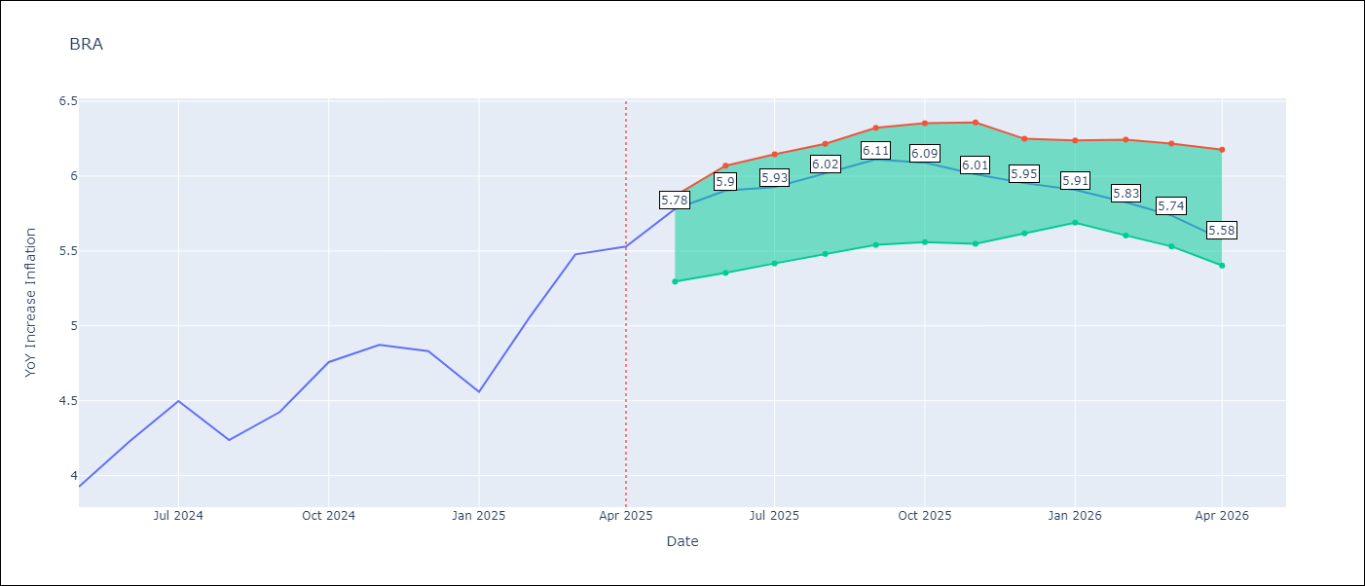

Test Metrics
RMSE | 1.04
Naive RMSE | 0.73
MAPE | 22.38%

Test Predictions
Date | Predicted | Actual
2024-06-01 | 3.83 | 3.93
2024-07-01 | 4.03 | 4.23
2024-08-01 | 4.01 | 4.5
2024-09-01 | 3.8 | 4.24
2024-10-01 | 3.69 | 4.42
2024-11-01 | 3.51 | 4.76
2024-12-01 | 3.21 | 4.87
2025-01-01 | 3.08 | 4.83
2025-02-01 | 3.15 | 4.56
2025-03-01 | 3.37 | 5.06
2025-04-01 | 3.62 | 5.48
2025-05-01 | 3.93 | 5.53

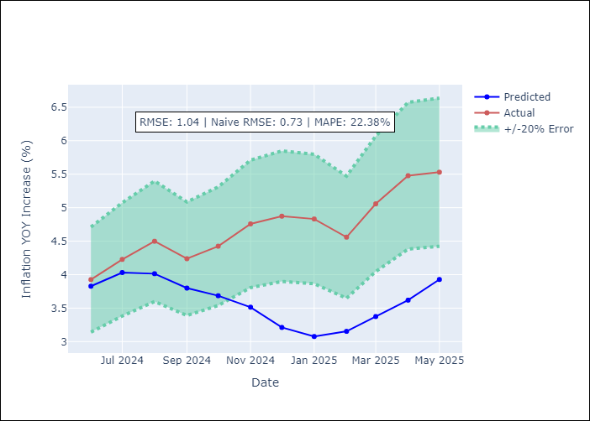
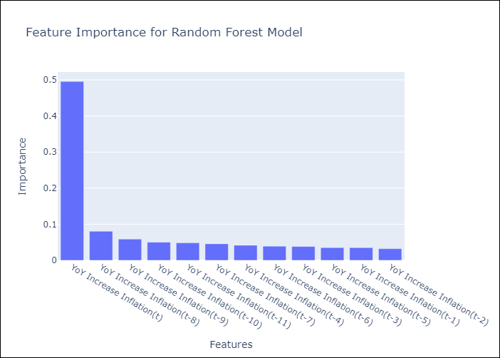

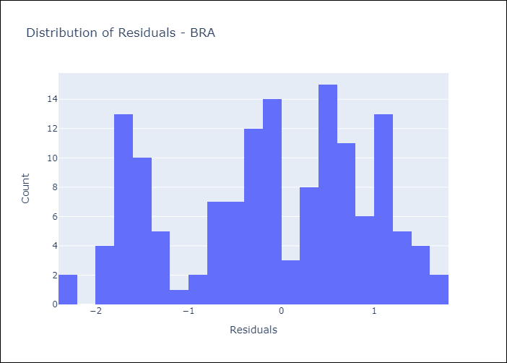
Appendix A: Model Summary
Model | Random Forest w/ Lags
Sample | 1998-01-01 to 2025-04-01
No. of Observations | 328
Residuals
Mean | -0.12751370629
St Dev | 1.0353663681
Kurtosis | -1.0480449656
Skewness | -0.27475180214

Assumptions | P-value



Appendix C: Residuals Analysis
Mean

CHL
CHL - Inflation - Next 12 months forecast as of: 2025-04-01

Model | Random Forest w/ Lags - [(2, 0, 0), (0, 0, 1, 12)]
Training Data | 2012-12-01 to 2024-05-01
Test Data | 2024-05-01 to 2025-04-01

Date | Inflation Change YoY % | Lower Bound - 95% Confidence Interval | Upper Bound - 95% Confidence Interval
2025-05-01 | 4.4 | 4.26 | 4.76
2025-06-01 | 4.31 | 4.19 | 4.82
2025-07-01 | 4.21 | 4.05 | 4.76
2025-08-01 | 4.05 | 3.93 | 4.68
2025-09-01 | 3.91 | 3.7 | 4.66
2025-10-01 | 3.78 | 3.57 | 4.68
2025-11-01 | 3.67 | 3.46 | 4.67
2025-12-01 | 3.56 | 3.38 | 4.48
2026-01-01 | 3.45 | 3.24 | 4.36
2026-02-01 | 3.33 | 3.14 | 4.37
2026-03-01 | 3.26 | 3.12 | 4.35
2026-04-01 | 3.18 | 3.06 | 4.33

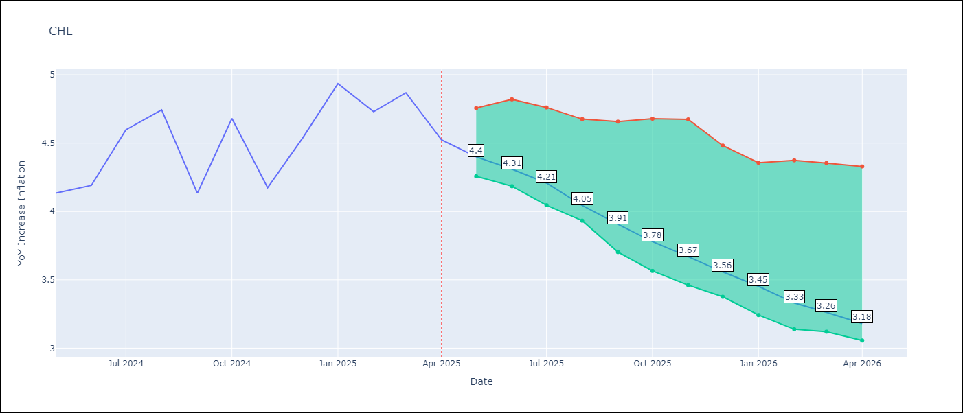

Test Metrics
RMSE | 1.18
Naive RMSE | 1.71
MAPE | 7.02%

Test Predictions
Date | Predicted | Actual
2024-06-01 | 4.3 | 4.13
2024-07-01 | 4.41 | 4.19
2024-08-01 | 4.55 | 4.6
2024-09-01 | 4.6 | 4.74
2024-10-01 | 4.57 | 4.13
2024-11-01 | 4.54 | 4.68
2024-12-01 | 4.7 | 4.17
2025-01-01 | 4.91 | 4.53
2025-02-01 | 5.1 | 4.94
2025-03-01 | 5.21 | 4.73
2025-04-01 | 5.21 | 4.87
2025-05-01 | 5.25 | 4.52

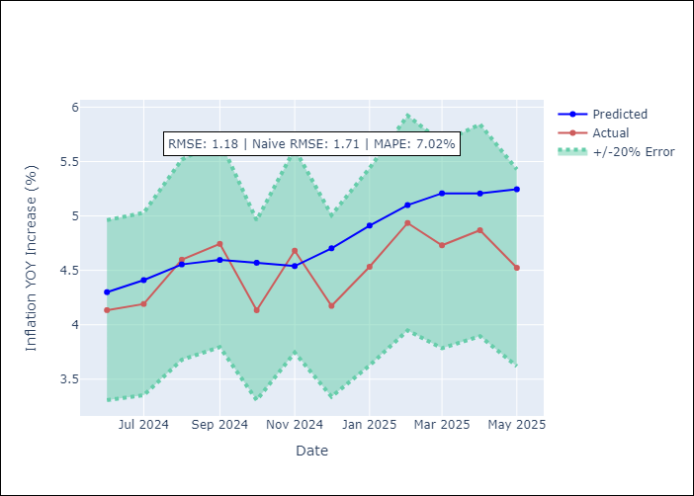
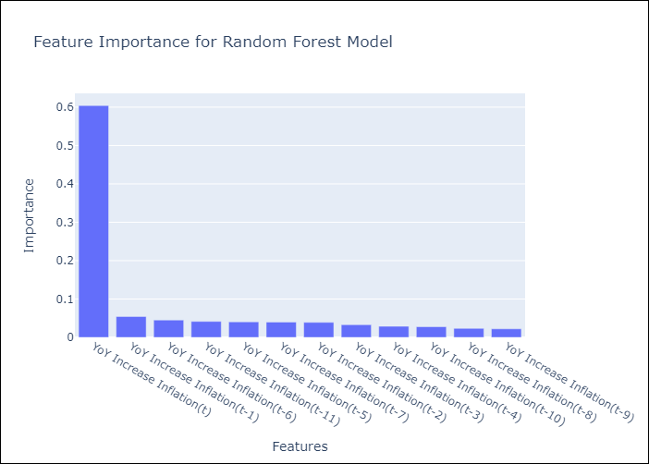

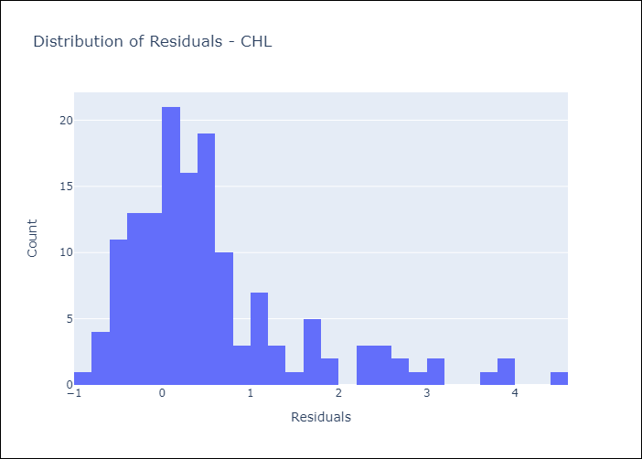
Appendix A: Model Summary
Model | Random Forest w/ Lags
Sample | 2012-12-01 to 2025-04-01
No. of Observations | 149
Residuals
Mean | 0.57499387349
St Dev | 1.0267056398
Kurtosis | 2.402850003
Skewness | 1.5602648766

Assumptions | P-value



Appendix C: Residuals Analysis
Mean

COL
COL - Inflation - Next 12 months forecast as of: 2025-04-01

Model | Random Forest w/ Lags - [(1, 0, 1), (0, 0, 0, 12)]
Training Data | 2006-01-01 to 2024-05-01
Test Data | 2024-05-01 to 2025-04-01

Date | Inflation Change YoY % | Lower Bound - 95% Confidence Interval | Upper Bound - 95% Confidence Interval
2025-05-01 | 5.79 | 5.23 | 6.1
2025-06-01 | 5.77 | 5.07 | 6.18
2025-07-01 | 5.85 | 4.84 | 6.21
2025-08-01 | 6.15 | 4.79 | 6.54
2025-09-01 | 6.43 | 4.74 | 6.84
2025-10-01 | 6.7 | 4.62 | 7.14
2025-11-01 | 6.87 | 4.41 | 7.31
2025-12-01 | 7 | 4.18 | 7.52
2026-01-01 | 7.02 | 3.95 | 7.53
2026-02-01 | 6.95 | 3.76 | 7.55
2026-03-01 | 6.75 | 3.55 | 7.37
2026-04-01 | 6.46 | 3.41 | 7.29

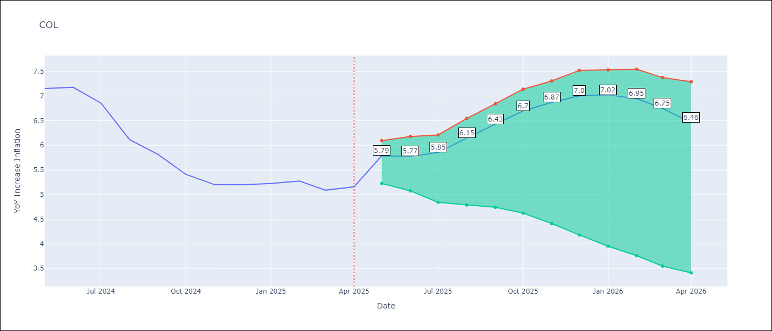

Test Metrics
RMSE | 2.44
Naive RMSE | 2.95
MAPE | 26.61%

Test Predictions
Date | Predicted | Actual
2024-06-01 | 5.54 | 7.15
2024-07-01 | 5.24 | 7.18
2024-08-01 | 4.89 | 6.86
2024-09-01 | 4.61 | 6.12
2024-10-01 | 4.27 | 5.81
2024-11-01 | 4.07 | 5.41
2024-12-01 | 3.87 | 5.2
2025-01-01 | 3.84 | 5.2
2025-02-01 | 3.73 | 5.22
2025-03-01 | 3.78 | 5.27
2025-04-01 | 3.72 | 5.09
2025-05-01 | 3.62 | 5.16

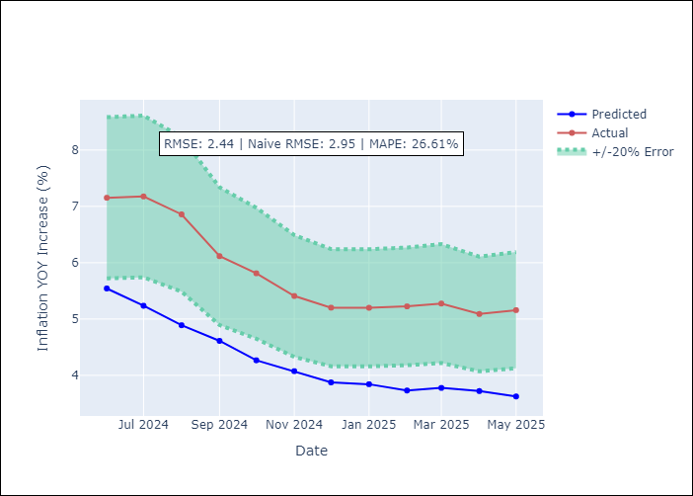
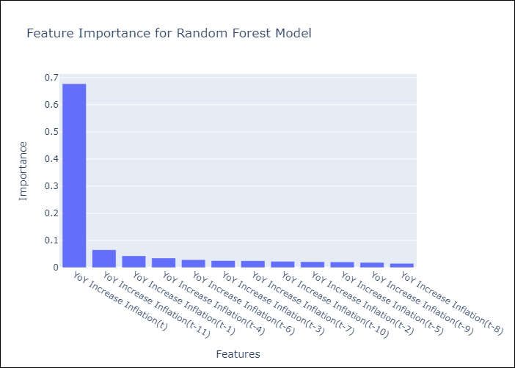

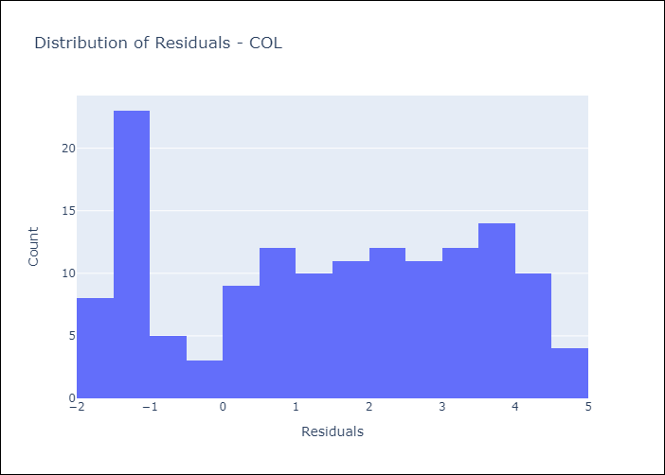
Appendix A: Model Summary
Model | Random Forest w/ Lags
Sample | 2006-01-01 to 2025-04-01
No. of Observations | 232
Residuals
Mean | 1.4393985857
St Dev | 1.9660065194
Kurtosis | -1.2440749421
Skewness | -0.14269316902

Assumptions | P-value

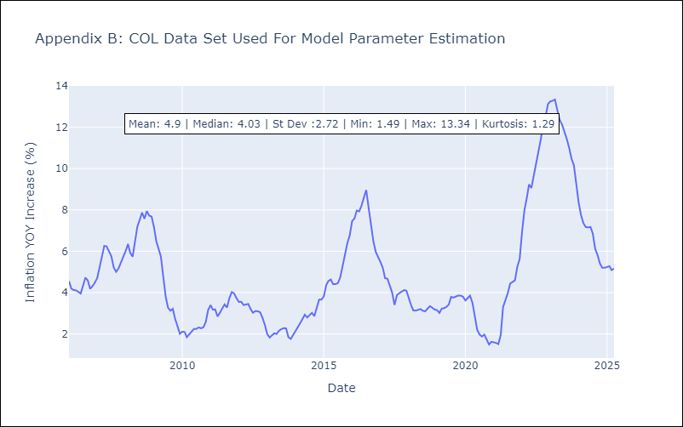

Appendix C: Residuals Analysis
Mean

ECU
ECU - Inflation - Next 12 months forecast as of: 2025-04-01

Model | Random Forest w/ Lags - [(2, 1, 1), (3, 0, 0, 12)]
Training Data | 2009-01-01 to 2024-05-01
Test Data | 2024-05-01 to 2025-04-01

Date | Inflation Change YoY % | Lower Bound - 95% Confidence Interval | Upper Bound - 95% Confidence Interval
2025-05-01 | 0.18 | -0.47 | 0.32
2025-06-01 | 0.16 | -0.45 | 0.31
2025-07-01 | 0.02 | -0.48 | 0.28
2025-08-01 | -0.04 | -0.47 | 0.21
2025-09-01 | -0.11 | -0.48 | 0.02
2025-10-01 | -0.23 | -0.55 | -0.1
2025-11-01 | -0.32 | -0.64 | -0.22
2025-12-01 | -0.37 | -0.7 | -0.1
2026-01-01 | -0.37 | -0.61 | 0.02
2026-02-01 | -0.3 | -0.51 | 0.13
2026-03-01 | -0.16 | -0.38 | 0.3
2026-04-01 | 0.01 | -0.35 | 0.58

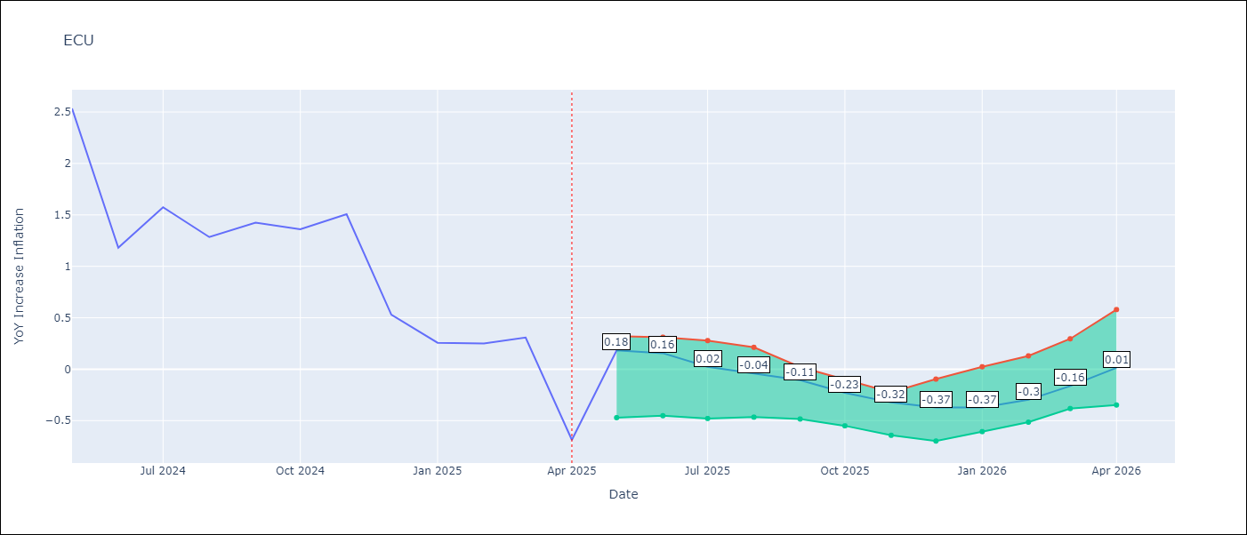

Test Metrics
RMSE | 1.39
Naive RMSE | 0.86
MAPE | 472.49%

Test Predictions
Date | Predicted | Actual
2024-06-01 | 2.92 | 2.53
2024-07-01 | 3.02 | 1.18
2024-08-01 | 3.12 | 1.57
2024-09-01 | 3.3 | 1.28
2024-10-01 | 3.51 | 1.42
2024-11-01 | 3.63 | 1.36
2024-12-01 | 3.63 | 1.51
2025-01-01 | 3.62 | 0.53
2025-02-01 | 3.6 | 0.26
2025-03-01 | 3.54 | 0.25
2025-04-01 | 3.41 | 0.31
2025-05-01 | 3.28 | -0.69

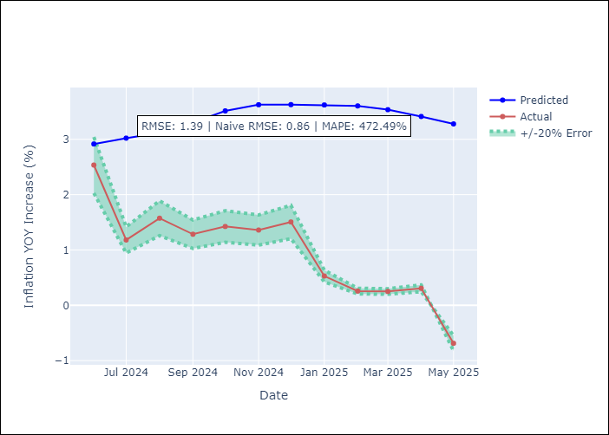
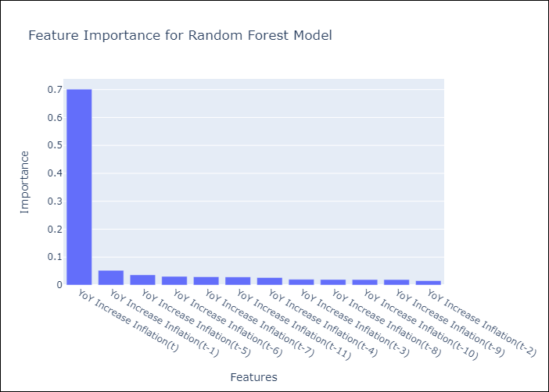

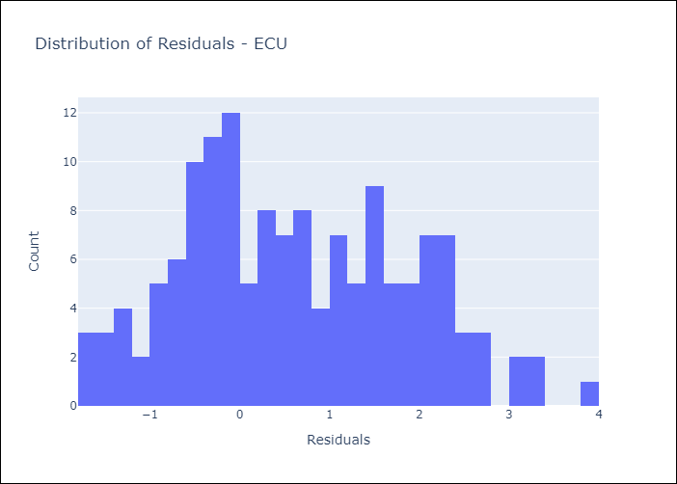
Appendix A: Model Summary
Model | Random Forest w/ Lags
Sample | 2009-01-01 to 2025-04-01
No. of Observations | 196
Residuals
Mean | 0.61685173095
St Dev | 1.2499632822
Kurtosis | -0.68403082786
Skewness | 0.27942408465

Assumptions | P-value

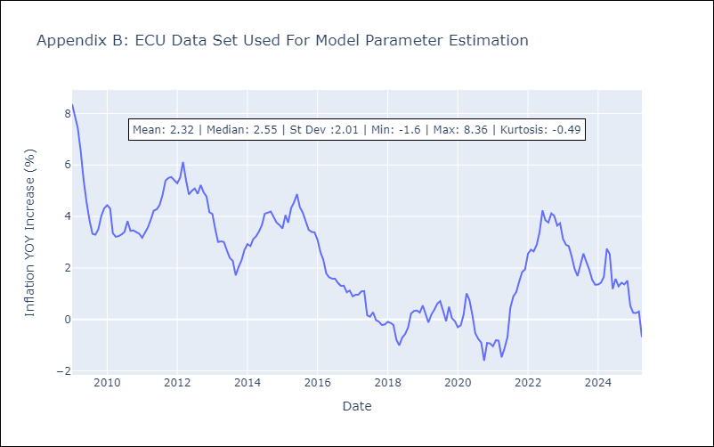

Appendix C: Residuals Analysis
Mean

PER
PER - Inflation - Next 12 months forecast as of: 2025-04-01

Model | Random Forest w/ Lags - [(3, 2, 0), (3, 0, 0, 12)]
Training Data | 1994-01-01 to 2024-05-01
Test Data | 2024-05-01 to 2025-04-01

Date | Inflation Change YoY % | Lower Bound - 95% Confidence Interval | Upper Bound - 95% Confidence Interval
2025-05-01 | 1.77 | 1.49 | 1.92
2025-06-01 | 1.8 | 1.46 | 1.99
2025-07-01 | 1.93 | 1.65 | 2.11
2025-08-01 | 1.94 | 1.67 | 2.09
2025-09-01 | 2.02 | 1.77 | 2.17
2025-10-01 | 2.09 | 1.83 | 2.28
2025-11-01 | 2.29 | 1.96 | 2.61
2025-12-01 | 2.43 | 2.01 | 2.75
2026-01-01 | 2.57 | 2.12 | 2.94
2026-02-01 | 2.61 | 2.23 | 2.98
2026-03-01 | 2.68 | 2.29 | 3.14
2026-04-01 | 2.88 | 2.39 | 3.43

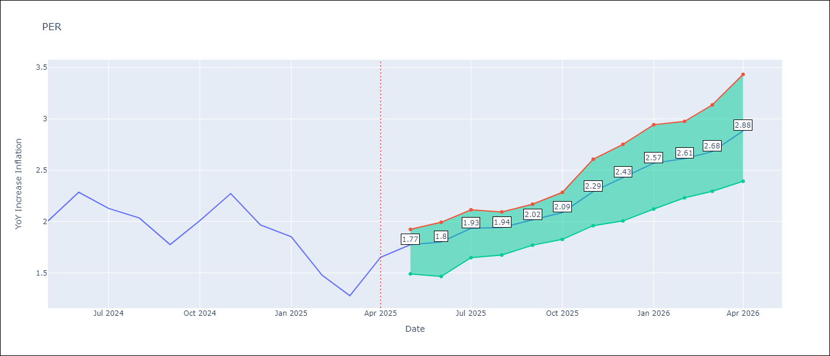

Test Metrics
RMSE | 1.03
Naive RMSE | 2.19
MAPE | 69.5%

Test Predictions
Date | Predicted | Actual
2024-06-01 | 2.68 | 2
2024-07-01 | 3.07 | 2.29
2024-08-01 | 3.18 | 2.13
2024-09-01 | 3.29 | 2.03
2024-10-01 | 3.24 | 1.78
2024-11-01 | 3.25 | 2.01
2024-12-01 | 3.3 | 2.27
2025-01-01 | 3.28 | 1.97
2025-02-01 | 3.2 | 1.85
2025-03-01 | 3 | 1.48
2025-04-01 | 2.98 | 1.28
2025-05-01 | 3.12 | 1.65

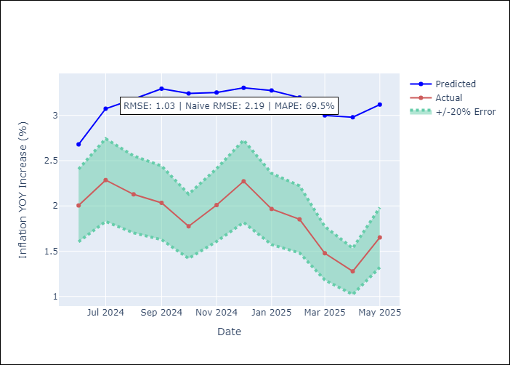
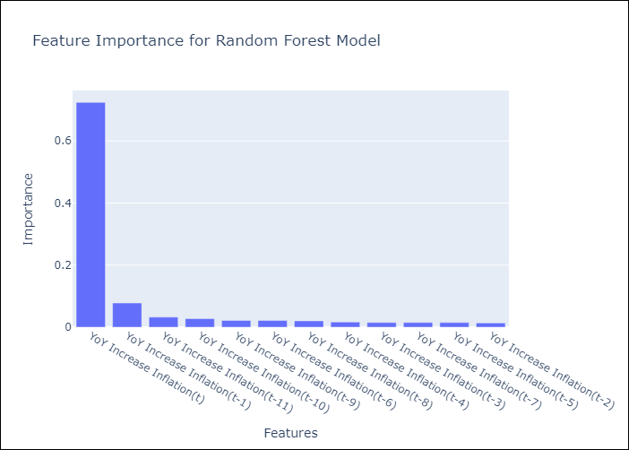

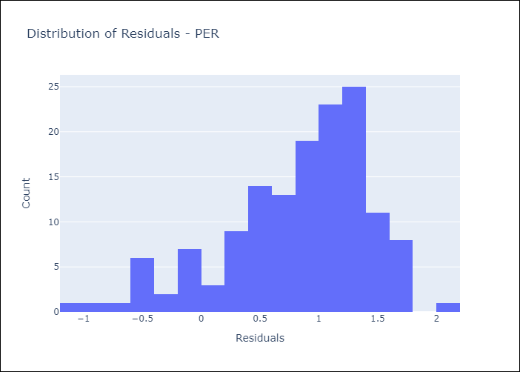
Appendix A: Model Summary
Model | Random Forest w/ Lags
Sample | 1994-01-01 to 2025-04-01
No. of Observations | 376
Residuals
Mean | 0.83204192792
St Dev | 0.60601902385
Kurtosis | 0.38898338398
Skewness | -0.87444973453

Assumptions | P-value

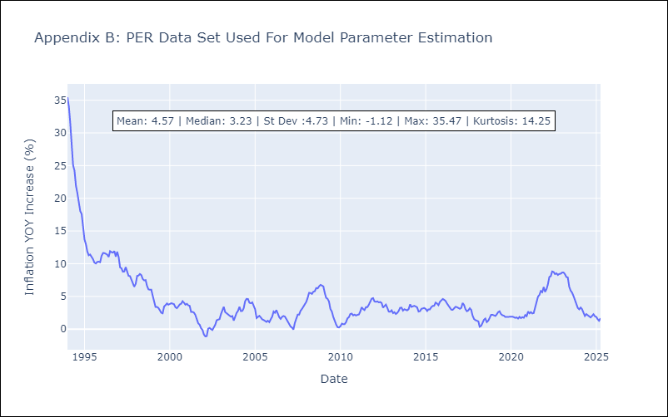

Appendix C: Residuals Analysis
Mean

PRY
PRY - Inflation - Next 12 months forecast as of: 2025-04-01

Model | Random Forest w/ Lags - [(2, 1, 1), (1, 0, 1, 12)]
Training Data | 1995-12-01 to 2024-05-01
Test Data | 2024-05-01 to 2025-04-01

Date | Inflation Change YoY % | Lower Bound - 95% Confidence Interval | Upper Bound - 95% Confidence Interval
2025-05-01 | 3.66 | 3.39 | 3.86
2025-06-01 | 3.5 | 3.11 | 3.89
2025-07-01 | 3.49 | 3.07 | 3.74
2025-08-01 | 3.29 | 2.98 | 3.69
2025-09-01 | 3.02 | 2.89 | 3.57
2025-10-01 | 2.94 | 2.89 | 3.46
2025-11-01 | 2.99 | 2.94 | 3.46
2025-12-01 | 3.06 | 2.88 | 3.47
2026-01-01 | 3.21 | 2.9 | 3.58
2026-02-01 | 3.26 | 2.99 | 3.72
2026-03-01 | 3.03 | 2.8 | 3.74
2026-04-01 | 2.97 | 2.7 | 3.74

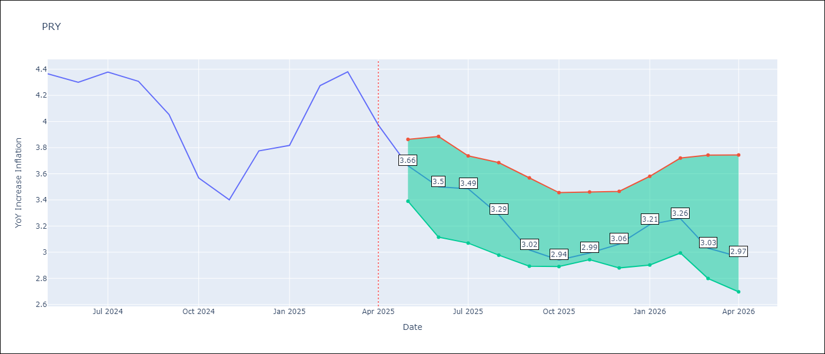

Test Metrics
RMSE | 0.87
Naive RMSE | 0.82
MAPE | 19.09%

Test Predictions
Date | Predicted | Actual
2024-06-01 | 3.5 | 4.36
2024-07-01 | 3.43 | 4.3
2024-08-01 | 3.15 | 4.38
2024-09-01 | 3.12 | 4.31
2024-10-01 | 3.07 | 4.05
2024-11-01 | 2.98 | 3.57
2024-12-01 | 3.14 | 3.4
2025-01-01 | 3.24 | 3.78
2025-02-01 | 3.21 | 3.82
2025-03-01 | 3.42 | 4.27
2025-04-01 | 3.49 | 4.38
2025-05-01 | 3.4 | 3.97

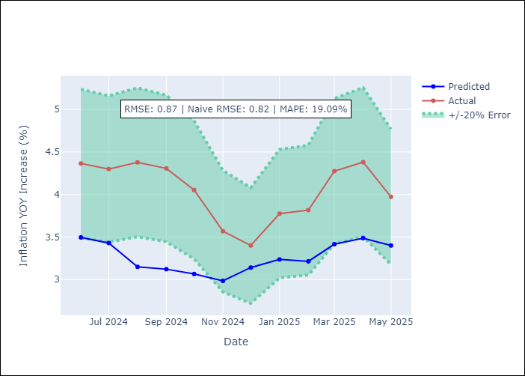
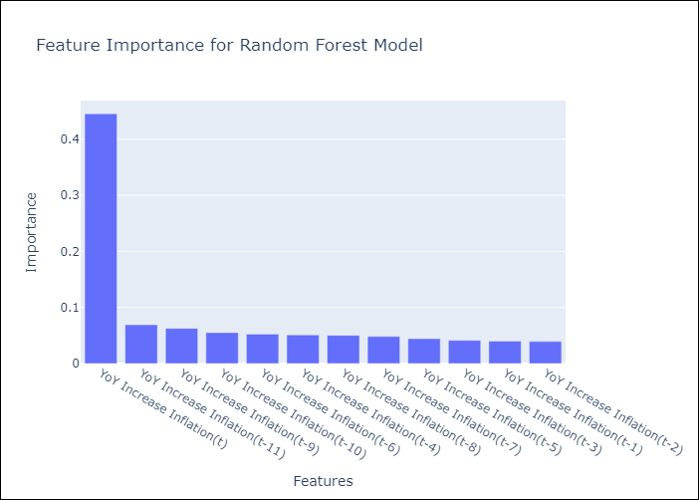

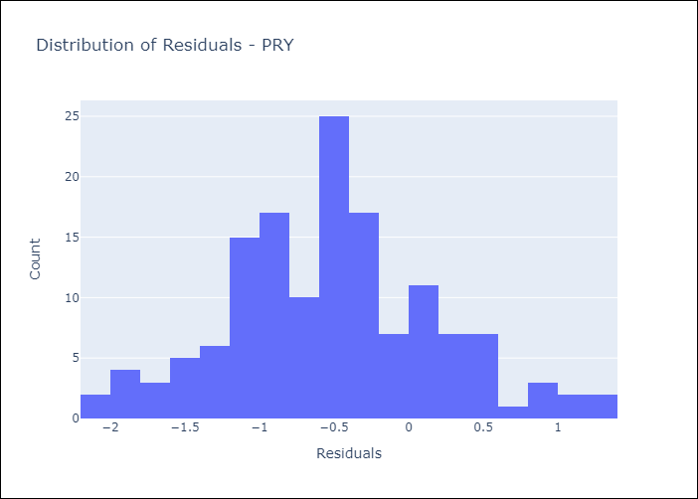
Appendix A: Model Summary
Model | Random Forest w/ Lags
Sample | 1995-12-01 to 2025-04-01
No. of Observations | 353
Residuals
Mean | -0.51656732828
St Dev | 0.70622229583
Kurtosis | -0.016682052998
Skewness | 0.19988884105

Assumptions | P-value



Appendix C: Residuals Analysis
Mean

URY
URY - Inflation - Next 12 months forecast as of: 2025-04-01

Model | Random Forest w/ Lags - [(0, 2, 1), (3, 0, 0, 12)]
Training Data | 1992-01-01 to 2024-05-01
Test Data | 2024-05-01 to 2025-04-01

Date | Inflation Change YoY % | Lower Bound - 95% Confidence Interval | Upper Bound - 95% Confidence Interval
2025-05-01 | 4.9 | 4.53 | 5.46
2025-06-01 | 4.96 | 4.34 | 5.53
2025-07-01 | 4.79 | 4.1 | 5.53
2025-08-01 | 4.76 | 3.96 | 5.79
2025-09-01 | 4.71 | 3.88 | 5.83
2025-10-01 | 4.86 | 4.06 | 6.04
2025-11-01 | 5.04 | 4.16 | 6.16
2025-12-01 | 5.36 | 4.38 | 6.3
2026-01-01 | 5.76 | 4.69 | 6.62
2026-02-01 | 6.19 | 4.91 | 7.09
2026-03-01 | 7.03 | 5.28 | 7.77
2026-04-01 | 8.58 | 5.71 | 9.95

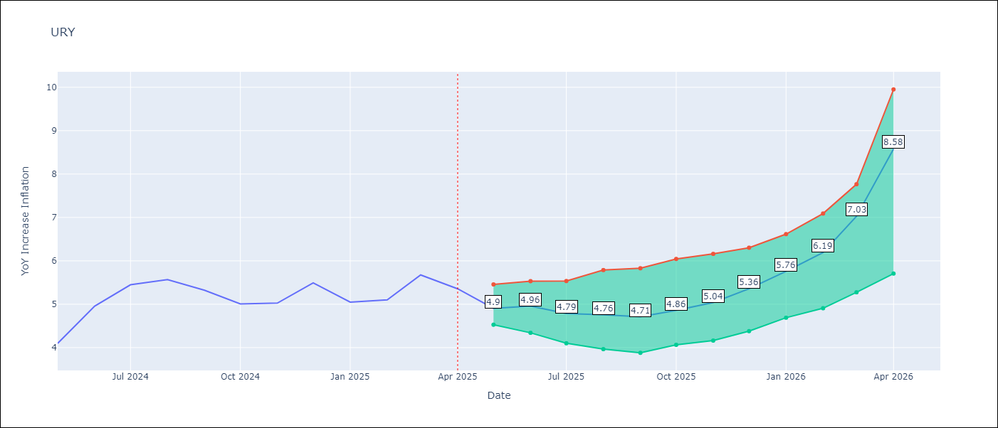

Test Metrics
RMSE | 2.2
Naive RMSE | 1.24
MAPE | 62.71%

Test Predictions
Date | Predicted | Actual
2024-06-01 | 3.96 | 4.1
2024-07-01 | 4.02 | 4.96
2024-08-01 | 4.25 | 5.45
2024-09-01 | 4.58 | 5.57
2024-10-01 | 4.94 | 5.32
2024-11-01 | 5.45 | 5.01
2024-12-01 | 6.12 | 5.03
2025-01-01 | 7.24 | 5.49
2025-02-01 | 9.2 | 5.05
2025-03-01 | 12.26 | 5.1
2025-04-01 | 15.59 | 5.67
2025-05-01 | 17.33 | 5.36

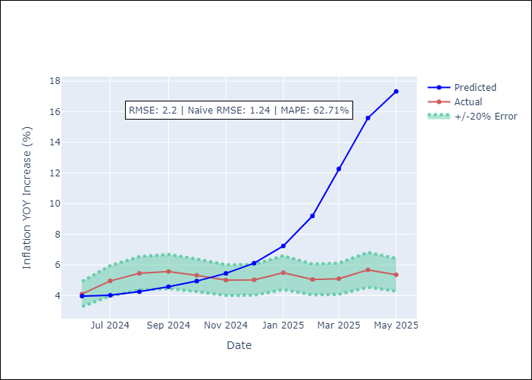
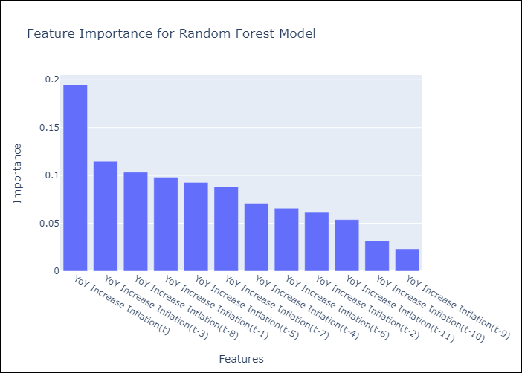

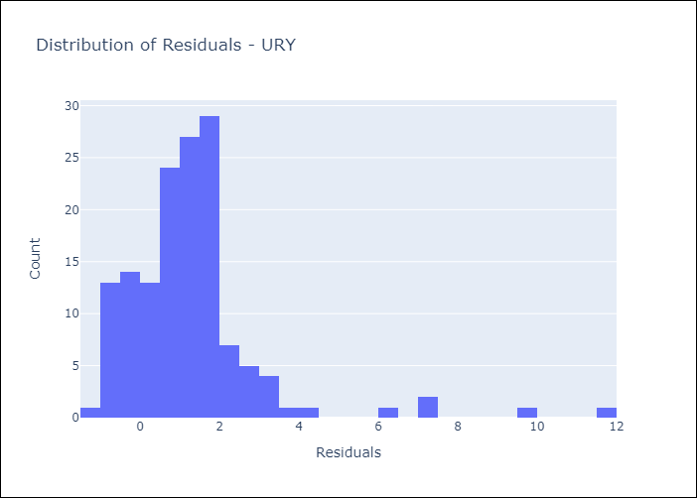
Appendix A: Model Summary
Model | Random Forest w/ Lags
Sample | 1992-01-01 to 2025-04-01
No. of Observations | 400
Residuals
Mean | 1.2886269877
St Dev | 1.7780503926
Kurtosis | 12.494535324
Skewness | 2.8350513438

Assumptions | P-value

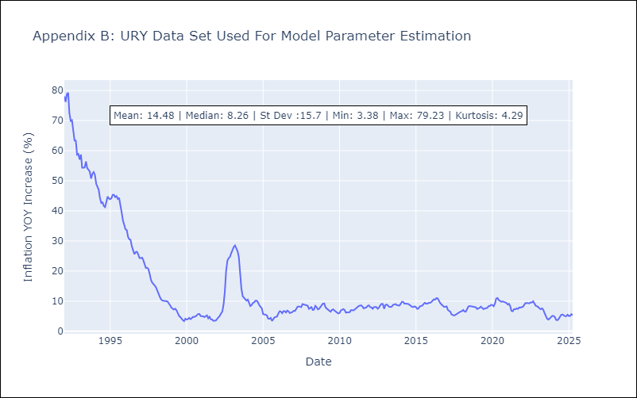

Appendix C: Residuals Analysis
Mean

VEN
VEN - Inflation - Next 12 months forecast as of: 2016-12-01

Model | Random Forest w/ Lags - [(3, 0, 0), (0, 0, 0, 12)]
Training Data | 2013-01-01 to 2016-01-01
Test Data | 2016-01-01 to 2016-12-01

Date | Inflation Change YoY % | Lower Bound - 95% Confidence Interval | Upper Bound - 95% Confidence Interval
2017-01-01 | 69.04 | 63.72 | 73.26
2017-02-01 | 73.91 | 66.35 | 78.36
2017-03-01 | 78.09 | 71.93 | 81.32
2017-04-01 | 81.11 | 75.91 | 83.03
2017-05-01 | 83.83 | 79.53 | 86.17
2017-06-01 | 88.73 | 82.69 | 94.01
2017-07-01 | 96.97 | 85.56 | 105.23
2017-08-01 | 108.87 | 92.39 | 120.66
2017-09-01 | 123.2 | 102.95 | 135.92
2017-10-01 | 137.82 | 117.5 | 150.59
2017-11-01 | 153.04 | 131.51 | 166.05
2017-12-01 | 166.62 | 146.77 | 176.96

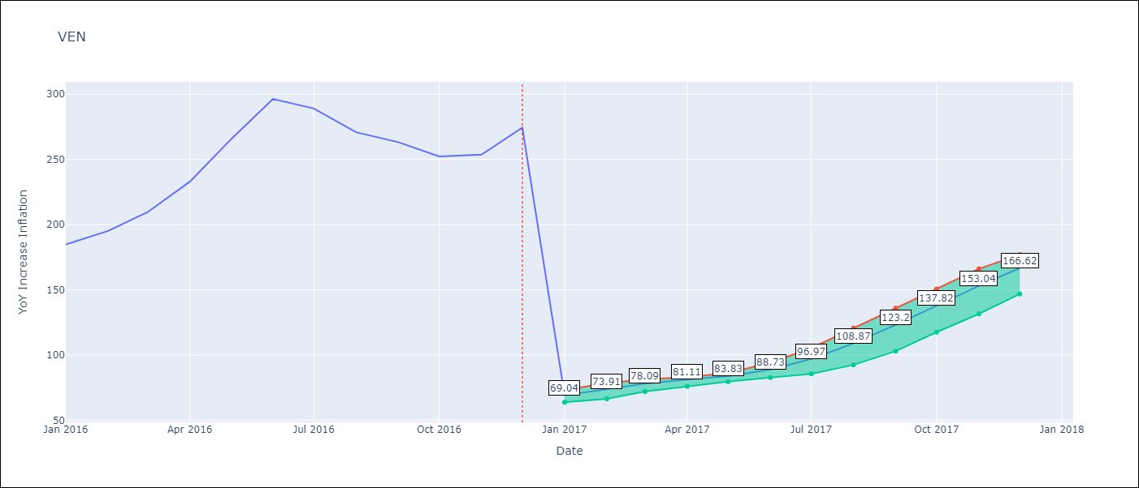

Test Metrics
RMSE | 98.71
Naive RMSE | 88.69
MAPE | 57.91%

Test Predictions
Date | Predicted | Actual
2016-02-01 | 69.04 | 184.76
2016-03-01 | 73.91 | 195.13
2016-04-01 | 78.09 | 209.56
2016-05-01 | 81.11 | 232.92
2016-06-01 | 83.83 | 265.24
2016-07-01 | 88.73 | 296.44
2016-08-01 | 96.97 | 289.06
2016-09-01 | 108.87 | 270.87
2016-10-01 | 123.2 | 263.24
2016-11-01 | 137.82 | 252.27
2016-12-01 | 153.04 | 253.65
2017-01-01 | 166.62 | 274.35

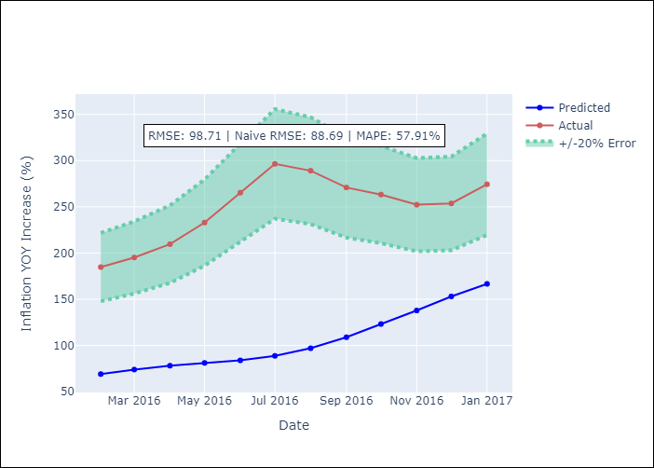
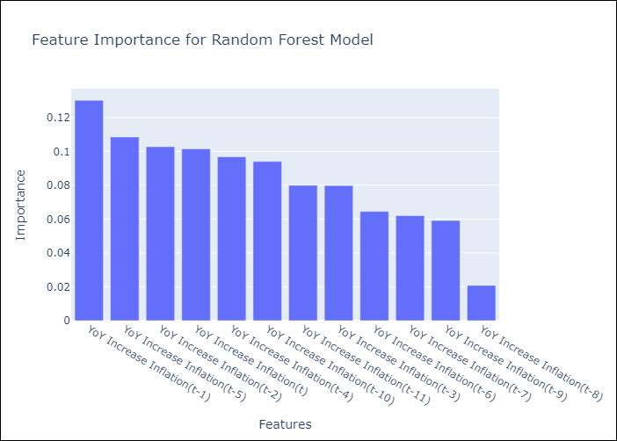

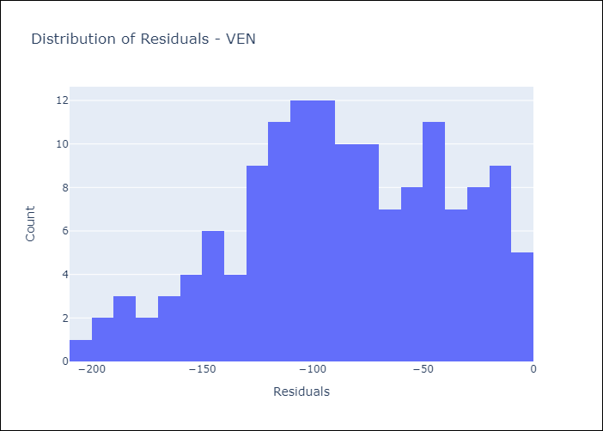
Appendix A: Model Summary
Model | Random Forest w/ Lags
Sample | 2013-01-01 to 2016-12-01
No. of Observations | 48
Residuals
Mean | -86.261796146
St Dev | 47.994713906
Kurtosis | -0.59325363919
Skewness | -0.27261278342

Assumptions | P-value

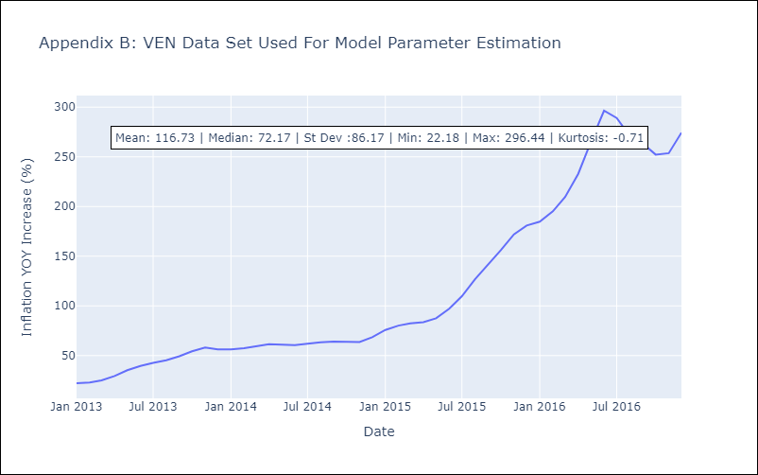

Appendix C: Residuals Analysis
Mean

