ARG
ARG - Inflation - Next 12 months forecast as of: 2025-04-01

Model | Random Forest w/ Lags - [(2, 2, 2), (0, 0, 1, 12)]
Training Data | 2007-01-01 to 2024-05-01
Test Data | 2024-05-01 to 2025-04-01

Date | Inflation Change YoY % | Lower Bound - 95% Confidence Interval | Upper Bound - 95% Confidence Interval
2025-05-01 | 57.43 | 51.77 | 79.57
2025-06-01 | 57.23 | 51.11 | 81.32
2025-07-01 | 56.54 | 50 | 81.95
2025-08-01 | 56.15 | 48.77 | 83.68
2025-09-01 | 55.58 | 47.64 | 87.43
2025-10-01 | 54.28 | 45.4 | 90.59
2025-11-01 | 54.34 | 44.57 | 94.38
2025-12-01 | 56.35 | 44.99 | 105.63
2026-01-01 | 59.13 | 44.97 | 122.1
2026-02-01 | 61.4 | 45.7 | 137.47
2026-03-01 | 63.72 | 46.35 | 152.71
2026-04-01 | 66.05 | 48.39 | 161.33

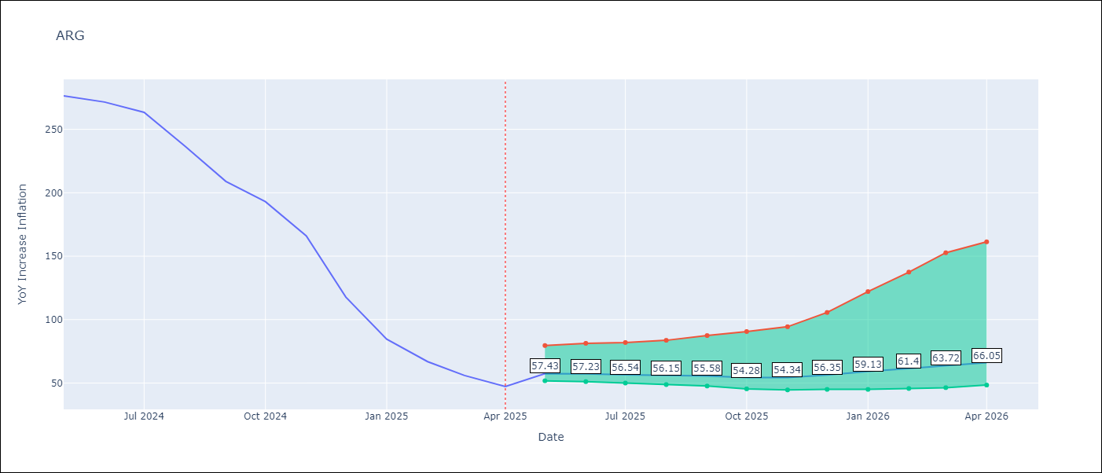

Test Metrics
RMSE | 112.29
Naive RMSE | 111.72
MAPE | 143.5%

Test Predictions
Date | Predicted | Actual
2024-06-01 | 111.37 | 276.41
2024-07-01 | 114.18 | 271.53
2024-08-01 | 113.96 | 263.45
2024-09-01 | 120.22 | 236.72
2024-10-01 | 131.22 | 209
2024-11-01 | 138.76 | 192.99
2024-12-01 | 152.62 | 166.03
2025-01-01 | 188.43 | 117.76
2025-02-01 | 229.63 | 84.54
2025-03-01 | 260.24 | 66.87
2025-04-01 | 278.77 | 55.93
2025-05-01 | 286.29 | 47.26

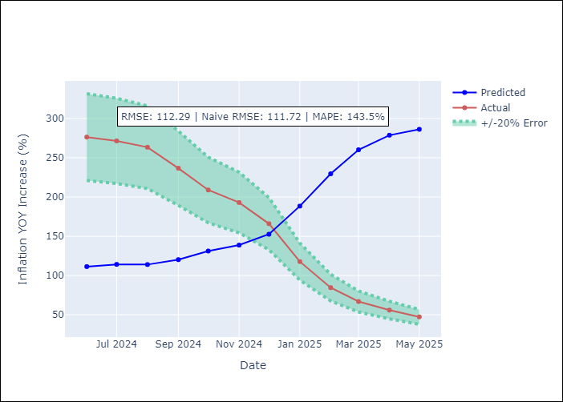
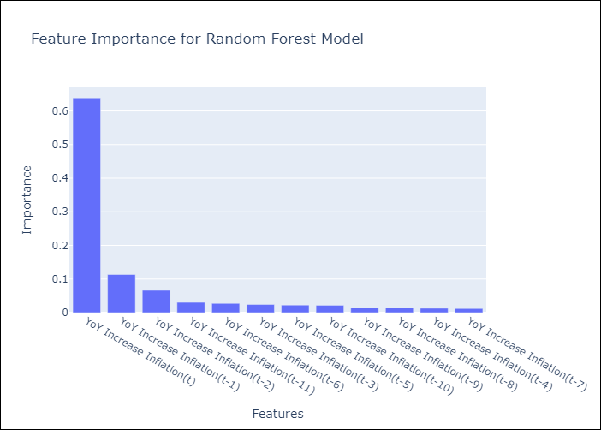

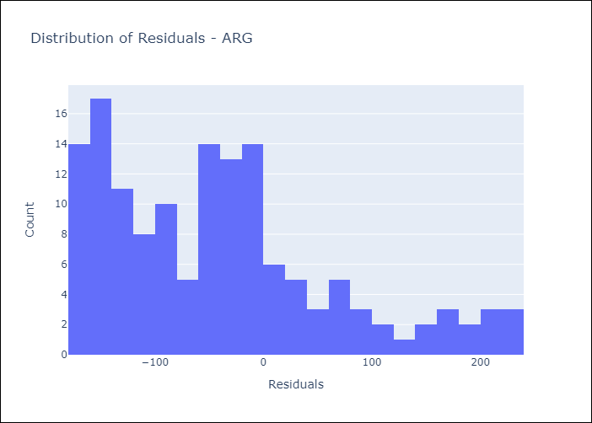
Appendix A: Model Summary
Model | Random Forest w/ Lags
Sample | 2007-01-01 to 2025-04-01
No. of Observations | 220
Residuals
Mean | -40.802678205
St Dev | 104.61395292
Kurtosis | 0.1132428353
Skewness | 0.84872262711

Assumptions | P-value

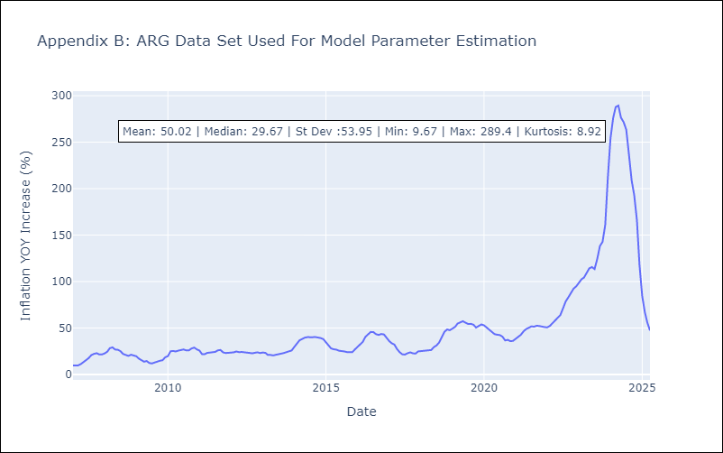

Appendix C: Residuals Analysis
Mean

BOL
BOL - Inflation - Next 12 months forecast as of: 2025-04-01

Model | Random Forest w/ Lags - [(1, 1, 2), (0, 0, 2, 12)]
Training Data | 2021-01-01 to 2024-05-01
Test Data | 2024-05-01 to 2025-04-01

Date | Inflation Change YoY % | Lower Bound - 95% Confidence Interval | Upper Bound - 95% Confidence Interval
2025-05-01 | 2.73 | 1.94 | 2.87
2025-06-01 | 2.69 | 2 | 2.78
2025-07-01 | 2.66 | 2.13 | 2.76
2025-08-01 | 2.79 | 2.19 | 2.97
2025-09-01 | 2.81 | 2.34 | 2.87
2025-10-01 | 2.57 | 2.29 | 2.87
2025-11-01 | 2.24 | 1.85 | 2.72
2025-12-01 | 2.2 | 2.03 | 2.72
2026-01-01 | 2.08 | 1.89 | 2.52
2026-02-01 | 2.23 | 1.94 | 2.62
2026-03-01 | 2.45 | 2.1 | 2.85
2026-04-01 | 2.79 | 2.24 | 3.21

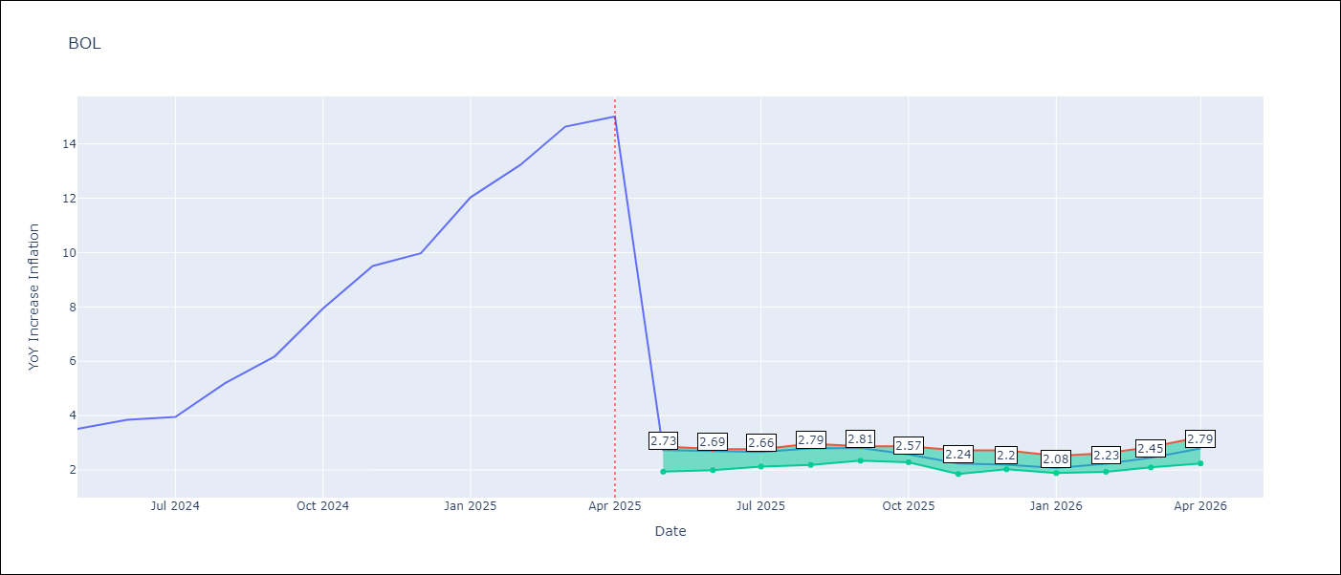

Test Metrics
RMSE | 3.91
Naive RMSE | 3.85
MAPE | 61.25%

Test Predictions
Date | Predicted | Actual
2024-06-01 | 2.75 | 3.52
2024-07-01 | 2.72 | 3.84
2024-08-01 | 2.65 | 3.95
2024-09-01 | 2.75 | 5.19
2024-10-01 | 2.79 | 6.18
2024-11-01 | 2.65 | 7.94
2024-12-01 | 2.42 | 9.51
2025-01-01 | 2.35 | 9.97
2025-02-01 | 2.26 | 12.03
2025-03-01 | 2.22 | 13.22
2025-04-01 | 2.35 | 14.63
2025-05-01 | 2.54 | 15.01

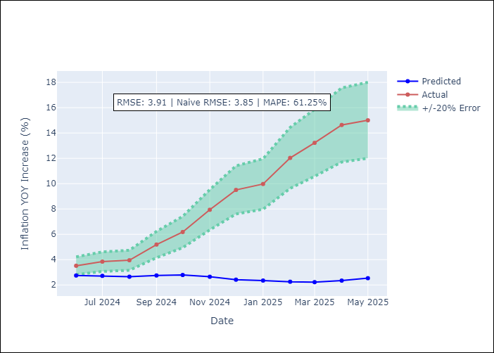
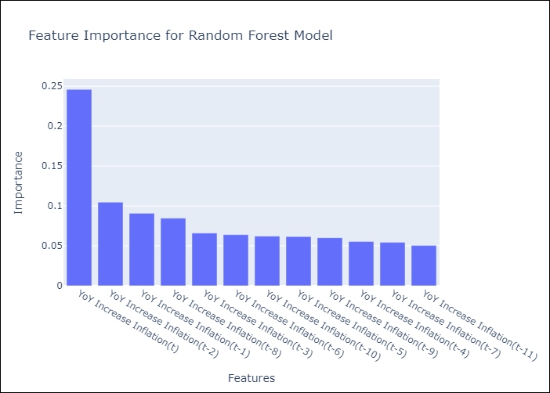

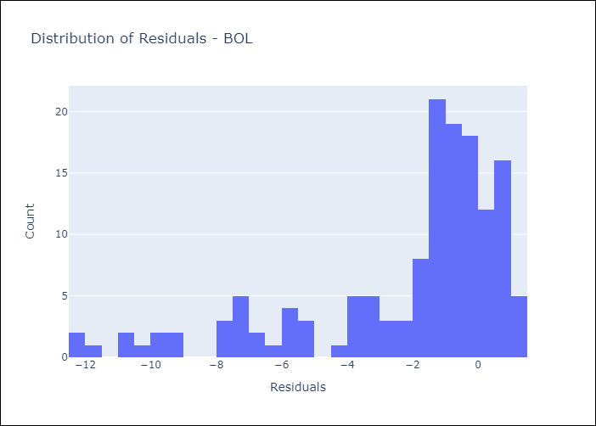
Appendix A: Model Summary
Model | Random Forest w/ Lags
Sample | 2021-01-01 to 2025-04-01
No. of Observations | 52
Residuals
Mean | -2.2146453832
St Dev | 3.2179977182
Kurtosis | 1.360561717
Skewness | -1.4675229454

Assumptions | P-value

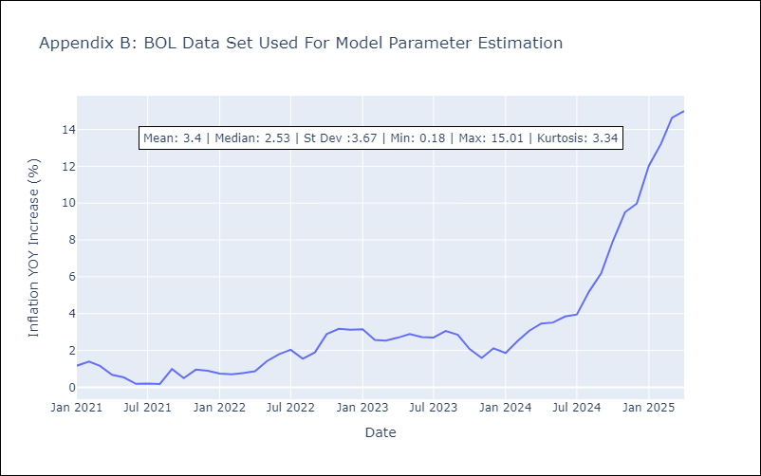

Appendix C: Residuals Analysis
Mean

BRA
BRA - Inflation - Next 12 months forecast as of: 2025-04-01

Model | Random Forest w/ Lags - [(1, 2, 1), (0, 0, 1, 12)]
Training Data | 1998-01-01 to 2024-05-01
Test Data | 2024-05-01 to 2025-04-01

Date | Inflation Change YoY % | Lower Bound - 95% Confidence Interval | Upper Bound - 95% Confidence Interval
2025-05-01 | 5.72 | 5.23 | 5.87
2025-06-01 | 5.79 | 5.3 | 6.03
2025-07-01 | 5.81 | 5.34 | 6.18
2025-08-01 | 5.89 | 5.39 | 6.28
2025-09-01 | 5.94 | 5.53 | 6.36
2025-10-01 | 5.94 | 5.6 | 6.39
2025-11-01 | 5.88 | 5.51 | 6.33
2025-12-01 | 5.82 | 5.52 | 6.22
2026-01-01 | 5.77 | 5.55 | 6.24
2026-02-01 | 5.69 | 5.53 | 6.2
2026-03-01 | 5.61 | 5.46 | 6.21
2026-04-01 | 5.47 | 5.33 | 6.14

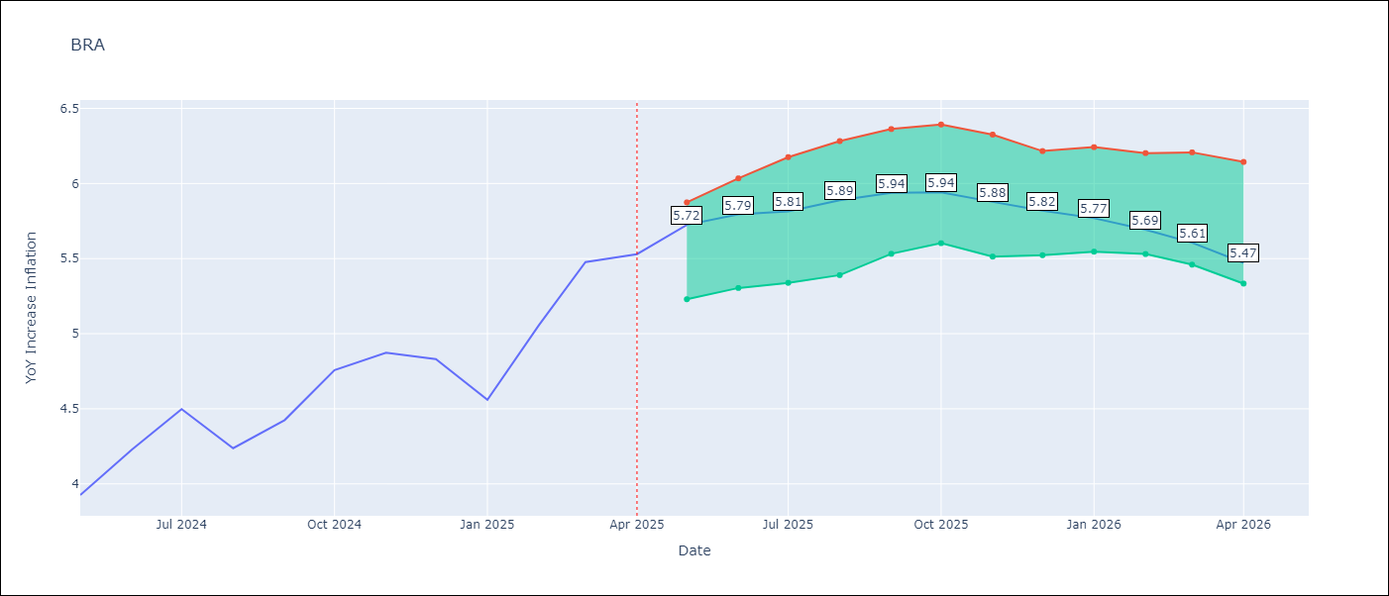

Test Metrics
RMSE | 1.03
Naive RMSE | 0.73
MAPE | 23.61%

Test Predictions
Date | Predicted | Actual
2024-06-01 | 3.81 | 3.93
2024-07-01 | 3.94 | 4.23
2024-08-01 | 3.93 | 4.5
2024-09-01 | 3.72 | 4.24
2024-10-01 | 3.55 | 4.42
2024-11-01 | 3.35 | 4.76
2024-12-01 | 3.16 | 4.87
2025-01-01 | 3.07 | 4.83
2025-02-01 | 3.1 | 4.56
2025-03-01 | 3.32 | 5.06
2025-04-01 | 3.65 | 5.48
2025-05-01 | 3.97 | 5.53

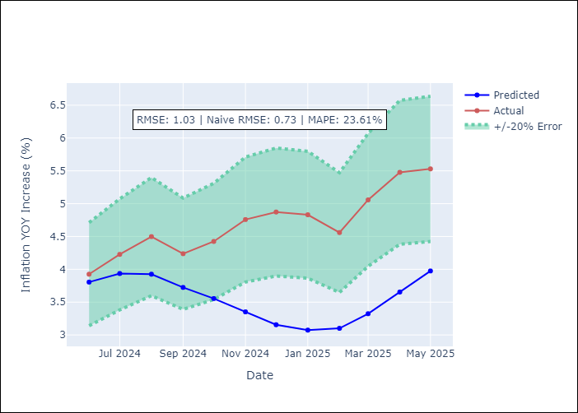
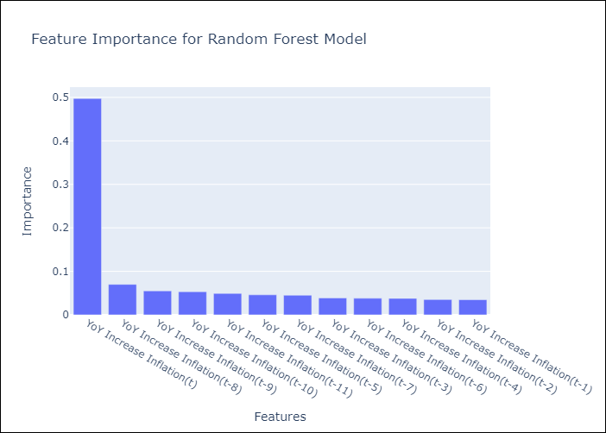

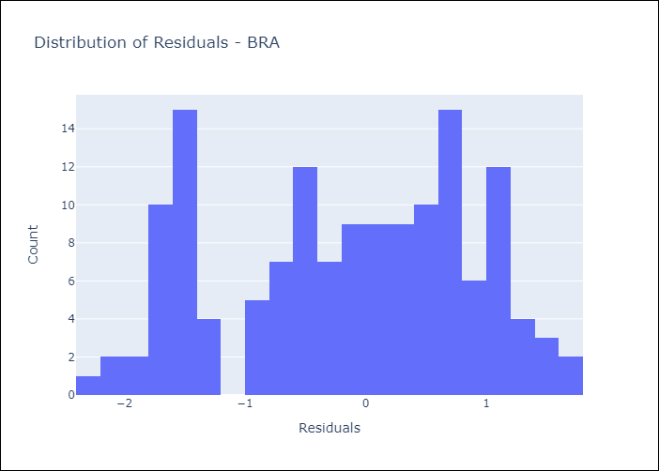
Appendix A: Model Summary
Model | Random Forest w/ Lags
Sample | 1998-01-01 to 2025-04-01
No. of Observations | 328
Residuals
Mean | -0.15890303403
St Dev | 1.0187631482
Kurtosis | -1.0733162647
Skewness | -0.21971320542

Assumptions | P-value



Appendix C: Residuals Analysis
Mean

CHL
CHL - Inflation - Next 12 months forecast as of: 2025-04-01

Model | Random Forest w/ Lags - [(2, 0, 0), (0, 0, 1, 12)]
Training Data | 2012-12-01 to 2024-05-01
Test Data | 2024-05-01 to 2025-04-01

Date | Inflation Change YoY % | Lower Bound - 95% Confidence Interval | Upper Bound - 95% Confidence Interval
2025-05-01 | 4.43 | 4.29 | 4.71
2025-06-01 | 4.38 | 4.24 | 4.71
2025-07-01 | 4.28 | 4.11 | 4.72
2025-08-01 | 4.16 | 3.93 | 4.64
2025-09-01 | 4.08 | 3.7 | 4.56
2025-10-01 | 4.06 | 3.53 | 4.55
2025-11-01 | 4 | 3.43 | 4.55
2025-12-01 | 3.89 | 3.33 | 4.54
2026-01-01 | 3.74 | 3.2 | 4.36
2026-02-01 | 3.66 | 3.15 | 4.24
2026-03-01 | 3.61 | 3.07 | 4.16
2026-04-01 | 3.53 | 3 | 4.12

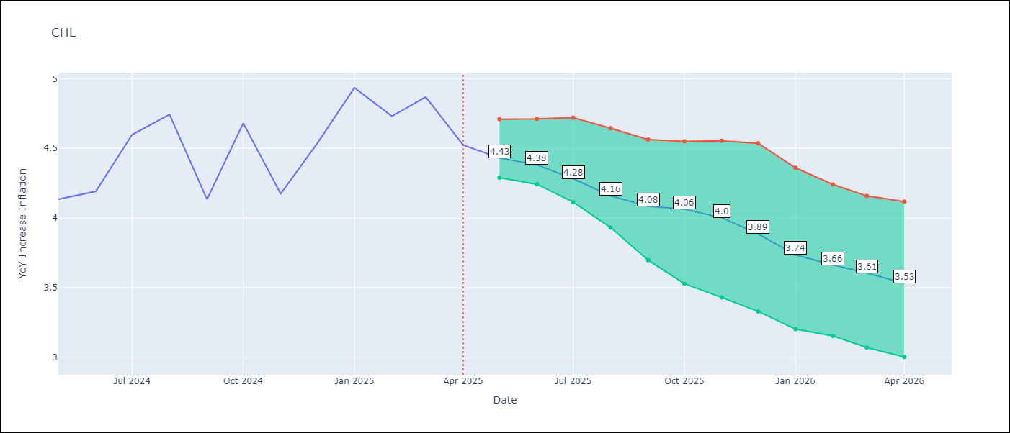

Test Metrics
RMSE | 1.28
Naive RMSE | 1.71
MAPE | 4.32%

Test Predictions
Date | Predicted | Actual
2024-06-01 | 4.27 | 4.13
2024-07-01 | 4.36 | 4.19
2024-08-01 | 4.42 | 4.6
2024-09-01 | 4.41 | 4.74
2024-10-01 | 4.37 | 4.13
2024-11-01 | 4.34 | 4.68
2024-12-01 | 4.43 | 4.17
2025-01-01 | 4.55 | 4.53
2025-02-01 | 4.64 | 4.94
2025-03-01 | 4.64 | 4.73
2025-04-01 | 4.59 | 4.87
2025-05-01 | 4.51 | 4.52

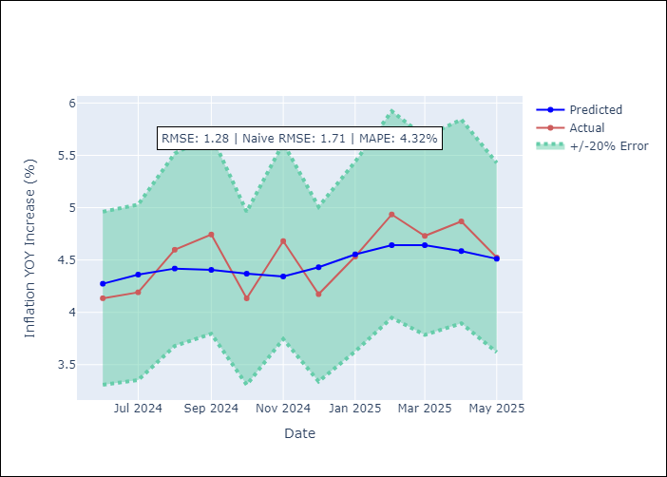
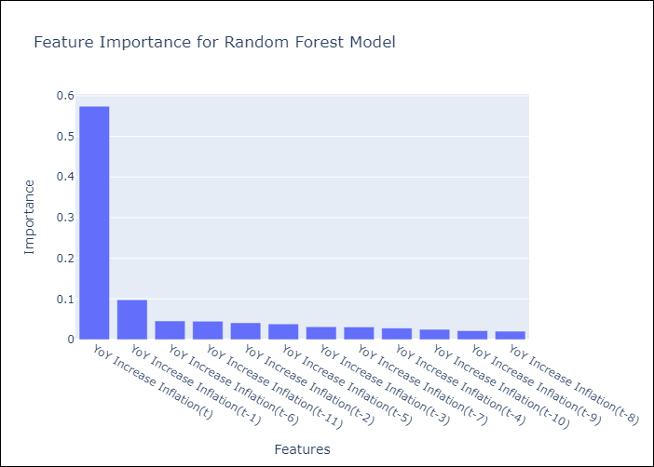

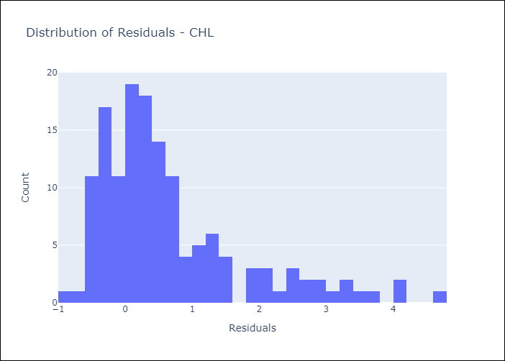
Appendix A: Model Summary
Model | Random Forest w/ Lags
Sample | 2012-12-01 to 2025-04-01
No. of Observations | 149
Residuals
Mean | 0.65589190523
St Dev | 1.1015181675
Kurtosis | 1.865452804
Skewness | 1.4835240684

Assumptions | P-value



Appendix C: Residuals Analysis
Mean

COL
COL - Inflation - Next 12 months forecast as of: 2025-04-01

Model | Random Forest w/ Lags - [(1, 0, 1), (0, 0, 0, 12)]
Training Data | 2006-01-01 to 2024-05-01
Test Data | 2024-05-01 to 2025-04-01

Date | Inflation Change YoY % | Lower Bound - 95% Confidence Interval | Upper Bound - 95% Confidence Interval
2025-05-01 | 5.78 | 5.35 | 6.11
2025-06-01 | 5.8 | 5.24 | 6.13
2025-07-01 | 5.95 | 5.26 | 6.41
2025-08-01 | 6.2 | 5.35 | 6.86
2025-09-01 | 6.41 | 5.42 | 7.19
2025-10-01 | 6.53 | 5.48 | 7.29
2025-11-01 | 6.64 | 5.45 | 7.55
2025-12-01 | 6.68 | 5.36 | 7.61
2026-01-01 | 6.65 | 5.38 | 7.62
2026-02-01 | 6.49 | 5.18 | 7.59
2026-03-01 | 6.26 | 5.05 | 7.27
2026-04-01 | 5.99 | 4.83 | 7.15

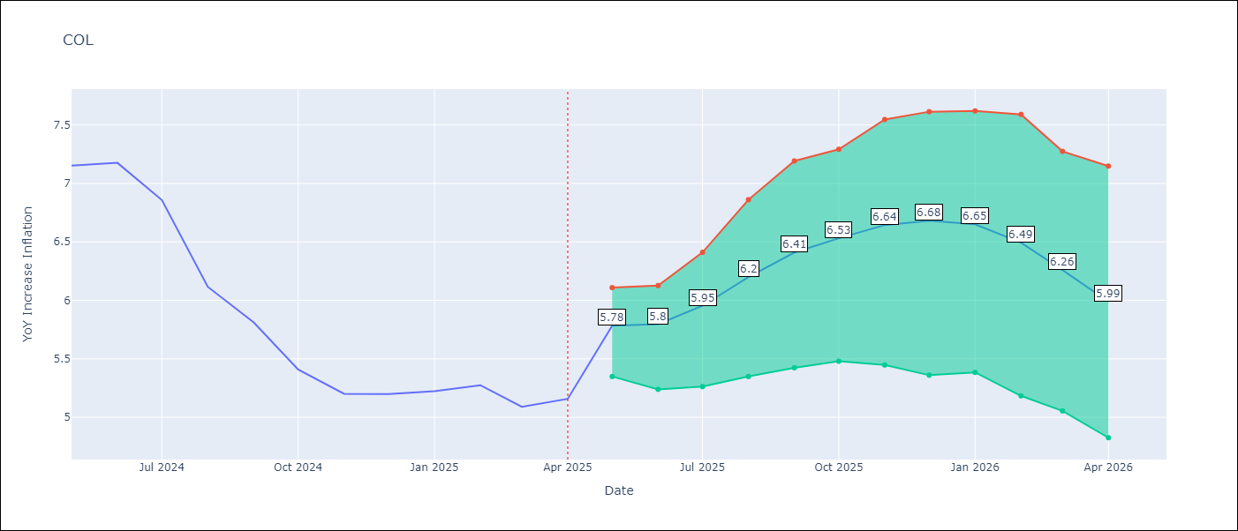

Test Metrics
RMSE | 2.52
Naive RMSE | 2.95
MAPE | 25.6%

Test Predictions
Date | Predicted | Actual
2024-06-01 | 5.61 | 7.15
2024-07-01 | 5.31 | 7.18
2024-08-01 | 4.97 | 6.86
2024-09-01 | 4.68 | 6.12
2024-10-01 | 4.32 | 5.81
2024-11-01 | 4.13 | 5.41
2024-12-01 | 3.96 | 5.2
2025-01-01 | 3.87 | 5.2
2025-02-01 | 3.76 | 5.22
2025-03-01 | 3.79 | 5.27
2025-04-01 | 3.78 | 5.09
2025-05-01 | 3.71 | 5.16

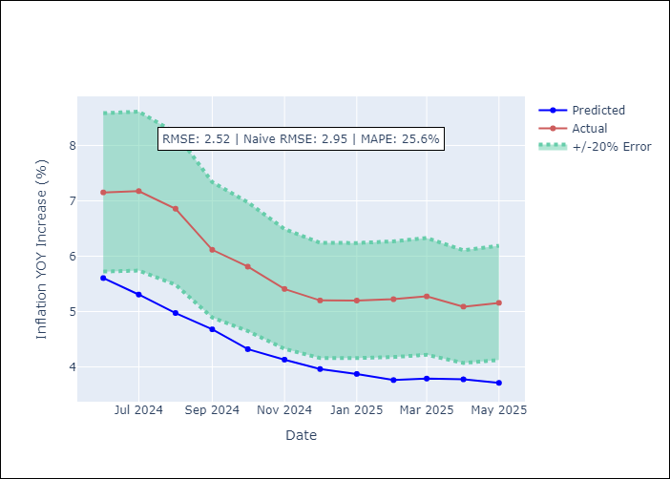
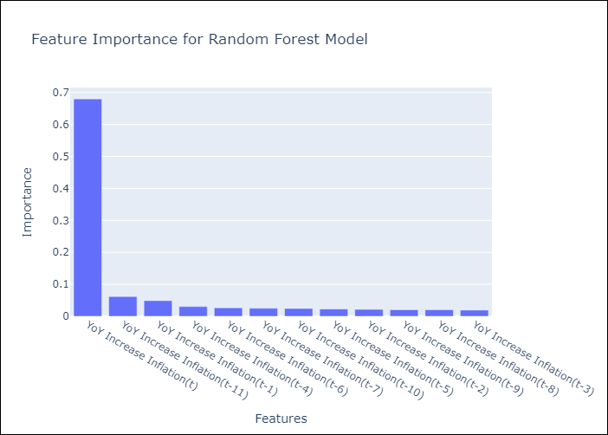

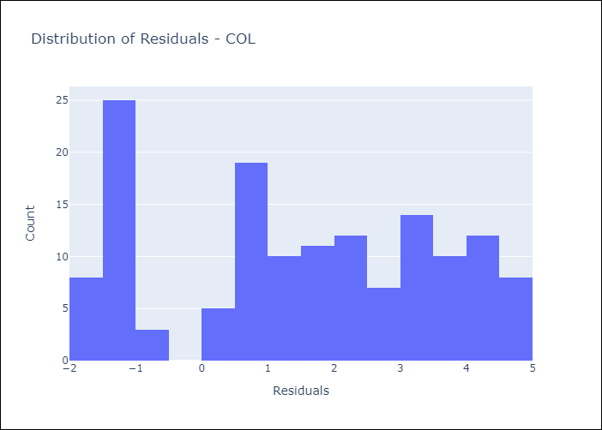
Appendix A: Model Summary
Model | Random Forest w/ Lags
Sample | 2006-01-01 to 2025-04-01
No. of Observations | 232
Residuals
Mean | 1.4892803532
St Dev | 2.0369198617
Kurtosis | -1.2092992197
Skewness | -0.14317081804

Assumptions | P-value

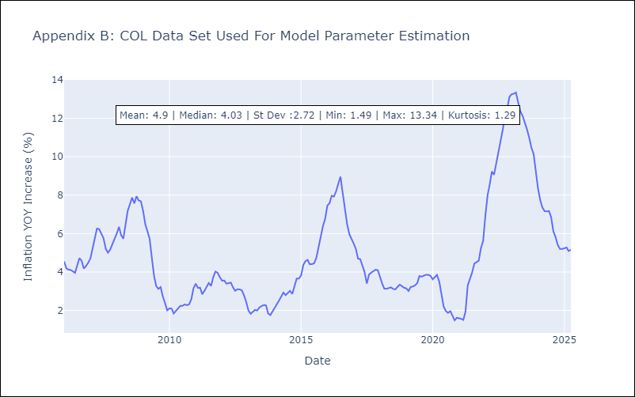

Appendix C: Residuals Analysis
Mean

ECU
ECU - Inflation - Next 12 months forecast as of: 2025-04-01

Model | Random Forest w/ Lags - [(2, 1, 1), (3, 0, 0, 12)]
Training Data | 2009-01-01 to 2024-05-01
Test Data | 2024-05-01 to 2025-04-01

Date | Inflation Change YoY % | Lower Bound - 95% Confidence Interval | Upper Bound - 95% Confidence Interval
2025-05-01 | 0.08 | -0.39 | 0.37
2025-06-01 | 0.02 | -0.42 | 0.39
2025-07-01 | -0.05 | -0.44 | 0.39
2025-08-01 | -0.08 | -0.44 | 0.33
2025-09-01 | -0.21 | -0.57 | 0.05
2025-10-01 | -0.3 | -0.62 | -0.08
2025-11-01 | -0.34 | -0.68 | -0.1
2025-12-01 | -0.33 | -0.65 | -0.21
2026-01-01 | -0.3 | -0.59 | -0.24
2026-02-01 | -0.2 | -0.45 | -0.03
2026-03-01 | -0.1 | -0.38 | 0.27
2026-04-01 | 0 | -0.26 | 0.44

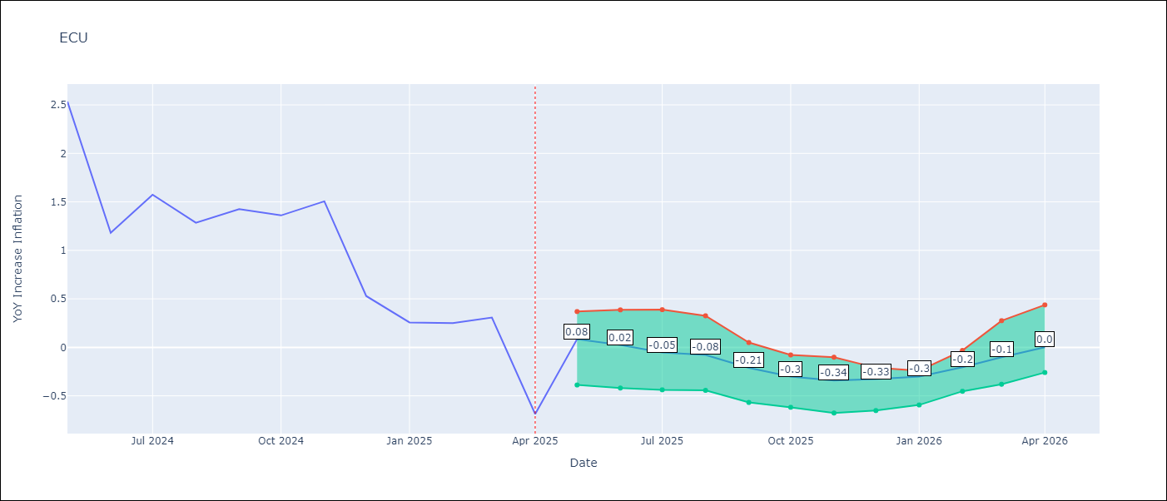

Test Metrics
RMSE | 1.44
Naive RMSE | 0.86
MAPE | 495.01%

Test Predictions
Date | Predicted | Actual
2024-06-01 | 3.01 | 2.53
2024-07-01 | 3.1 | 1.18
2024-08-01 | 3.26 | 1.57
2024-09-01 | 3.46 | 1.28
2024-10-01 | 3.69 | 1.42
2024-11-01 | 3.79 | 1.36
2024-12-01 | 3.81 | 1.51
2025-01-01 | 3.82 | 0.53
2025-02-01 | 3.78 | 0.26
2025-03-01 | 3.66 | 0.25
2025-04-01 | 3.5 | 0.31
2025-05-01 | 3.38 | -0.69

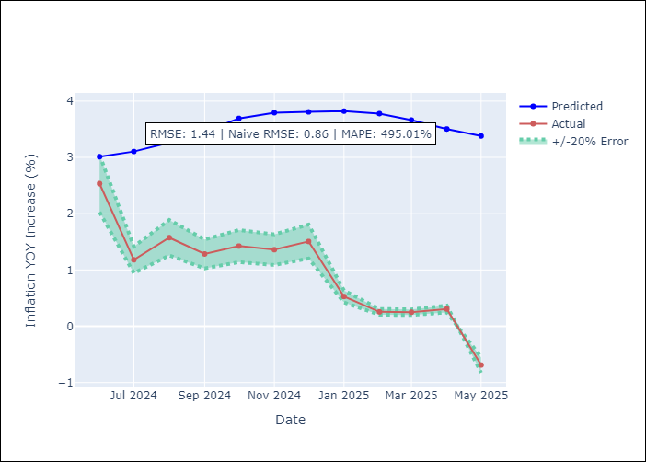
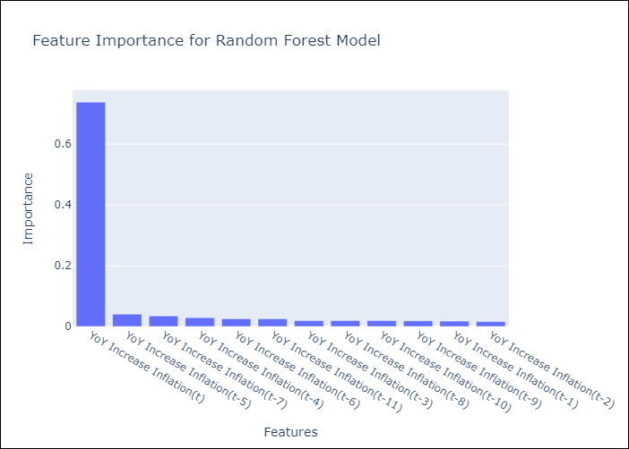

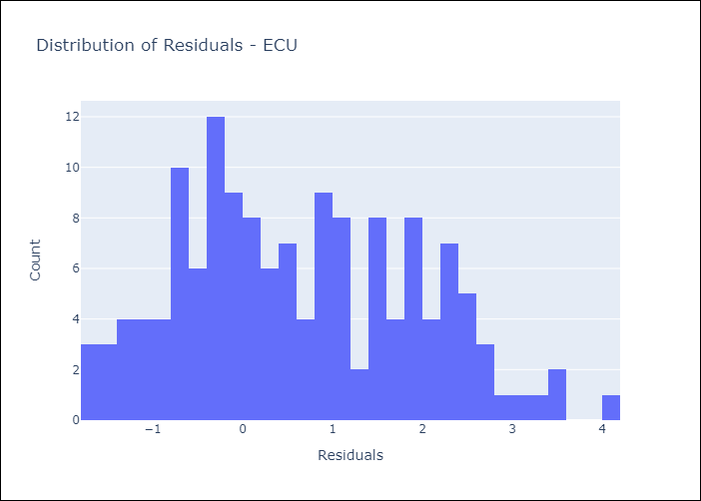
Appendix A: Model Summary
Model | Random Forest w/ Lags
Sample | 2009-01-01 to 2025-04-01
No. of Observations | 196
Residuals
Mean | 0.62725539986
St Dev | 1.2915427962
Kurtosis | -0.69125920264
Skewness | 0.28832760108

Assumptions | P-value

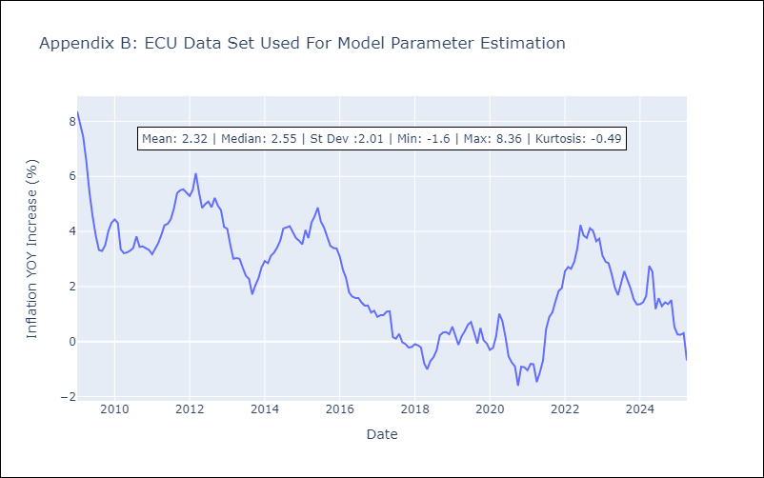

Appendix C: Residuals Analysis
Mean

PER
PER - Inflation - Next 12 months forecast as of: 2025-04-01

Model | Random Forest w/ Lags - [(3, 2, 0), (3, 0, 0, 12)]
Training Data | 1994-01-01 to 2024-05-01
Test Data | 2024-05-01 to 2025-04-01

Date | Inflation Change YoY % | Lower Bound - 95% Confidence Interval | Upper Bound - 95% Confidence Interval
2025-05-01 | 1.77 | 1.37 | 1.94
2025-06-01 | 1.83 | 1.31 | 2
2025-07-01 | 1.94 | 1.42 | 2.22
2025-08-01 | 1.97 | 1.57 | 2.14
2025-09-01 | 2.04 | 1.75 | 2.26
2025-10-01 | 2.06 | 1.78 | 2.57
2025-11-01 | 2.21 | 1.9 | 2.88
2025-12-01 | 2.28 | 1.98 | 3.14
2026-01-01 | 2.45 | 2.01 | 3.32
2026-02-01 | 2.5 | 2.09 | 3.39
2026-03-01 | 2.63 | 2.11 | 3.48
2026-04-01 | 2.82 | 2.29 | 3.69

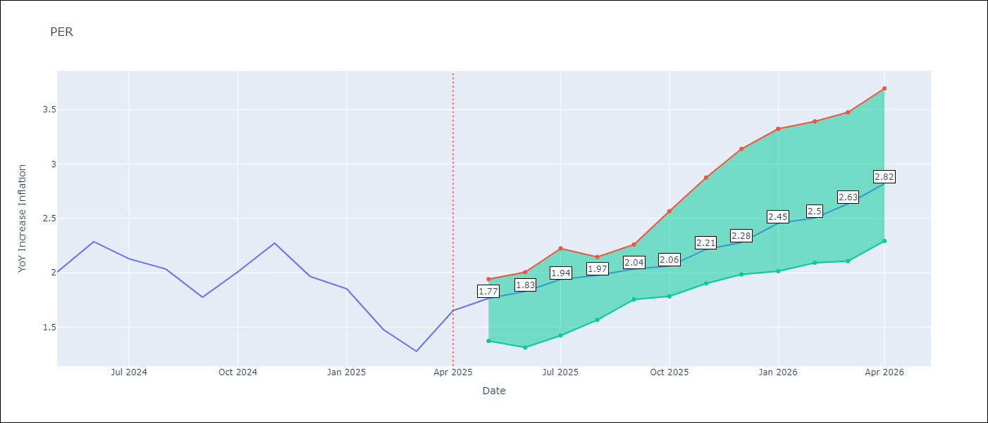

Test Metrics
RMSE | 1.05
Naive RMSE | 2.19
MAPE | 74.07%

Test Predictions
Date | Predicted | Actual
2024-06-01 | 2.87 | 2
2024-07-01 | 3.15 | 2.29
2024-08-01 | 3.3 | 2.13
2024-09-01 | 3.35 | 2.03
2024-10-01 | 3.35 | 1.78
2024-11-01 | 3.39 | 2.01
2024-12-01 | 3.38 | 2.27
2025-01-01 | 3.32 | 1.97
2025-02-01 | 3.14 | 1.85
2025-03-01 | 2.99 | 1.48
2025-04-01 | 3.09 | 1.28
2025-05-01 | 3.29 | 1.65

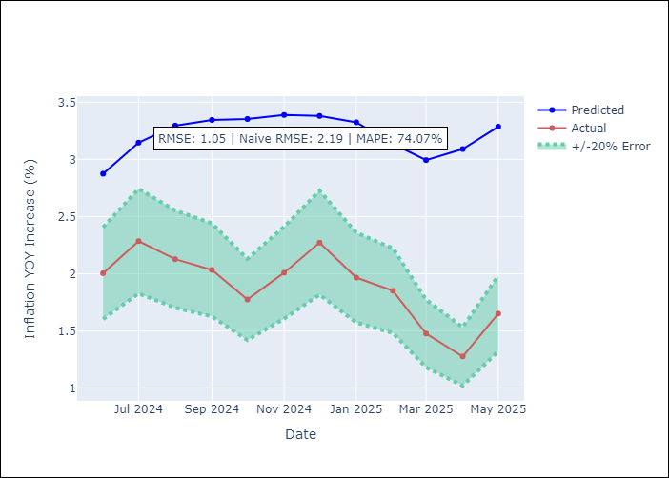
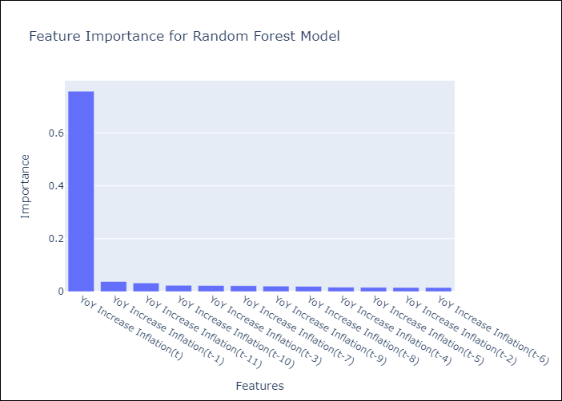

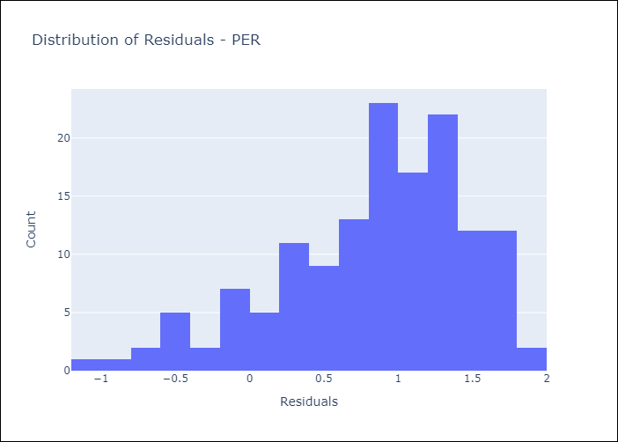
Appendix A: Model Summary
Model | Random Forest w/ Lags
Sample | 1994-01-01 to 2025-04-01
No. of Observations | 376
Residuals
Mean | 0.83642850251
St Dev | 0.62937438722
Kurtosis | 0.095163745826
Skewness | -0.75648869198

Assumptions | P-value

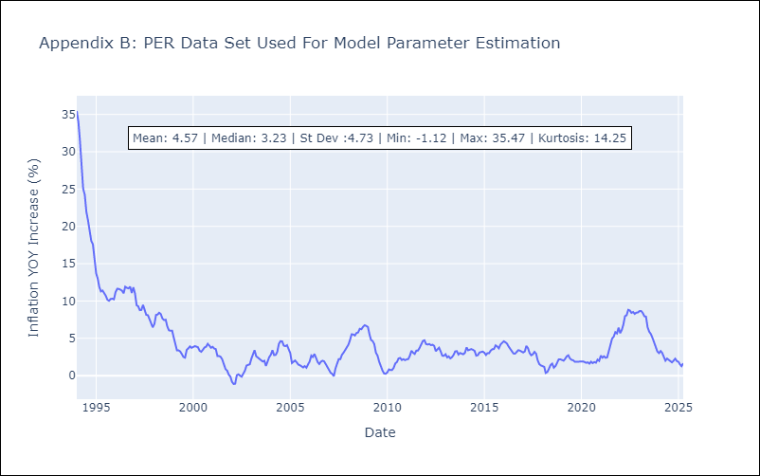

Appendix C: Residuals Analysis
Mean

PRY
PRY - Inflation - Next 12 months forecast as of: 2025-04-01

Model | Random Forest w/ Lags - [(2, 1, 1), (1, 0, 1, 12)]
Training Data | 1995-12-01 to 2024-05-01
Test Data | 2024-05-01 to 2025-04-01

Date | Inflation Change YoY % | Lower Bound - 95% Confidence Interval | Upper Bound - 95% Confidence Interval
2025-05-01 | 3.55 | 3.28 | 3.8
2025-06-01 | 3.32 | 3.14 | 3.79
2025-07-01 | 3.25 | 3.13 | 3.63
2025-08-01 | 3.29 | 3.09 | 3.43
2025-09-01 | 3.17 | 2.81 | 3.49
2025-10-01 | 3.14 | 2.79 | 3.51
2025-11-01 | 3.17 | 2.82 | 3.46
2025-12-01 | 3.13 | 2.7 | 3.46
2026-01-01 | 3.13 | 2.76 | 3.41
2026-02-01 | 3.17 | 2.82 | 3.51
2026-03-01 | 3.02 | 2.79 | 3.39
2026-04-01 | 2.98 | 2.78 | 3.47

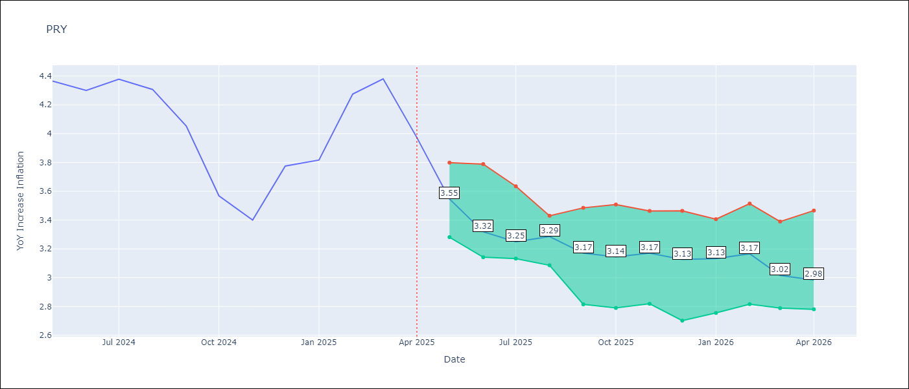

Test Metrics
RMSE | 0.88
Naive RMSE | 0.82
MAPE | 18.4%

Test Predictions
Date | Predicted | Actual
2024-06-01 | 3.52 | 4.36
2024-07-01 | 3.38 | 4.3
2024-08-01 | 3.11 | 4.38
2024-09-01 | 3.1 | 4.31
2024-10-01 | 3.22 | 4.05
2024-11-01 | 3.18 | 3.57
2024-12-01 | 3.25 | 3.4
2025-01-01 | 3.26 | 3.78
2025-02-01 | 3.25 | 3.82
2025-03-01 | 3.37 | 4.27
2025-04-01 | 3.39 | 4.38
2025-05-01 | 3.38 | 3.97

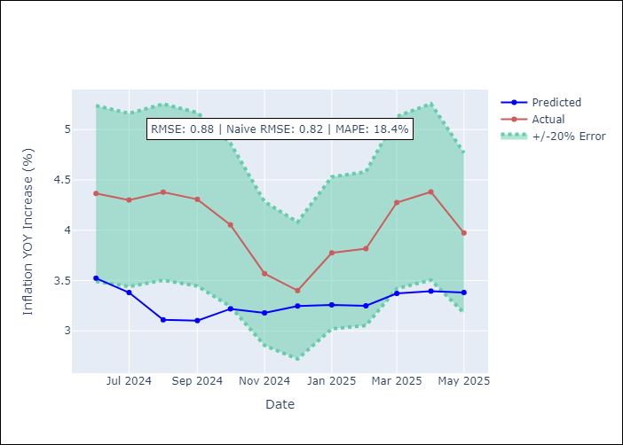
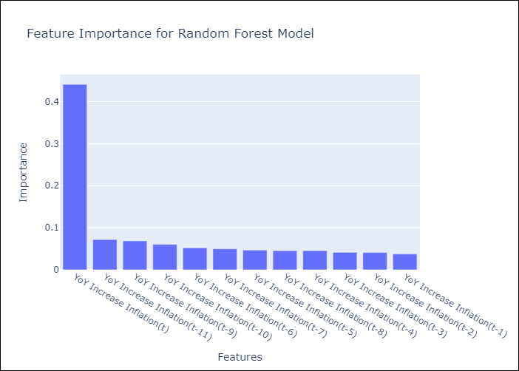

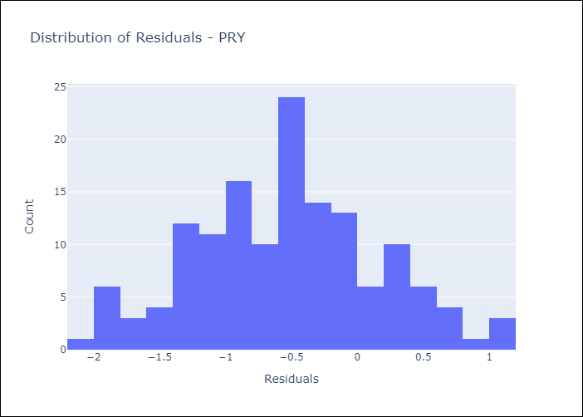
Appendix A: Model Summary
Model | Random Forest w/ Lags
Sample | 1995-12-01 to 2025-04-01
No. of Observations | 353
Residuals
Mean | -0.54444389713
St Dev | 0.69130752987
Kurtosis | -0.29924036843
Skewness | 0.088558745979

Assumptions | P-value



Appendix C: Residuals Analysis
Mean

URY
URY - Inflation - Next 12 months forecast as of: 2025-04-01

Model | Random Forest w/ Lags - [(0, 2, 1), (3, 0, 0, 12)]
Training Data | 1992-01-01 to 2024-05-01
Test Data | 2024-05-01 to 2025-04-01

Date | Inflation Change YoY % | Lower Bound - 95% Confidence Interval | Upper Bound - 95% Confidence Interval
2025-05-01 | 4.9 | 4.57 | 5.58
2025-06-01 | 4.82 | 4.38 | 5.81
2025-07-01 | 4.67 | 4.19 | 5.78
2025-08-01 | 4.53 | 4.05 | 5.75
2025-09-01 | 4.51 | 3.89 | 5.83
2025-10-01 | 4.62 | 3.98 | 5.84
2025-11-01 | 4.75 | 4.18 | 5.83
2025-12-01 | 5 | 4.54 | 5.92
2026-01-01 | 5.41 | 4.79 | 6
2026-02-01 | 5.9 | 5.02 | 6.49
2026-03-01 | 6.65 | 5.41 | 7.66
2026-04-01 | 8.18 | 6.04 | 9.91

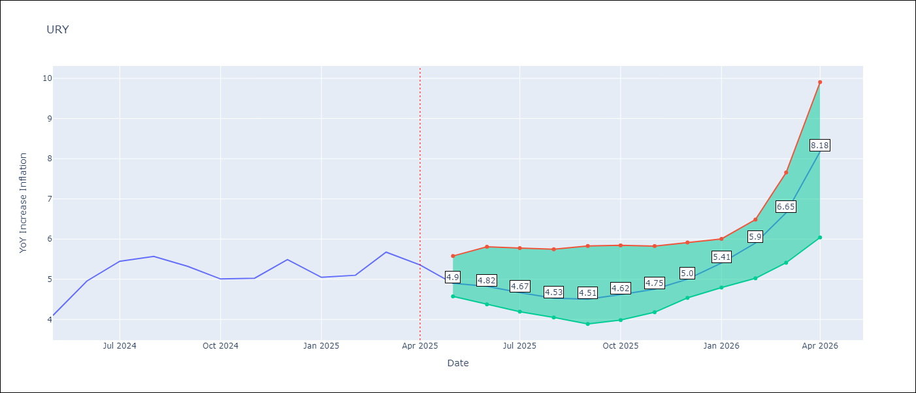

Test Metrics
RMSE | 1.9
Naive RMSE | 1.24
MAPE | 51.26%

Test Predictions
Date | Predicted | Actual
2024-06-01 | 4.14 | 4.1
2024-07-01 | 4.25 | 4.96
2024-08-01 | 4.41 | 5.45
2024-09-01 | 4.7 | 5.57
2024-10-01 | 4.98 | 5.32
2024-11-01 | 5.37 | 5.01
2024-12-01 | 5.9 | 5.03
2025-01-01 | 6.98 | 5.49
2025-02-01 | 8.72 | 5.05
2025-03-01 | 11.05 | 5.1
2025-04-01 | 13.55 | 5.67
2025-05-01 | 14.94 | 5.36

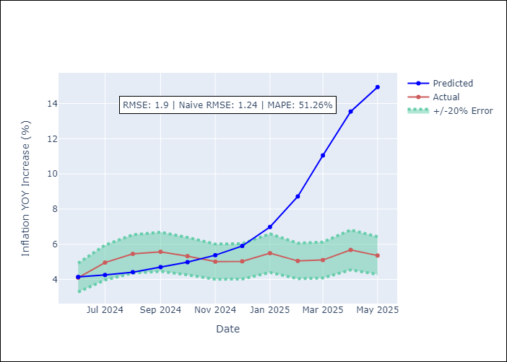
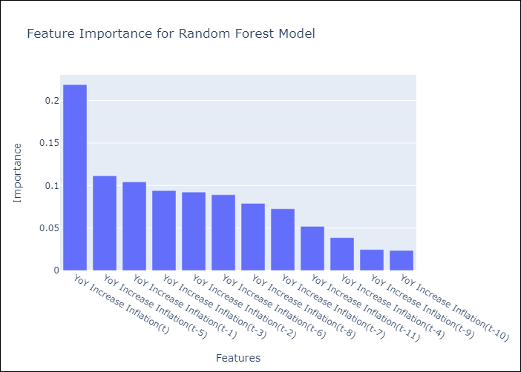

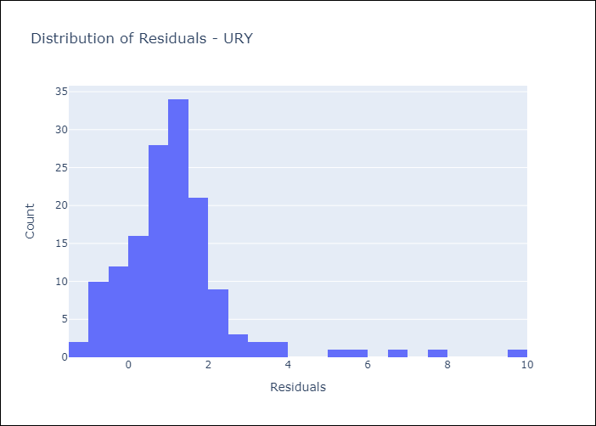
Appendix A: Model Summary
Model | Random Forest w/ Lags
Sample | 1992-01-01 to 2025-04-01
No. of Observations | 400
Residuals
Mean | 1.1709359988
St Dev | 1.4976331602
Kurtosis | 9.6144211736
Skewness | 2.415865279

Assumptions | P-value

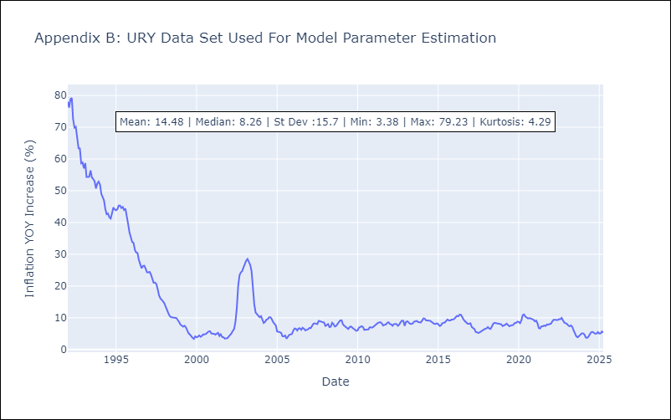

Appendix C: Residuals Analysis
Mean

VEN
VEN - Inflation - Next 12 months forecast as of: 2016-12-01

Model | Random Forest w/ Lags - [(3, 0, 0), (0, 0, 0, 12)]
Training Data | 2013-01-01 to 2016-01-01
Test Data | 2016-01-01 to 2016-12-01

Date | Inflation Change YoY % | Lower Bound - 95% Confidence Interval | Upper Bound - 95% Confidence Interval
2017-01-01 | 68.98 | 63.28 | 74.71
2017-02-01 | 74.34 | 64.93 | 79.05
2017-03-01 | 78.68 | 68.71 | 81.42
2017-04-01 | 81.54 | 73.09 | 83.03
2017-05-01 | 83.93 | 75.63 | 86.88
2017-06-01 | 88.64 | 78.88 | 95.95
2017-07-01 | 97.17 | 83.1 | 107.71
2017-08-01 | 109.38 | 88.06 | 124
2017-09-01 | 124.29 | 95.99 | 138.31
2017-10-01 | 139.07 | 107.11 | 152.77
2017-11-01 | 154.22 | 120.04 | 168.44
2017-12-01 | 168.08 | 133.26 | 177.84

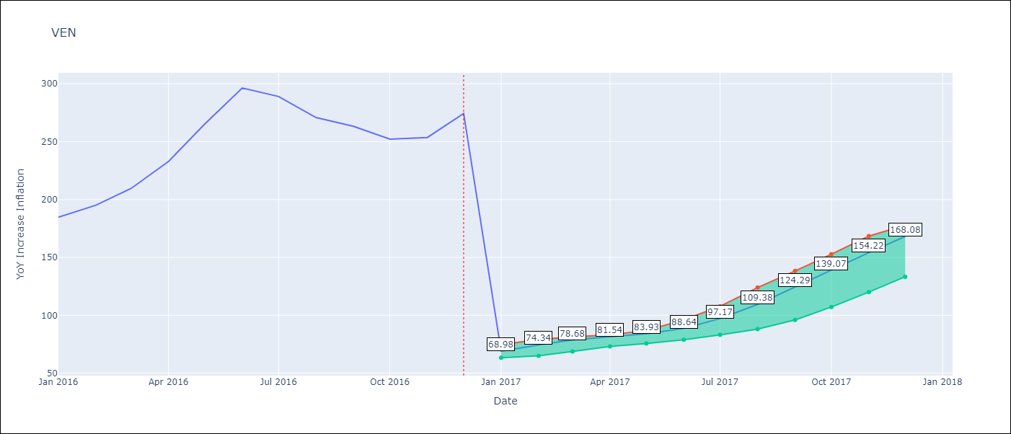

Test Metrics
RMSE | 98.19
Naive RMSE | 88.69
MAPE | 57.67%

Test Predictions
Date | Predicted | Actual
2016-02-01 | 68.98 | 184.76
2016-03-01 | 74.34 | 195.13
2016-04-01 | 78.68 | 209.56
2016-05-01 | 81.54 | 232.92
2016-06-01 | 83.93 | 265.24
2016-07-01 | 88.64 | 296.44
2016-08-01 | 97.17 | 289.06
2016-09-01 | 109.38 | 270.87
2016-10-01 | 124.29 | 263.24
2016-11-01 | 139.07 | 252.27
2016-12-01 | 154.22 | 253.65
2017-01-01 | 168.08 | 274.35

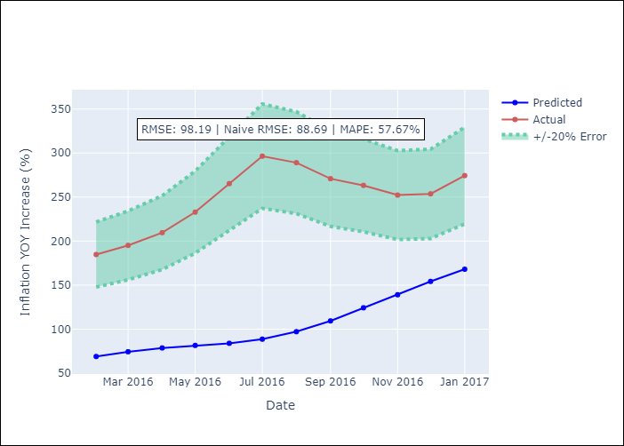
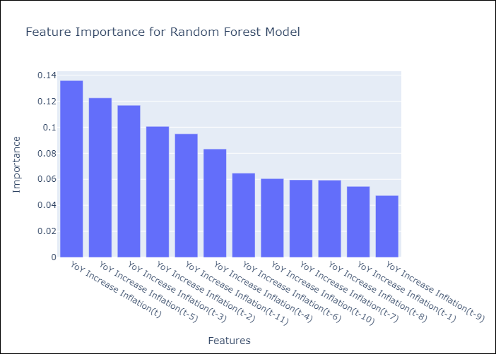

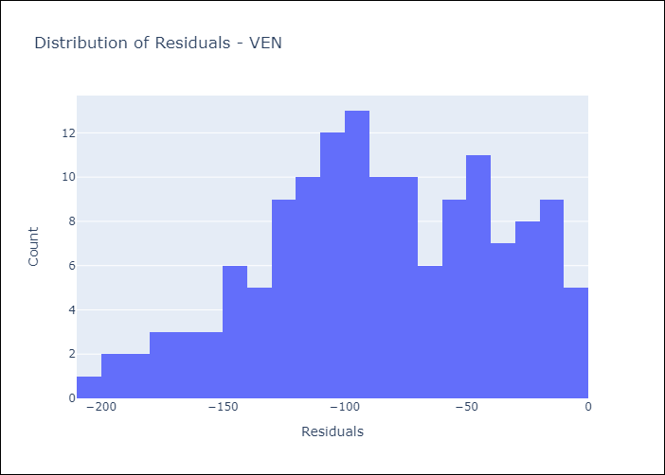
Appendix A: Model Summary
Model | Random Forest w/ Lags
Sample | 2013-01-01 to 2016-12-01
No. of Observations | 48
Residuals
Mean | -85.693826696
St Dev | 47.940428628
Kurtosis | -0.58057445794
Skewness | -0.27995403902

Assumptions | P-value

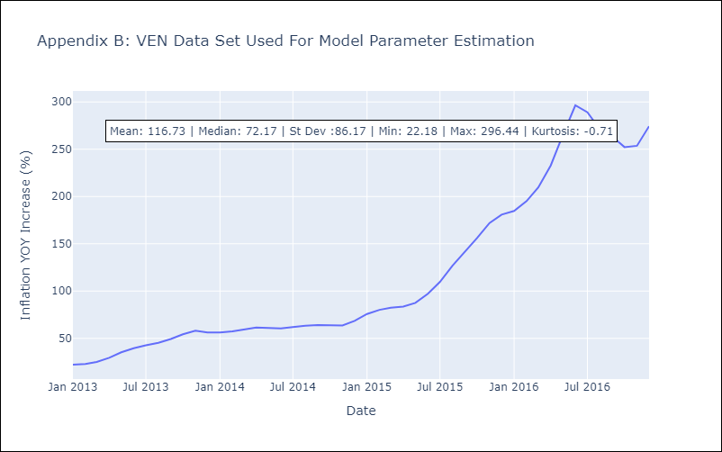

Appendix C: Residuals Analysis
Mean

