ARG
ARG - Inflation - Next 12 months forecast as of: 2025-04-01

Model | Random Forest w/ Lags - [(2, 2, 2), (0, 0, 1, 12)]
Training Data | 2007-01-01 to 2024-05-01
Test Data | 2024-05-01 to 2025-04-01

Date | Inflation Change YoY % | Lower Bound - 95% Confidence Interval | Upper Bound - 95% Confidence Interval
2025-05-01 | 56.14 | 49.39 | 71.49
2025-06-01 | 55.45 | 48.15 | 72.1
2025-07-01 | 54.86 | 47.37 | 71.88
2025-08-01 | 54.63 | 46.66 | 74.77
2025-09-01 | 54.52 | 45.28 | 77.55
2025-10-01 | 53.71 | 43.07 | 78.59
2025-11-01 | 54.18 | 42.47 | 83.23
2025-12-01 | 55.93 | 42.27 | 93.46
2026-01-01 | 58.91 | 43.01 | 104.04
2026-02-01 | 62.2 | 45.01 | 113.79
2026-03-01 | 65.09 | 46.89 | 122.35
2026-04-01 | 68.01 | 48.54 | 128.73

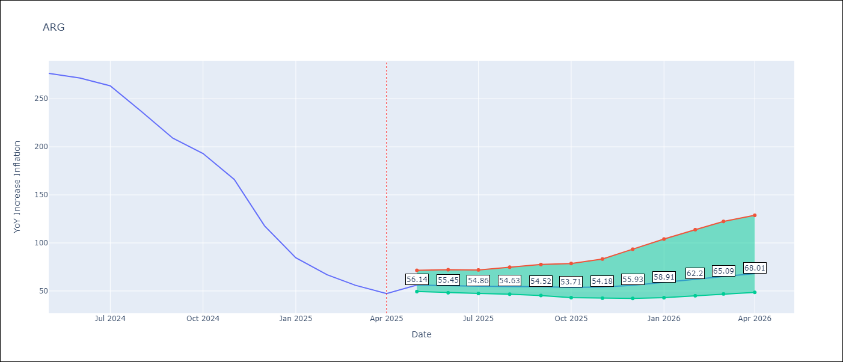

Test Metrics
RMSE | 112.09
Naive RMSE | 111.72
MAPE | 142.96%

Test Predictions
Date | Predicted | Actual
2024-06-01 | 111.33 | 276.41
2024-07-01 | 114.11 | 271.53
2024-08-01 | 113.72 | 263.45
2024-09-01 | 119.85 | 236.72
2024-10-01 | 131.49 | 209
2024-11-01 | 138.79 | 192.99
2024-12-01 | 151.95 | 166.03
2025-01-01 | 188.25 | 117.76
2025-02-01 | 230.2 | 84.54
2025-03-01 | 259.35 | 66.87
2025-04-01 | 277.09 | 55.93
2025-05-01 | 284.75 | 47.26

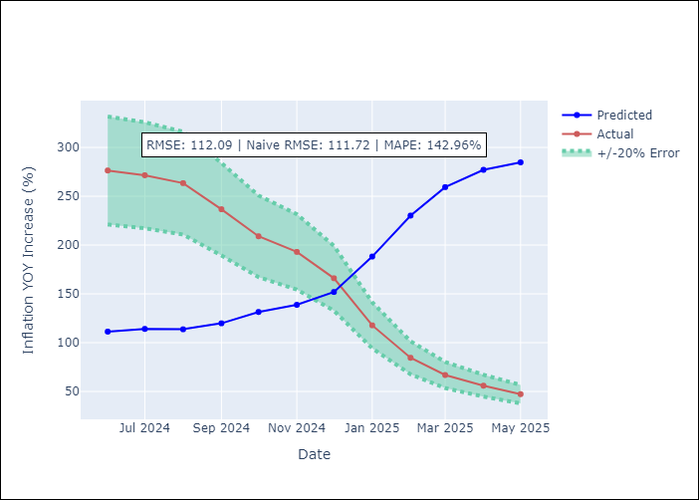
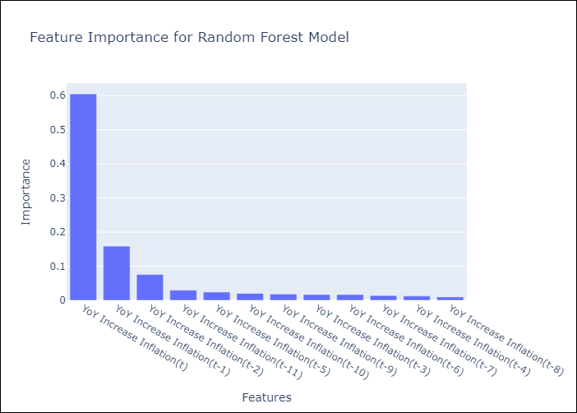

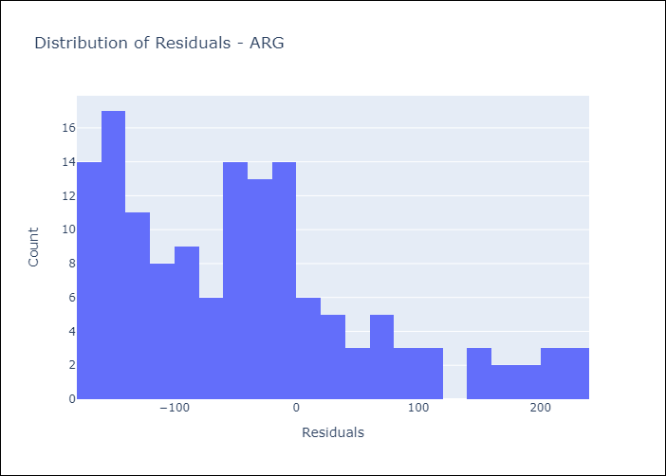
Appendix A: Model Summary
Model | Random Forest w/ Lags
Sample | 2007-01-01 to 2025-04-01
No. of Observations | 220
Residuals
Mean | -41.204088903
St Dev | 104.24310606
Kurtosis | 0.10907980475
Skewness | 0.84534108211

Assumptions | P-value

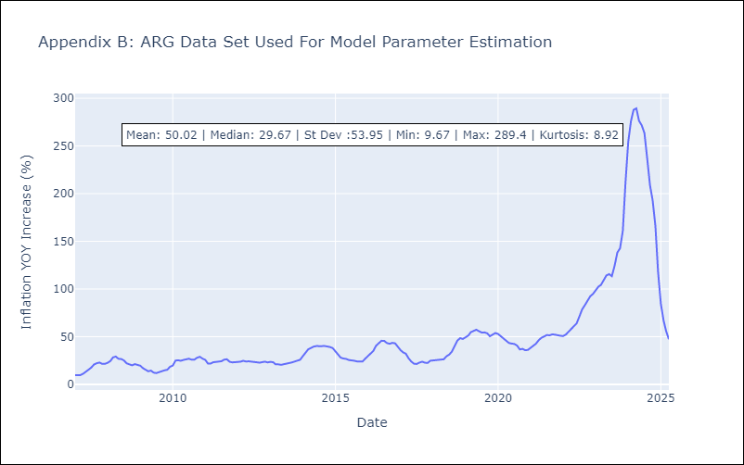

Appendix C: Residuals Analysis
Mean

BOL
BOL - Inflation - Next 12 months forecast as of: 2025-04-01

Model | Random Forest w/ Lags - [(1, 1, 2), (0, 0, 2, 12)]
Training Data | 2021-01-01 to 2024-05-01
Test Data | 2024-05-01 to 2025-04-01

Date | Inflation Change YoY % | Lower Bound - 95% Confidence Interval | Upper Bound - 95% Confidence Interval
2025-05-01 | 2.77 | 2.35 | 2.91
2025-06-01 | 2.77 | 2.34 | 2.87
2025-07-01 | 2.74 | 2.4 | 2.79
2025-08-01 | 2.83 | 2.55 | 2.9
2025-09-01 | 2.85 | 2.63 | 2.92
2025-10-01 | 2.63 | 2.3 | 2.89
2025-11-01 | 2.27 | 1.9 | 2.75
2025-12-01 | 2.18 | 1.82 | 2.49
2026-01-01 | 2.08 | 1.9 | 2.4
2026-02-01 | 2.22 | 1.96 | 2.54
2026-03-01 | 2.43 | 2.12 | 2.83
2026-04-01 | 2.79 | 2.41 | 3.16

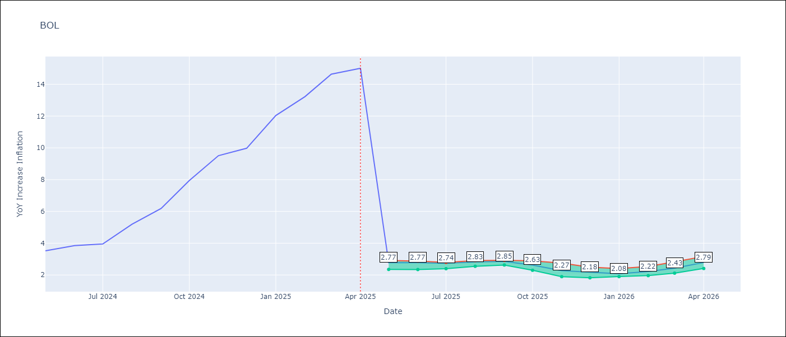

Test Metrics
RMSE | 3.89
Naive RMSE | 3.85
MAPE | 60.48%

Test Predictions
Date | Predicted | Actual
2024-06-01 | 2.76 | 3.52
2024-07-01 | 2.79 | 3.84
2024-08-01 | 2.77 | 3.95
2024-09-01 | 2.84 | 5.19
2024-10-01 | 2.8 | 6.18
2024-11-01 | 2.66 | 7.94
2024-12-01 | 2.48 | 9.51
2025-01-01 | 2.42 | 9.97
2025-02-01 | 2.25 | 12.03
2025-03-01 | 2.29 | 13.22
2025-04-01 | 2.37 | 14.63
2025-05-01 | 2.57 | 15.01

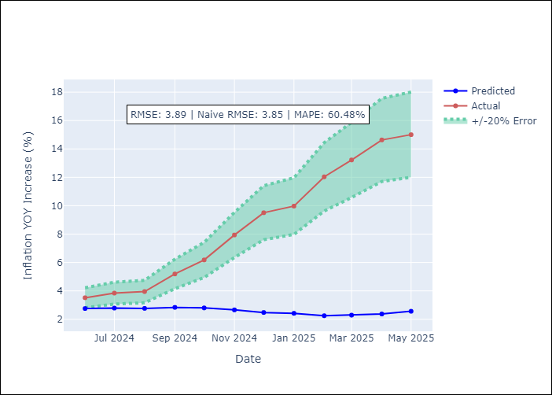
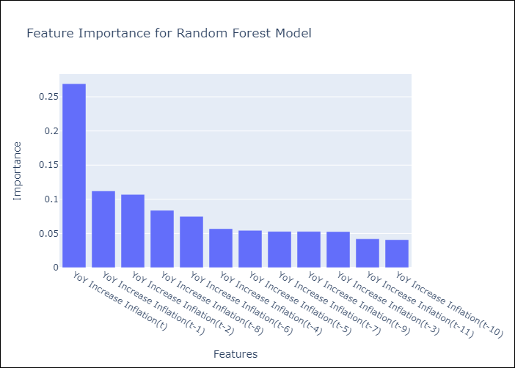

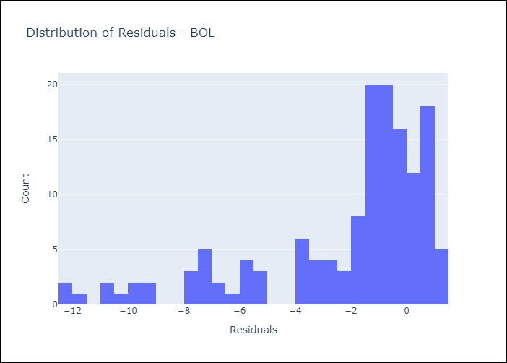
Appendix A: Model Summary
Model | Random Forest w/ Lags
Sample | 2021-01-01 to 2025-04-01
No. of Observations | 52
Residuals
Mean | -2.1766387557
St Dev | 3.2239283756
Kurtosis | 1.3423737213
Skewness | -1.4573476595

Assumptions | P-value

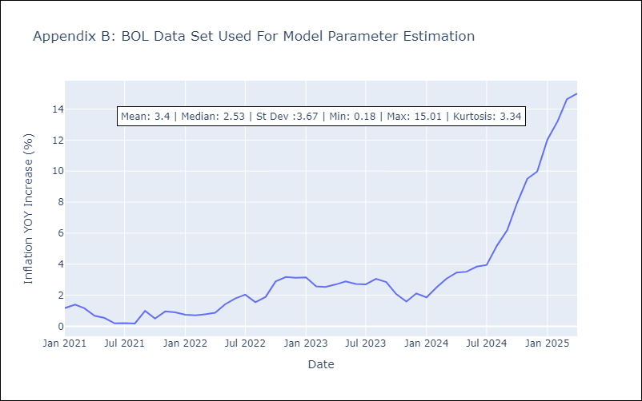

Appendix C: Residuals Analysis
Mean

BRA
BRA - Inflation - Next 12 months forecast as of: 2025-04-01

Model | Random Forest w/ Lags - [(1, 2, 1), (0, 0, 1, 12)]
Training Data | 1998-01-01 to 2024-05-01
Test Data | 2024-05-01 to 2025-04-01

Date | Inflation Change YoY % | Lower Bound - 95% Confidence Interval | Upper Bound - 95% Confidence Interval
2025-05-01 | 5.72 | 5.33 | 6.07
2025-06-01 | 5.86 | 5.33 | 6.24
2025-07-01 | 5.93 | 5.36 | 6.34
2025-08-01 | 6.02 | 5.44 | 6.46
2025-09-01 | 6.11 | 5.47 | 6.55
2025-10-01 | 6.14 | 5.44 | 6.61
2025-11-01 | 6.1 | 5.42 | 6.54
2025-12-01 | 6.01 | 5.39 | 6.5
2026-01-01 | 5.94 | 5.41 | 6.41
2026-02-01 | 5.84 | 5.34 | 6.41
2026-03-01 | 5.75 | 5.27 | 6.44
2026-04-01 | 5.64 | 5.21 | 6.46

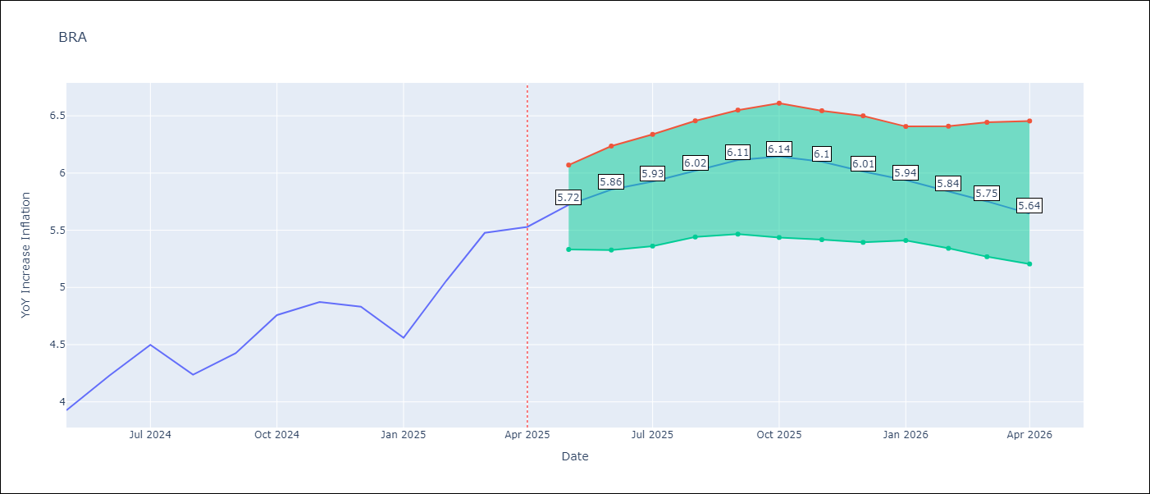

Test Metrics
RMSE | 1.06
Naive RMSE | 0.73
MAPE | 24.07%

Test Predictions
Date | Predicted | Actual
2024-06-01 | 3.84 | 3.93
2024-07-01 | 4.06 | 4.23
2024-08-01 | 4.01 | 4.5
2024-09-01 | 3.72 | 4.24
2024-10-01 | 3.49 | 4.42
2024-11-01 | 3.3 | 4.76
2024-12-01 | 3.08 | 4.87
2025-01-01 | 2.98 | 4.83
2025-02-01 | 3.06 | 4.56
2025-03-01 | 3.29 | 5.06
2025-04-01 | 3.58 | 5.48
2025-05-01 | 3.86 | 5.53

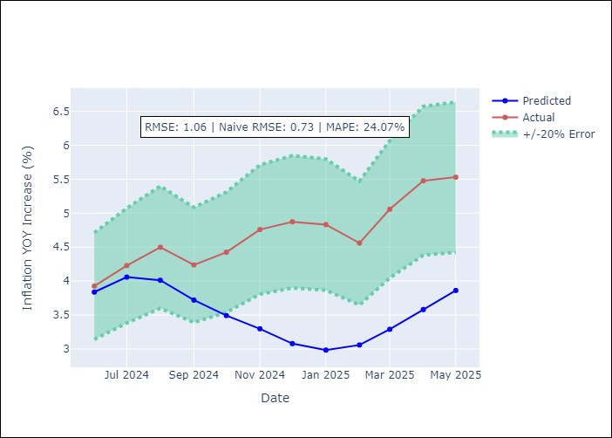
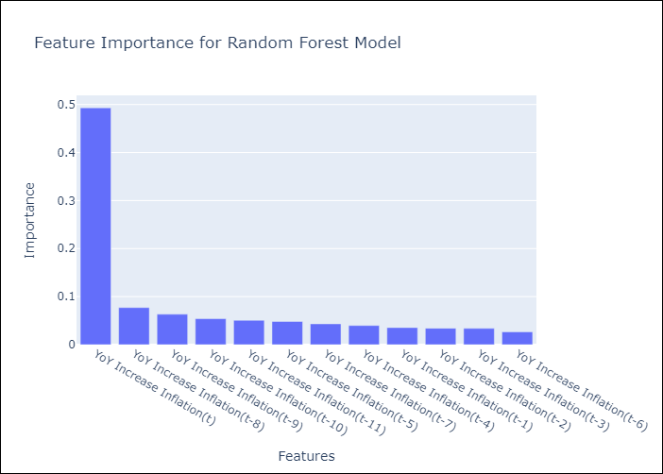

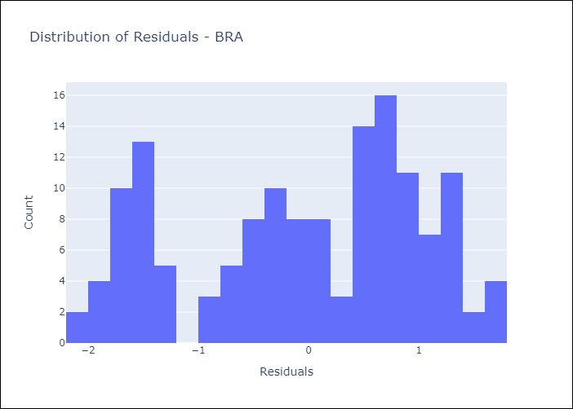
Appendix A: Model Summary
Model | Random Forest w/ Lags
Sample | 1998-01-01 to 2025-04-01
No. of Observations | 328
Residuals
Mean | -0.051796414625
St Dev | 1.0584891267
Kurtosis | -1.1148714958
Skewness | -0.29736349676

Assumptions | P-value



Appendix C: Residuals Analysis
Mean

CHL
CHL - Inflation - Next 12 months forecast as of: 2025-04-01

Model | Random Forest w/ Lags - [(2, 0, 0), (0, 0, 1, 12)]
Training Data | 2012-12-01 to 2024-05-01
Test Data | 2024-05-01 to 2025-04-01

Date | Inflation Change YoY % | Lower Bound - 95% Confidence Interval | Upper Bound - 95% Confidence Interval
2025-05-01 | 4.42 | 4.22 | 4.72
2025-06-01 | 4.32 | 4.13 | 4.79
2025-07-01 | 4.2 | 4.03 | 4.66
2025-08-01 | 4.1 | 3.82 | 4.55
2025-09-01 | 3.99 | 3.63 | 4.46
2025-10-01 | 3.94 | 3.45 | 4.47
2025-11-01 | 3.8 | 3.32 | 4.45
2025-12-01 | 3.7 | 3.23 | 4.5
2026-01-01 | 3.56 | 3.12 | 4.37
2026-02-01 | 3.48 | 3.03 | 4.39
2026-03-01 | 3.41 | 2.98 | 4.4
2026-04-01 | 3.32 | 2.89 | 4.43

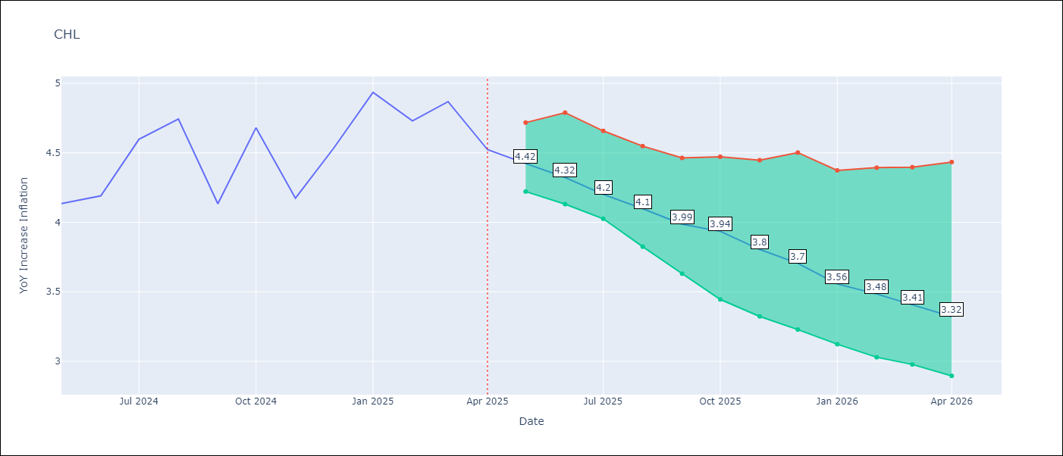

Test Metrics
RMSE | 1.37
Naive RMSE | 1.71
MAPE | 5.15%

Test Predictions
Date | Predicted | Actual
2024-06-01 | 4.28 | 4.13
2024-07-01 | 4.39 | 4.19
2024-08-01 | 4.47 | 4.6
2024-09-01 | 4.51 | 4.74
2024-10-01 | 4.51 | 4.13
2024-11-01 | 4.55 | 4.68
2024-12-01 | 4.66 | 4.17
2025-01-01 | 4.83 | 4.53
2025-02-01 | 4.93 | 4.94
2025-03-01 | 4.95 | 4.73
2025-04-01 | 4.96 | 4.87
2025-05-01 | 4.94 | 4.52

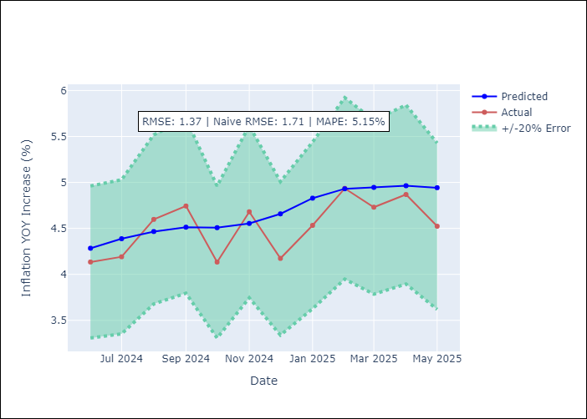
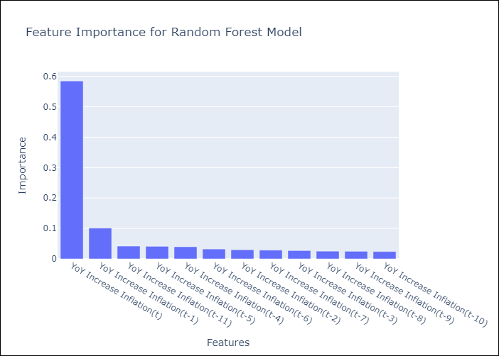

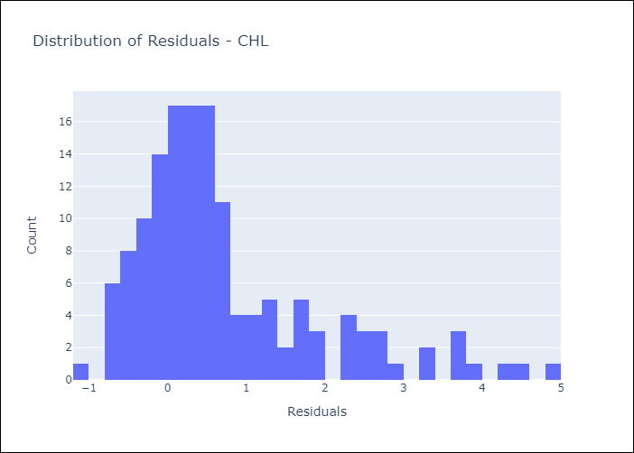
Appendix A: Model Summary
Model | Random Forest w/ Lags
Sample | 2012-12-01 to 2025-04-01
No. of Observations | 149
Residuals
Mean | 0.71657742176
St Dev | 1.1732824177
Kurtosis | 1.6450315555
Skewness | 1.421213435

Assumptions | P-value



Appendix C: Residuals Analysis
Mean

COL
COL - Inflation - Next 12 months forecast as of: 2025-04-01

Model | Random Forest w/ Lags - [(1, 0, 1), (0, 0, 0, 12)]
Training Data | 2006-01-01 to 2024-05-01
Test Data | 2024-05-01 to 2025-04-01

Date | Inflation Change YoY % | Lower Bound - 95% Confidence Interval | Upper Bound - 95% Confidence Interval
2025-05-01 | 5.69 | 5.11 | 5.97
2025-06-01 | 5.68 | 5.02 | 6.13
2025-07-01 | 5.84 | 5.02 | 6.33
2025-08-01 | 6.21 | 5.02 | 6.62
2025-09-01 | 6.42 | 4.92 | 6.89
2025-10-01 | 6.61 | 4.94 | 7.2
2025-11-01 | 6.68 | 4.95 | 7.34
2025-12-01 | 6.78 | 4.89 | 7.49
2026-01-01 | 6.77 | 4.85 | 7.49
2026-02-01 | 6.65 | 4.64 | 7.51
2026-03-01 | 6.41 | 4.6 | 7.24
2026-04-01 | 6.11 | 4.48 | 6.97

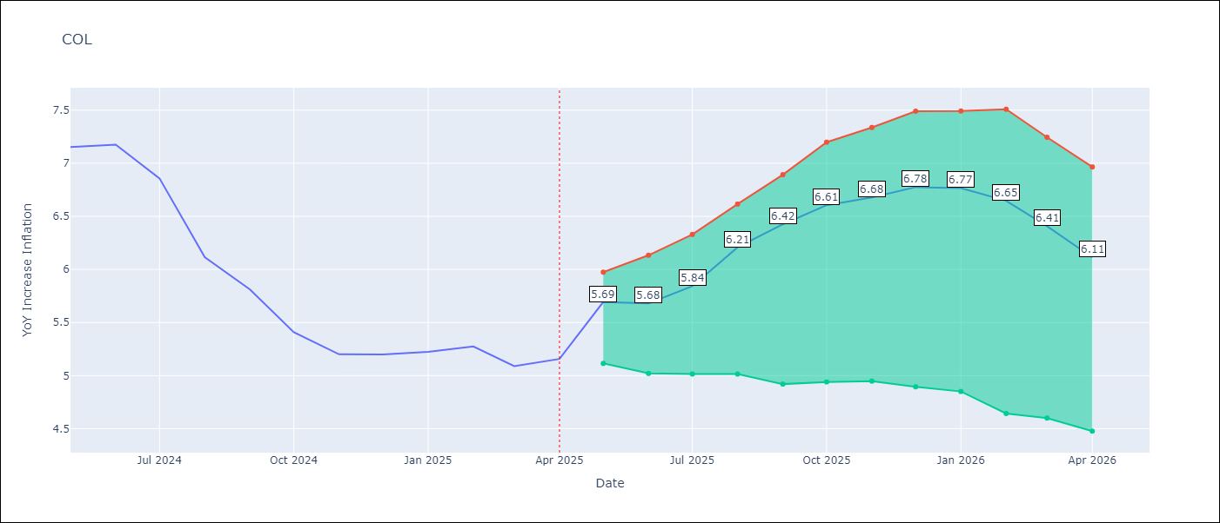

Test Metrics
RMSE | 2.53
Naive RMSE | 2.95
MAPE | 24.19%

Test Predictions
Date | Predicted | Actual
2024-06-01 | 5.76 | 7.15
2024-07-01 | 5.47 | 7.18
2024-08-01 | 5.14 | 6.86
2024-09-01 | 4.85 | 6.12
2024-10-01 | 4.49 | 5.81
2024-11-01 | 4.29 | 5.41
2024-12-01 | 4.02 | 5.2
2025-01-01 | 3.87 | 5.2
2025-02-01 | 3.72 | 5.22
2025-03-01 | 3.79 | 5.27
2025-04-01 | 3.8 | 5.09
2025-05-01 | 3.76 | 5.16

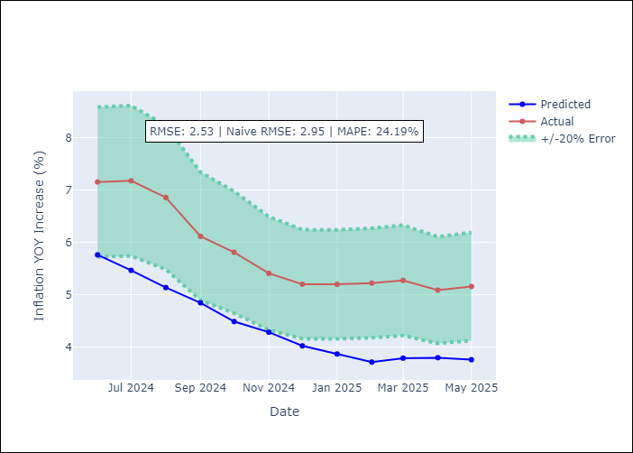
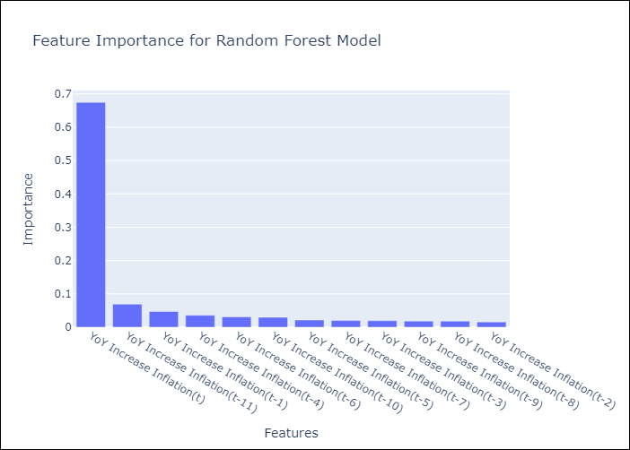

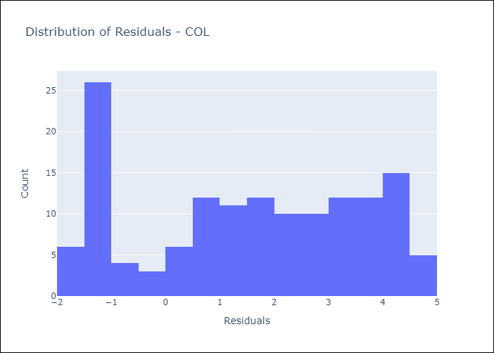
Appendix A: Model Summary
Model | Random Forest w/ Lags
Sample | 2006-01-01 to 2025-04-01
No. of Observations | 232
Residuals
Mean | 1.5402256437
St Dev | 2.0101054146
Kurtosis | -1.2804586765
Skewness | -0.14421456546

Assumptions | P-value

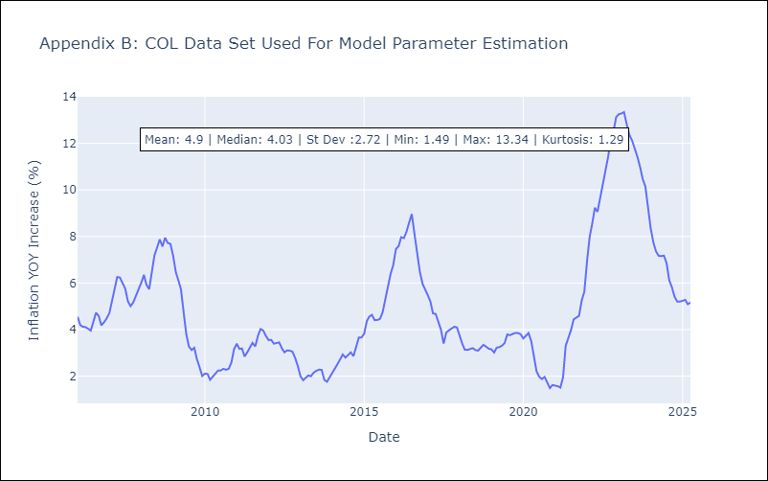

Appendix C: Residuals Analysis
Mean

ECU
ECU - Inflation - Next 12 months forecast as of: 2025-04-01

Model | Random Forest w/ Lags - [(2, 1, 1), (3, 0, 0, 12)]
Training Data | 2009-01-01 to 2024-05-01
Test Data | 2024-05-01 to 2025-04-01

Date | Inflation Change YoY % | Lower Bound - 95% Confidence Interval | Upper Bound - 95% Confidence Interval
2025-05-01 | 0 | -0.54 | 0.39
2025-06-01 | -0.1 | -0.5 | 0.35
2025-07-01 | -0.07 | -0.54 | 0.29
2025-08-01 | -0.11 | -0.47 | 0.24
2025-09-01 | -0.25 | -0.55 | 0.08
2025-10-01 | -0.34 | -0.64 | -0.04
2025-11-01 | -0.43 | -0.73 | -0.06
2025-12-01 | -0.49 | -0.72 | -0.2
2026-01-01 | -0.45 | -0.72 | -0.22
2026-02-01 | -0.3 | -0.58 | -0.01
2026-03-01 | -0.1 | -0.48 | 0.17
2026-04-01 | 0.06 | -0.49 | 0.43

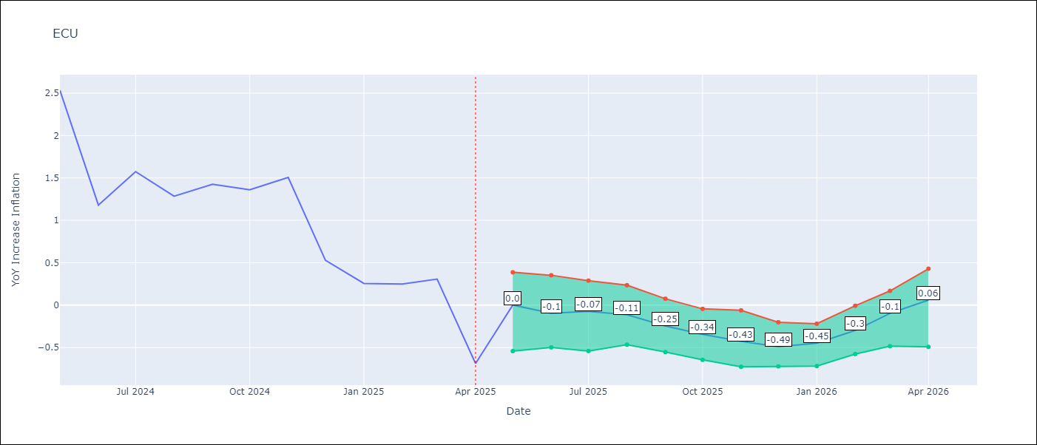

Test Metrics
RMSE | 1.4
Naive RMSE | 0.86
MAPE | 461.4%

Test Predictions
Date | Predicted | Actual
2024-06-01 | 2.83 | 2.53
2024-07-01 | 2.93 | 1.18
2024-08-01 | 3.07 | 1.57
2024-09-01 | 3.23 | 1.28
2024-10-01 | 3.44 | 1.42
2024-11-01 | 3.5 | 1.36
2024-12-01 | 3.57 | 1.51
2025-01-01 | 3.59 | 0.53
2025-02-01 | 3.55 | 0.26
2025-03-01 | 3.44 | 0.25
2025-04-01 | 3.37 | 0.31
2025-05-01 | 3.17 | -0.69

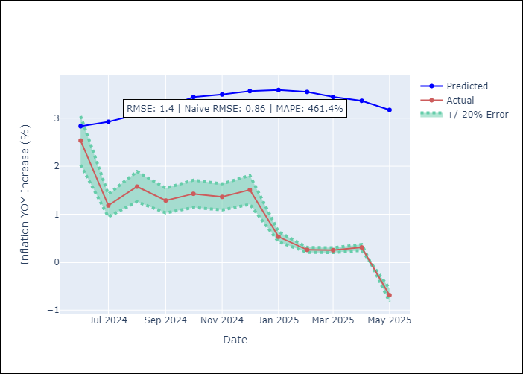


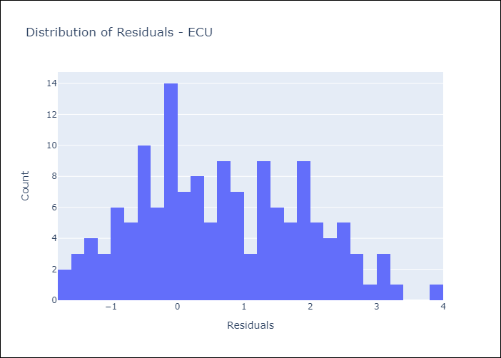
Appendix A: Model Summary
Model | Random Forest w/ Lags
Sample | 2009-01-01 to 2025-04-01
No. of Observations | 196
Residuals
Mean | 0.6612586157
St Dev | 1.2344376808
Kurtosis | -0.72529964971
Skewness | 0.20928792549

Assumptions | P-value

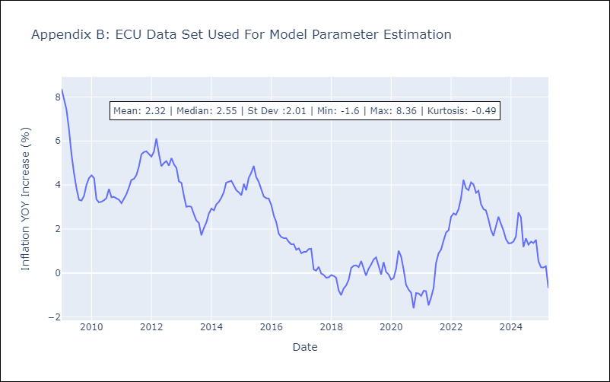

Appendix C: Residuals Analysis
Mean

PER
PER - Inflation - Next 12 months forecast as of: 2025-04-01

Model | Random Forest w/ Lags - [(3, 2, 0), (3, 0, 0, 12)]
Training Data | 1994-01-01 to 2024-05-01
Test Data | 2024-05-01 to 2025-04-01

Date | Inflation Change YoY % | Lower Bound - 95% Confidence Interval | Upper Bound - 95% Confidence Interval
2025-05-01 | 1.68 | 1.54 | 1.88
2025-06-01 | 1.69 | 1.58 | 1.97
2025-07-01 | 1.79 | 1.68 | 2.14
2025-08-01 | 1.83 | 1.69 | 2.13
2025-09-01 | 1.93 | 1.85 | 2.25
2025-10-01 | 2.02 | 1.81 | 2.35
2025-11-01 | 2.16 | 1.95 | 2.6
2025-12-01 | 2.29 | 1.95 | 2.82
2026-01-01 | 2.42 | 2.18 | 2.93
2026-02-01 | 2.53 | 2.22 | 3.09
2026-03-01 | 2.69 | 2.29 | 3.21
2026-04-01 | 2.93 | 2.3 | 3.49

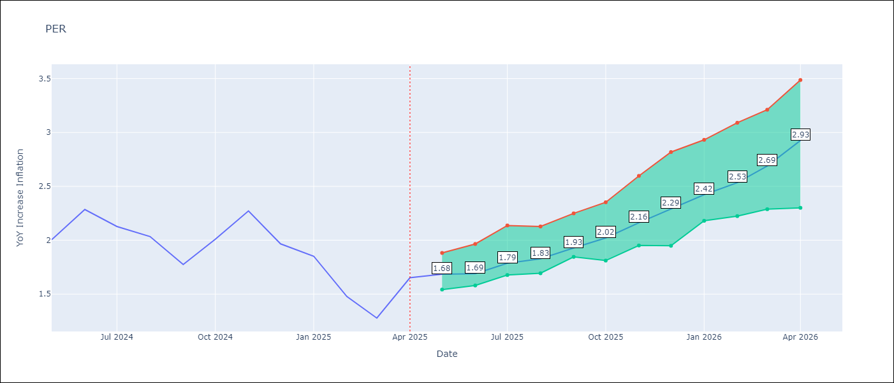

Test Metrics
RMSE | 1.01
Naive RMSE | 2.19
MAPE | 70.53%

Test Predictions
Date | Predicted | Actual
2024-06-01 | 2.86 | 2
2024-07-01 | 3.08 | 2.29
2024-08-01 | 3.16 | 2.13
2024-09-01 | 3.23 | 2.03
2024-10-01 | 3.23 | 1.78
2024-11-01 | 3.3 | 2.01
2024-12-01 | 3.31 | 2.27
2025-01-01 | 3.25 | 1.97
2025-02-01 | 3.12 | 1.85
2025-03-01 | 3.03 | 1.48
2025-04-01 | 3.06 | 1.28
2025-05-01 | 3.17 | 1.65

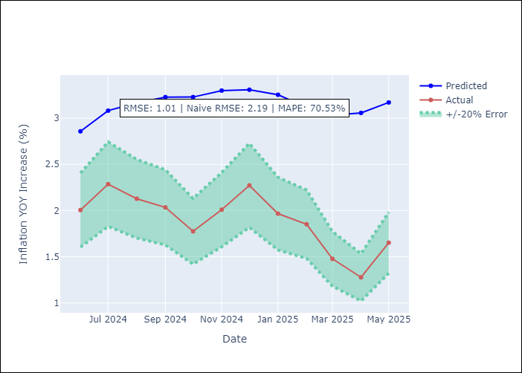
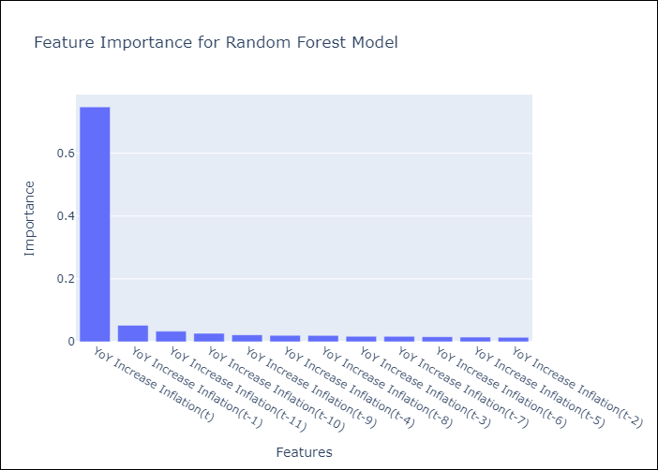

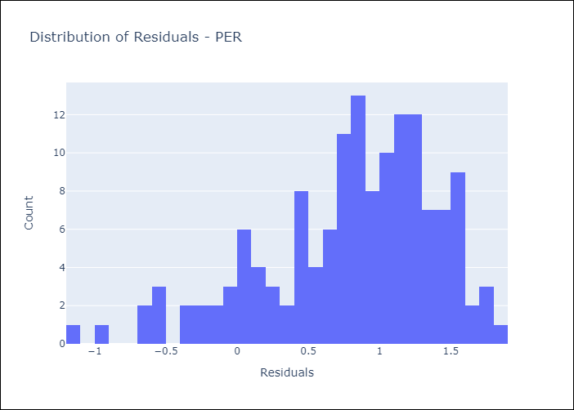
Appendix A: Model Summary
Model | Random Forest w/ Lags
Sample | 1994-01-01 to 2025-04-01
No. of Observations | 376
Residuals
Mean | 0.80830672306
St Dev | 0.60679019575
Kurtosis | 0.31485469252
Skewness | -0.81974445962

Assumptions | P-value

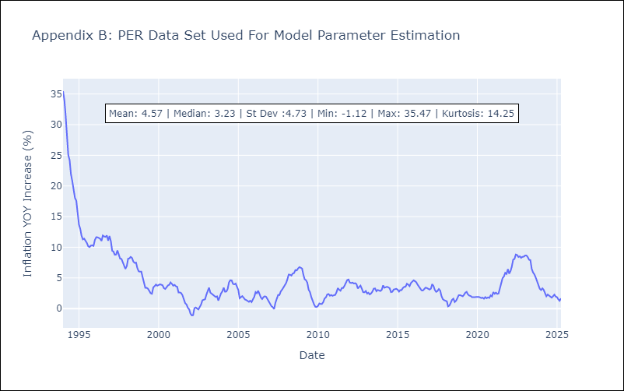

Appendix C: Residuals Analysis
Mean

PRY
PRY - Inflation - Next 12 months forecast as of: 2025-04-01

Model | Random Forest w/ Lags - [(2, 1, 1), (1, 0, 1, 12)]
Training Data | 1995-12-01 to 2024-05-01
Test Data | 2024-05-01 to 2025-04-01

Date | Inflation Change YoY % | Lower Bound - 95% Confidence Interval | Upper Bound - 95% Confidence Interval
2025-05-01 | 3.47 | 3.3 | 3.91
2025-06-01 | 3.32 | 3.03 | 3.81
2025-07-01 | 3.26 | 2.99 | 3.81
2025-08-01 | 3.2 | 3.06 | 3.77
2025-09-01 | 3.1 | 2.82 | 3.7
2025-10-01 | 3.07 | 2.9 | 3.73
2025-11-01 | 3.16 | 2.91 | 3.55
2025-12-01 | 3.15 | 2.84 | 3.55
2026-01-01 | 3.15 | 2.86 | 3.51
2026-02-01 | 3.2 | 2.81 | 3.65
2026-03-01 | 3.1 | 2.71 | 3.67
2026-04-01 | 3.02 | 2.68 | 3.75

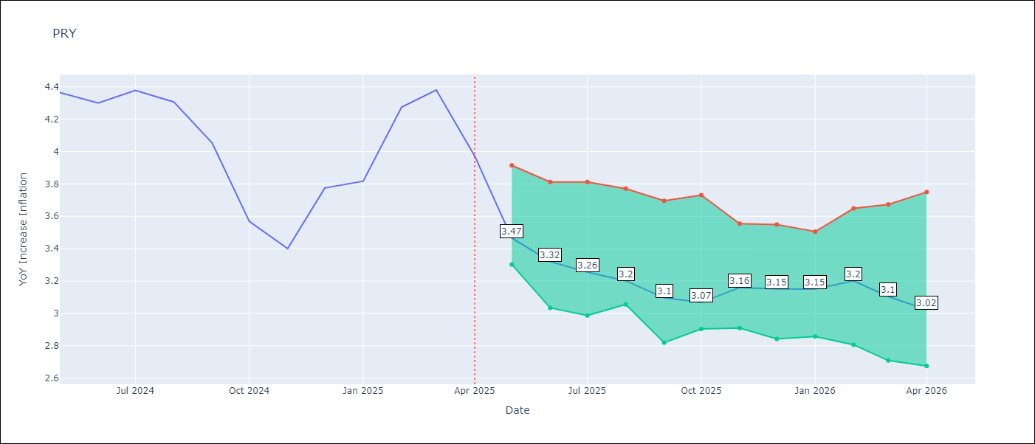

Test Metrics
RMSE | 0.85
Naive RMSE | 0.82
MAPE | 21.91%

Test Predictions
Date | Predicted | Actual
2024-06-01 | 3.3 | 4.36
2024-07-01 | 3.36 | 4.3
2024-08-01 | 3.13 | 4.38
2024-09-01 | 3.12 | 4.31
2024-10-01 | 3.13 | 4.05
2024-11-01 | 2.94 | 3.57
2024-12-01 | 3.13 | 3.4
2025-01-01 | 3.06 | 3.78
2025-02-01 | 3.07 | 3.82
2025-03-01 | 3.19 | 4.27
2025-04-01 | 3.15 | 4.38
2025-05-01 | 3.15 | 3.97

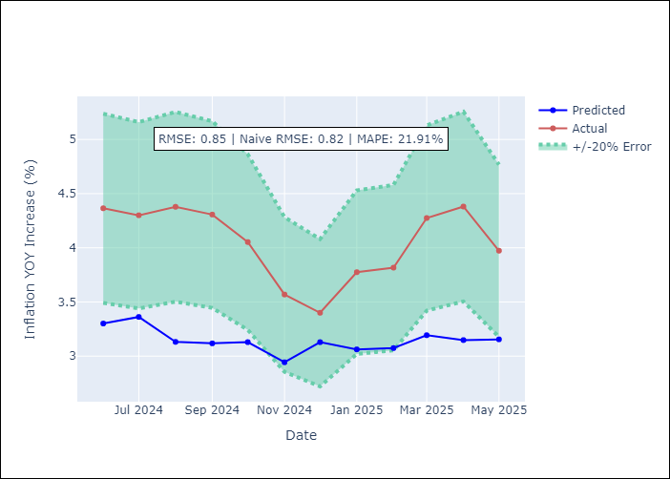
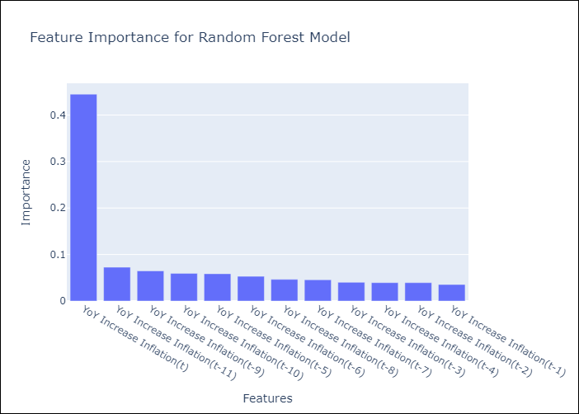

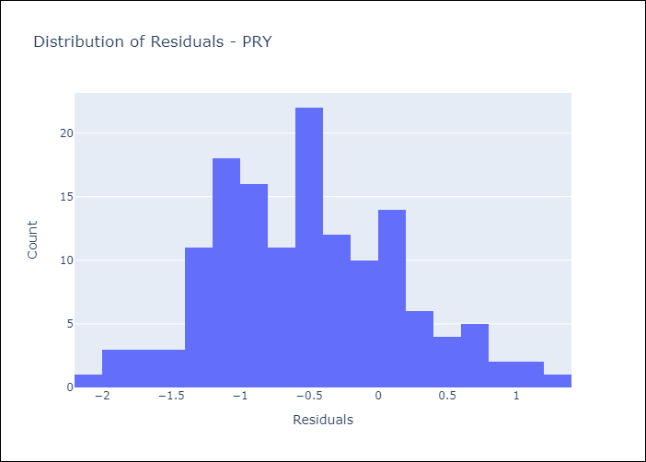
Appendix A: Model Summary
Model | Random Forest w/ Lags
Sample | 1995-12-01 to 2025-04-01
No. of Observations | 353
Residuals
Mean | -0.51643887077
St Dev | 0.67592774847
Kurtosis | -0.23109165706
Skewness | 0.30766524998

Assumptions | P-value



Appendix C: Residuals Analysis
Mean

URY
URY - Inflation - Next 12 months forecast as of: 2025-04-01

Model | Random Forest w/ Lags - [(0, 2, 1), (3, 0, 0, 12)]
Training Data | 1992-01-01 to 2024-05-01
Test Data | 2024-05-01 to 2025-04-01

Date | Inflation Change YoY % | Lower Bound - 95% Confidence Interval | Upper Bound - 95% Confidence Interval
2025-05-01 | 4.64 | 4.36 | 5.62
2025-06-01 | 4.61 | 4.3 | 5.56
2025-07-01 | 4.42 | 4.04 | 5.72
2025-08-01 | 4.28 | 3.86 | 5.62
2025-09-01 | 4.28 | 3.82 | 5.6
2025-10-01 | 4.49 | 3.95 | 5.72
2025-11-01 | 4.63 | 4.27 | 5.8
2025-12-01 | 4.96 | 4.56 | 5.89
2026-01-01 | 5.37 | 4.85 | 6.09
2026-02-01 | 5.84 | 5.01 | 6.58
2026-03-01 | 6.89 | 5.27 | 7.54
2026-04-01 | 8.84 | 5.72 | 10.14

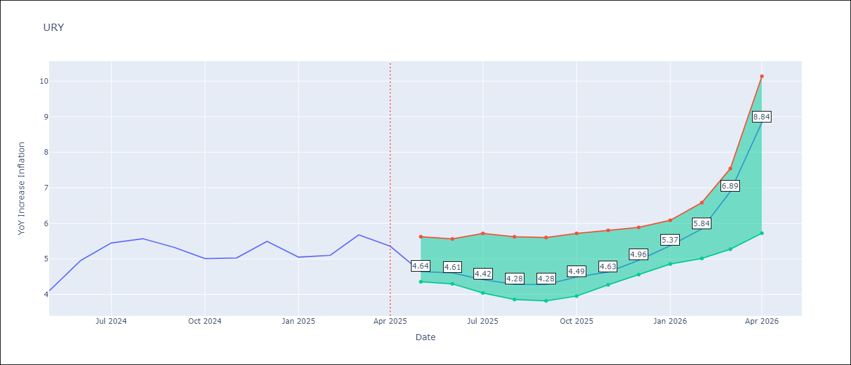

Test Metrics
RMSE | 1.75
Naive RMSE | 1.24
MAPE | 48.93%

Test Predictions
Date | Predicted | Actual
2024-06-01 | 4.2 | 4.1
2024-07-01 | 4.3 | 4.96
2024-08-01 | 4.52 | 5.45
2024-09-01 | 4.88 | 5.57
2024-10-01 | 5.22 | 5.32
2024-11-01 | 5.6 | 5.01
2024-12-01 | 6.05 | 5.03
2025-01-01 | 6.98 | 5.49
2025-02-01 | 8.51 | 5.05
2025-03-01 | 10.7 | 5.1
2025-04-01 | 13.05 | 5.67
2025-05-01 | 14.59 | 5.36

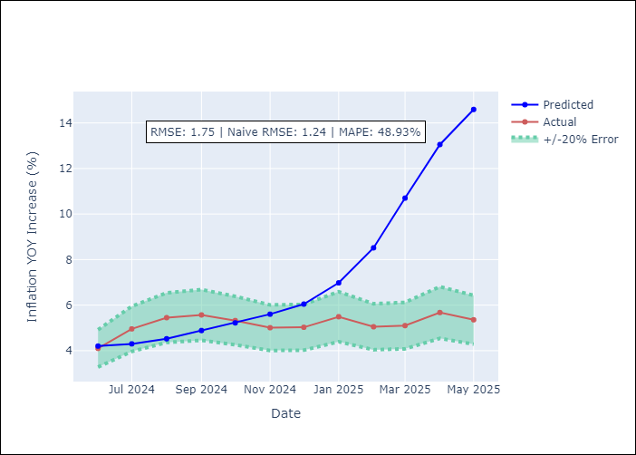
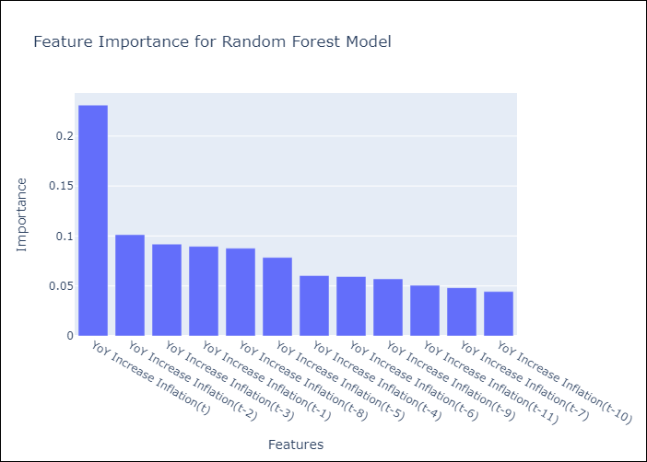

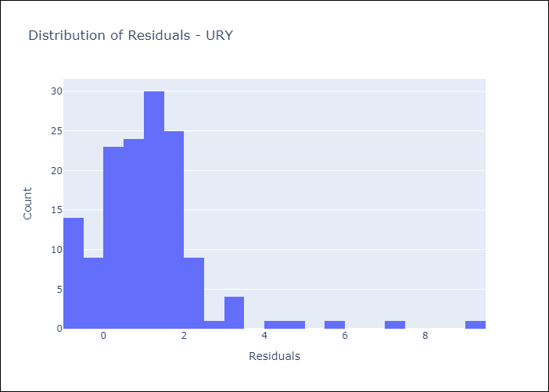
Appendix A: Model Summary
Model | Random Forest w/ Lags
Sample | 1992-01-01 to 2025-04-01
No. of Observations | 400
Residuals
Mean | 1.0931184803
St Dev | 1.3724076445
Kurtosis | 10.615698504
Skewness | 2.4144802739

Assumptions | P-value

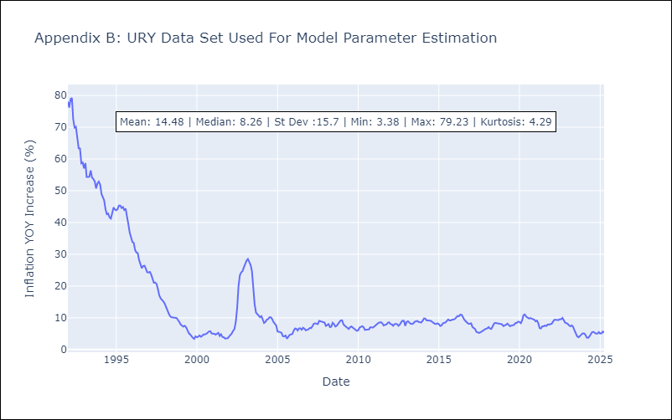

Appendix C: Residuals Analysis
Mean

VEN
VEN - Inflation - Next 12 months forecast as of: 2016-12-01

Model | Random Forest w/ Lags - [(3, 0, 0), (0, 0, 0, 12)]
Training Data | 2013-01-01 to 2016-01-01
Test Data | 2016-01-01 to 2016-12-01

Date | Inflation Change YoY % | Lower Bound - 95% Confidence Interval | Upper Bound - 95% Confidence Interval
2017-01-01 | 69.72 | 63.63 | 74.66
2017-02-01 | 75.03 | 64.76 | 78.61
2017-03-01 | 79.23 | 68.83 | 80.97
2017-04-01 | 81.9 | 74.72 | 82.58
2017-05-01 | 84.42 | 78.71 | 86.6
2017-06-01 | 89.65 | 81.53 | 95.69
2017-07-01 | 98.62 | 84.04 | 107.23
2017-08-01 | 111.5 | 88.58 | 123.01
2017-09-01 | 126.43 | 97.31 | 137.01
2017-10-01 | 141.32 | 109.97 | 151.26
2017-11-01 | 156.54 | 125.27 | 167.04
2017-12-01 | 169.79 | 139.82 | 176.48

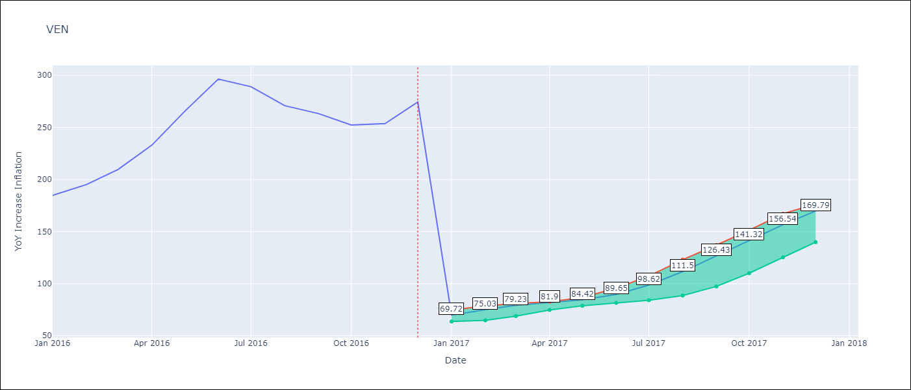

Test Metrics
RMSE | 96.96
Naive RMSE | 88.69
MAPE | 57.15%

Test Predictions
Date | Predicted | Actual
2016-02-01 | 69.72 | 184.76
2016-03-01 | 75.03 | 195.13
2016-04-01 | 79.23 | 209.56
2016-05-01 | 81.9 | 232.92
2016-06-01 | 84.42 | 265.24
2016-07-01 | 89.65 | 296.44
2016-08-01 | 98.62 | 289.06
2016-09-01 | 111.5 | 270.87
2016-10-01 | 126.43 | 263.24
2016-11-01 | 141.32 | 252.27
2016-12-01 | 156.54 | 253.65
2017-01-01 | 169.79 | 274.35

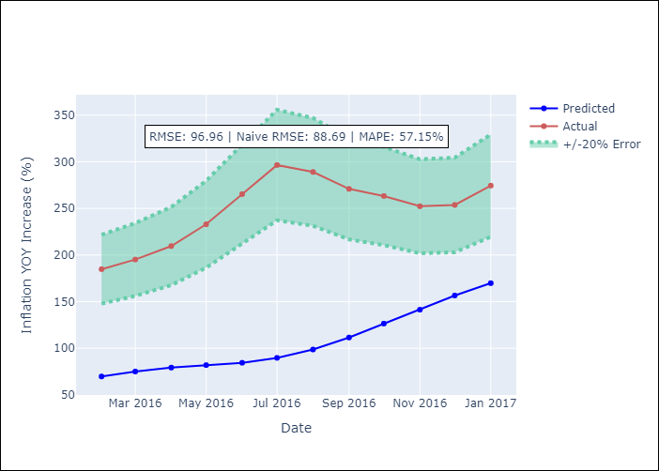
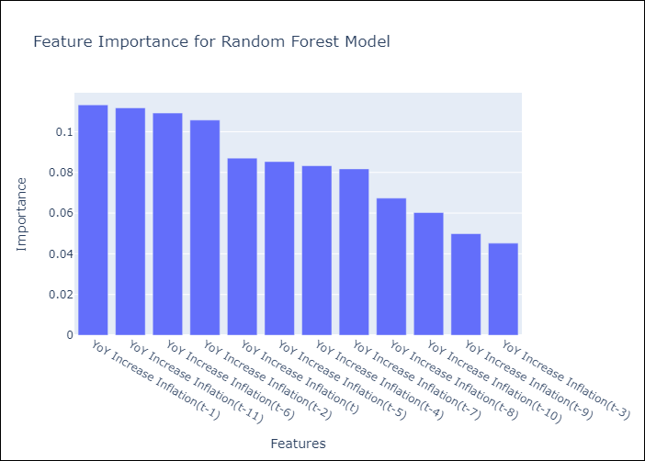

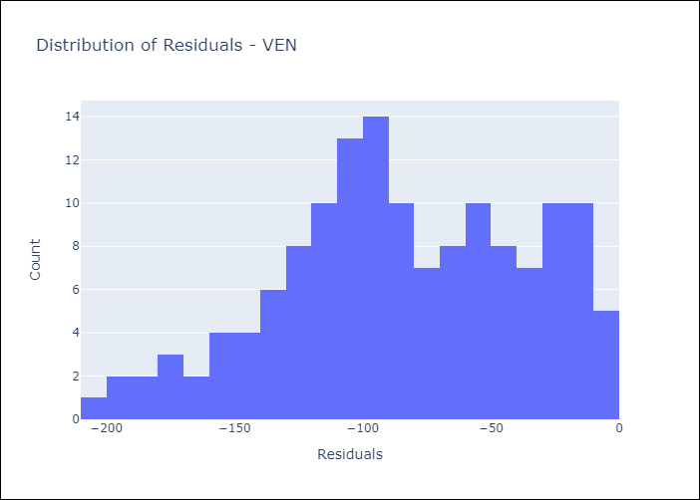
Appendix A: Model Summary
Model | Random Forest w/ Lags
Sample | 2013-01-01 to 2016-12-01
No. of Observations | 48
Residuals
Mean | -84.353157602
St Dev | 47.816289502
Kurtosis | -0.58336960718
Skewness | -0.28257724874

Assumptions | P-value

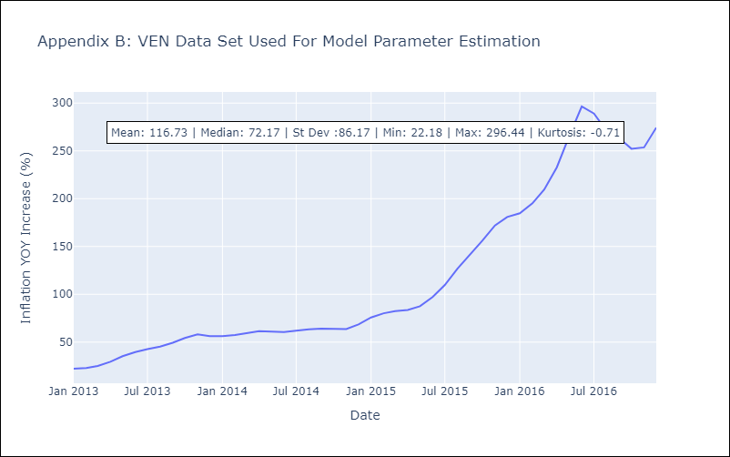

Appendix C: Residuals Analysis
Mean

