ARG
ARG - Inflation - Next 12 months forecast as of: 2025-04-01

Model | Random Forest w/ Lags - [(2, 2, 2), (0, 0, 1, 12)]
Training Data | 2007-01-01 to 2024-05-01
Test Data | 2024-05-01 to 2025-04-01

Date | Inflation Change YoY % | Lower Bound - 95% Confidence Interval | Upper Bound - 95% Confidence Interval
2025-05-01 | 58.16 | 50.23 | 79.08
2025-06-01 | 57.78 | 48.86 | 80.94
2025-07-01 | 57.18 | 47.56 | 81.64
2025-08-01 | 56.86 | 46.96 | 83.5
2025-09-01 | 56.35 | 45.76 | 87.72
2025-10-01 | 55.46 | 44.38 | 91.56
2025-11-01 | 55.84 | 42.81 | 94.03
2025-12-01 | 57.39 | 41.65 | 103.54
2026-01-01 | 59.7 | 41.09 | 121.54
2026-02-01 | 63.28 | 40.55 | 136.74
2026-03-01 | 67.92 | 40.84 | 147.58
2026-04-01 | 71.87 | 42.48 | 159.69

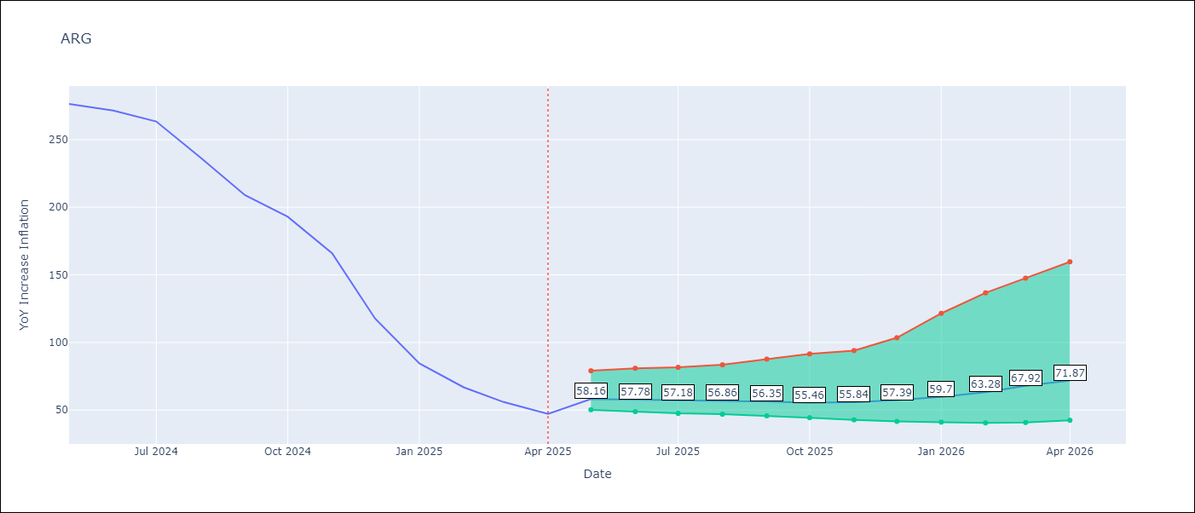

Test Metrics
RMSE | 112.16
Naive RMSE | 111.72
MAPE | 144.25%

Test Predictions
Date | Predicted | Actual
2024-06-01 | 111.7 | 276.41
2024-07-01 | 114.42 | 271.53
2024-08-01 | 113.85 | 263.45
2024-09-01 | 120.2 | 236.72
2024-10-01 | 132.2 | 209
2024-11-01 | 139.54 | 192.99
2024-12-01 | 153.02 | 166.03
2025-01-01 | 190.54 | 117.76
2025-02-01 | 233.41 | 84.54
2025-03-01 | 262.49 | 66.87
2025-04-01 | 279.46 | 55.93
2025-05-01 | 286.01 | 47.26

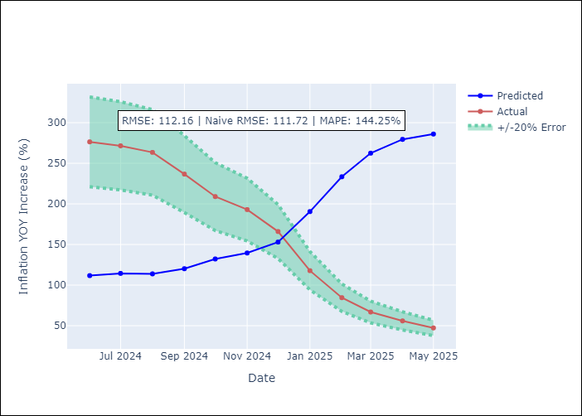
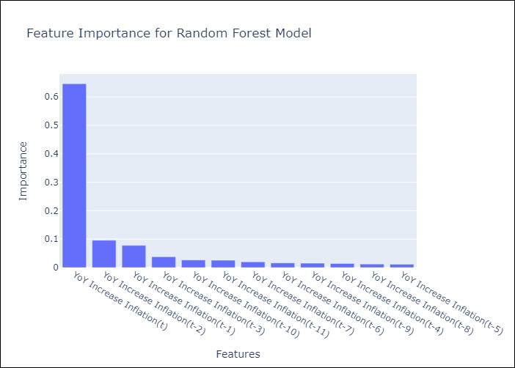

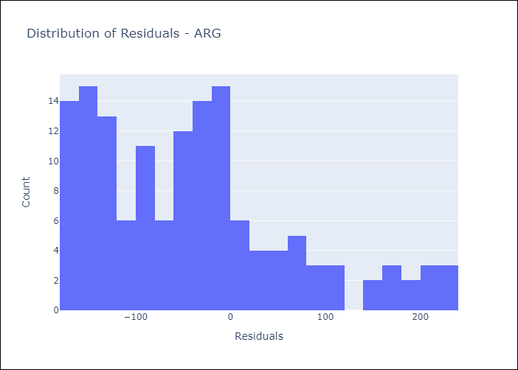
Appendix A: Model Summary
Model | Random Forest w/ Lags
Sample | 2007-01-01 to 2025-04-01
No. of Observations | 220
Residuals
Mean | -39.874685074
St Dev | 104.83440667
Kurtosis | 0.086010106685
Skewness | 0.83630448249

Assumptions | P-value

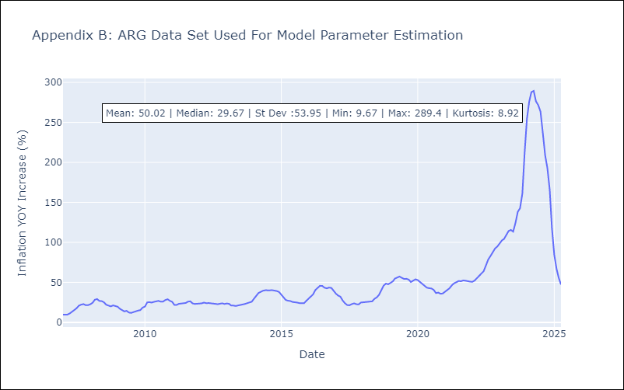

Appendix C: Residuals Analysis
Mean

BOL
BOL - Inflation - Next 12 months forecast as of: 2025-04-01

Model | Random Forest w/ Lags - [(1, 1, 2), (0, 0, 2, 12)]
Training Data | 2021-01-01 to 2024-05-01
Test Data | 2024-05-01 to 2025-04-01

Date | Inflation Change YoY % | Lower Bound - 95% Confidence Interval | Upper Bound - 95% Confidence Interval
2025-05-01 | 2.78 | 2.12 | 2.86
2025-06-01 | 2.73 | 2.25 | 2.77
2025-07-01 | 2.69 | 2.21 | 2.78
2025-08-01 | 2.8 | 2.23 | 3
2025-09-01 | 2.84 | 2.52 | 2.86
2025-10-01 | 2.63 | 2.23 | 2.74
2025-11-01 | 2.31 | 1.79 | 2.59
2025-12-01 | 2.23 | 1.92 | 2.66
2026-01-01 | 2.11 | 1.81 | 2.38
2026-02-01 | 2.17 | 1.97 | 2.59
2026-03-01 | 2.38 | 2.31 | 2.93
2026-04-01 | 2.73 | 2.35 | 3.28

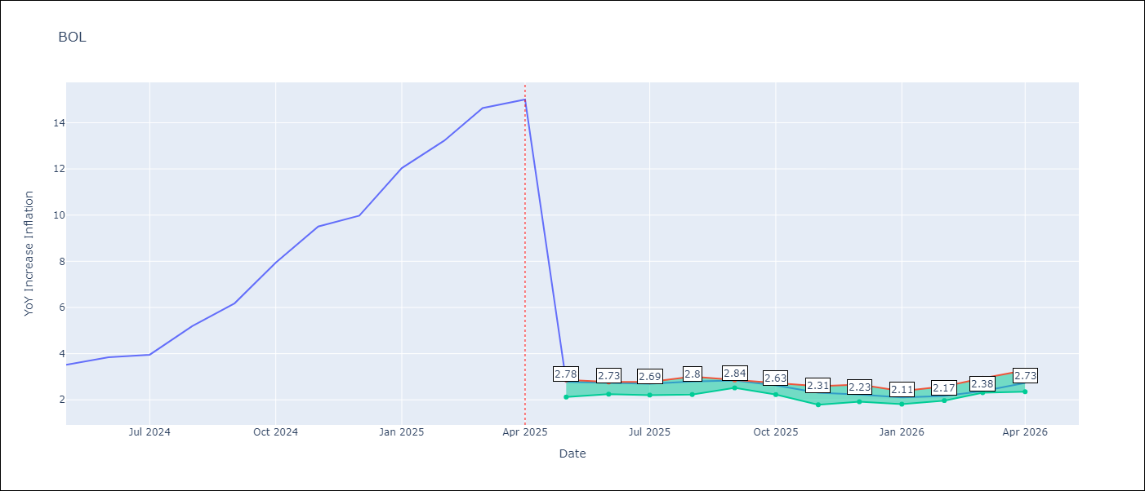

Test Metrics
RMSE | 3.91
Naive RMSE | 3.85
MAPE | 60.82%

Test Predictions
Date | Predicted | Actual
2024-06-01 | 2.77 | 3.52
2024-07-01 | 2.74 | 3.84
2024-08-01 | 2.69 | 3.95
2024-09-01 | 2.78 | 5.19
2024-10-01 | 2.8 | 6.18
2024-11-01 | 2.7 | 7.94
2024-12-01 | 2.57 | 9.51
2025-01-01 | 2.5 | 9.97
2025-02-01 | 2.35 | 12.03
2025-03-01 | 2.18 | 13.22
2025-04-01 | 2.25 | 14.63
2025-05-01 | 2.38 | 15.01

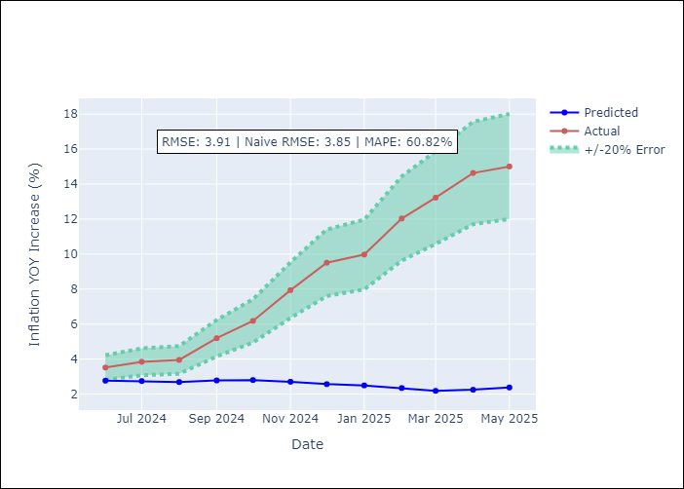
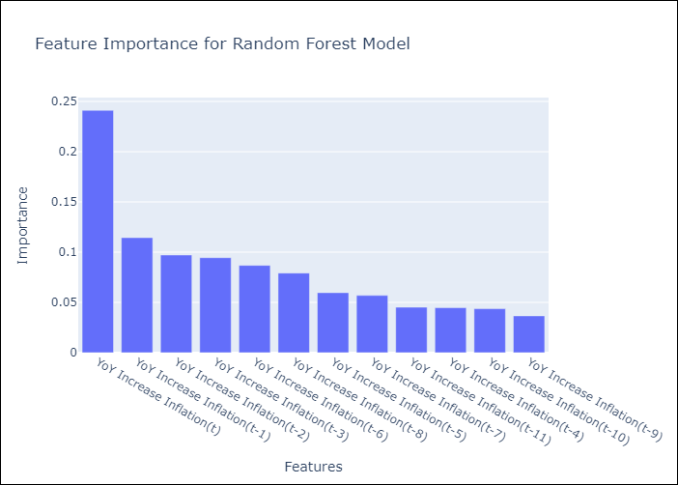

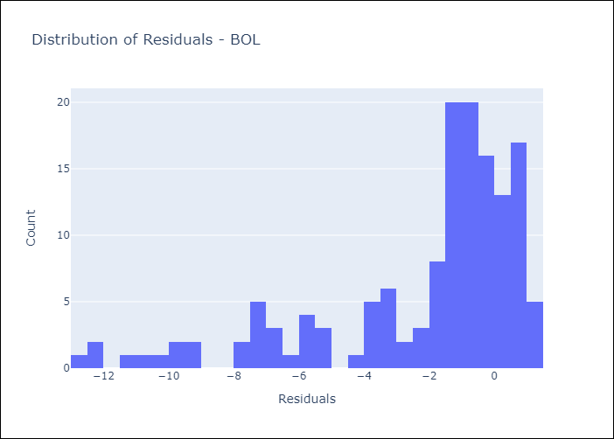
Appendix A: Model Summary
Model | Random Forest w/ Lags
Sample | 2021-01-01 to 2025-04-01
No. of Observations | 52
Residuals
Mean | -2.1900260929
St Dev | 3.2358295739
Kurtosis | 1.4167139816
Skewness | -1.4722629309

Assumptions | P-value

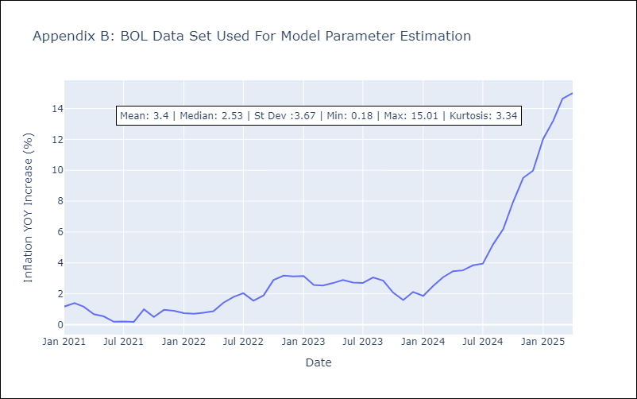

Appendix C: Residuals Analysis
Mean

BRA
BRA - Inflation - Next 12 months forecast as of: 2025-04-01

Model | Random Forest w/ Lags - [(1, 2, 1), (0, 0, 1, 12)]
Training Data | 1998-01-01 to 2024-05-01
Test Data | 2024-05-01 to 2025-04-01

Date | Inflation Change YoY % | Lower Bound - 95% Confidence Interval | Upper Bound - 95% Confidence Interval
2025-05-01 | 5.73 | 5.05 | 6.03
2025-06-01 | 5.89 | 4.96 | 6.26
2025-07-01 | 5.95 | 4.99 | 6.27
2025-08-01 | 6.01 | 5.07 | 6.34
2025-09-01 | 6.1 | 5.22 | 6.39
2025-10-01 | 6.14 | 5.34 | 6.39
2025-11-01 | 6.06 | 5.47 | 6.32
2025-12-01 | 6.02 | 5.59 | 6.22
2026-01-01 | 6 | 5.58 | 6.26
2026-02-01 | 5.93 | 5.54 | 6.27
2026-03-01 | 5.88 | 5.47 | 6.13
2026-04-01 | 5.75 | 5.24 | 6.15

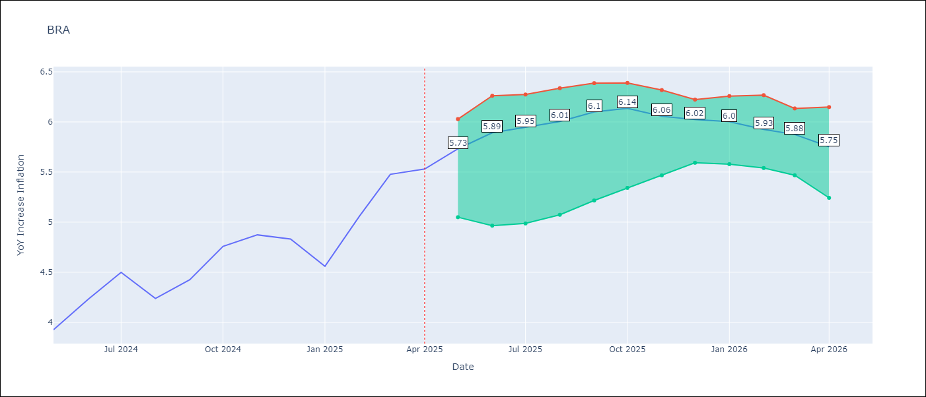

Test Metrics
RMSE | 1.01
Naive RMSE | 0.73
MAPE | 21.52%

Test Predictions
Date | Predicted | Actual
2024-06-01 | 3.86 | 3.93
2024-07-01 | 4.06 | 4.23
2024-08-01 | 4.1 | 4.5
2024-09-01 | 3.88 | 4.24
2024-10-01 | 3.66 | 4.42
2024-11-01 | 3.46 | 4.76
2024-12-01 | 3.25 | 4.87
2025-01-01 | 3.08 | 4.83
2025-02-01 | 3.13 | 4.56
2025-03-01 | 3.46 | 5.06
2025-04-01 | 3.8 | 5.48
2025-05-01 | 4.02 | 5.53

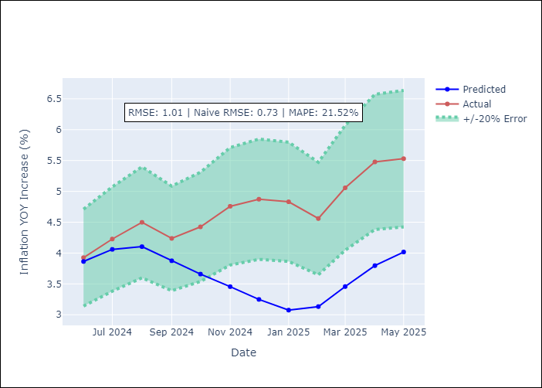
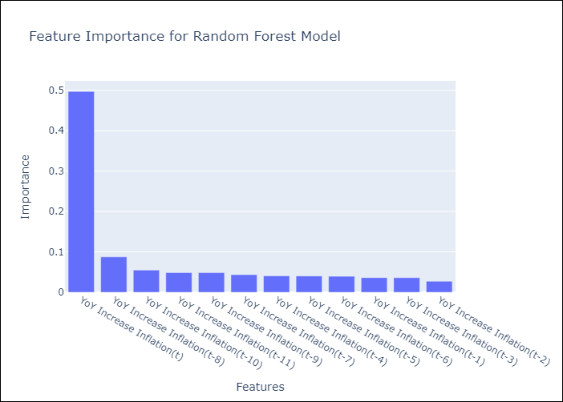

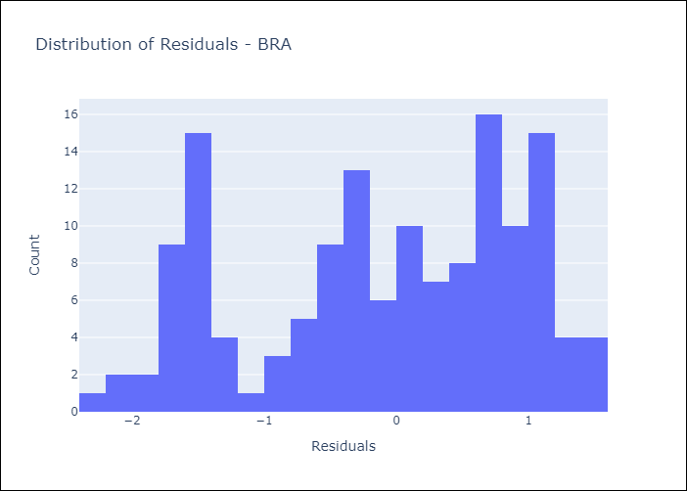
Appendix A: Model Summary
Model | Random Forest w/ Lags
Sample | 1998-01-01 to 2025-04-01
No. of Observations | 328
Residuals
Mean | -0.10797227518
St Dev | 1.0091657548
Kurtosis | -1.0908030011
Skewness | -0.32140498421

Assumptions | P-value



Appendix C: Residuals Analysis
Mean

CHL
CHL - Inflation - Next 12 months forecast as of: 2025-04-01

Model | Random Forest w/ Lags - [(2, 0, 0), (0, 0, 1, 12)]
Training Data | 2012-12-01 to 2024-05-01
Test Data | 2024-05-01 to 2025-04-01

Date | Inflation Change YoY % | Lower Bound - 95% Confidence Interval | Upper Bound - 95% Confidence Interval
2025-05-01 | 4.4 | 4.24 | 4.72
2025-06-01 | 4.35 | 4.17 | 4.65
2025-07-01 | 4.25 | 4.05 | 4.54
2025-08-01 | 4.13 | 3.78 | 4.5
2025-09-01 | 4.01 | 3.55 | 4.56
2025-10-01 | 3.96 | 3.34 | 4.67
2025-11-01 | 3.86 | 3.2 | 4.59
2025-12-01 | 3.76 | 3.05 | 4.43
2026-01-01 | 3.59 | 2.96 | 4.3
2026-02-01 | 3.5 | 2.84 | 4.27
2026-03-01 | 3.43 | 2.83 | 4.31
2026-04-01 | 3.35 | 2.75 | 4.26

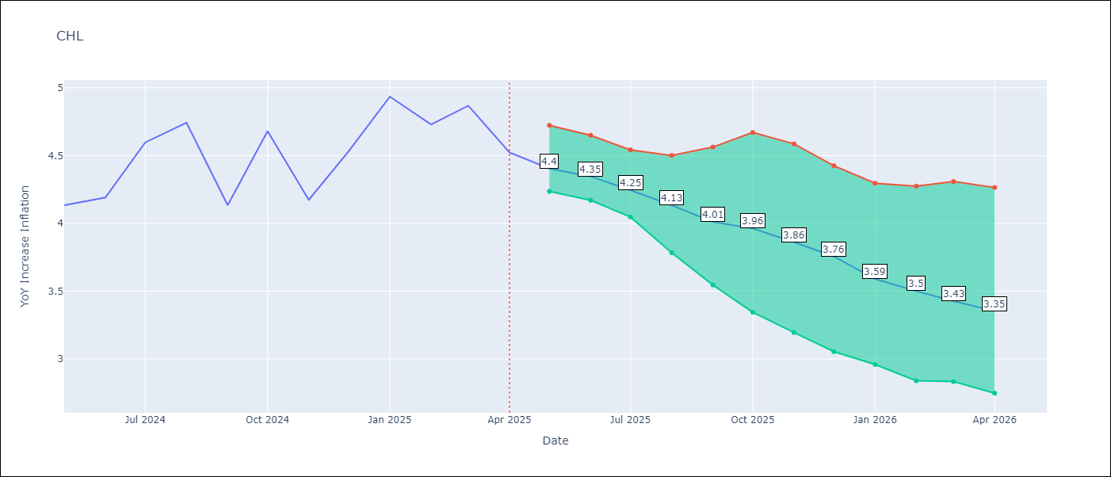

Test Metrics
RMSE | 1.13
Naive RMSE | 1.71
MAPE | 7.93%

Test Predictions
Date | Predicted | Actual
2024-06-01 | 4.24 | 4.13
2024-07-01 | 4.26 | 4.19
2024-08-01 | 4.26 | 4.6
2024-09-01 | 4.22 | 4.74
2024-10-01 | 4.14 | 4.13
2024-11-01 | 4.15 | 4.68
2024-12-01 | 4.22 | 4.17
2025-01-01 | 4.28 | 4.53
2025-02-01 | 4.28 | 4.94
2025-03-01 | 4.18 | 4.73
2025-04-01 | 4.03 | 4.87
2025-05-01 | 3.96 | 4.52

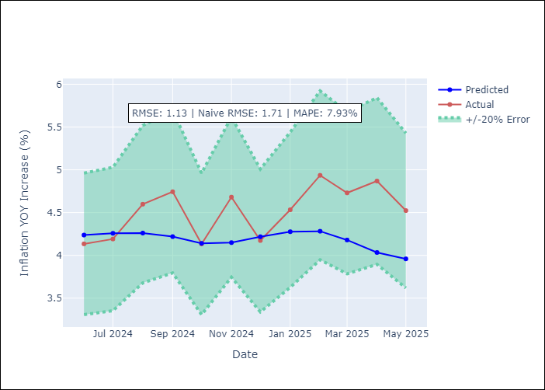
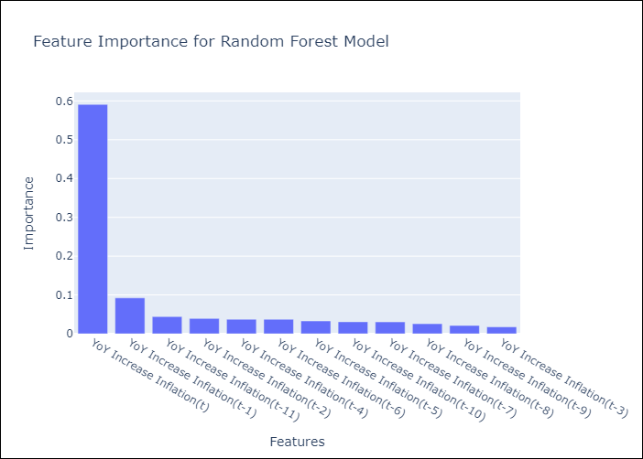

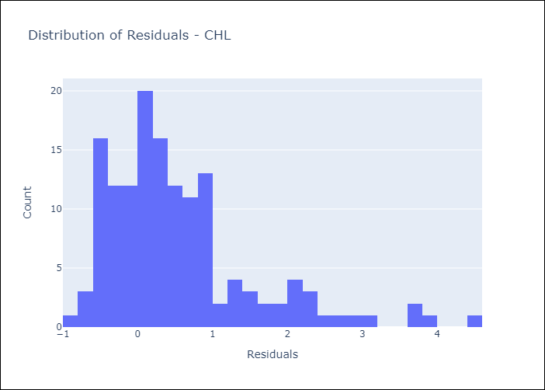
Appendix A: Model Summary
Model | Random Forest w/ Lags
Sample | 2012-12-01 to 2025-04-01
No. of Observations | 149
Residuals
Mean | 0.53694491283
St Dev | 0.99278886105
Kurtosis | 2.5858554006
Skewness | 1.5292093888

Assumptions | P-value



Appendix C: Residuals Analysis
Mean

COL
COL - Inflation - Next 12 months forecast as of: 2025-04-01

Model | Random Forest w/ Lags - [(1, 0, 1), (0, 0, 0, 12)]
Training Data | 2006-01-01 to 2024-05-01
Test Data | 2024-05-01 to 2025-04-01

Date | Inflation Change YoY % | Lower Bound - 95% Confidence Interval | Upper Bound - 95% Confidence Interval
2025-05-01 | 5.76 | 5.21 | 6.12
2025-06-01 | 5.74 | 5.05 | 6.07
2025-07-01 | 5.91 | 5 | 6.31
2025-08-01 | 6.25 | 4.92 | 6.64
2025-09-01 | 6.55 | 4.86 | 6.98
2025-10-01 | 6.72 | 4.88 | 7.28
2025-11-01 | 6.87 | 4.88 | 7.42
2025-12-01 | 6.9 | 4.86 | 7.55
2026-01-01 | 6.97 | 4.78 | 7.55
2026-02-01 | 6.85 | 4.72 | 7.48
2026-03-01 | 6.64 | 4.57 | 7.28
2026-04-01 | 6.32 | 4.46 | 6.98

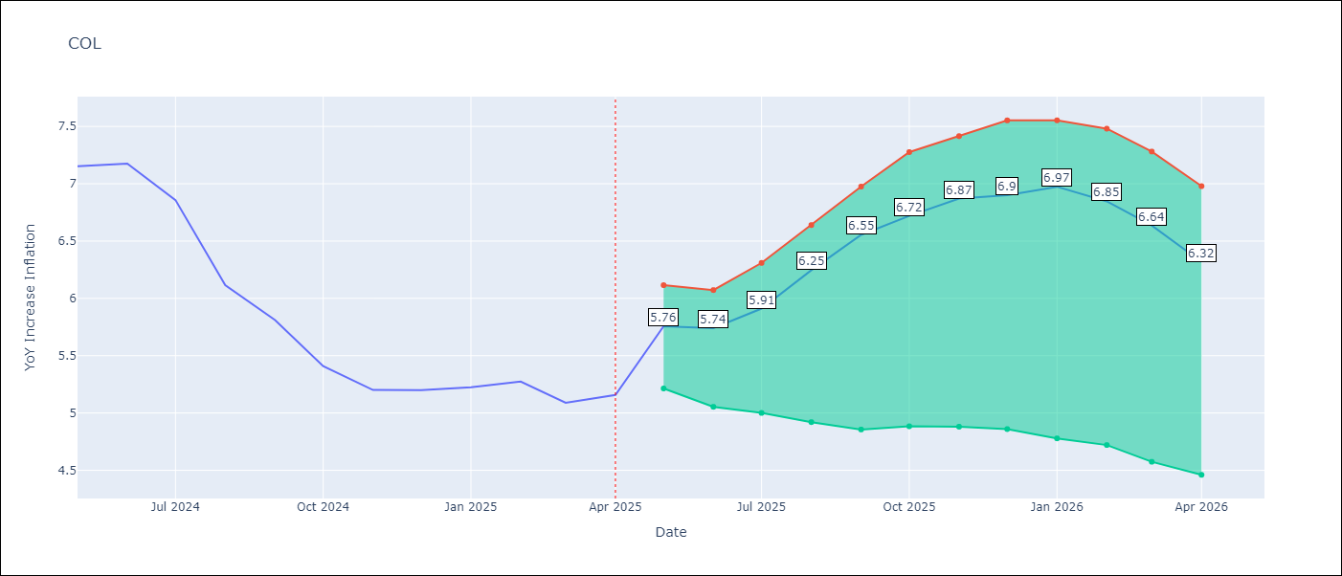

Test Metrics
RMSE | 2.6
Naive RMSE | 2.95
MAPE | 25.87%

Test Predictions
Date | Predicted | Actual
2024-06-01 | 5.59 | 7.15
2024-07-01 | 5.29 | 7.18
2024-08-01 | 4.96 | 6.86
2024-09-01 | 4.66 | 6.12
2024-10-01 | 4.33 | 5.81
2024-11-01 | 4.13 | 5.41
2024-12-01 | 3.93 | 5.2
2025-01-01 | 3.84 | 5.2
2025-02-01 | 3.73 | 5.22
2025-03-01 | 3.77 | 5.27
2025-04-01 | 3.76 | 5.09
2025-05-01 | 3.7 | 5.16

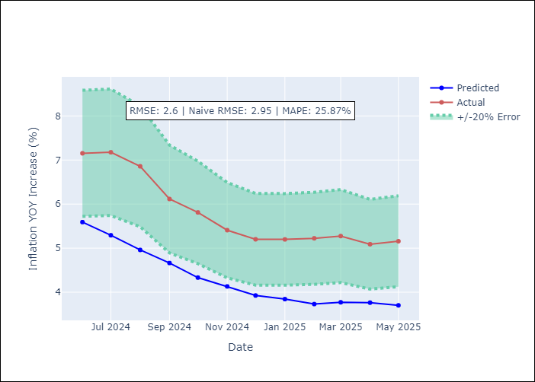
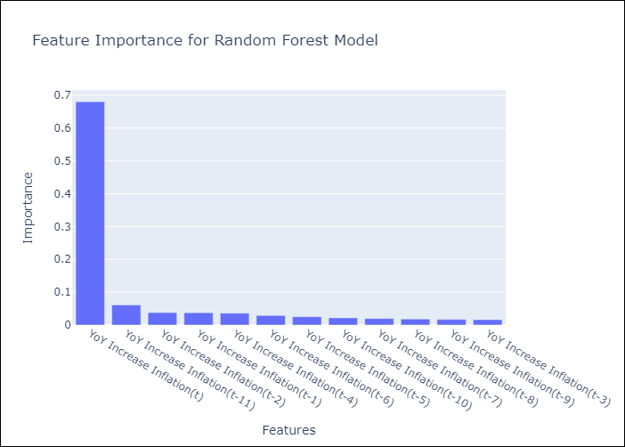

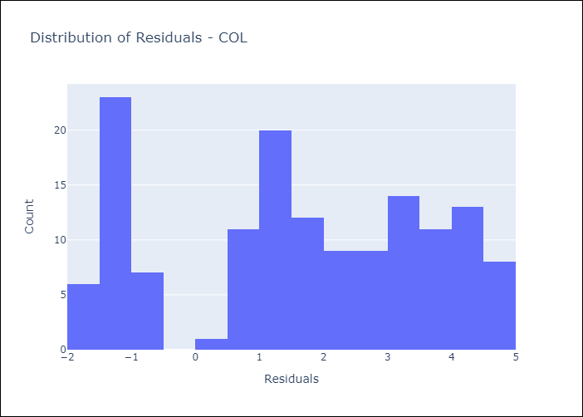
Appendix A: Model Summary
Model | Random Forest w/ Lags
Sample | 2006-01-01 to 2025-04-01
No. of Observations | 232
Residuals
Mean | 1.6351594924
St Dev | 2.0199516566
Kurtosis | -1.1553307394
Skewness | -0.23368012974

Assumptions | P-value

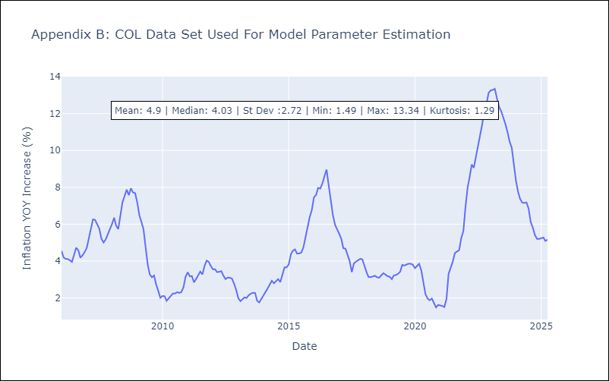

Appendix C: Residuals Analysis
Mean

ECU
ECU - Inflation - Next 12 months forecast as of: 2025-04-01

Model | Random Forest w/ Lags - [(2, 1, 1), (3, 0, 0, 12)]
Training Data | 2009-01-01 to 2024-05-01
Test Data | 2024-05-01 to 2025-04-01

Date | Inflation Change YoY % | Lower Bound - 95% Confidence Interval | Upper Bound - 95% Confidence Interval
2025-05-01 | -0.05 | -0.4 | 0.32
2025-06-01 | -0.07 | -0.43 | 0.35
2025-07-01 | -0.06 | -0.48 | 0.31
2025-08-01 | -0.13 | -0.45 | 0.24
2025-09-01 | -0.28 | -0.47 | 0.16
2025-10-01 | -0.44 | -0.67 | 0.03
2025-11-01 | -0.47 | -0.61 | -0.15
2025-12-01 | -0.5 | -0.6 | -0.25
2026-01-01 | -0.42 | -0.56 | -0.14
2026-02-01 | -0.24 | -0.59 | 0
2026-03-01 | -0.04 | -0.52 | 0.18
2026-04-01 | 0.12 | -0.48 | 0.46

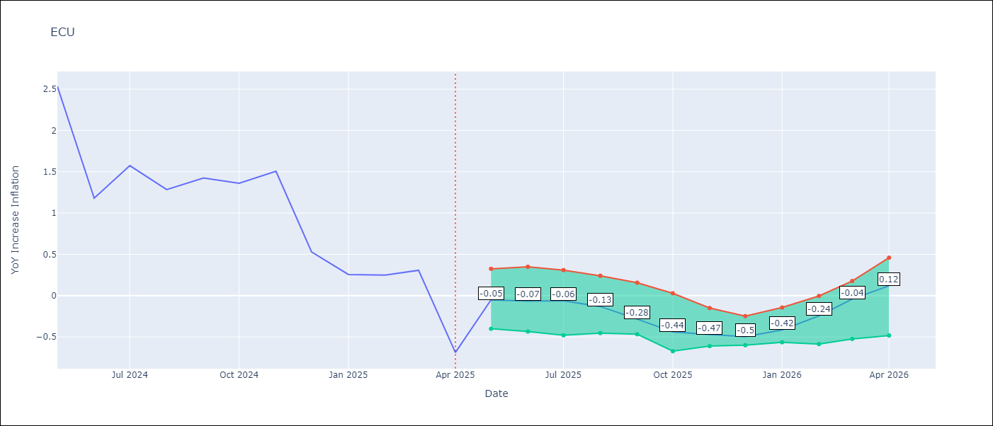

Test Metrics
RMSE | 1.37
Naive RMSE | 0.86
MAPE | 480.29%

Test Predictions
Date | Predicted | Actual
2024-06-01 | 3.02 | 2.53
2024-07-01 | 3.15 | 1.18
2024-08-01 | 3.26 | 1.57
2024-09-01 | 3.43 | 1.28
2024-10-01 | 3.57 | 1.42
2024-11-01 | 3.67 | 1.36
2024-12-01 | 3.7 | 1.51
2025-01-01 | 3.7 | 0.53
2025-02-01 | 3.65 | 0.26
2025-03-01 | 3.55 | 0.25
2025-04-01 | 3.41 | 0.31
2025-05-01 | 3.33 | -0.69

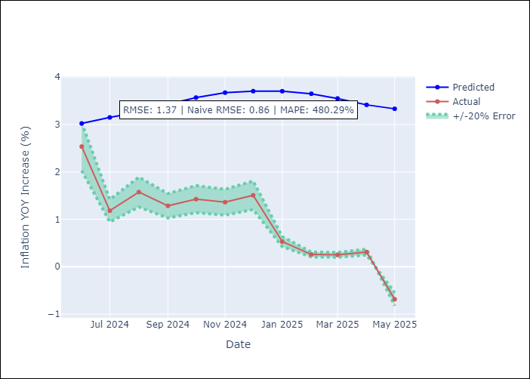


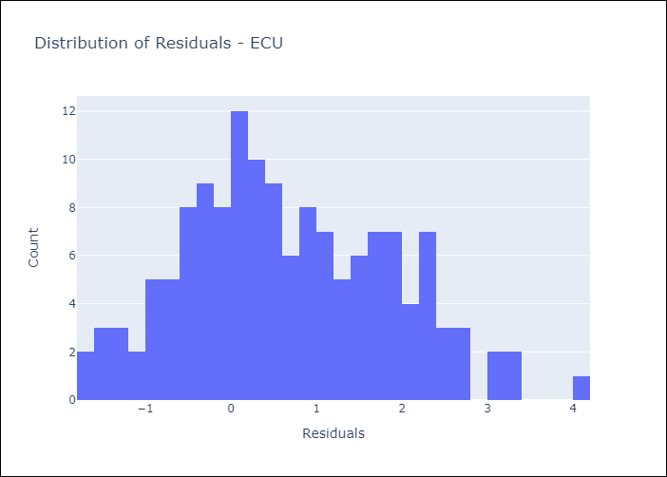
Appendix A: Model Summary
Model | Random Forest w/ Lags
Sample | 2009-01-01 to 2025-04-01
No. of Observations | 196
Residuals
Mean | 0.66833707152
St Dev | 1.1932612665
Kurtosis | -0.49003313751
Skewness | 0.30254431444

Assumptions | P-value

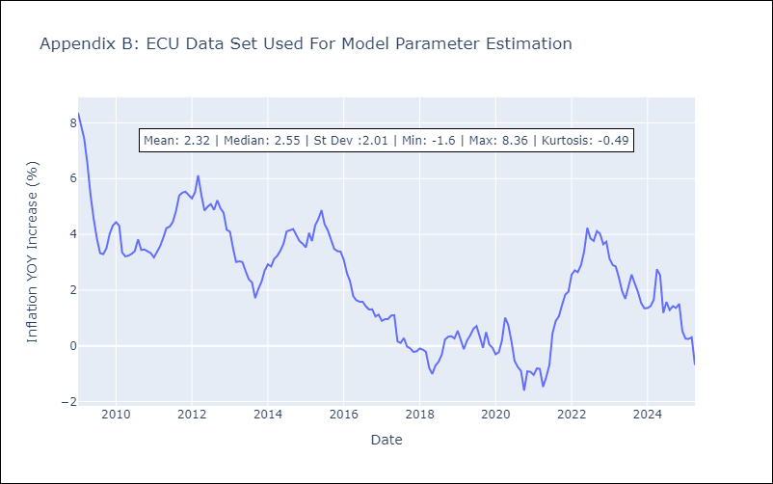

Appendix C: Residuals Analysis
Mean

PER
PER - Inflation - Next 12 months forecast as of: 2025-04-01

Model | Random Forest w/ Lags - [(3, 2, 0), (3, 0, 0, 12)]
Training Data | 1994-01-01 to 2024-05-01
Test Data | 2024-05-01 to 2025-04-01

Date | Inflation Change YoY % | Lower Bound - 95% Confidence Interval | Upper Bound - 95% Confidence Interval
2025-05-01 | 1.75 | 1.45 | 1.86
2025-06-01 | 1.79 | 1.42 | 1.94
2025-07-01 | 1.89 | 1.5 | 2.05
2025-08-01 | 1.92 | 1.62 | 2.14
2025-09-01 | 1.97 | 1.78 | 2.13
2025-10-01 | 2.06 | 1.86 | 2.27
2025-11-01 | 2.2 | 1.99 | 2.45
2025-12-01 | 2.35 | 2.1 | 2.68
2026-01-01 | 2.55 | 2.24 | 2.87
2026-02-01 | 2.7 | 2.29 | 3.11
2026-03-01 | 2.86 | 2.37 | 3.28
2026-04-01 | 3.08 | 2.51 | 3.54

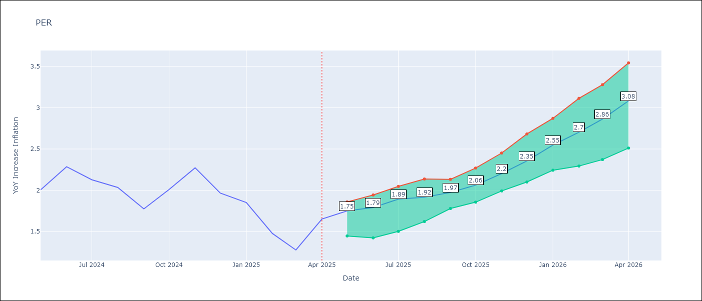

Test Metrics
RMSE | 1.13
Naive RMSE | 2.19
MAPE | 72.48%

Test Predictions
Date | Predicted | Actual
2024-06-01 | 2.87 | 2
2024-07-01 | 3.13 | 2.29
2024-08-01 | 3.23 | 2.13
2024-09-01 | 3.28 | 2.03
2024-10-01 | 3.27 | 1.78
2024-11-01 | 3.34 | 2.01
2024-12-01 | 3.36 | 2.27
2025-01-01 | 3.29 | 1.97
2025-02-01 | 3.12 | 1.85
2025-03-01 | 3.03 | 1.48
2025-04-01 | 3.09 | 1.28
2025-05-01 | 3.24 | 1.65

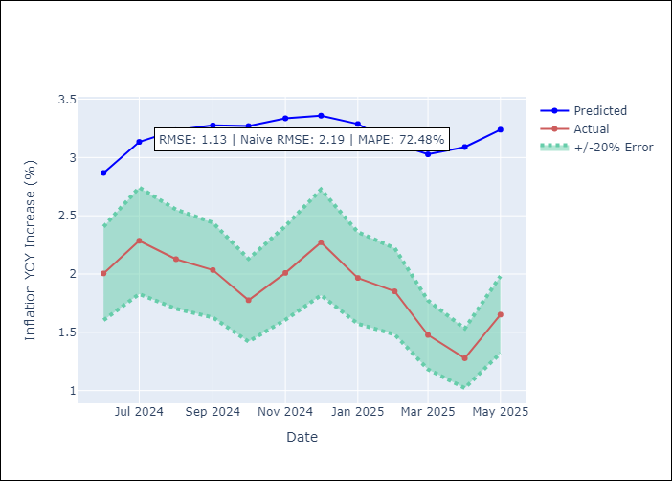
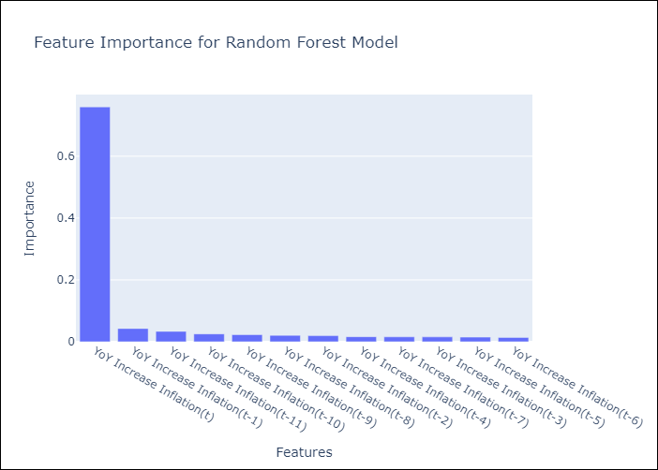

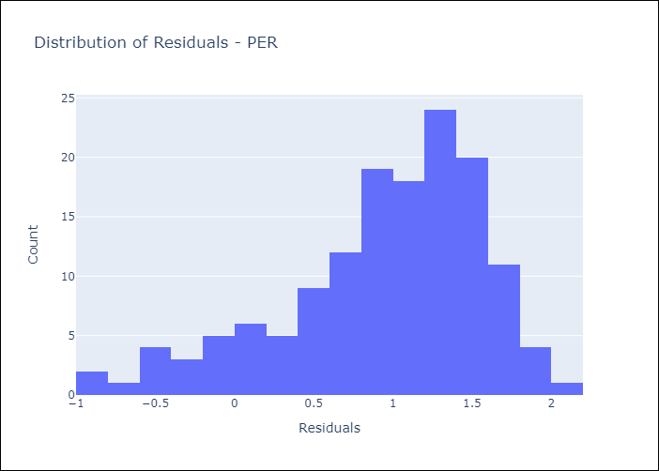
Appendix A: Model Summary
Model | Random Forest w/ Lags
Sample | 1994-01-01 to 2025-04-01
No. of Observations | 376
Residuals
Mean | 0.94377833512
St Dev | 0.62521962795
Kurtosis | 0.29723344267
Skewness | -0.88024485602

Assumptions | P-value

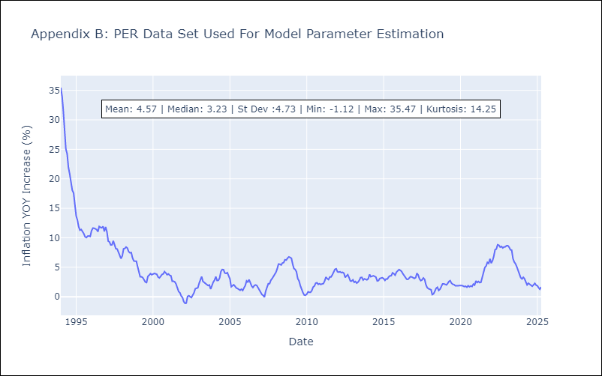

Appendix C: Residuals Analysis
Mean

PRY
PRY - Inflation - Next 12 months forecast as of: 2025-04-01

Model | Random Forest w/ Lags - [(2, 1, 1), (1, 0, 1, 12)]
Training Data | 1995-12-01 to 2024-05-01
Test Data | 2024-05-01 to 2025-04-01

Date | Inflation Change YoY % | Lower Bound - 95% Confidence Interval | Upper Bound - 95% Confidence Interval
2025-05-01 | 3.53 | 3.23 | 3.89
2025-06-01 | 3.4 | 3.01 | 3.9
2025-07-01 | 3.46 | 2.96 | 3.83
2025-08-01 | 3.36 | 2.96 | 3.62
2025-09-01 | 3.16 | 2.82 | 3.48
2025-10-01 | 2.99 | 2.74 | 3.62
2025-11-01 | 2.95 | 2.79 | 3.62
2025-12-01 | 3.07 | 2.88 | 3.65
2026-01-01 | 3.08 | 2.91 | 3.72
2026-02-01 | 3.16 | 2.9 | 3.68
2026-03-01 | 3.01 | 2.94 | 3.81
2026-04-01 | 2.99 | 2.91 | 3.73

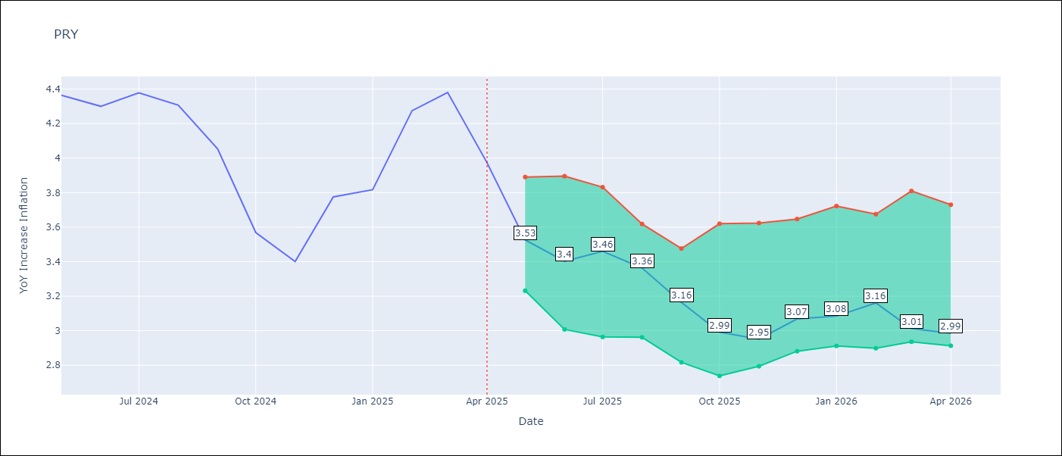

Test Metrics
RMSE | 0.85
Naive RMSE | 0.82
MAPE | 15.49%

Test Predictions
Date | Predicted | Actual
2024-06-01 | 3.55 | 4.36
2024-07-01 | 3.55 | 4.3
2024-08-01 | 3.32 | 4.38
2024-09-01 | 3.26 | 4.31
2024-10-01 | 3.25 | 4.05
2024-11-01 | 3.22 | 3.57
2024-12-01 | 3.41 | 3.4
2025-01-01 | 3.31 | 3.78
2025-02-01 | 3.35 | 3.82
2025-03-01 | 3.51 | 4.27
2025-04-01 | 3.61 | 4.38
2025-05-01 | 3.54 | 3.97

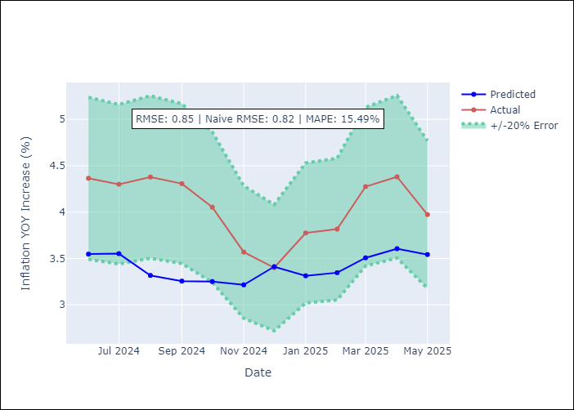
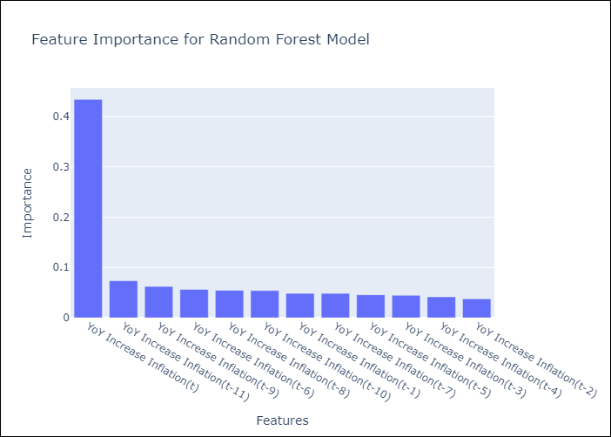

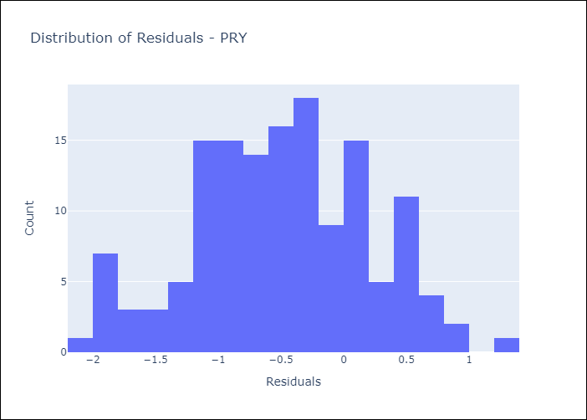
Appendix A: Model Summary
Model | Random Forest w/ Lags
Sample | 1995-12-01 to 2025-04-01
No. of Observations | 353
Residuals
Mean | -0.49471314081
St Dev | 0.69379274398
Kurtosis | -0.33817389906
Skewness | -0.084916541168

Assumptions | P-value



Appendix C: Residuals Analysis
Mean

URY
URY - Inflation - Next 12 months forecast as of: 2025-04-01

Model | Random Forest w/ Lags - [(0, 2, 1), (3, 0, 0, 12)]
Training Data | 1992-01-01 to 2024-05-01
Test Data | 2024-05-01 to 2025-04-01

Date | Inflation Change YoY % | Lower Bound - 95% Confidence Interval | Upper Bound - 95% Confidence Interval
2025-05-01 | 4.9 | 4.45 | 5.52
2025-06-01 | 4.86 | 4.31 | 5.54
2025-07-01 | 4.82 | 4.11 | 5.51
2025-08-01 | 4.74 | 4.05 | 5.56
2025-09-01 | 4.7 | 3.95 | 5.62
2025-10-01 | 4.89 | 4.16 | 5.6
2025-11-01 | 5.03 | 4.34 | 5.75
2025-12-01 | 5.22 | 4.57 | 5.97
2026-01-01 | 5.65 | 4.81 | 6.27
2026-02-01 | 6.1 | 5.16 | 6.73
2026-03-01 | 6.84 | 5.62 | 7.99
2026-04-01 | 8.28 | 6.13 | 10.22

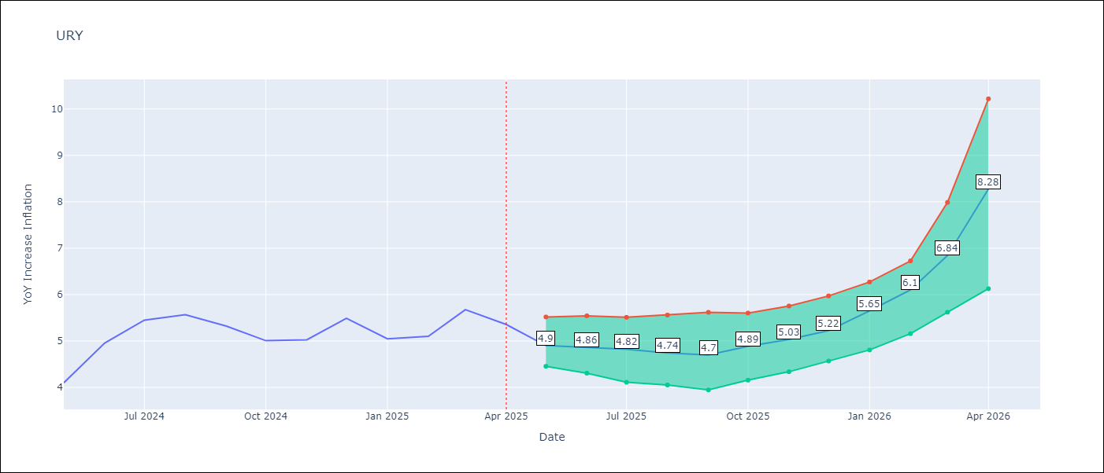

Test Metrics
RMSE | 2.04
Naive RMSE | 1.24
MAPE | 62.52%

Test Predictions
Date | Predicted | Actual
2024-06-01 | 4.34 | 4.1
2024-07-01 | 4.52 | 4.96
2024-08-01 | 4.82 | 5.45
2024-09-01 | 5.35 | 5.57
2024-10-01 | 5.91 | 5.32
2024-11-01 | 6.36 | 5.01
2024-12-01 | 6.96 | 5.03
2025-01-01 | 8.05 | 5.49
2025-02-01 | 9.73 | 5.05
2025-03-01 | 12.15 | 5.1
2025-04-01 | 14.74 | 5.67
2025-05-01 | 16.4 | 5.36

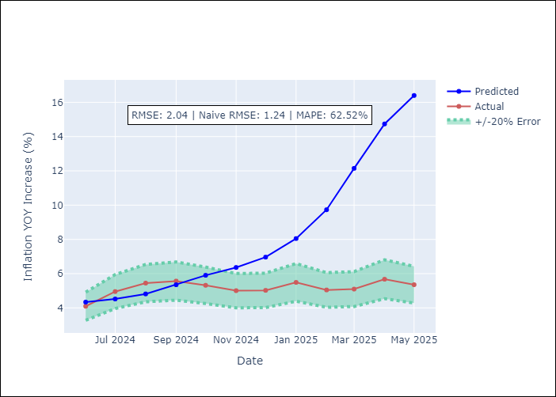
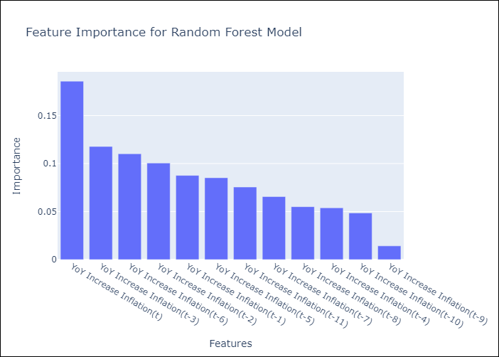

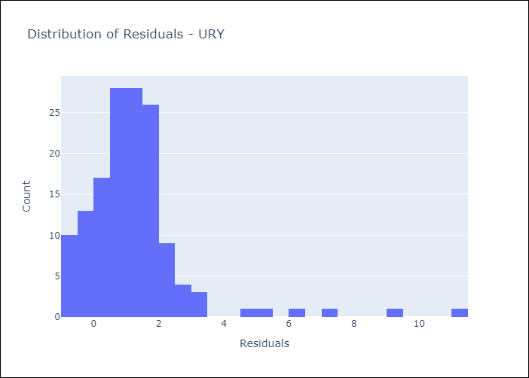
Appendix A: Model Summary
Model | Random Forest w/ Lags
Sample | 1992-01-01 to 2025-04-01
No. of Observations | 400
Residuals
Mean | 1.2539506513
St Dev | 1.6129040083
Kurtosis | 12.854896062
Skewness | 2.8873359507

Assumptions | P-value

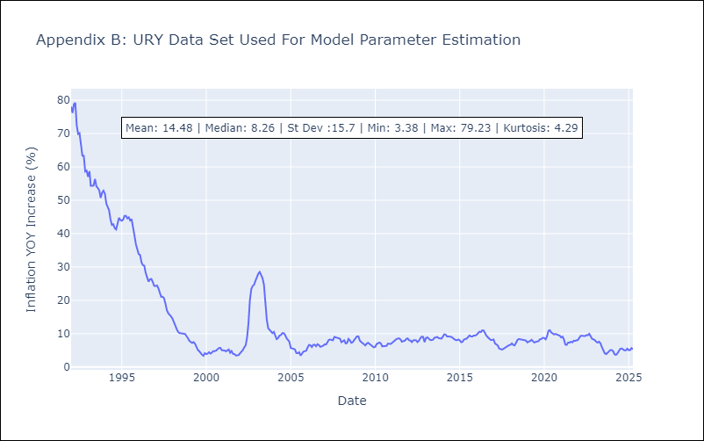

Appendix C: Residuals Analysis
Mean

VEN
VEN - Inflation - Next 12 months forecast as of: 2016-12-01

Model | Random Forest w/ Lags - [(3, 0, 0), (0, 0, 0, 12)]
Training Data | 2013-01-01 to 2016-01-01
Test Data | 2016-01-01 to 2016-12-01

Date | Inflation Change YoY % | Lower Bound - 95% Confidence Interval | Upper Bound - 95% Confidence Interval
2017-01-01 | 70.09 | 63.62 | 73.25
2017-02-01 | 75.48 | 65.17 | 78.49
2017-03-01 | 79.48 | 69.51 | 81.48
2017-04-01 | 81.94 | 74.07 | 83.05
2017-05-01 | 84.53 | 77.3 | 86.16
2017-06-01 | 90.04 | 80.4 | 93.87
2017-07-01 | 99.35 | 84.14 | 105.31
2017-08-01 | 112.5 | 89.36 | 120.77
2017-09-01 | 127.44 | 98.33 | 136.07
2017-10-01 | 142.29 | 110.81 | 150.73
2017-11-01 | 157.41 | 123.87 | 166.15
2017-12-01 | 170.53 | 137.81 | 177.32

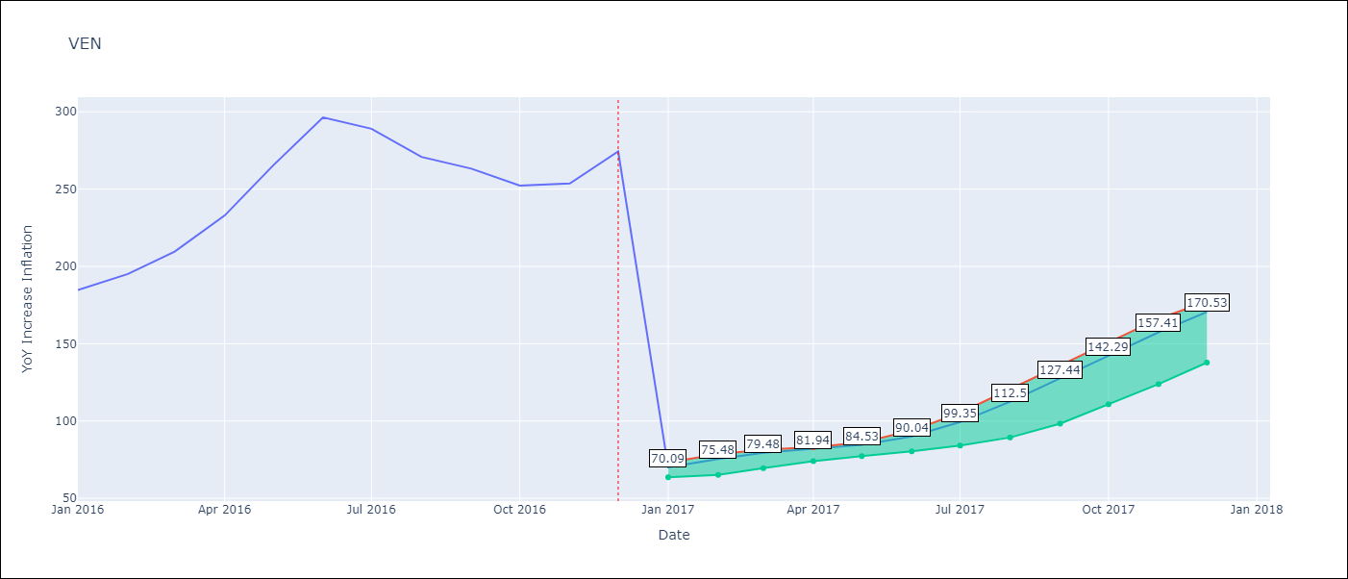

Test Metrics
RMSE | 96.43
Naive RMSE | 88.69
MAPE | 56.93%

Test Predictions
Date | Predicted | Actual
2016-02-01 | 70.09 | 184.76
2016-03-01 | 75.48 | 195.13
2016-04-01 | 79.48 | 209.56
2016-05-01 | 81.94 | 232.92
2016-06-01 | 84.53 | 265.24
2016-07-01 | 90.04 | 296.44
2016-08-01 | 99.35 | 289.06
2016-09-01 | 112.5 | 270.87
2016-10-01 | 127.44 | 263.24
2016-11-01 | 142.29 | 252.27
2016-12-01 | 157.41 | 253.65
2017-01-01 | 170.53 | 274.35

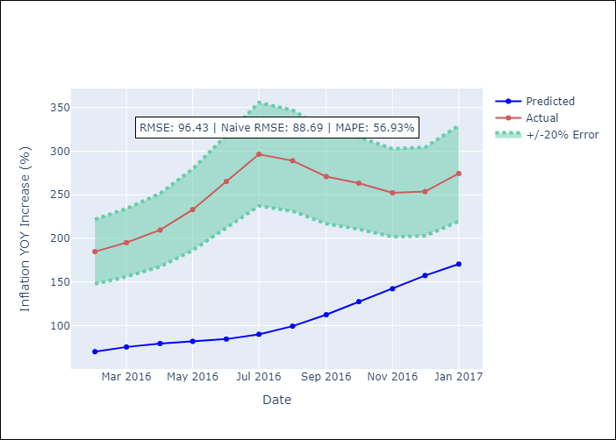
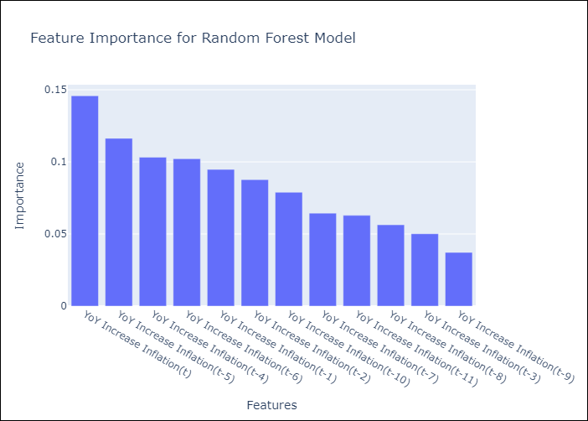

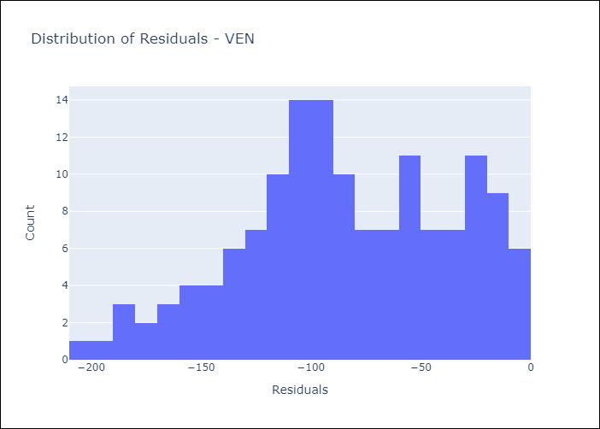
Appendix A: Model Summary
Model | Random Forest w/ Lags
Sample | 2013-01-01 to 2016-12-01
No. of Observations | 48
Residuals
Mean | -83.76233871
St Dev | 47.779467669
Kurtosis | -0.58498545707
Skewness | -0.28164019363

Assumptions | P-value

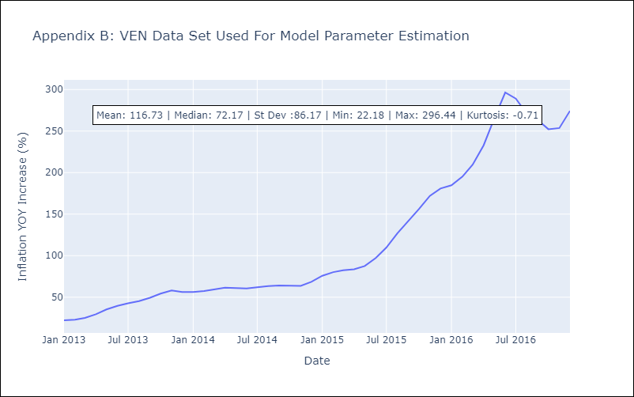

Appendix C: Residuals Analysis
Mean

