R01
R01 - Inflation - Next 12 months forecast as of: 2025-04-01

Model | Random Forest w/ Lags - [(1, 2, 1), (1, 0, 1, 12)]
Training Data | 1998-01-01 to 2024-05-01
Test Data | 2024-05-01 to 2025-04-01

Date | Inflation Change YoY % | Lower Bound - 95% Confidence Interval | Upper Bound - 95% Confidence Interval
2025-05-01 | 3.72 | 2.92 | 4.28
2025-06-01 | 3.98 | 3.23 | 4.55
2025-07-01 | 4.19 | 3.35 | 4.74
2025-08-01 | 4.38 | 3.54 | 4.95
2025-09-01 | 4.54 | 3.71 | 5.11
2025-10-01 | 4.73 | 3.96 | 5.27
2025-11-01 | 4.86 | 4.11 | 5.42
2025-12-01 | 5 | 4.37 | 5.54
2026-01-01 | 5.15 | 4.6 | 5.69
2026-02-01 | 5.32 | 4.69 | 5.95
2026-03-01 | 5.47 | 4.79 | 6.06
2026-04-01 | 5.65 | 4.95 | 6.15

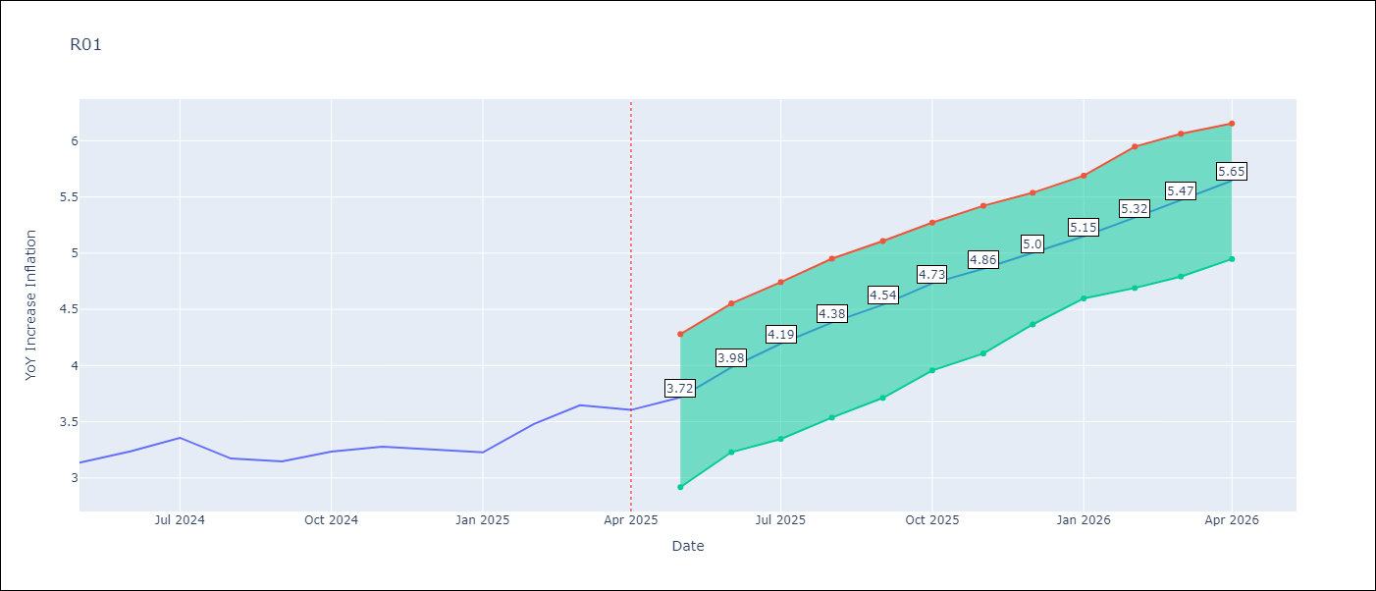

Test Metrics
RMSE | 4.72
Naive RMSE | 5.65
MAPE | 16.75%

Test Predictions
Date | Predicted | Actual
2024-06-01 | 3.6 | 3.13
2024-07-01 | 3.22 | 3.24
2024-08-01 | 2.92 | 3.36
2024-09-01 | 2.68 | 3.17
2024-10-01 | 2.62 | 3.15
2024-11-01 | 2.8 | 3.23
2024-12-01 | 3.08 | 3.28
2025-01-01 | 3.54 | 3.25
2025-02-01 | 3.97 | 3.23
2025-03-01 | 4.33 | 3.48
2025-04-01 | 4.75 | 3.65
2025-05-01 | 4.85 | 3.6

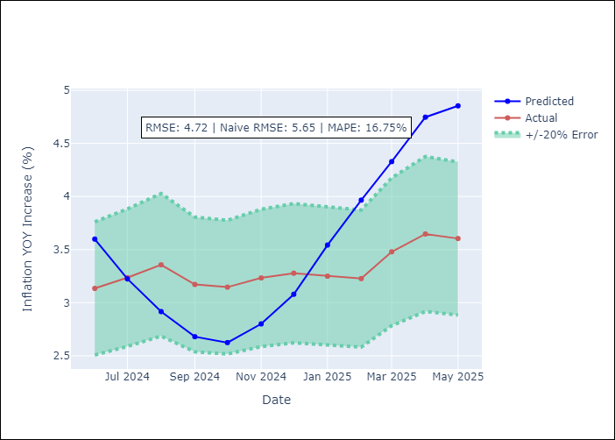
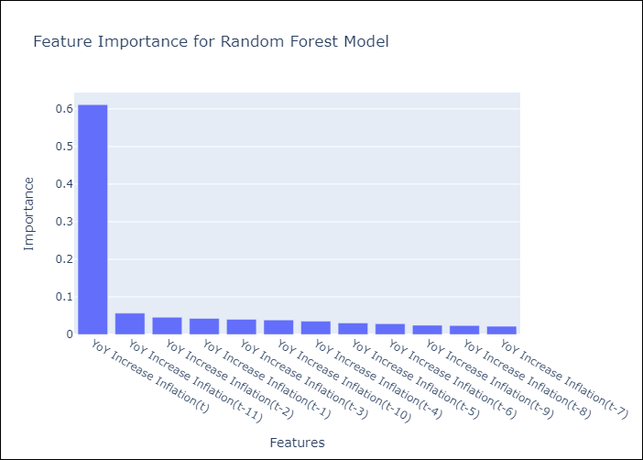

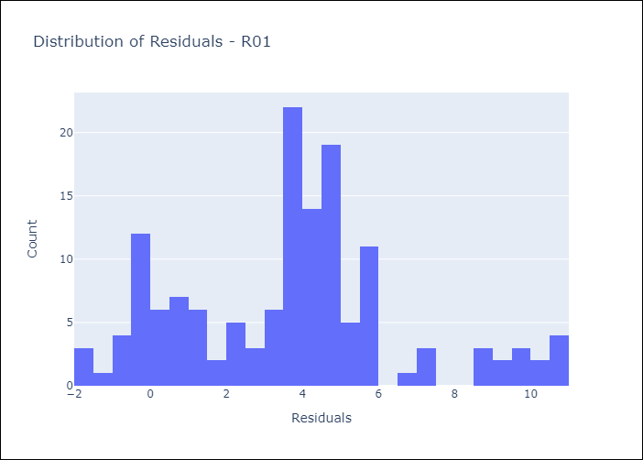
Appendix A: Model Summary
Model | Random Forest w/ Lags
Sample | 1998-01-01 to 2025-04-01
No. of Observations | 328
Residuals
Mean | 3.7066254413
St Dev | 2.9262412674
Kurtosis | 0.007729037447
Skewness | 0.40820125873

Assumptions | P-value



Appendix C: Residuals Analysis
Mean

