ARG
ARG - Inflation - Next 12 months forecast as of: 2025-04-01

Model | Random Forest w/ Lags - [(2, 2, 2), (0, 0, 1, 12)]
Training Data | 2007-01-01 to 2024-05-01
Test Data | 2024-05-01 to 2025-04-01

Date | Inflation Change YoY % | Lower Bound - 95% Confidence Interval | Upper Bound - 95% Confidence Interval
2025-05-01 | 57.11 | 49.17 | 77.17
2025-06-01 | 56.68 | 48.28 | 78.46
2025-07-01 | 56.09 | 47.07 | 79.8
2025-08-01 | 55.55 | 46.13 | 82.25
2025-09-01 | 54.97 | 45.08 | 84.48
2025-10-01 | 54.1 | 43.18 | 85.25
2025-11-01 | 54.32 | 41.78 | 88.54
2025-12-01 | 55.74 | 41.45 | 98.39
2026-01-01 | 58.42 | 41.32 | 110.34
2026-02-01 | 62.31 | 41.66 | 122.29
2026-03-01 | 66.16 | 42.01 | 132.27
2026-04-01 | 69.23 | 43.66 | 138.48

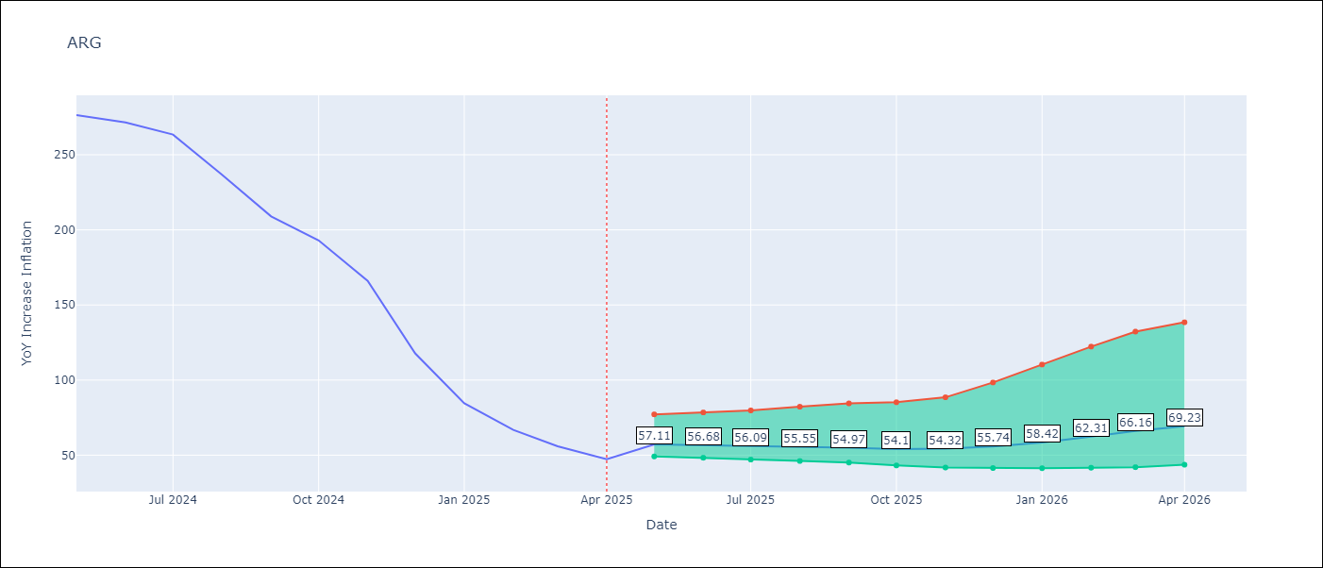

Test Metrics
RMSE | 112.14
Naive RMSE | 111.72
MAPE | 142.55%

Test Predictions
Date | Predicted | Actual
2024-06-01 | 111.18 | 276.41
2024-07-01 | 113.96 | 271.53
2024-08-01 | 113.76 | 263.45
2024-09-01 | 120.04 | 236.72
2024-10-01 | 131.02 | 209
2024-11-01 | 138.28 | 192.99
2024-12-01 | 151.86 | 166.03
2025-01-01 | 187.47 | 117.76
2025-02-01 | 228.11 | 84.54
2025-03-01 | 257.9 | 66.87
2025-04-01 | 276.65 | 55.93
2025-05-01 | 285.07 | 47.26

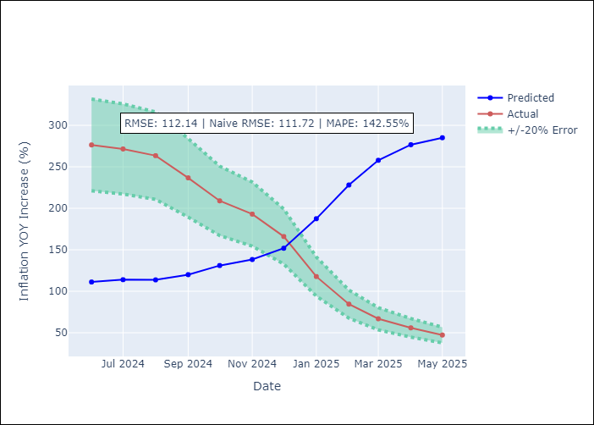
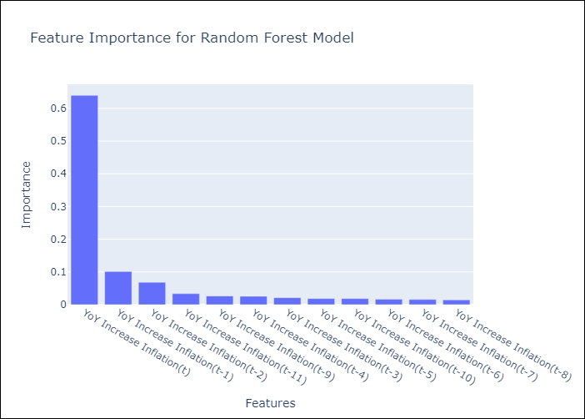

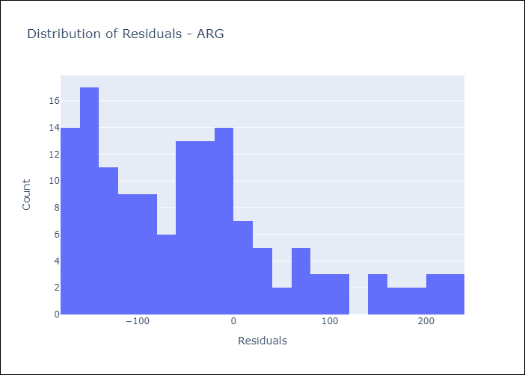
Appendix A: Model Summary
Model | Random Forest w/ Lags
Sample | 2007-01-01 to 2025-04-01
No. of Observations | 220
Residuals
Mean | -41.669941107
St Dev | 104.1064648
Kurtosis | 0.12542214542
Skewness | 0.85218531225

Assumptions | P-value

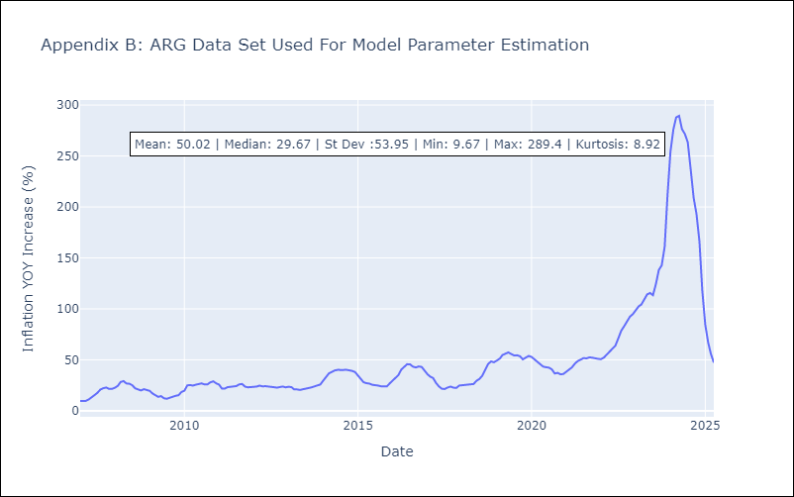

Appendix C: Residuals Analysis
Mean

BOL
BOL - Inflation - Next 12 months forecast as of: 2025-04-01

Model | Random Forest w/ Lags - [(1, 1, 2), (0, 0, 2, 12)]
Training Data | 2021-01-01 to 2024-05-01
Test Data | 2024-05-01 to 2025-04-01

Date | Inflation Change YoY % | Lower Bound - 95% Confidence Interval | Upper Bound - 95% Confidence Interval
2025-05-01 | 2.69 | 2 | 2.87
2025-06-01 | 2.68 | 2.07 | 2.79
2025-07-01 | 2.7 | 2.2 | 2.78
2025-08-01 | 2.81 | 2.24 | 2.97
2025-09-01 | 2.8 | 2.38 | 2.93
2025-10-01 | 2.58 | 2.27 | 2.91
2025-11-01 | 2.31 | 1.88 | 2.8
2025-12-01 | 2.26 | 1.89 | 2.75
2026-01-01 | 2.07 | 1.91 | 2.7
2026-02-01 | 2.22 | 1.97 | 2.48
2026-03-01 | 2.44 | 1.98 | 2.82
2026-04-01 | 2.75 | 2.19 | 3.19

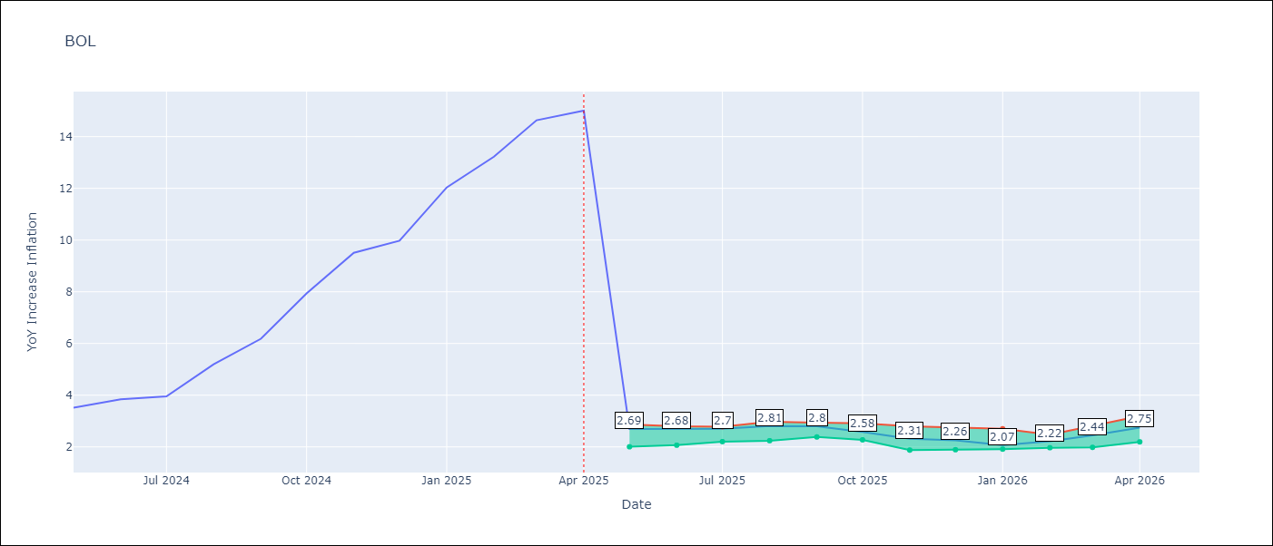

Test Metrics
RMSE | 3.89
Naive RMSE | 3.85
MAPE | 61.12%

Test Predictions
Date | Predicted | Actual
2024-06-01 | 2.65 | 3.52
2024-07-01 | 2.67 | 3.84
2024-08-01 | 2.7 | 3.95
2024-09-01 | 2.79 | 5.19
2024-10-01 | 2.79 | 6.18
2024-11-01 | 2.69 | 7.94
2024-12-01 | 2.58 | 9.51
2025-01-01 | 2.5 | 9.97
2025-02-01 | 2.33 | 12.03
2025-03-01 | 2.26 | 13.22
2025-04-01 | 2.34 | 14.63
2025-05-01 | 2.44 | 15.01

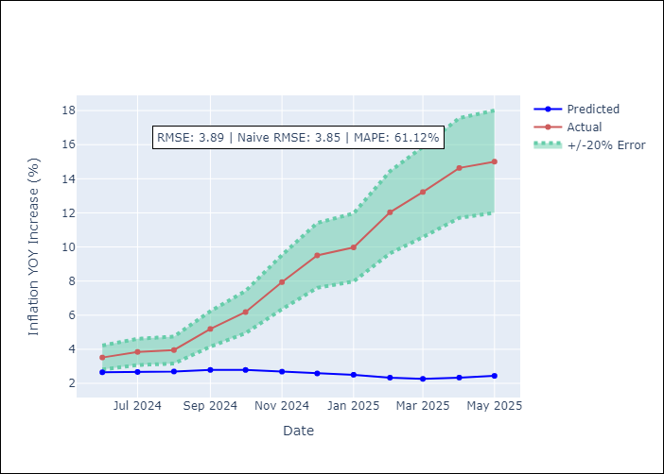
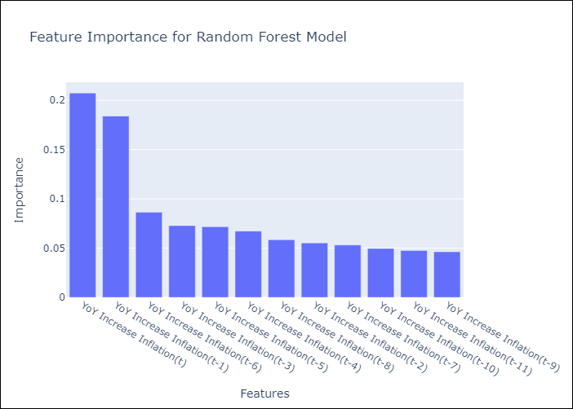

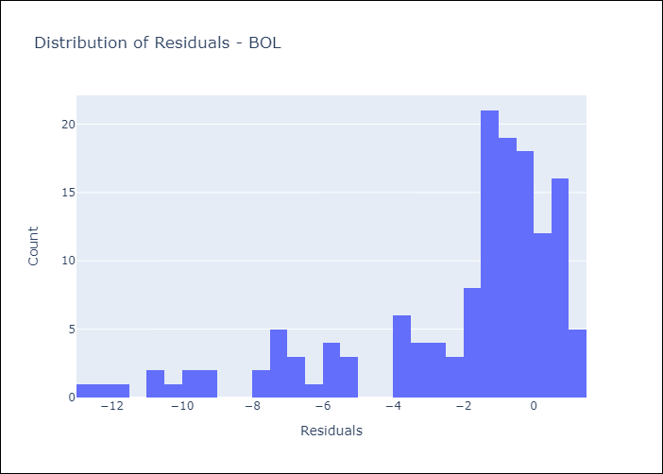
Appendix A: Model Summary
Model | Random Forest w/ Lags
Sample | 2021-01-01 to 2025-04-01
No. of Observations | 52
Residuals
Mean | -2.1988771393
St Dev | 3.207987836
Kurtosis | 1.4050307549
Skewness | -1.4750691788

Assumptions | P-value

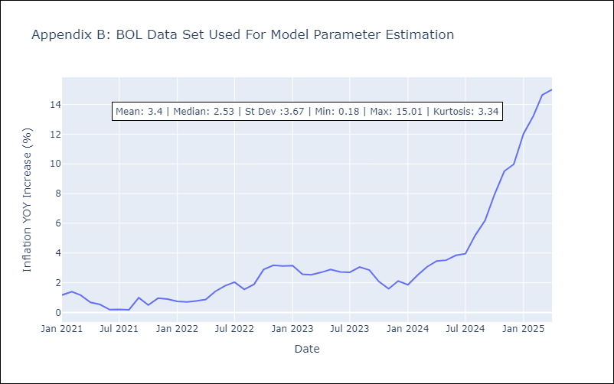

Appendix C: Residuals Analysis
Mean

BRA
BRA - Inflation - Next 12 months forecast as of: 2025-04-01

Model | Random Forest w/ Lags - [(1, 2, 1), (0, 0, 1, 12)]
Training Data | 1998-01-01 to 2024-05-01
Test Data | 2024-05-01 to 2025-04-01

Date | Inflation Change YoY % | Lower Bound - 95% Confidence Interval | Upper Bound - 95% Confidence Interval
2025-05-01 | 5.77 | 5.4 | 5.89
2025-06-01 | 5.94 | 5.25 | 6.05
2025-07-01 | 5.99 | 5.17 | 6.05
2025-08-01 | 6.08 | 5.18 | 6.15
2025-09-01 | 6.16 | 5.25 | 6.24
2025-10-01 | 6.16 | 5.24 | 6.27
2025-11-01 | 6.07 | 5.25 | 6.24
2025-12-01 | 5.98 | 5.3 | 6.3
2026-01-01 | 5.95 | 5.38 | 6.29
2026-02-01 | 5.84 | 5.45 | 6.29
2026-03-01 | 5.74 | 5.44 | 6.19
2026-04-01 | 5.58 | 5.29 | 6.05

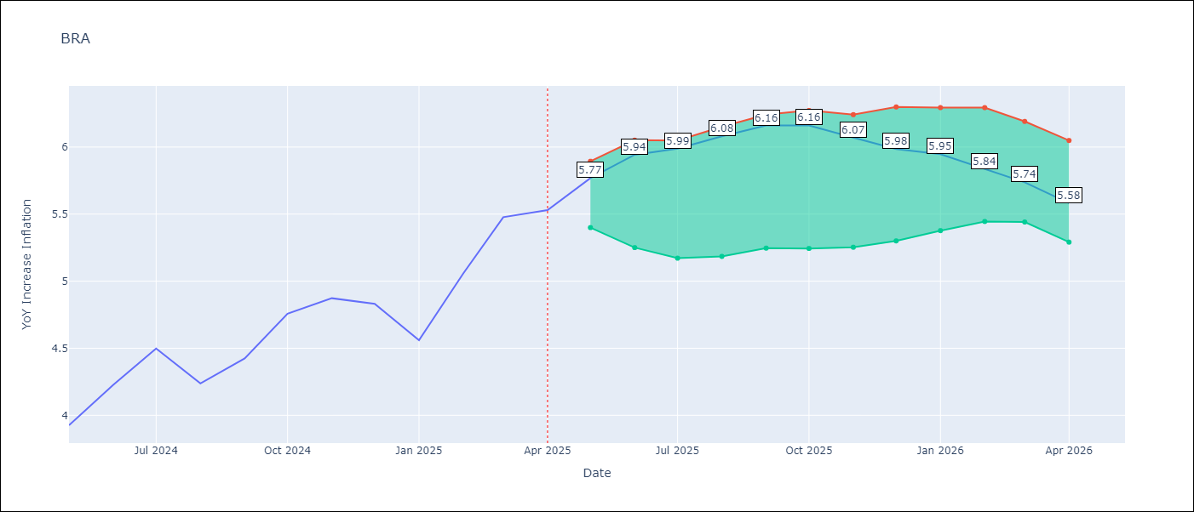

Test Metrics
RMSE | 1.06
Naive RMSE | 0.73
MAPE | 24.03%

Test Predictions
Date | Predicted | Actual
2024-06-01 | 3.79 | 3.93
2024-07-01 | 4.02 | 4.23
2024-08-01 | 4.03 | 4.5
2024-09-01 | 3.78 | 4.24
2024-10-01 | 3.46 | 4.42
2024-11-01 | 3.23 | 4.76
2024-12-01 | 3.04 | 4.87
2025-01-01 | 2.96 | 4.83
2025-02-01 | 3.02 | 4.56
2025-03-01 | 3.33 | 5.06
2025-04-01 | 3.69 | 5.48
2025-05-01 | 4 | 5.53

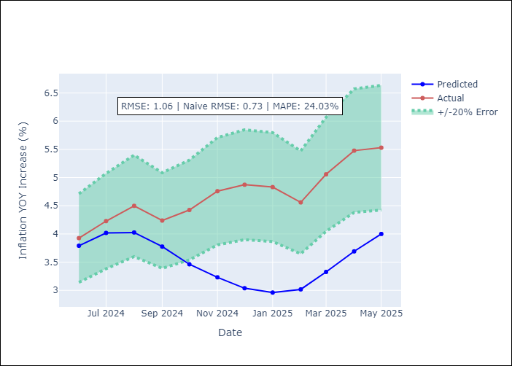
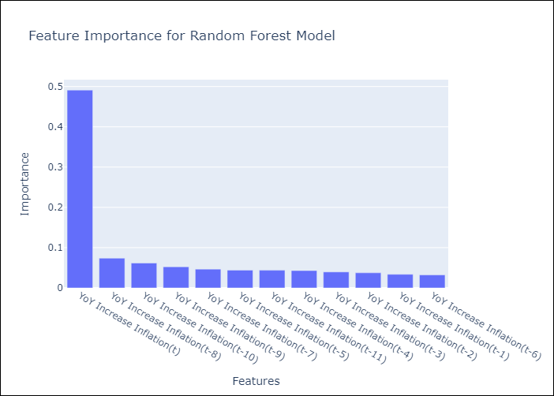

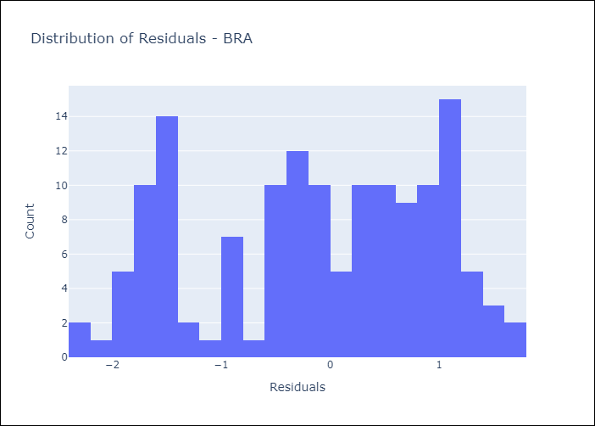
Appendix A: Model Summary
Model | Random Forest w/ Lags
Sample | 1998-01-01 to 2025-04-01
No. of Observations | 328
Residuals
Mean | -0.13371677145
St Dev | 1.0549177975
Kurtosis | -1.0890558906
Skewness | -0.27898371317

Assumptions | P-value



Appendix C: Residuals Analysis
Mean

CHL
CHL - Inflation - Next 12 months forecast as of: 2025-04-01

Model | Random Forest w/ Lags - [(2, 0, 0), (0, 0, 1, 12)]
Training Data | 2012-12-01 to 2024-05-01
Test Data | 2024-05-01 to 2025-04-01

Date | Inflation Change YoY % | Lower Bound - 95% Confidence Interval | Upper Bound - 95% Confidence Interval
2025-05-01 | 4.41 | 4.32 | 4.85
2025-06-01 | 4.3 | 4.28 | 4.76
2025-07-01 | 4.25 | 4.14 | 4.67
2025-08-01 | 4.16 | 3.88 | 4.74
2025-09-01 | 4.08 | 3.64 | 4.76
2025-10-01 | 4.01 | 3.46 | 4.83
2025-11-01 | 3.92 | 3.32 | 4.88
2025-12-01 | 3.83 | 3.23 | 4.79
2026-01-01 | 3.7 | 3.13 | 4.82
2026-02-01 | 3.6 | 3.08 | 4.84
2026-03-01 | 3.5 | 3.06 | 4.79
2026-04-01 | 3.41 | 2.97 | 4.74

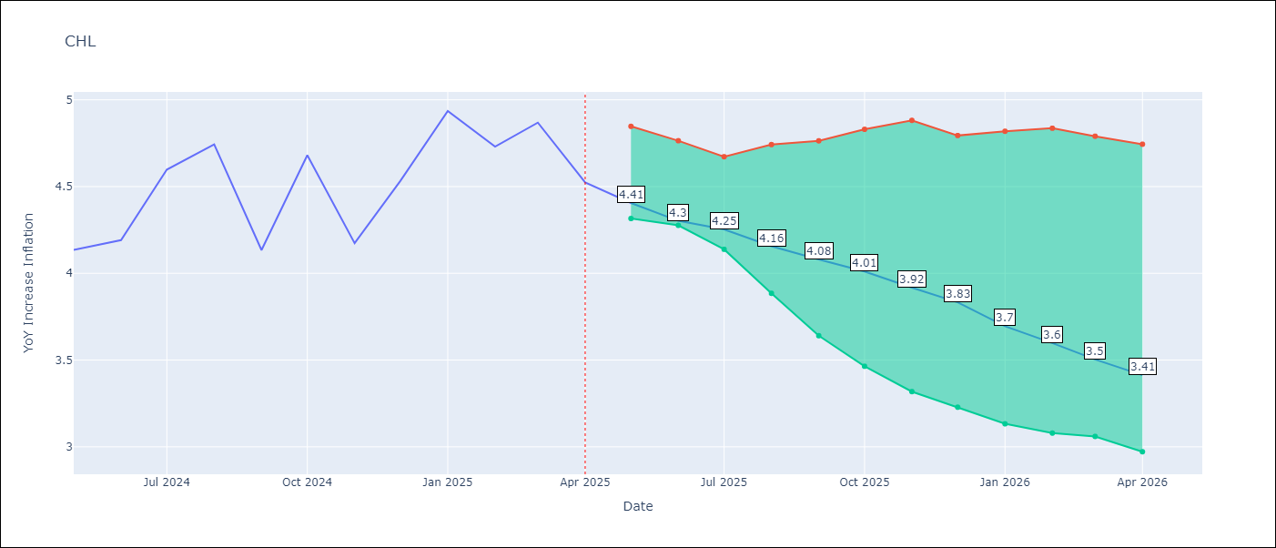

Test Metrics
RMSE | 1.3
Naive RMSE | 1.71
MAPE | 5.87%

Test Predictions
Date | Predicted | Actual
2024-06-01 | 4.33 | 4.13
2024-07-01 | 4.45 | 4.19
2024-08-01 | 4.5 | 4.6
2024-09-01 | 4.5 | 4.74
2024-10-01 | 4.48 | 4.13
2024-11-01 | 4.53 | 4.68
2024-12-01 | 4.71 | 4.17
2025-01-01 | 4.87 | 4.53
2025-02-01 | 4.96 | 4.94
2025-03-01 | 5 | 4.73
2025-04-01 | 5 | 4.87
2025-05-01 | 5.04 | 4.52

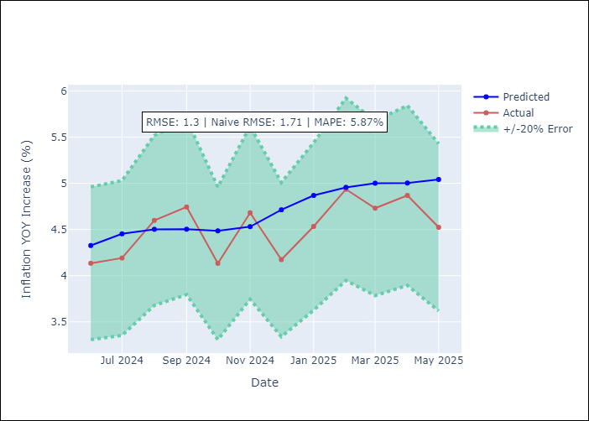
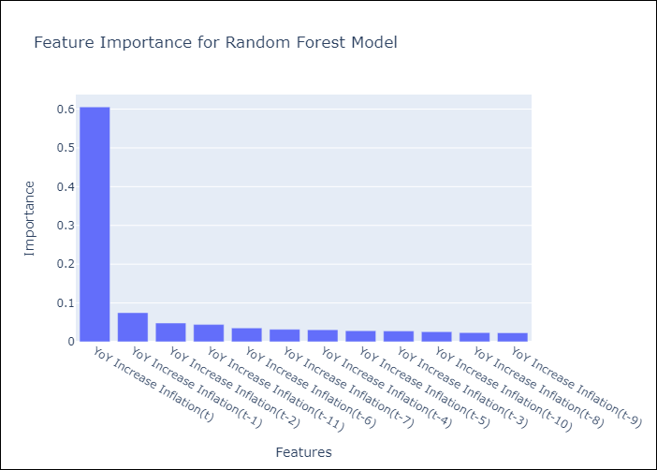

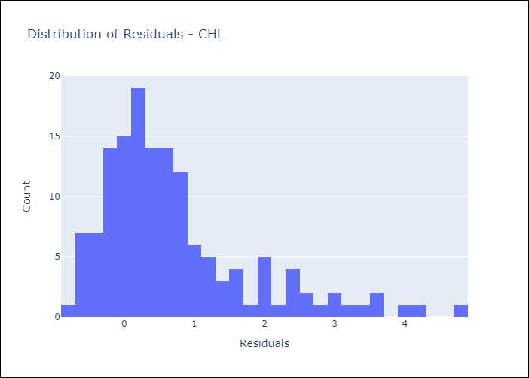
Appendix A: Model Summary
Model | Random Forest w/ Lags
Sample | 2012-12-01 to 2025-04-01
No. of Observations | 149
Residuals
Mean | 0.71265021346
St Dev | 1.0844566852
Kurtosis | 1.9230842826
Skewness | 1.4379486761

Assumptions | P-value



Appendix C: Residuals Analysis
Mean

COL
COL - Inflation - Next 12 months forecast as of: 2025-04-01

Model | Random Forest w/ Lags - [(1, 0, 1), (0, 0, 0, 12)]
Training Data | 2006-01-01 to 2024-05-01
Test Data | 2024-05-01 to 2025-04-01

Date | Inflation Change YoY % | Lower Bound - 95% Confidence Interval | Upper Bound - 95% Confidence Interval
2025-05-01 | 5.89 | 5.07 | 6.12
2025-06-01 | 5.96 | 4.89 | 6.08
2025-07-01 | 6.12 | 4.8 | 6.4
2025-08-01 | 6.43 | 4.81 | 6.81
2025-09-01 | 6.74 | 4.75 | 7.13
2025-10-01 | 7.06 | 4.75 | 7.39
2025-11-01 | 7.24 | 4.78 | 7.48
2025-12-01 | 7.44 | 4.69 | 7.53
2026-01-01 | 7.43 | 4.61 | 7.59
2026-02-01 | 7.38 | 4.38 | 7.51
2026-03-01 | 7.13 | 4.41 | 7.32
2026-04-01 | 6.85 | 4.34 | 6.98

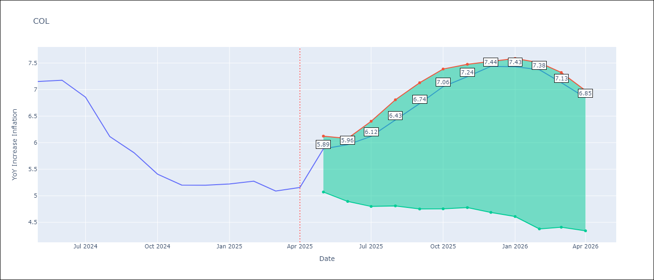

Test Metrics
RMSE | 2.65
Naive RMSE | 2.95
MAPE | 25.25%

Test Predictions
Date | Predicted | Actual
2024-06-01 | 5.73 | 7.15
2024-07-01 | 5.41 | 7.18
2024-08-01 | 5.04 | 6.86
2024-09-01 | 4.71 | 6.12
2024-10-01 | 4.41 | 5.81
2024-11-01 | 4.22 | 5.41
2024-12-01 | 3.97 | 5.2
2025-01-01 | 3.83 | 5.2
2025-02-01 | 3.75 | 5.22
2025-03-01 | 3.77 | 5.27
2025-04-01 | 3.72 | 5.09
2025-05-01 | 3.65 | 5.16

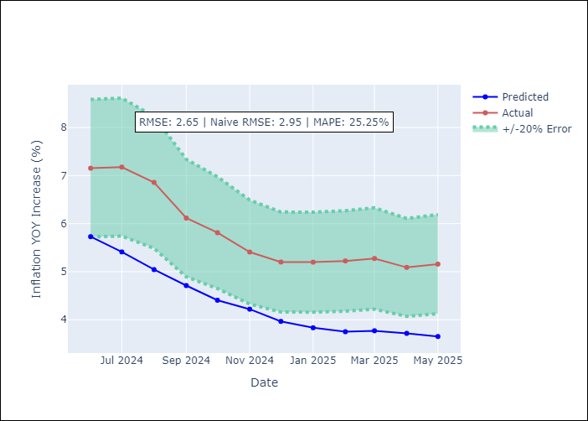
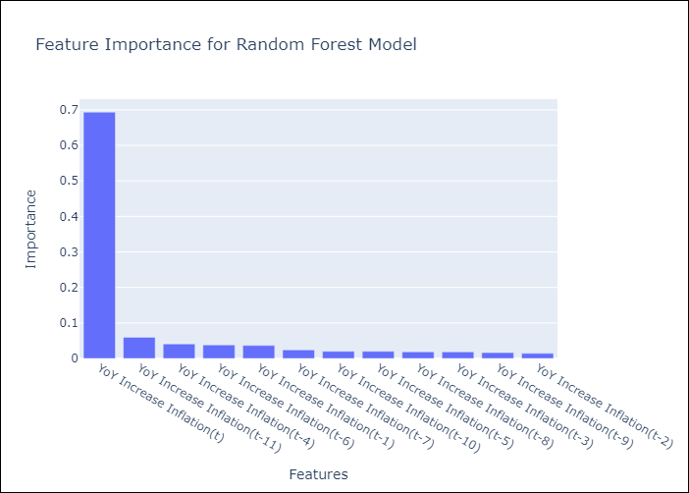

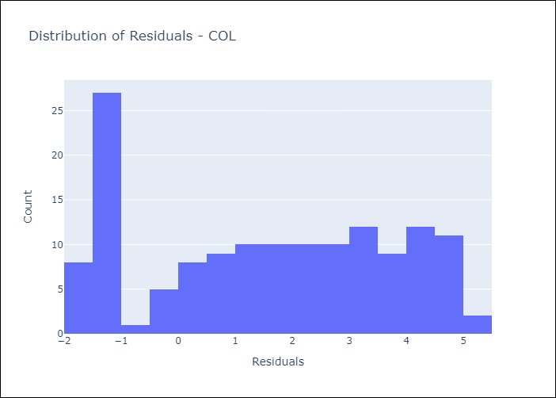
Appendix A: Model Summary
Model | Random Forest w/ Lags
Sample | 2006-01-01 to 2025-04-01
No. of Observations | 232
Residuals
Mean | 1.5538610345
St Dev | 2.1441560071
Kurtosis | -1.3133005131
Skewness | -0.090322094412

Assumptions | P-value

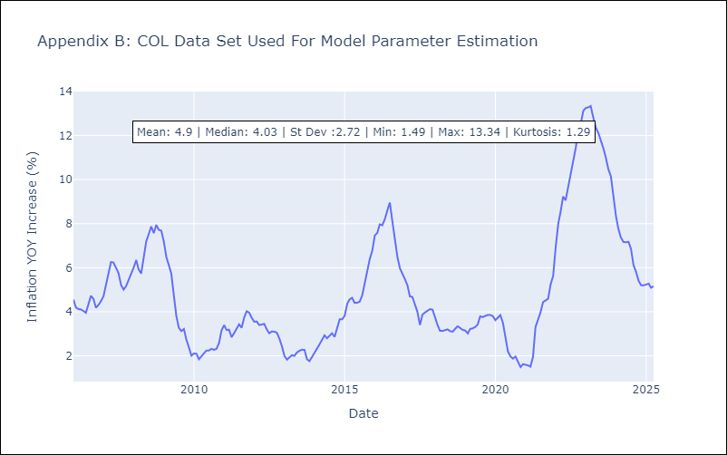

Appendix C: Residuals Analysis
Mean

ECU
ECU - Inflation - Next 12 months forecast as of: 2025-04-01

Model | Random Forest w/ Lags - [(2, 1, 1), (3, 0, 0, 12)]
Training Data | 2009-01-01 to 2024-05-01
Test Data | 2024-05-01 to 2025-04-01

Date | Inflation Change YoY % | Lower Bound - 95% Confidence Interval | Upper Bound - 95% Confidence Interval
2025-05-01 | 0 | -0.41 | 0.43
2025-06-01 | -0.01 | -0.39 | 0.39
2025-07-01 | -0.06 | -0.35 | 0.32
2025-08-01 | -0.13 | -0.4 | 0.25
2025-09-01 | -0.28 | -0.4 | 0.08
2025-10-01 | -0.43 | -0.51 | -0.07
2025-11-01 | -0.49 | -0.56 | -0.2
2025-12-01 | -0.53 | -0.67 | -0.28
2026-01-01 | -0.48 | -0.59 | -0.15
2026-02-01 | -0.29 | -0.46 | 0
2026-03-01 | -0.1 | -0.44 | 0.19
2026-04-01 | 0.06 | -0.35 | 0.37

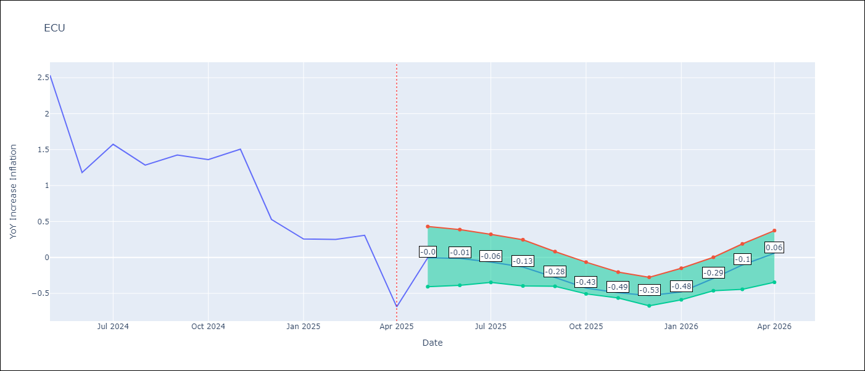

Test Metrics
RMSE | 1.41
Naive RMSE | 0.86
MAPE | 482.75%

Test Predictions
Date | Predicted | Actual
2024-06-01 | 3.1 | 2.53
2024-07-01 | 3.22 | 1.18
2024-08-01 | 3.34 | 1.57
2024-09-01 | 3.46 | 1.28
2024-10-01 | 3.62 | 1.42
2024-11-01 | 3.73 | 1.36
2024-12-01 | 3.74 | 1.51
2025-01-01 | 3.71 | 0.53
2025-02-01 | 3.65 | 0.26
2025-03-01 | 3.55 | 0.25
2025-04-01 | 3.42 | 0.31
2025-05-01 | 3.32 | -0.69

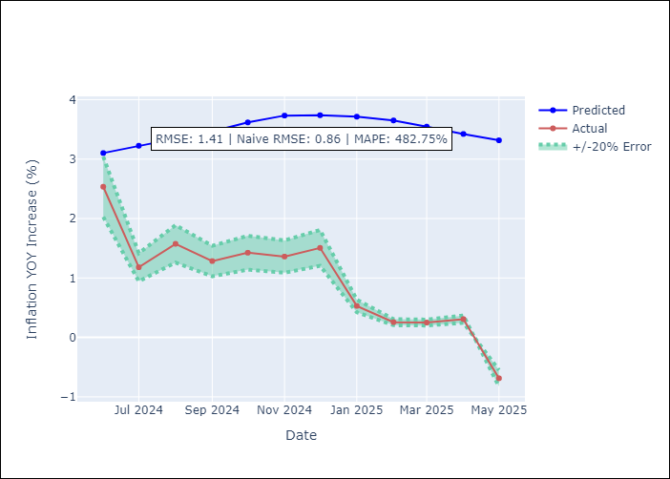
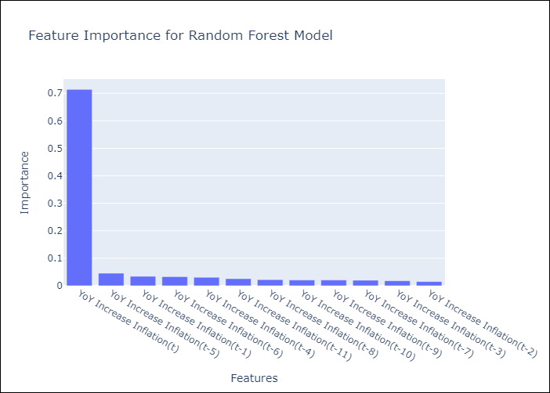

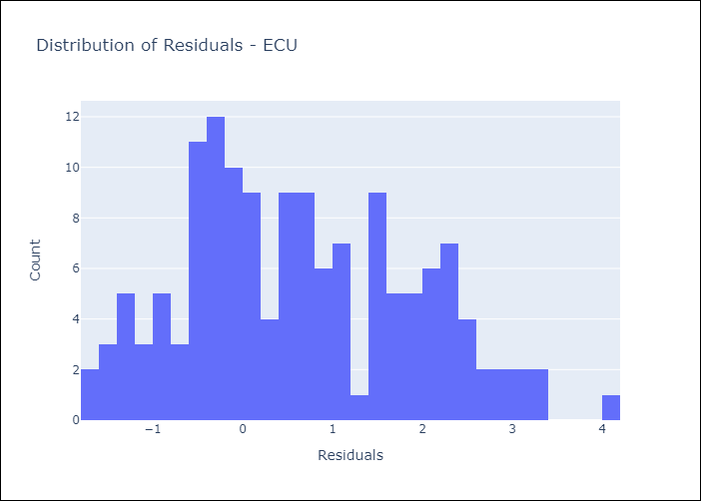
Appendix A: Model Summary
Model | Random Forest w/ Lags
Sample | 2009-01-01 to 2025-04-01
No. of Observations | 196
Residuals
Mean | 0.63485293526
St Dev | 1.2595570625
Kurtosis | -0.68335790528
Skewness | 0.3008338187

Assumptions | P-value

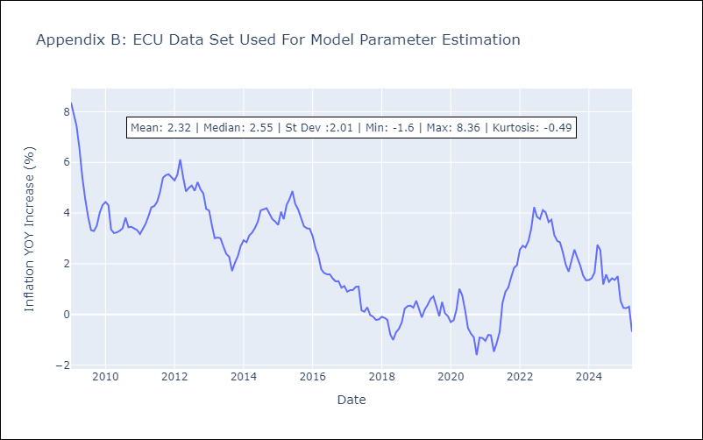

Appendix C: Residuals Analysis
Mean

PER
PER - Inflation - Next 12 months forecast as of: 2025-04-01

Model | Random Forest w/ Lags - [(3, 2, 0), (3, 0, 0, 12)]
Training Data | 1994-01-01 to 2024-05-01
Test Data | 2024-05-01 to 2025-04-01

Date | Inflation Change YoY % | Lower Bound - 95% Confidence Interval | Upper Bound - 95% Confidence Interval
2025-05-01 | 1.68 | 1.48 | 1.92
2025-06-01 | 1.72 | 1.44 | 2
2025-07-01 | 1.83 | 1.6 | 2.19
2025-08-01 | 1.91 | 1.68 | 2.14
2025-09-01 | 1.99 | 1.79 | 2.23
2025-10-01 | 2.12 | 1.88 | 2.37
2025-11-01 | 2.24 | 2 | 2.82
2025-12-01 | 2.35 | 2.13 | 2.92
2026-01-01 | 2.45 | 2.29 | 3.09
2026-02-01 | 2.57 | 2.34 | 3.11
2026-03-01 | 2.66 | 2.41 | 3.31
2026-04-01 | 2.88 | 2.59 | 3.68

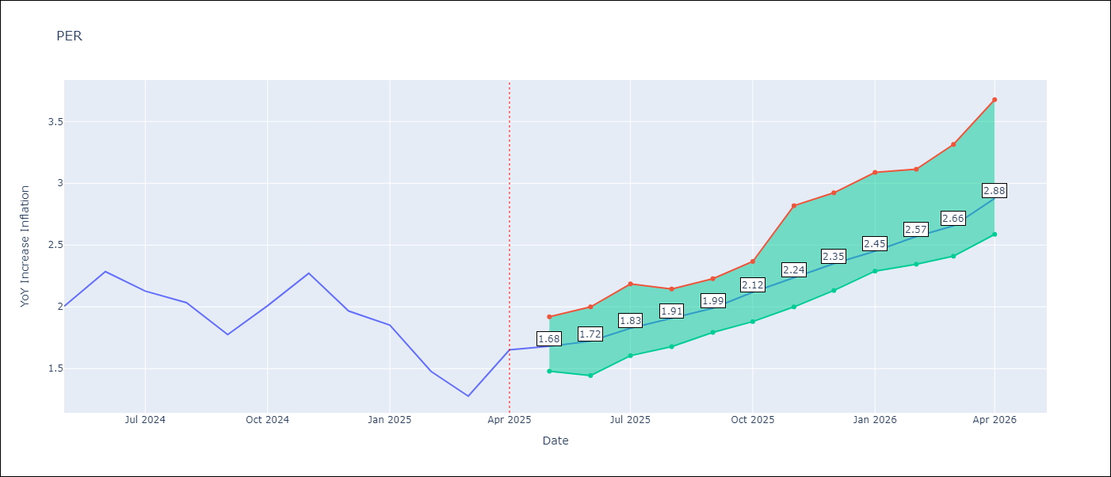

Test Metrics
RMSE | 1.06
Naive RMSE | 2.19
MAPE | 69.43%

Test Predictions
Date | Predicted | Actual
2024-06-01 | 2.82 | 2
2024-07-01 | 3.02 | 2.29
2024-08-01 | 3.13 | 2.13
2024-09-01 | 3.19 | 2.03
2024-10-01 | 3.18 | 1.78
2024-11-01 | 3.24 | 2.01
2024-12-01 | 3.24 | 2.27
2025-01-01 | 3.2 | 1.97
2025-02-01 | 3.12 | 1.85
2025-03-01 | 3.03 | 1.48
2025-04-01 | 3.09 | 1.28
2025-05-01 | 3.23 | 1.65

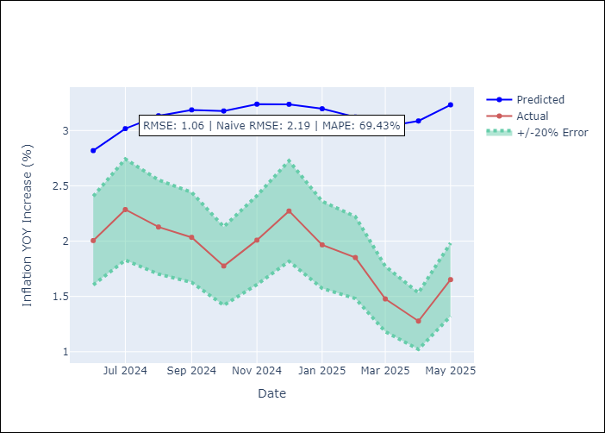
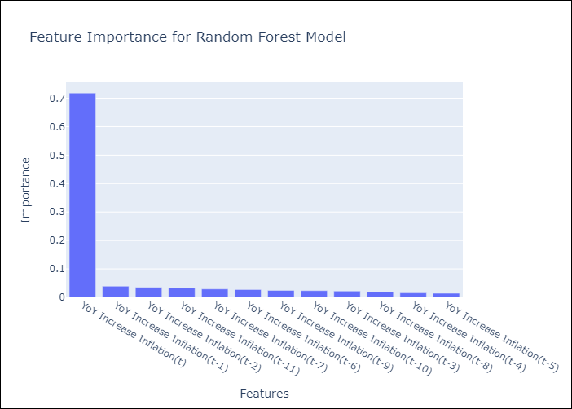

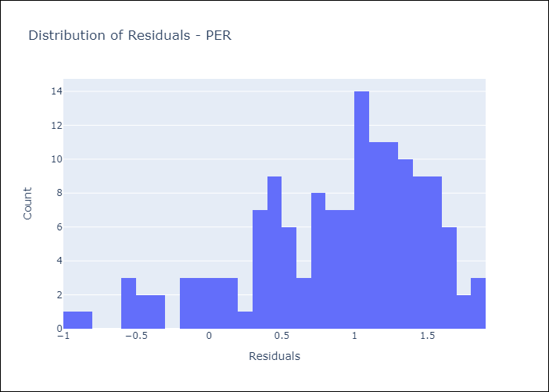
Appendix A: Model Summary
Model | Random Forest w/ Lags
Sample | 1994-01-01 to 2025-04-01
No. of Observations | 376
Residuals
Mean | 0.87423502989
St Dev | 0.60384944253
Kurtosis | 0.13767869881
Skewness | -0.79560811467

Assumptions | P-value

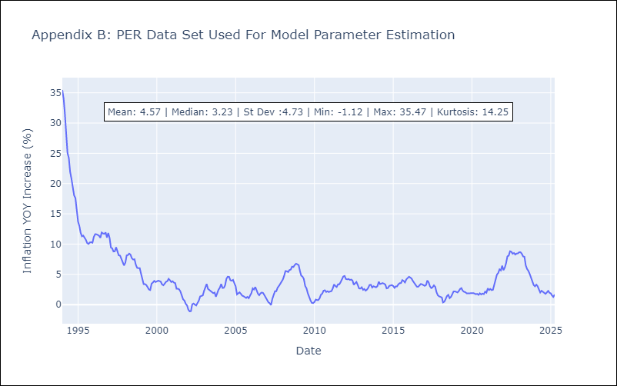

Appendix C: Residuals Analysis
Mean

PRY
PRY - Inflation - Next 12 months forecast as of: 2025-04-01

Model | Random Forest w/ Lags - [(2, 1, 1), (1, 0, 1, 12)]
Training Data | 1995-12-01 to 2024-05-01
Test Data | 2024-05-01 to 2025-04-01

Date | Inflation Change YoY % | Lower Bound - 95% Confidence Interval | Upper Bound - 95% Confidence Interval
2025-05-01 | 3.59 | 3.38 | 3.9
2025-06-01 | 3.34 | 3.14 | 3.78
2025-07-01 | 3.41 | 3.06 | 3.71
2025-08-01 | 3.34 | 3.04 | 3.57
2025-09-01 | 3.08 | 2.93 | 3.48
2025-10-01 | 3.06 | 2.82 | 3.41
2025-11-01 | 2.99 | 2.89 | 3.55
2025-12-01 | 3.01 | 2.89 | 3.53
2026-01-01 | 3.13 | 2.77 | 3.5
2026-02-01 | 3.16 | 2.93 | 3.52
2026-03-01 | 3.05 | 2.87 | 3.51
2026-04-01 | 2.96 | 2.82 | 3.51

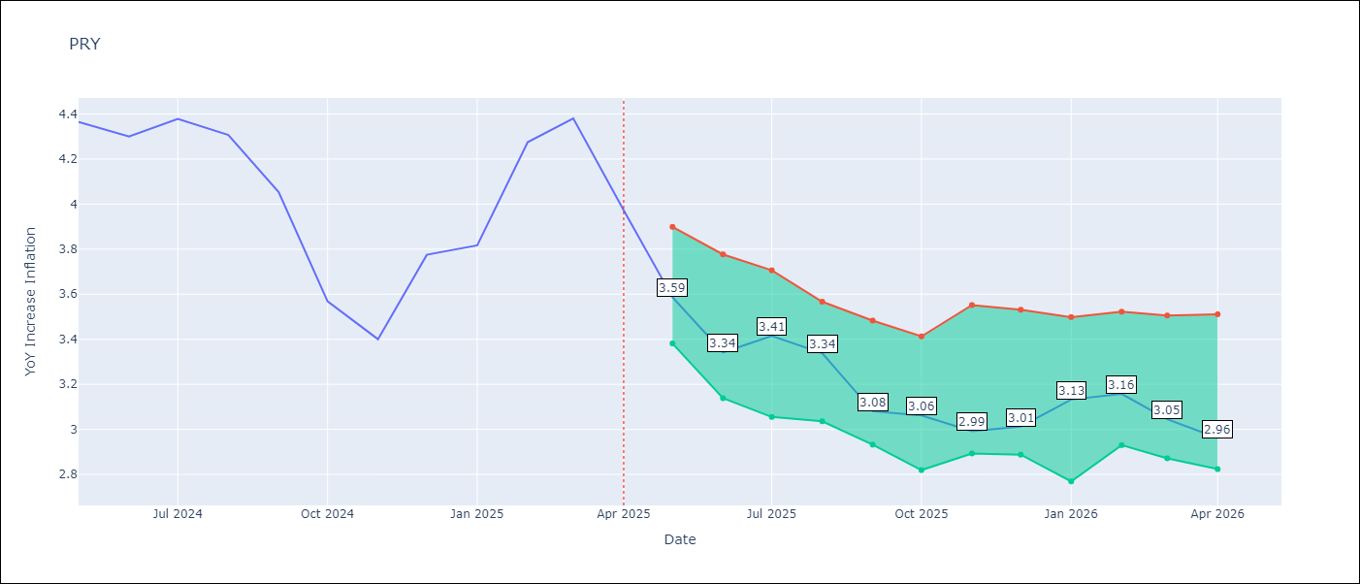

Test Metrics
RMSE | 0.88
Naive RMSE | 0.82
MAPE | 19.36%

Test Predictions
Date | Predicted | Actual
2024-06-01 | 3.58 | 4.36
2024-07-01 | 3.57 | 4.3
2024-08-01 | 3.08 | 4.38
2024-09-01 | 2.97 | 4.31
2024-10-01 | 3.12 | 4.05
2024-11-01 | 3 | 3.57
2024-12-01 | 3.13 | 3.4
2025-01-01 | 3.13 | 3.78
2025-02-01 | 3.21 | 3.82
2025-03-01 | 3.35 | 4.27
2025-04-01 | 3.43 | 4.38
2025-05-01 | 3.44 | 3.97

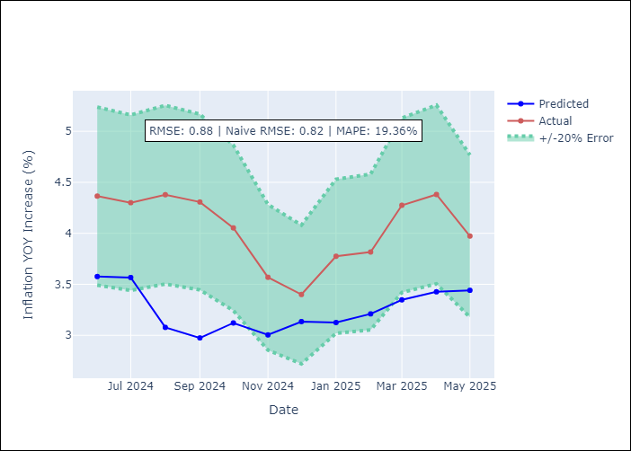
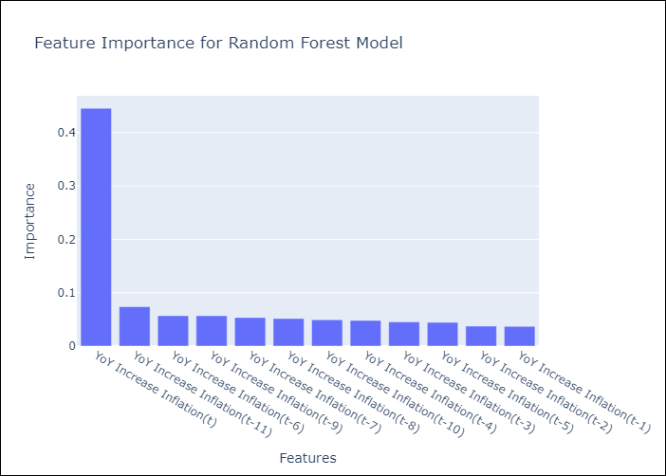

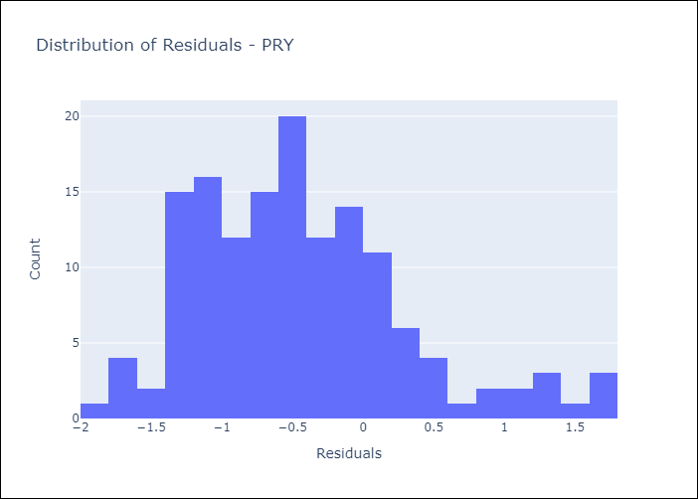
Appendix A: Model Summary
Model | Random Forest w/ Lags
Sample | 1995-12-01 to 2025-04-01
No. of Observations | 353
Residuals
Mean | -0.45596094889
St Dev | 0.74706654802
Kurtosis | 0.48536722876
Skewness | 0.75862004924

Assumptions | P-value



Appendix C: Residuals Analysis
Mean

URY
URY - Inflation - Next 12 months forecast as of: 2025-04-01

Model | Random Forest w/ Lags - [(0, 2, 1), (3, 0, 0, 12)]
Training Data | 1992-01-01 to 2024-05-01
Test Data | 2024-05-01 to 2025-04-01

Date | Inflation Change YoY % | Lower Bound - 95% Confidence Interval | Upper Bound - 95% Confidence Interval
2025-05-01 | 4.86 | 4.5 | 5.37
2025-06-01 | 4.79 | 4.34 | 5.41
2025-07-01 | 4.71 | 4.09 | 5.48
2025-08-01 | 4.67 | 4 | 5.51
2025-09-01 | 4.67 | 3.97 | 5.41
2025-10-01 | 4.82 | 4.07 | 5.52
2025-11-01 | 5.04 | 4.14 | 5.56
2025-12-01 | 5.22 | 4.21 | 5.73
2026-01-01 | 5.64 | 4.41 | 6.06
2026-02-01 | 6.19 | 4.85 | 6.56
2026-03-01 | 7.09 | 5.23 | 7.46
2026-04-01 | 8.85 | 5.72 | 9.49

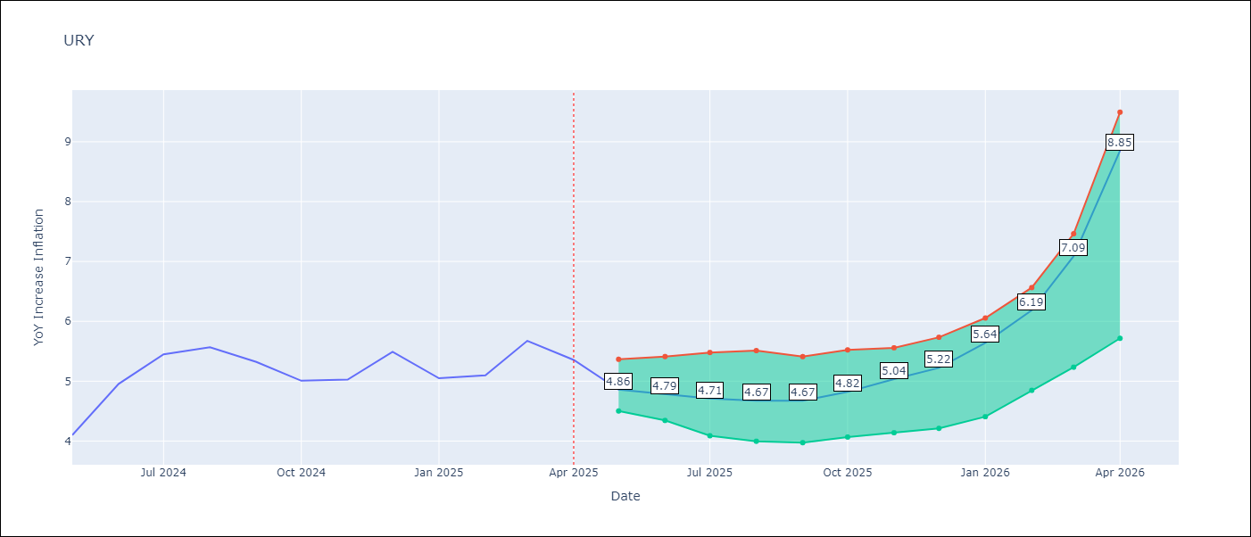

Test Metrics
RMSE | 2.07
Naive RMSE | 1.24
MAPE | 57.49%

Test Predictions
Date | Predicted | Actual
2024-06-01 | 4.26 | 4.1
2024-07-01 | 4.5 | 4.96
2024-08-01 | 4.78 | 5.45
2024-09-01 | 5.21 | 5.57
2024-10-01 | 5.64 | 5.32
2024-11-01 | 6.1 | 5.01
2024-12-01 | 6.72 | 5.03
2025-01-01 | 7.63 | 5.49
2025-02-01 | 9.2 | 5.05
2025-03-01 | 11.59 | 5.1
2025-04-01 | 14.27 | 5.67
2025-05-01 | 15.87 | 5.36

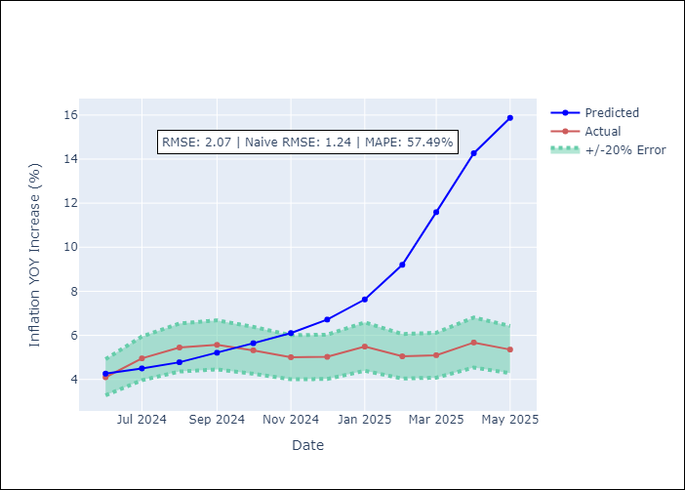
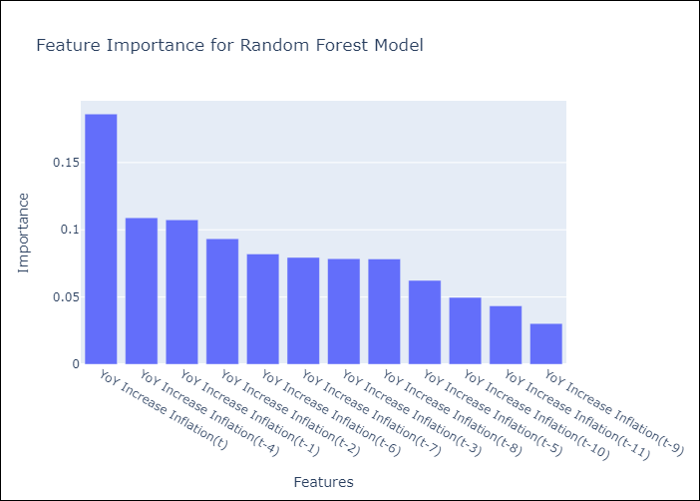

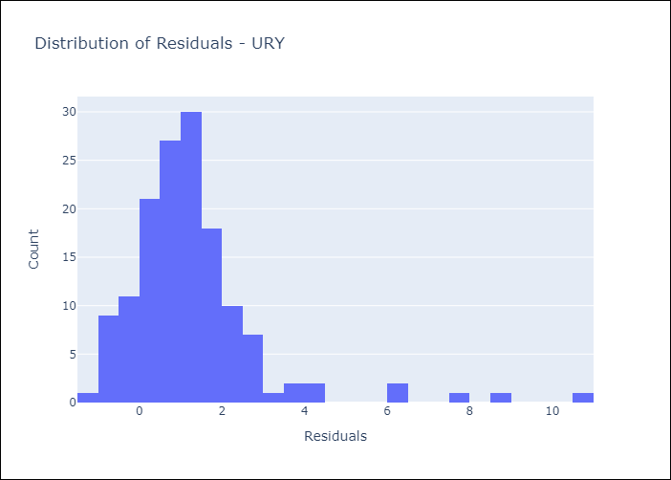
Appendix A: Model Summary
Model | Random Forest w/ Lags
Sample | 1992-01-01 to 2025-04-01
No. of Observations | 400
Residuals
Mean | 1.2741105571
St Dev | 1.6313879778
Kurtosis | 10.464123948
Skewness | 2.6681953821

Assumptions | P-value

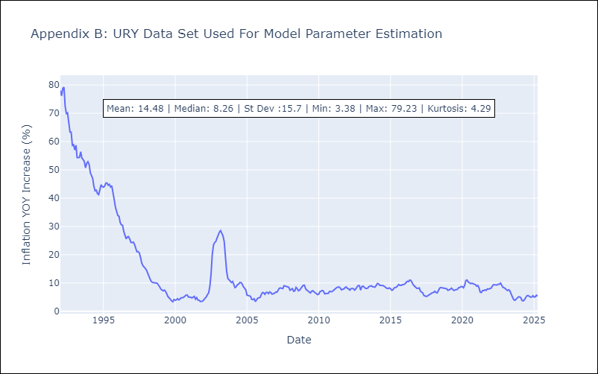

Appendix C: Residuals Analysis
Mean

VEN
VEN - Inflation - Next 12 months forecast as of: 2016-12-01

Model | Random Forest w/ Lags - [(3, 0, 0), (0, 0, 0, 12)]
Training Data | 2013-01-01 to 2016-01-01
Test Data | 2016-01-01 to 2016-12-01

Date | Inflation Change YoY % | Lower Bound - 95% Confidence Interval | Upper Bound - 95% Confidence Interval
2017-01-01 | 70.63 | 63.08 | 72.25
2017-02-01 | 75.54 | 63.52 | 77.54
2017-03-01 | 79.25 | 65.84 | 80.69
2017-04-01 | 81.78 | 70.06 | 82.64
2017-05-01 | 84.61 | 73.47 | 85.6
2017-06-01 | 90.59 | 76.94 | 92.53
2017-07-01 | 100.01 | 80.28 | 103.35
2017-08-01 | 113.13 | 83.82 | 117.92
2017-09-01 | 127.84 | 89.8 | 133.08
2017-10-01 | 142.29 | 97.86 | 147.61
2017-11-01 | 157.67 | 109.32 | 162.87
2017-12-01 | 170.33 | 122.53 | 174.84

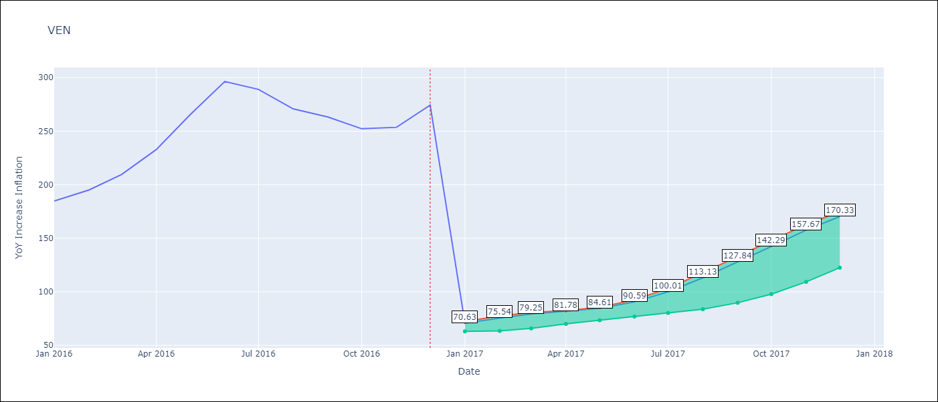

Test Metrics
RMSE | 96.23
Naive RMSE | 88.69
MAPE | 56.84%

Test Predictions
Date | Predicted | Actual
2016-02-01 | 70.63 | 184.76
2016-03-01 | 75.54 | 195.13
2016-04-01 | 79.25 | 209.56
2016-05-01 | 81.78 | 232.92
2016-06-01 | 84.61 | 265.24
2016-07-01 | 90.59 | 296.44
2016-08-01 | 100.01 | 289.06
2016-09-01 | 113.13 | 270.87
2016-10-01 | 127.84 | 263.24
2016-11-01 | 142.29 | 252.27
2016-12-01 | 157.67 | 253.65
2017-01-01 | 170.33 | 274.35

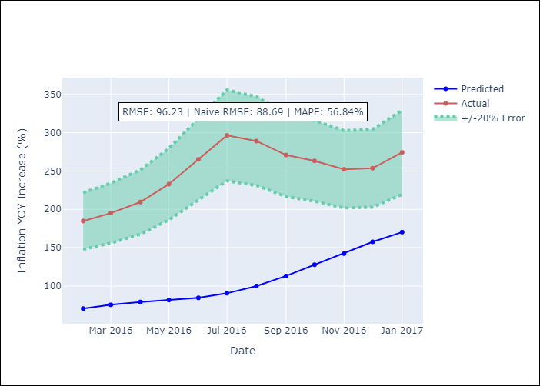
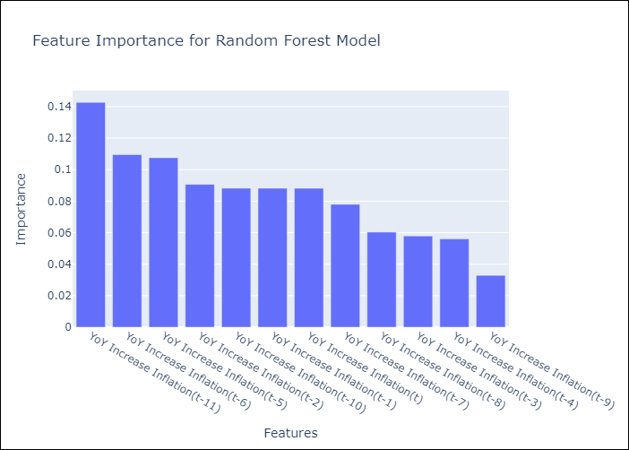

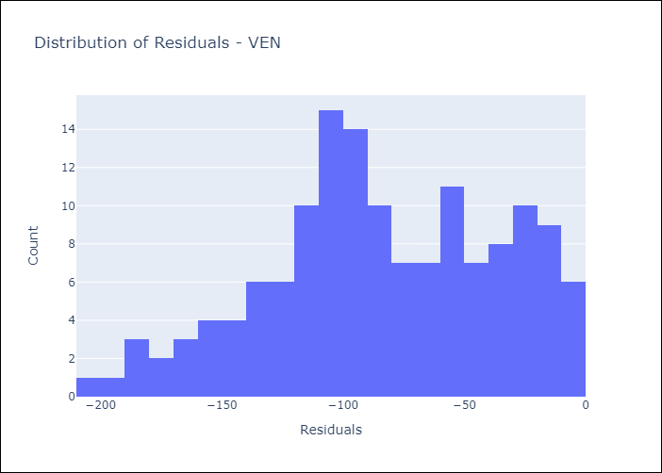
Appendix A: Model Summary
Model | Random Forest w/ Lags
Sample | 2013-01-01 to 2016-12-01
No. of Observations | 48
Residuals
Mean | -83.612969725
St Dev | 47.635016814
Kurtosis | -0.59284527833
Skewness | -0.28394812757

Assumptions | P-value

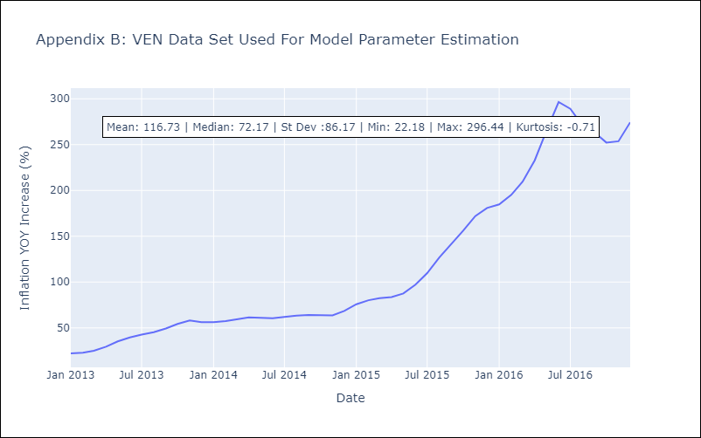

Appendix C: Residuals Analysis
Mean

