CRI
CRI - Inflation - Next 12 months forecast as of: 2025-04-01

Model | Random Forest w/ Lags - [(2, 1, 1), (2, 0, 1, 12)]
Training Data | 1994-07-01 to 2024-05-01
Test Data | 2024-05-01 to 2025-04-01

Date | Inflation Change YoY % | Lower Bound - 95% Confidence Interval | Upper Bound - 95% Confidence Interval
2025-05-01 | 1.15 | 0.86 | 1.45
2025-06-01 | 1.33 | 0.91 | 1.57
2025-07-01 | 1.57 | 1.04 | 1.79
2025-08-01 | 1.83 | 1.26 | 2.15
2025-09-01 | 2.12 | 1.56 | 2.37
2025-10-01 | 2.39 | 1.8 | 2.83
2025-11-01 | 2.68 | 1.88 | 3.21
2025-12-01 | 2.98 | 1.79 | 3.72
2026-01-01 | 3.27 | 1.84 | 4.51
2026-02-01 | 3.72 | 2.1 | 5.36
2026-03-01 | 4.32 | 2.46 | 6.31
2026-04-01 | 4.77 | 2.77 | 7.32

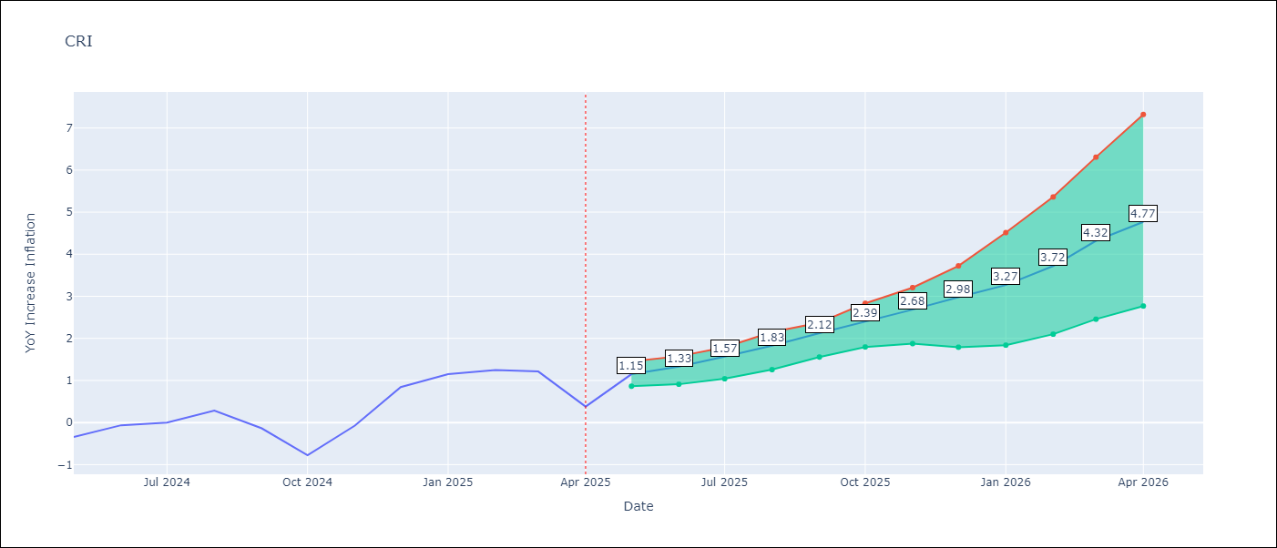

Test Metrics
RMSE | 1.9
Naive RMSE | 1.62
MAPE | inf%

Test Predictions
Date | Predicted | Actual
2024-06-01 | 0.16 | -0.35
2024-07-01 | 0.5 | -0.06
2024-08-01 | 0.64 | 0
2024-09-01 | 0.72 | 0.28
2024-10-01 | 0.84 | -0.14
2024-11-01 | 1.03 | -0.77
2024-12-01 | 1.26 | -0.07
2025-01-01 | 1.5 | 0.84
2025-02-01 | 1.78 | 1.15
2025-03-01 | 2.04 | 1.25
2025-04-01 | 2.35 | 1.21
2025-05-01 | 2.65 | 0.38

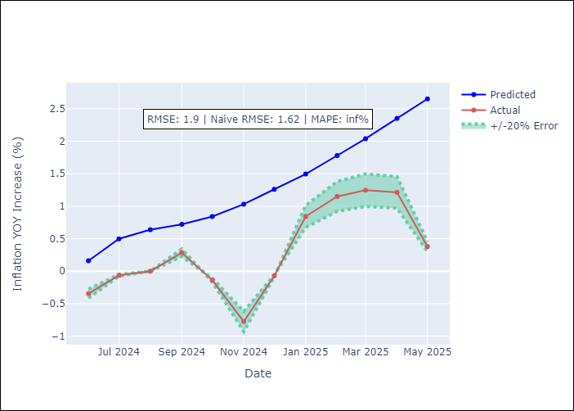
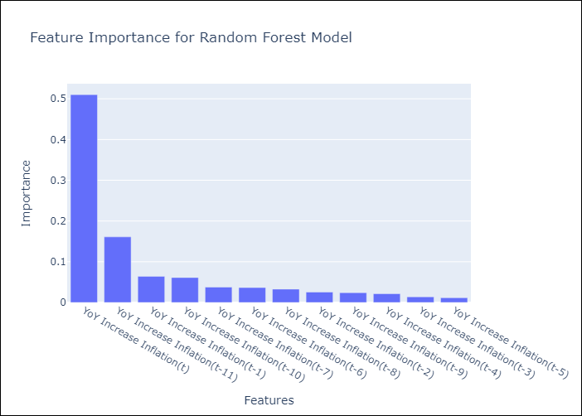

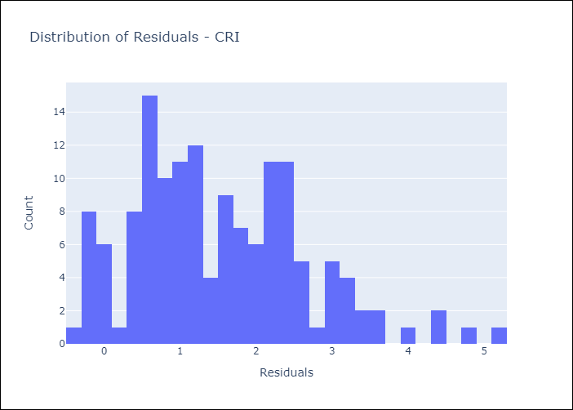
Appendix A: Model Summary
Model | Random Forest w/ Lags
Sample | 1994-07-01 to 2025-04-01
No. of Observations | 370
Residuals
Mean | 1.5266307995
St Dev | 1.124287897
Kurtosis | 0.20883724255
Skewness | 0.6207201812

Assumptions | P-value

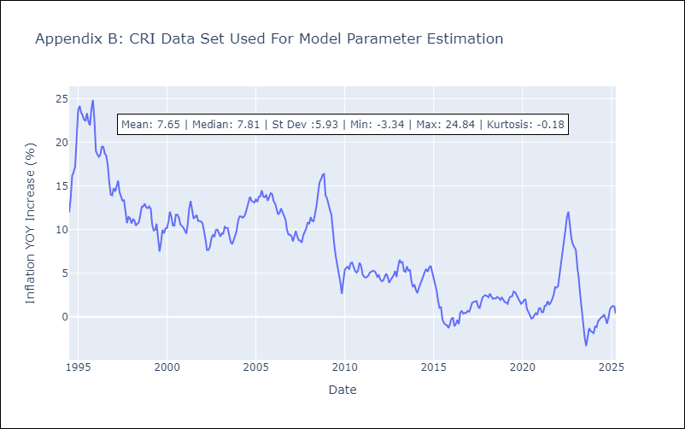

Appendix C: Residuals Analysis
Mean

CUB
CUB - Inflation - Next 12 months forecast as of: 2024-01-01

Model | Random Forest w/ Lags - [(0, 2, 1), (0, 0, 1, 12)]
Training Data | 2003-01-01 to 2023-02-01
Test Data | 2023-02-01 to 2024-01-01

Date | Inflation Change YoY % | Lower Bound - 95% Confidence Interval | Upper Bound - 95% Confidence Interval
2024-02-01 | 56.33 | 36.48 | 71.87
2024-03-01 | 53.9 | 33.48 | 67.74
2024-04-01 | 44.19 | 28.62 | 64.75
2024-05-01 | 41.48 | 26.61 | 57.66
2024-06-01 | 40.23 | 27.22 | 58.29
2024-07-01 | 40.15 | 29.69 | 53.27
2024-08-01 | 37.44 | 28.13 | 46.06
2024-09-01 | 37 | 28.75 | 44.94
2024-10-01 | 36.26 | 29.84 | 42.05
2024-11-01 | 37.39 | 30.94 | 44.06
2024-12-01 | 34.92 | 30.98 | 40.61
2025-01-01 | 35.78 | 32.38 | 39.5

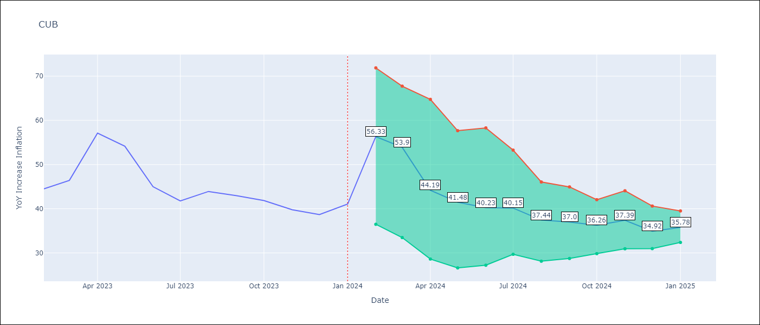

Test Metrics
RMSE | 10.99
Naive RMSE | 12.41
MAPE | 14.2%

Test Predictions
Date | Predicted | Actual
2023-03-01 | 58.44 | 44.5
2023-04-01 | 59.24 | 46.42
2023-05-01 | 53.26 | 57.12
2023-06-01 | 49.29 | 54.15
2023-07-01 | 46.7 | 44.99
2023-08-01 | 43.84 | 41.77
2023-09-01 | 39.9 | 43.91
2023-10-01 | 38.32 | 42.96
2023-11-01 | 36.08 | 41.84
2023-12-01 | 34.66 | 39.78
2024-01-01 | 31.61 | 38.67
2024-02-01 | 31.97 | 41.06

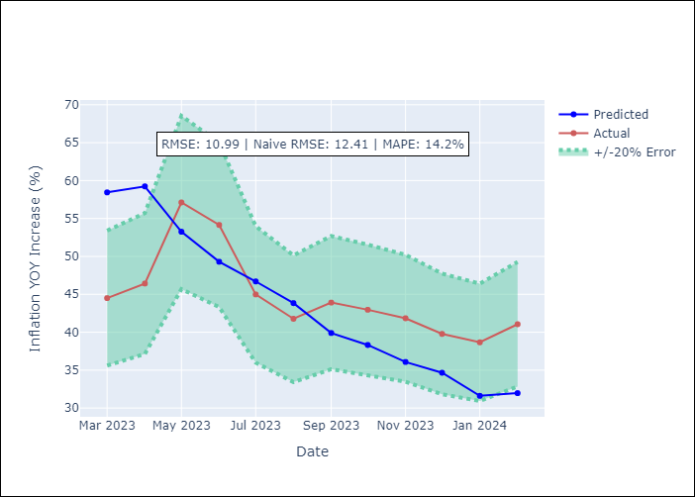
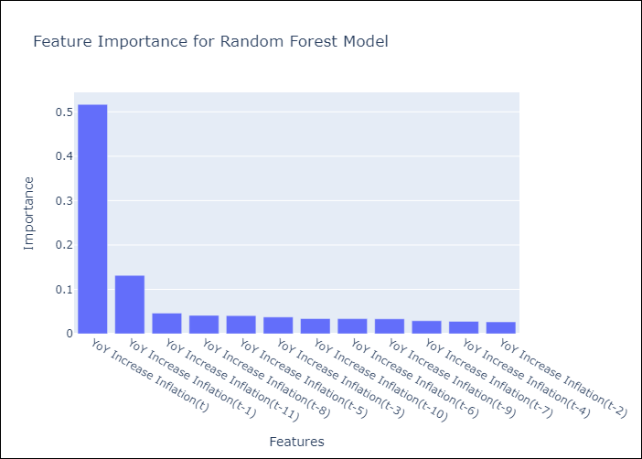

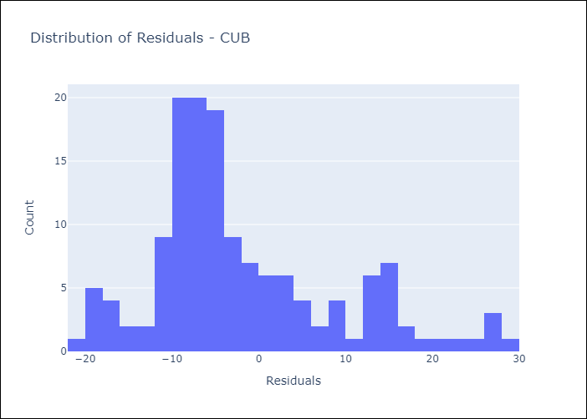
Appendix A: Model Summary
Model | Random Forest w/ Lags
Sample | 2003-01-01 to 2024-01-01
No. of Observations | 253
Residuals
Mean | -1.8952661372
St Dev | 10.829465134
Kurtosis | 0.34002578817
Skewness | 0.86473284965

Assumptions | P-value

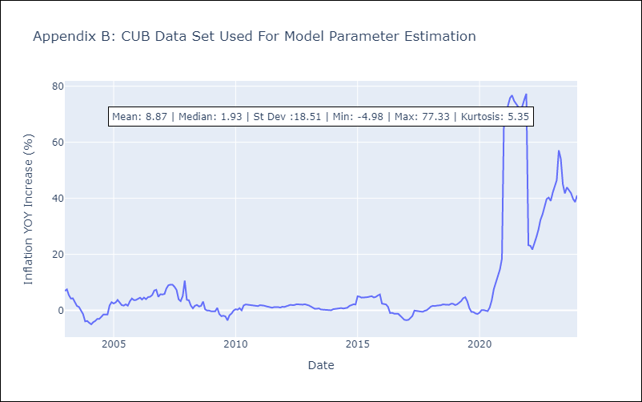

Appendix C: Residuals Analysis
Mean

DOM
DOM - Inflation - Next 12 months forecast as of: 2025-04-01

Model | Random Forest w/ Lags - [(0, 2, 2), (0, 0, 1, 12)]
Training Data | 1994-01-01 to 2024-05-01
Test Data | 2024-05-01 to 2025-04-01

Date | Inflation Change YoY % | Lower Bound - 95% Confidence Interval | Upper Bound - 95% Confidence Interval
2025-05-01 | 3.53 | 3.18 | 3.78
2025-06-01 | 3.49 | 2.96 | 3.85
2025-07-01 | 3.34 | 2.62 | 3.97
2025-08-01 | 3.19 | 2.38 | 4.03
2025-09-01 | 2.86 | 2.03 | 4.08
2025-10-01 | 2.55 | 1.85 | 4.07
2025-11-01 | 2.19 | 1.52 | 4.08
2025-12-01 | 1.88 | 1.29 | 4.04
2026-01-01 | 1.69 | 1.12 | 3.85
2026-02-01 | 1.42 | 1 | 3.62
2026-03-01 | 1.19 | 1 | 3.91
2026-04-01 | 1.09 | 0.99 | 4.17

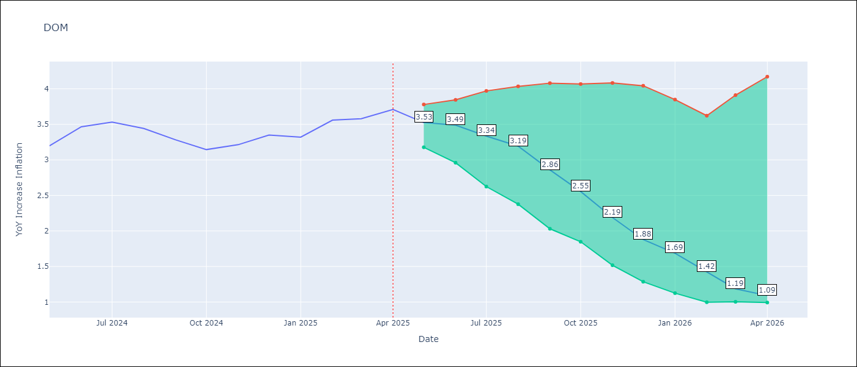

Test Metrics
RMSE | 3.15
Naive RMSE | 0.65
MAPE | 37.1%

Test Predictions
Date | Predicted | Actual
2024-06-01 | 3.19 | 3.2
2024-07-01 | 3 | 3.47
2024-08-01 | 2.71 | 3.53
2024-09-01 | 2.52 | 3.44
2024-10-01 | 2.38 | 3.28
2024-11-01 | 2.23 | 3.15
2024-12-01 | 1.92 | 3.21
2025-01-01 | 1.66 | 3.35
2025-02-01 | 1.56 | 3.32
2025-03-01 | 1.51 | 3.56
2025-04-01 | 1.42 | 3.58
2025-05-01 | 1.38 | 3.71

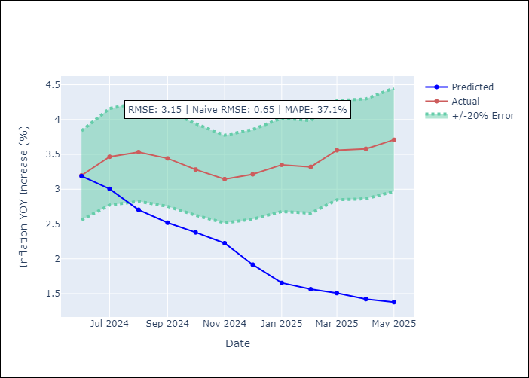
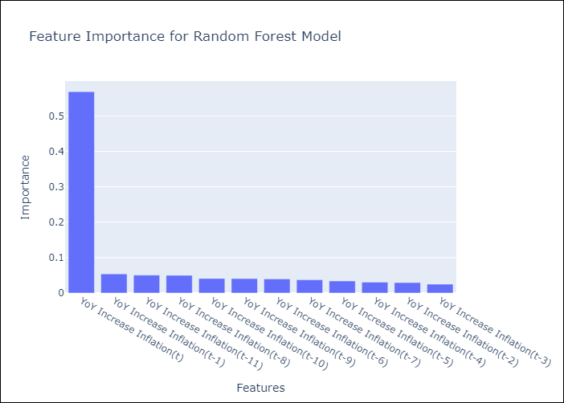

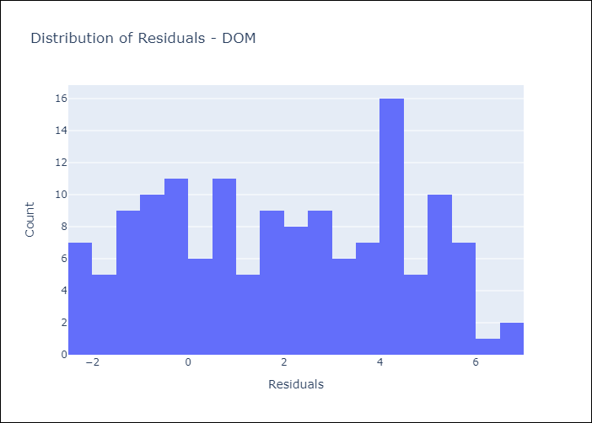
Appendix A: Model Summary
Model | Random Forest w/ Lags
Sample | 1994-01-01 to 2025-04-01
No. of Observations | 376
Residuals
Mean | 1.9330606815
St Dev | 2.4913978867
Kurtosis | -1.1891048353
Skewness | 0.018768233903

Assumptions | P-value

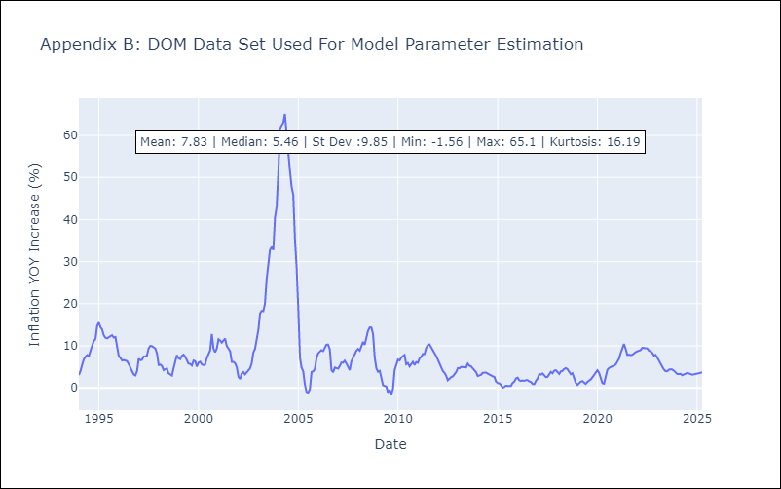

Appendix C: Residuals Analysis
Mean

GTM
GTM - Inflation - Next 12 months forecast as of: 2025-04-01

Model | Random Forest w/ Lags - [(1, 1, 0), (0, 0, 2, 12)]
Training Data | 1994-07-01 to 2024-05-01
Test Data | 2024-05-01 to 2025-04-01

Date | Inflation Change YoY % | Lower Bound - 95% Confidence Interval | Upper Bound - 95% Confidence Interval
2025-05-01 | 2.28 | 2.1 | 2.67
2025-06-01 | 2.57 | 2.32 | 3.1
2025-07-01 | 3.04 | 2.69 | 3.54
2025-08-01 | 3.63 | 3.08 | 3.98
2025-09-01 | 4.2 | 3.56 | 4.36
2025-10-01 | 4.45 | 3.89 | 4.61
2025-11-01 | 4.59 | 4.16 | 4.82
2025-12-01 | 4.69 | 4.31 | 4.94
2026-01-01 | 4.82 | 4.36 | 5.03
2026-02-01 | 4.9 | 4.53 | 5.17
2026-03-01 | 4.93 | 4.61 | 5.19
2026-04-01 | 4.87 | 4.52 | 5

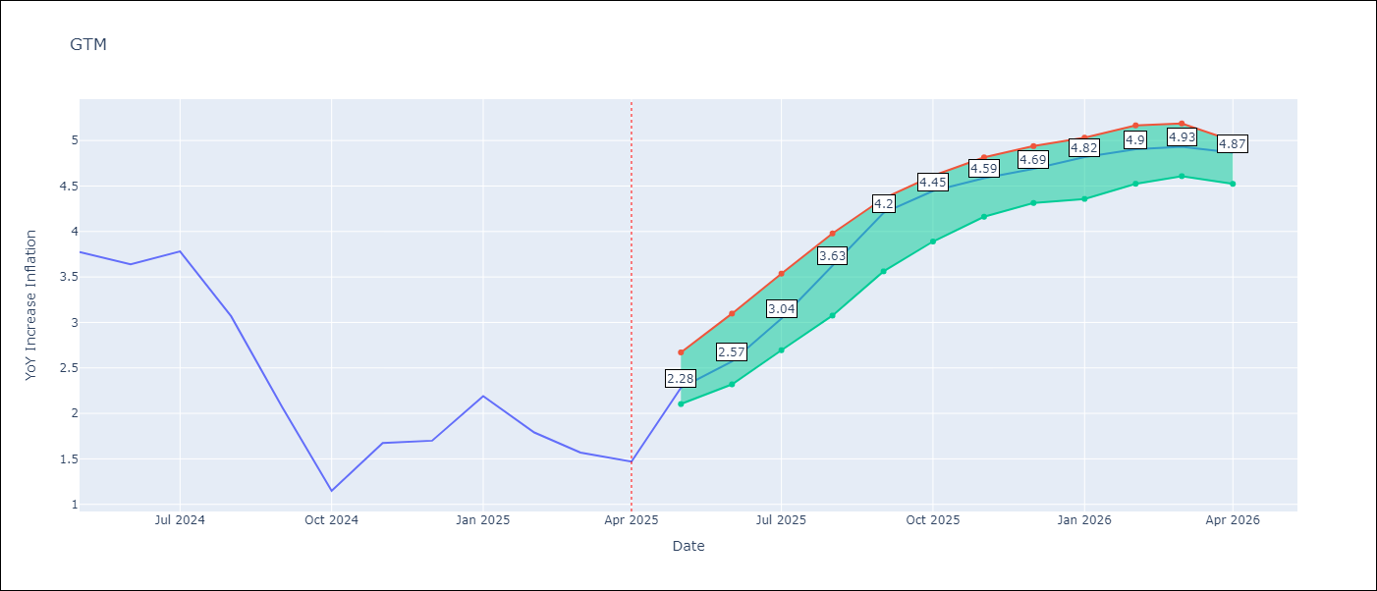

Test Metrics
RMSE | 2.15
Naive RMSE | 1.45
MAPE | 119.89%

Test Predictions
Date | Predicted | Actual
2024-06-01 | 3.3 | 3.77
2024-07-01 | 3.65 | 3.64
2024-08-01 | 4.06 | 3.78
2024-09-01 | 4.11 | 3.07
2024-10-01 | 4.1 | 2.07
2024-11-01 | 4.27 | 1.15
2024-12-01 | 4.51 | 1.67
2025-01-01 | 4.57 | 1.7
2025-02-01 | 4.53 | 2.19
2025-03-01 | 4.63 | 1.79
2025-04-01 | 4.65 | 1.57
2025-05-01 | 4.63 | 1.47

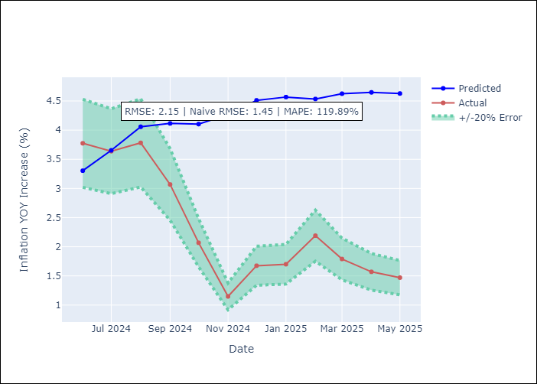
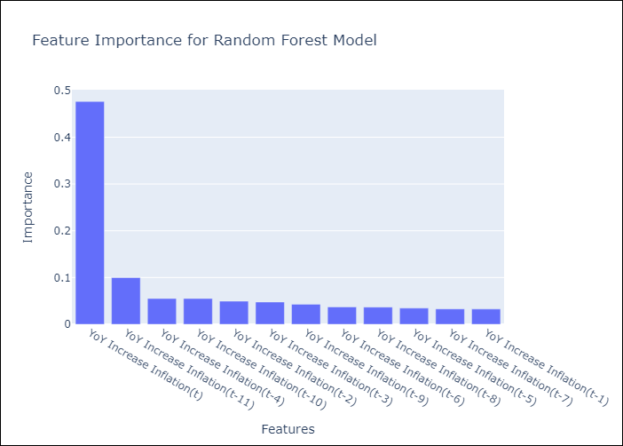

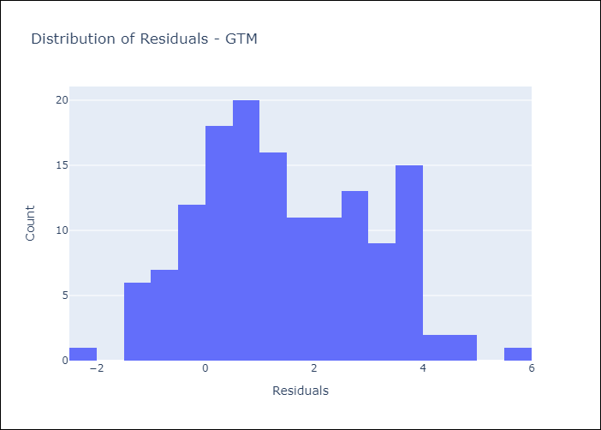
Appendix A: Model Summary
Model | Random Forest w/ Lags
Sample | 1994-07-01 to 2025-04-01
No. of Observations | 370
Residuals
Mean | 1.4610304563
St Dev | 1.5741944151
Kurtosis | -0.67613200319
Skewness | 0.21917150452

Assumptions | P-value

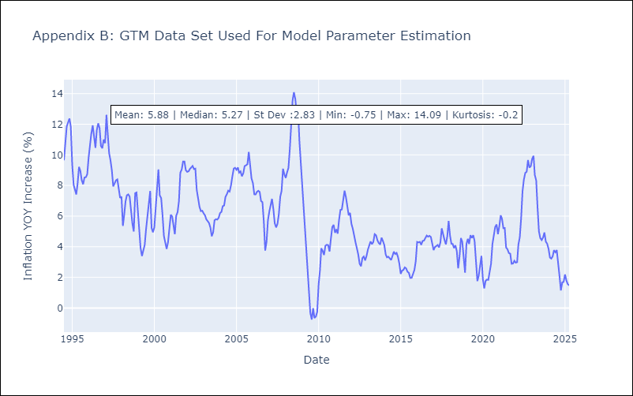

Appendix C: Residuals Analysis
Mean

HND
HND - Inflation - Next 12 months forecast as of: 2025-04-01

Model | Random Forest w/ Lags - [(2, 0, 1), (0, 0, 2, 12)]
Training Data | 1994-07-01 to 2024-05-01
Test Data | 2024-05-01 to 2025-04-01

Date | Inflation Change YoY % | Lower Bound - 95% Confidence Interval | Upper Bound - 95% Confidence Interval
2025-05-01 | 4.5 | 4.25 | 5.17
2025-06-01 | 4.4 | 4.07 | 5.1
2025-07-01 | 4.28 | 4 | 5.08
2025-08-01 | 4.32 | 4.02 | 5.03
2025-09-01 | 4.36 | 4.19 | 5.05
2025-10-01 | 4.46 | 4.26 | 5.17
2025-11-01 | 4.55 | 4.2 | 5.45
2025-12-01 | 4.48 | 4.05 | 5.55
2026-01-01 | 4.42 | 4 | 5.55
2026-02-01 | 4.33 | 3.96 | 5.42
2026-03-01 | 4.3 | 3.95 | 5.35
2026-04-01 | 4.36 | 4.01 | 5.27

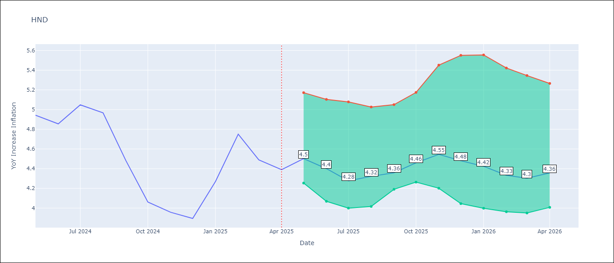

Test Metrics
RMSE | 1.18
Naive RMSE | 0.79
MAPE | 34.27%

Test Predictions
Date | Predicted | Actual
2024-06-01 | 5.2 | 4.94
2024-07-01 | 5.38 | 4.86
2024-08-01 | 5.63 | 5.05
2024-09-01 | 5.85 | 4.97
2024-10-01 | 5.9 | 4.48
2024-11-01 | 5.84 | 4.06
2024-12-01 | 5.85 | 3.96
2025-01-01 | 6.02 | 3.89
2025-02-01 | 6.22 | 4.27
2025-03-01 | 6.48 | 4.75
2025-04-01 | 6.77 | 4.49
2025-05-01 | 6.81 | 4.39

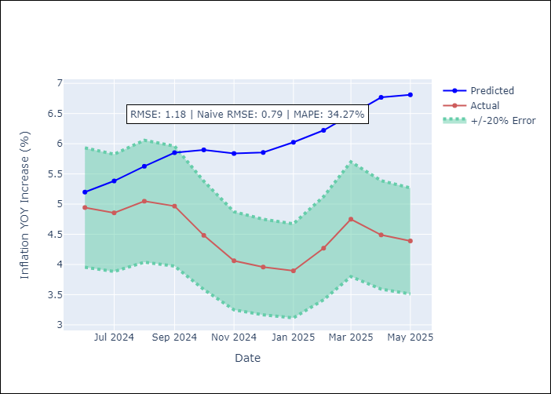
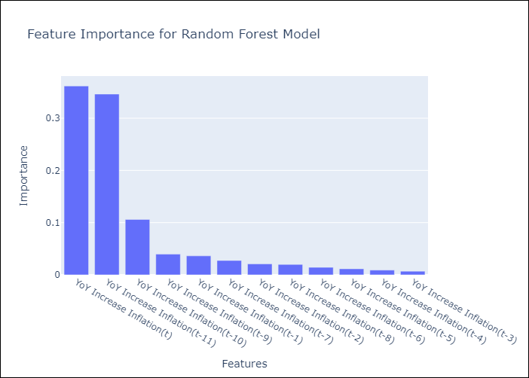

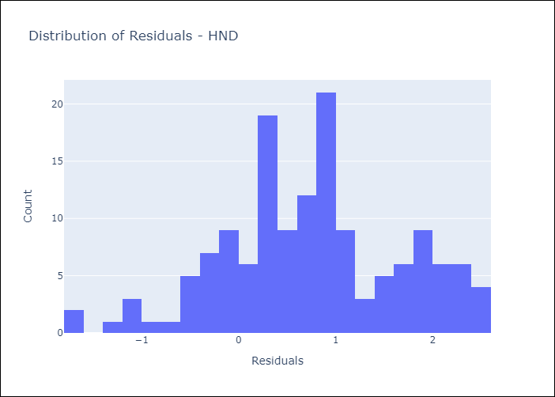
Appendix A: Model Summary
Model | Random Forest w/ Lags
Sample | 1994-07-01 to 2025-04-01
No. of Observations | 370
Residuals
Mean | 0.7517618641
St Dev | 0.90501568973
Kurtosis | -0.23631003446
Skewness | -0.082551531852

Assumptions | P-value

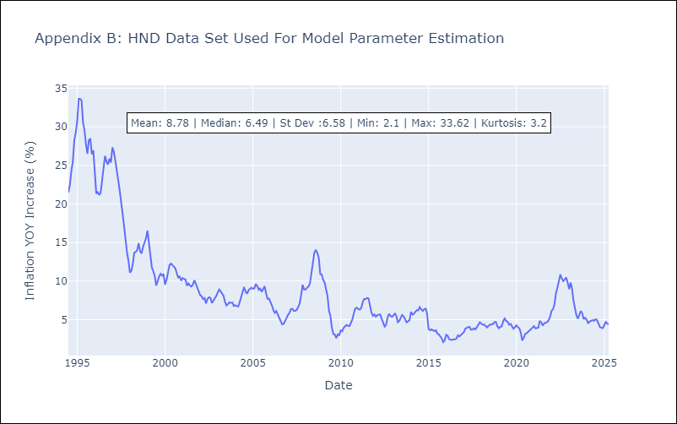

Appendix C: Residuals Analysis
Mean

HTI
HTI - Inflation - Next 12 months forecast as of: 2024-03-01

Model | Random Forest w/ Lags - [(2, 0, 1), (3, 0, 0, 12)]
Training Data | 1998-01-01 to 2023-04-01
Test Data | 2023-04-01 to 2024-03-01

Date | Inflation Change YoY % | Lower Bound - 95% Confidence Interval | Upper Bound - 95% Confidence Interval
2024-04-01 | 25.01 | 23.15 | 29.13
2024-05-01 | 23.84 | 21.88 | 26.88
2024-06-01 | 22.82 | 20.61 | 26.22
2024-07-01 | 21.93 | 19.39 | 25.65
2024-08-01 | 21.08 | 18.66 | 24.89
2024-09-01 | 20.41 | 17.7 | 24.75
2024-10-01 | 19.78 | 16.82 | 24.19
2024-11-01 | 18.95 | 16.46 | 23.83
2024-12-01 | 17.71 | 15.7 | 23.23
2025-01-01 | 16.15 | 14.62 | 22.7
2025-02-01 | 15.01 | 13.48 | 22.38
2025-03-01 | 14.21 | 12.91 | 21.76

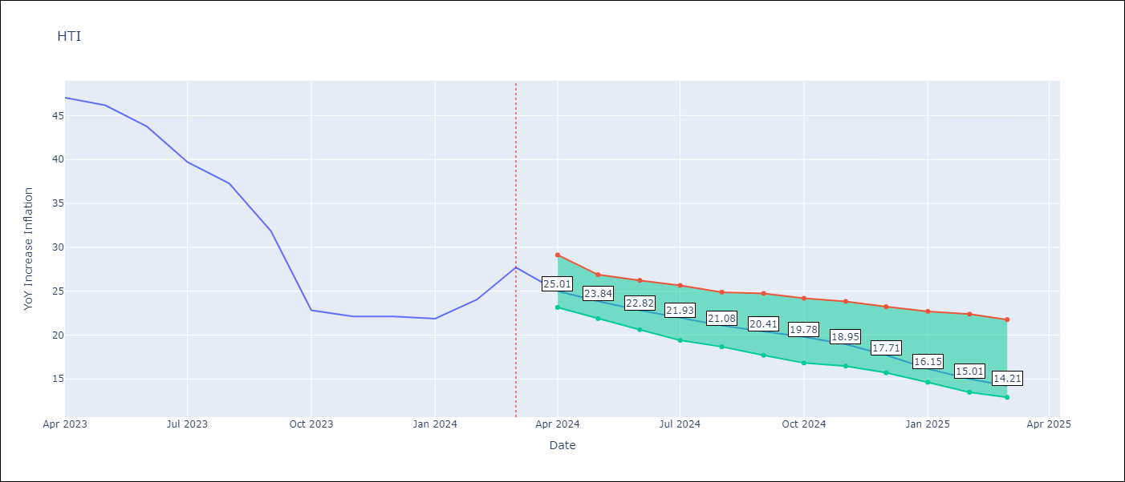

Test Metrics
RMSE | 19.33
Naive RMSE | 14.65
MAPE | 22.17%

Test Predictions
Date | Predicted | Actual
2023-05-01 | 32.86 | 47.04
2023-06-01 | 28.65 | 46.18
2023-07-01 | 25.62 | 43.75
2023-08-01 | 23.95 | 39.71
2023-09-01 | 23.19 | 37.27
2023-10-01 | 23 | 31.86
2023-11-01 | 22.75 | 22.83
2023-12-01 | 22.3 | 22.12
2024-01-01 | 21.67 | 22.12
2024-02-01 | 20.97 | 21.87
2024-03-01 | 20.29 | 24.04
2024-04-01 | 19.86 | 27.7

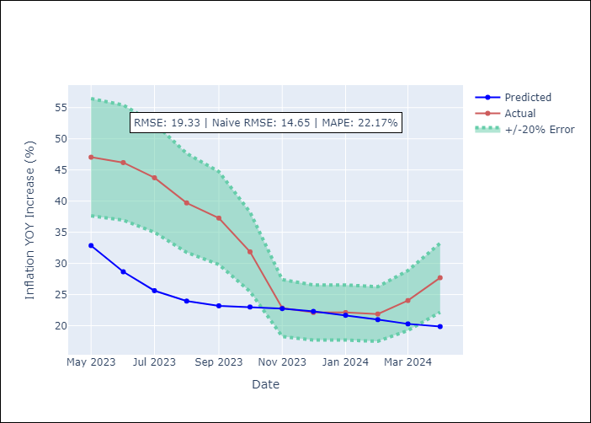


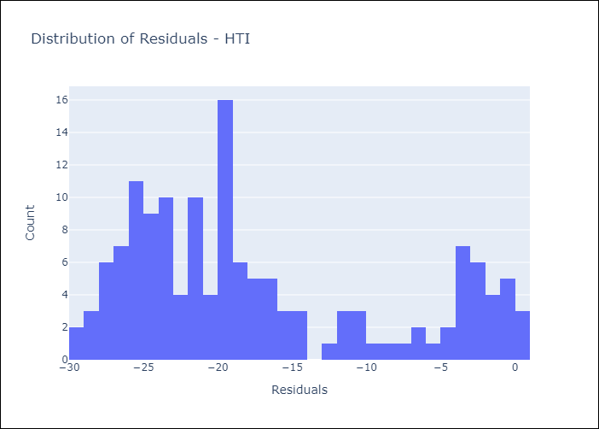
Appendix A: Model Summary
Model | Random Forest w/ Lags
Sample | 1998-01-01 to 2024-03-01
No. of Observations | 315
Residuals
Mean | -17.230592793
St Dev | 8.766309314
Kurtosis | -0.8084091252
Skewness | 0.71414715811

Assumptions | P-value

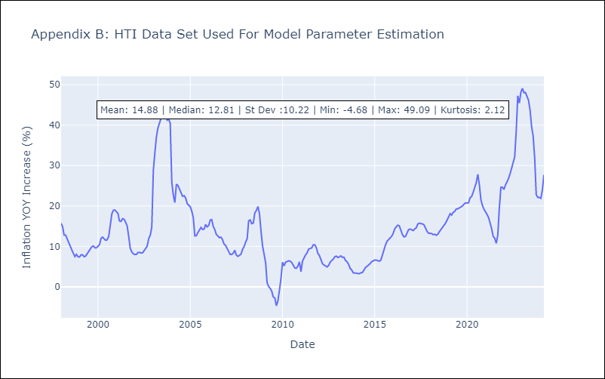

Appendix C: Residuals Analysis
Mean

MEX
MEX - Inflation - Next 12 months forecast as of: 2025-04-01

Model | Random Forest w/ Lags - [(3, 1, 1), (0, 0, 2, 12)]
Training Data | 1992-01-01 to 2024-05-01
Test Data | 2024-05-01 to 2025-04-01

Date | Inflation Change YoY % | Lower Bound - 95% Confidence Interval | Upper Bound - 95% Confidence Interval
2025-05-01 | 3.98 | 3.76 | 4.06
2025-06-01 | 3.98 | 3.64 | 4.09
2025-07-01 | 3.91 | 3.5 | 4.07
2025-08-01 | 3.83 | 3.45 | 3.98
2025-09-01 | 3.8 | 3.36 | 3.98
2025-10-01 | 3.76 | 3.4 | 4.05
2025-11-01 | 3.82 | 3.48 | 4.14
2025-12-01 | 3.97 | 3.58 | 4.28
2026-01-01 | 4.07 | 3.6 | 4.5
2026-02-01 | 4.11 | 3.46 | 4.52
2026-03-01 | 4.18 | 3.51 | 4.54
2026-04-01 | 4.19 | 3.65 | 4.62

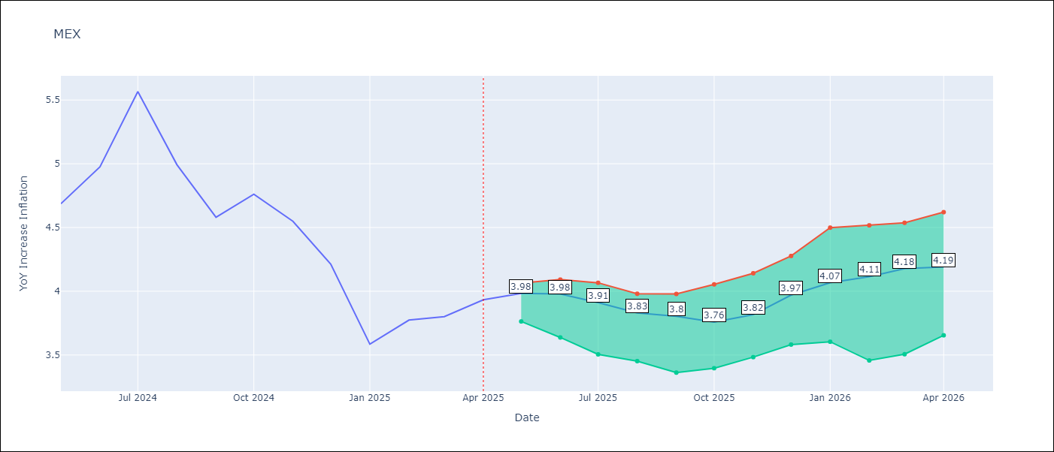

Test Metrics
RMSE | 1.07
Naive RMSE | 0.6
MAPE | 10.95%

Test Predictions
Date | Predicted | Actual
2024-06-01 | 4.37 | 4.69
2024-07-01 | 4.25 | 4.98
2024-08-01 | 4.17 | 5.57
2024-09-01 | 4.12 | 4.99
2024-10-01 | 4.09 | 4.58
2024-11-01 | 4.09 | 4.76
2024-12-01 | 4.01 | 4.55
2025-01-01 | 3.86 | 4.21
2025-02-01 | 3.75 | 3.59
2025-03-01 | 3.7 | 3.77
2025-04-01 | 3.61 | 3.8
2025-05-01 | 3.52 | 3.93

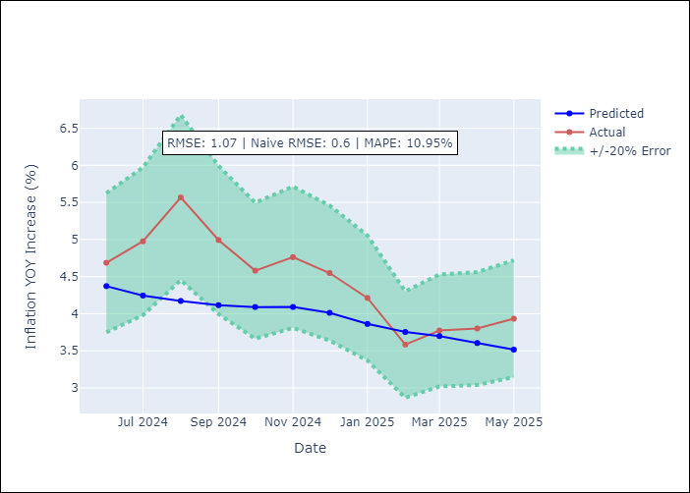
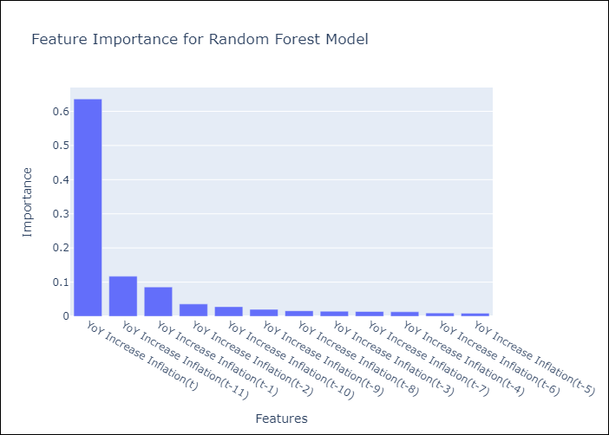

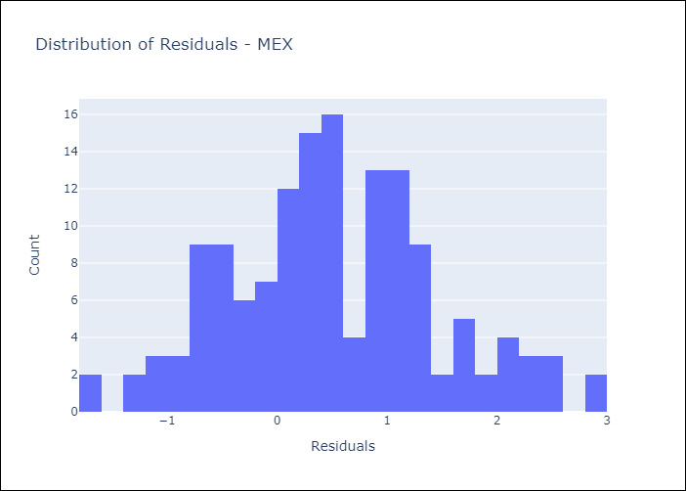
Appendix A: Model Summary
Model | Random Forest w/ Lags
Sample | 1992-01-01 to 2025-04-01
No. of Observations | 400
Residuals
Mean | 0.50026853897
St Dev | 0.94748943312
Kurtosis | -0.18180702946
Skewness | 0.18695506392

Assumptions | P-value

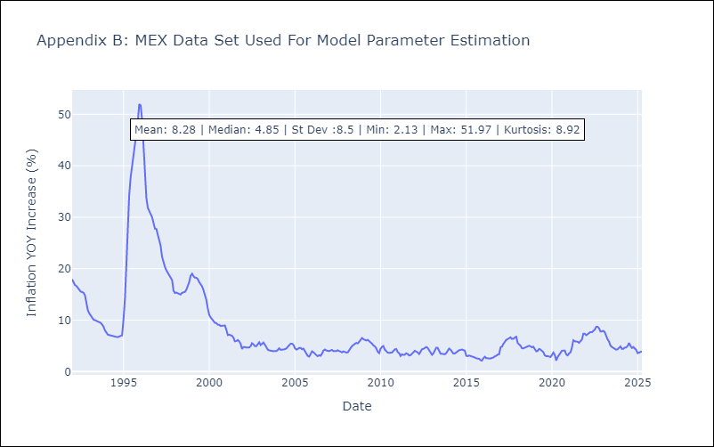

Appendix C: Residuals Analysis
Mean

NIC
NIC - Inflation - Next 12 months forecast as of: 2025-04-01

Model | Random Forest w/ Lags - [(1, 1, 0), (2, 0, 1, 12)]
Training Data | 2012-12-01 to 2024-04-01
Test Data | 2024-04-01 to 2025-04-01

Date | Inflation Change YoY % | Lower Bound - 95% Confidence Interval | Upper Bound - 95% Confidence Interval
2025-05-01 | 3.18 | 3.03 | 3.42
2025-06-01 | 3.47 | 3.21 | 3.76
2025-07-01 | 3.71 | 3.42 | 4.05
2025-08-01 | 3.91 | 3.57 | 4.24
2025-09-01 | 4.08 | 3.67 | 4.36
2025-10-01 | 4.23 | 3.73 | 4.52
2025-11-01 | 4.35 | 3.86 | 4.58
2025-12-01 | 4.44 | 4 | 4.87
2026-01-01 | 4.66 | 4.12 | 5.25
2026-02-01 | 5.01 | 4.23 | 5.48
2026-03-01 | 5.38 | 4.31 | 5.87
2026-04-01 | 5.69 | 4.45 | 6.2

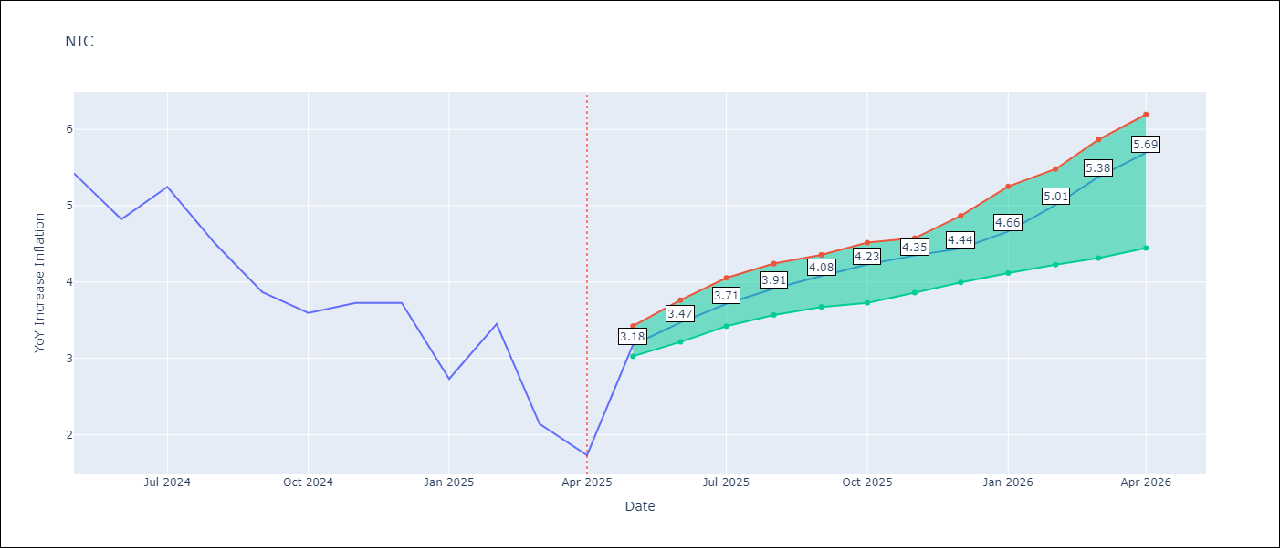

Test Metrics
RMSE | 1.99
Naive RMSE | 2.33
MAPE | 64.82%

Test Predictions
Date | Predicted | Actual
2024-05-01 | 5.26 | 5.42
2024-06-01 | 5.42 | 5.43
2024-07-01 | 5.6 | 4.82
2024-08-01 | 5.73 | 5.25
2024-09-01 | 5.87 | 4.51
2024-10-01 | 5.99 | 3.87
2024-11-01 | 6.13 | 3.59
2024-12-01 | 5.92 | 3.73
2025-01-01 | 5.67 | 2.73
2025-02-01 | 5.54 | 3.45
2025-03-01 | 5.56 | 2.14
2025-04-01 | 5.31 | 1.73

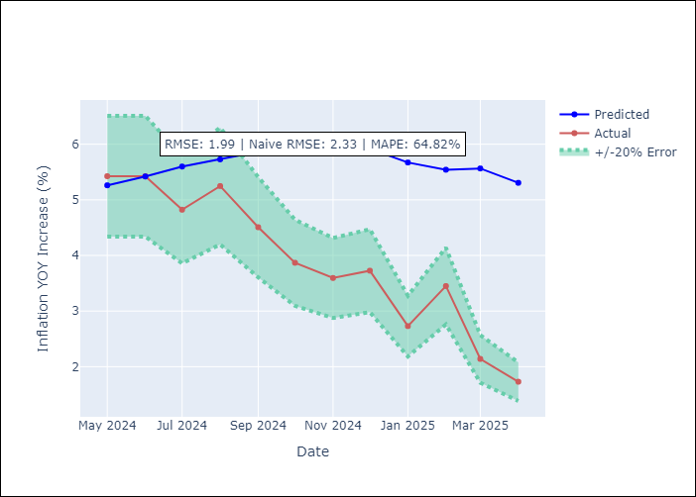
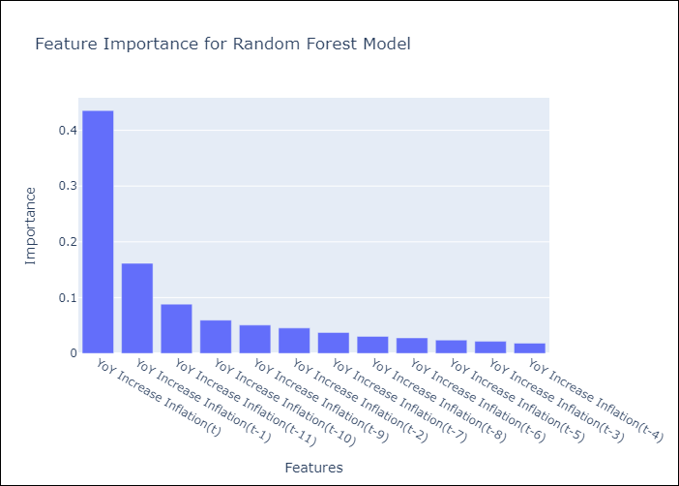

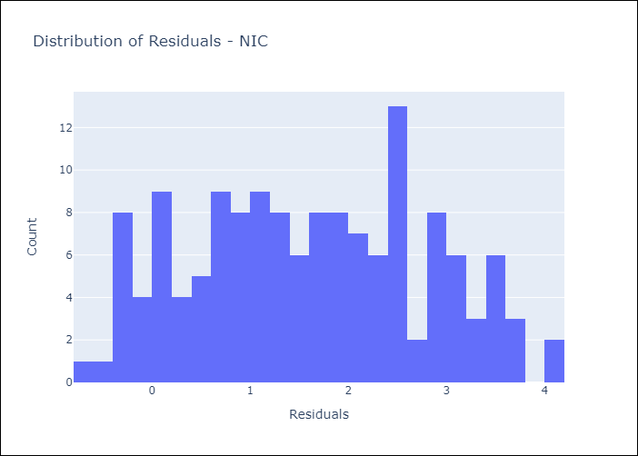
Appendix A: Model Summary
Model | Random Forest w/ Lags
Sample | 2012-12-01 to 2025-04-01
No. of Observations | 148
Residuals
Mean | 1.6034749069
St Dev | 1.1722883615
Kurtosis | -0.93619030999
Skewness | 0.053006073967

Assumptions | P-value

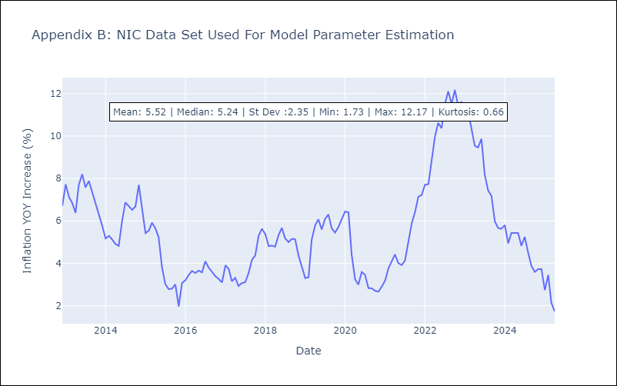

Appendix C: Residuals Analysis
Mean

PAN
PAN - Inflation - Next 12 months forecast as of: 2025-04-01

Model | Random Forest w/ Lags - [(2, 1, 1), (2, 0, 1, 12)]
Training Data | 1994-07-01 to 2024-05-01
Test Data | 2024-05-01 to 2025-04-01

Date | Inflation Change YoY % | Lower Bound - 95% Confidence Interval | Upper Bound - 95% Confidence Interval
2025-05-01 | -0.34 | -0.59 | -0.06
2025-06-01 | -0.39 | -0.64 | -0.08
2025-07-01 | -0.28 | -0.58 | 0
2025-08-01 | -0.2 | -0.38 | 0.11
2025-09-01 | -0.06 | -0.45 | 0.4
2025-10-01 | -0.17 | -0.76 | 0.32
2025-11-01 | -0.57 | -1.12 | 0.14
2025-12-01 | -1.24 | -1.77 | -0.05
2026-01-01 | -1.54 | -2.19 | 0.03
2026-02-01 | -1.31 | -2.13 | 0.2
2026-03-01 | -1.29 | -2.08 | 0.35
2026-04-01 | -1.13 | -2.02 | 0.43

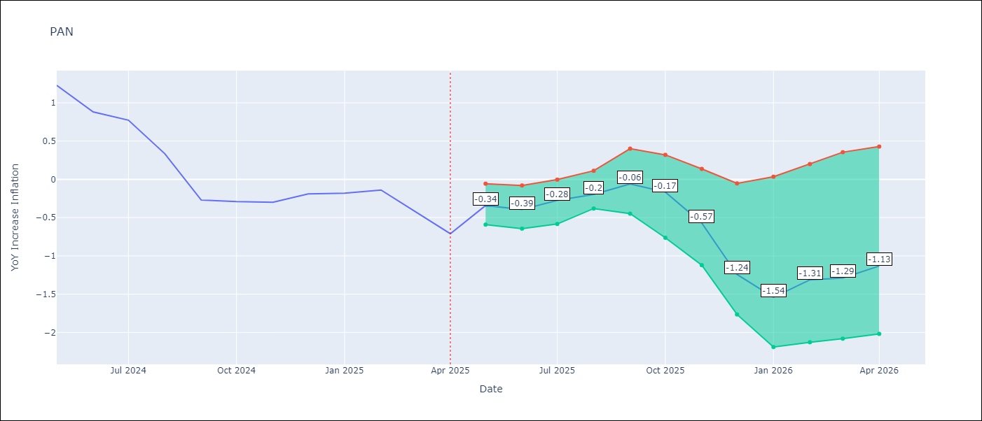

Test Metrics
RMSE | 1.03
Naive RMSE | 1.45
MAPE | 213.69%

Test Predictions
Date | Predicted | Actual
2024-06-01 | 1.48 | 1.23
2024-07-01 | 1.35 | 0.88
2024-08-01 | 0.98 | 0.77
2024-09-01 | 0.86 | 0.33
2024-10-01 | 0.59 | -0.27
2024-11-01 | 0.39 | -0.29
2024-12-01 | 0.1 | -0.3
2025-01-01 | 0.38 | -0.19
2025-02-01 | 0.56 | -0.18
2025-03-01 | 0.52 | -0.14
2025-04-01 | 0.61 | -0.41
2025-05-01 | 0.65 | -0.71

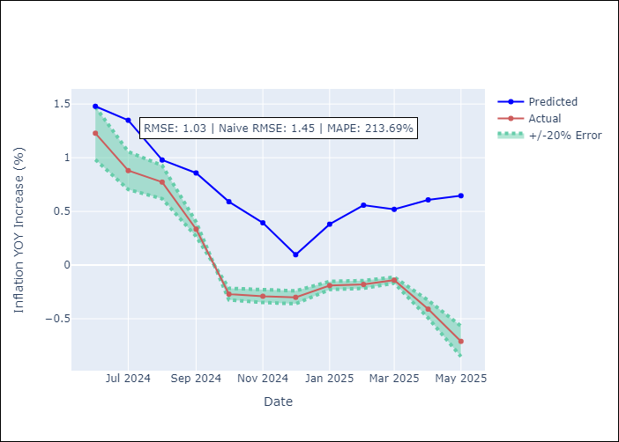
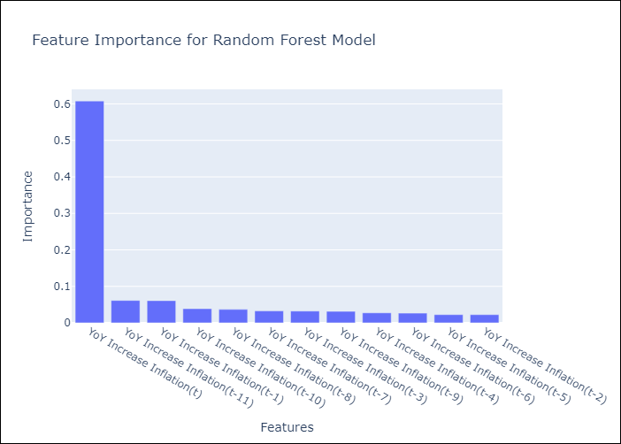

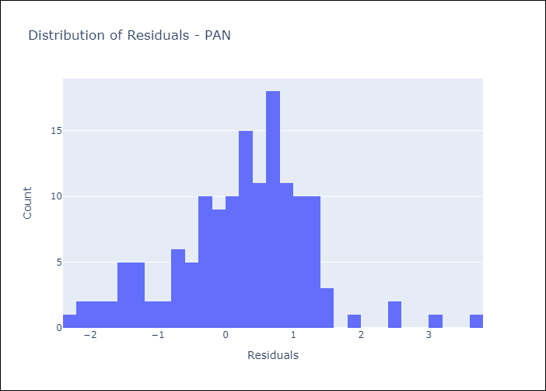
Appendix A: Model Summary
Model | Random Forest w/ Lags
Sample | 1994-07-01 to 2025-04-01
No. of Observations | 370
Residuals
Mean | 0.2269532909
St Dev | 1.0033868492
Kurtosis | 0.83129709145
Skewness | -0.086317853129

Assumptions | P-value

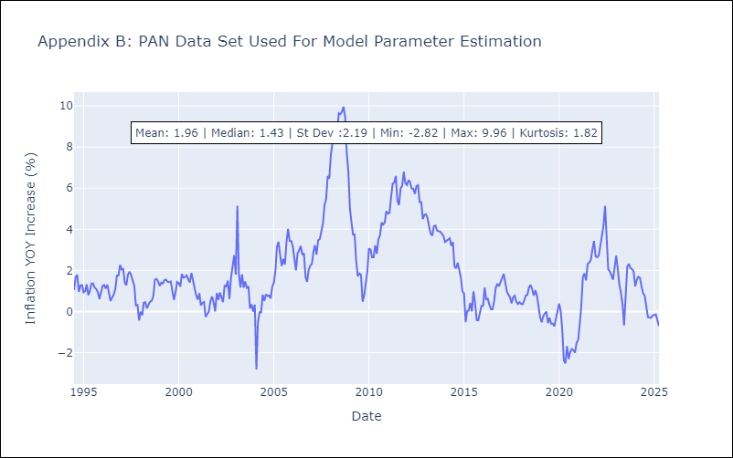

Appendix C: Residuals Analysis
Mean

SLV
SLV - Inflation - Next 12 months forecast as of: 2025-04-01

Model | Random Forest w/ Lags - [(1, 1, 0), (2, 0, 1, 12)]
Training Data | 1994-07-01 to 2024-05-01
Test Data | 2024-05-01 to 2025-04-01

Date | Inflation Change YoY % | Lower Bound - 95% Confidence Interval | Upper Bound - 95% Confidence Interval
2025-05-01 | -0.52 | -0.64 | 0.23
2025-06-01 | -0.68 | -0.78 | 0.18
2025-07-01 | -0.67 | -0.8 | 0.36
2025-08-01 | -0.43 | -0.64 | 0.52
2025-09-01 | -0.06 | -0.19 | 0.75
2025-10-01 | 0.13 | 0.03 | 1
2025-11-01 | 0.19 | 0 | 1.06
2025-12-01 | 0.31 | -0.06 | 1.19
2026-01-01 | 0.35 | -0.15 | 1.35
2026-02-01 | 0.42 | -0.05 | 1.44
2026-03-01 | 0.61 | 0.17 | 1.52
2026-04-01 | 0.71 | 0.35 | 1.58

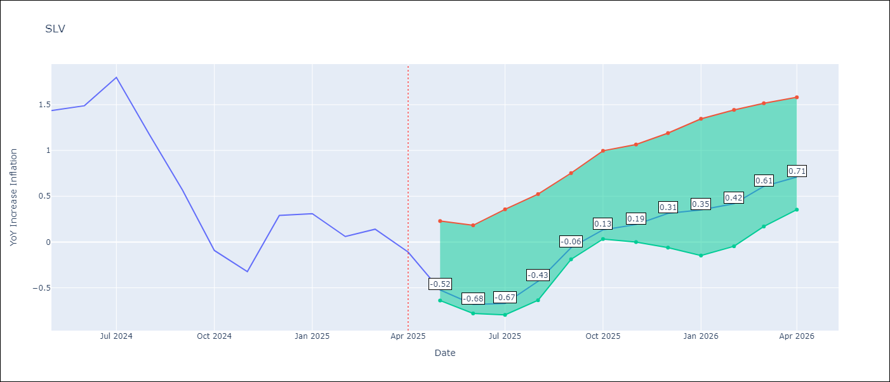

Test Metrics
RMSE | 0.99
Naive RMSE | 1.51
MAPE | 680.79%

Test Predictions
Date | Predicted | Actual
2024-06-01 | 1.16 | 1.44
2024-07-01 | 1.28 | 1.49
2024-08-01 | 1.31 | 1.8
2024-09-01 | 1.33 | 1.17
2024-10-01 | 1.38 | 0.57
2024-11-01 | 1.27 | -0.09
2024-12-01 | 1.18 | -0.32
2025-01-01 | 1.35 | 0.29
2025-02-01 | 1.62 | 0.31
2025-03-01 | 1.7 | 0.06
2025-04-01 | 1.57 | 0.14
2025-05-01 | 1.49 | -0.11

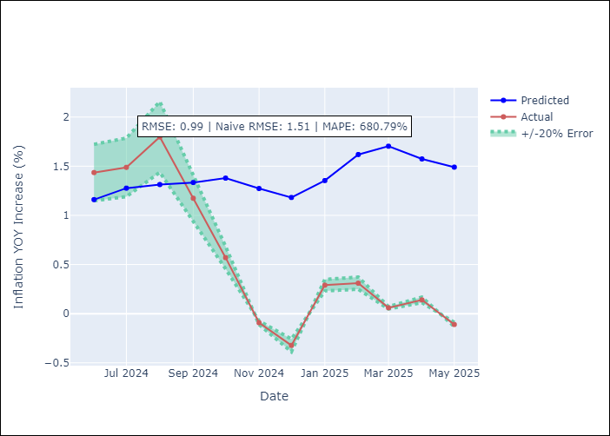
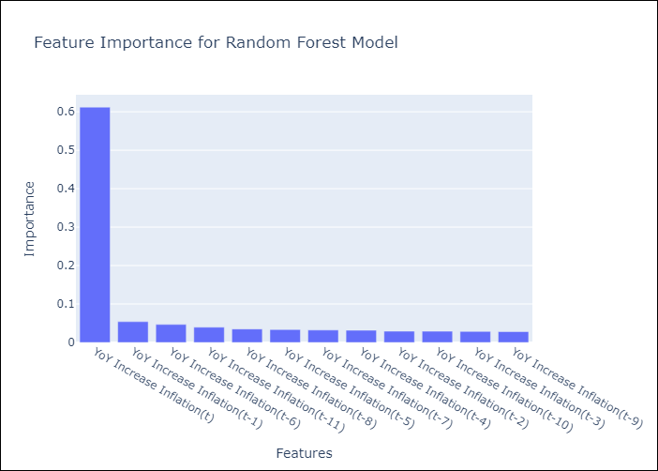

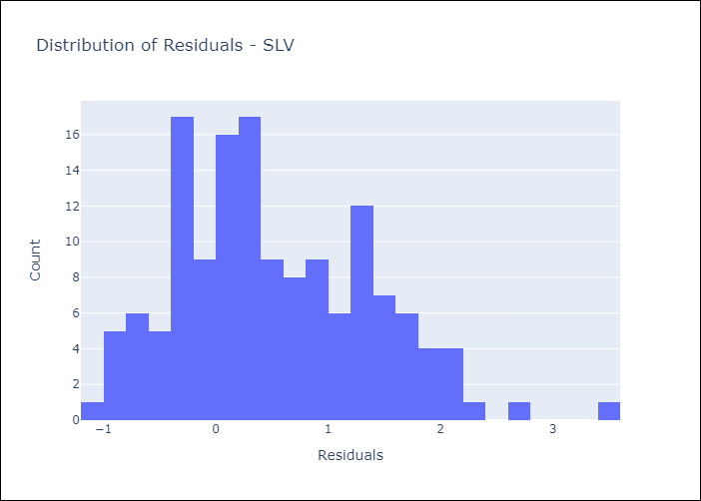
Appendix A: Model Summary
Model | Random Forest w/ Lags
Sample | 1994-07-01 to 2025-04-01
No. of Observations | 370
Residuals
Mean | 0.51653767937
St Dev | 0.84616494441
Kurtosis | -0.061394742729
Skewness | 0.51313538684

Assumptions | P-value

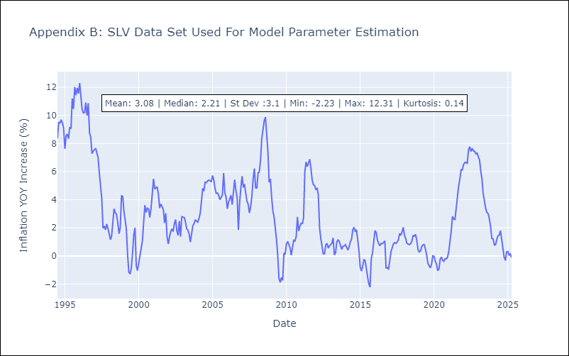

Appendix C: Residuals Analysis
Mean

