ATG
ATG - Inflation - Next 12 months forecast as of: 2025-01-01

Model | Random Forest w/ Lags - [(0, 1, 1), (0, 0, 1, 12)]
Training Data | 2004-01-01 to 2024-02-01
Test Data | 2024-02-01 to 2025-01-01

Date | Inflation Change YoY % | Lower Bound - 95% Confidence Interval | Upper Bound - 95% Confidence Interval
2025-02-01 | 0.82 | -0.01 | 2.14
2025-03-01 | 0.36 | -0.57 | 2.33
2025-04-01 | 0.45 | -0.54 | 2.48
2025-05-01 | 0.24 | -0.86 | 2.82
2025-06-01 | 0.04 | -1.22 | 2.99
2025-07-01 | 0.14 | -1.2 | 3.59
2025-08-01 | 0.02 | -1.4 | 3.34
2025-09-01 | 0.38 | -0.84 | 3.33
2025-10-01 | 0.82 | -0.21 | 3.51
2025-11-01 | 1.36 | 0.37 | 3.39
2025-12-01 | 1.6 | 0.44 | 3.81
2026-01-01 | 2.73 | 1.79 | 4.33

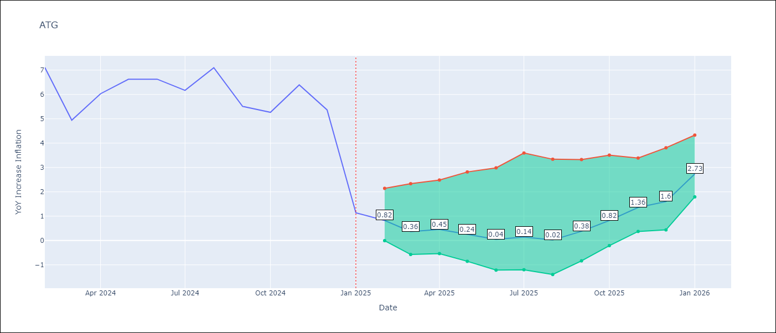

Test Metrics
RMSE | 4.27
Naive RMSE | 2.27
MAPE | 45.51%

Test Predictions
Date | Predicted | Actual
2024-03-01 | 6.32 | 7.11
2024-04-01 | 5.84 | 4.94
2024-05-01 | 5.24 | 6.03
2024-06-01 | 4.79 | 6.62
2024-07-01 | 4.21 | 6.63
2024-08-01 | 3.65 | 6.17
2024-09-01 | 3.44 | 7.1
2024-10-01 | 3.3 | 5.51
2024-11-01 | 2.68 | 5.27
2024-12-01 | 2.32 | 6.39
2025-01-01 | 2.45 | 5.37
2025-02-01 | 2.73 | 1.14

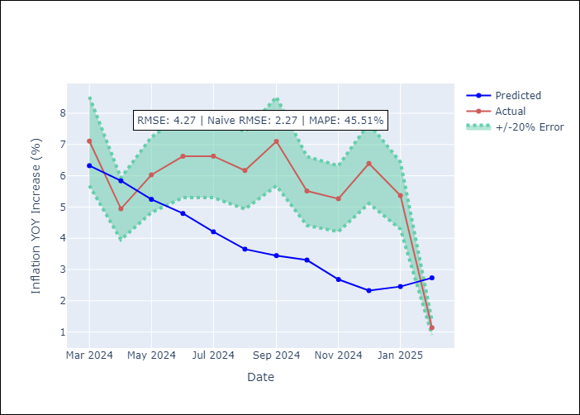
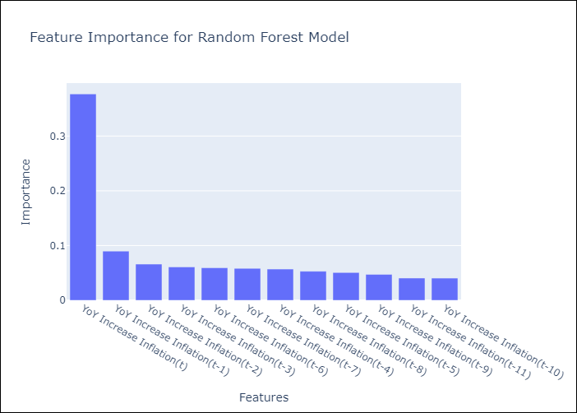

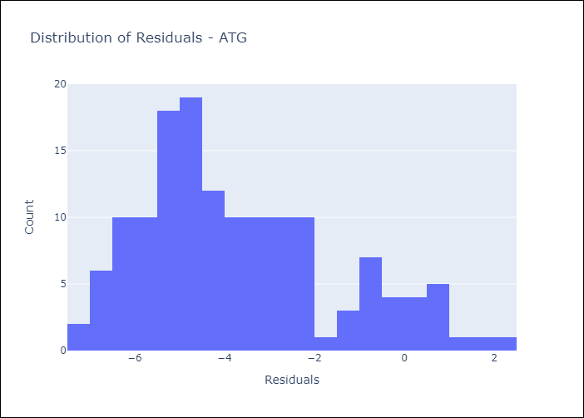
Appendix A: Model Summary
Model | Random Forest w/ Lags
Sample | 2004-01-01 to 2025-01-01
No. of Observations | 253
Residuals
Mean | -3.6896668619
St Dev | 2.1506901313
Kurtosis | -0.30590867662
Skewness | 0.67264292119

Assumptions | P-value

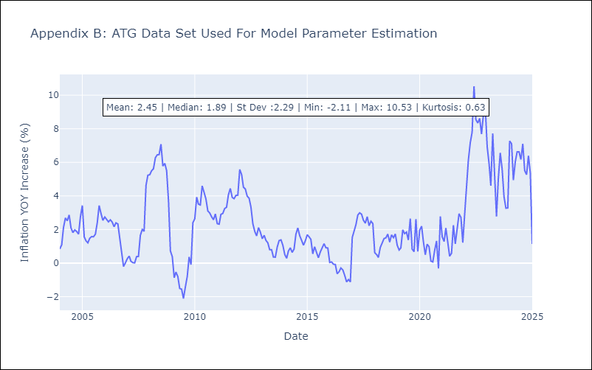

Appendix C: Residuals Analysis
Mean

BHS
BHS - Inflation - Next 12 months forecast as of: 2025-02-01

Model | Random Forest w/ Lags - [(1, 0, 0), (3, 0, 1, 12)]
Training Data | 2000-01-01 to 2024-03-01
Test Data | 2024-03-01 to 2025-02-01

Date | Inflation Change YoY % | Lower Bound - 95% Confidence Interval | Upper Bound - 95% Confidence Interval
2025-03-01 | 1.04 | 0.68 | 1.61
2025-04-01 | 1.33 | 0.96 | 2.03
2025-05-01 | 1.48 | 1.08 | 2.04
2025-06-01 | 1.89 | 1.25 | 2.35
2025-07-01 | 1.96 | 1.31 | 2.33
2025-08-01 | 2.03 | 1.35 | 2.51
2025-09-01 | 2.22 | 1.24 | 2.8
2025-10-01 | 2.35 | 1.31 | 2.95
2025-11-01 | 2.42 | 1.34 | 3.15
2025-12-01 | 2.62 | 1.39 | 3.07
2026-01-01 | 2.63 | 1.57 | 3.35
2026-02-01 | 2.65 | 1.65 | 3.32

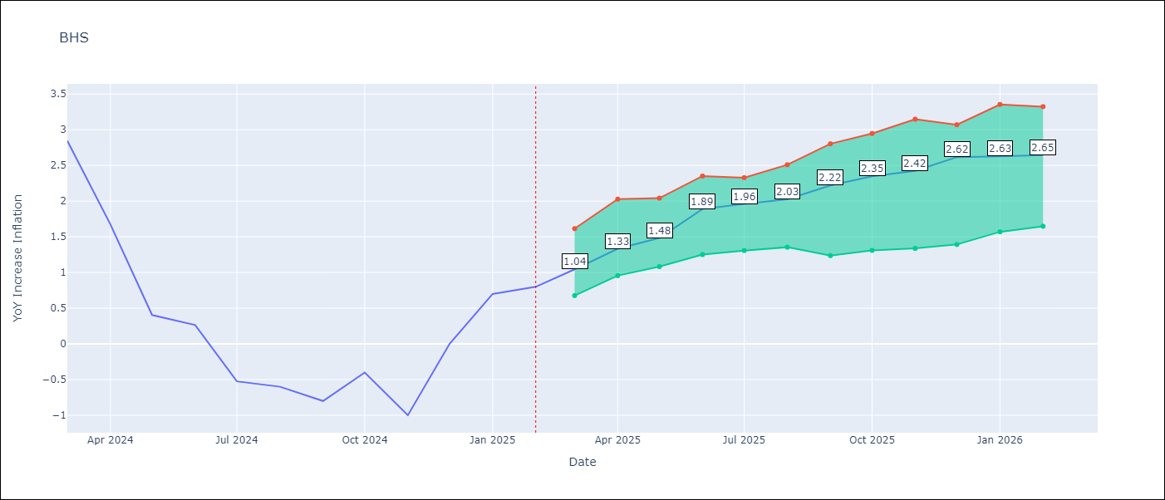

Test Metrics
RMSE | 0.92
Naive RMSE | 1.68
MAPE | inf%

Test Predictions
Date | Predicted | Actual
2024-04-01 | 1.14 | 2.85
2024-05-01 | 0.97 | 1.68
2024-06-01 | 0.66 | 0.4
2024-07-01 | 0.71 | 0.26
2024-08-01 | 0.61 | -0.52
2024-09-01 | 0.58 | -0.6
2024-10-01 | 0.57 | -0.8
2024-11-01 | 0.43 | -0.4
2024-12-01 | 0.51 | -1
2025-01-01 | 0.52 | 0
2025-02-01 | 0.72 | 0.7
2025-03-01 | 0.67 | 0.8

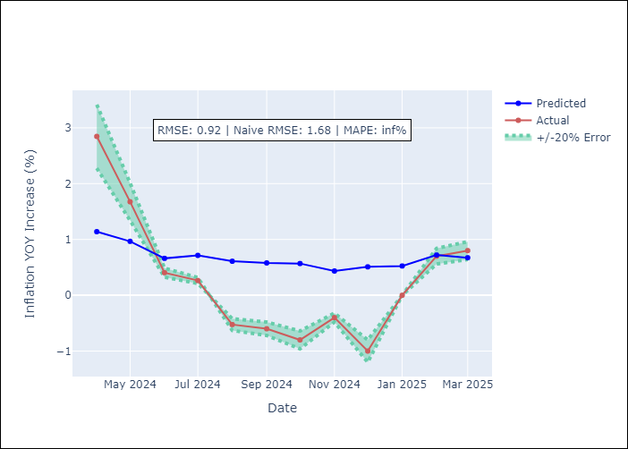
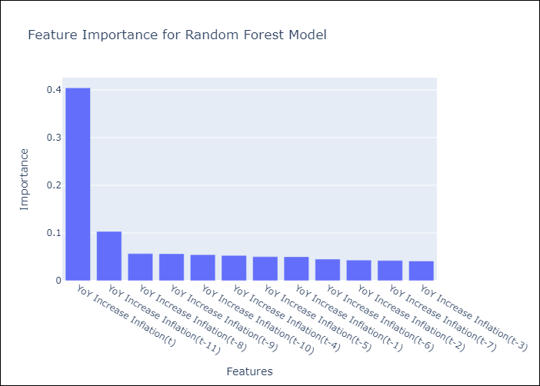

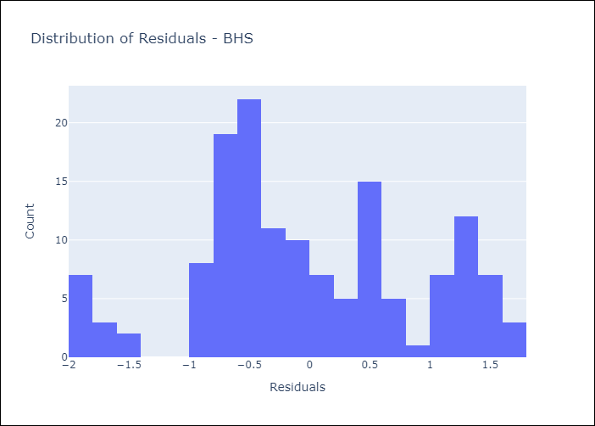
Appendix A: Model Summary
Model | Random Forest w/ Lags
Sample | 2000-01-01 to 2025-02-01
No. of Observations | 302
Residuals
Mean | -0.03264461775
St Dev | 0.92202443277
Kurtosis | -0.61935268948
Skewness | 0.067687195508

Assumptions | P-value

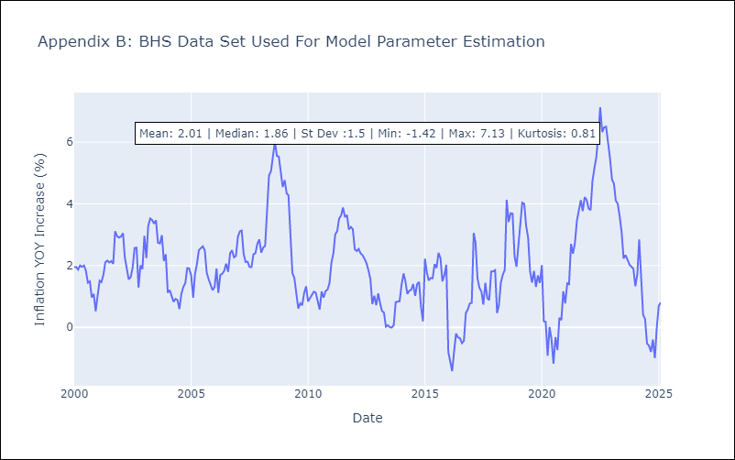

Appendix C: Residuals Analysis
Mean

BLZ
BLZ - Inflation - Next 12 months forecast as of: 2025-03-01

Model | Random Forest w/ Lags - [(2, 0, 0), (1, 0, 0, 12)]
Training Data | 2015-01-01 to 2024-04-01
Test Data | 2024-04-01 to 2025-03-01

Date | Inflation Change YoY % | Lower Bound - 95% Confidence Interval | Upper Bound - 95% Confidence Interval
2025-04-01 | 1.63 | 0.93 | 4.64
2025-05-01 | 1.63 | 0.97 | 4.9
2025-06-01 | 1.67 | 0.81 | 5.03
2025-07-01 | 1.67 | 0.75 | 5.04
2025-08-01 | 1.41 | 0.74 | 5.12
2025-09-01 | 1.35 | 0.81 | 5.19
2025-10-01 | 1.31 | 0.78 | 5.45
2025-11-01 | 1.34 | 0.74 | 5.33
2025-12-01 | 1.36 | 0.51 | 5.16
2026-01-01 | 1.21 | 0.42 | 5.08
2026-02-01 | 1.12 | 0.4 | 5.07
2026-03-01 | 1.11 | 0.44 | 5.05

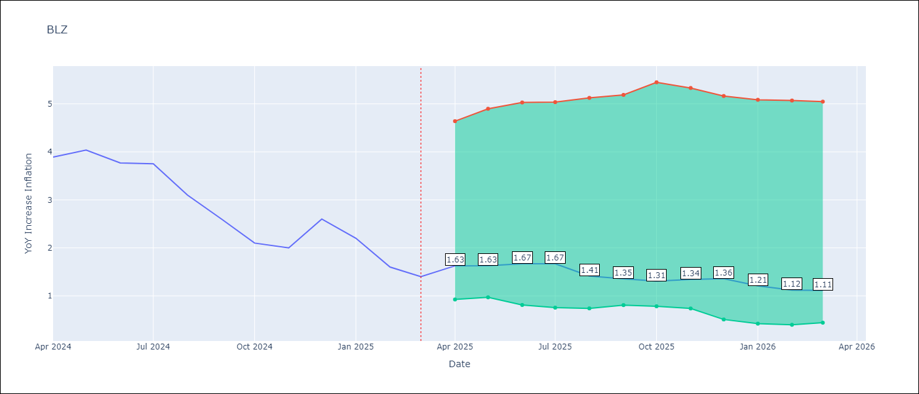

Test Metrics
RMSE | 2.22
Naive RMSE | 0.96
MAPE | 147.95%

Test Predictions
Date | Predicted | Actual
2024-05-01 | 5.88 | 3.89
2024-06-01 | 6.22 | 4.04
2024-07-01 | 6.46 | 3.77
2024-08-01 | 6.59 | 3.75
2024-09-01 | 6.6 | 3.1
2024-10-01 | 6.62 | 2.6
2024-11-01 | 6.52 | 2.1
2024-12-01 | 6.39 | 2
2025-01-01 | 6.14 | 2.6
2025-02-01 | 5.83 | 2.2
2025-03-01 | 5.58 | 1.6
2025-04-01 | 5.27 | 1.4

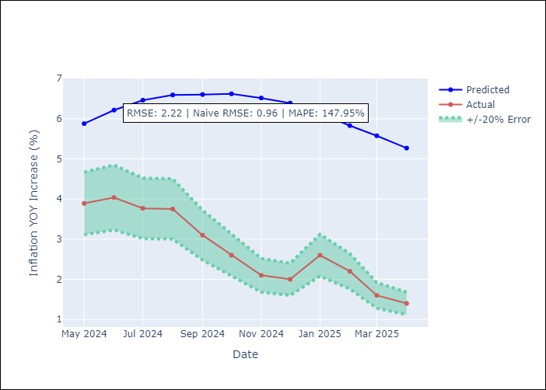
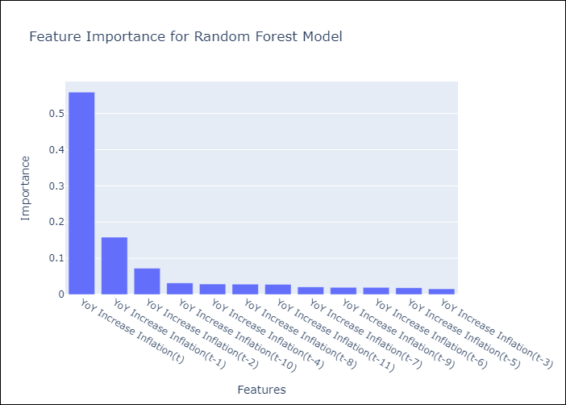

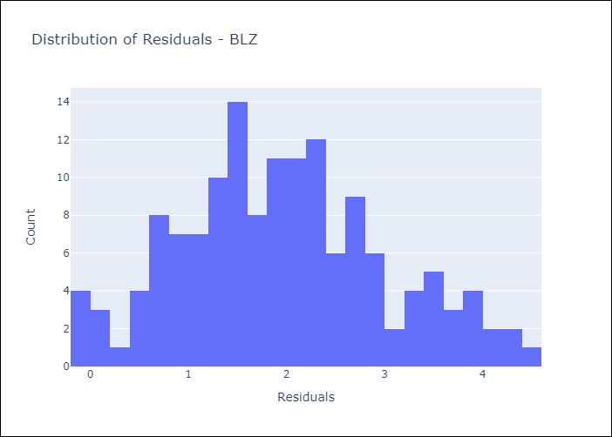
Appendix A: Model Summary
Model | Random Forest w/ Lags
Sample | 2015-01-01 to 2025-03-01
No. of Observations | 123
Residuals
Mean | 1.9516718576
St Dev | 1.0489016054
Kurtosis | -0.42729300129
Skewness | 0.23988346432

Assumptions | P-value

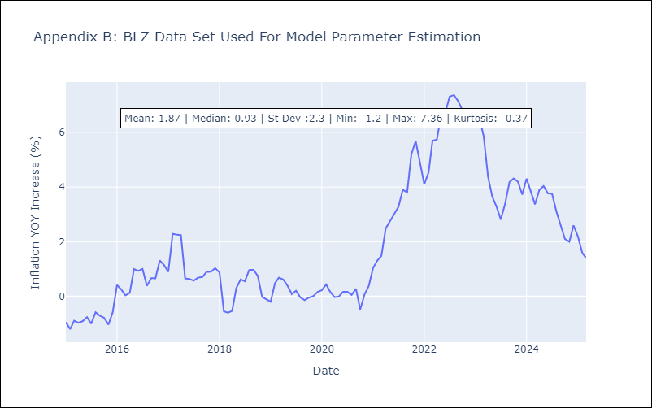

Appendix C: Residuals Analysis
Mean

BRB
BRB - Inflation - Next 12 months forecast as of: 2025-03-01

Model | Random Forest w/ Lags - [(3, 0, 0), (0, 0, 1, 12)]
Training Data | 2003-01-01 to 2024-04-01
Test Data | 2024-04-01 to 2025-03-01

Date | Inflation Change YoY % | Lower Bound - 95% Confidence Interval | Upper Bound - 95% Confidence Interval
2025-04-01 | 1.05 | 0.12 | 1.65
2025-05-01 | 1.77 | 0.59 | 2.13
2025-06-01 | 2.26 | 1.08 | 2.75
2025-07-01 | 2.68 | 1.68 | 2.88
2025-08-01 | 3 | 2.11 | 3.14
2025-09-01 | 3.4 | 2.69 | 3.62
2025-10-01 | 3.83 | 3.01 | 4.13
2025-11-01 | 4.46 | 3.41 | 4.55
2025-12-01 | 4.66 | 3.5 | 4.87
2026-01-01 | 4.75 | 3.94 | 5.03
2026-02-01 | 4.41 | 3.74 | 5.02
2026-03-01 | 4.03 | 3.12 | 5.09

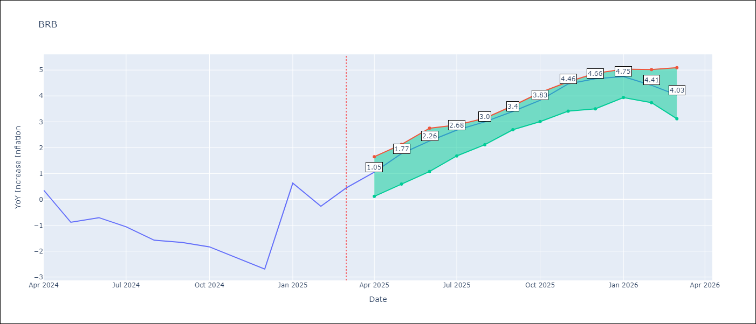

Test Metrics
RMSE | 4.68
Naive RMSE | 6.79
MAPE | 647.65%

Test Predictions
Date | Predicted | Actual
2024-05-01 | 1.62 | 0.36
2024-06-01 | 1.7 | -0.88
2024-07-01 | 2.18 | -0.7
2024-08-01 | 2.61 | -1.06
2024-09-01 | 3.31 | -1.58
2024-10-01 | 3.91 | -1.66
2024-11-01 | 4.35 | -1.83
2024-12-01 | 5.07 | -2.26
2025-01-01 | 5.94 | -2.69
2025-02-01 | 6.51 | 0.63
2025-03-01 | 6.59 | -0.27
2025-04-01 | 5.96 | 0.45

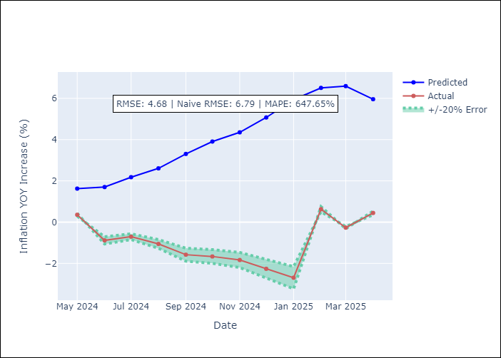
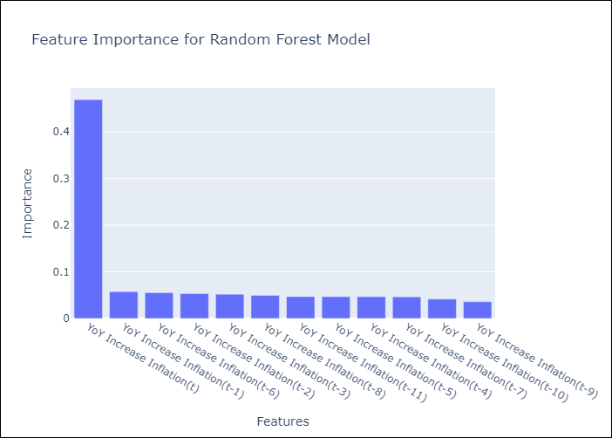

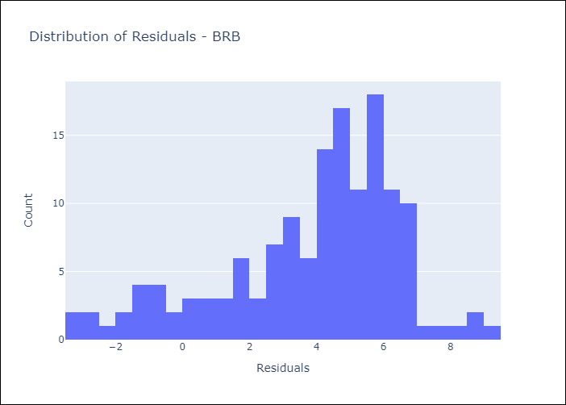
Appendix A: Model Summary
Model | Random Forest w/ Lags
Sample | 2003-01-01 to 2025-03-01
No. of Observations | 263
Residuals
Mean | 3.8518625652
St Dev | 2.665475731
Kurtosis | 0.093079596678
Skewness | -0.80009133786

Assumptions | P-value

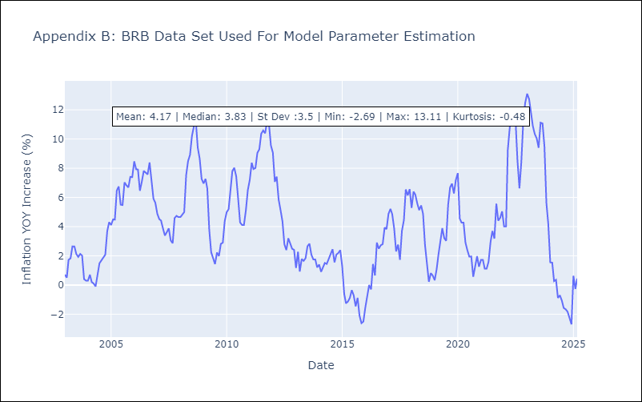

Appendix C: Residuals Analysis
Mean

DMA
DMA - Inflation - Next 12 months forecast as of: 2025-01-01

Model | Random Forest w/ Lags - [(0, 1, 0), (3, 0, 0, 12)]
Training Data | 2004-01-01 to 2024-02-01
Test Data | 2024-02-01 to 2025-01-01

Date | Inflation Change YoY % | Lower Bound - 95% Confidence Interval | Upper Bound - 95% Confidence Interval
2025-02-01 | 1.06 | 0.73 | 1.84
2025-03-01 | 0.98 | 0.57 | 1.68
2025-04-01 | 0.93 | 0.47 | 1.69
2025-05-01 | 0.79 | 0.36 | 1.65
2025-06-01 | 0.74 | 0.29 | 1.81
2025-07-01 | 0.58 | 0.02 | 1.77
2025-08-01 | 0.55 | -0.04 | 1.75
2025-09-01 | 0.36 | -0.18 | 1.71
2025-10-01 | 0.18 | -0.13 | 1.64
2025-11-01 | 0.24 | -0.21 | 1.8
2025-12-01 | 0.38 | -0.09 | 1.73
2026-01-01 | 0.37 | -0.16 | 1.85

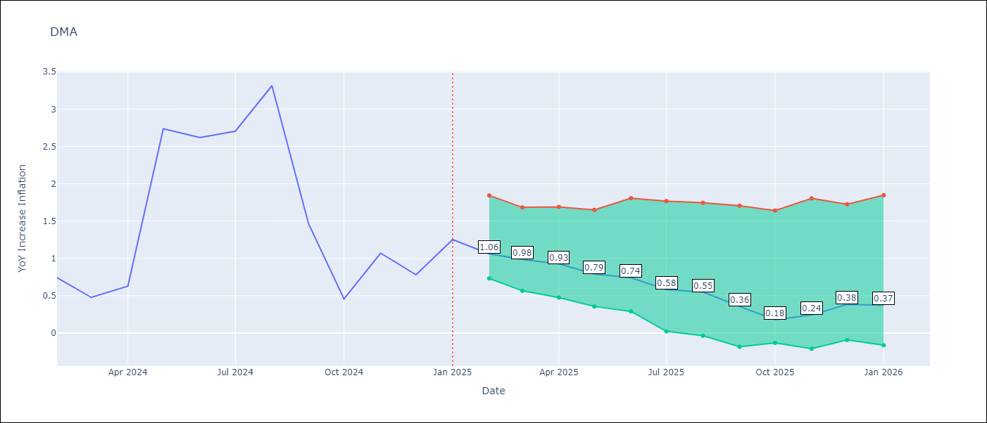

Test Metrics
RMSE | 6.01
Naive RMSE | 3.18
MAPE | 647.42%

Test Predictions
Date | Predicted | Actual
2024-03-01 | -0.35 | 0.74
2024-04-01 | -0.29 | 0.48
2024-05-01 | -0.43 | 0.63
2024-06-01 | -0.61 | 2.74
2024-07-01 | -2.68 | 2.62
2024-08-01 | -4.45 | 2.7
2024-09-01 | -5.48 | 3.31
2024-10-01 | -6.93 | 1.46
2024-11-01 | -7.96 | 0.46
2024-12-01 | -11.16 | 1.07
2025-01-01 | -12.87 | 0.78
2025-02-01 | -12.92 | 1.25

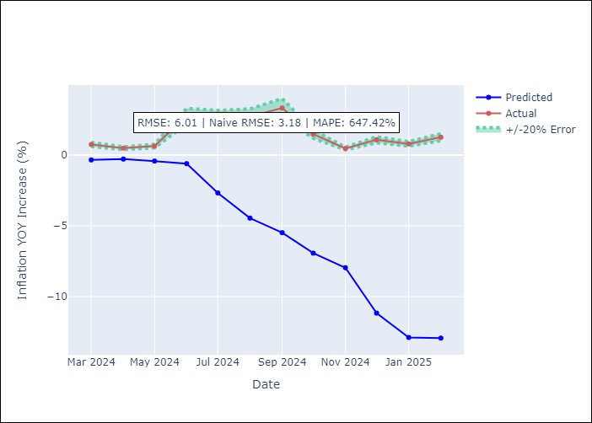
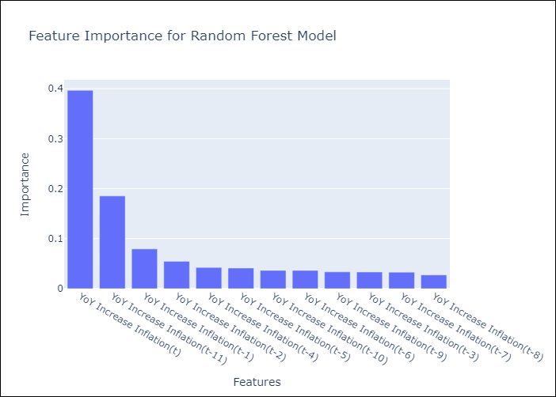

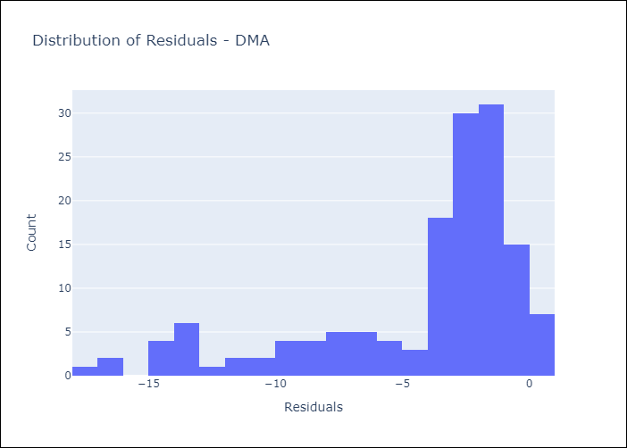
Appendix A: Model Summary
Model | Random Forest w/ Lags
Sample | 2004-01-01 to 2025-01-01
No. of Observations | 253
Residuals
Mean | -4.2362758089
St Dev | 4.2626985111
Kurtosis | 0.91106474565
Skewness | -1.370390733

Assumptions | P-value

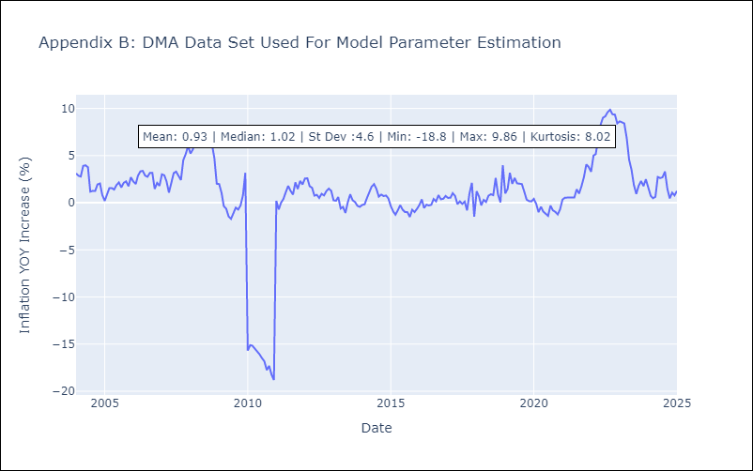

Appendix C: Residuals Analysis
Mean

GRD
GRD - Inflation - Next 12 months forecast as of: 2025-01-01

Model | Random Forest w/ Lags - [(1, 1, 1), (3, 0, 0, 12)]
Training Data | 2004-01-01 to 2024-02-01
Test Data | 2024-02-01 to 2025-01-01

Date | Inflation Change YoY % | Lower Bound - 95% Confidence Interval | Upper Bound - 95% Confidence Interval
2025-02-01 | 1.03 | 0.57 | 1.12
2025-03-01 | 0.96 | 0.42 | 1.1
2025-04-01 | 0.81 | 0.42 | 1.07
2025-05-01 | 0.76 | 0.4 | 0.98
2025-06-01 | 0.72 | 0.43 | 0.94
2025-07-01 | 0.7 | 0.36 | 0.88
2025-08-01 | 0.68 | 0.23 | 0.76
2025-09-01 | 0.62 | 0.21 | 0.75
2025-10-01 | 0.56 | 0.19 | 0.8
2025-11-01 | 0.59 | 0.32 | 0.87
2025-12-01 | 0.58 | 0.28 | 0.91
2026-01-01 | 0.52 | 0.14 | 0.88

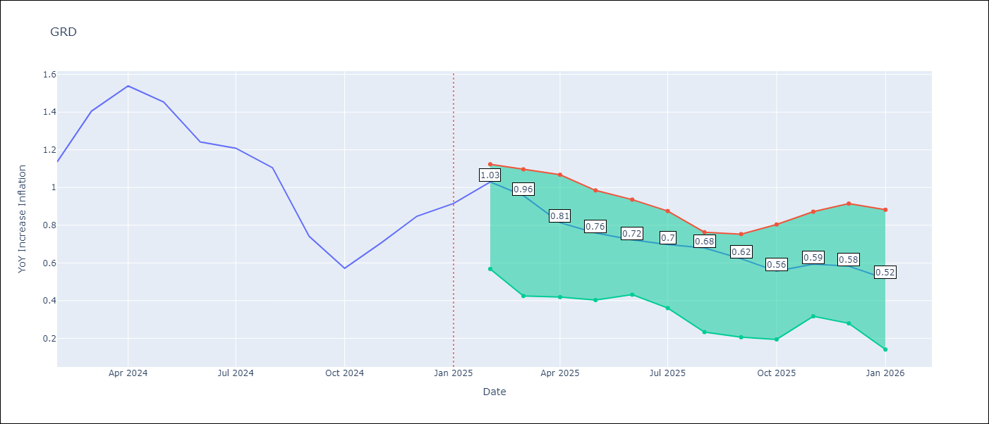

Test Metrics
RMSE | 1.52
Naive RMSE | 1.18
MAPE | 68.53%

Test Predictions
Date | Predicted | Actual
2024-03-01 | 0.81 | 1.14
2024-04-01 | 0.59 | 1.41
2024-05-01 | 0.64 | 1.54
2024-06-01 | 0.99 | 1.45
2024-07-01 | 1.19 | 1.24
2024-08-01 | 1.15 | 1.21
2024-09-01 | 0.21 | 1.11
2024-10-01 | -0.18 | 0.74
2024-11-01 | -0.17 | 0.57
2024-12-01 | -0.05 | 0.71
2025-01-01 | -0.01 | 0.85
2025-02-01 | 0.05 | 0.92

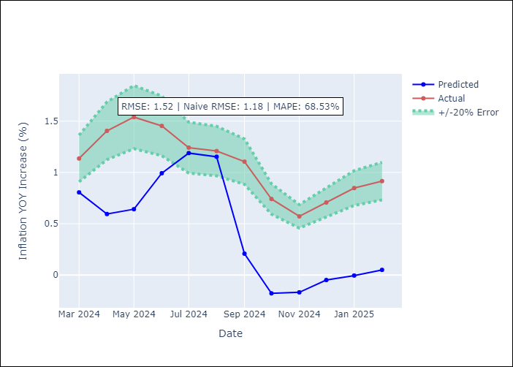
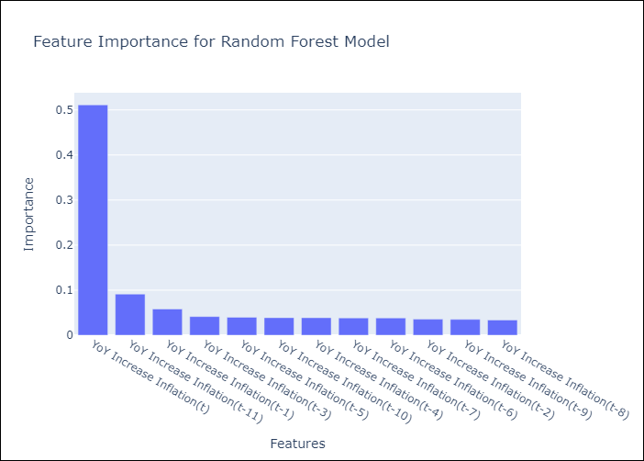

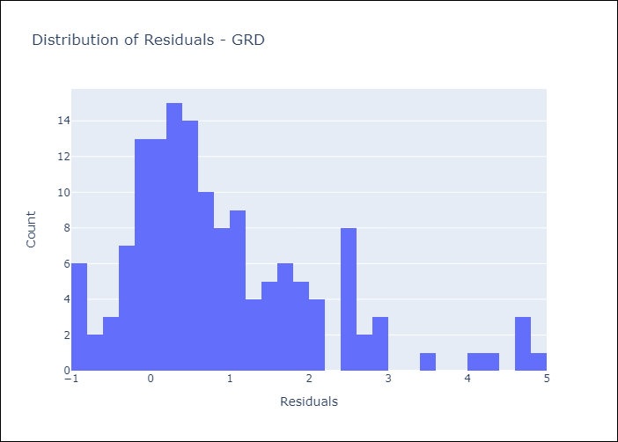
Appendix A: Model Summary
Model | Random Forest w/ Lags
Sample | 2004-01-01 to 2025-01-01
No. of Observations | 253
Residuals
Mean | 0.90961179961
St Dev | 1.2218124477
Kurtosis | 1.426935279
Skewness | 1.185603532

Assumptions | P-value

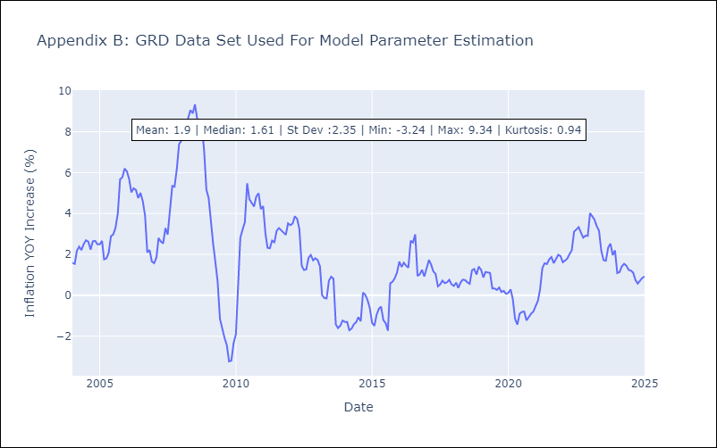

Appendix C: Residuals Analysis
Mean

GUY
GUY - Inflation - Next 12 months forecast as of: 2025-03-01

Model | Random Forest w/ Lags - [(3, 0, 1), (1, 0, 0, 12)]
Training Data | 2008-01-01 to 2024-04-01
Test Data | 2024-04-01 to 2025-03-01

Date | Inflation Change YoY % | Lower Bound - 95% Confidence Interval | Upper Bound - 95% Confidence Interval
2025-04-01 | 3.1 | 2.59 | 3.94
2025-05-01 | 3.15 | 2.54 | 4.35
2025-06-01 | 3 | 2.41 | 4.03
2025-07-01 | 3.09 | 2.42 | 4.35
2025-08-01 | 2.89 | 2.15 | 4.29
2025-09-01 | 2.6 | 2.09 | 3.96
2025-10-01 | 2.83 | 1.85 | 4.28
2025-11-01 | 2.83 | 1.96 | 4.46
2025-12-01 | 2.55 | 1.78 | 3.84
2026-01-01 | 2.51 | 1.83 | 3.83
2026-02-01 | 2.6 | 1.76 | 4.18
2026-03-01 | 2.37 | 1.5 | 3.52

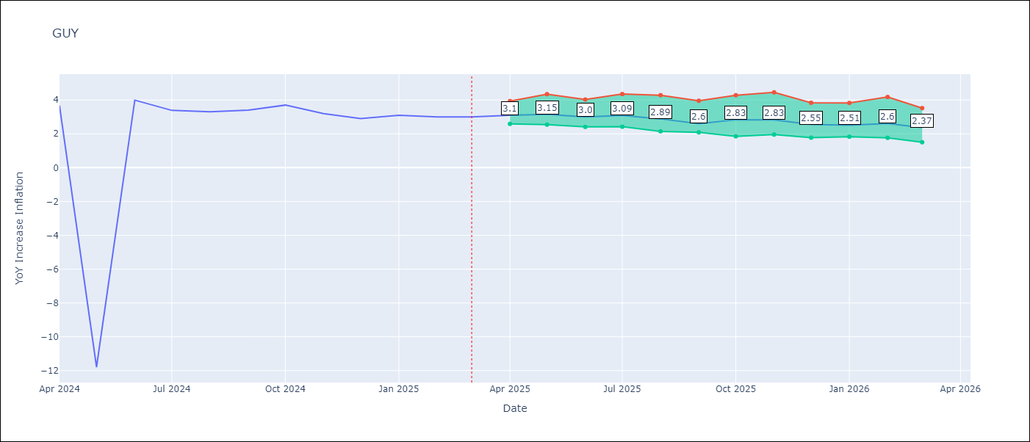

Test Metrics
RMSE | 4.13
Naive RMSE | 4.05
MAPE | 43.21%

Test Predictions
Date | Predicted | Actual
2024-05-01 | 2.12 | 3.67
2024-06-01 | 2.04 | -11.79
2024-07-01 | 1.96 | 3.99
2024-08-01 | 2.21 | 3.39
2024-09-01 | 2.43 | 3.3
2024-10-01 | 2.3 | 3.4
2024-11-01 | 2.21 | 3.7
2024-12-01 | 2.11 | 3.2
2025-01-01 | 2.1 | 2.9
2025-02-01 | 2.11 | 3.1
2025-03-01 | 1.89 | 3
2025-04-01 | 1.68 | 3

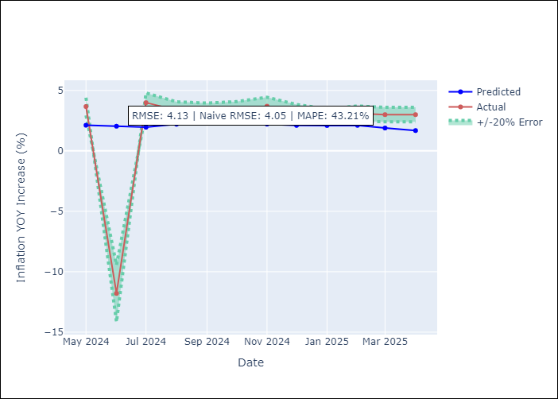
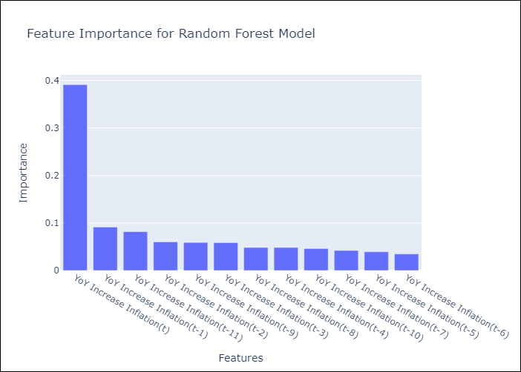

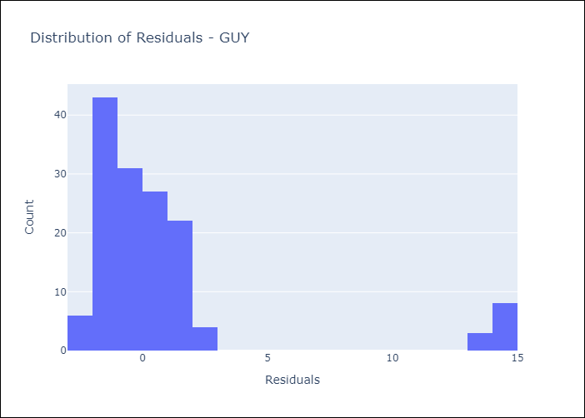
Appendix A: Model Summary
Model | Random Forest w/ Lags
Sample | 2008-01-01 to 2025-03-01
No. of Observations | 207
Residuals
Mean | 0.84103750507
St Dev | 4.045128824
Kurtosis | 6.5290750769
Skewness | 2.7550545053

Assumptions | P-value

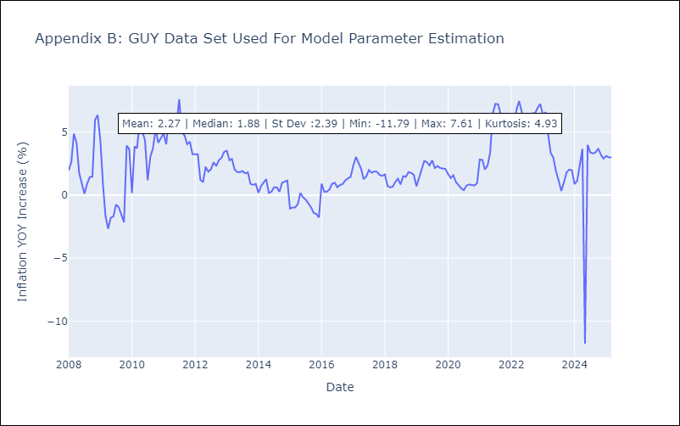

Appendix C: Residuals Analysis
Mean

JAM
JAM - Inflation - Next 12 months forecast as of: 2025-04-01

Model | Random Forest w/ Lags - [(2, 1, 0), (0, 0, 2, 12)]
Training Data | 1994-07-01 to 2024-05-01
Test Data | 2024-05-01 to 2025-04-01

Date | Inflation Change YoY % | Lower Bound - 95% Confidence Interval | Upper Bound - 95% Confidence Interval
2025-05-01 | 5.04 | 4.09 | 6.05
2025-06-01 | 5.06 | 3.9 | 6.77
2025-07-01 | 5 | 3.62 | 6.78
2025-08-01 | 4.88 | 3.58 | 6.81
2025-09-01 | 5.36 | 3.84 | 7.4
2025-10-01 | 5.76 | 4.23 | 8.31
2025-11-01 | 6.37 | 4.52 | 8.81
2025-12-01 | 6.53 | 4.6 | 9.21
2026-01-01 | 6.78 | 4.73 | 9.52
2026-02-01 | 6.75 | 4.59 | 9.44
2026-03-01 | 6.89 | 4.35 | 9.39
2026-04-01 | 6.81 | 4.04 | 9.44

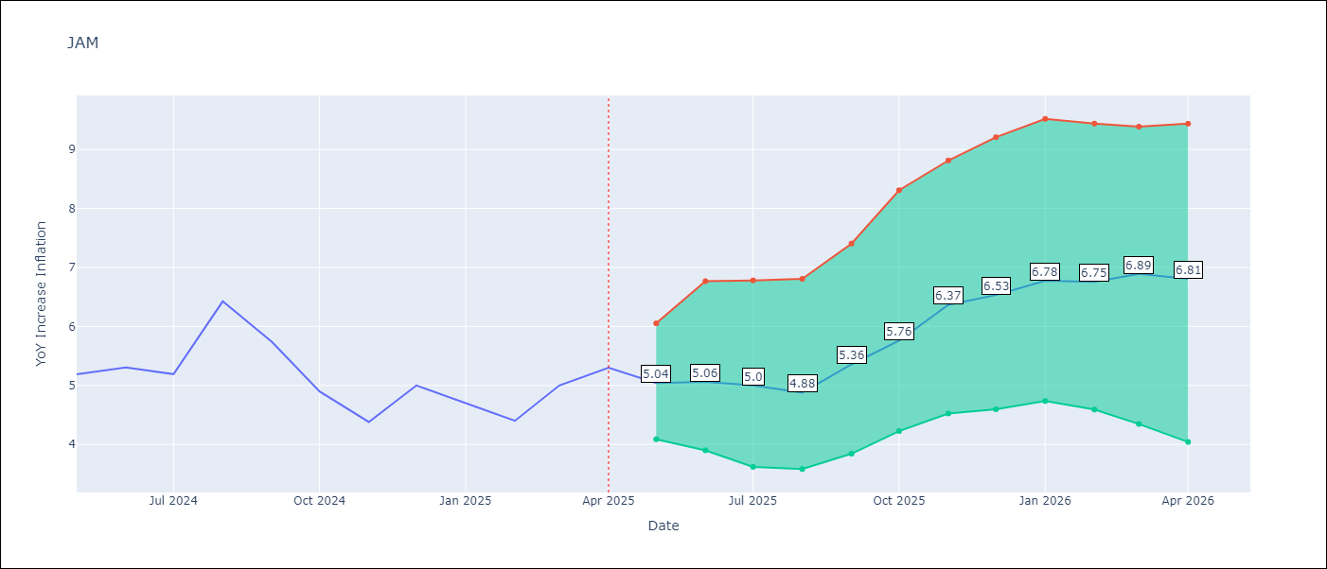

Test Metrics
RMSE | 3.79
Naive RMSE | 1.13
MAPE | 33.52%

Test Predictions
Date | Predicted | Actual
2024-06-01 | 5.63 | 5.19
2024-07-01 | 5.75 | 5.3
2024-08-01 | 5.67 | 5.19
2024-09-01 | 5.8 | 6.42
2024-10-01 | 6.02 | 5.74
2024-11-01 | 6.39 | 4.9
2024-12-01 | 6.48 | 4.38
2025-01-01 | 6.69 | 5
2025-02-01 | 6.95 | 4.7
2025-03-01 | 7.66 | 4.4
2025-04-01 | 8.22 | 5
2025-05-01 | 8.63 | 5.3

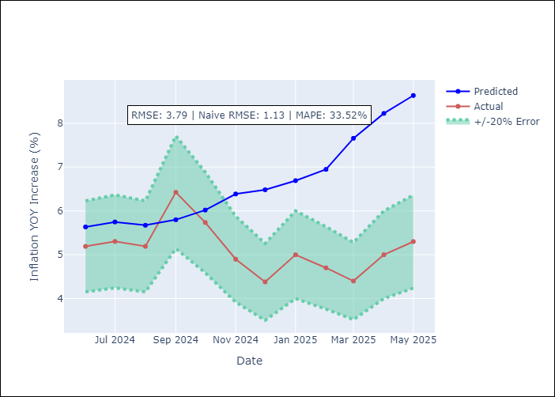
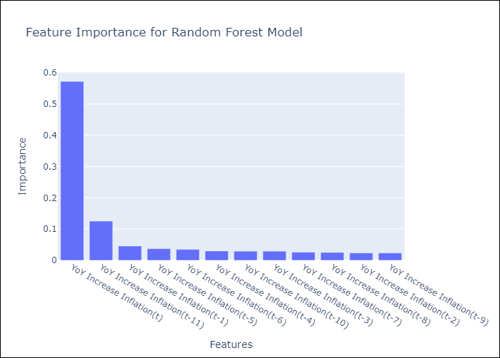

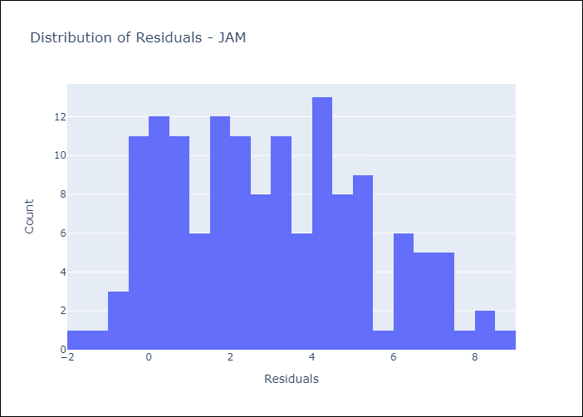
Appendix A: Model Summary
Model | Random Forest w/ Lags
Sample | 1994-07-01 to 2025-04-01
No. of Observations | 370
Residuals
Mean | 2.9439464198
St Dev | 2.3836191001
Kurtosis | -0.74005728295
Skewness | 0.32056385329

Assumptions | P-value

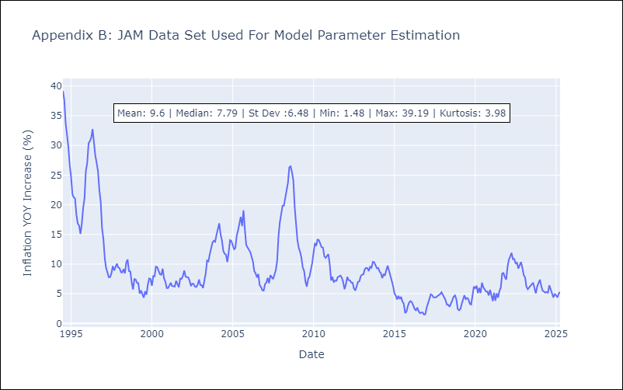

Appendix C: Residuals Analysis
Mean

KNA
KNA - Inflation - Next 12 months forecast as of: 2025-02-01

Model | Random Forest w/ Lags - [(0, 1, 0), (3, 0, 0, 12)]
Training Data | 2006-01-01 to 2024-03-01
Test Data | 2024-03-01 to 2025-02-01

Date | Inflation Change YoY % | Lower Bound - 95% Confidence Interval | Upper Bound - 95% Confidence Interval
2025-03-01 | 0.95 | 0.49 | 1.19
2025-04-01 | 1.11 | 0.62 | 1.69
2025-05-01 | 1 | 0.31 | 1.87
2025-06-01 | 1.17 | 0.5 | 2.3
2025-07-01 | 1.11 | 0.38 | 2.38
2025-08-01 | 1.1 | 0.37 | 2.7
2025-09-01 | 1.1 | 0.09 | 2.96
2025-10-01 | 0.86 | -0.02 | 2.59
2025-11-01 | 1.1 | 0.12 | 2.75
2025-12-01 | 1.06 | -0.17 | 2.9
2026-01-01 | 1.08 | -0.25 | 2.73
2026-02-01 | 1.13 | -0.2 | 2.76

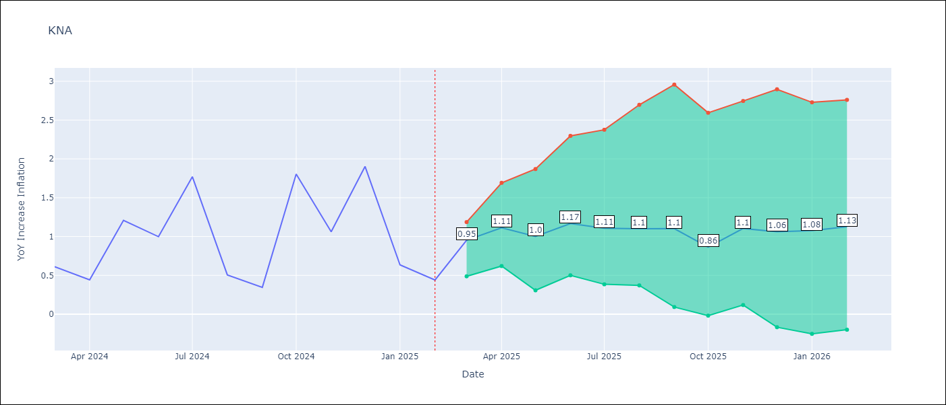

Test Metrics
RMSE | 2.1
Naive RMSE | 1.85
MAPE | 83.58%

Test Predictions
Date | Predicted | Actual
2024-04-01 | 1.01 | 0.61
2024-05-01 | 0.92 | 0.44
2024-06-01 | 0.94 | 1.21
2024-07-01 | 0.88 | 1
2024-08-01 | 0.74 | 1.77
2024-09-01 | 0.99 | 0.51
2024-10-01 | 1.16 | 0.35
2024-11-01 | 1.18 | 1.8
2024-12-01 | 1.29 | 1.06
2025-01-01 | 1.4 | 1.9
2025-02-01 | 1.42 | 0.63
2025-03-01 | 1.32 | 0.44

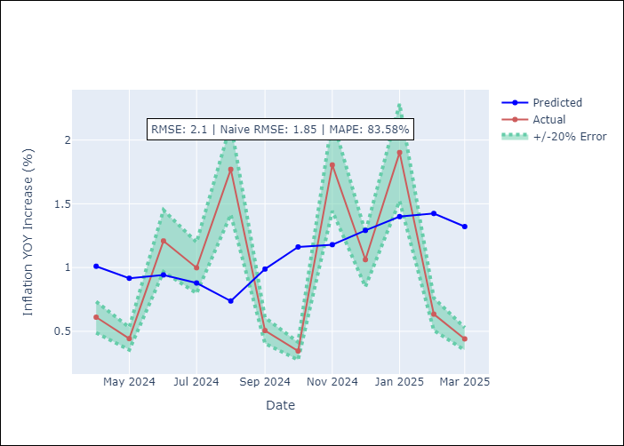
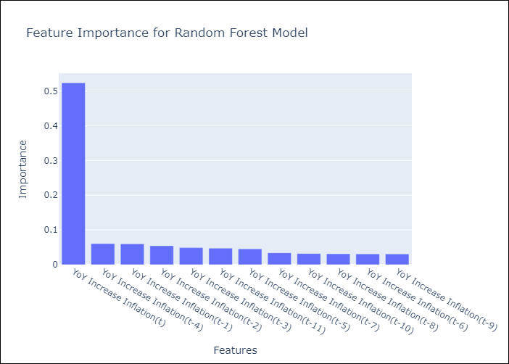

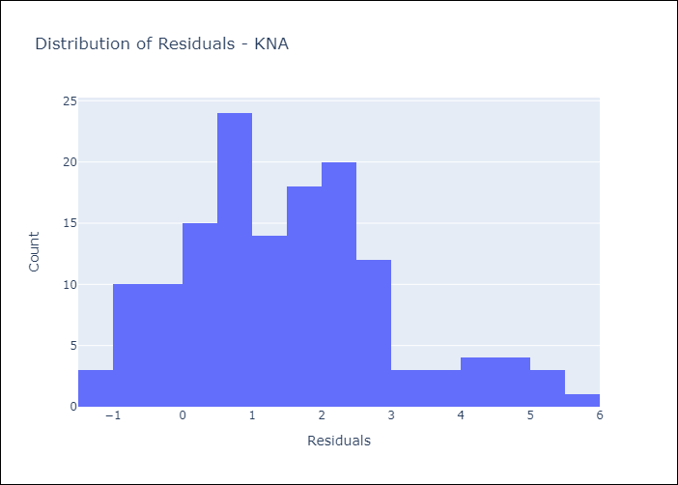
Appendix A: Model Summary
Model | Random Forest w/ Lags
Sample | 2006-01-01 to 2025-02-01
No. of Observations | 230
Residuals
Mean | 1.4873628778
St Dev | 1.4850270279
Kurtosis | 0.15211904473
Skewness | 0.60563326506

Assumptions | P-value

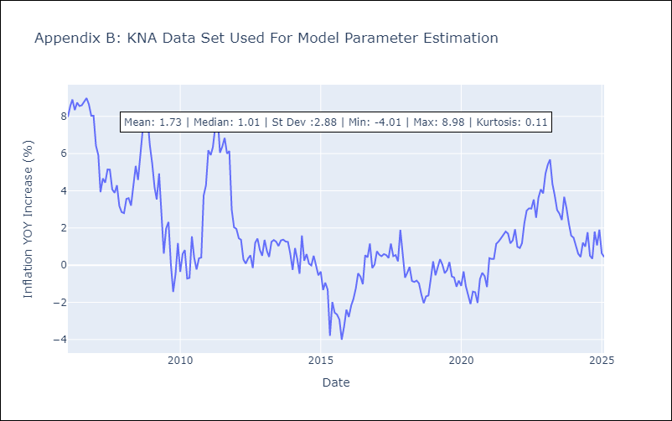

Appendix C: Residuals Analysis
Mean

LCA
LCA - Inflation - Next 12 months forecast as of: 2025-01-01

Model | Random Forest w/ Lags - [(0, 1, 0), (3, 0, 1, 12)]
Training Data | 2008-01-01 to 2024-02-01
Test Data | 2024-02-01 to 2025-01-01

Date | Inflation Change YoY % | Lower Bound - 95% Confidence Interval | Upper Bound - 95% Confidence Interval
2025-02-01 | 1.94 | 1.26 | 2.69
2025-03-01 | 2.35 | 1.31 | 2.93
2025-04-01 | 2.38 | 1.77 | 2.93
2025-05-01 | 2.22 | 1.64 | 2.98
2025-06-01 | 2.46 | 1.98 | 3.1
2025-07-01 | 2.75 | 2.03 | 3.3
2025-08-01 | 3.2 | 2.12 | 3.6
2025-09-01 | 3.23 | 2.37 | 3.91
2025-10-01 | 3.03 | 2.19 | 3.68
2025-11-01 | 3.16 | 1.8 | 3.89
2025-12-01 | 2.78 | 1.79 | 3.72
2026-01-01 | 2.61 | 1.67 | 3.64

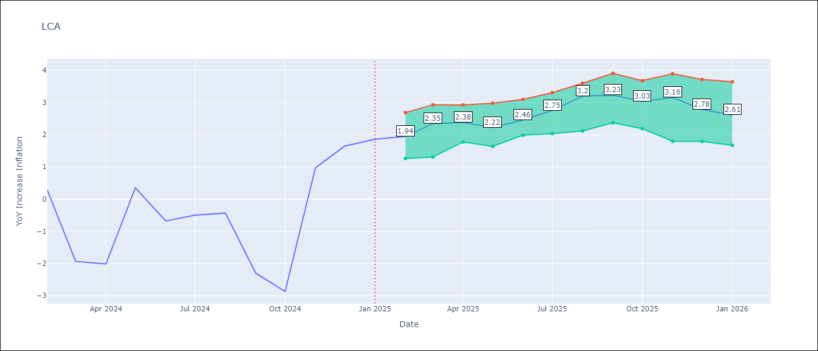

Test Metrics
RMSE | 1.95
Naive RMSE | 4.11
MAPE | 155.0%

Test Predictions
Date | Predicted | Actual
2024-03-01 | -0.61 | 0.28
2024-04-01 | -0.68 | -1.94
2024-05-01 | -0.45 | -2.02
2024-06-01 | -0.49 | 0.35
2024-07-01 | 0.54 | -0.68
2024-08-01 | 0.82 | -0.5
2024-09-01 | 0.79 | -0.43
2024-10-01 | 0.83 | -2.3
2024-11-01 | 1.06 | -2.87
2024-12-01 | 1.46 | 0.97
2025-01-01 | 2.83 | 1.65
2025-02-01 | 2.6 | 1.86

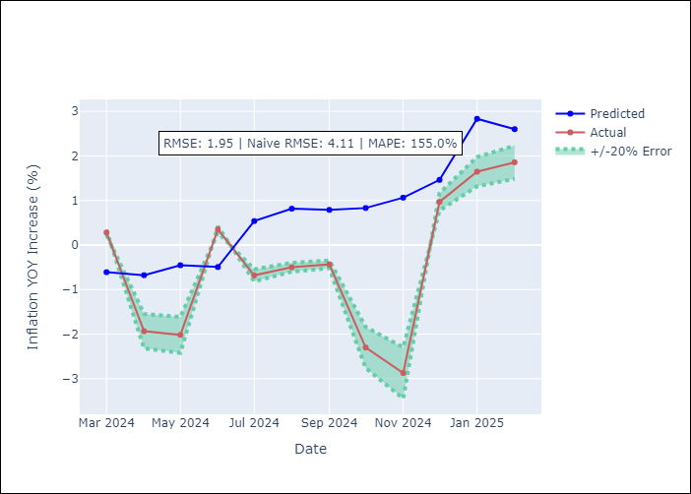
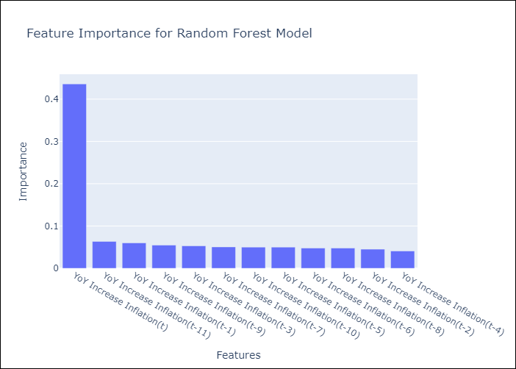

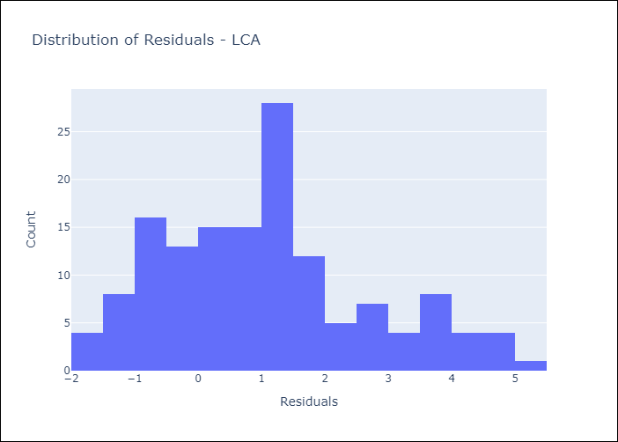
Appendix A: Model Summary
Model | Random Forest w/ Lags
Sample | 2008-01-01 to 2025-01-01
No. of Observations | 205
Residuals
Mean | 1.0607611827
St Dev | 1.6377984761
Kurtosis | -0.3479349509
Skewness | 0.51727845381

Assumptions | P-value

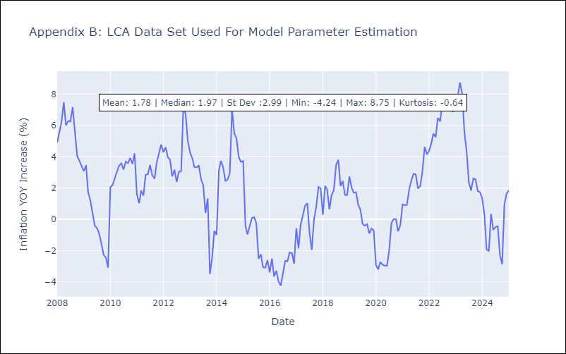

Appendix C: Residuals Analysis
Mean

SUR
SUR - Inflation - Next 12 months forecast as of: 2024-08-01

Model | Random Forest w/ Lags - [(3, 2, 0), (1, 0, 0, 12)]
Training Data | 2012-04-01 to 2023-09-01
Test Data | 2023-09-01 to 2024-08-01

Date | Inflation Change YoY % | Lower Bound - 95% Confidence Interval | Upper Bound - 95% Confidence Interval
2024-09-01 | 6.93 | 0.36 | 11.25
2024-10-01 | -5.23 | -11.09 | 11.51
2024-11-01 | 7.6 | -0.01 | 10.57
2024-12-01 | 8.38 | 2.9 | 10.58
2025-01-01 | 7.94 | 3.46 | 9.19
2025-02-01 | 7.55 | 6.22 | 8.97
2025-03-01 | 6.25 | 5.84 | 8.12
2025-04-01 | 7.48 | 5.76 | 9.92
2025-05-01 | 5.56 | 5.35 | 6.92
2025-06-01 | 5.27 | 5.15 | 7.31
2025-07-01 | 9.2 | 5.24 | 17.45
2025-08-01 | 22.96 | 5.19 | 30.24



Test Metrics
RMSE | 13.56
Naive RMSE | 20.96
MAPE | 95.71%

Test Predictions
Date | Predicted | Actual
2023-10-01 | 52.37 | 50.79
2023-11-01 | 52.15 | 42.92
2023-12-01 | 50.27 | 38.74
2024-01-01 | 47.6 | 32.63
2024-02-01 | 45.08 | 28.98
2024-03-01 | 43.7 | 25.4
2024-04-01 | 43.46 | 26.83
2024-05-01 | 42.27 | 20.9
2024-06-01 | 42.5 | 18.62
2024-07-01 | 42.76 | 16.21
2024-08-01 | 40.35 | 12.99
2024-09-01 | 39.36 | 11.13





Appendix A: Model Summary
Model | Random Forest w/ Lags
Sample | 2012-04-01 to 2024-08-01
No. of Observations | 145
Residuals
Mean | 8.6536418888
St Dev | 10.44575264
Kurtosis | -1.0636425715
Skewness | 0.20931123468

Assumptions | P-value



Appendix C: Residuals Analysis
Mean

TTO
TTO - Inflation - Next 12 months forecast as of: 2025-04-01

Model | Random Forest w/ Lags - [(3, 2, 0), (3, 0, 0, 12)]
Training Data | 1994-07-01 to 2024-05-01
Test Data | 2024-05-01 to 2025-04-01

Date | Inflation Change YoY % | Lower Bound - 95% Confidence Interval | Upper Bound - 95% Confidence Interval
2025-05-01 | 0.81 | 0.73 | 1.04
2025-06-01 | 0.87 | 0.83 | 1.27
2025-07-01 | 0.94 | 0.82 | 1.49
2025-08-01 | 1.06 | 0.9 | 1.66
2025-09-01 | 1.2 | 0.99 | 1.88
2025-10-01 | 1.44 | 1.17 | 2.43
2025-11-01 | 1.69 | 1.43 | 2.67
2025-12-01 | 2.08 | 1.75 | 2.95
2026-01-01 | 2.41 | 2.11 | 3.27
2026-02-01 | 2.74 | 2.4 | 3.69
2026-03-01 | 2.93 | 2.71 | 3.86
2026-04-01 | 3.41 | 2.93 | 4.15



Test Metrics
RMSE | 2.86
Naive RMSE | 2.72
MAPE | 37611.14%

Test Predictions
Date | Predicted | Actual
2024-06-01 | 1.66 | 0.01
2024-07-01 | 1.96 | 0.01
2024-08-01 | 1.85 | 0
2024-09-01 | 1.76 | 0
2024-10-01 | 1.67 | 0
2024-11-01 | 1.91 | 0
2024-12-01 | 1.87 | 0.01
2025-01-01 | 1.8 | 0.01
2025-02-01 | 1.91 | 0.01
2025-03-01 | 1.89 | 0.01
2025-04-01 | 2.06 | 0.01
2025-05-01 | 2.18 | 0.01





Appendix A: Model Summary
Model | Random Forest w/ Lags
Sample | 1994-07-01 to 2025-04-01
No. of Observations | 370
Residuals
Mean | 2.7004039015
St Dev | 0.92785564666
Kurtosis | 0.42560616692
Skewness | -0.61781255883

Assumptions | P-value



Appendix C: Residuals Analysis
Mean

VCT
VCT - Inflation - Next 12 months forecast as of: 2025-01-01

Model | Random Forest w/ Lags - [(1, 0, 0), (3, 0, 0, 12)]
Training Data | 2004-01-01 to 2024-02-01
Test Data | 2024-02-01 to 2025-01-01

Date | Inflation Change YoY % | Lower Bound - 95% Confidence Interval | Upper Bound - 95% Confidence Interval
2025-02-01 | 2.21 | 1.75 | 2.65
2025-03-01 | 2.35 | 1.71 | 3.13
2025-04-01 | 2.67 | 1.73 | 3.41
2025-05-01 | 2.86 | 1.81 | 3.61
2025-06-01 | 3.18 | 1.98 | 3.91
2025-07-01 | 3.39 | 1.91 | 4.27
2025-08-01 | 3.51 | 2.1 | 4.56
2025-09-01 | 3.58 | 2 | 4.52
2025-10-01 | 3.56 | 2.04 | 4.93
2025-11-01 | 3.81 | 1.97 | 5.73
2025-12-01 | 4.04 | 1.85 | 6.18
2026-01-01 | 4.34 | 1.7 | 6.34



Test Metrics
RMSE | 2.05
Naive RMSE | 1.21
MAPE | 44.78%

Test Predictions
Date | Predicted | Actual
2024-03-01 | 3.89 | 4.69
2024-04-01 | 3.64 | 4.93
2024-05-01 | 3.57 | 4.8
2024-06-01 | 3.63 | 4.45
2024-07-01 | 3.75 | 4.94
2024-08-01 | 4.04 | 3.19
2024-09-01 | 4.01 | 2.72
2024-10-01 | 4.16 | 3.75
2024-11-01 | 3.98 | 2.3
2024-12-01 | 4 | 2.45
2025-01-01 | 4.08 | 2.06
2025-02-01 | 3.89 | 1.89





Appendix A: Model Summary
Model | Random Forest w/ Lags
Sample | 2004-01-01 to 2025-01-01
No. of Observations | 253
Residuals
Mean | -0.56453022815
St Dev | 1.973928742
Kurtosis | -1.0902728432
Skewness | 0.073245666108

Assumptions | P-value



Appendix C: Residuals Analysis
Mean

