CAR13
CAR13 - Inflation - Next 12 months forecast as of: 2025-04-01

Model | Random Forest w/ Lags - [(2, 1, 0), (0, 0, 1, 12)]
Training Data | 1993-01-01 to 2024-05-01
Test Data | 2024-05-01 to 2025-04-01

Date | Inflation Change YoY % | Lower Bound - 95% Confidence Interval | Upper Bound - 95% Confidence Interval
2025-05-01 | 2.32 | 2.14 | 2.75
2025-06-01 | 2.35 | 2.14 | 2.78
2025-07-01 | 2.45 | 2.17 | 2.99
2025-08-01 | 2.5 | 2.22 | 3.13
2025-09-01 | 2.55 | 2.17 | 3.49
2025-10-01 | 2.55 | 2.15 | 3.76
2025-11-01 | 2.67 | 2.21 | 4.04
2025-12-01 | 2.77 | 2.31 | 4.2
2026-01-01 | 3 | 2.46 | 4.55
2026-02-01 | 3.22 | 2.6 | 4.85
2026-03-01 | 3.59 | 2.65 | 5.25
2026-04-01 | 3.79 | 2.79 | 5.46

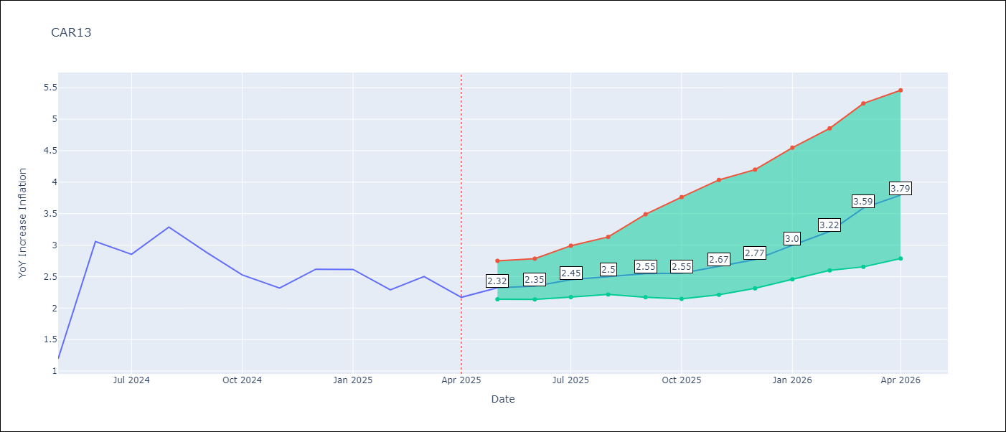

Test Metrics
RMSE | 2.96
Naive RMSE | 1.35
MAPE | 43.2%

Test Predictions
Date | Predicted | Actual
2024-06-01 | 2.73 | 1.19
2024-07-01 | 2.68 | 3.06
2024-08-01 | 2.7 | 2.85
2024-09-01 | 2.9 | 3.29
2024-10-01 | 3.06 | 2.89
2024-11-01 | 3.35 | 2.53
2024-12-01 | 3.49 | 2.32
2025-01-01 | 3.53 | 2.62
2025-02-01 | 3.62 | 2.61
2025-03-01 | 3.75 | 2.29
2025-04-01 | 3.9 | 2.5
2025-05-01 | 3.86 | 2.17

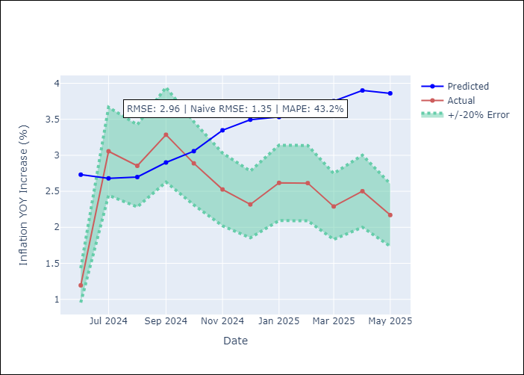
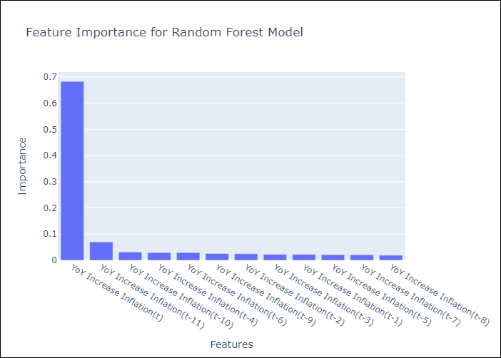

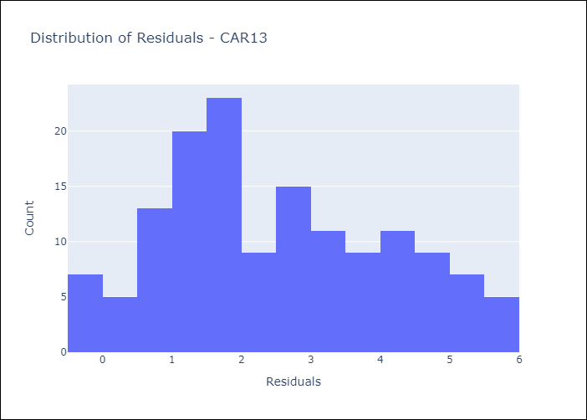
Appendix A: Model Summary
Model | Random Forest w/ Lags
Sample | 1993-01-01 to 2025-04-01
No. of Observations | 388
Residuals
Mean | 2.4880105394
St Dev | 1.604522932
Kurtosis | -0.89124789346
Skewness | 0.26183502443

Assumptions | P-value

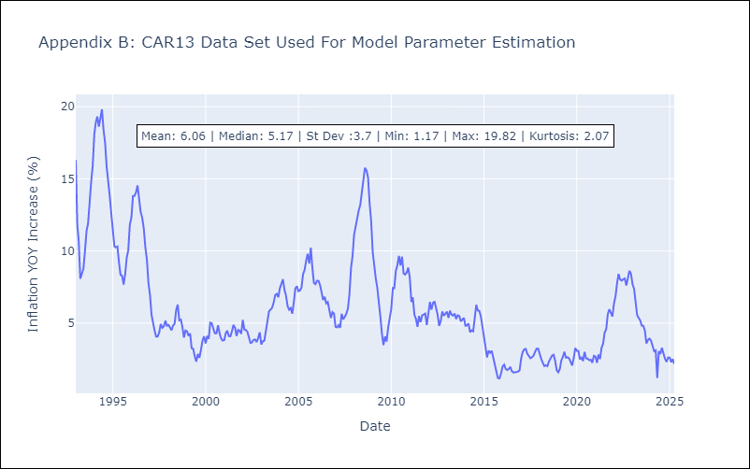

Appendix C: Residuals Analysis
Mean

CEN09
CEN09 - Inflation - Next 12 months forecast as of: 2025-04-01

Model | Random Forest w/ Lags - [(1, 1, 0), (0, 0, 0, 12)]
Training Data | 1992-01-01 to 2024-05-01
Test Data | 2024-05-01 to 2025-04-01

Date | Inflation Change YoY % | Lower Bound - 95% Confidence Interval | Upper Bound - 95% Confidence Interval
2025-05-01 | 1.9 | 1.78 | 2.28
2025-06-01 | 1.78 | 1.62 | 2.47
2025-07-01 | 1.85 | 1.56 | 2.68
2025-08-01 | 2.16 | 1.95 | 2.93
2025-09-01 | 2.48 | 2.15 | 3.34
2025-10-01 | 2.69 | 2.29 | 3.76
2025-11-01 | 2.91 | 2.33 | 4.4
2025-12-01 | 3.15 | 2.27 | 4.74
2026-01-01 | 3.55 | 2.24 | 5.17
2026-02-01 | 4.2 | 2.35 | 6.41
2026-03-01 | 5.5 | 2.86 | 8.3
2026-04-01 | 6.5 | 3.74 | 9.45

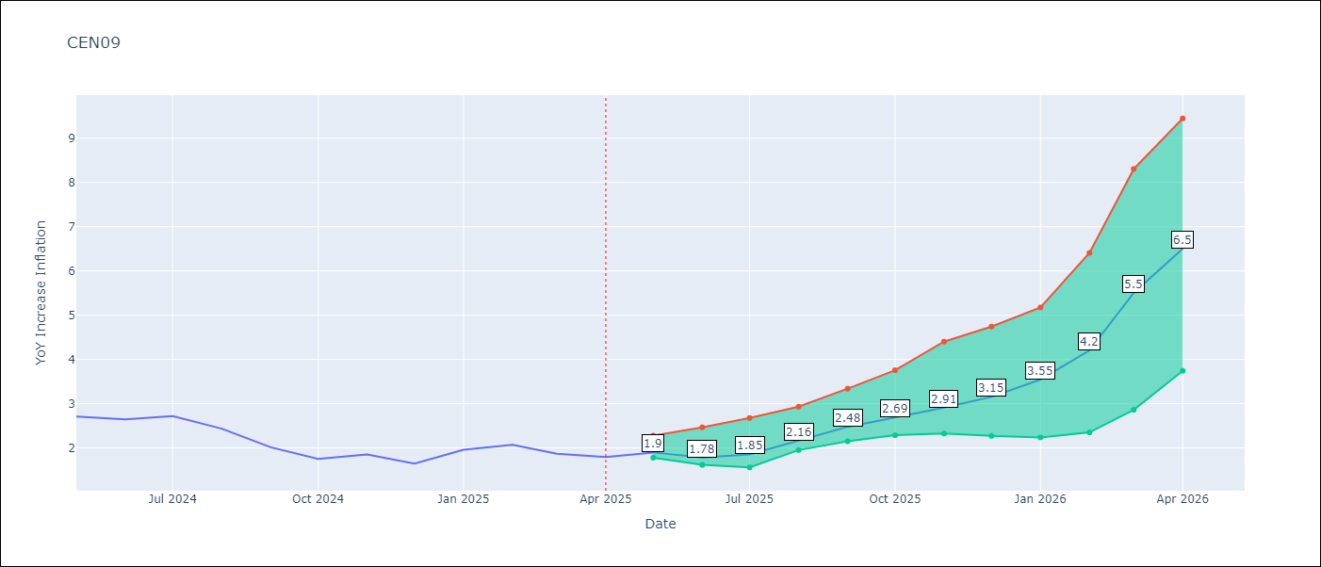

Test Metrics
RMSE | 3.4
Naive RMSE | 3.63
MAPE | 66.64%

Test Predictions
Date | Predicted | Actual
2024-06-01 | 2.4 | 2.71
2024-07-01 | 2.35 | 2.65
2024-08-01 | 2.38 | 2.72
2024-09-01 | 2.23 | 2.44
2024-10-01 | 2.28 | 2.01
2024-11-01 | 2.48 | 1.75
2024-12-01 | 2.78 | 1.85
2025-01-01 | 3.26 | 1.65
2025-02-01 | 3.84 | 1.96
2025-03-01 | 4.51 | 2.07
2025-04-01 | 4.8 | 1.87
2025-05-01 | 5.09 | 1.8

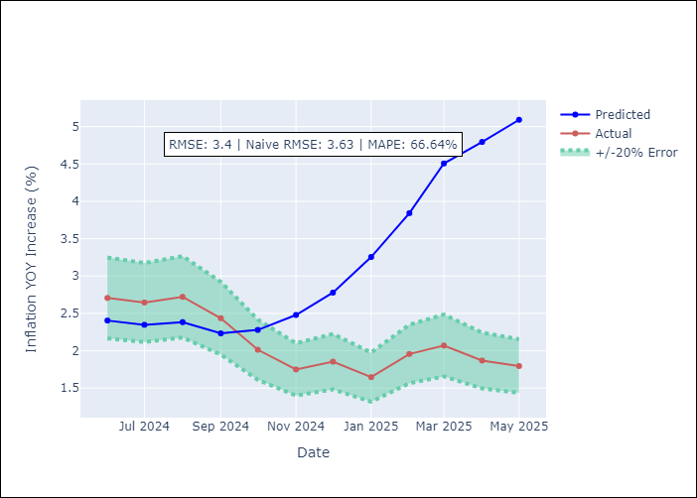
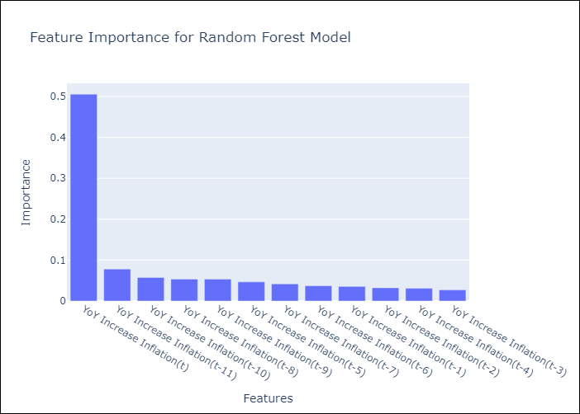

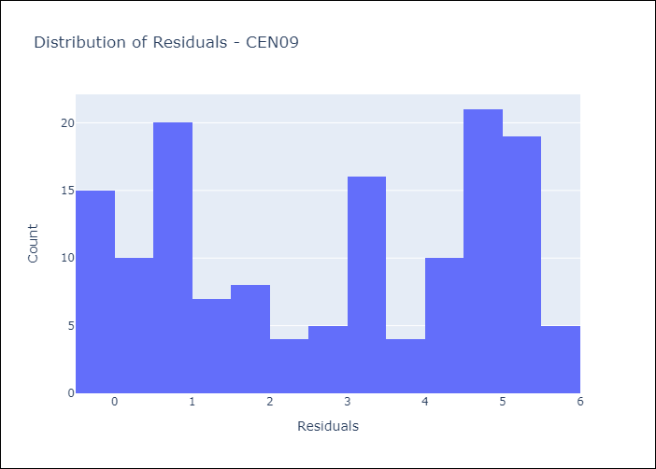
Appendix A: Model Summary
Model | Random Forest w/ Lags
Sample | 1992-01-01 to 2025-04-01
No. of Observations | 400
Residuals
Mean | 2.748128516
St Dev | 2.0100671968
Kurtosis | -1.5039462837
Skewness | -0.11452150549

Assumptions | P-value

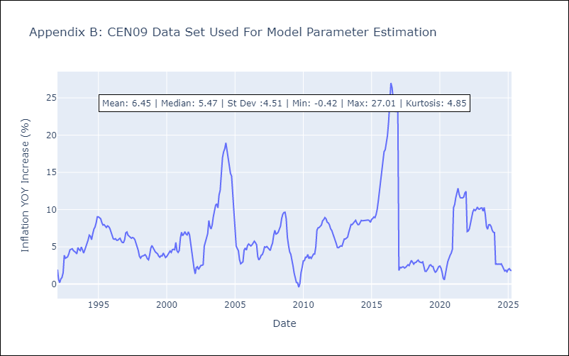

Appendix C: Residuals Analysis
Mean

CEN10
CEN10 - Inflation - Next 12 months forecast as of: 2025-04-01

Model | Random Forest w/ Lags - [(1, 1, 1), (0, 0, 1, 12)]
Training Data | 1992-01-01 to 2024-05-01
Test Data | 2024-05-01 to 2025-04-01

Date | Inflation Change YoY % | Lower Bound - 95% Confidence Interval | Upper Bound - 95% Confidence Interval
2025-05-01 | 1.41 | 0.59 | 1.93
2025-06-01 | 1.78 | 0.86 | 2.31
2025-07-01 | 2.23 | 1.19 | 2.86
2025-08-01 | 2.63 | 1.51 | 3.07
2025-09-01 | 2.76 | 1.75 | 3.25
2025-10-01 | 2.88 | 1.86 | 3.36
2025-11-01 | 2.93 | 1.97 | 3.55
2025-12-01 | 2.9 | 1.97 | 3.55
2026-01-01 | 2.88 | 2 | 3.54
2026-02-01 | 2.95 | 2.1 | 3.6
2026-03-01 | 2.98 | 2.1 | 3.62
2026-04-01 | 3.06 | 2.16 | 3.91

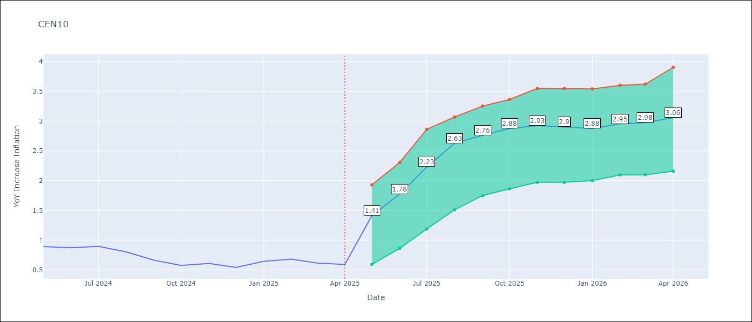

Test Metrics
RMSE | 9.56
Naive RMSE | 15.86
MAPE | 333.0%

Test Predictions
Date | Predicted | Actual
2024-06-01 | 2.1 | 0.89
2024-07-01 | 1.63 | 0.87
2024-08-01 | 0.89 | 0.9
2024-09-01 | 0.36 | 0.8
2024-10-01 | 0.12 | 0.66
2024-11-01 | 0.06 | 0.58
2024-12-01 | 0.44 | 0.61
2025-01-01 | 1.87 | 0.54
2025-02-01 | 3.61 | 0.64
2025-03-01 | 5.37 | 0.68
2025-04-01 | 6.61 | 0.62
2025-05-01 | 7.42 | 0.59

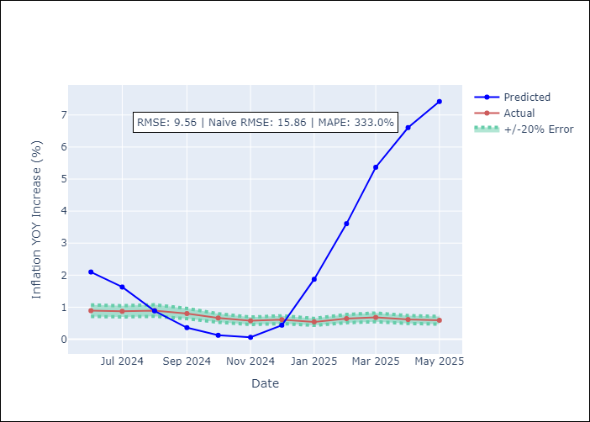
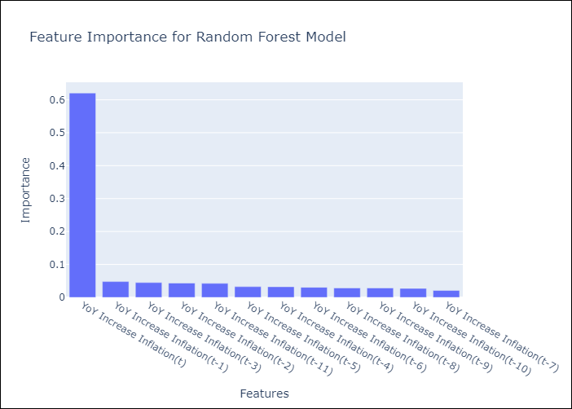

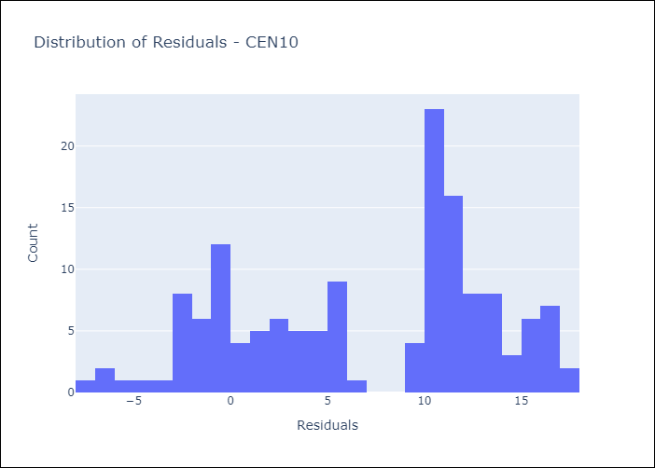
Appendix A: Model Summary
Model | Random Forest w/ Lags
Sample | 1992-01-01 to 2025-04-01
No. of Observations | 400
Residuals
Mean | 7.0266749783
St Dev | 6.4843803552
Kurtosis | -1.1141914364
Skewness | -0.30350120665

Assumptions | P-value

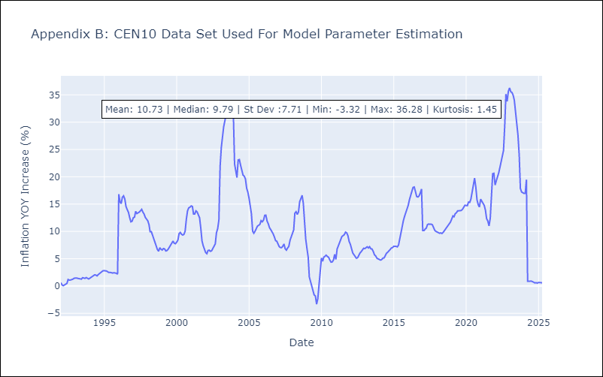

Appendix C: Residuals Analysis
Mean

R01
R01 - Inflation - Next 12 months forecast as of: 2025-04-01

Model | Random Forest w/ Lags - [(1, 2, 1), (1, 0, 1, 12)]
Training Data | 1998-01-01 to 2024-05-01
Test Data | 2024-05-01 to 2025-04-01

Date | Inflation Change YoY % | Lower Bound - 95% Confidence Interval | Upper Bound - 95% Confidence Interval
2025-05-01 | 3.8 | 2.91 | 4.29
2025-06-01 | 4.06 | 3.14 | 4.63
2025-07-01 | 4.29 | 3.52 | 4.85
2025-08-01 | 4.45 | 3.77 | 5.09
2025-09-01 | 4.65 | 3.94 | 5.21
2025-10-01 | 4.85 | 4.21 | 5.32
2025-11-01 | 5.01 | 4.38 | 5.43
2025-12-01 | 5.13 | 4.59 | 5.5
2026-01-01 | 5.25 | 4.76 | 5.66
2026-02-01 | 5.43 | 4.86 | 5.87
2026-03-01 | 5.55 | 5.01 | 5.98
2026-04-01 | 5.73 | 5.12 | 6.12

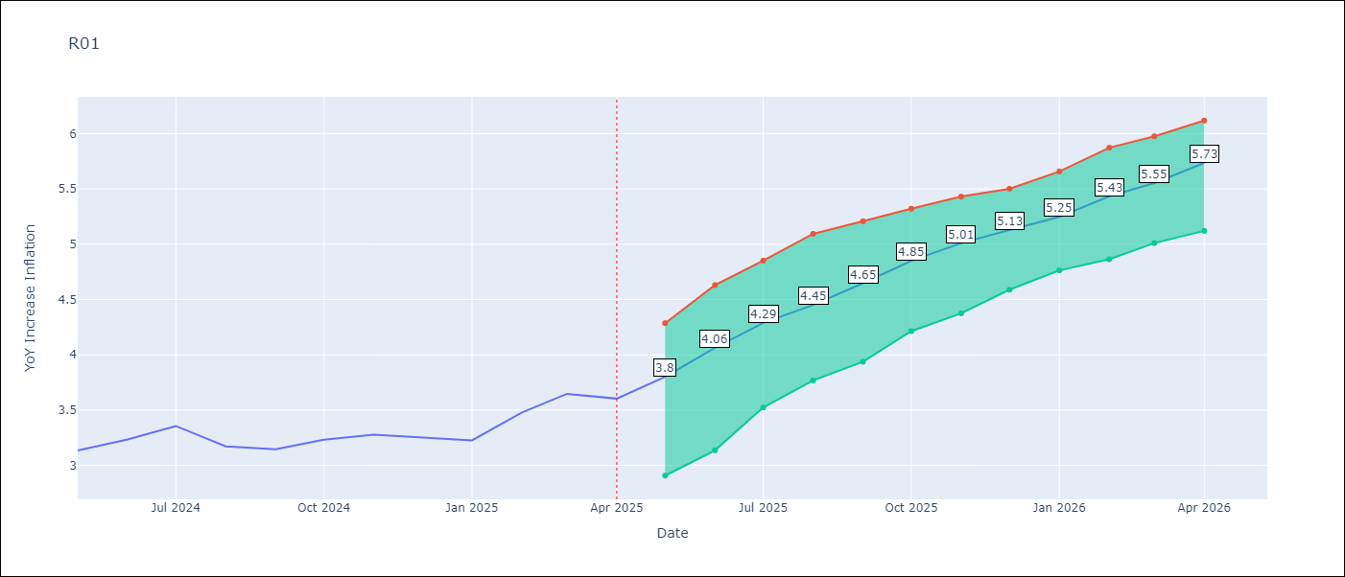

Test Metrics
RMSE | 4.52
Naive RMSE | 5.65
MAPE | 17.7%

Test Predictions
Date | Predicted | Actual
2024-06-01 | 3.69 | 3.13
2024-07-01 | 3.24 | 3.24
2024-08-01 | 2.87 | 3.36
2024-09-01 | 2.56 | 3.17
2024-10-01 | 2.41 | 3.15
2024-11-01 | 2.48 | 3.23
2024-12-01 | 2.74 | 3.28
2025-01-01 | 3.21 | 3.25
2025-02-01 | 3.74 | 3.23
2025-03-01 | 4.19 | 3.48
2025-04-01 | 4.62 | 3.65
2025-05-01 | 4.79 | 3.6

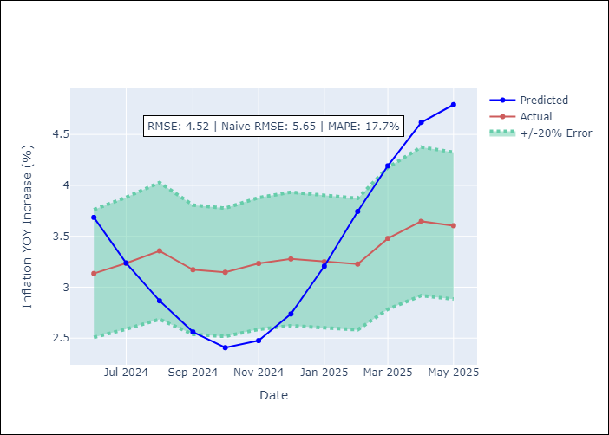
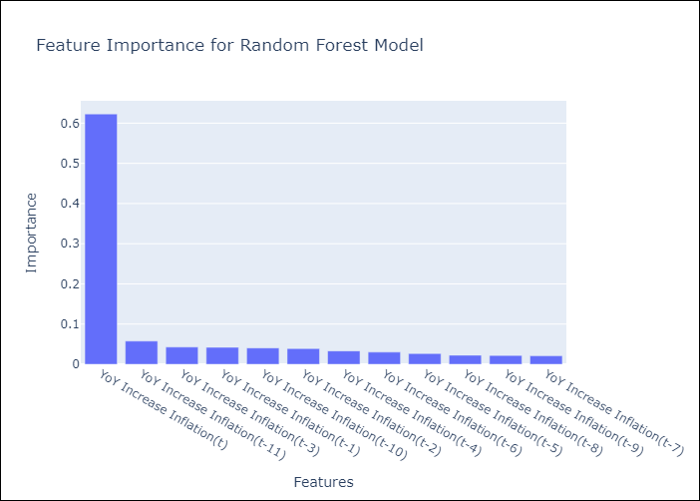

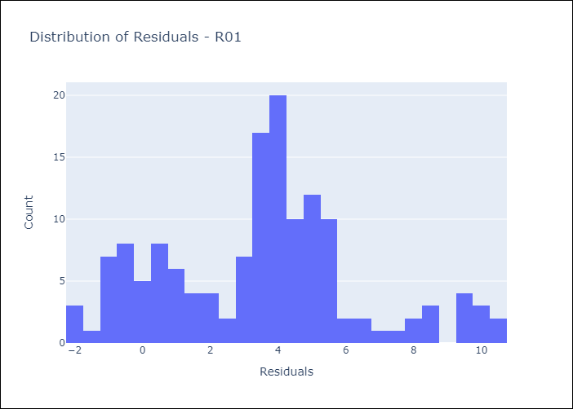
Appendix A: Model Summary
Model | Random Forest w/ Lags
Sample | 1998-01-01 to 2025-04-01
No. of Observations | 328
Residuals
Mean | 3.4844953367
St Dev | 2.8841849533
Kurtosis | -0.1514555985
Skewness | 0.27884405791

Assumptions | P-value



Appendix C: Residuals Analysis
Mean

R02
R02 - Inflation - Next 12 months forecast as of: 2025-04-01

Model | Random Forest w/ Lags - [(3, 1, 0), (1, 0, 1, 12)]
Training Data | 1998-01-01 to 2024-05-01
Test Data | 2024-05-01 to 2025-04-01

Date | Inflation Change YoY % | Lower Bound - 95% Confidence Interval | Upper Bound - 95% Confidence Interval
2025-05-01 | 3.19 | 2.91 | 4.36
2025-06-01 | 3.41 | 3.21 | 4.5
2025-07-01 | 3.64 | 3.34 | 4.91
2025-08-01 | 3.8 | 3.51 | 5.27
2025-09-01 | 4.01 | 3.74 | 5.51
2025-10-01 | 4.13 | 3.91 | 5.78
2025-11-01 | 4.33 | 4.07 | 6.01
2025-12-01 | 4.48 | 4.21 | 6.18
2026-01-01 | 4.61 | 4.36 | 6.32
2026-02-01 | 4.78 | 4.45 | 6.32
2026-03-01 | 4.9 | 4.67 | 6.45
2026-04-01 | 5.1 | 4.81 | 6.54

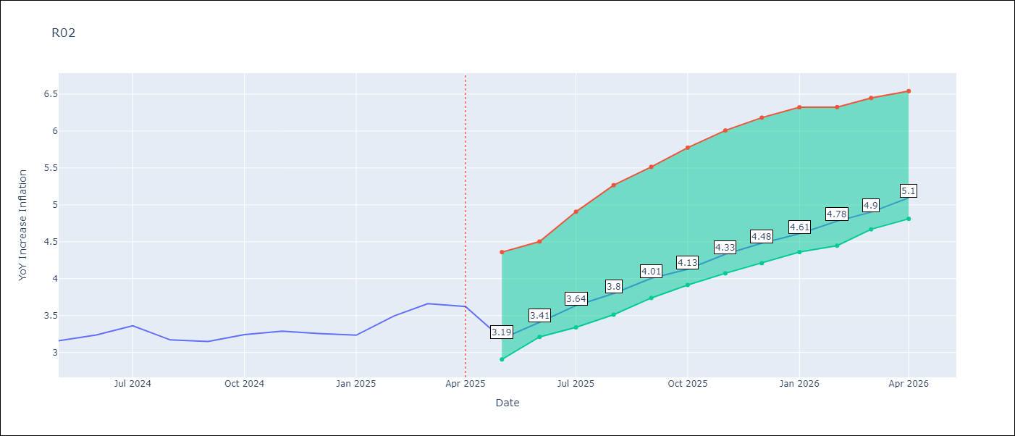

Test Metrics
RMSE | 4.58
Naive RMSE | 5.71
MAPE | 17.6%

Test Predictions
Date | Predicted | Actual
2024-06-01 | 3.65 | 3.16
2024-07-01 | 3.31 | 3.24
2024-08-01 | 2.94 | 3.36
2024-09-01 | 2.74 | 3.17
2024-10-01 | 2.64 | 3.15
2024-11-01 | 2.72 | 3.24
2024-12-01 | 3.01 | 3.29
2025-01-01 | 3.41 | 3.26
2025-02-01 | 4.01 | 3.23
2025-03-01 | 4.42 | 3.49
2025-04-01 | 4.85 | 3.66
2025-05-01 | 5.06 | 3.62

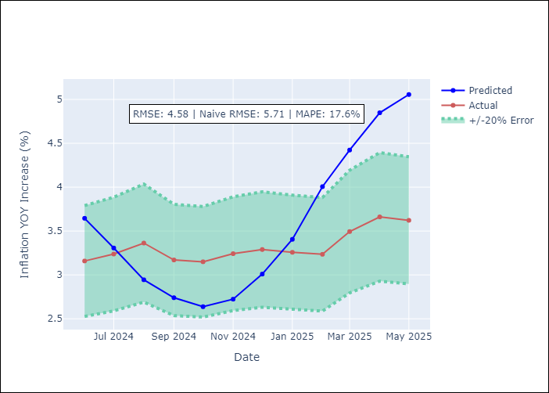


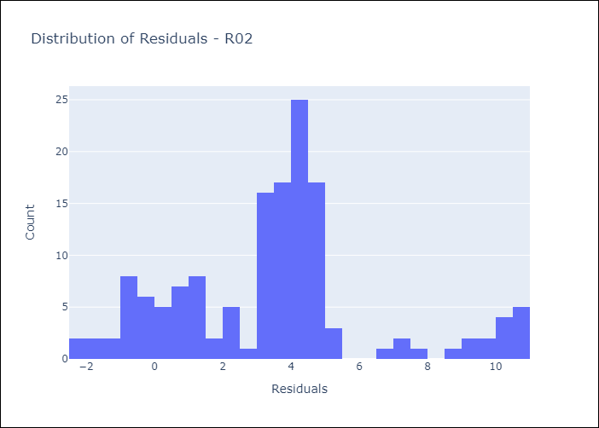
Appendix A: Model Summary
Model | Random Forest w/ Lags
Sample | 1998-01-01 to 2025-04-01
No. of Observations | 328
Residuals
Mean | 3.4964984017
St Dev | 2.963726797
Kurtosis | 0.41226120371
Skewness | 0.55929153993

Assumptions | P-value

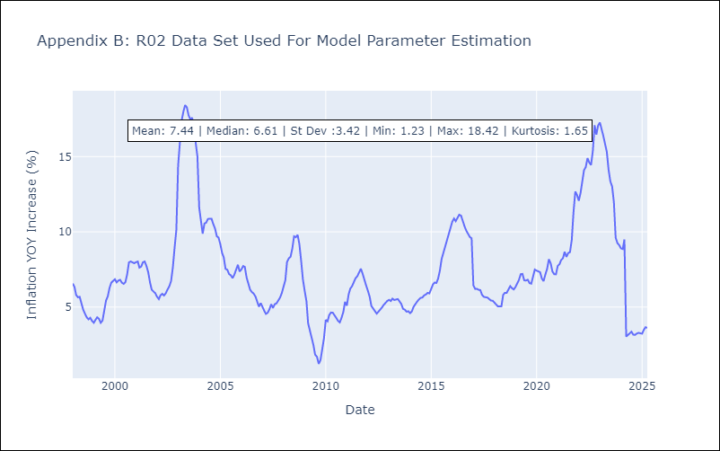

Appendix C: Residuals Analysis
Mean

R07
R07 - Inflation - Next 12 months forecast as of: 2025-04-01

Model | Random Forest w/ Lags - [(2, 1, 0), (0, 0, 1, 12)]
Training Data | 1993-01-01 to 2024-05-01
Test Data | 2024-05-01 to 2025-04-01

Date | Inflation Change YoY % | Lower Bound - 95% Confidence Interval | Upper Bound - 95% Confidence Interval
2025-05-01 | 2.31 | 2.12 | 2.64
2025-06-01 | 2.33 | 2.2 | 2.72
2025-07-01 | 2.45 | 2.35 | 2.97
2025-08-01 | 2.51 | 2.38 | 3.09
2025-09-01 | 2.53 | 2.34 | 3.51
2025-10-01 | 2.46 | 2.22 | 3.6
2025-11-01 | 2.61 | 2.26 | 3.91
2025-12-01 | 2.77 | 2.29 | 4.07
2026-01-01 | 2.89 | 2.42 | 4.38
2026-02-01 | 2.96 | 2.6 | 4.57
2026-03-01 | 3.27 | 2.91 | 5.14
2026-04-01 | 3.44 | 3.04 | 5.46

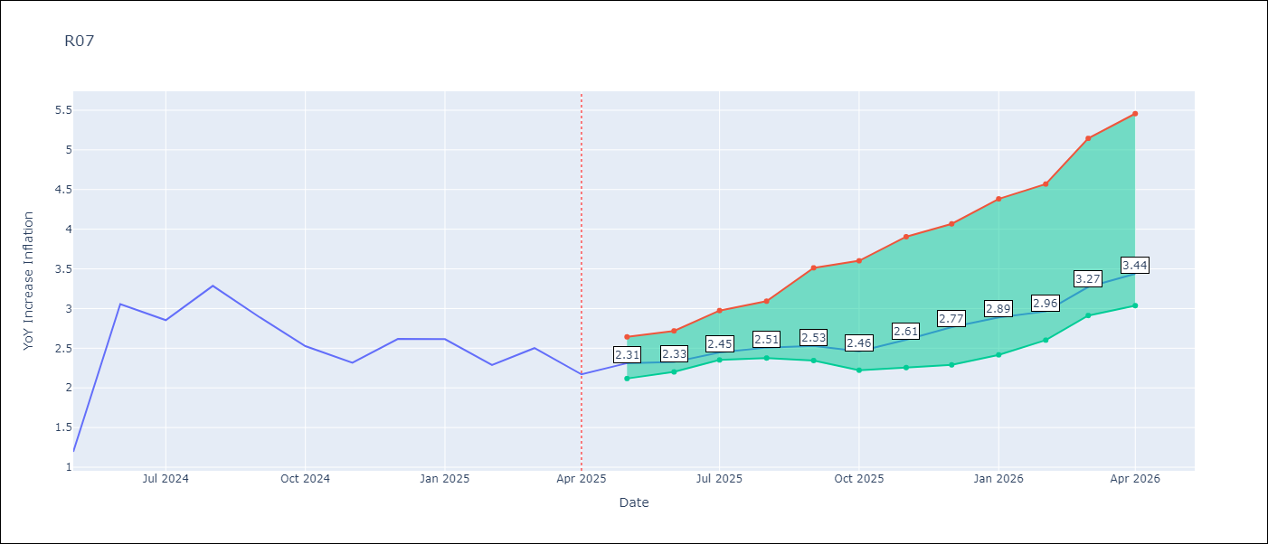

Test Metrics
RMSE | 3.01
Naive RMSE | 1.35
MAPE | 45.57%

Test Predictions
Date | Predicted | Actual
2024-06-01 | 2.68 | 1.19
2024-07-01 | 2.7 | 3.06
2024-08-01 | 2.8 | 2.85
2024-09-01 | 2.96 | 3.29
2024-10-01 | 3.13 | 2.89
2024-11-01 | 3.36 | 2.53
2024-12-01 | 3.57 | 2.32
2025-01-01 | 3.73 | 2.62
2025-02-01 | 3.79 | 2.61
2025-03-01 | 3.93 | 2.29
2025-04-01 | 3.97 | 2.5
2025-05-01 | 4.03 | 2.17

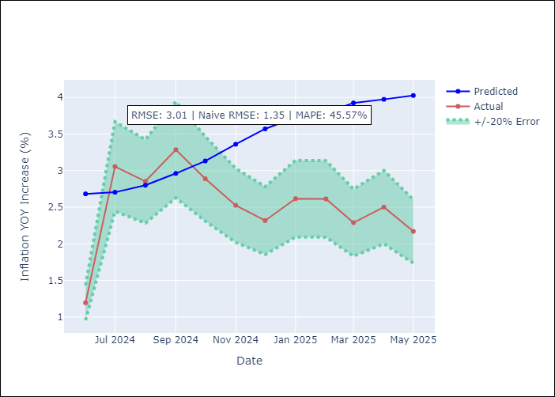
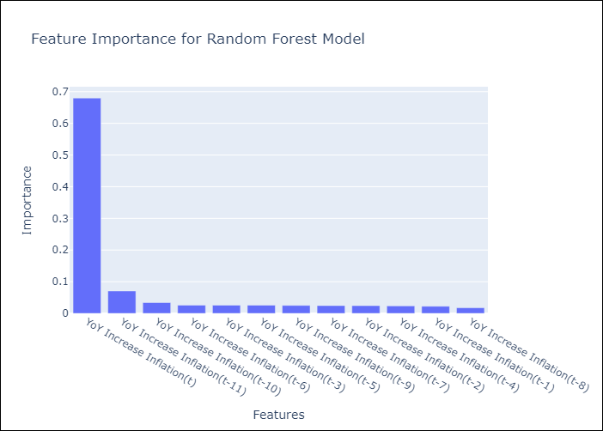

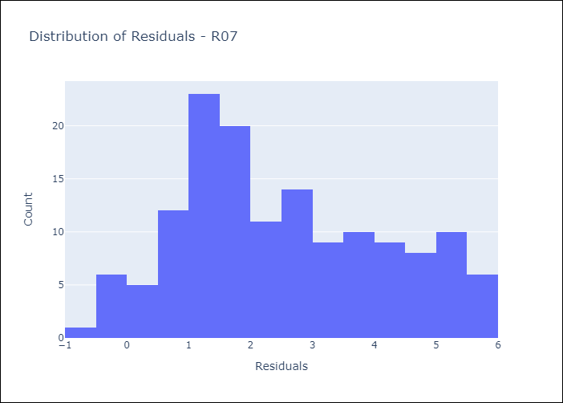
Appendix A: Model Summary
Model | Random Forest w/ Lags
Sample | 1993-01-01 to 2025-04-01
No. of Observations | 388
Residuals
Mean | 2.5318945586
St Dev | 1.6357100619
Kurtosis | -0.90307430888
Skewness | 0.26555472853

Assumptions | P-value



Appendix C: Residuals Analysis
Mean

SUR10
SUR10 - Inflation - Next 12 months forecast as of: 2025-04-01

Model | Random Forest w/ Lags - [(3, 2, 1), (2, 0, 1, 12)]
Training Data | 1998-01-01 to 2024-05-01
Test Data | 2024-05-01 to 2025-04-01

Date | Inflation Change YoY % | Lower Bound - 95% Confidence Interval | Upper Bound - 95% Confidence Interval
2025-05-01 | 5.01 | 4.92 | 5.32
2025-06-01 | 5.04 | 4.92 | 5.35
2025-07-01 | 5 | 4.91 | 5.39
2025-08-01 | 4.99 | 4.83 | 5.39
2025-09-01 | 5.03 | 4.85 | 5.39
2025-10-01 | 5.07 | 4.83 | 5.44
2025-11-01 | 5.12 | 4.85 | 5.51
2025-12-01 | 5.22 | 4.88 | 5.62
2026-01-01 | 5.32 | 5.01 | 5.74
2026-02-01 | 5.45 | 5.18 | 5.95
2026-03-01 | 5.55 | 5.35 | 6.18
2026-04-01 | 5.68 | 5.45 | 6.27

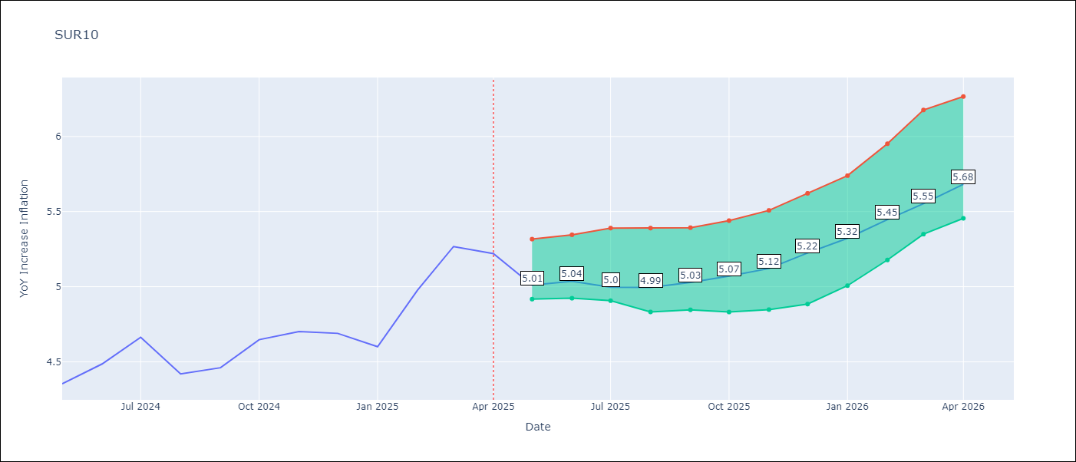

Test Metrics
RMSE | 0.5
Naive RMSE | 0.61
MAPE | 3.65%

Test Predictions
Date | Predicted | Actual
2024-06-01 | 4.58 | 4.35
2024-07-01 | 4.65 | 4.49
2024-08-01 | 4.7 | 4.66
2024-09-01 | 4.66 | 4.42
2024-10-01 | 4.64 | 4.46
2024-11-01 | 4.71 | 4.65
2024-12-01 | 4.83 | 4.7
2025-01-01 | 4.88 | 4.69
2025-02-01 | 4.9 | 4.6
2025-03-01 | 4.93 | 4.98
2025-04-01 | 4.97 | 5.27
2025-05-01 | 5.06 | 5.22

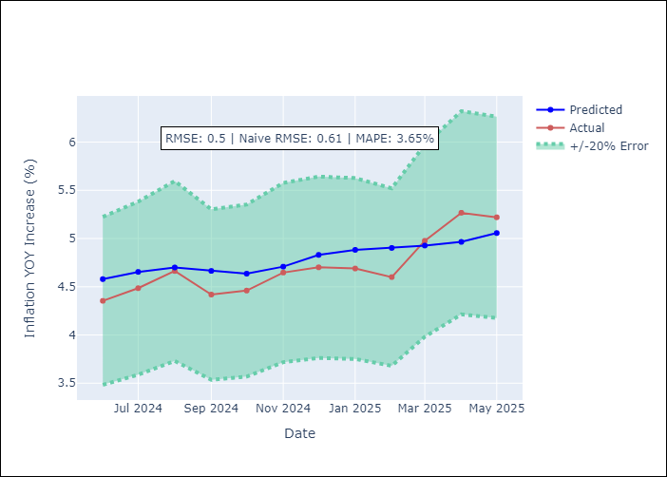
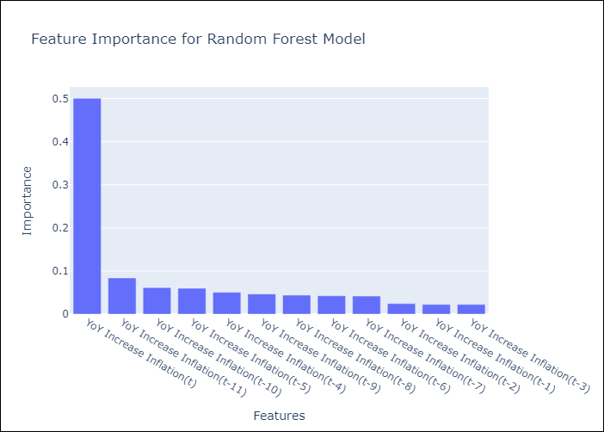

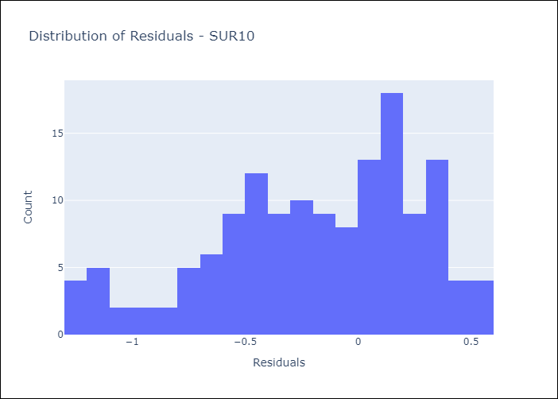
Appendix A: Model Summary
Model | Random Forest w/ Lags
Sample | 1998-01-01 to 2025-04-01
No. of Observations | 328
Residuals
Mean | -0.19324785547
St Dev | 0.4612456954
Kurtosis | -0.49250959218
Skewness | -0.55240421131

Assumptions | P-value

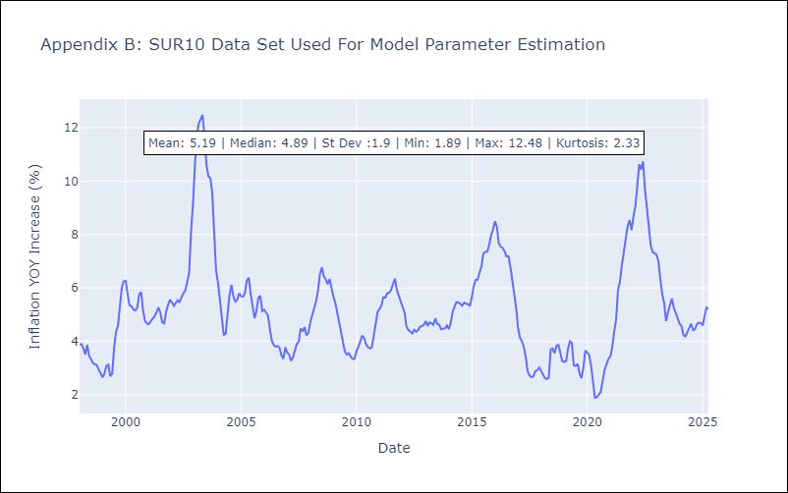

Appendix C: Residuals Analysis
Mean

