R01
R01 - Inflation - Next 12 months forecast as of: 2025-04-01

Model | Random Forest w/ Lags - [(1, 2, 1), (1, 0, 1, 12)]
Training Data | 1998-01-01 to 2024-05-01
Test Data | 2024-05-01 to 2025-04-01

Date | Inflation Change YoY % | Lower Bound - 95% Confidence Interval | Upper Bound - 95% Confidence Interval
2025-05-01 | 3.8 | 3.2 | 4.28
2025-06-01 | 4.1 | 3.47 | 4.52
2025-07-01 | 4.32 | 3.63 | 4.74
2025-08-01 | 4.48 | 3.79 | 4.89
2025-09-01 | 4.62 | 3.96 | 5.07
2025-10-01 | 4.77 | 4.06 | 5.26
2025-11-01 | 4.93 | 4.21 | 5.38
2025-12-01 | 5.05 | 4.41 | 5.46
2026-01-01 | 5.21 | 4.59 | 5.5
2026-02-01 | 5.35 | 4.71 | 5.71
2026-03-01 | 5.52 | 4.88 | 5.84
2026-04-01 | 5.73 | 5.05 | 6.02

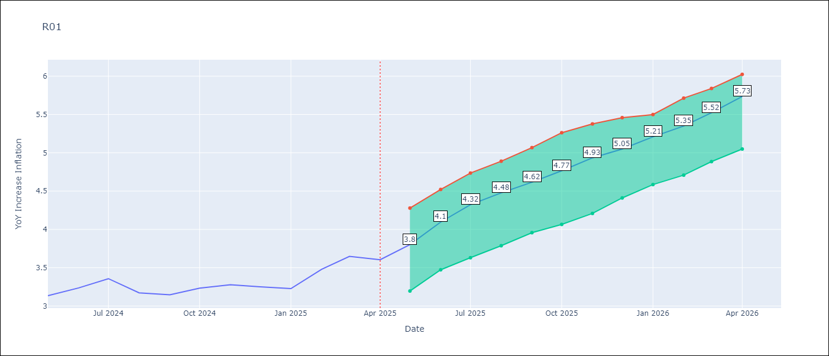

Test Metrics
RMSE | 4.57
Naive RMSE | 5.65
MAPE | 18.12%

Test Predictions
Date | Predicted | Actual
2024-06-01 | 3.56 | 3.13
2024-07-01 | 3.11 | 3.24
2024-08-01 | 2.76 | 3.36
2024-09-01 | 2.54 | 3.17
2024-10-01 | 2.43 | 3.15
2024-11-01 | 2.62 | 3.23
2024-12-01 | 2.94 | 3.28
2025-01-01 | 3.45 | 3.25
2025-02-01 | 3.97 | 3.23
2025-03-01 | 4.29 | 3.48
2025-04-01 | 4.62 | 3.65
2025-05-01 | 4.74 | 3.6

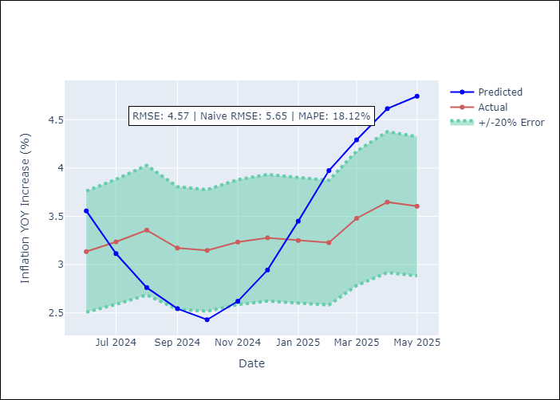
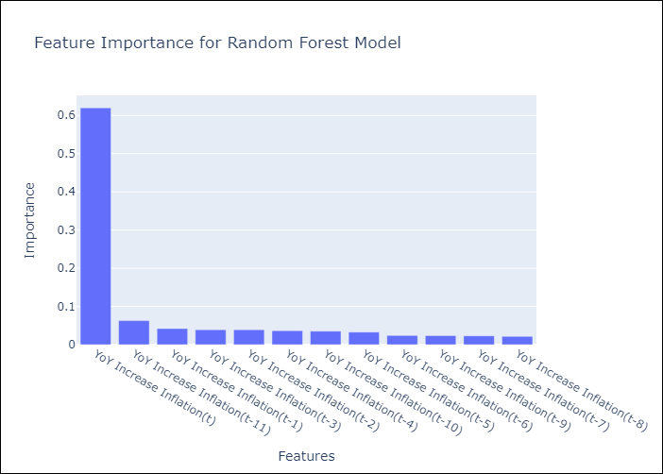

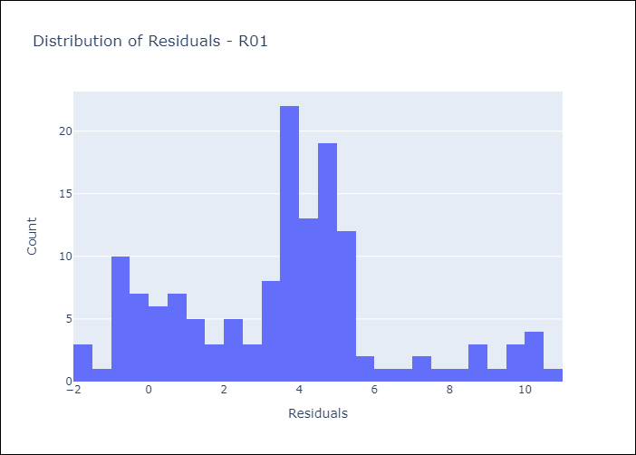
Appendix A: Model Summary
Model | Random Forest w/ Lags
Sample | 1998-01-01 to 2025-04-01
No. of Observations | 328
Residuals
Mean | 3.5474595597
St Dev | 2.8775353173
Kurtosis | -0.0042454656449
Skewness | 0.33749035546

Assumptions | P-value



Appendix C: Residuals Analysis
Mean

