ARG
ARG - Inflation - Next 12 months forecast as of: 2025-04-01

Model | Random Forest w/ Lags - [(2, 2, 2), (0, 0, 1, 12)]
Training Data | 2007-01-01 to 2024-05-01
Test Data | 2024-05-01 to 2025-04-01

Date | Inflation Change YoY % | Lower Bound - 95% Confidence Interval | Upper Bound - 95% Confidence Interval
2025-05-01 | 54.63 | 49.88 | 72.27
2025-06-01 | 54.13 | 47.99 | 73.42
2025-07-01 | 53.27 | 46.73 | 73.93
2025-08-01 | 52.09 | 46.33 | 74.05
2025-09-01 | 51.06 | 45.27 | 75.63
2025-10-01 | 49.96 | 43.96 | 77.12
2025-11-01 | 48.9 | 42.37 | 79.28
2025-12-01 | 48.63 | 42.83 | 83.66
2026-01-01 | 49.6 | 43.03 | 92.16
2026-02-01 | 51.86 | 44.06 | 102.76
2026-03-01 | 54.08 | 45.35 | 115.34
2026-04-01 | 56.89 | 46.61 | 125.29

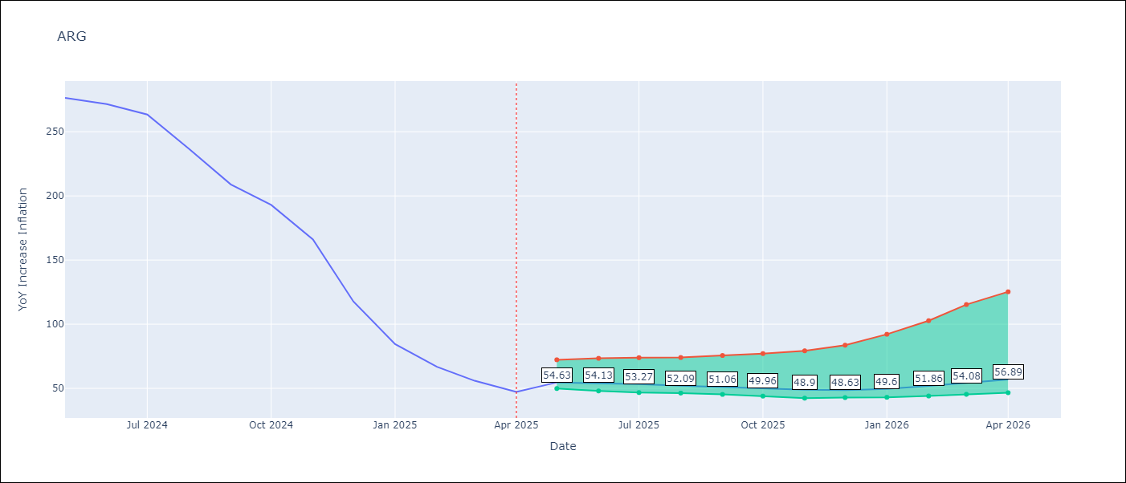

Test Metrics
RMSE | 112.13
Naive RMSE | 111.72
MAPE | 143.1%

Test Predictions
Date | Predicted | Actual
2024-06-01 | 111.35 | 276.41
2024-07-01 | 114.08 | 271.53
2024-08-01 | 113.77 | 263.45
2024-09-01 | 120.07 | 236.72
2024-10-01 | 131.4 | 209
2024-11-01 | 138.65 | 192.99
2024-12-01 | 152.29 | 166.03
2025-01-01 | 188.58 | 117.76
2025-02-01 | 229.85 | 84.54
2025-03-01 | 259.4 | 66.87
2025-04-01 | 277.7 | 55.93
2025-05-01 | 285.18 | 47.26

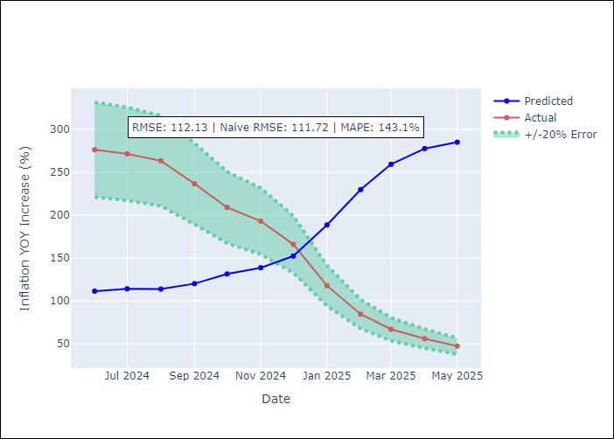
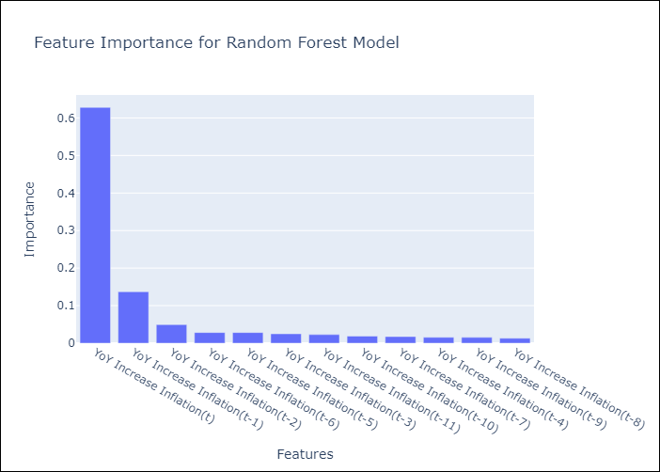

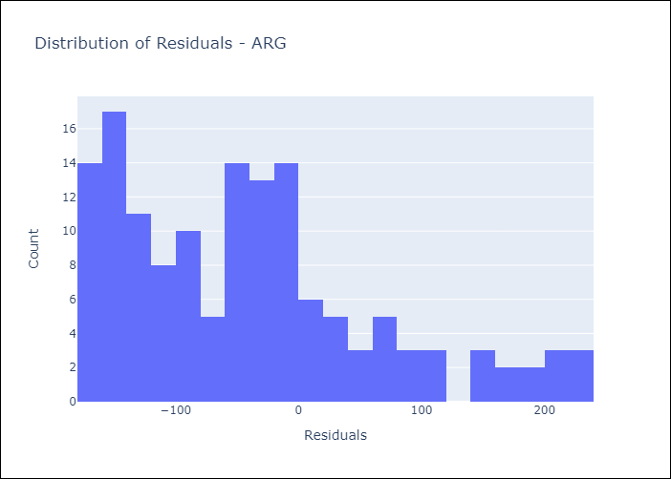
Appendix A: Model Summary
Model | Random Forest w/ Lags
Sample | 2007-01-01 to 2025-04-01
No. of Observations | 220
Residuals
Mean | -41.085286787
St Dev | 104.33443213
Kurtosis | 0.11140009439
Skewness | 0.84640851972

Assumptions | P-value

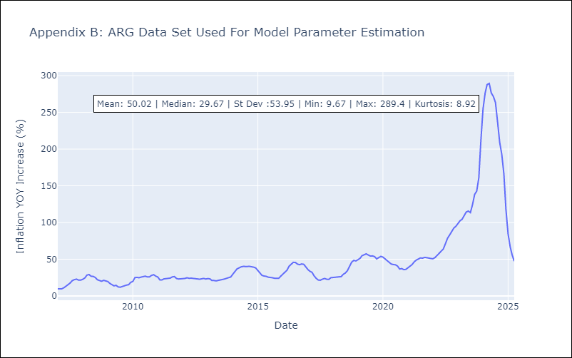

Appendix C: Residuals Analysis
Mean

BOL
BOL - Inflation - Next 12 months forecast as of: 2025-04-01

Model | Random Forest w/ Lags - [(1, 1, 2), (0, 0, 2, 12)]
Training Data | 2021-01-01 to 2024-05-01
Test Data | 2024-05-01 to 2025-04-01

Date | Inflation Change YoY % | Lower Bound - 95% Confidence Interval | Upper Bound - 95% Confidence Interval
2025-05-01 | 2.69 | 2.08 | 2.97
2025-06-01 | 2.69 | 2.17 | 2.84
2025-07-01 | 2.66 | 2.29 | 2.76
2025-08-01 | 2.77 | 2.39 | 2.98
2025-09-01 | 2.82 | 2.55 | 2.91
2025-10-01 | 2.59 | 2.22 | 2.79
2025-11-01 | 2.26 | 1.7 | 2.65
2025-12-01 | 2.18 | 1.98 | 2.62
2026-01-01 | 2.12 | 1.93 | 2.53
2026-02-01 | 2.21 | 2.02 | 2.56
2026-03-01 | 2.46 | 2.22 | 2.95
2026-04-01 | 2.77 | 2.4 | 3.36

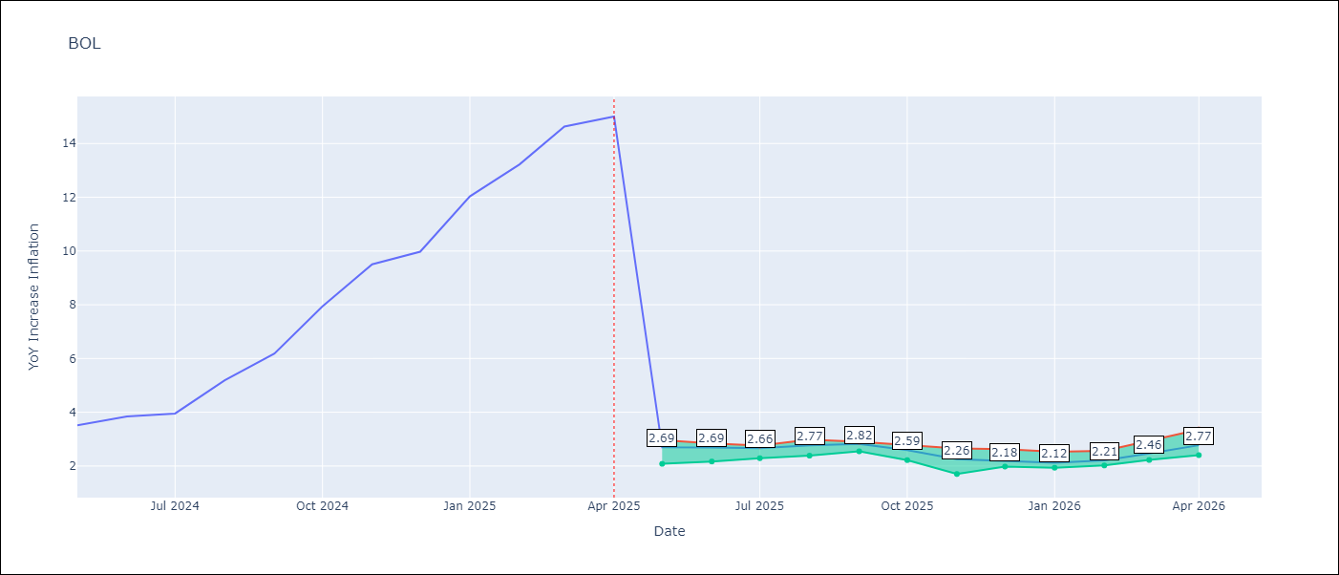

Test Metrics
RMSE | 3.9
Naive RMSE | 3.85
MAPE | 61.32%

Test Predictions
Date | Predicted | Actual
2024-06-01 | 2.66 | 3.52
2024-07-01 | 2.65 | 3.84
2024-08-01 | 2.67 | 3.95
2024-09-01 | 2.76 | 5.19
2024-10-01 | 2.8 | 6.18
2024-11-01 | 2.66 | 7.94
2024-12-01 | 2.5 | 9.51
2025-01-01 | 2.47 | 9.97
2025-02-01 | 2.33 | 12.03
2025-03-01 | 2.25 | 13.22
2025-04-01 | 2.3 | 14.63
2025-05-01 | 2.52 | 15.01

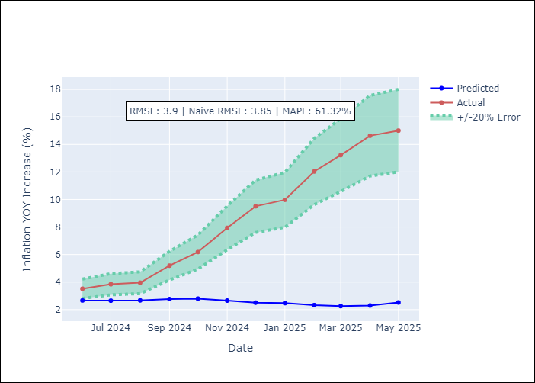
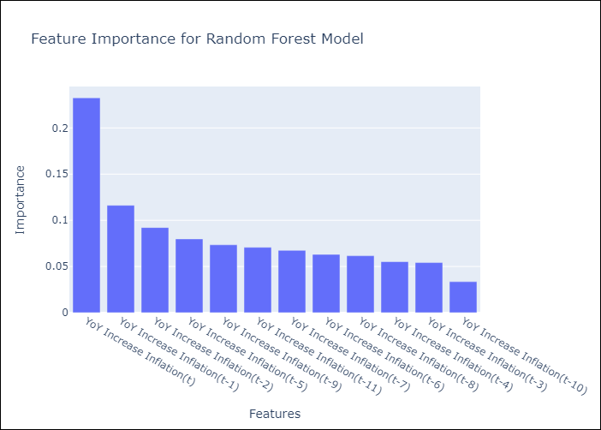

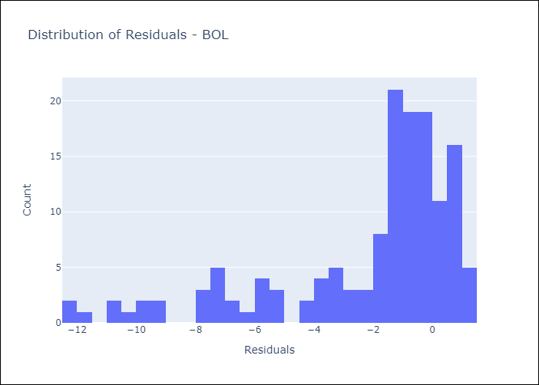
Appendix A: Model Summary
Model | Random Forest w/ Lags
Sample | 2021-01-01 to 2025-04-01
No. of Observations | 52
Residuals
Mean | -2.2151136628
St Dev | 3.2074277992
Kurtosis | 1.4032470032
Skewness | -1.4751487699

Assumptions | P-value

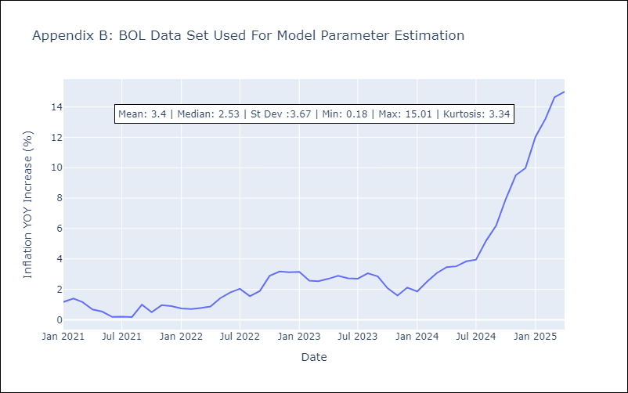

Appendix C: Residuals Analysis
Mean

BRA
BRA - Inflation - Next 12 months forecast as of: 2025-04-01

Model | Random Forest w/ Lags - [(1, 2, 1), (0, 0, 1, 12)]
Training Data | 1998-01-01 to 2024-05-01
Test Data | 2024-05-01 to 2025-04-01

Date | Inflation Change YoY % | Lower Bound - 95% Confidence Interval | Upper Bound - 95% Confidence Interval
2025-05-01 | 5.76 | 5.28 | 5.98
2025-06-01 | 5.88 | 5.23 | 6.15
2025-07-01 | 5.91 | 5.28 | 6.16
2025-08-01 | 5.98 | 5.37 | 6.24
2025-09-01 | 6.05 | 5.52 | 6.33
2025-10-01 | 6.06 | 5.57 | 6.33
2025-11-01 | 5.98 | 5.56 | 6.3
2025-12-01 | 5.93 | 5.48 | 6.3
2026-01-01 | 5.89 | 5.51 | 6.36
2026-02-01 | 5.82 | 5.45 | 6.42
2026-03-01 | 5.74 | 5.41 | 6.51
2026-04-01 | 5.58 | 5.31 | 6.53

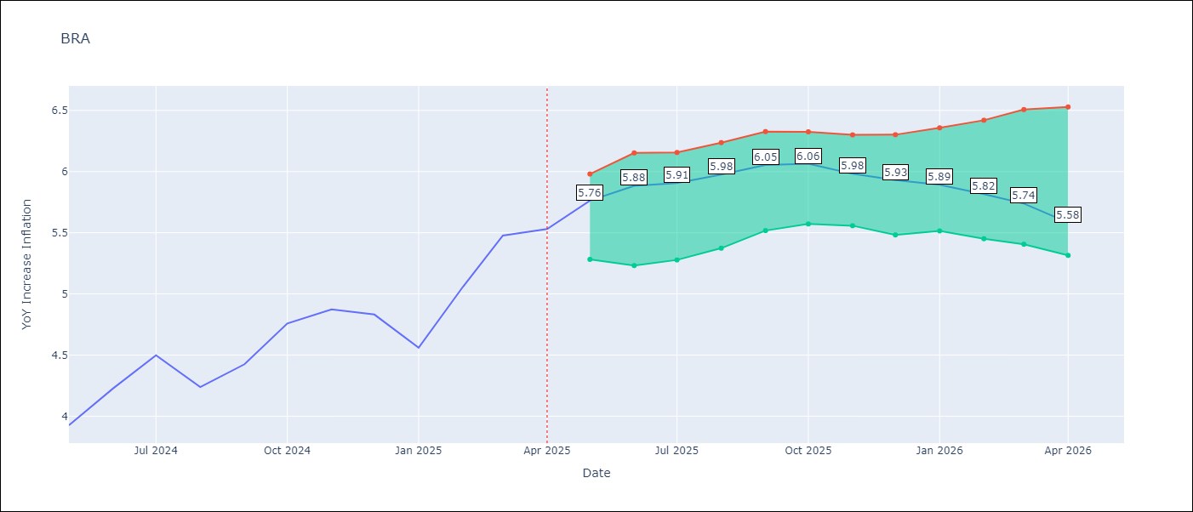

Test Metrics
RMSE | 1.04
Naive RMSE | 0.73
MAPE | 23.21%

Test Predictions
Date | Predicted | Actual
2024-06-01 | 3.76 | 3.93
2024-07-01 | 4 | 4.23
2024-08-01 | 4.06 | 4.5
2024-09-01 | 3.86 | 4.24
2024-10-01 | 3.56 | 4.42
2024-11-01 | 3.33 | 4.76
2024-12-01 | 3.15 | 4.87
2025-01-01 | 2.99 | 4.83
2025-02-01 | 3.02 | 4.56
2025-03-01 | 3.32 | 5.06
2025-04-01 | 3.73 | 5.48
2025-05-01 | 4.02 | 5.53

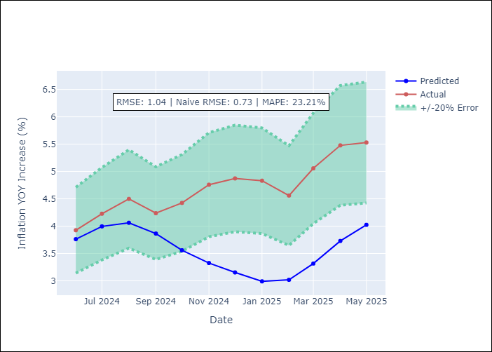
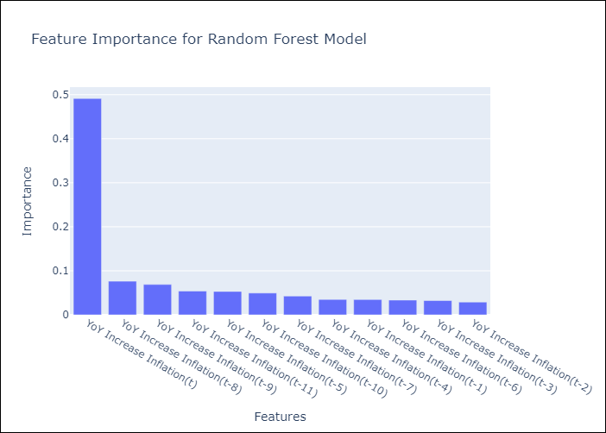

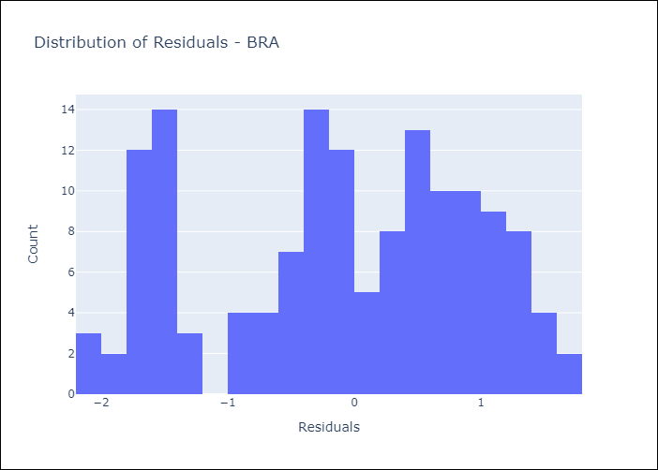
Appendix A: Model Summary
Model | Random Forest w/ Lags
Sample | 1998-01-01 to 2025-04-01
No. of Observations | 328
Residuals
Mean | -0.11053900838
St Dev | 1.0360864875
Kurtosis | -1.0774950984
Skewness | -0.27588866944

Assumptions | P-value



Appendix C: Residuals Analysis
Mean

CHL
CHL - Inflation - Next 12 months forecast as of: 2025-04-01

Model | Random Forest w/ Lags - [(2, 0, 0), (0, 0, 1, 12)]
Training Data | 2012-12-01 to 2024-05-01
Test Data | 2024-05-01 to 2025-04-01

Date | Inflation Change YoY % | Lower Bound - 95% Confidence Interval | Upper Bound - 95% Confidence Interval
2025-05-01 | 4.44 | 4.25 | 4.61
2025-06-01 | 4.37 | 4.21 | 4.55
2025-07-01 | 4.25 | 4.1 | 4.55
2025-08-01 | 4.1 | 3.93 | 4.43
2025-09-01 | 3.99 | 3.71 | 4.38
2025-10-01 | 3.97 | 3.62 | 4.38
2025-11-01 | 3.91 | 3.51 | 4.42
2025-12-01 | 3.79 | 3.4 | 4.35
2026-01-01 | 3.62 | 3.26 | 4.18
2026-02-01 | 3.51 | 3.18 | 4.14
2026-03-01 | 3.5 | 3.12 | 4.06
2026-04-01 | 3.45 | 3 | 4.03

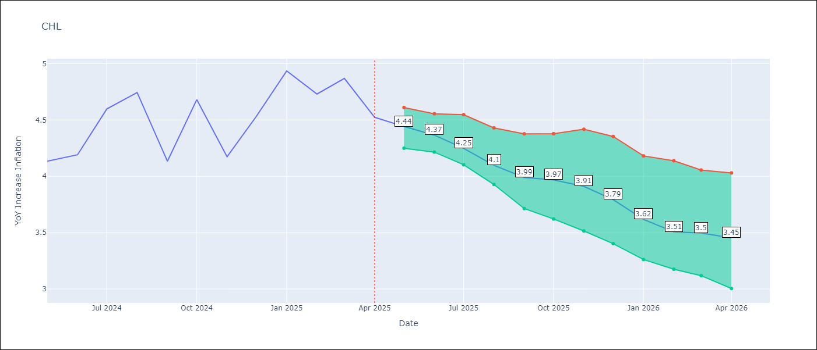

Test Metrics
RMSE | 1.3
Naive RMSE | 1.71
MAPE | 6.19%

Test Predictions
Date | Predicted | Actual
2024-06-01 | 4.1 | 4.13
2024-07-01 | 4.2 | 4.19
2024-08-01 | 4.27 | 4.6
2024-09-01 | 4.25 | 4.74
2024-10-01 | 4.11 | 4.13
2024-11-01 | 4.13 | 4.68
2024-12-01 | 4.26 | 4.17
2025-01-01 | 4.39 | 4.53
2025-02-01 | 4.38 | 4.94
2025-03-01 | 4.34 | 4.73
2025-04-01 | 4.25 | 4.87
2025-05-01 | 4.24 | 4.52

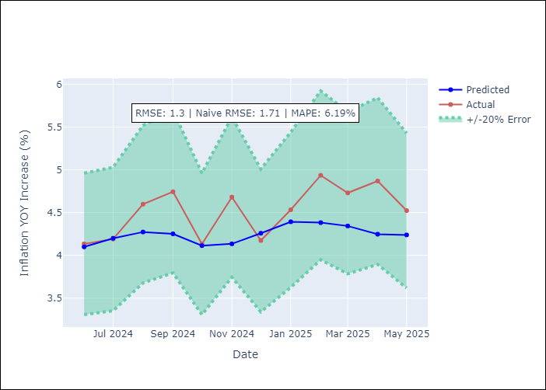
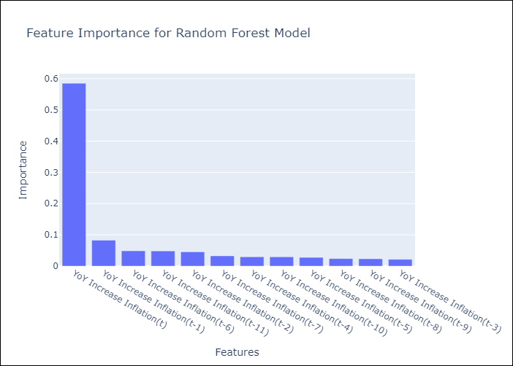

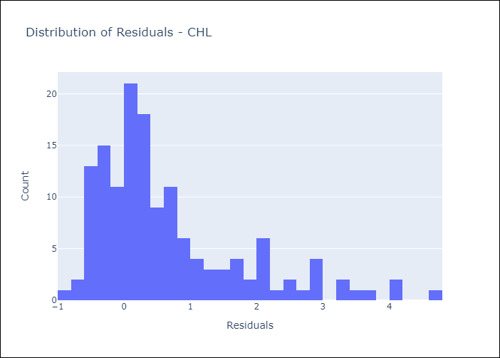
Appendix A: Model Summary
Model | Random Forest w/ Lags
Sample | 2012-12-01 to 2025-04-01
No. of Observations | 149
Residuals
Mean | 0.65551424567
St Dev | 1.1239556545
Kurtosis | 1.5250752126
Skewness | 1.4044869582

Assumptions | P-value



Appendix C: Residuals Analysis
Mean

COL
COL - Inflation - Next 12 months forecast as of: 2025-04-01

Model | Random Forest w/ Lags - [(1, 0, 1), (0, 0, 0, 12)]
Training Data | 2006-01-01 to 2024-05-01
Test Data | 2024-05-01 to 2025-04-01

Date | Inflation Change YoY % | Lower Bound - 95% Confidence Interval | Upper Bound - 95% Confidence Interval
2025-05-01 | 5.76 | 5.18 | 5.99
2025-06-01 | 5.83 | 5.15 | 6.1
2025-07-01 | 5.95 | 5.04 | 6.26
2025-08-01 | 6.22 | 5.01 | 6.68
2025-09-01 | 6.46 | 4.92 | 7.06
2025-10-01 | 6.69 | 4.8 | 7.38
2025-11-01 | 6.77 | 4.57 | 7.5
2025-12-01 | 6.85 | 4.49 | 7.64
2026-01-01 | 6.86 | 4.33 | 7.61
2026-02-01 | 6.83 | 4.25 | 7.58
2026-03-01 | 6.66 | 4.04 | 7.47
2026-04-01 | 6.41 | 3.8 | 7.38

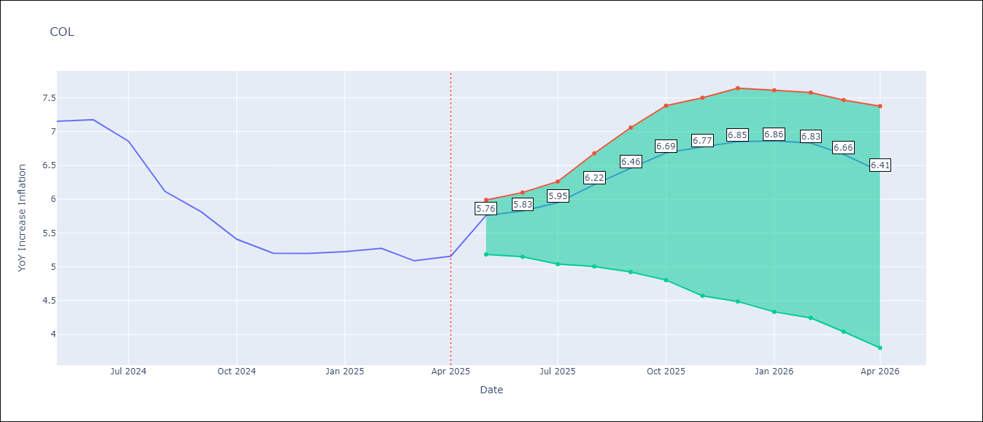

Test Metrics
RMSE | 2.6
Naive RMSE | 2.95
MAPE | 22.89%

Test Predictions
Date | Predicted | Actual
2024-06-01 | 5.76 | 7.15
2024-07-01 | 5.47 | 7.18
2024-08-01 | 5.14 | 6.86
2024-09-01 | 4.83 | 6.12
2024-10-01 | 4.53 | 5.81
2024-11-01 | 4.34 | 5.41
2024-12-01 | 4.08 | 5.2
2025-01-01 | 4 | 5.2
2025-02-01 | 3.92 | 5.22
2025-03-01 | 3.96 | 5.27
2025-04-01 | 3.9 | 5.09
2025-05-01 | 3.85 | 5.16

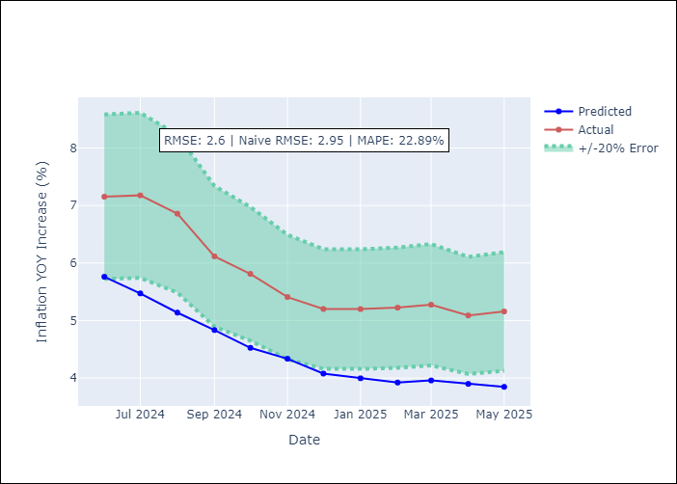
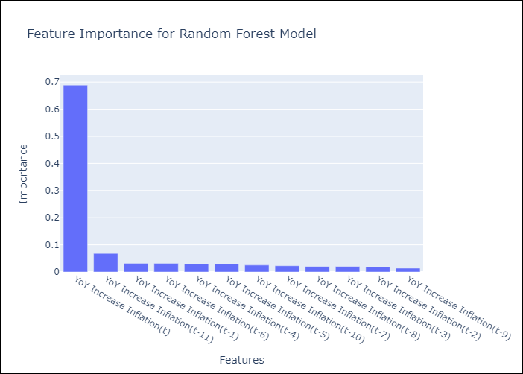

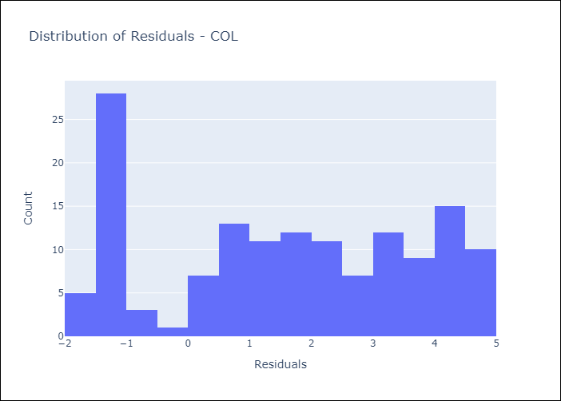
Appendix A: Model Summary
Model | Random Forest w/ Lags
Sample | 2006-01-01 to 2025-04-01
No. of Observations | 232
Residuals
Mean | 1.5887823386
St Dev | 2.0561592453
Kurtosis | -1.2666622688
Skewness | -0.097778018238

Assumptions | P-value

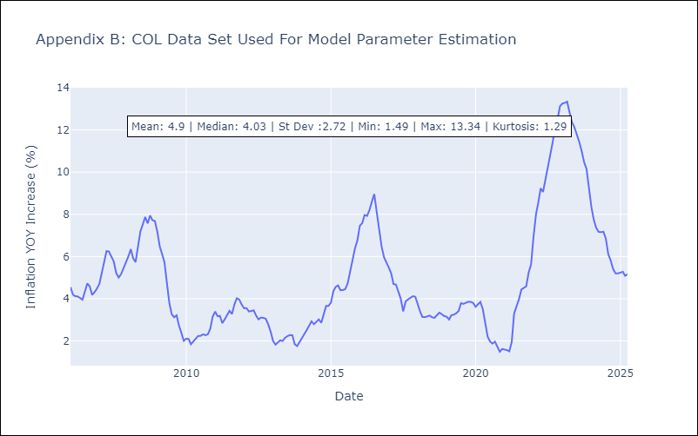

Appendix C: Residuals Analysis
Mean

ECU
ECU - Inflation - Next 12 months forecast as of: 2025-04-01

Model | Random Forest w/ Lags - [(2, 1, 1), (3, 0, 0, 12)]
Training Data | 2009-01-01 to 2024-05-01
Test Data | 2024-05-01 to 2025-04-01

Date | Inflation Change YoY % | Lower Bound - 95% Confidence Interval | Upper Bound - 95% Confidence Interval
2025-05-01 | 0.05 | -0.59 | 0.46
2025-06-01 | 0.05 | -0.56 | 0.42
2025-07-01 | -0.03 | -0.55 | 0.3
2025-08-01 | -0.11 | -0.52 | 0.28
2025-09-01 | -0.29 | -0.52 | 0.05
2025-10-01 | -0.46 | -0.55 | -0.09
2025-11-01 | -0.52 | -0.59 | -0.14
2025-12-01 | -0.54 | -0.66 | -0.23
2026-01-01 | -0.46 | -0.61 | -0.17
2026-02-01 | -0.23 | -0.53 | 0.24
2026-03-01 | -0.03 | -0.45 | 0.59
2026-04-01 | 0.14 | -0.41 | 0.8

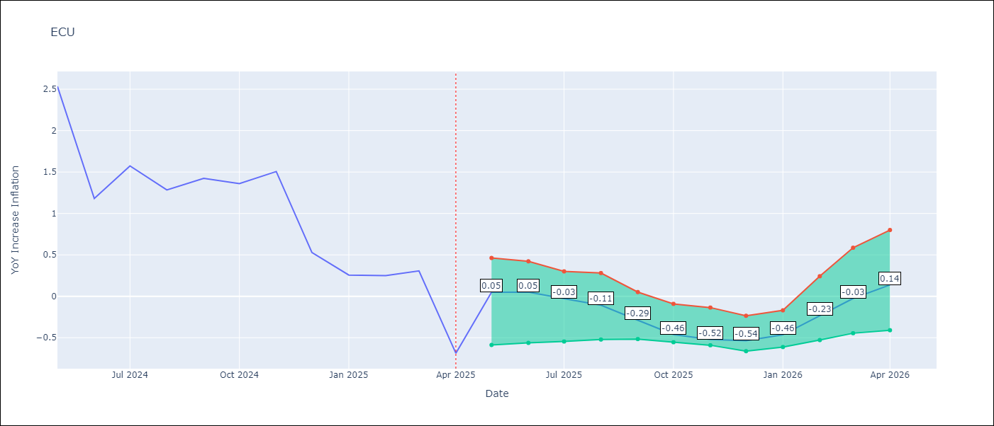

Test Metrics
RMSE | 1.39
Naive RMSE | 0.86
MAPE | 489.28%

Test Predictions
Date | Predicted | Actual
2024-06-01 | 2.91 | 2.53
2024-07-01 | 3.02 | 1.18
2024-08-01 | 3.17 | 1.57
2024-09-01 | 3.33 | 1.28
2024-10-01 | 3.54 | 1.42
2024-11-01 | 3.64 | 1.36
2024-12-01 | 3.73 | 1.51
2025-01-01 | 3.77 | 0.53
2025-02-01 | 3.75 | 0.26
2025-03-01 | 3.66 | 0.25
2025-04-01 | 3.53 | 0.31
2025-05-01 | 3.38 | -0.69

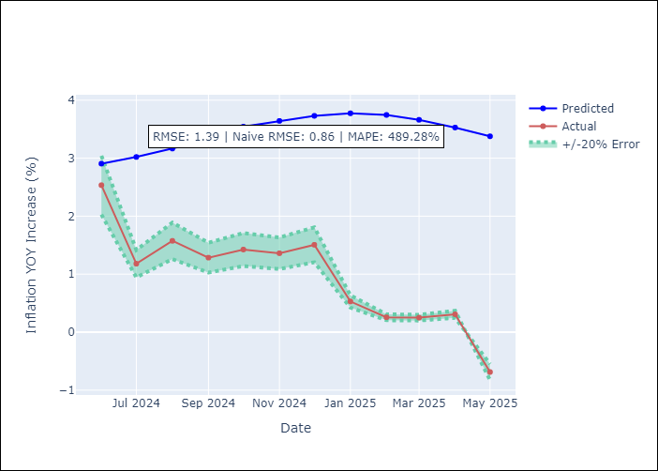
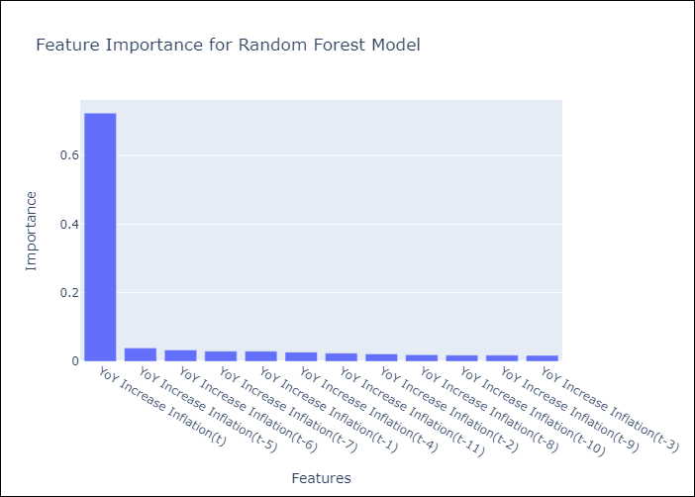

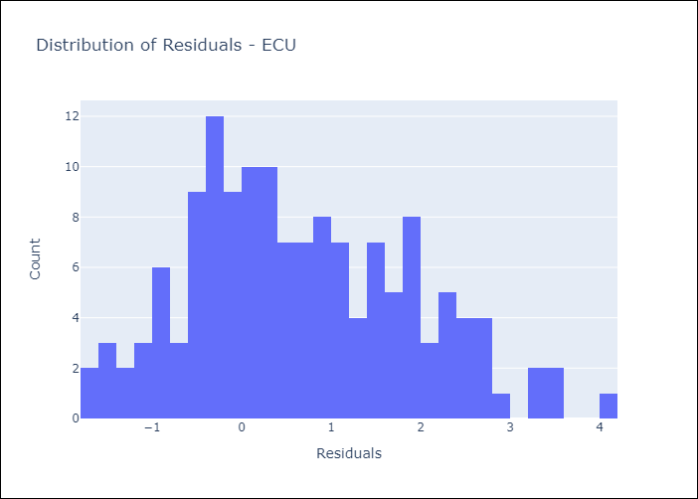
Appendix A: Model Summary
Model | Random Forest w/ Lags
Sample | 2009-01-01 to 2025-04-01
No. of Observations | 196
Residuals
Mean | 0.65693277503
St Dev | 1.2304335683
Kurtosis | -0.51685830869
Skewness | 0.35194792623

Assumptions | P-value

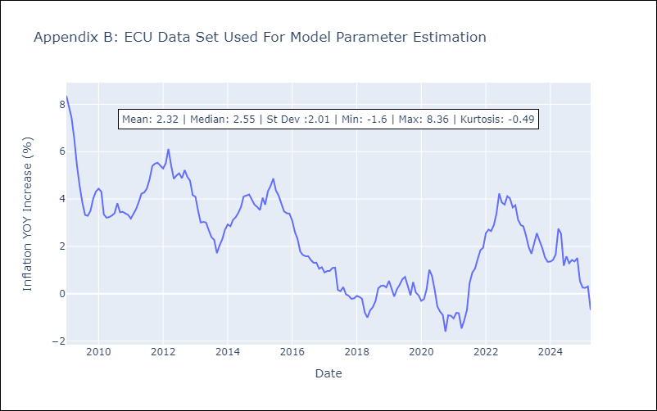

Appendix C: Residuals Analysis
Mean

PER
PER - Inflation - Next 12 months forecast as of: 2025-04-01

Model | Random Forest w/ Lags - [(3, 2, 0), (3, 0, 0, 12)]
Training Data | 1994-01-01 to 2024-05-01
Test Data | 2024-05-01 to 2025-04-01

Date | Inflation Change YoY % | Lower Bound - 95% Confidence Interval | Upper Bound - 95% Confidence Interval
2025-05-01 | 1.78 | 1.53 | 1.83
2025-06-01 | 1.76 | 1.56 | 1.92
2025-07-01 | 1.93 | 1.65 | 2.05
2025-08-01 | 1.95 | 1.69 | 2.11
2025-09-01 | 2.09 | 1.8 | 2.2
2025-10-01 | 2.1 | 1.74 | 2.32
2025-11-01 | 2.32 | 1.95 | 2.52
2025-12-01 | 2.43 | 1.94 | 2.86
2026-01-01 | 2.66 | 2.15 | 3.05
2026-02-01 | 2.75 | 2.22 | 3.35
2026-03-01 | 2.85 | 2.3 | 3.46
2026-04-01 | 3.09 | 2.4 | 3.72

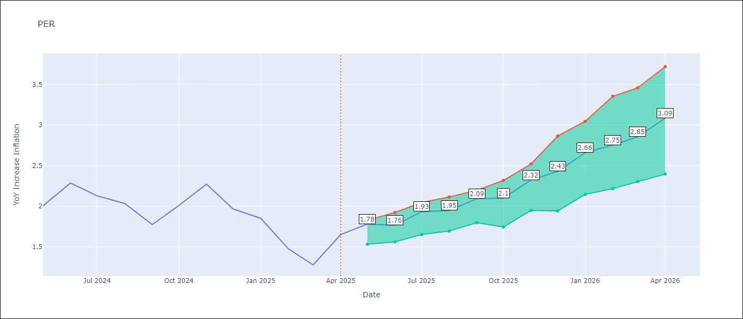

Test Metrics
RMSE | 1.12
Naive RMSE | 2.19
MAPE | 84.57%

Test Predictions
Date | Predicted | Actual
2024-06-01 | 2.89 | 2
2024-07-01 | 3.21 | 2.29
2024-08-01 | 3.38 | 2.13
2024-09-01 | 3.47 | 2.03
2024-10-01 | 3.47 | 1.78
2024-11-01 | 3.56 | 2.01
2024-12-01 | 3.62 | 2.27
2025-01-01 | 3.62 | 1.97
2025-02-01 | 3.46 | 1.85
2025-03-01 | 3.3 | 1.48
2025-04-01 | 3.34 | 1.28
2025-05-01 | 3.51 | 1.65

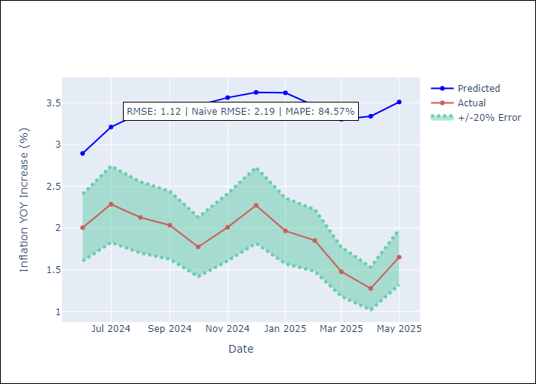


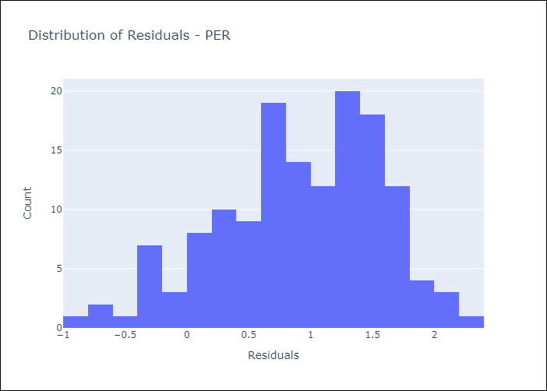
Appendix A: Model Summary
Model | Random Forest w/ Lags
Sample | 1994-01-01 to 2025-04-01
No. of Observations | 376
Residuals
Mean | 0.91079669474
St Dev | 0.65600341739
Kurtosis | -0.3719773689
Skewness | -0.46968251379

Assumptions | P-value

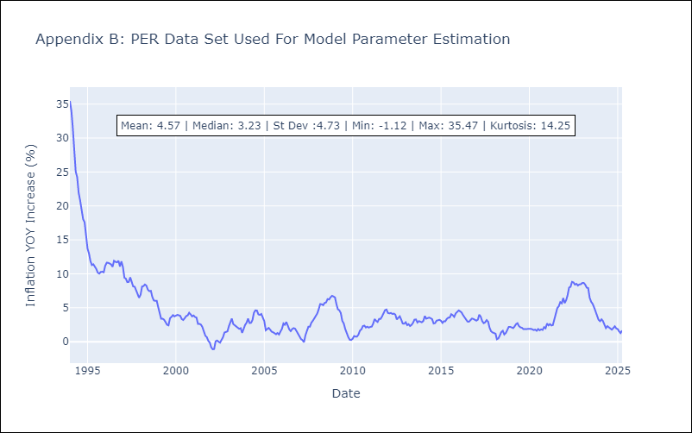

Appendix C: Residuals Analysis
Mean

PRY
PRY - Inflation - Next 12 months forecast as of: 2025-04-01

Model | Random Forest w/ Lags - [(2, 1, 1), (1, 0, 1, 12)]
Training Data | 1995-12-01 to 2024-05-01
Test Data | 2024-05-01 to 2025-04-01

Date | Inflation Change YoY % | Lower Bound - 95% Confidence Interval | Upper Bound - 95% Confidence Interval
2025-05-01 | 3.6 | 3.35 | 3.81
2025-06-01 | 3.53 | 3.09 | 3.86
2025-07-01 | 3.42 | 3 | 3.81
2025-08-01 | 3.29 | 3.01 | 3.69
2025-09-01 | 3.03 | 2.85 | 3.51
2025-10-01 | 2.96 | 2.73 | 3.64
2025-11-01 | 3.04 | 2.86 | 3.68
2025-12-01 | 2.93 | 2.89 | 3.66
2026-01-01 | 3.12 | 2.92 | 3.7
2026-02-01 | 3.16 | 2.92 | 3.66
2026-03-01 | 3.15 | 2.81 | 3.56
2026-04-01 | 3.06 | 2.64 | 3.54

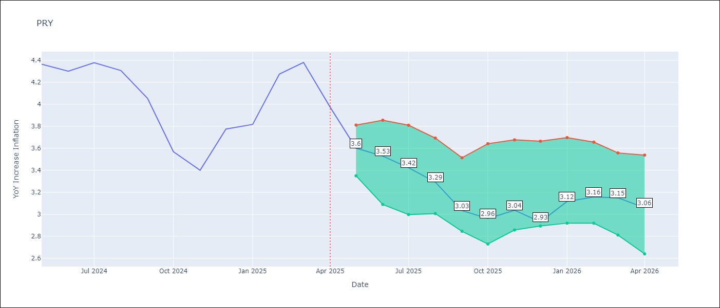

Test Metrics
RMSE | 0.91
Naive RMSE | 0.82
MAPE | 19.15%

Test Predictions
Date | Predicted | Actual
2024-06-01 | 3.52 | 4.36
2024-07-01 | 3.47 | 4.3
2024-08-01 | 3.2 | 4.38
2024-09-01 | 3.02 | 4.31
2024-10-01 | 3.11 | 4.05
2024-11-01 | 3.12 | 3.57
2024-12-01 | 3.31 | 3.4
2025-01-01 | 3.22 | 3.78
2025-02-01 | 3.23 | 3.82
2025-03-01 | 3.3 | 4.27
2025-04-01 | 3.27 | 4.38
2025-05-01 | 3.27 | 3.97

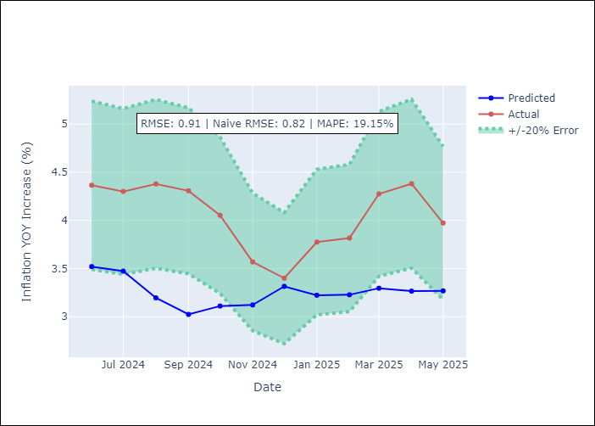
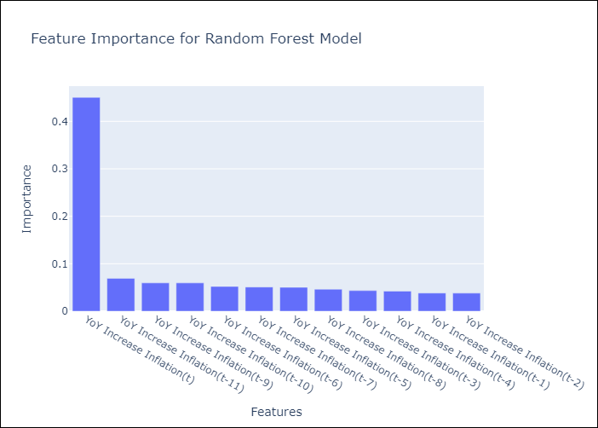

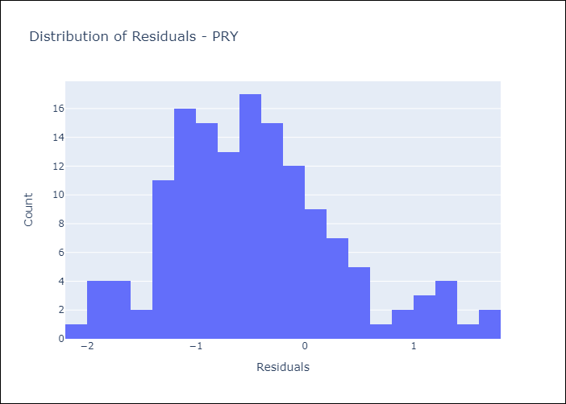
Appendix A: Model Summary
Model | Random Forest w/ Lags
Sample | 1995-12-01 to 2025-04-01
No. of Observations | 353
Residuals
Mean | -0.4670509636
St Dev | 0.7759431108
Kurtosis | 0.2063567573
Skewness | 0.52380701622

Assumptions | P-value



Appendix C: Residuals Analysis
Mean

URY
URY - Inflation - Next 12 months forecast as of: 2025-04-01

Model | Random Forest w/ Lags - [(0, 2, 1), (3, 0, 0, 12)]
Training Data | 1992-01-01 to 2024-05-01
Test Data | 2024-05-01 to 2025-04-01

Date | Inflation Change YoY % | Lower Bound - 95% Confidence Interval | Upper Bound - 95% Confidence Interval
2025-05-01 | 4.94 | 4.58 | 5.38
2025-06-01 | 4.96 | 4.45 | 5.39
2025-07-01 | 4.9 | 4.21 | 5.5
2025-08-01 | 4.88 | 4.12 | 5.46
2025-09-01 | 4.86 | 4.1 | 5.4
2025-10-01 | 5.04 | 3.85 | 5.42
2025-11-01 | 5.14 | 4 | 5.58
2025-12-01 | 5.33 | 4.19 | 5.79
2026-01-01 | 5.62 | 4.52 | 6.24
2026-02-01 | 6.06 | 5 | 6.66
2026-03-01 | 6.79 | 5.42 | 7.79
2026-04-01 | 8.19 | 6.13 | 10.16

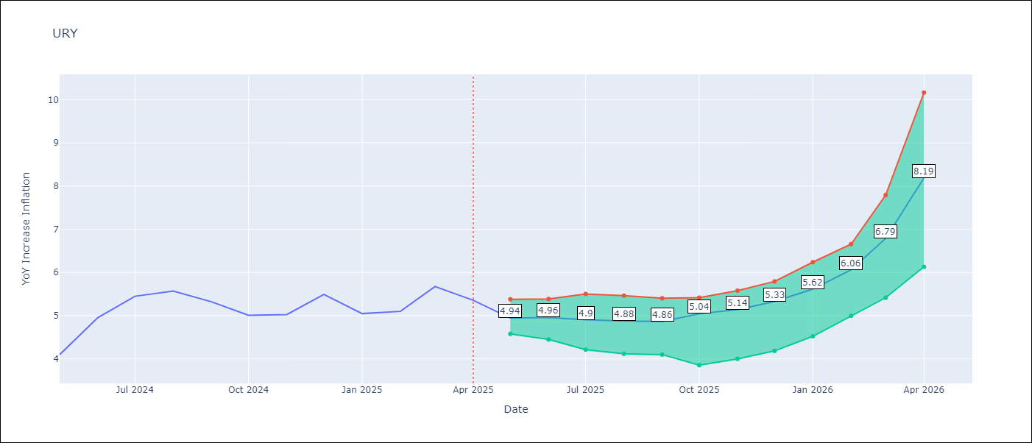

Test Metrics
RMSE | 2.11
Naive RMSE | 1.24
MAPE | 57.75%

Test Predictions
Date | Predicted | Actual
2024-06-01 | 4.17 | 4.1
2024-07-01 | 4.36 | 4.96
2024-08-01 | 4.72 | 5.45
2024-09-01 | 5.29 | 5.57
2024-10-01 | 5.63 | 5.32
2024-11-01 | 6 | 5.01
2024-12-01 | 6.6 | 5.03
2025-01-01 | 7.53 | 5.49
2025-02-01 | 9.19 | 5.05
2025-03-01 | 11.62 | 5.1
2025-04-01 | 14.56 | 5.67
2025-05-01 | 16.1 | 5.36

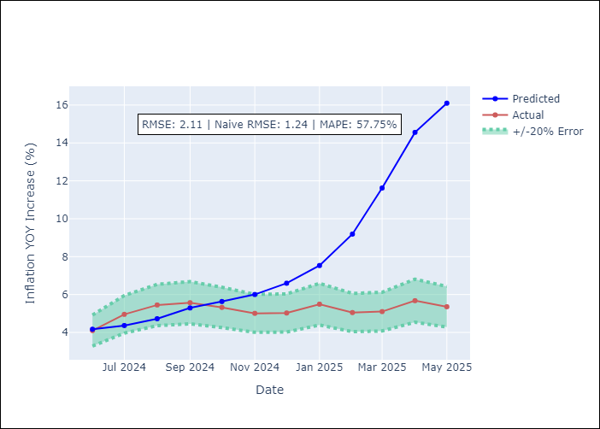
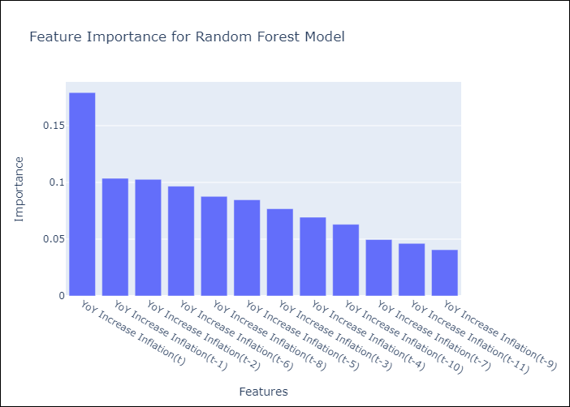

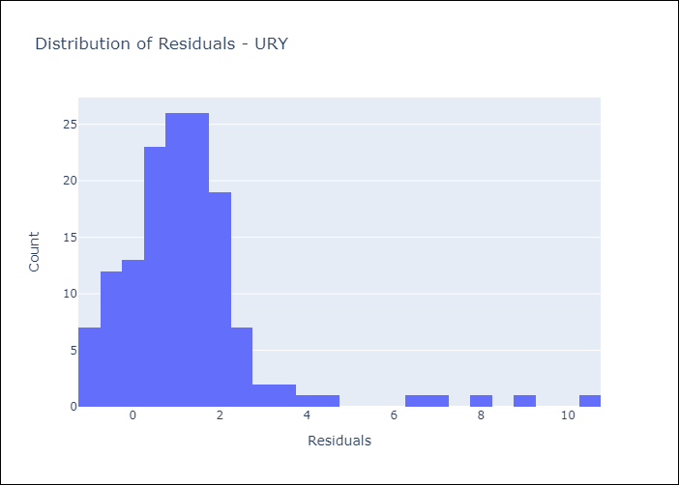
Appendix A: Model Summary
Model | Random Forest w/ Lags
Sample | 1992-01-01 to 2025-04-01
No. of Observations | 400
Residuals
Mean | 1.2464985045
St Dev | 1.6976845167
Kurtosis | 10.584934452
Skewness | 2.695828848

Assumptions | P-value

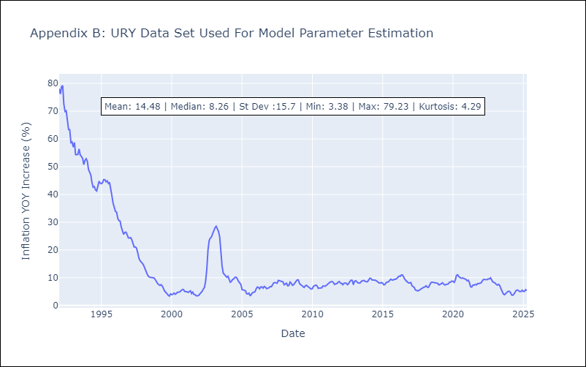

Appendix C: Residuals Analysis
Mean

VEN
VEN - Inflation - Next 12 months forecast as of: 2016-12-01

Model | Random Forest w/ Lags - [(3, 0, 0), (0, 0, 0, 12)]
Training Data | 2013-01-01 to 2016-01-01
Test Data | 2016-01-01 to 2016-12-01

Date | Inflation Change YoY % | Lower Bound - 95% Confidence Interval | Upper Bound - 95% Confidence Interval
2017-01-01 | 69.9 | 63.66 | 73.97
2017-02-01 | 75.13 | 66.8 | 78.8
2017-03-01 | 79.05 | 71.35 | 81.56
2017-04-01 | 81.6 | 75.43 | 83.14
2017-05-01 | 84.24 | 79.29 | 86.52
2017-06-01 | 89.69 | 81.74 | 94.82
2017-07-01 | 98.81 | 85.17 | 106.46
2017-08-01 | 111.6 | 91.95 | 122.25
2017-09-01 | 126.34 | 101.14 | 137.27
2017-10-01 | 140.94 | 114.91 | 151.83
2017-11-01 | 156.06 | 128.39 | 167.46
2017-12-01 | 169.29 | 143.37 | 177.92

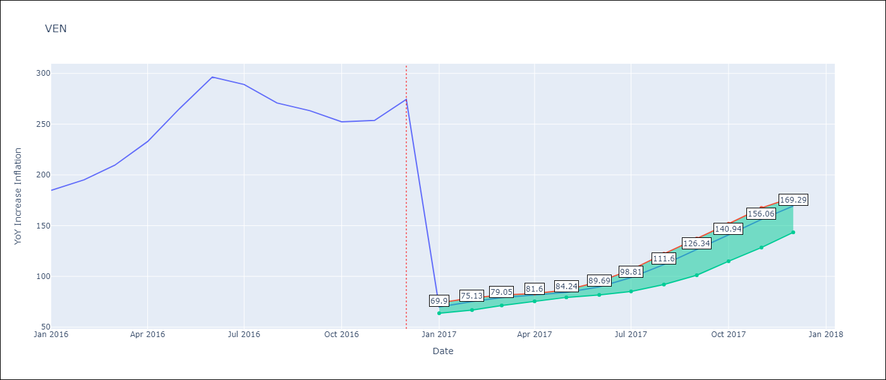

Test Metrics
RMSE | 97.06
Naive RMSE | 88.69
MAPE | 57.2%

Test Predictions
Date | Predicted | Actual
2016-02-01 | 69.9 | 184.76
2016-03-01 | 75.13 | 195.13
2016-04-01 | 79.05 | 209.56
2016-05-01 | 81.6 | 232.92
2016-06-01 | 84.24 | 265.24
2016-07-01 | 89.69 | 296.44
2016-08-01 | 98.81 | 289.06
2016-09-01 | 111.6 | 270.87
2016-10-01 | 126.34 | 263.24
2016-11-01 | 140.94 | 252.27
2016-12-01 | 156.06 | 253.65
2017-01-01 | 169.29 | 274.35

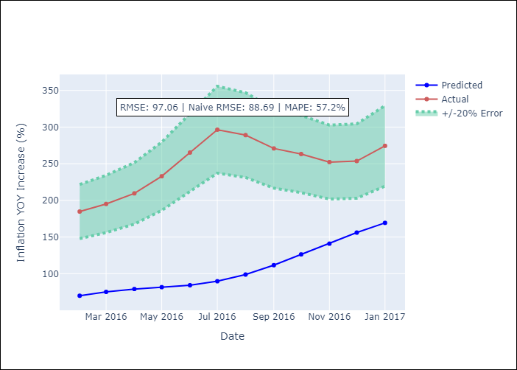
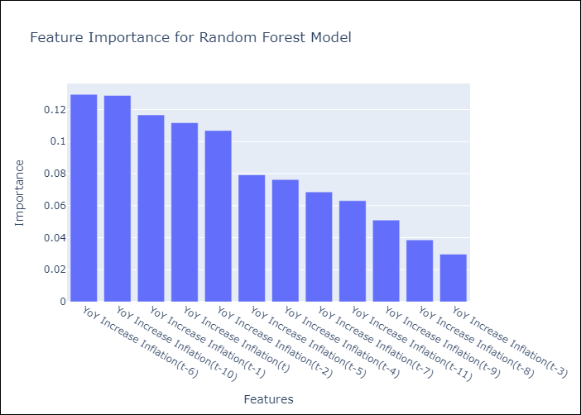

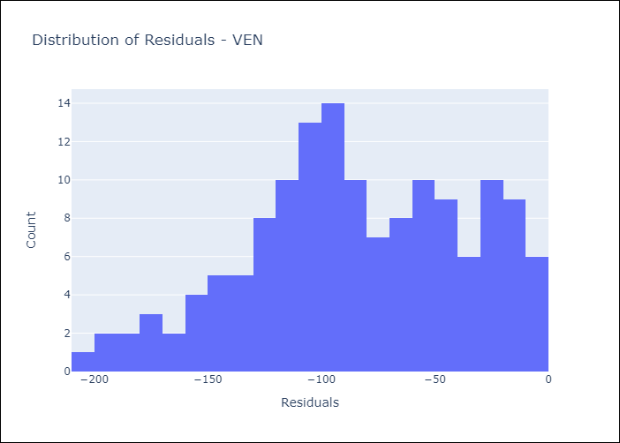
Appendix A: Model Summary
Model | Random Forest w/ Lags
Sample | 2013-01-01 to 2016-12-01
No. of Observations | 48
Residuals
Mean | -84.44153544
St Dev | 47.862992462
Kurtosis | -0.59165291609
Skewness | -0.2766714279

Assumptions | P-value

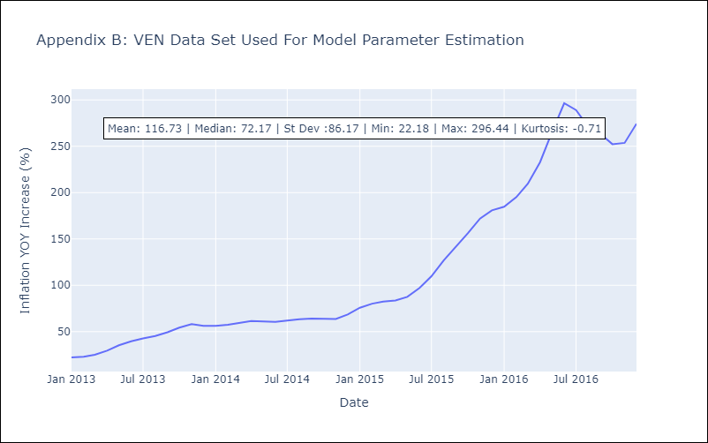

Appendix C: Residuals Analysis
Mean

