ARG
ARG - Inflation - Next 12 months forecast as of: 2025-04-01

Model | Random Forest w/ Lags - [(2, 2, 2), (0, 0, 1, 12)]
Training Data | 2007-01-01 to 2024-05-01
Test Data | 2024-05-01 to 2025-04-01

Date | Inflation Change YoY % | Lower Bound - 95% Confidence Interval | Upper Bound - 95% Confidence Interval
2025-05-01 | 54.8 | 51.29 | 76.92
2025-06-01 | 54.31 | 50.41 | 78.83
2025-07-01 | 53.36 | 49.68 | 79.91
2025-08-01 | 52.56 | 48.93 | 81.39
2025-09-01 | 52.02 | 48.2 | 85.09
2025-10-01 | 51 | 46.3 | 88.08
2025-11-01 | 50.71 | 45.64 | 92.13
2025-12-01 | 51.8 | 45.46 | 105.12
2026-01-01 | 54.57 | 45.55 | 121.13
2026-02-01 | 57.17 | 46.36 | 135.93
2026-03-01 | 59.15 | 46.84 | 144.4
2026-04-01 | 61.02 | 48.29 | 150.06

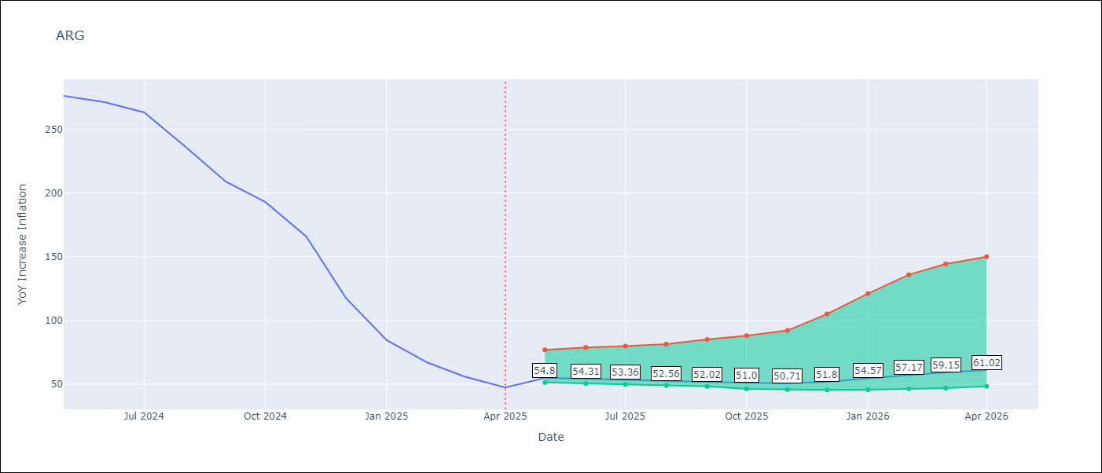

Test Metrics
RMSE | 112.0
Naive RMSE | 111.72
MAPE | 141.76%

Test Predictions
Date | Predicted | Actual
2024-06-01 | 111.02 | 276.41
2024-07-01 | 113.72 | 271.53
2024-08-01 | 113.61 | 263.45
2024-09-01 | 120.01 | 236.72
2024-10-01 | 130.79 | 209
2024-11-01 | 137.77 | 192.99
2024-12-01 | 151.52 | 166.03
2025-01-01 | 186.91 | 117.76
2025-02-01 | 226.6 | 84.54
2025-03-01 | 255.98 | 66.87
2025-04-01 | 275.17 | 55.93
2025-05-01 | 283.89 | 47.26

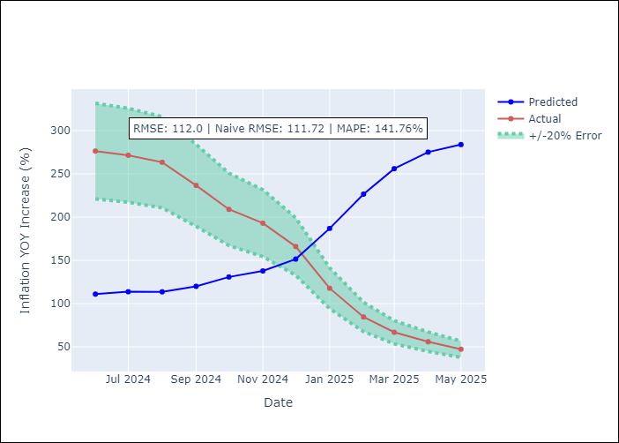
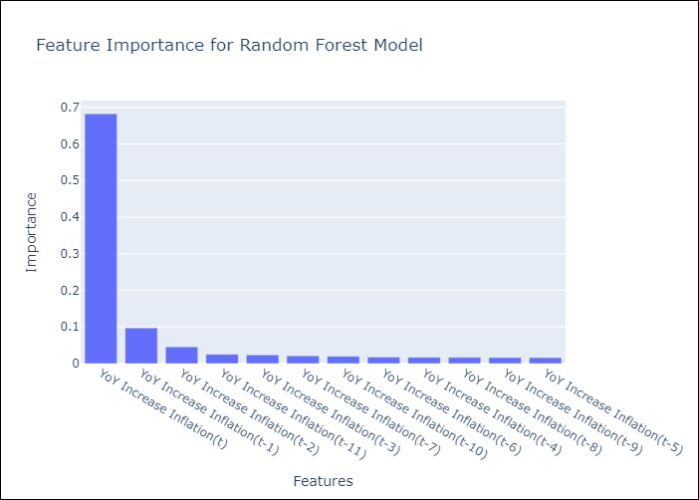

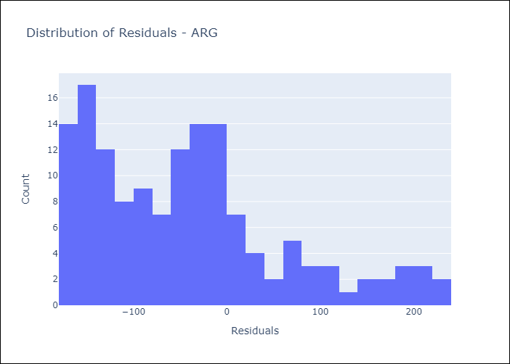
Appendix A: Model Summary
Model | Random Forest w/ Lags
Sample | 2007-01-01 to 2025-04-01
No. of Observations | 220
Residuals
Mean | -42.362603481
St Dev | 103.68074637
Kurtosis | 0.13556777024
Skewness | 0.85486641123

Assumptions | P-value

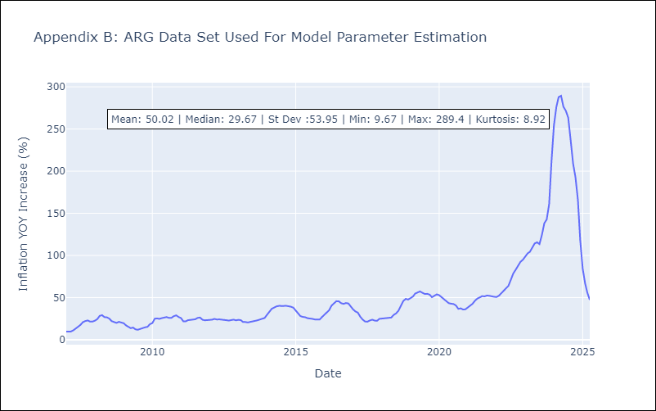

Appendix C: Residuals Analysis
Mean

BOL
BOL - Inflation - Next 12 months forecast as of: 2025-04-01

Model | Random Forest w/ Lags - [(1, 1, 2), (0, 0, 2, 12)]
Training Data | 2021-01-01 to 2024-05-01
Test Data | 2024-05-01 to 2025-04-01

Date | Inflation Change YoY % | Lower Bound - 95% Confidence Interval | Upper Bound - 95% Confidence Interval
2025-05-01 | 2.77 | 2.27 | 2.88
2025-06-01 | 2.72 | 2.3 | 2.79
2025-07-01 | 2.71 | 2.27 | 2.72
2025-08-01 | 2.84 | 2.34 | 2.97
2025-09-01 | 2.82 | 2.54 | 2.89
2025-10-01 | 2.58 | 2.24 | 2.85
2025-11-01 | 2.29 | 1.77 | 2.62
2025-12-01 | 2.28 | 1.95 | 2.49
2026-01-01 | 2.11 | 1.88 | 2.5
2026-02-01 | 2.23 | 1.98 | 2.6
2026-03-01 | 2.45 | 2.18 | 2.91
2026-04-01 | 2.74 | 2.41 | 3.29

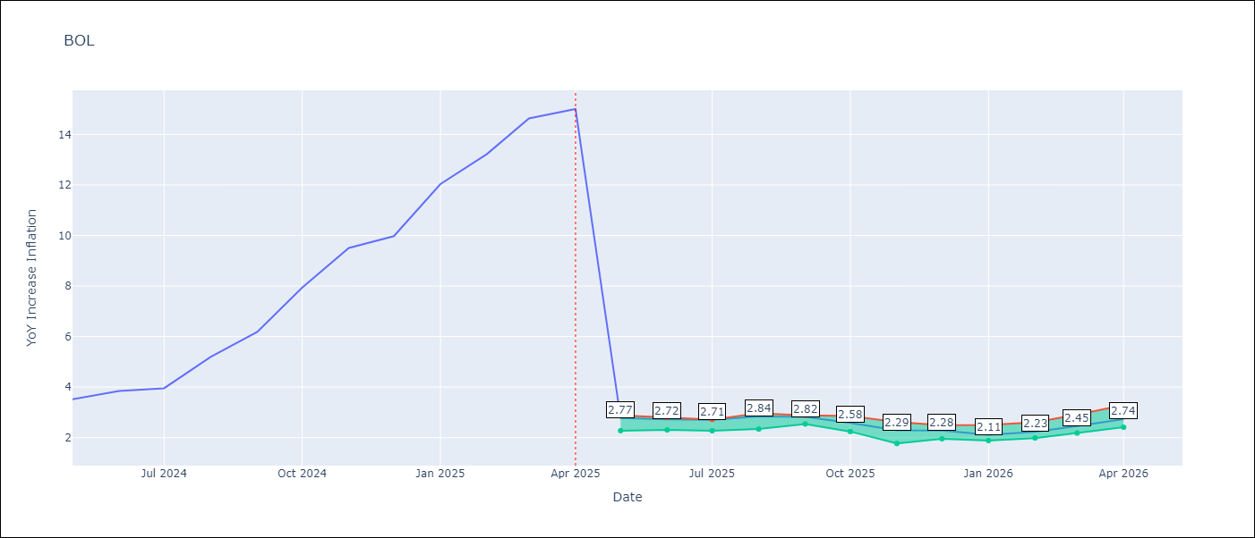

Test Metrics
RMSE | 3.9
Naive RMSE | 3.85
MAPE | 60.67%

Test Predictions
Date | Predicted | Actual
2024-06-01 | 2.77 | 3.52
2024-07-01 | 2.76 | 3.84
2024-08-01 | 2.73 | 3.95
2024-09-01 | 2.82 | 5.19
2024-10-01 | 2.79 | 6.18
2024-11-01 | 2.64 | 7.94
2024-12-01 | 2.46 | 9.51
2025-01-01 | 2.43 | 9.97
2025-02-01 | 2.26 | 12.03
2025-03-01 | 2.25 | 13.22
2025-04-01 | 2.4 | 14.63
2025-05-01 | 2.56 | 15.01

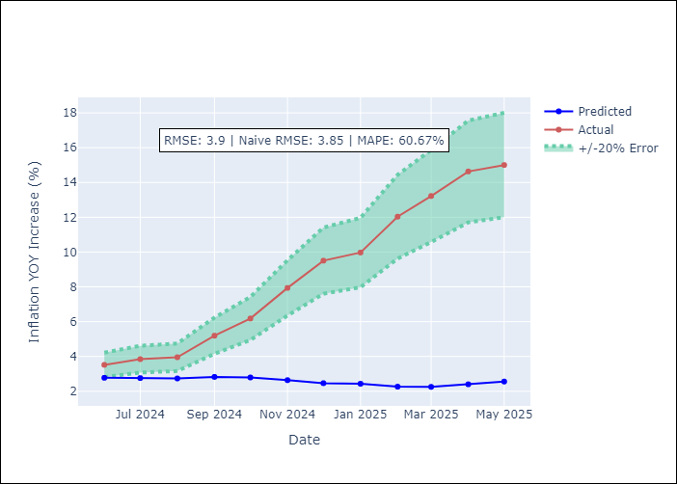
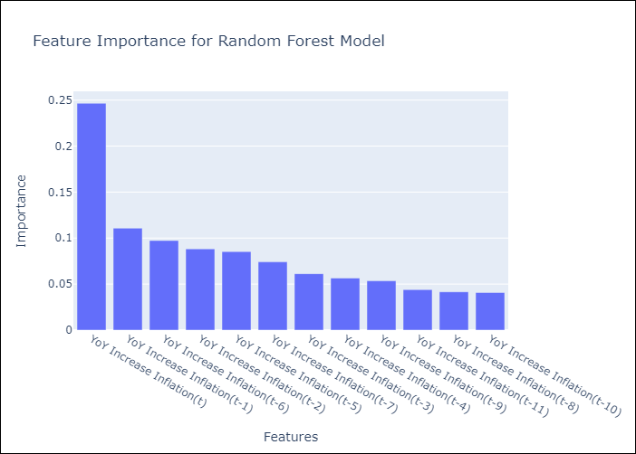

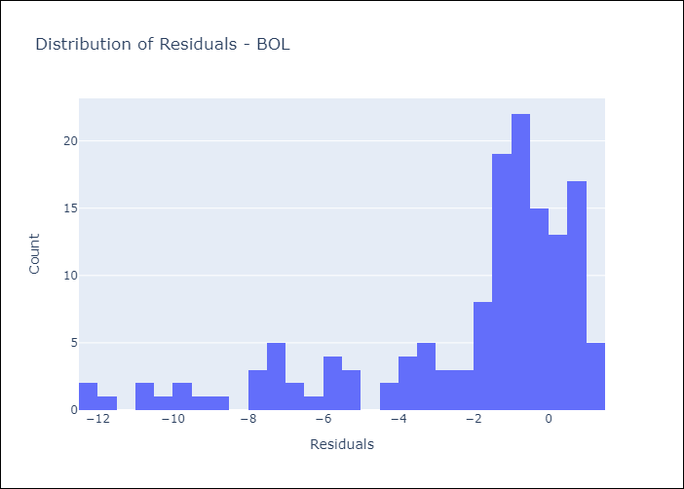
Appendix A: Model Summary
Model | Random Forest w/ Lags
Sample | 2021-01-01 to 2025-04-01
No. of Observations | 52
Residuals
Mean | -2.1949645
St Dev | 3.2229608033
Kurtosis | 1.3235048424
Skewness | -1.4536520992

Assumptions | P-value

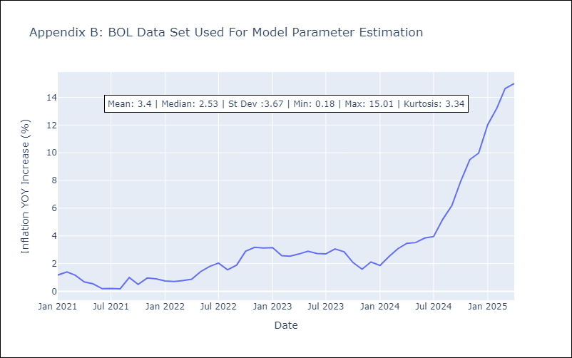

Appendix C: Residuals Analysis
Mean

BRA
BRA - Inflation - Next 12 months forecast as of: 2025-04-01

Model | Random Forest w/ Lags - [(1, 2, 1), (0, 0, 1, 12)]
Training Data | 1998-01-01 to 2024-05-01
Test Data | 2024-05-01 to 2025-04-01

Date | Inflation Change YoY % | Lower Bound - 95% Confidence Interval | Upper Bound - 95% Confidence Interval
2025-05-01 | 5.64 | 5.31 | 6.04
2025-06-01 | 5.74 | 5.34 | 6.2
2025-07-01 | 5.81 | 5.44 | 6.22
2025-08-01 | 5.93 | 5.52 | 6.26
2025-09-01 | 6.02 | 5.63 | 6.34
2025-10-01 | 6.08 | 5.63 | 6.39
2025-11-01 | 6.07 | 5.59 | 6.31
2025-12-01 | 6.03 | 5.58 | 6.24
2026-01-01 | 6 | 5.66 | 6.3
2026-02-01 | 5.93 | 5.59 | 6.33
2026-03-01 | 5.89 | 5.5 | 6.36
2026-04-01 | 5.79 | 5.29 | 6.28

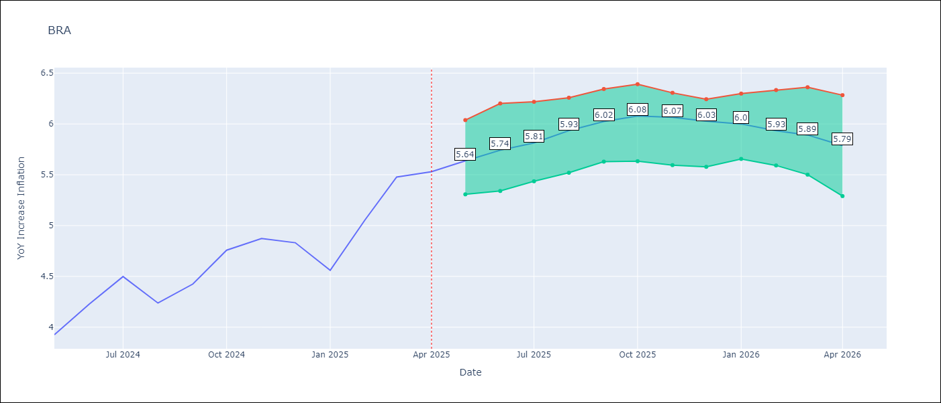

Test Metrics
RMSE | 1.09
Naive RMSE | 0.73
MAPE | 25.32%

Test Predictions
Date | Predicted | Actual
2024-06-01 | 3.69 | 3.93
2024-07-01 | 3.92 | 4.23
2024-08-01 | 3.98 | 4.5
2024-09-01 | 3.72 | 4.24
2024-10-01 | 3.43 | 4.42
2024-11-01 | 3.21 | 4.76
2024-12-01 | 3.02 | 4.87
2025-01-01 | 2.89 | 4.83
2025-02-01 | 2.94 | 4.56
2025-03-01 | 3.24 | 5.06
2025-04-01 | 3.62 | 5.48
2025-05-01 | 3.94 | 5.53

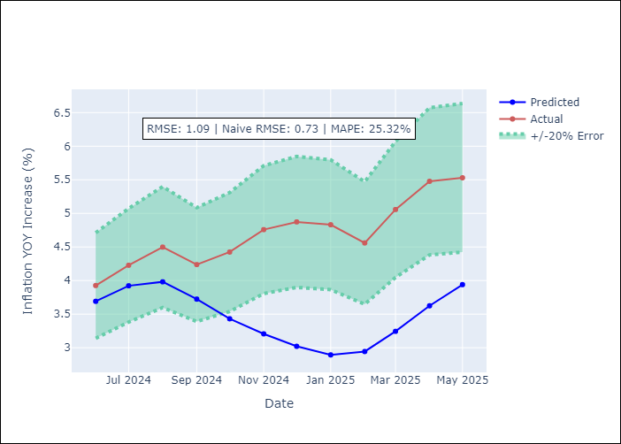
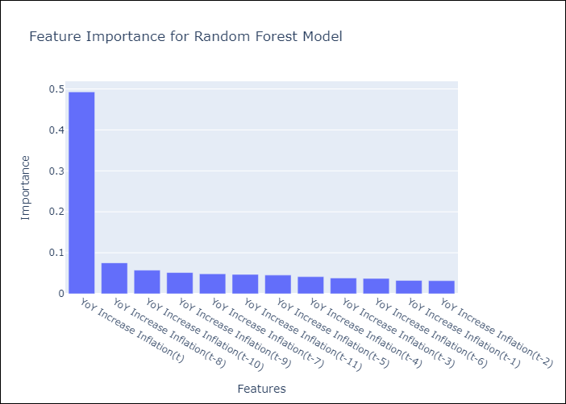

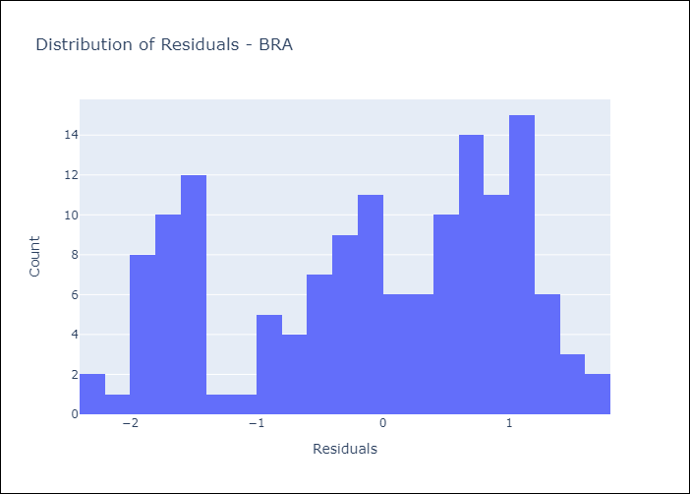
Appendix A: Model Summary
Model | Random Forest w/ Lags
Sample | 1998-01-01 to 2025-04-01
No. of Observations | 328
Residuals
Mean | -0.097760681839
St Dev | 1.0868294186
Kurtosis | -1.1384751995
Skewness | -0.36899672021

Assumptions | P-value



Appendix C: Residuals Analysis
Mean

CHL
CHL - Inflation - Next 12 months forecast as of: 2025-04-01

Model | Random Forest w/ Lags - [(2, 0, 0), (0, 0, 1, 12)]
Training Data | 2012-12-01 to 2024-05-01
Test Data | 2024-05-01 to 2025-04-01

Date | Inflation Change YoY % | Lower Bound - 95% Confidence Interval | Upper Bound - 95% Confidence Interval
2025-05-01 | 4.38 | 4.35 | 4.88
2025-06-01 | 4.3 | 4.26 | 4.81
2025-07-01 | 4.21 | 4.11 | 4.71
2025-08-01 | 4.12 | 3.95 | 4.69
2025-09-01 | 4.08 | 3.78 | 4.72
2025-10-01 | 4.01 | 3.63 | 4.75
2025-11-01 | 3.95 | 3.52 | 4.82
2025-12-01 | 3.82 | 3.39 | 4.68
2026-01-01 | 3.66 | 3.23 | 4.64
2026-02-01 | 3.54 | 3.18 | 4.58
2026-03-01 | 3.44 | 3.14 | 4.67
2026-04-01 | 3.38 | 3.08 | 4.57

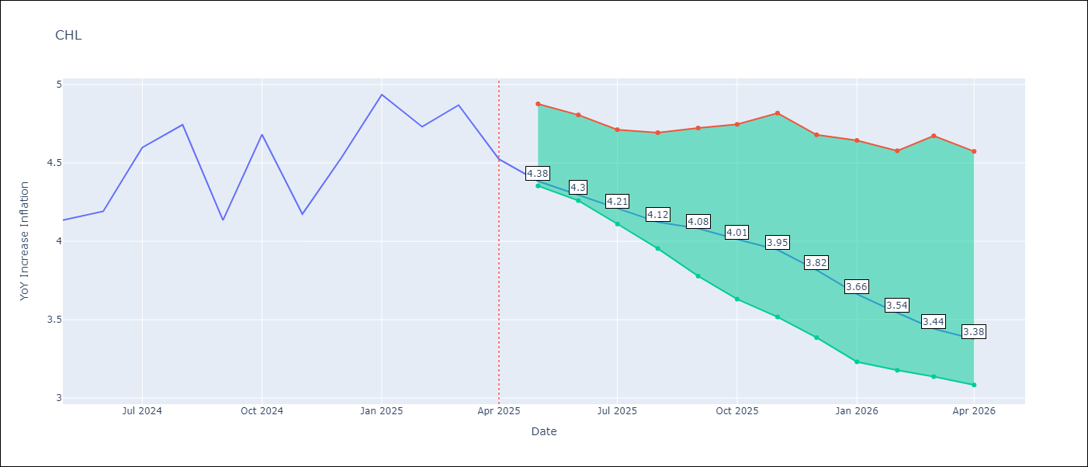

Test Metrics
RMSE | 1.04
Naive RMSE | 1.71
MAPE | 5.83%

Test Predictions
Date | Predicted | Actual
2024-06-01 | 4.22 | 4.13
2024-07-01 | 4.32 | 4.19
2024-08-01 | 4.47 | 4.6
2024-09-01 | 4.59 | 4.74
2024-10-01 | 4.62 | 4.13
2024-11-01 | 4.57 | 4.68
2024-12-01 | 4.61 | 4.17
2025-01-01 | 4.83 | 4.53
2025-02-01 | 5 | 4.94
2025-03-01 | 5.11 | 4.73
2025-04-01 | 5.12 | 4.87
2025-05-01 | 5.12 | 4.52

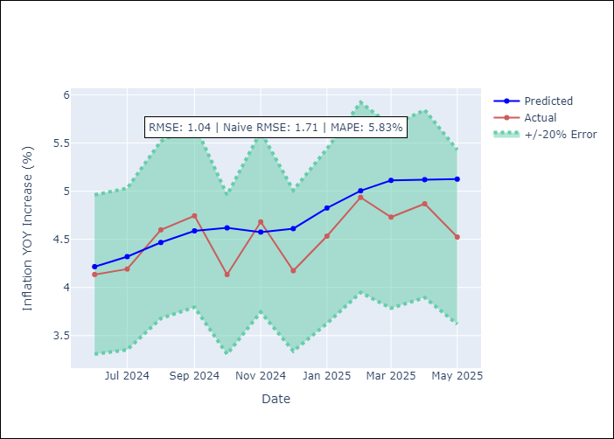


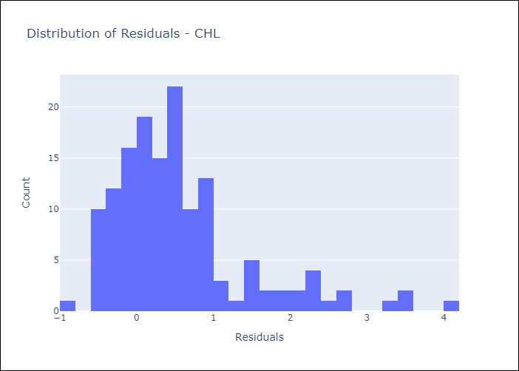
Appendix A: Model Summary
Model | Random Forest w/ Lags
Sample | 2012-12-01 to 2025-04-01
No. of Observations | 149
Residuals
Mean | 0.5454869707
St Dev | 0.88825968681
Kurtosis | 2.715521939
Skewness | 1.5577097798

Assumptions | P-value



Appendix C: Residuals Analysis
Mean

COL
COL - Inflation - Next 12 months forecast as of: 2025-04-01

Model | Random Forest w/ Lags - [(1, 0, 1), (0, 0, 0, 12)]
Training Data | 2006-01-01 to 2024-05-01
Test Data | 2024-05-01 to 2025-04-01

Date | Inflation Change YoY % | Lower Bound - 95% Confidence Interval | Upper Bound - 95% Confidence Interval
2025-05-01 | 5.87 | 5.07 | 6.12
2025-06-01 | 5.93 | 4.91 | 6.1
2025-07-01 | 6.06 | 4.63 | 6.39
2025-08-01 | 6.34 | 4.5 | 6.78
2025-09-01 | 6.6 | 4.32 | 7.14
2025-10-01 | 6.83 | 4.19 | 7.33
2025-11-01 | 7.03 | 4.01 | 7.42
2025-12-01 | 7.12 | 3.98 | 7.47
2026-01-01 | 7.17 | 3.83 | 7.6
2026-02-01 | 7.06 | 3.72 | 7.5
2026-03-01 | 6.82 | 3.63 | 7.44
2026-04-01 | 6.56 | 3.56 | 7.21

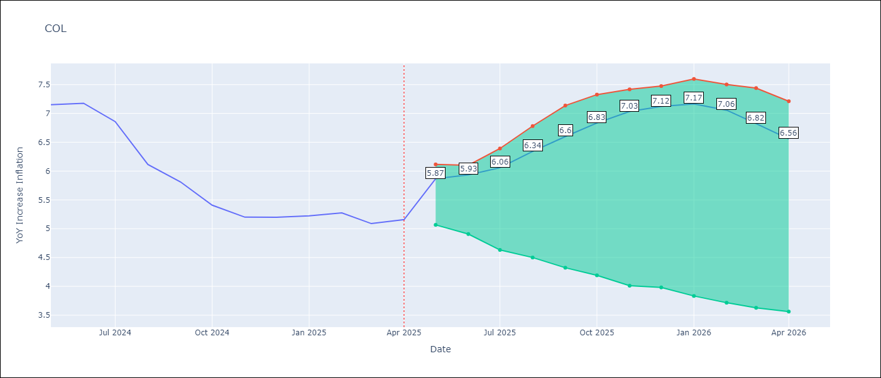

Test Metrics
RMSE | 2.63
Naive RMSE | 2.95
MAPE | 26.19%

Test Predictions
Date | Predicted | Actual
2024-06-01 | 5.66 | 7.15
2024-07-01 | 5.32 | 7.18
2024-08-01 | 4.96 | 6.86
2024-09-01 | 4.7 | 6.12
2024-10-01 | 4.39 | 5.81
2024-11-01 | 4.14 | 5.41
2024-12-01 | 3.92 | 5.2
2025-01-01 | 3.84 | 5.2
2025-02-01 | 3.69 | 5.22
2025-03-01 | 3.66 | 5.27
2025-04-01 | 3.66 | 5.09
2025-05-01 | 3.62 | 5.16

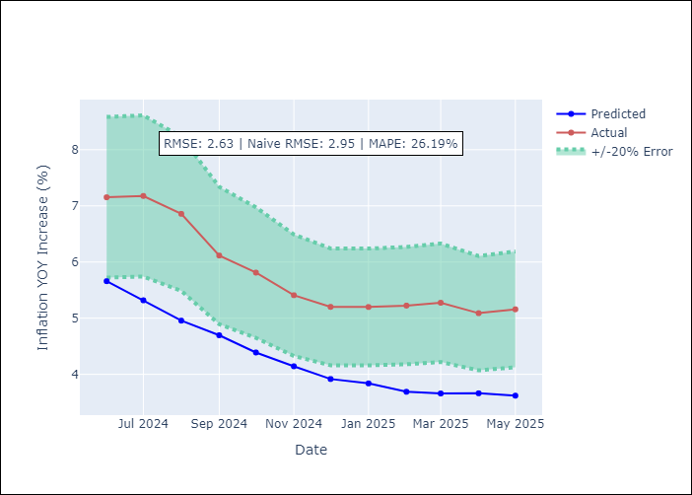
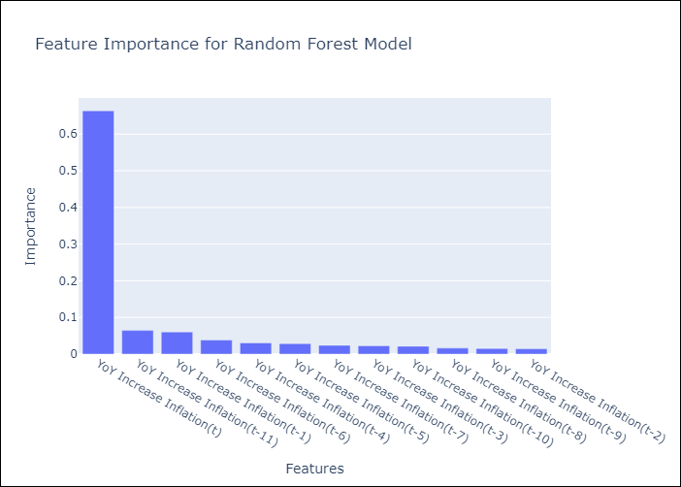

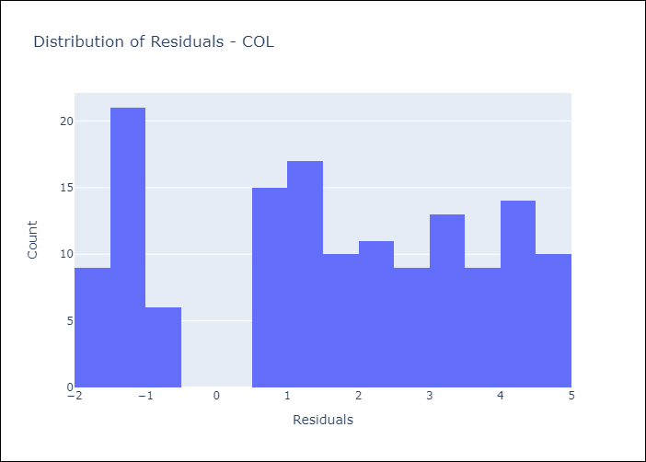
Appendix A: Model Summary
Model | Random Forest w/ Lags
Sample | 2006-01-01 to 2025-04-01
No. of Observations | 232
Residuals
Mean | 1.63983546
St Dev | 2.0582930244
Kurtosis | -1.1998205647
Skewness | -0.18759534508

Assumptions | P-value

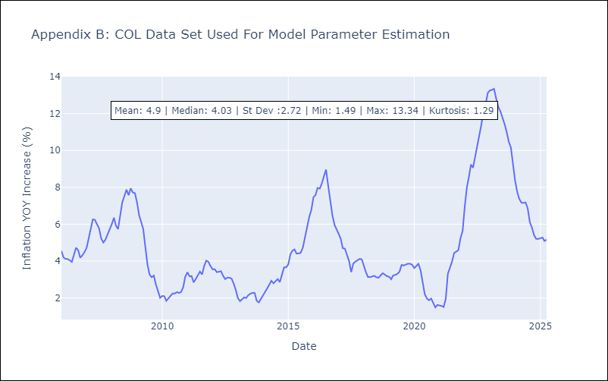

Appendix C: Residuals Analysis
Mean

ECU
ECU - Inflation - Next 12 months forecast as of: 2025-04-01

Model | Random Forest w/ Lags - [(2, 1, 1), (3, 0, 0, 12)]
Training Data | 2009-01-01 to 2024-05-01
Test Data | 2024-05-01 to 2025-04-01

Date | Inflation Change YoY % | Lower Bound - 95% Confidence Interval | Upper Bound - 95% Confidence Interval
2025-05-01 | -0.03 | -0.24 | 0.48
2025-06-01 | -0.04 | -0.24 | 0.42
2025-07-01 | -0.09 | -0.27 | 0.34
2025-08-01 | -0.19 | -0.34 | 0.22
2025-09-01 | -0.32 | -0.43 | 0.02
2025-10-01 | -0.39 | -0.56 | -0.11
2025-11-01 | -0.43 | -0.6 | -0.17
2025-12-01 | -0.48 | -0.68 | -0.24
2026-01-01 | -0.42 | -0.69 | -0.18
2026-02-01 | -0.25 | -0.51 | -0.04
2026-03-01 | -0.09 | -0.39 | 0.06
2026-04-01 | 0.09 | -0.38 | 0.25

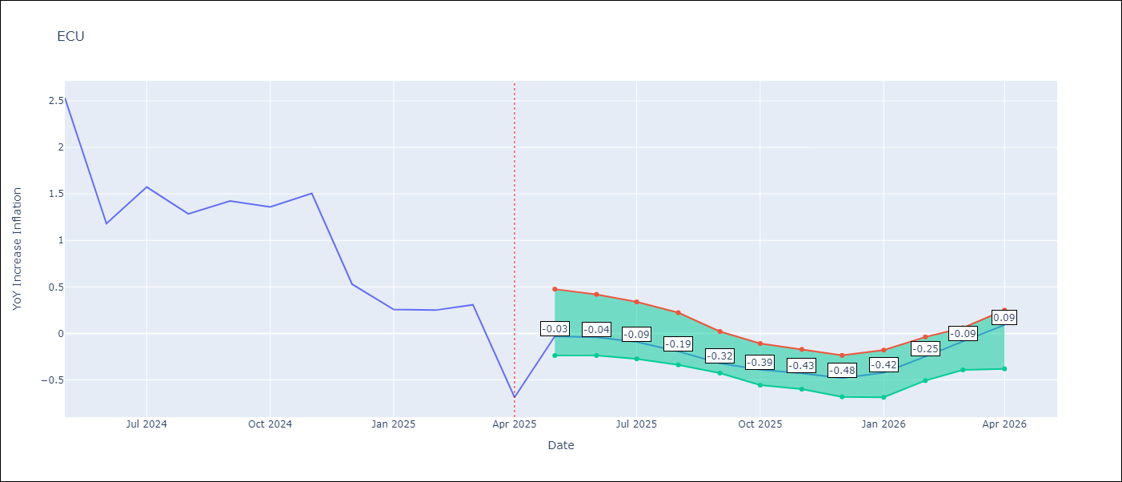

Test Metrics
RMSE | 1.45
Naive RMSE | 0.86
MAPE | 475.97%

Test Predictions
Date | Predicted | Actual
2024-06-01 | 3.1 | 2.53
2024-07-01 | 3.15 | 1.18
2024-08-01 | 3.24 | 1.57
2024-09-01 | 3.38 | 1.28
2024-10-01 | 3.49 | 1.42
2024-11-01 | 3.57 | 1.36
2024-12-01 | 3.64 | 1.51
2025-01-01 | 3.62 | 0.53
2025-02-01 | 3.61 | 0.26
2025-03-01 | 3.54 | 0.25
2025-04-01 | 3.43 | 0.31
2025-05-01 | 3.3 | -0.69

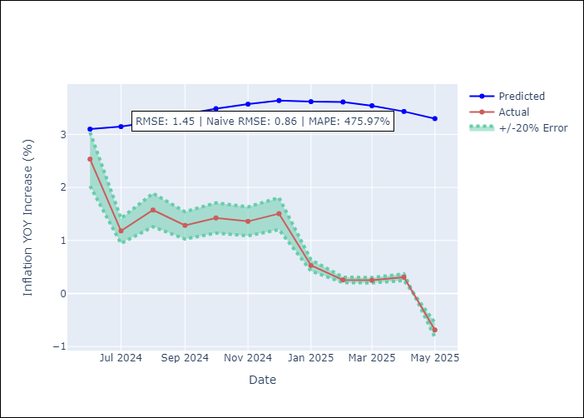
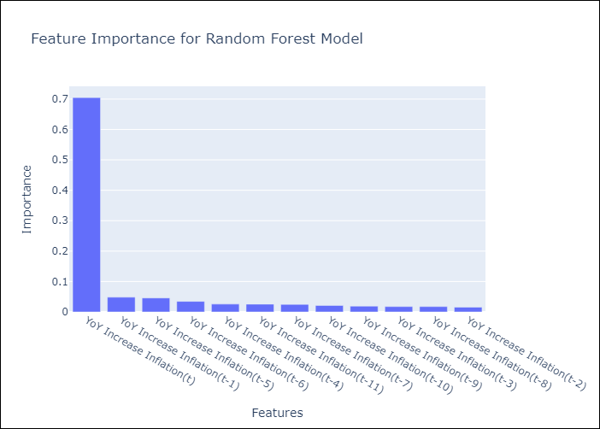

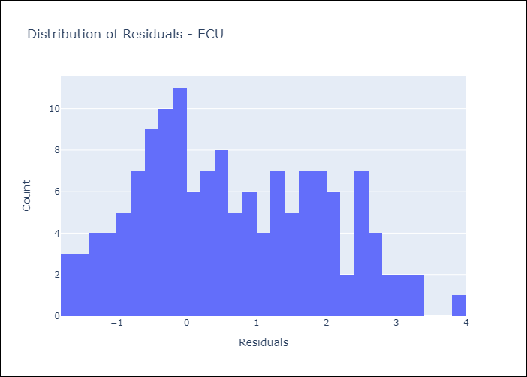
Appendix A: Model Summary
Model | Random Forest w/ Lags
Sample | 2009-01-01 to 2025-04-01
No. of Observations | 196
Residuals
Mean | 0.63925536429
St Dev | 1.2970278698
Kurtosis | -0.81286139846
Skewness | 0.26941300435

Assumptions | P-value

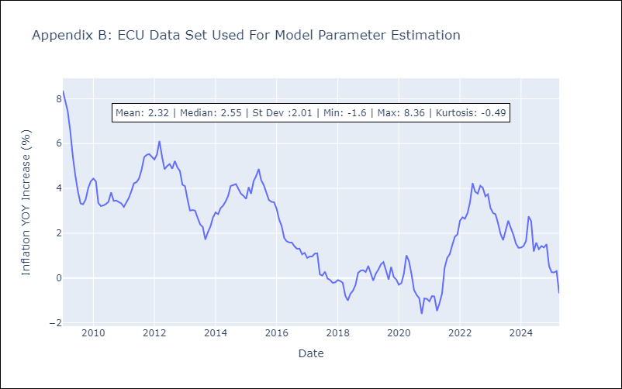

Appendix C: Residuals Analysis
Mean

PER
PER - Inflation - Next 12 months forecast as of: 2025-04-01

Model | Random Forest w/ Lags - [(3, 2, 0), (3, 0, 0, 12)]
Training Data | 1994-01-01 to 2024-05-01
Test Data | 2024-05-01 to 2025-04-01

Date | Inflation Change YoY % | Lower Bound - 95% Confidence Interval | Upper Bound - 95% Confidence Interval
2025-05-01 | 1.77 | 1.57 | 1.87
2025-06-01 | 1.8 | 1.53 | 1.93
2025-07-01 | 1.94 | 1.58 | 2.04
2025-08-01 | 1.91 | 1.6 | 2.09
2025-09-01 | 2.03 | 1.67 | 2.19
2025-10-01 | 2 | 1.73 | 2.3
2025-11-01 | 2.2 | 1.84 | 2.52
2025-12-01 | 2.25 | 1.98 | 2.68
2026-01-01 | 2.45 | 2.13 | 2.88
2026-02-01 | 2.51 | 2.21 | 3.03
2026-03-01 | 2.62 | 2.33 | 3.22
2026-04-01 | 2.81 | 2.45 | 3.46

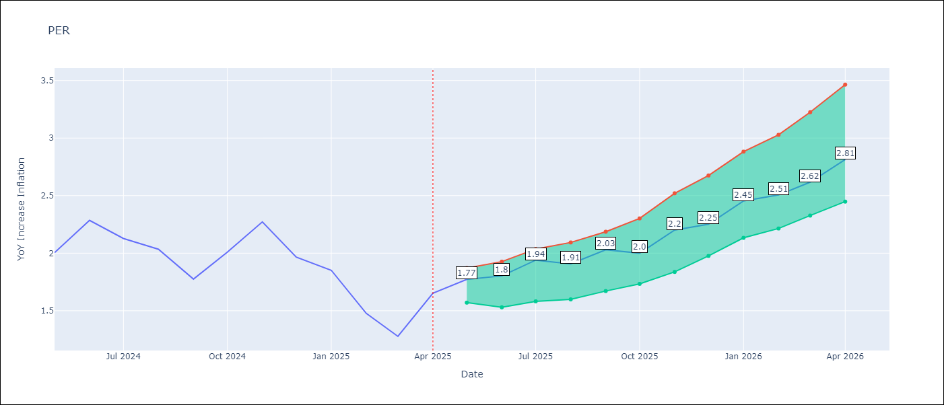

Test Metrics
RMSE | 1.06
Naive RMSE | 2.19
MAPE | 65.31%

Test Predictions
Date | Predicted | Actual
2024-06-01 | 2.85 | 2
2024-07-01 | 3.1 | 2.29
2024-08-01 | 3.19 | 2.13
2024-09-01 | 3.16 | 2.03
2024-10-01 | 3.15 | 1.78
2024-11-01 | 3.2 | 2.01
2024-12-01 | 3.23 | 2.27
2025-01-01 | 3.17 | 1.97
2025-02-01 | 2.97 | 1.85
2025-03-01 | 2.81 | 1.48
2025-04-01 | 2.88 | 1.28
2025-05-01 | 3.04 | 1.65

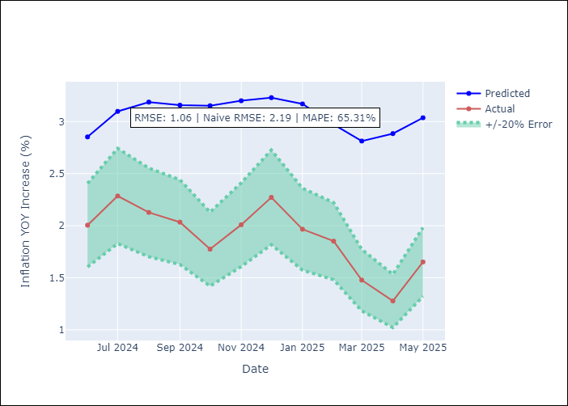
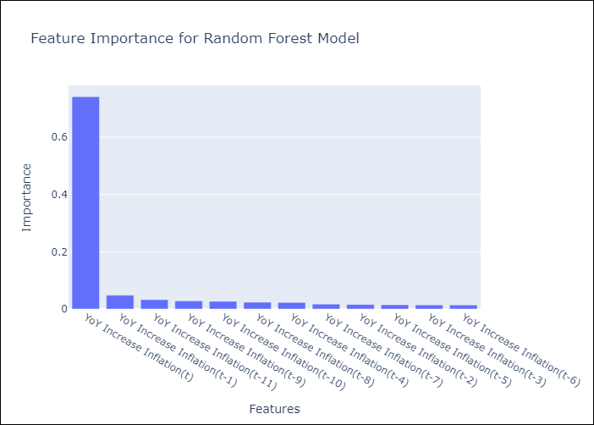

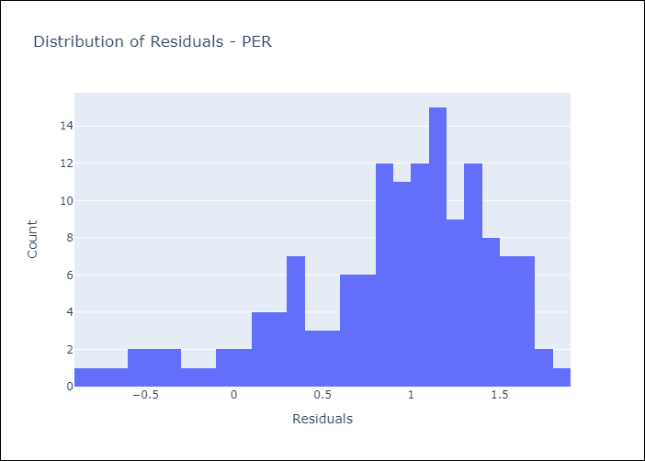
Appendix A: Model Summary
Model | Random Forest w/ Lags
Sample | 1994-01-01 to 2025-04-01
No. of Observations | 376
Residuals
Mean | 0.8865609675
St Dev | 0.58307769311
Kurtosis | 0.435718806
Skewness | -0.94024712665

Assumptions | P-value

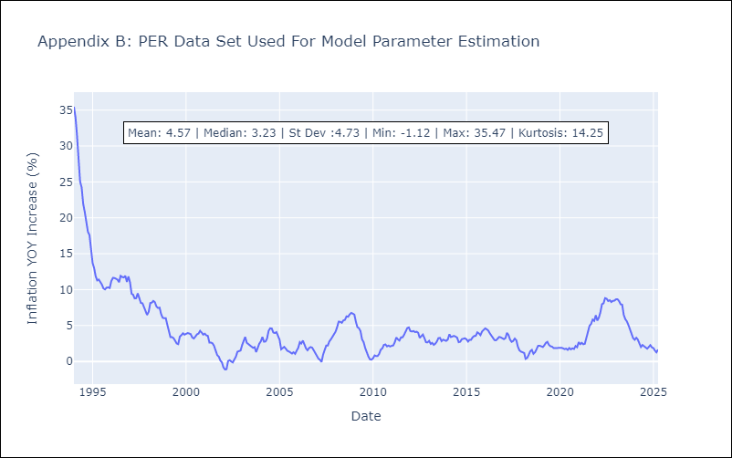

Appendix C: Residuals Analysis
Mean

PRY
PRY - Inflation - Next 12 months forecast as of: 2025-04-01

Model | Random Forest w/ Lags - [(2, 1, 1), (1, 0, 1, 12)]
Training Data | 1995-12-01 to 2024-05-01
Test Data | 2024-05-01 to 2025-04-01

Date | Inflation Change YoY % | Lower Bound - 95% Confidence Interval | Upper Bound - 95% Confidence Interval
2025-05-01 | 3.58 | 3.26 | 3.83
2025-06-01 | 3.45 | 3.14 | 3.81
2025-07-01 | 3.35 | 3.08 | 3.87
2025-08-01 | 3.28 | 2.99 | 3.68
2025-09-01 | 3.08 | 2.86 | 3.44
2025-10-01 | 3.03 | 2.83 | 3.42
2025-11-01 | 3.14 | 2.81 | 3.38
2025-12-01 | 3.07 | 2.83 | 3.34
2026-01-01 | 3.12 | 2.93 | 3.41
2026-02-01 | 3.08 | 2.9 | 3.51
2026-03-01 | 2.99 | 2.88 | 3.48
2026-04-01 | 2.96 | 2.68 | 3.39

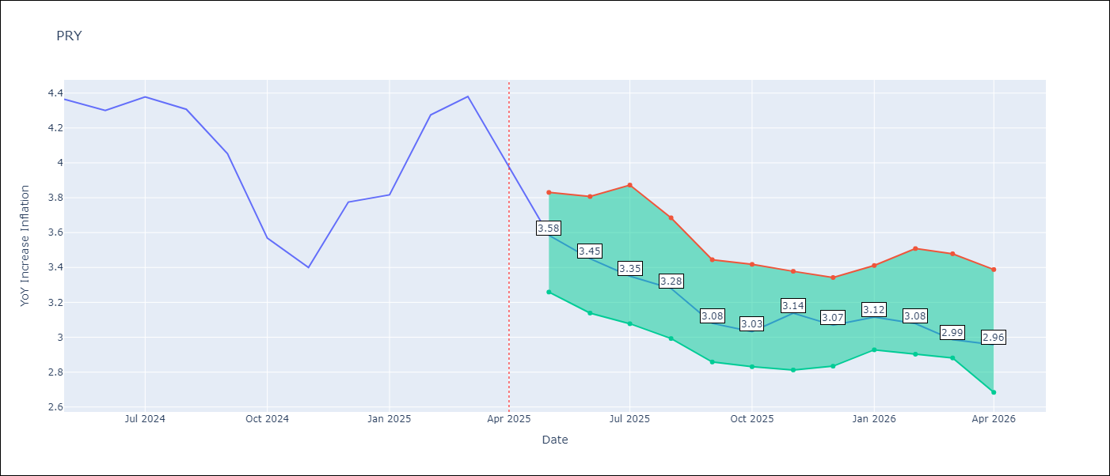

Test Metrics
RMSE | 0.83
Naive RMSE | 0.82
MAPE | 14.96%

Test Predictions
Date | Predicted | Actual
2024-06-01 | 3.59 | 4.36
2024-07-01 | 3.55 | 4.3
2024-08-01 | 3.28 | 4.38
2024-09-01 | 3.2 | 4.31
2024-10-01 | 3.24 | 4.05
2024-11-01 | 3.26 | 3.57
2024-12-01 | 3.44 | 3.4
2025-01-01 | 3.52 | 3.78
2025-02-01 | 3.5 | 3.82
2025-03-01 | 3.56 | 4.27
2025-04-01 | 3.55 | 4.38
2025-05-01 | 3.45 | 3.97

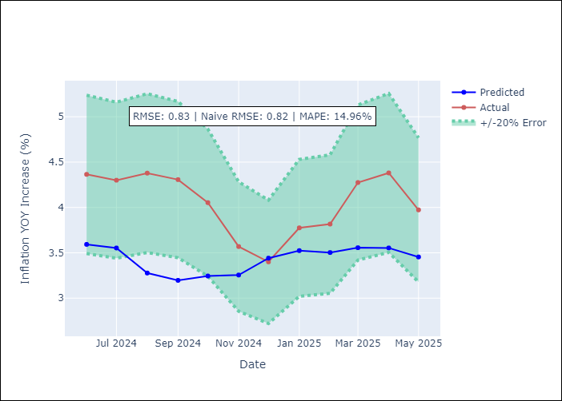
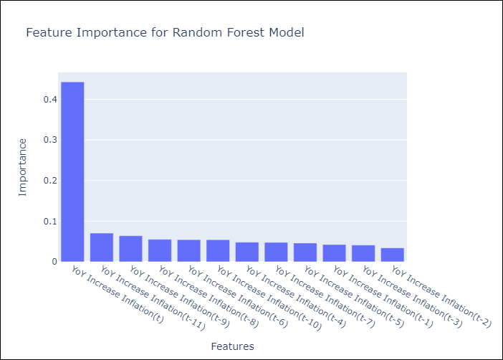

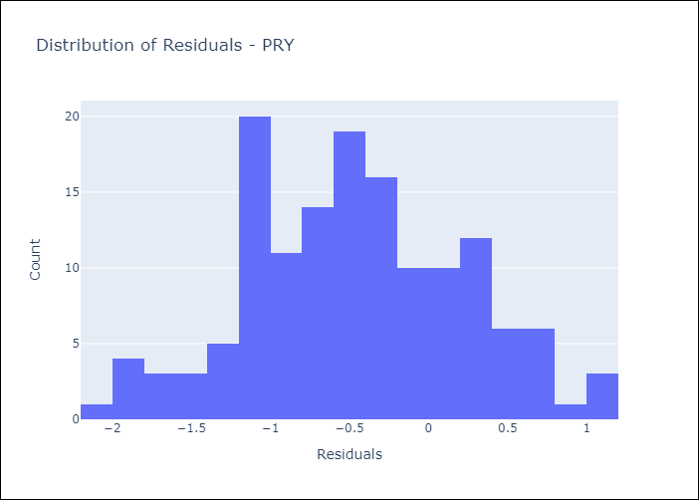
Appendix A: Model Summary
Model | Random Forest w/ Lags
Sample | 1995-12-01 to 2025-04-01
No. of Observations | 353
Residuals
Mean | -0.460321046
St Dev | 0.69183613331
Kurtosis | -0.41214505146
Skewness | 0.011508104598

Assumptions | P-value



Appendix C: Residuals Analysis
Mean

URY
URY - Inflation - Next 12 months forecast as of: 2025-04-01

Model | Random Forest w/ Lags - [(0, 2, 1), (3, 0, 0, 12)]
Training Data | 1992-01-01 to 2024-05-01
Test Data | 2024-05-01 to 2025-04-01

Date | Inflation Change YoY % | Lower Bound - 95% Confidence Interval | Upper Bound - 95% Confidence Interval
2025-05-01 | 4.81 | 4.55 | 5.41
2025-06-01 | 4.8 | 4.41 | 5.73
2025-07-01 | 4.55 | 4.11 | 5.86
2025-08-01 | 4.6 | 4 | 5.78
2025-09-01 | 4.57 | 3.93 | 5.87
2025-10-01 | 4.72 | 4.01 | 6.08
2025-11-01 | 4.88 | 4.13 | 5.98
2025-12-01 | 5.15 | 4.25 | 6.25
2026-01-01 | 5.56 | 4.39 | 6.41
2026-02-01 | 6.08 | 4.77 | 6.86
2026-03-01 | 7.09 | 5.16 | 7.85
2026-04-01 | 8.77 | 5.89 | 10.16

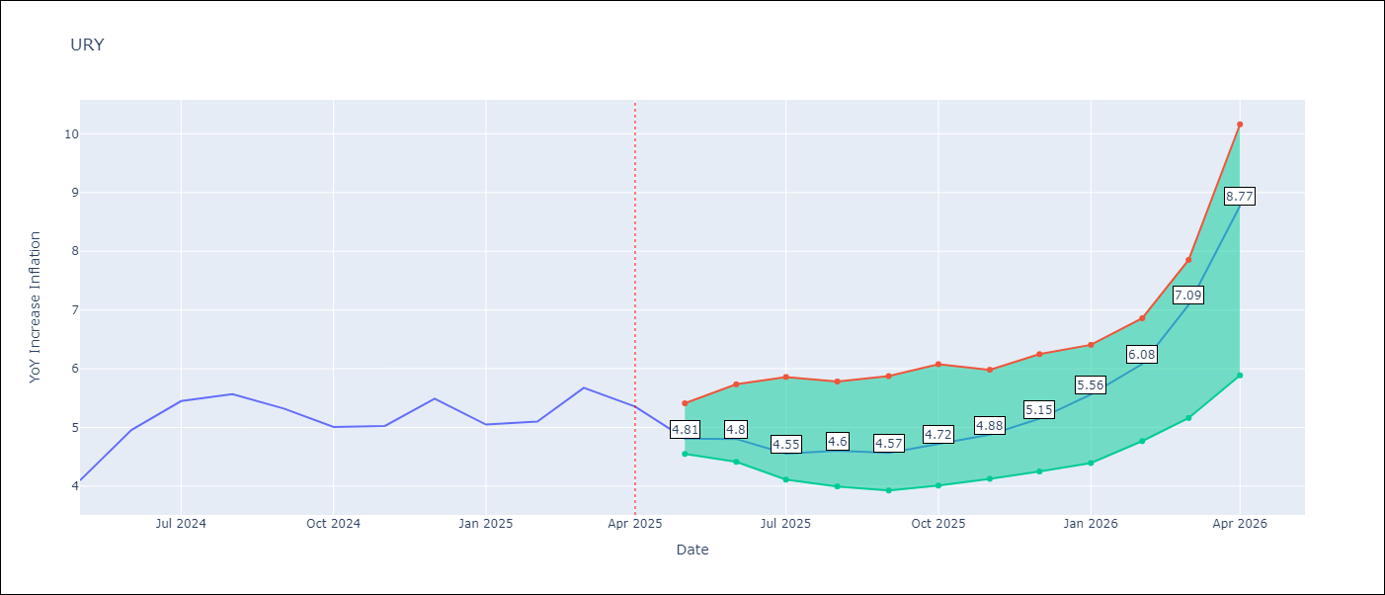

Test Metrics
RMSE | 2.13
Naive RMSE | 1.24
MAPE | 57.75%

Test Predictions
Date | Predicted | Actual
2024-06-01 | 4.27 | 4.1
2024-07-01 | 4.38 | 4.96
2024-08-01 | 4.68 | 5.45
2024-09-01 | 5.08 | 5.57
2024-10-01 | 5.44 | 5.32
2024-11-01 | 5.92 | 5.01
2024-12-01 | 6.44 | 5.03
2025-01-01 | 7.48 | 5.49
2025-02-01 | 9.14 | 5.05
2025-03-01 | 11.79 | 5.1
2025-04-01 | 14.55 | 5.67
2025-05-01 | 16.13 | 5.36

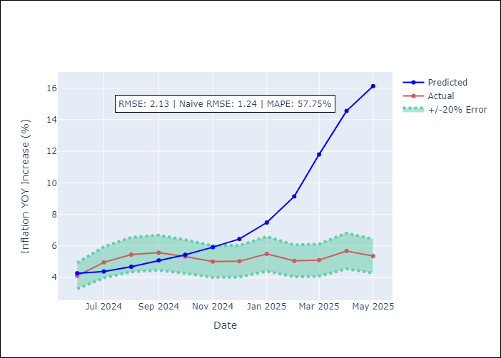
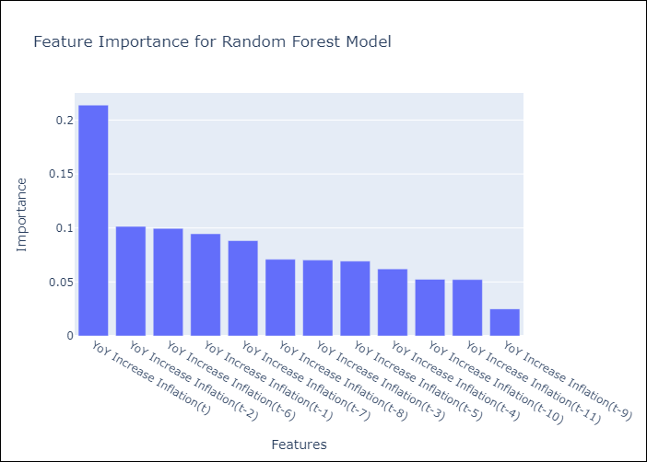

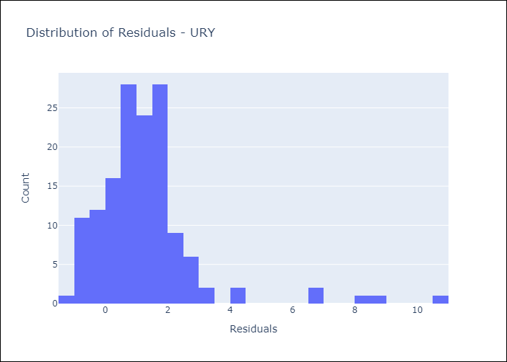
Appendix A: Model Summary
Model | Random Forest w/ Lags
Sample | 1992-01-01 to 2025-04-01
No. of Observations | 400
Residuals
Mean | 1.2974124275
St Dev | 1.6909242033
Kurtosis | 10.368009978
Skewness | 2.6316940002

Assumptions | P-value

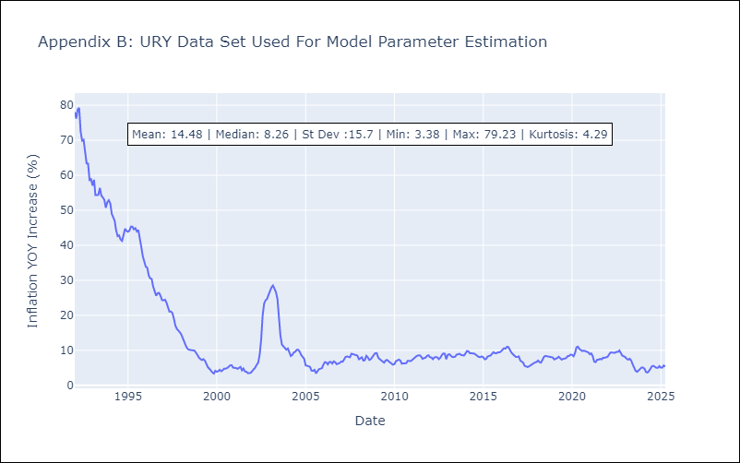

Appendix C: Residuals Analysis
Mean

VEN
VEN - Inflation - Next 12 months forecast as of: 2016-12-01

Model | Random Forest w/ Lags - [(3, 0, 0), (0, 0, 0, 12)]
Training Data | 2013-01-01 to 2016-01-01
Test Data | 2016-01-01 to 2016-12-01

Date | Inflation Change YoY % | Lower Bound - 95% Confidence Interval | Upper Bound - 95% Confidence Interval
2017-01-01 | 70.21 | 63.73 | 74.44
2017-02-01 | 75.39 | 65.52 | 78.45
2017-03-01 | 79.35 | 70.17 | 81.15
2017-04-01 | 81.95 | 75.59 | 82.91
2017-05-01 | 84.58 | 79.63 | 86.7
2017-06-01 | 90.17 | 82.04 | 95.55
2017-07-01 | 99.44 | 84.64 | 106.92
2017-08-01 | 112.49 | 90.2 | 122.66
2017-09-01 | 127.45 | 99.57 | 136.77
2017-10-01 | 142.15 | 112.89 | 151.24
2017-11-01 | 157.47 | 127.82 | 167.08
2017-12-01 | 170.48 | 142.77 | 176.66

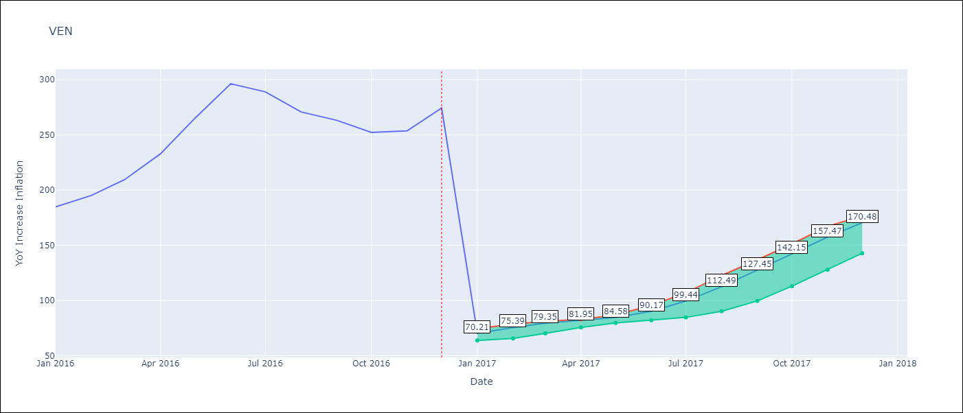

Test Metrics
RMSE | 96.43
Naive RMSE | 88.69
MAPE | 56.92%

Test Predictions
Date | Predicted | Actual
2016-02-01 | 70.21 | 184.76
2016-03-01 | 75.39 | 195.13
2016-04-01 | 79.35 | 209.56
2016-05-01 | 81.95 | 232.92
2016-06-01 | 84.58 | 265.24
2016-07-01 | 90.17 | 296.44
2016-08-01 | 99.44 | 289.06
2016-09-01 | 112.49 | 270.87
2016-10-01 | 127.45 | 263.24
2016-11-01 | 142.15 | 252.27
2016-12-01 | 157.47 | 253.65
2017-01-01 | 170.48 | 274.35

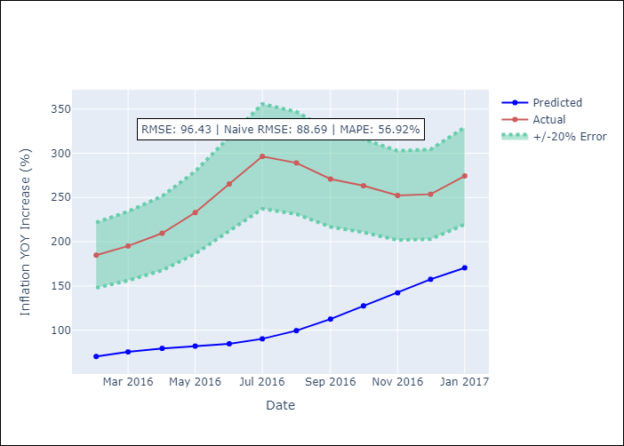
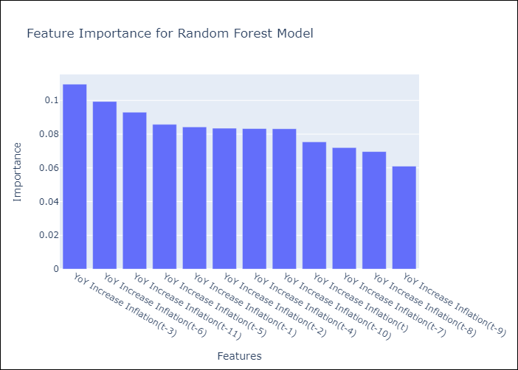

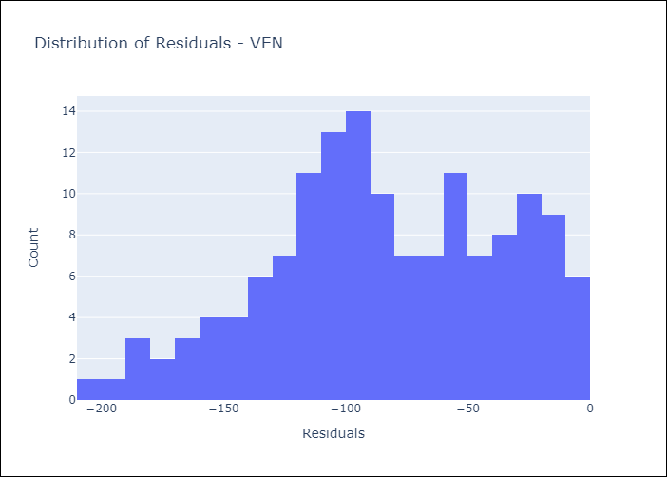
Appendix A: Model Summary
Model | Random Forest w/ Lags
Sample | 2013-01-01 to 2016-12-01
No. of Observations | 48
Residuals
Mean | -83.811522453
St Dev | 47.694009415
Kurtosis | -0.58550671045
Skewness | -0.28613083607

Assumptions | P-value

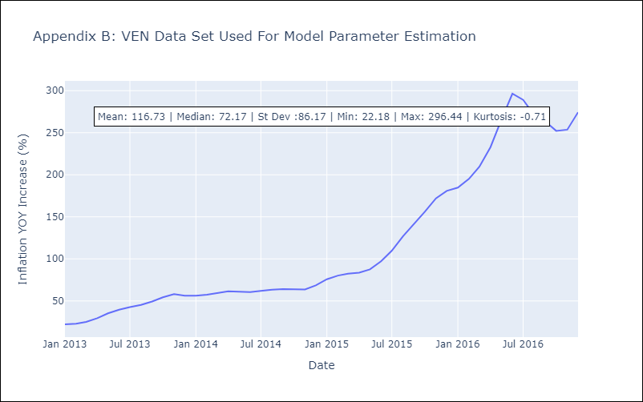

Appendix C: Residuals Analysis
Mean

