CRI
CRI - Inflation - Next 12 months forecast as of: 2025-04-01

Model | Random Forest w/ Lags - [(2, 1, 1), (2, 0, 1, 12)]
Training Data | 1994-07-01 to 2024-05-01
Test Data | 2024-05-01 to 2025-04-01

Date | Inflation Change YoY % | Lower Bound - 95% Confidence Interval | Upper Bound - 95% Confidence Interval
2025-05-01 | 1.12 | 0.85 | 1.48
2025-06-01 | 1.28 | 0.92 | 1.67
2025-07-01 | 1.44 | 1.14 | 1.92
2025-08-01 | 1.69 | 1.23 | 2.1
2025-09-01 | 1.95 | 1.49 | 2.43
2025-10-01 | 2.24 | 1.76 | 2.88
2025-11-01 | 2.5 | 1.85 | 3.28
2025-12-01 | 2.68 | 2 | 3.86
2026-01-01 | 2.97 | 2.21 | 4.5
2026-02-01 | 3.36 | 2.32 | 5.29
2026-03-01 | 3.89 | 2.62 | 6.16
2026-04-01 | 4.37 | 3.02 | 6.97

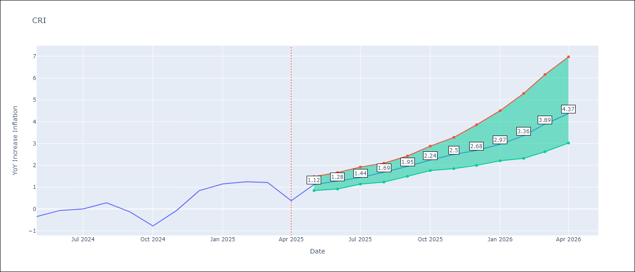

Test Metrics
RMSE | 1.5
Naive RMSE | 1.62
MAPE | inf%

Test Predictions
Date | Predicted | Actual
2024-06-01 | 0.21 | -0.35
2024-07-01 | 0.59 | -0.06
2024-08-01 | 0.73 | 0
2024-09-01 | 0.84 | 0.28
2024-10-01 | 0.96 | -0.14
2024-11-01 | 1.13 | -0.77
2024-12-01 | 1.38 | -0.07
2025-01-01 | 1.58 | 0.84
2025-02-01 | 1.89 | 1.15
2025-03-01 | 2.28 | 1.25
2025-04-01 | 2.64 | 1.21
2025-05-01 | 2.97 | 0.38

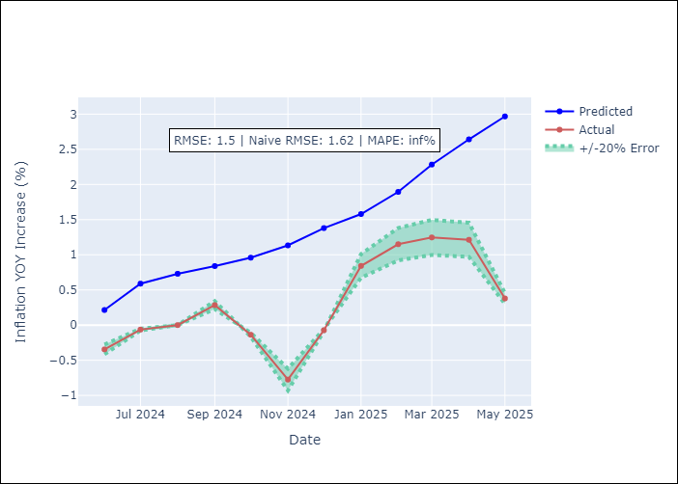
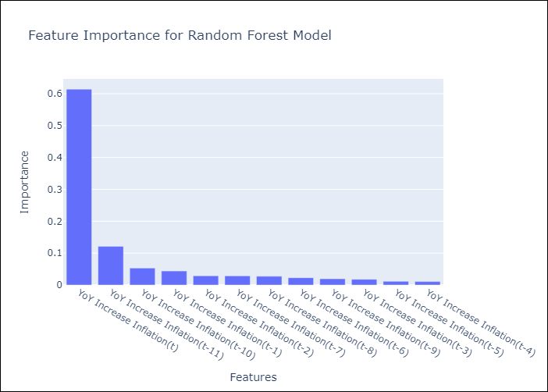

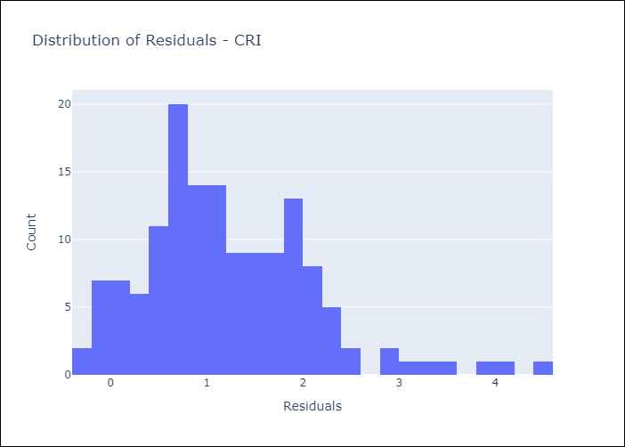
Appendix A: Model Summary
Model | Random Forest w/ Lags
Sample | 1994-07-01 to 2025-04-01
No. of Observations | 370
Residuals
Mean | 1.2190967956
St Dev | 0.87413370787
Kurtosis | 1.4228597018
Skewness | 0.94240641736

Assumptions | P-value

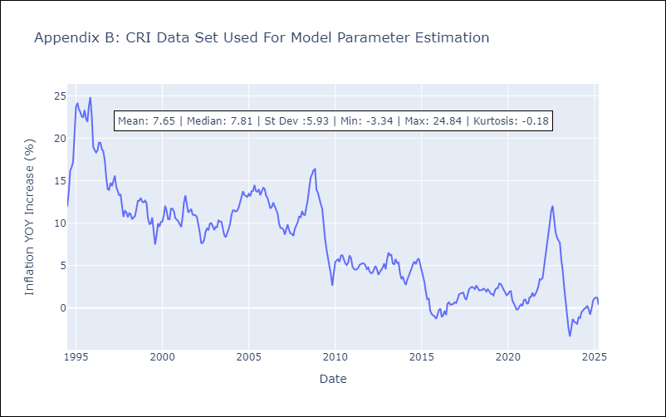

Appendix C: Residuals Analysis
Mean

CUB
CUB - Inflation - Next 12 months forecast as of: 2024-01-01

Model | Random Forest w/ Lags - [(0, 2, 1), (0, 0, 1, 12)]
Training Data | 2003-01-01 to 2023-02-01
Test Data | 2023-02-01 to 2024-01-01

Date | Inflation Change YoY % | Lower Bound - 95% Confidence Interval | Upper Bound - 95% Confidence Interval
2024-02-01 | 49.23 | 37.83 | 72
2024-03-01 | 46.69 | 32.25 | 64.2
2024-04-01 | 39.81 | 33.49 | 64.98
2024-05-01 | 37.56 | 32.66 | 54.2
2024-06-01 | 37.14 | 30.72 | 55.55
2024-07-01 | 36.12 | 30.08 | 52.12
2024-08-01 | 36.89 | 31.97 | 50.53
2024-09-01 | 38.26 | 29.4 | 49.1
2024-10-01 | 38.85 | 28.55 | 43.62
2024-11-01 | 37.88 | 27.37 | 41.11
2024-12-01 | 37.82 | 28.65 | 42.43
2025-01-01 | 38.38 | 28.64 | 42.76

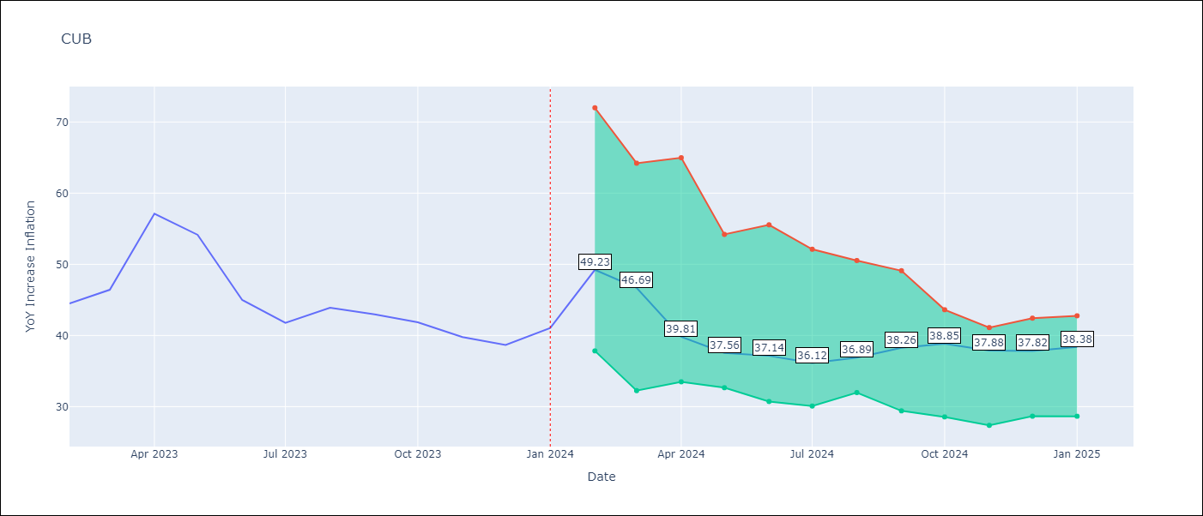

Test Metrics
RMSE | 11.59
Naive RMSE | 12.41
MAPE | 17.2%

Test Predictions
Date | Predicted | Actual
2023-03-01 | 48.65 | 44.5
2023-04-01 | 46.67 | 46.42
2023-05-01 | 43.38 | 57.12
2023-06-01 | 40.59 | 54.15
2023-07-01 | 37.64 | 44.99
2023-08-01 | 36.56 | 41.77
2023-09-01 | 36.26 | 43.91
2023-10-01 | 35.5 | 42.96
2023-11-01 | 35.1 | 41.84
2023-12-01 | 32.21 | 39.78
2024-01-01 | 30.42 | 38.67
2024-02-01 | 29.83 | 41.06

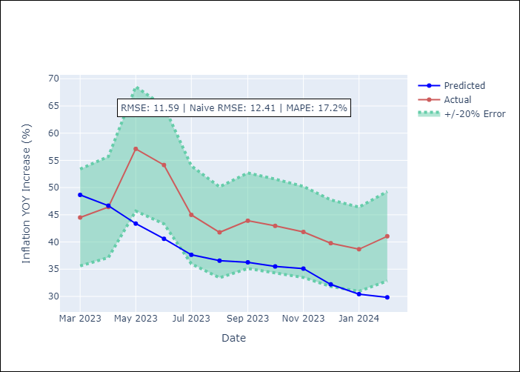
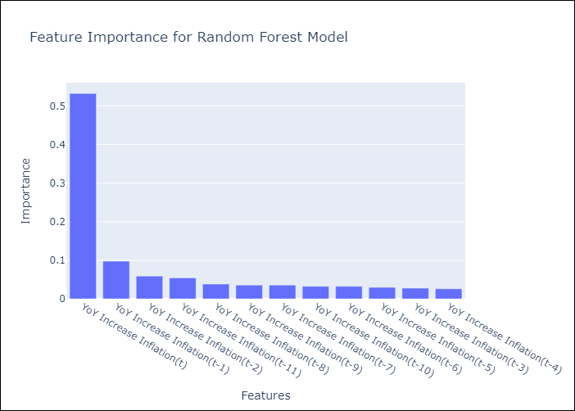

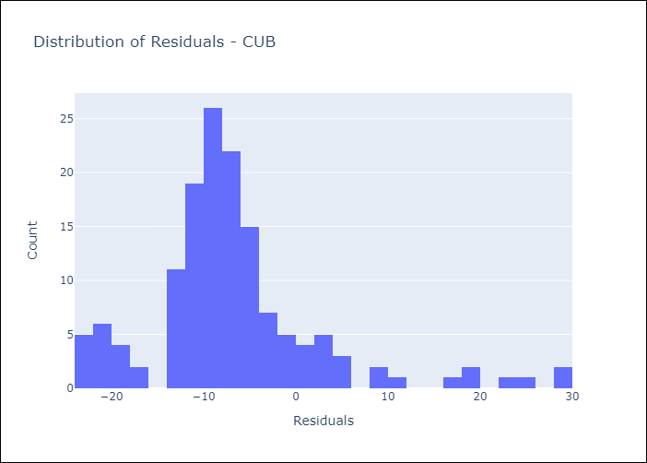
Appendix A: Model Summary
Model | Random Forest w/ Lags
Sample | 2003-01-01 to 2024-01-01
No. of Observations | 253
Residuals
Mean | -6.7497368787
St Dev | 9.4255366323
Kurtosis | 3.2704099571
Skewness | 1.3774588459

Assumptions | P-value

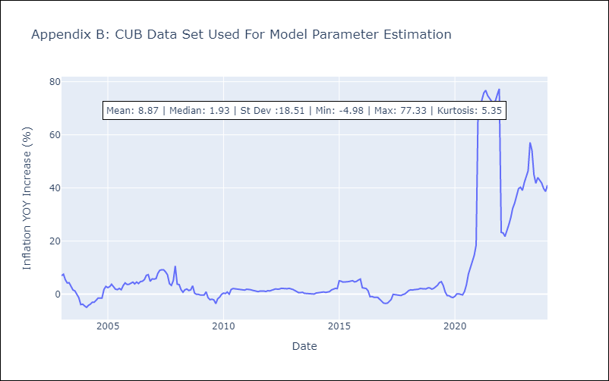

Appendix C: Residuals Analysis
Mean

DOM
DOM - Inflation - Next 12 months forecast as of: 2025-04-01

Model | Random Forest w/ Lags - [(0, 2, 2), (0, 0, 1, 12)]
Training Data | 1994-01-01 to 2024-05-01
Test Data | 2024-05-01 to 2025-04-01

Date | Inflation Change YoY % | Lower Bound - 95% Confidence Interval | Upper Bound - 95% Confidence Interval
2025-05-01 | 3.53 | 3.2 | 3.88
2025-06-01 | 3.49 | 3.04 | 3.84
2025-07-01 | 3.32 | 2.67 | 3.78
2025-08-01 | 3.14 | 2.18 | 3.76
2025-09-01 | 2.85 | 2.02 | 3.75
2025-10-01 | 2.56 | 1.97 | 3.87
2025-11-01 | 2.13 | 1.63 | 3.81
2025-12-01 | 1.8 | 1.27 | 3.75
2026-01-01 | 1.62 | 1.16 | 3.79
2026-02-01 | 1.34 | 1.08 | 4.05
2026-03-01 | 1.15 | 1.06 | 4.3
2026-04-01 | 1.14 | 0.96 | 4.63

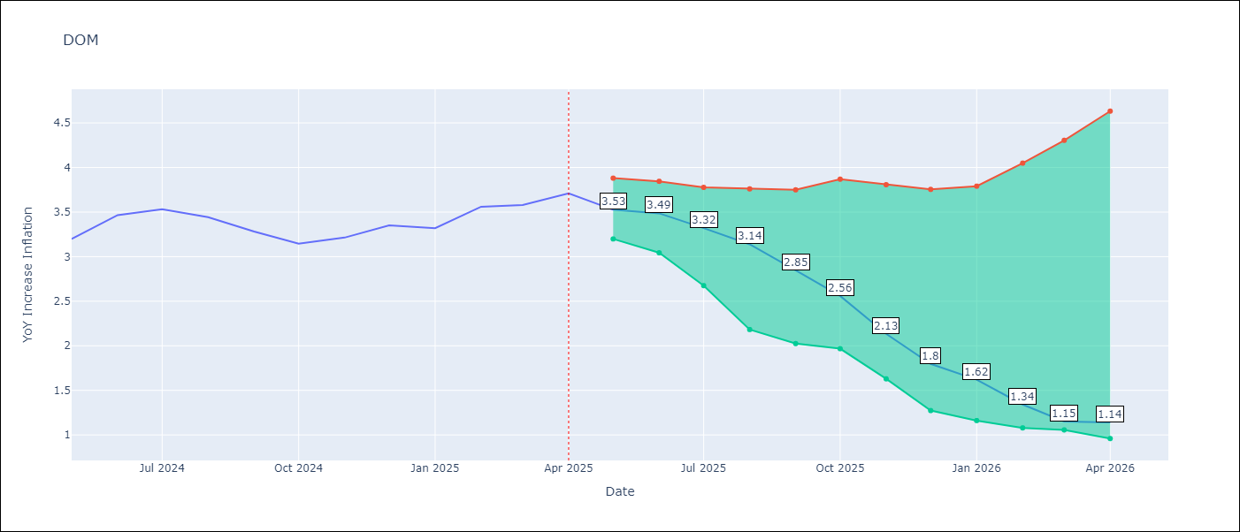

Test Metrics
RMSE | 3.34
Naive RMSE | 0.65
MAPE | 45.79%

Test Predictions
Date | Predicted | Actual
2024-06-01 | 3.11 | 3.2
2024-07-01 | 2.82 | 3.47
2024-08-01 | 2.52 | 3.53
2024-09-01 | 2.3 | 3.44
2024-10-01 | 2.09 | 3.28
2024-11-01 | 1.84 | 3.15
2024-12-01 | 1.56 | 3.21
2025-01-01 | 1.29 | 3.35
2025-02-01 | 1.14 | 3.32
2025-03-01 | 1.09 | 3.56
2025-04-01 | 1.08 | 3.58
2025-05-01 | 1.1 | 3.71

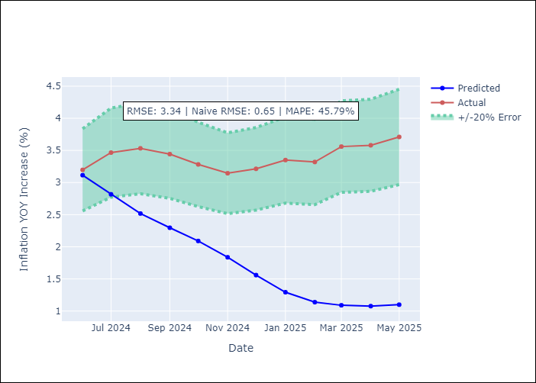
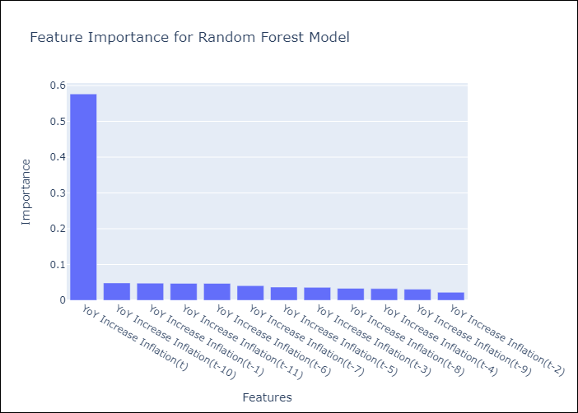

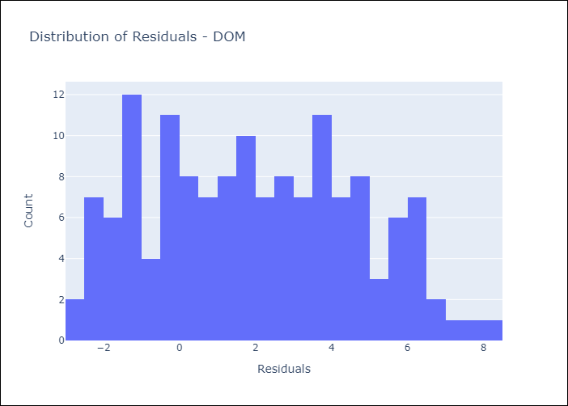
Appendix A: Model Summary
Model | Random Forest w/ Lags
Sample | 1994-01-01 to 2025-04-01
No. of Observations | 376
Residuals
Mean | 1.9736855148
St Dev | 2.6943984698
Kurtosis | -0.9164731009
Skewness | 0.16476310077

Assumptions | P-value

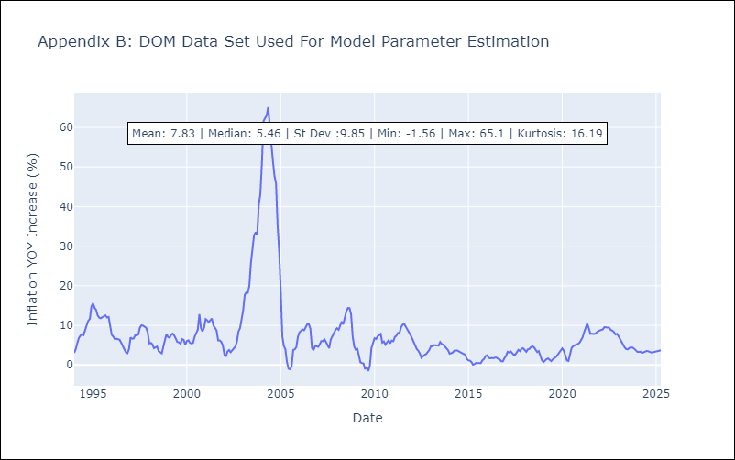

Appendix C: Residuals Analysis
Mean

GTM
GTM - Inflation - Next 12 months forecast as of: 2025-04-01

Model | Random Forest w/ Lags - [(1, 1, 0), (0, 0, 2, 12)]
Training Data | 1994-07-01 to 2024-05-01
Test Data | 2024-05-01 to 2025-04-01

Date | Inflation Change YoY % | Lower Bound - 95% Confidence Interval | Upper Bound - 95% Confidence Interval
2025-05-01 | 2.23 | 2.07 | 2.78
2025-06-01 | 2.51 | 2.29 | 3.1
2025-07-01 | 2.99 | 2.49 | 3.56
2025-08-01 | 3.55 | 2.87 | 4.01
2025-09-01 | 4.11 | 3.42 | 4.43
2025-10-01 | 4.43 | 3.71 | 4.66
2025-11-01 | 4.59 | 3.97 | 4.85
2025-12-01 | 4.62 | 4.12 | 4.87
2026-01-01 | 4.76 | 4.28 | 5.04
2026-02-01 | 4.92 | 4.35 | 5.23
2026-03-01 | 4.96 | 4.42 | 5.05
2026-04-01 | 4.88 | 4.42 | 5.04

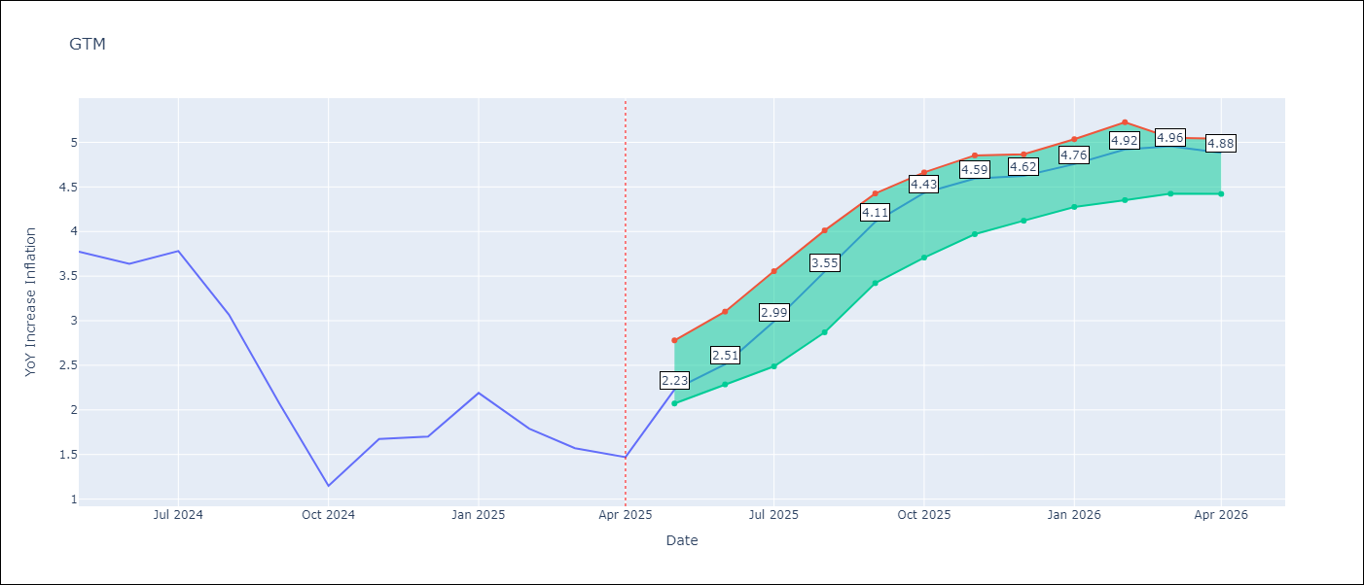

Test Metrics
RMSE | 2.08
Naive RMSE | 1.45
MAPE | 127.78%

Test Predictions
Date | Predicted | Actual
2024-06-01 | 3.39 | 3.77
2024-07-01 | 3.66 | 3.64
2024-08-01 | 4 | 3.78
2024-09-01 | 4.12 | 3.07
2024-10-01 | 4.14 | 2.07
2024-11-01 | 4.26 | 1.15
2024-12-01 | 4.54 | 1.67
2025-01-01 | 4.67 | 1.7
2025-02-01 | 4.83 | 2.19
2025-03-01 | 5.01 | 1.79
2025-04-01 | 5.07 | 1.57
2025-05-01 | 5.03 | 1.47

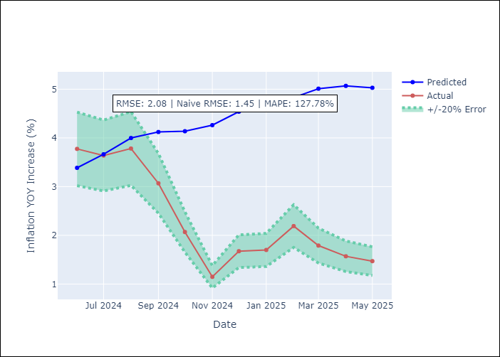
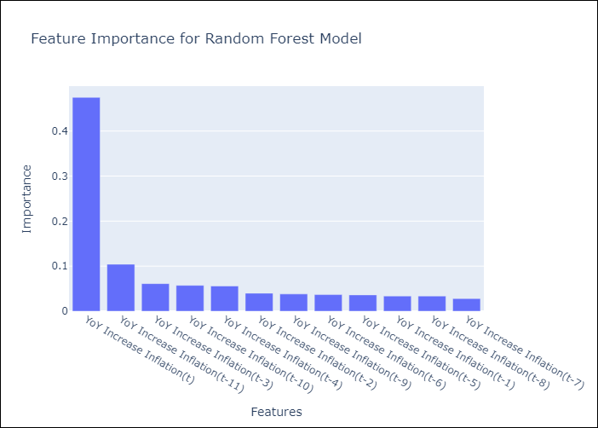

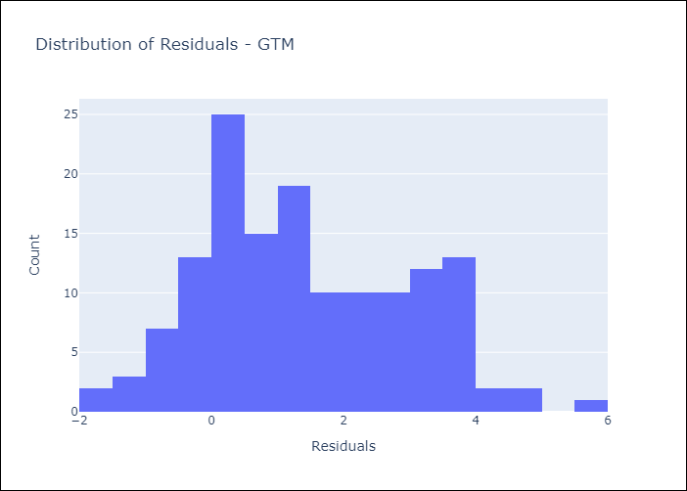
Appendix A: Model Summary
Model | Random Forest w/ Lags
Sample | 1994-07-01 to 2025-04-01
No. of Observations | 370
Residuals
Mean | 1.4174147027
St Dev | 1.5233166071
Kurtosis | -0.63435128926
Skewness | 0.30186303284

Assumptions | P-value

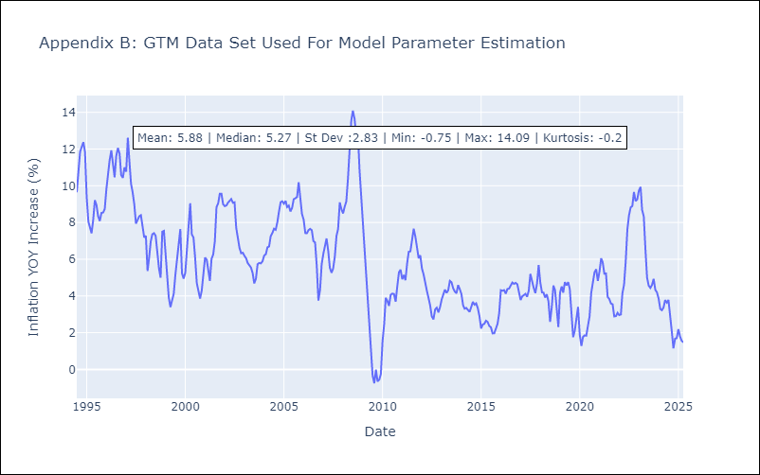

Appendix C: Residuals Analysis
Mean

HND
HND - Inflation - Next 12 months forecast as of: 2025-04-01

Model | Random Forest w/ Lags - [(2, 0, 1), (0, 0, 2, 12)]
Training Data | 1994-07-01 to 2024-05-01
Test Data | 2024-05-01 to 2025-04-01

Date | Inflation Change YoY % | Lower Bound - 95% Confidence Interval | Upper Bound - 95% Confidence Interval
2025-05-01 | 4.52 | 4.14 | 5.11
2025-06-01 | 4.31 | 3.97 | 5.14
2025-07-01 | 4.2 | 3.88 | 5.09
2025-08-01 | 4.2 | 4 | 5.16
2025-09-01 | 4.29 | 4.14 | 5.24
2025-10-01 | 4.37 | 4.17 | 5.44
2025-11-01 | 4.4 | 4.19 | 5.53
2025-12-01 | 4.28 | 4.02 | 5.48
2026-01-01 | 4.15 | 3.88 | 5.51
2026-02-01 | 4.12 | 3.92 | 5.49
2026-03-01 | 4.03 | 3.86 | 5.51
2026-04-01 | 4.08 | 3.92 | 5.54

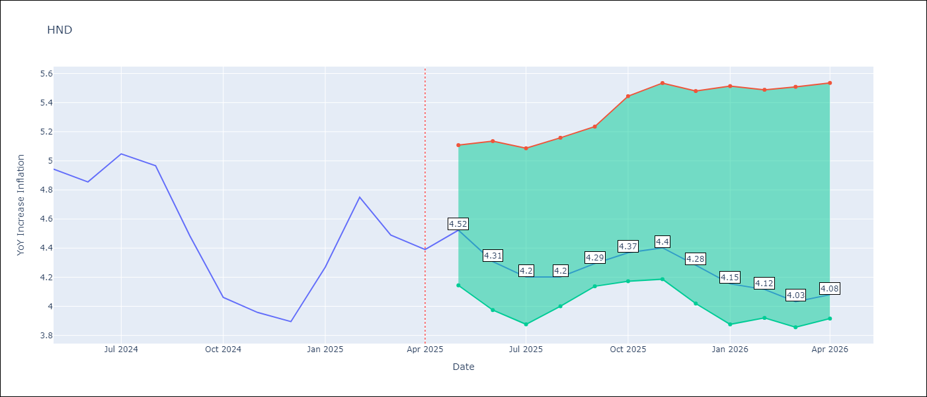

Test Metrics
RMSE | 1.21
Naive RMSE | 0.79
MAPE | 34.04%

Test Predictions
Date | Predicted | Actual
2024-06-01 | 5.31 | 4.94
2024-07-01 | 5.38 | 4.86
2024-08-01 | 5.53 | 5.05
2024-09-01 | 5.76 | 4.97
2024-10-01 | 5.83 | 4.48
2024-11-01 | 5.86 | 4.06
2024-12-01 | 5.92 | 3.96
2025-01-01 | 6.04 | 3.89
2025-02-01 | 6.22 | 4.27
2025-03-01 | 6.47 | 4.75
2025-04-01 | 6.78 | 4.49
2025-05-01 | 6.72 | 4.39

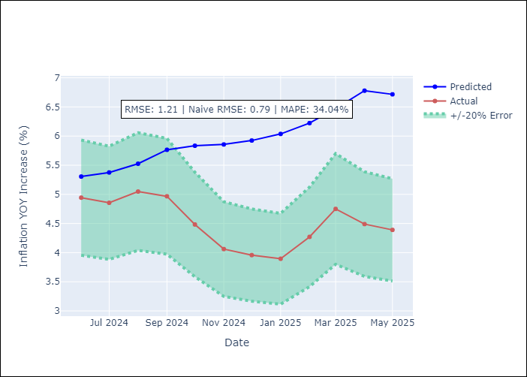
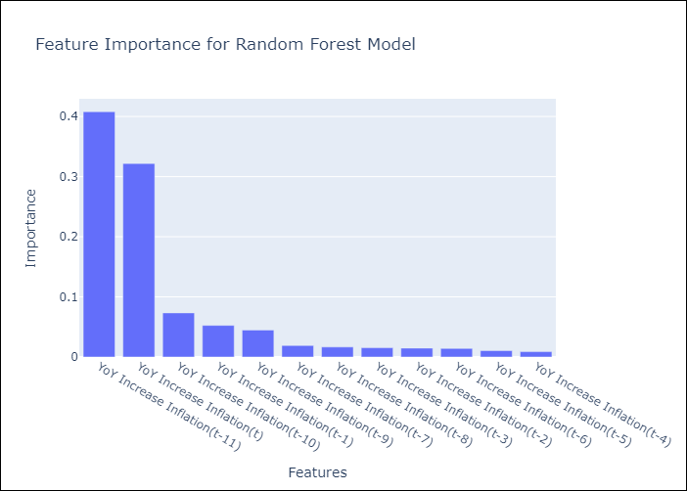

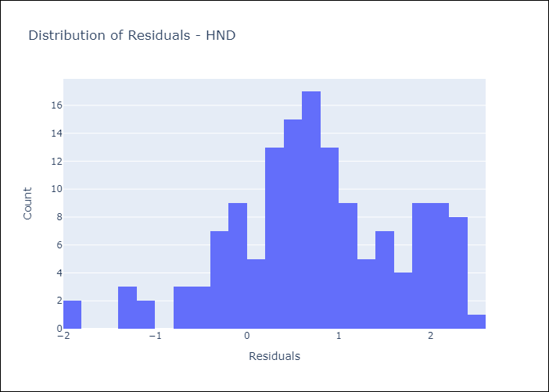
Appendix A: Model Summary
Model | Random Forest w/ Lags
Sample | 1994-07-01 to 2025-04-01
No. of Observations | 370
Residuals
Mean | 0.7602636791
St Dev | 0.93705223825
Kurtosis | -0.044265987449
Skewness | -0.28789099757

Assumptions | P-value

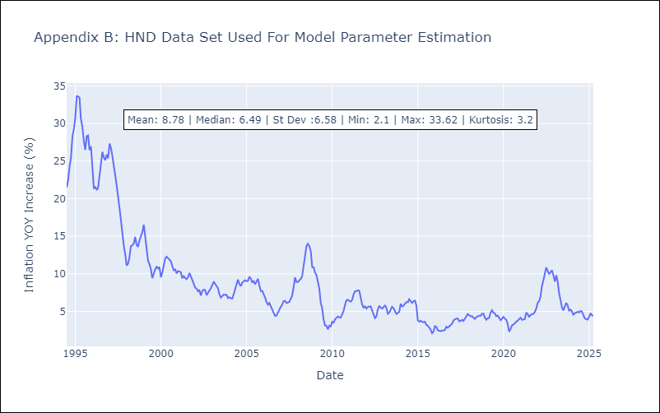

Appendix C: Residuals Analysis
Mean

HTI
HTI - Inflation - Next 12 months forecast as of: 2024-03-01

Model | Random Forest w/ Lags - [(2, 0, 1), (3, 0, 0, 12)]
Training Data | 1998-01-01 to 2023-04-01
Test Data | 2023-04-01 to 2024-03-01

Date | Inflation Change YoY % | Lower Bound - 95% Confidence Interval | Upper Bound - 95% Confidence Interval
2024-04-01 | 24.61 | 23.57 | 28.52
2024-05-01 | 23.56 | 22.77 | 28.58
2024-06-01 | 22.44 | 21.74 | 28.97
2024-07-01 | 21.78 | 20.89 | 29.6
2024-08-01 | 21.05 | 20.03 | 29.43
2024-09-01 | 20.44 | 19.16 | 31.17
2024-10-01 | 19.88 | 18.23 | 33.62
2024-11-01 | 18.87 | 17.07 | 32.09
2024-12-01 | 17.81 | 15.68 | 32.21
2025-01-01 | 16.22 | 14.34 | 32.03
2025-02-01 | 14.85 | 13.31 | 31.25
2025-03-01 | 14.13 | 12.74 | 29.53

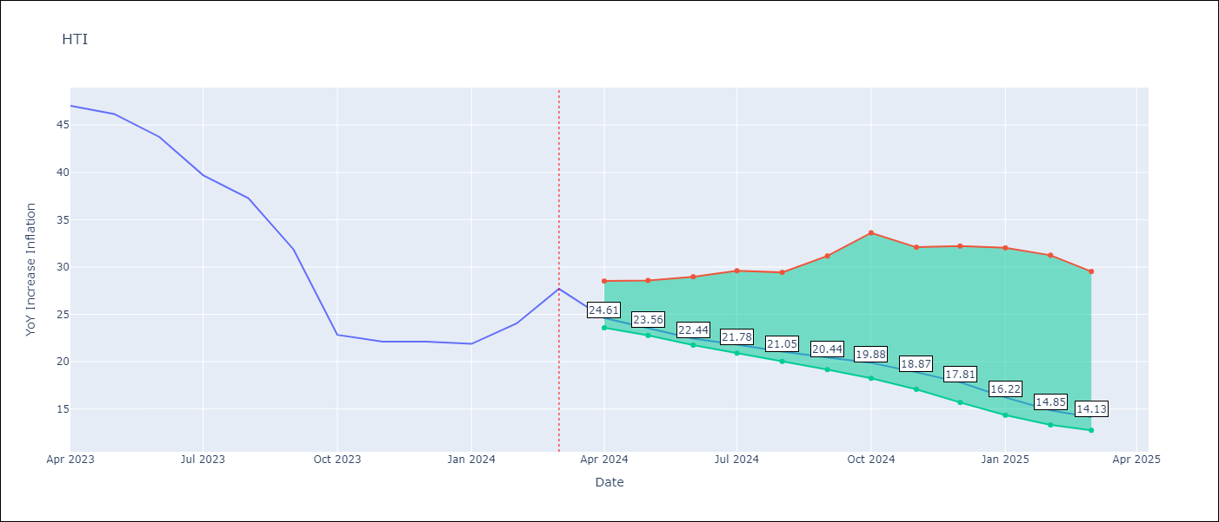

Test Metrics
RMSE | 18.96
Naive RMSE | 14.65
MAPE | 20.63%

Test Predictions
Date | Predicted | Actual
2023-05-01 | 34.16 | 47.04
2023-06-01 | 30.23 | 46.18
2023-07-01 | 26.82 | 43.75
2023-08-01 | 24.96 | 39.71
2023-09-01 | 23.52 | 37.27
2023-10-01 | 23.2 | 31.86
2023-11-01 | 22.93 | 22.83
2023-12-01 | 22.67 | 22.12
2024-01-01 | 22.08 | 22.12
2024-02-01 | 21.39 | 21.87
2024-03-01 | 20.75 | 24.04
2024-04-01 | 20.29 | 27.7

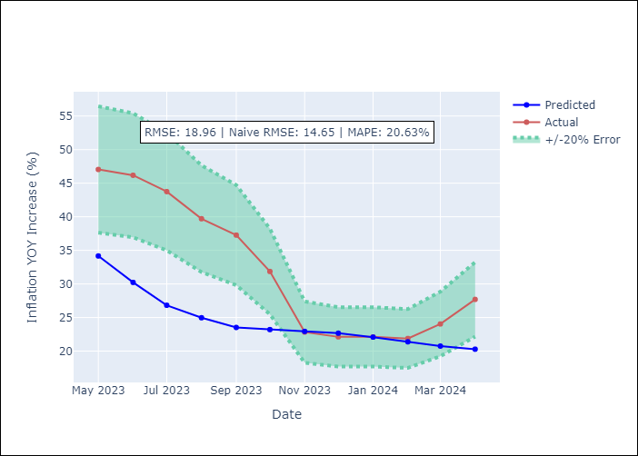


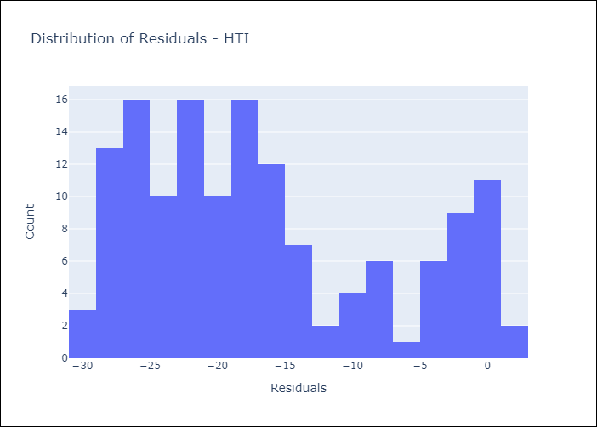
Appendix A: Model Summary
Model | Random Forest w/ Lags
Sample | 1998-01-01 to 2024-03-01
No. of Observations | 315
Residuals
Mean | -16.607720237
St Dev | 9.1547432217
Kurtosis | -0.8873000513
Skewness | 0.60145245215

Assumptions | P-value

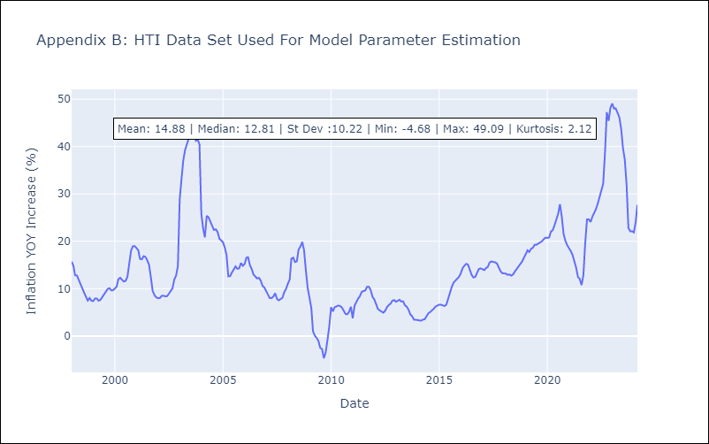

Appendix C: Residuals Analysis
Mean

MEX
MEX - Inflation - Next 12 months forecast as of: 2025-04-01

Model | Random Forest w/ Lags - [(3, 1, 1), (0, 0, 2, 12)]
Training Data | 1992-01-01 to 2024-05-01
Test Data | 2024-05-01 to 2025-04-01

Date | Inflation Change YoY % | Lower Bound - 95% Confidence Interval | Upper Bound - 95% Confidence Interval
2025-05-01 | 3.96 | 3.8 | 4.15
2025-06-01 | 3.92 | 3.54 | 4.11
2025-07-01 | 3.8 | 3.45 | 4.03
2025-08-01 | 3.7 | 3.45 | 4.05
2025-09-01 | 3.68 | 3.44 | 4.07
2025-10-01 | 3.68 | 3.39 | 4.07
2025-11-01 | 3.71 | 3.46 | 4.15
2025-12-01 | 3.84 | 3.54 | 4.28
2026-01-01 | 3.99 | 3.61 | 4.38
2026-02-01 | 4.03 | 3.34 | 4.51
2026-03-01 | 3.97 | 3.46 | 4.58
2026-04-01 | 4.04 | 3.51 | 4.65

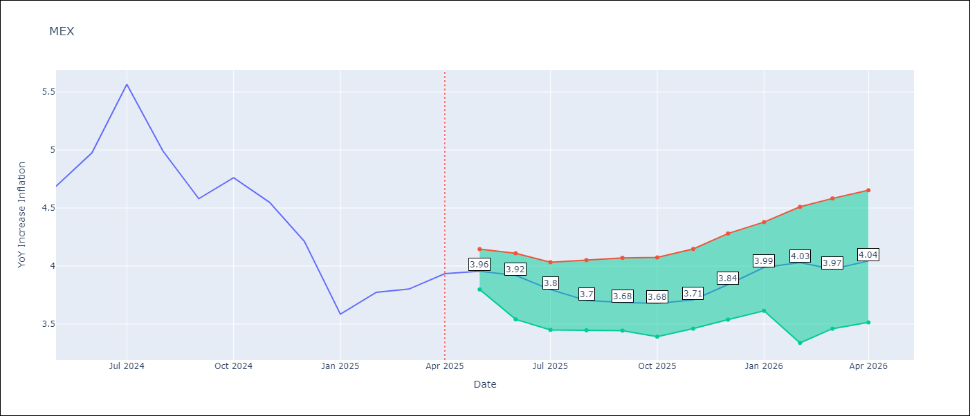

Test Metrics
RMSE | 1.01
Naive RMSE | 0.6
MAPE | 9.04%

Test Predictions
Date | Predicted | Actual
2024-06-01 | 4.47 | 4.69
2024-07-01 | 4.36 | 4.98
2024-08-01 | 4.26 | 5.57
2024-09-01 | 4.26 | 4.99
2024-10-01 | 4.29 | 4.58
2024-11-01 | 4.29 | 4.76
2024-12-01 | 4.14 | 4.55
2025-01-01 | 4.04 | 4.21
2025-02-01 | 3.93 | 3.59
2025-03-01 | 3.84 | 3.77
2025-04-01 | 3.69 | 3.8
2025-05-01 | 3.57 | 3.93

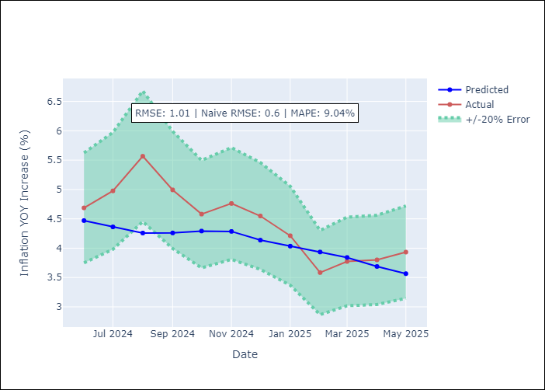
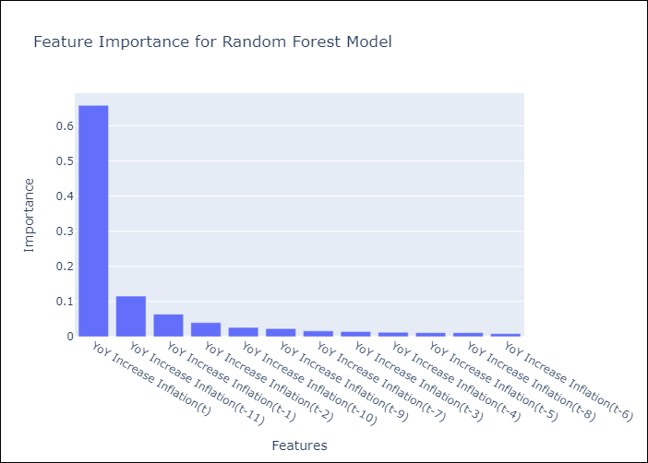

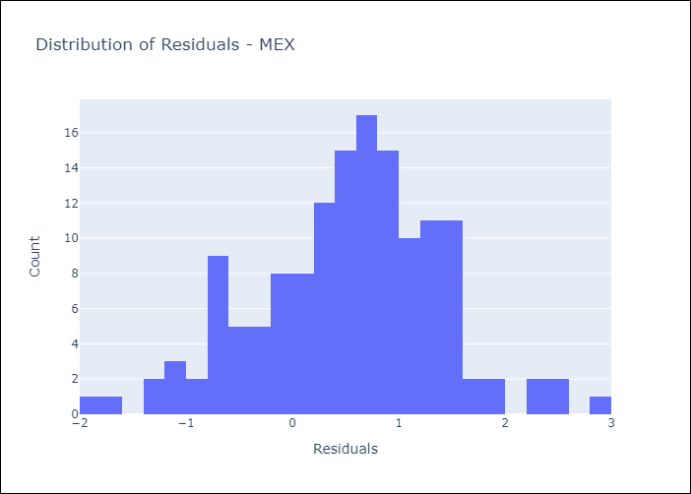
Appendix A: Model Summary
Model | Random Forest w/ Lags
Sample | 1992-01-01 to 2025-04-01
No. of Observations | 400
Residuals
Mean | 0.52916485612
St Dev | 0.85526539951
Kurtosis | 0.21926503332
Skewness | -0.16775249505

Assumptions | P-value

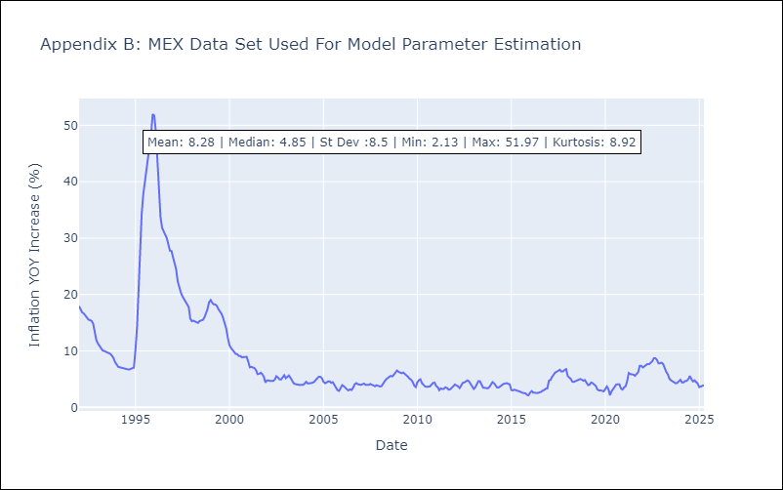

Appendix C: Residuals Analysis
Mean

NIC
NIC - Inflation - Next 12 months forecast as of: 2025-04-01

Model | Random Forest w/ Lags - [(1, 1, 0), (2, 0, 1, 12)]
Training Data | 2012-12-01 to 2024-04-01
Test Data | 2024-04-01 to 2025-04-01

Date | Inflation Change YoY % | Lower Bound - 95% Confidence Interval | Upper Bound - 95% Confidence Interval
2025-05-01 | 3.18 | 3.1 | 3.57
2025-06-01 | 3.51 | 3.28 | 3.89
2025-07-01 | 3.82 | 3.42 | 4.2
2025-08-01 | 3.98 | 3.54 | 4.38
2025-09-01 | 4.09 | 3.74 | 4.4
2025-10-01 | 4.27 | 3.88 | 4.45
2025-11-01 | 4.4 | 4.04 | 4.58
2025-12-01 | 4.56 | 4.15 | 4.87
2026-01-01 | 4.78 | 4.25 | 5.13
2026-02-01 | 5.07 | 4.29 | 5.56
2026-03-01 | 5.38 | 4.54 | 5.89
2026-04-01 | 5.66 | 4.65 | 6.37

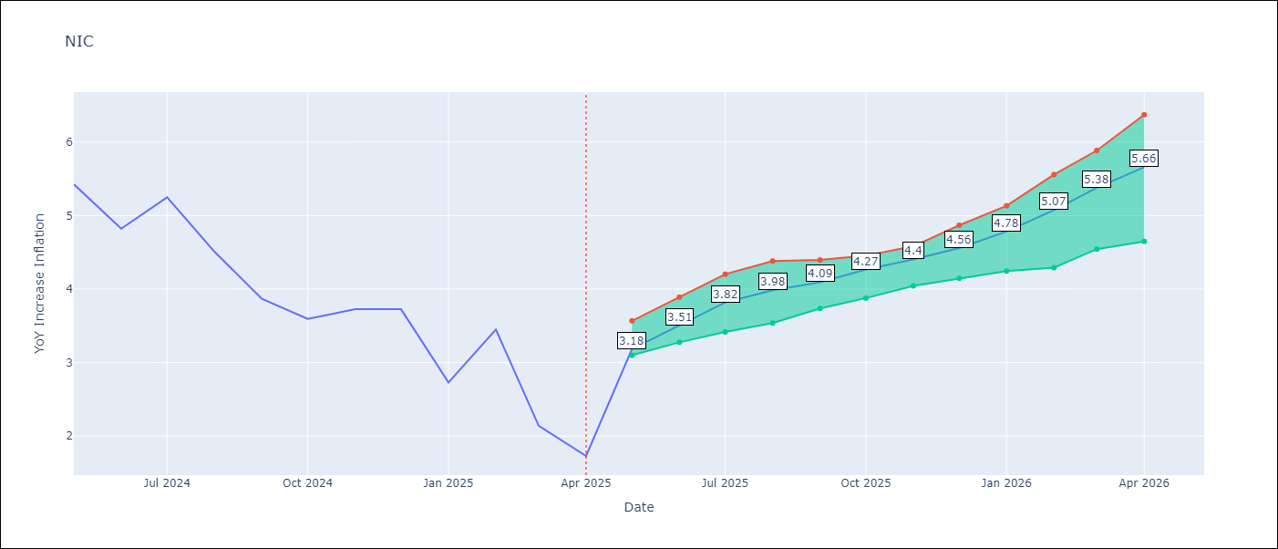

Test Metrics
RMSE | 2.03
Naive RMSE | 2.33
MAPE | 63.2%

Test Predictions
Date | Predicted | Actual
2024-05-01 | 5.29 | 5.42
2024-06-01 | 5.43 | 5.43
2024-07-01 | 5.67 | 4.82
2024-08-01 | 5.84 | 5.25
2024-09-01 | 5.99 | 4.51
2024-10-01 | 5.88 | 3.87
2024-11-01 | 6.08 | 3.59
2024-12-01 | 5.91 | 3.73
2025-01-01 | 5.68 | 2.73
2025-02-01 | 5.47 | 3.45
2025-03-01 | 5.34 | 2.14
2025-04-01 | 5.16 | 1.73

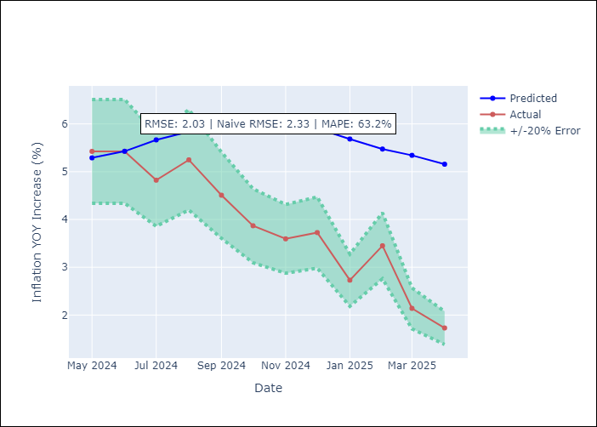
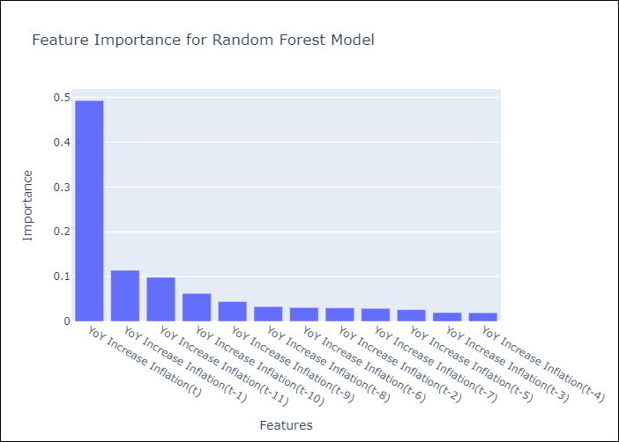

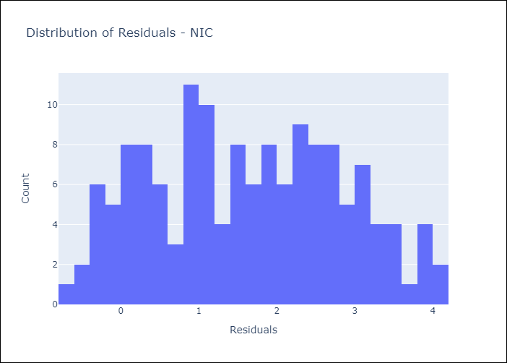
Appendix A: Model Summary
Model | Random Forest w/ Lags
Sample | 2012-12-01 to 2025-04-01
No. of Observations | 148
Residuals
Mean | 1.6276092719
St Dev | 1.2060734351
Kurtosis | -0.96335563754
Skewness | 0.080003786888

Assumptions | P-value

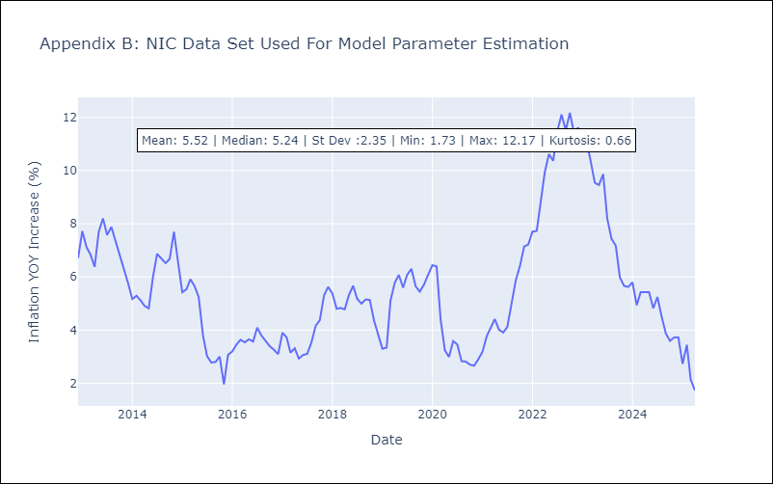

Appendix C: Residuals Analysis
Mean

PAN
PAN - Inflation - Next 12 months forecast as of: 2025-04-01

Model | Random Forest w/ Lags - [(2, 1, 1), (2, 0, 1, 12)]
Training Data | 1994-07-01 to 2024-05-01
Test Data | 2024-05-01 to 2025-04-01

Date | Inflation Change YoY % | Lower Bound - 95% Confidence Interval | Upper Bound - 95% Confidence Interval
2025-05-01 | -0.45 | -0.61 | -0.07
2025-06-01 | -0.42 | -0.72 | 0
2025-07-01 | -0.22 | -0.66 | 0.2
2025-08-01 | -0.07 | -0.47 | 0.31
2025-09-01 | 0.01 | -0.46 | 0.42
2025-10-01 | -0.25 | -0.61 | 0.34
2025-11-01 | -0.81 | -1.09 | 0.06
2025-12-01 | -1.46 | -1.75 | 0.05
2026-01-01 | -1.68 | -2.2 | 0.12
2026-02-01 | -1.66 | -2.09 | 0.28
2026-03-01 | -1.65 | -2.01 | 0.37
2026-04-01 | -1.51 | -1.99 | 0.5

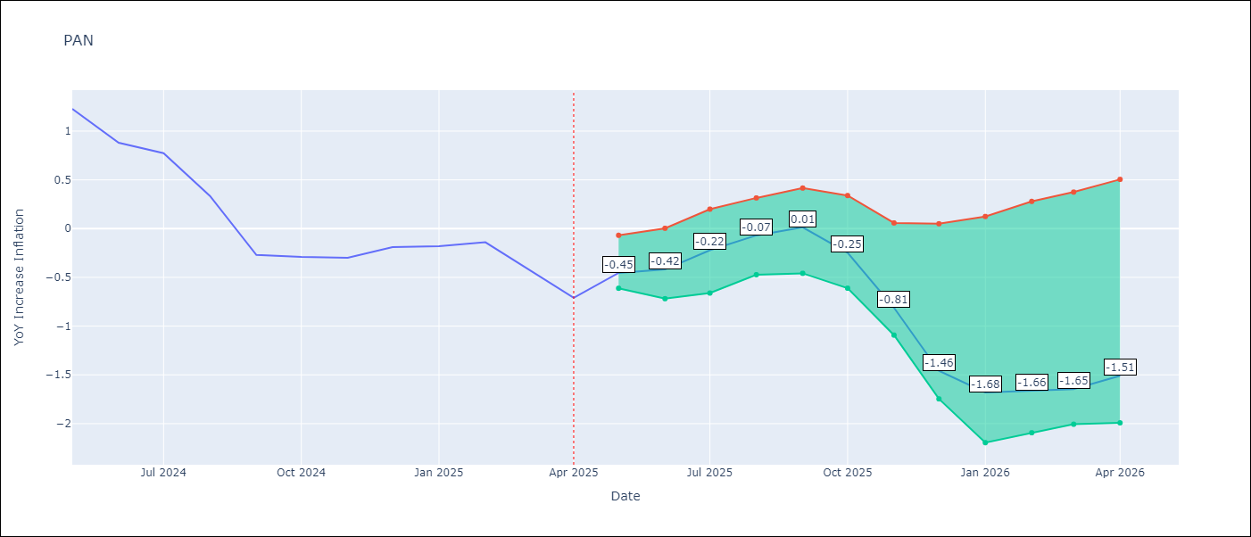

Test Metrics
RMSE | 1.08
Naive RMSE | 1.45
MAPE | 224.54%

Test Predictions
Date | Predicted | Actual
2024-06-01 | 1.49 | 1.23
2024-07-01 | 1.43 | 0.88
2024-08-01 | 1.08 | 0.77
2024-09-01 | 0.91 | 0.33
2024-10-01 | 0.53 | -0.27
2024-11-01 | 0.45 | -0.29
2024-12-01 | 0.02 | -0.3
2025-01-01 | 0.36 | -0.19
2025-02-01 | 0.58 | -0.18
2025-03-01 | 0.61 | -0.14
2025-04-01 | 0.74 | -0.41
2025-05-01 | 0.75 | -0.71

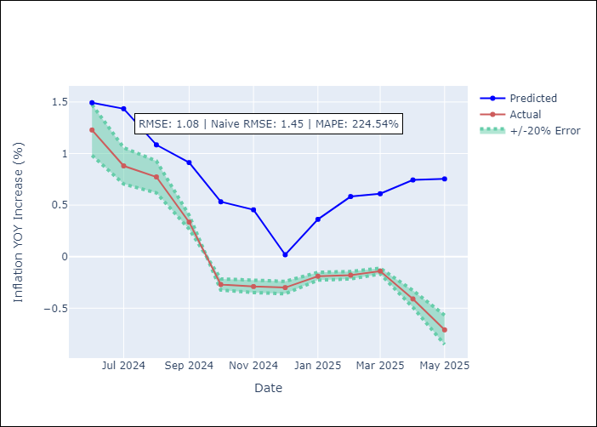
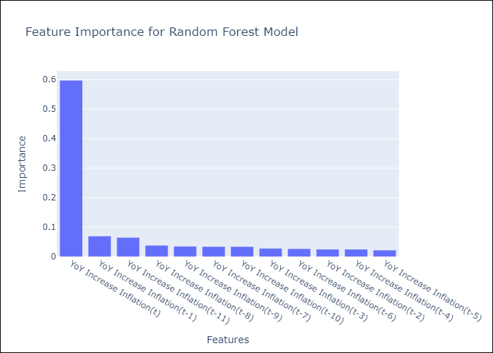

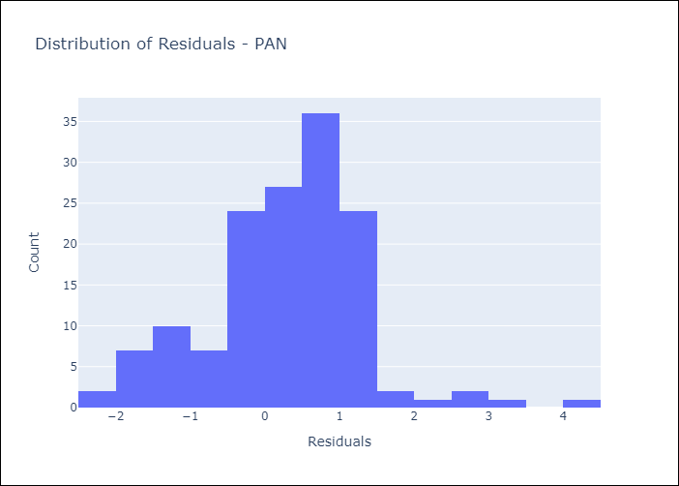
Appendix A: Model Summary
Model | Random Forest w/ Lags
Sample | 1994-07-01 to 2025-04-01
No. of Observations | 370
Residuals
Mean | 0.29780949333
St Dev | 1.0338588678
Kurtosis | 1.2735950141
Skewness | 0.089459968545

Assumptions | P-value

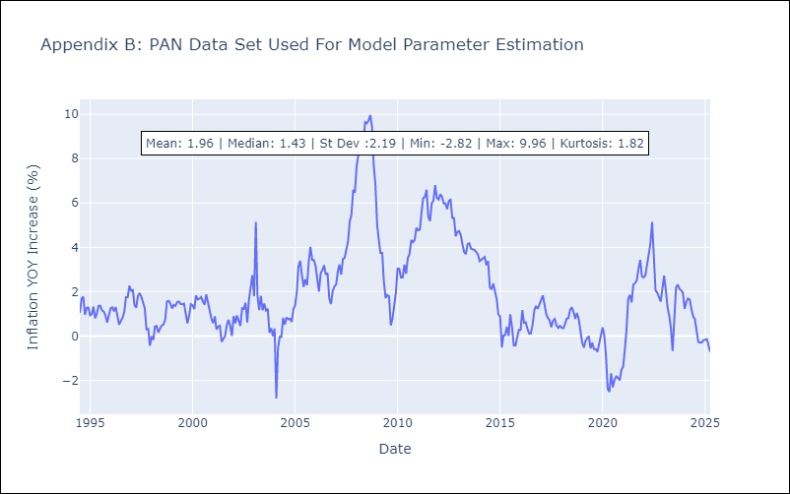

Appendix C: Residuals Analysis
Mean

SLV
SLV - Inflation - Next 12 months forecast as of: 2025-04-01

Model | Random Forest w/ Lags - [(1, 1, 0), (2, 0, 1, 12)]
Training Data | 1994-07-01 to 2024-05-01
Test Data | 2024-05-01 to 2025-04-01

Date | Inflation Change YoY % | Lower Bound - 95% Confidence Interval | Upper Bound - 95% Confidence Interval
2025-05-01 | -0.5 | -0.71 | 0.06
2025-06-01 | -0.61 | -0.91 | 0.16
2025-07-01 | -0.53 | -0.88 | 0.3
2025-08-01 | -0.26 | -0.57 | 0.46
2025-09-01 | 0.12 | -0.15 | 0.69
2025-10-01 | 0.2 | 0 | 0.9
2025-11-01 | 0.24 | -0.07 | 1.01
2025-12-01 | 0.28 | -0.05 | 1.09
2026-01-01 | 0.28 | -0.02 | 1.08
2026-02-01 | 0.38 | 0.03 | 1.28
2026-03-01 | 0.52 | 0.29 | 1.47
2026-04-01 | 0.61 | 0.43 | 1.63

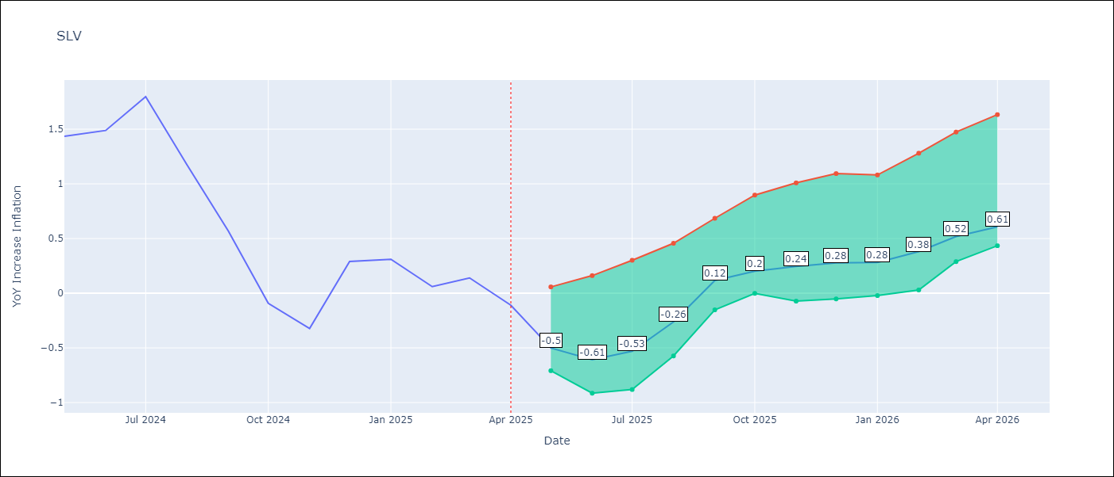

Test Metrics
RMSE | 0.94
Naive RMSE | 1.51
MAPE | 708.35%

Test Predictions
Date | Predicted | Actual
2024-06-01 | 1.3 | 1.44
2024-07-01 | 1.43 | 1.49
2024-08-01 | 1.54 | 1.8
2024-09-01 | 1.48 | 1.17
2024-10-01 | 1.43 | 0.57
2024-11-01 | 1.26 | -0.09
2024-12-01 | 1.16 | -0.32
2025-01-01 | 1.48 | 0.29
2025-02-01 | 1.74 | 0.31
2025-03-01 | 1.8 | 0.06
2025-04-01 | 1.69 | 0.14
2025-05-01 | 1.52 | -0.11

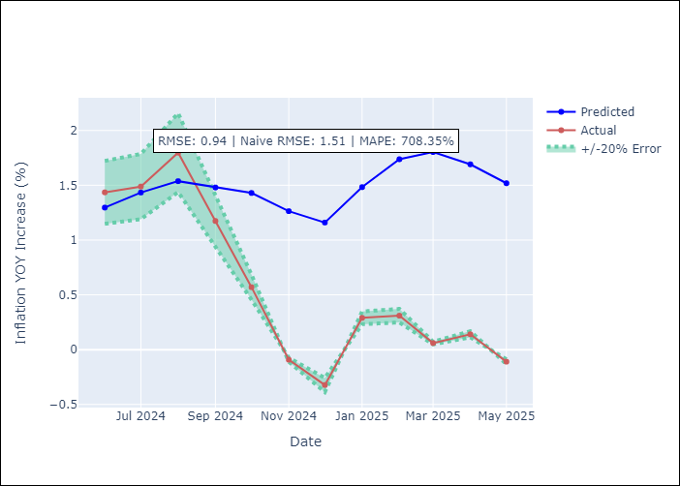
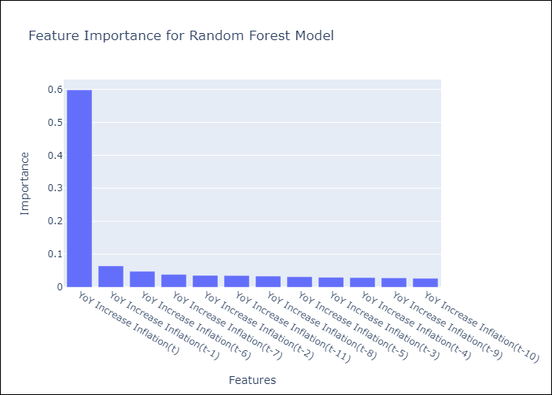

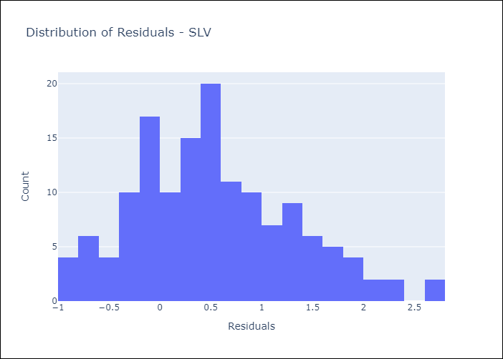
Appendix A: Model Summary
Model | Random Forest w/ Lags
Sample | 1994-07-01 to 2025-04-01
No. of Observations | 370
Residuals
Mean | 0.52883144632
St Dev | 0.77754072061
Kurtosis | -0.12354588508
Skewness | 0.45434338906

Assumptions | P-value

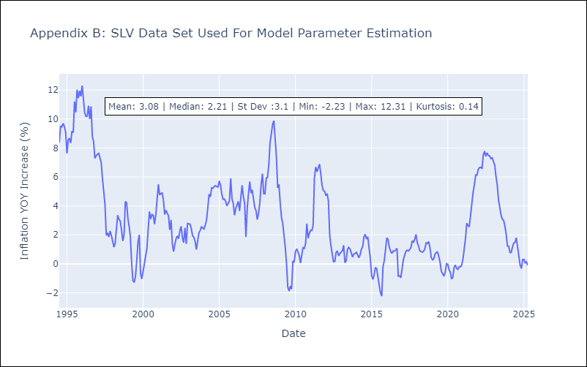

Appendix C: Residuals Analysis
Mean

