ATG
ATG - Inflation - Next 12 months forecast as of: 2025-01-01

Model | Random Forest w/ Lags - [(0, 1, 1), (0, 0, 1, 12)]
Training Data | 2004-01-01 to 2024-02-01
Test Data | 2024-02-01 to 2025-01-01

Date | Inflation Change YoY % | Lower Bound - 95% Confidence Interval | Upper Bound - 95% Confidence Interval
2025-02-01 | 0.63 | 0.15 | 2.41
2025-03-01 | 0.18 | -0.31 | 2.31
2025-04-01 | 0.18 | -0.33 | 2.49
2025-05-01 | -0.03 | -0.67 | 2.58
2025-06-01 | -0.4 | -0.98 | 2.71
2025-07-01 | -0.37 | -1.05 | 3.15
2025-08-01 | -0.49 | -1.16 | 2.84
2025-09-01 | 0 | -0.63 | 2.74
2025-10-01 | 0.29 | 0 | 2.76
2025-11-01 | 0.96 | 0.62 | 2.71
2025-12-01 | 1.18 | 0.79 | 3.08
2026-01-01 | 2.29 | 1.76 | 3.6

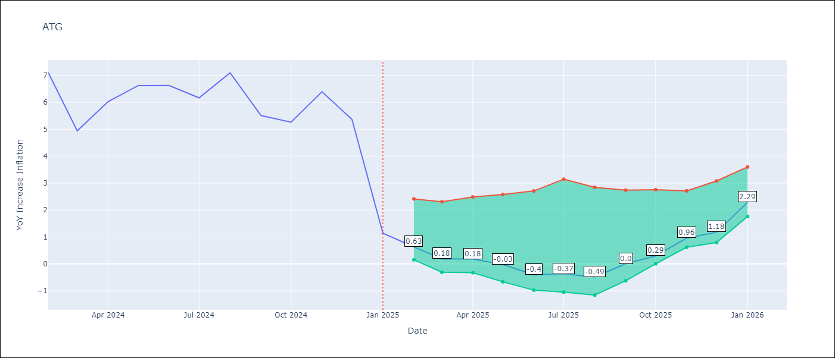

Test Metrics
RMSE | 4.3
Naive RMSE | 2.27
MAPE | 42.92%

Test Predictions
Date | Predicted | Actual
2024-03-01 | 6.4 | 7.11
2024-04-01 | 6.17 | 4.94
2024-05-01 | 5.67 | 6.03
2024-06-01 | 5.19 | 6.62
2024-07-01 | 4.39 | 6.63
2024-08-01 | 3.84 | 6.17
2024-09-01 | 3.73 | 7.1
2024-10-01 | 3.43 | 5.51
2024-11-01 | 2.94 | 5.27
2024-12-01 | 2.52 | 6.39
2025-01-01 | 2.3 | 5.37
2025-02-01 | 2.66 | 1.14

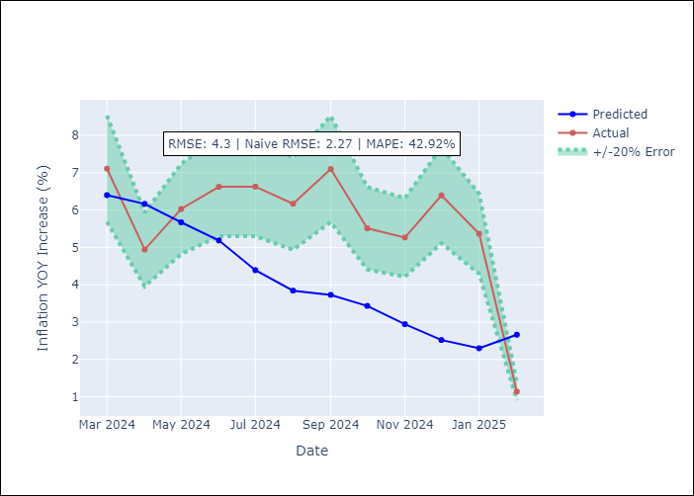
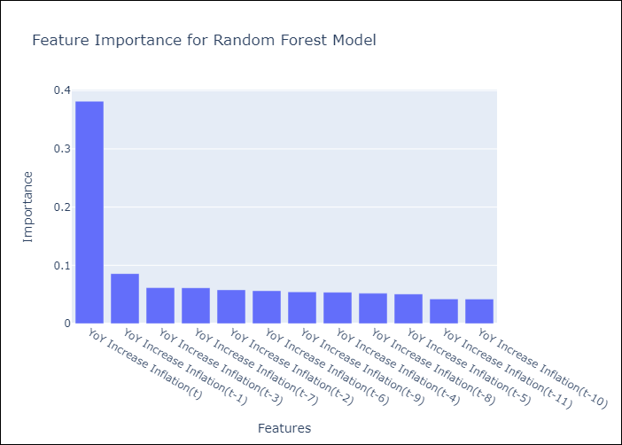

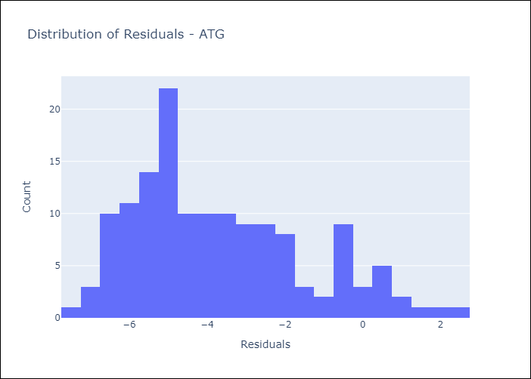
Appendix A: Model Summary
Model | Random Forest w/ Lags
Sample | 2004-01-01 to 2025-01-01
No. of Observations | 253
Residuals
Mean | -3.6836515874
St Dev | 2.217255012
Kurtosis | -0.32748804944
Skewness | 0.676084645

Assumptions | P-value

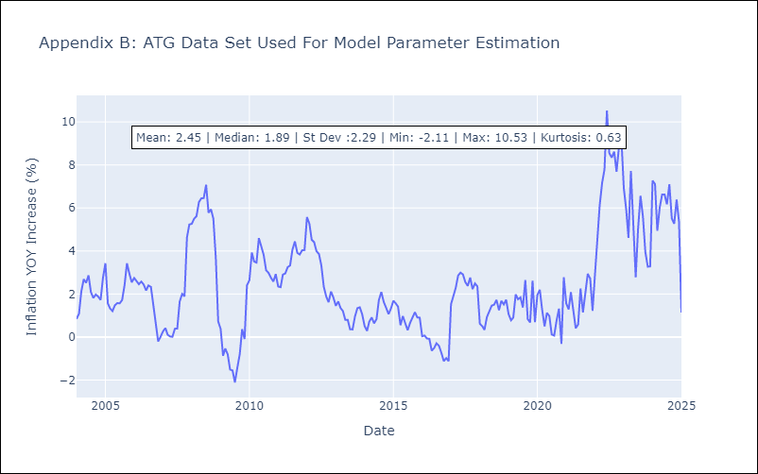

Appendix C: Residuals Analysis
Mean

BHS
BHS - Inflation - Next 12 months forecast as of: 2025-02-01

Model | Random Forest w/ Lags - [(1, 0, 0), (3, 0, 1, 12)]
Training Data | 2000-01-01 to 2024-03-01
Test Data | 2024-03-01 to 2025-02-01

Date | Inflation Change YoY % | Lower Bound - 95% Confidence Interval | Upper Bound - 95% Confidence Interval
2025-03-01 | 1.04 | 0.69 | 1.32
2025-04-01 | 1.36 | 0.86 | 1.52
2025-05-01 | 1.47 | 1.12 | 1.91
2025-06-01 | 1.87 | 1.46 | 2.15
2025-07-01 | 1.91 | 1.45 | 2.29
2025-08-01 | 1.97 | 1.56 | 2.36
2025-09-01 | 2.11 | 1.67 | 2.68
2025-10-01 | 2.26 | 1.54 | 2.82
2025-11-01 | 2.45 | 1.61 | 3.06
2025-12-01 | 2.5 | 1.81 | 3.09
2026-01-01 | 2.59 | 1.76 | 3.24
2026-02-01 | 2.73 | 1.79 | 3.17

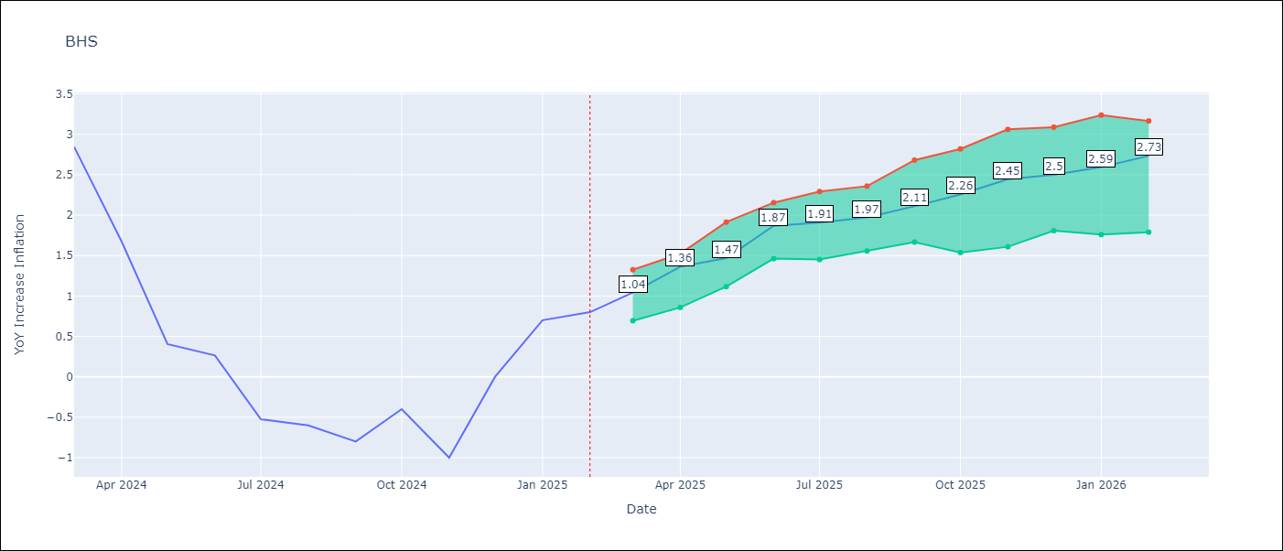

Test Metrics
RMSE | 0.92
Naive RMSE | 1.68
MAPE | inf%

Test Predictions
Date | Predicted | Actual
2024-04-01 | 1.23 | 2.85
2024-05-01 | 1.08 | 1.68
2024-06-01 | 0.86 | 0.4
2024-07-01 | 0.79 | 0.26
2024-08-01 | 0.84 | -0.52
2024-09-01 | 0.86 | -0.6
2024-10-01 | 0.67 | -0.8
2024-11-01 | 0.64 | -0.4
2024-12-01 | 0.62 | -1
2025-01-01 | 0.71 | 0
2025-02-01 | 0.84 | 0.7
2025-03-01 | 0.82 | 0.8

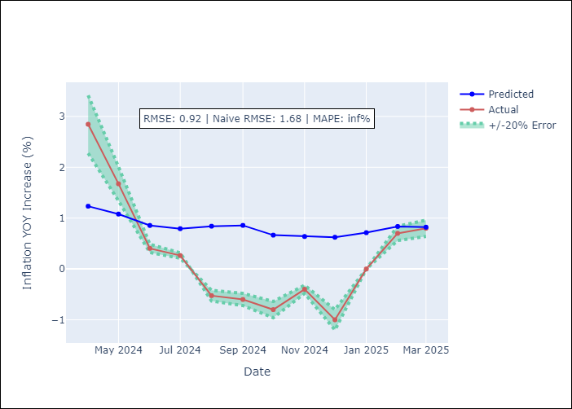


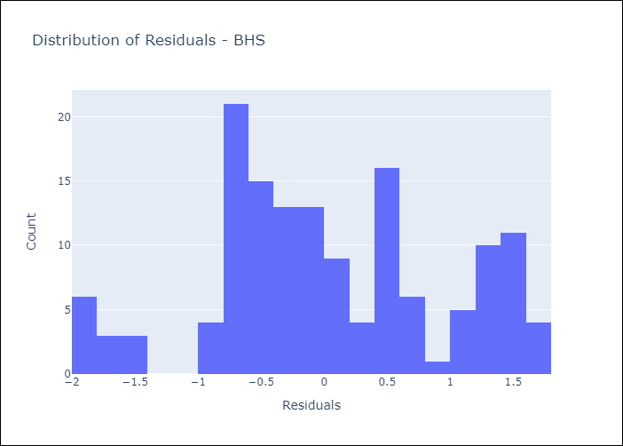
Appendix A: Model Summary
Model | Random Forest w/ Lags
Sample | 2000-01-01 to 2025-02-01
No. of Observations | 302
Residuals
Mean | 0.034380438939
St Dev | 0.92051759771
Kurtosis | -0.5788668833
Skewness | -0.0052306302095

Assumptions | P-value

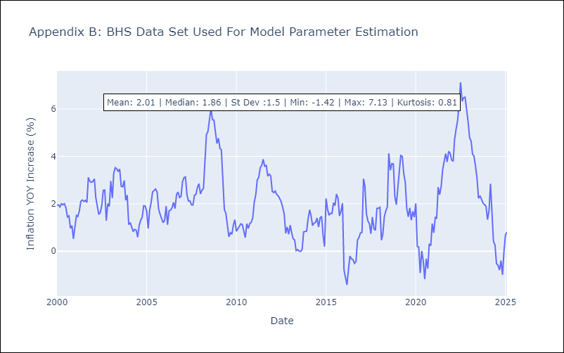

Appendix C: Residuals Analysis
Mean

BLZ
BLZ - Inflation - Next 12 months forecast as of: 2025-03-01

Model | Random Forest w/ Lags - [(2, 0, 0), (1, 0, 0, 12)]
Training Data | 2015-01-01 to 2024-04-01
Test Data | 2024-04-01 to 2025-03-01

Date | Inflation Change YoY % | Lower Bound - 95% Confidence Interval | Upper Bound - 95% Confidence Interval
2025-04-01 | 1.68 | 0.85 | 4.67
2025-05-01 | 1.55 | 0.7 | 4.85
2025-06-01 | 1.49 | 0.6 | 4.96
2025-07-01 | 1.38 | 0.55 | 5.01
2025-08-01 | 1.34 | 0.48 | 5.04
2025-09-01 | 1.31 | 0.54 | 5.07
2025-10-01 | 1.37 | 0.61 | 5.29
2025-11-01 | 1.42 | 0.6 | 5.37
2025-12-01 | 1.39 | 0.43 | 5.45
2026-01-01 | 1.23 | 0.23 | 5.33
2026-02-01 | 1.01 | 0.09 | 5.24
2026-03-01 | 0.93 | 0.05 | 5.08

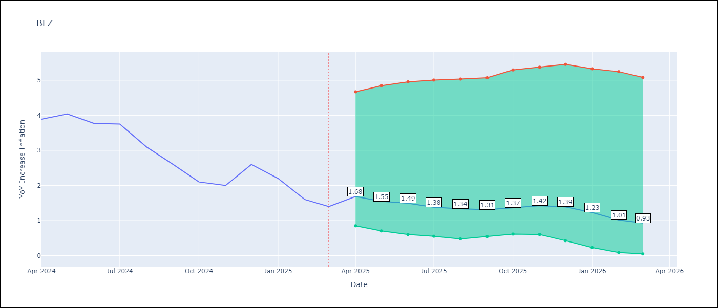

Test Metrics
RMSE | 2.28
Naive RMSE | 0.96
MAPE | 150.28%

Test Predictions
Date | Predicted | Actual
2024-05-01 | 5.91 | 3.89
2024-06-01 | 6.17 | 4.04
2024-07-01 | 6.46 | 3.77
2024-08-01 | 6.65 | 3.75
2024-09-01 | 6.69 | 3.1
2024-10-01 | 6.71 | 2.6
2024-11-01 | 6.59 | 2.1
2024-12-01 | 6.46 | 2
2025-01-01 | 6.27 | 2.6
2025-02-01 | 6 | 2.2
2025-03-01 | 5.68 | 1.6
2025-04-01 | 5.19 | 1.4

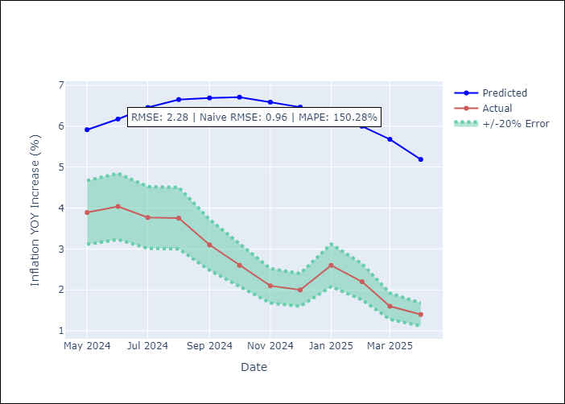
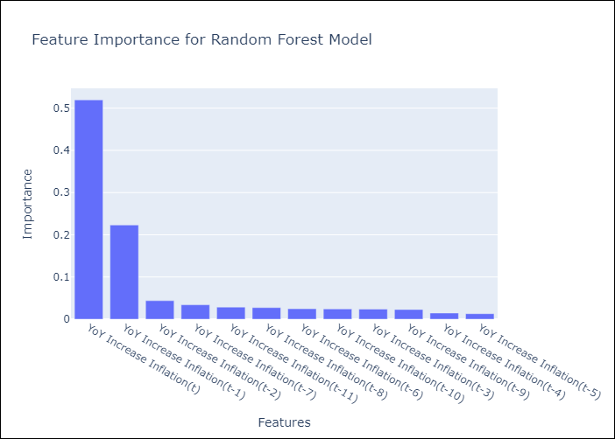

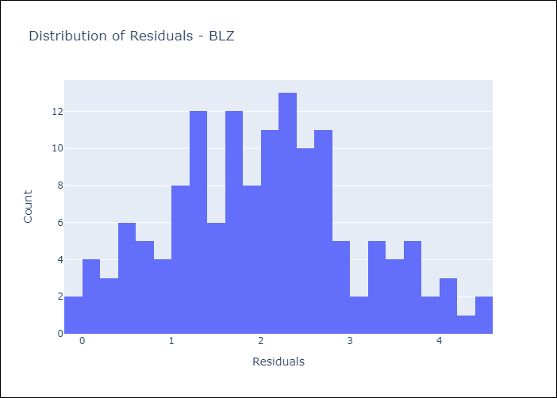
Appendix A: Model Summary
Model | Random Forest w/ Lags
Sample | 2015-01-01 to 2025-03-01
No. of Observations | 123
Residuals
Mean | 2.022666063
St Dev | 1.0530990392
Kurtosis | -0.43369000614
Skewness | 0.15420120672

Assumptions | P-value

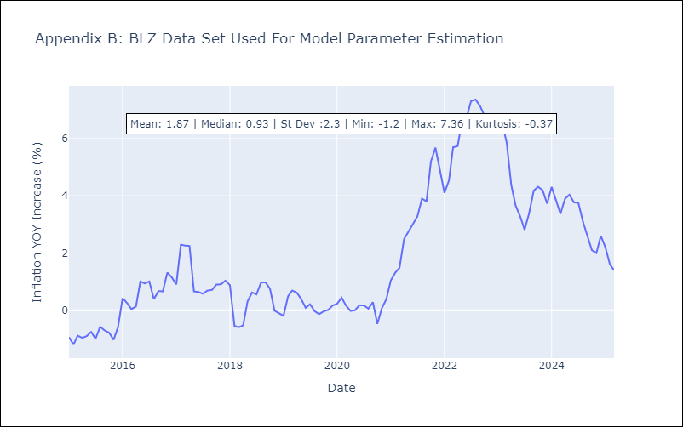

Appendix C: Residuals Analysis
Mean

BRB
BRB - Inflation - Next 12 months forecast as of: 2025-03-01

Model | Random Forest w/ Lags - [(3, 0, 0), (0, 0, 1, 12)]
Training Data | 2003-01-01 to 2024-04-01
Test Data | 2024-04-01 to 2025-03-01

Date | Inflation Change YoY % | Lower Bound - 95% Confidence Interval | Upper Bound - 95% Confidence Interval
2025-04-01 | 1.08 | 0.13 | 1.42
2025-05-01 | 1.84 | 0.34 | 2.07
2025-06-01 | 2.2 | 1.21 | 2.49
2025-07-01 | 2.72 | 1.65 | 2.87
2025-08-01 | 3 | 2.39 | 3.18
2025-09-01 | 3.48 | 2.61 | 3.82
2025-10-01 | 3.84 | 2.99 | 4.03
2025-11-01 | 4.38 | 3.35 | 4.52
2025-12-01 | 4.6 | 3.75 | 4.79
2026-01-01 | 4.75 | 3.87 | 4.98
2026-02-01 | 4.42 | 3.78 | 4.94
2026-03-01 | 4.01 | 3.22 | 4.93

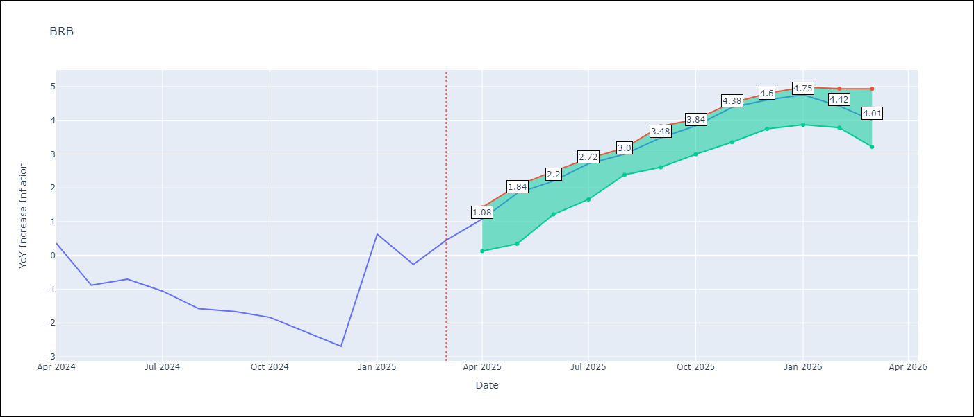

Test Metrics
RMSE | 4.76
Naive RMSE | 6.79
MAPE | 656.74%

Test Predictions
Date | Predicted | Actual
2024-05-01 | 1.73 | 0.36
2024-06-01 | 1.84 | -0.88
2024-07-01 | 2.33 | -0.7
2024-08-01 | 2.79 | -1.06
2024-09-01 | 3.55 | -1.58
2024-10-01 | 4.01 | -1.66
2024-11-01 | 4.56 | -1.83
2024-12-01 | 5.31 | -2.26
2025-01-01 | 6.17 | -2.69
2025-02-01 | 6.66 | 0.63
2025-03-01 | 6.5 | -0.27
2025-04-01 | 5.89 | 0.45

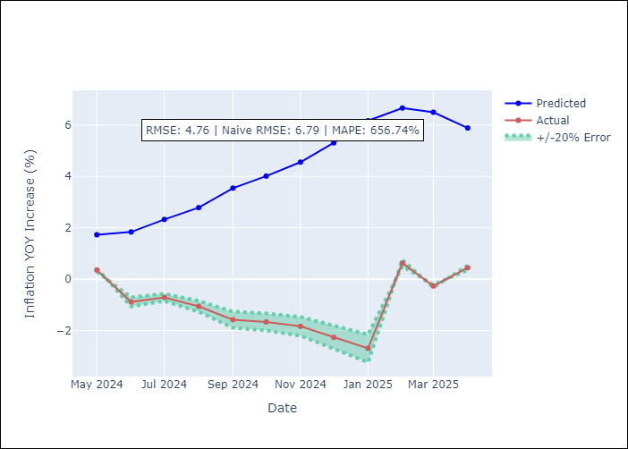
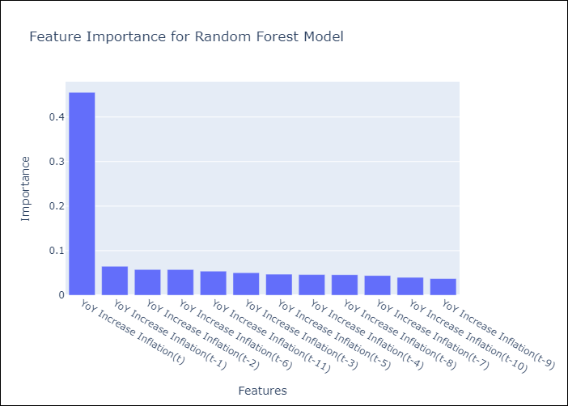

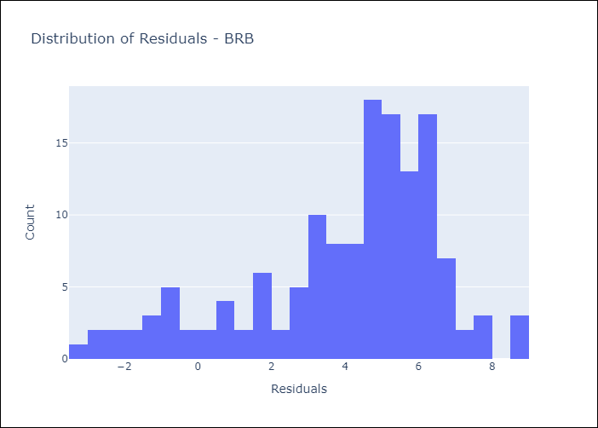
Appendix A: Model Summary
Model | Random Forest w/ Lags
Sample | 2003-01-01 to 2025-03-01
No. of Observations | 263
Residuals
Mean | 3.9613082736
St Dev | 2.6368912733
Kurtosis | 0.11690849239
Skewness | -0.88798519421

Assumptions | P-value

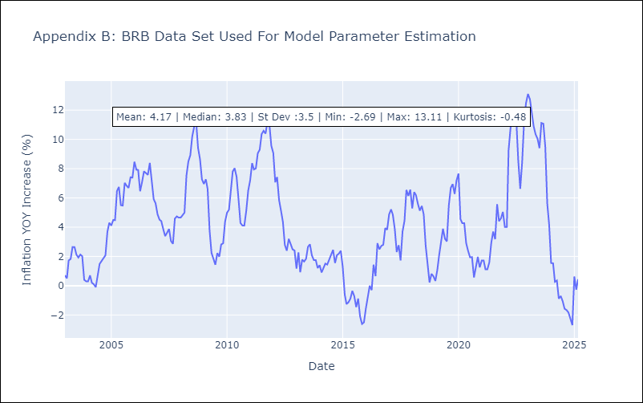

Appendix C: Residuals Analysis
Mean

DMA
DMA - Inflation - Next 12 months forecast as of: 2025-01-01

Model | Random Forest w/ Lags - [(0, 1, 0), (3, 0, 0, 12)]
Training Data | 2004-01-01 to 2024-02-01
Test Data | 2024-02-01 to 2025-01-01

Date | Inflation Change YoY % | Lower Bound - 95% Confidence Interval | Upper Bound - 95% Confidence Interval
2025-02-01 | 1.06 | 0.6 | 1.86
2025-03-01 | 1.11 | 0.58 | 1.94
2025-04-01 | 1 | 0.5 | 1.95
2025-05-01 | 0.81 | 0.3 | 1.83
2025-06-01 | 0.84 | 0.35 | 1.89
2025-07-01 | 0.63 | 0.19 | 2.05
2025-08-01 | 0.6 | 0.08 | 2.11
2025-09-01 | 0.47 | -0.18 | 1.97
2025-10-01 | 0.43 | -0.16 | 1.95
2025-11-01 | 0.43 | -0.37 | 2.03
2025-12-01 | 0.55 | -0.07 | 2.15
2026-01-01 | 0.58 | 0.03 | 2.44

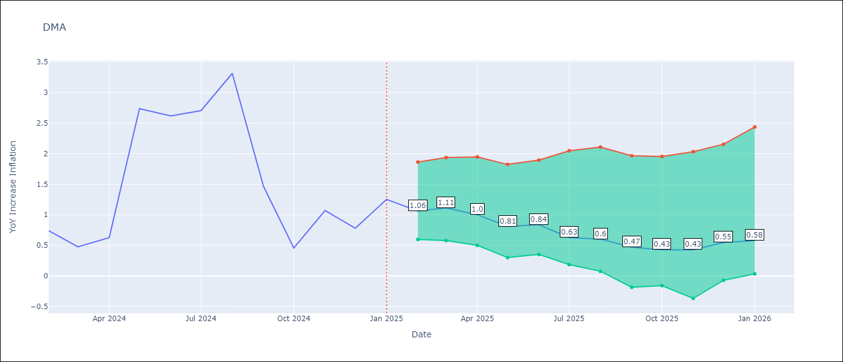

Test Metrics
RMSE | 5.55
Naive RMSE | 3.18
MAPE | 541.47%

Test Predictions
Date | Predicted | Actual
2024-03-01 | -0.23 | 0.74
2024-04-01 | -0.14 | 0.48
2024-05-01 | -0.41 | 0.63
2024-06-01 | -0.32 | 2.74
2024-07-01 | -1.86 | 2.62
2024-08-01 | -1.86 | 2.7
2024-09-01 | -3.02 | 3.31
2024-10-01 | -4.27 | 1.46
2024-11-01 | -6.39 | 0.46
2024-12-01 | -9.3 | 1.07
2025-01-01 | -11.27 | 0.78
2025-02-01 | -11.63 | 1.25

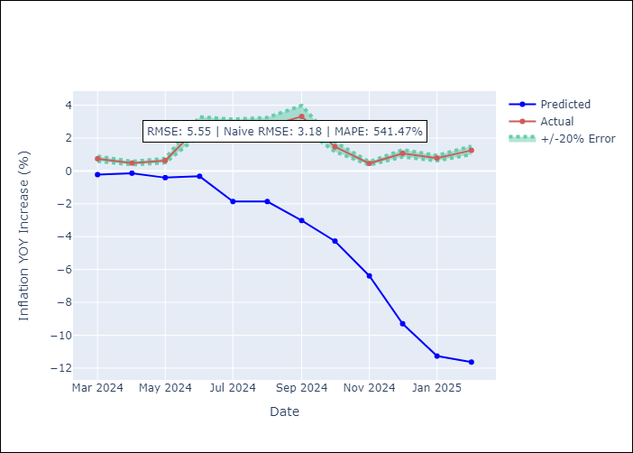
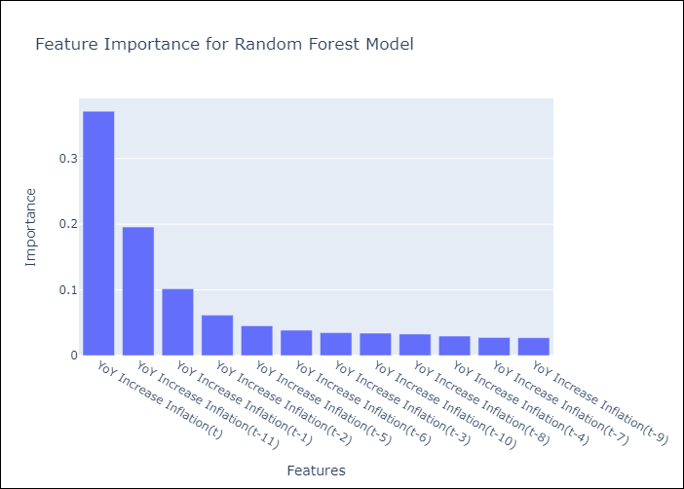

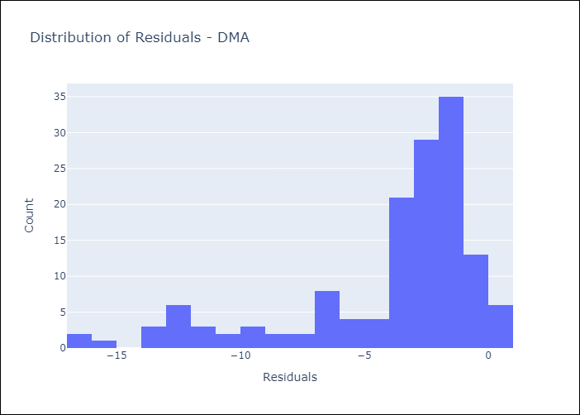
Appendix A: Model Summary
Model | Random Forest w/ Lags
Sample | 2004-01-01 to 2025-01-01
No. of Observations | 253
Residuals
Mean | -3.9683488594
St Dev | 3.8794029121
Kurtosis | 1.5521987783
Skewness | -1.5432508342

Assumptions | P-value

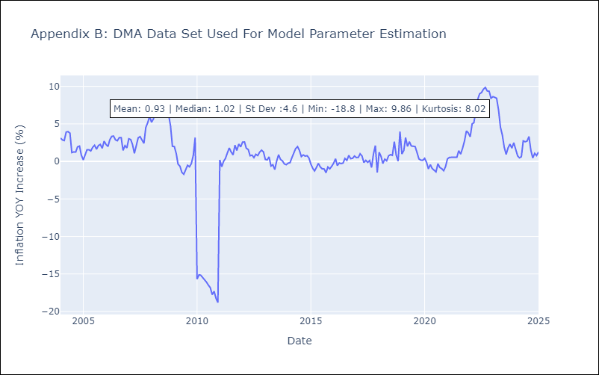

Appendix C: Residuals Analysis
Mean

GRD
GRD - Inflation - Next 12 months forecast as of: 2025-01-01

Model | Random Forest w/ Lags - [(1, 1, 1), (3, 0, 0, 12)]
Training Data | 2004-01-01 to 2024-02-01
Test Data | 2024-02-01 to 2025-01-01

Date | Inflation Change YoY % | Lower Bound - 95% Confidence Interval | Upper Bound - 95% Confidence Interval
2025-02-01 | 0.89 | 0.68 | 1.09
2025-03-01 | 0.77 | 0.56 | 1.14
2025-04-01 | 0.72 | 0.47 | 1.14
2025-05-01 | 0.62 | 0.51 | 1.07
2025-06-01 | 0.6 | 0.44 | 0.94
2025-07-01 | 0.61 | 0.45 | 0.92
2025-08-01 | 0.6 | 0.4 | 0.81
2025-09-01 | 0.55 | 0.39 | 0.77
2025-10-01 | 0.49 | 0.38 | 0.72
2025-11-01 | 0.5 | 0.33 | 0.83
2025-12-01 | 0.49 | 0.22 | 0.89
2026-01-01 | 0.45 | 0.19 | 0.95

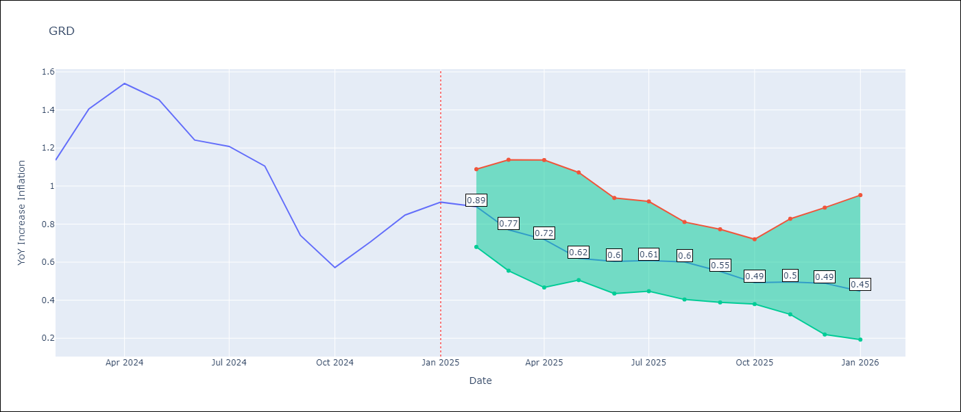

Test Metrics
RMSE | 1.41
Naive RMSE | 1.18
MAPE | 94.63%

Test Predictions
Date | Predicted | Actual
2024-03-01 | 0.78 | 1.14
2024-04-01 | 0.54 | 1.41
2024-05-01 | 0.54 | 1.54
2024-06-01 | 0.87 | 1.45
2024-07-01 | 1.07 | 1.24
2024-08-01 | 0.99 | 1.21
2024-09-01 | 0.01 | 1.11
2024-10-01 | -0.49 | 0.74
2024-11-01 | -0.49 | 0.57
2024-12-01 | -0.44 | 0.71
2025-01-01 | -0.39 | 0.85
2025-02-01 | -0.43 | 0.92

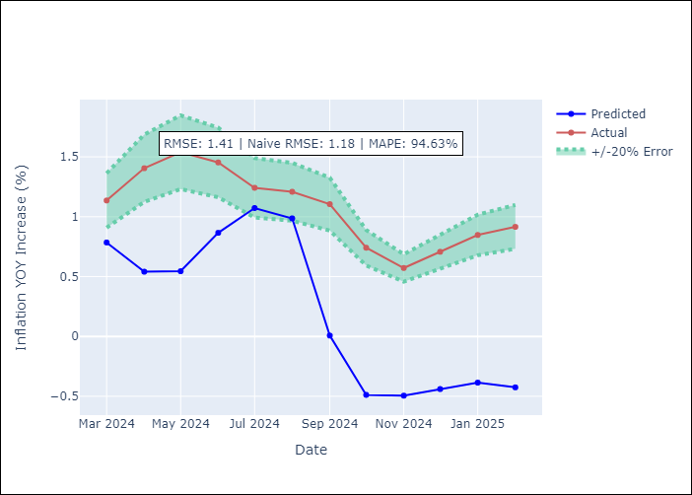
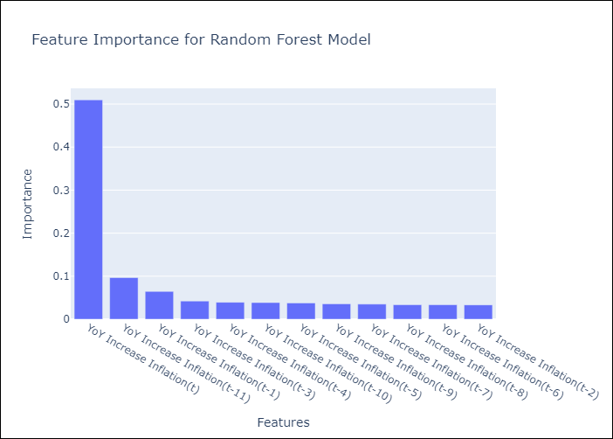

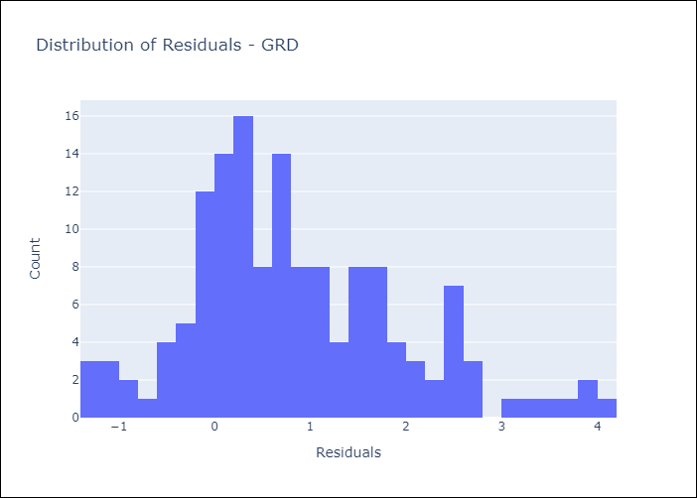
Appendix A: Model Summary
Model | Random Forest w/ Lags
Sample | 2004-01-01 to 2025-01-01
No. of Observations | 253
Residuals
Mean | 0.85348921563
St Dev | 1.1235271987
Kurtosis | 0.35336854718
Skewness | 0.67217183686

Assumptions | P-value

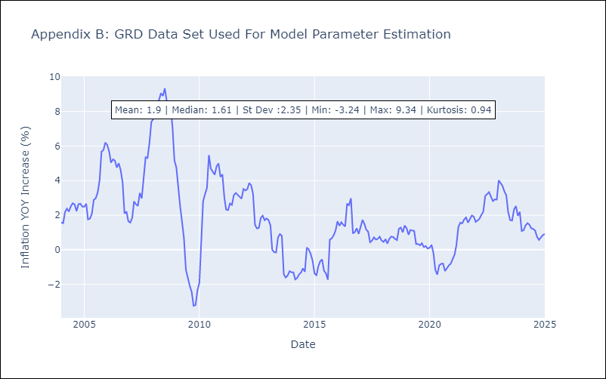

Appendix C: Residuals Analysis
Mean

GUY
GUY - Inflation - Next 12 months forecast as of: 2025-03-01

Model | Random Forest w/ Lags - [(3, 0, 1), (1, 0, 0, 12)]
Training Data | 2008-01-01 to 2024-04-01
Test Data | 2024-04-01 to 2025-03-01

Date | Inflation Change YoY % | Lower Bound - 95% Confidence Interval | Upper Bound - 95% Confidence Interval
2025-04-01 | 3.61 | 2.22 | 4.23
2025-05-01 | 3.78 | 2.19 | 4.52
2025-06-01 | 3.42 | 2.27 | 4.25
2025-07-01 | 3.62 | 2.29 | 4.75
2025-08-01 | 3.51 | 2.22 | 4.6
2025-09-01 | 3.18 | 2.2 | 4.35
2025-10-01 | 3.21 | 2.03 | 4.77
2025-11-01 | 3.27 | 2 | 5.14
2025-12-01 | 2.99 | 1.91 | 4.39
2026-01-01 | 2.95 | 2.03 | 4.39
2026-02-01 | 3.04 | 2.07 | 4.65
2026-03-01 | 2.78 | 1.91 | 4.09

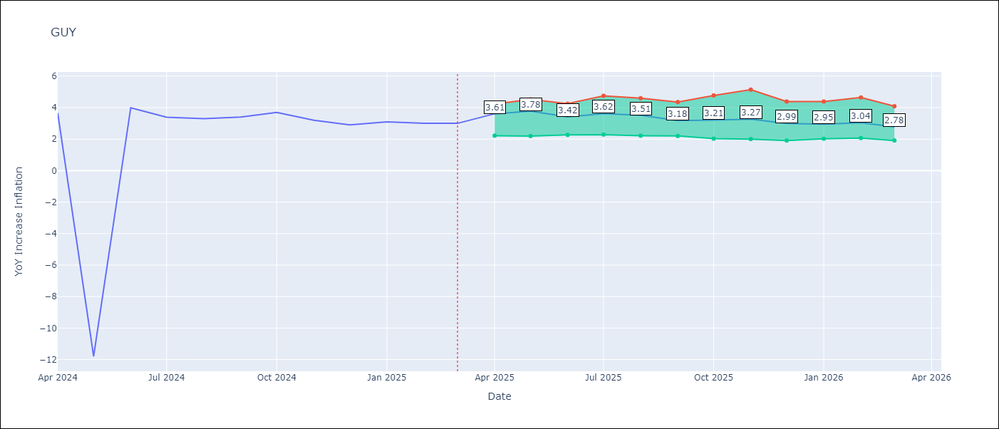

Test Metrics
RMSE | 4.09
Naive RMSE | 4.05
MAPE | 42.32%

Test Predictions
Date | Predicted | Actual
2024-05-01 | 2.09 | 3.67
2024-06-01 | 2.05 | -11.79
2024-07-01 | 2.12 | 3.99
2024-08-01 | 2.13 | 3.39
2024-09-01 | 2.31 | 3.3
2024-10-01 | 2.29 | 3.4
2024-11-01 | 2.2 | 3.7
2024-12-01 | 2.14 | 3.2
2025-01-01 | 2.17 | 2.9
2025-02-01 | 2.14 | 3.1
2025-03-01 | 1.96 | 3
2025-04-01 | 1.91 | 3

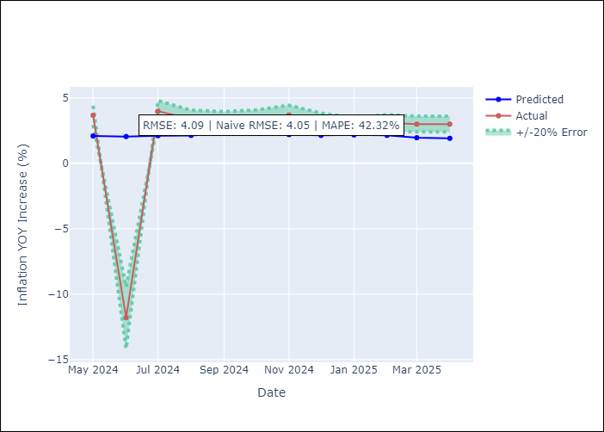


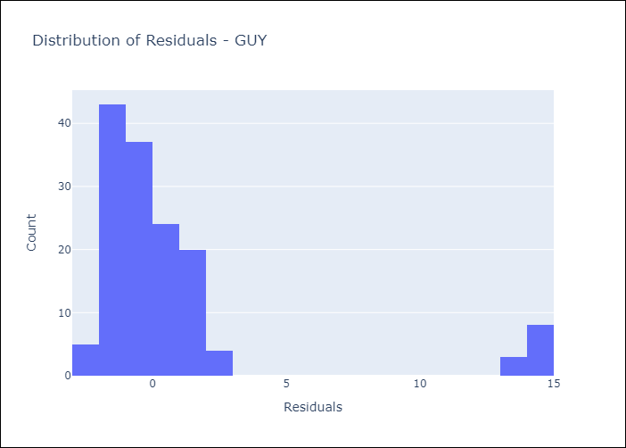
Appendix A: Model Summary
Model | Random Forest w/ Lags
Sample | 2008-01-01 to 2025-03-01
No. of Observations | 207
Residuals
Mean | 0.79803578852
St Dev | 4.0162605977
Kurtosis | 6.5918980053
Skewness | 2.7765940188

Assumptions | P-value

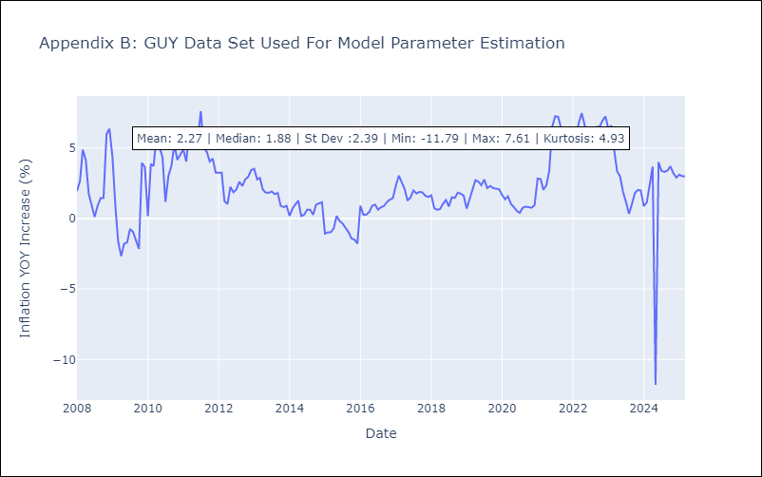

Appendix C: Residuals Analysis
Mean

JAM
JAM - Inflation - Next 12 months forecast as of: 2025-04-01

Model | Random Forest w/ Lags - [(2, 1, 0), (0, 0, 2, 12)]
Training Data | 1994-07-01 to 2024-05-01
Test Data | 2024-05-01 to 2025-04-01

Date | Inflation Change YoY % | Lower Bound - 95% Confidence Interval | Upper Bound - 95% Confidence Interval
2025-05-01 | 5.08 | 4.28 | 6.12
2025-06-01 | 5.06 | 3.97 | 6.68
2025-07-01 | 4.95 | 3.9 | 6.76
2025-08-01 | 4.88 | 3.71 | 6.9
2025-09-01 | 5.44 | 3.93 | 7.49
2025-10-01 | 5.89 | 4.25 | 8.27
2025-11-01 | 6.28 | 4.51 | 8.83
2025-12-01 | 6.49 | 4.66 | 9.27
2026-01-01 | 6.6 | 4.69 | 9.54
2026-02-01 | 6.67 | 4.58 | 9.57
2026-03-01 | 6.7 | 4.43 | 9.52
2026-04-01 | 6.72 | 4.33 | 9.37

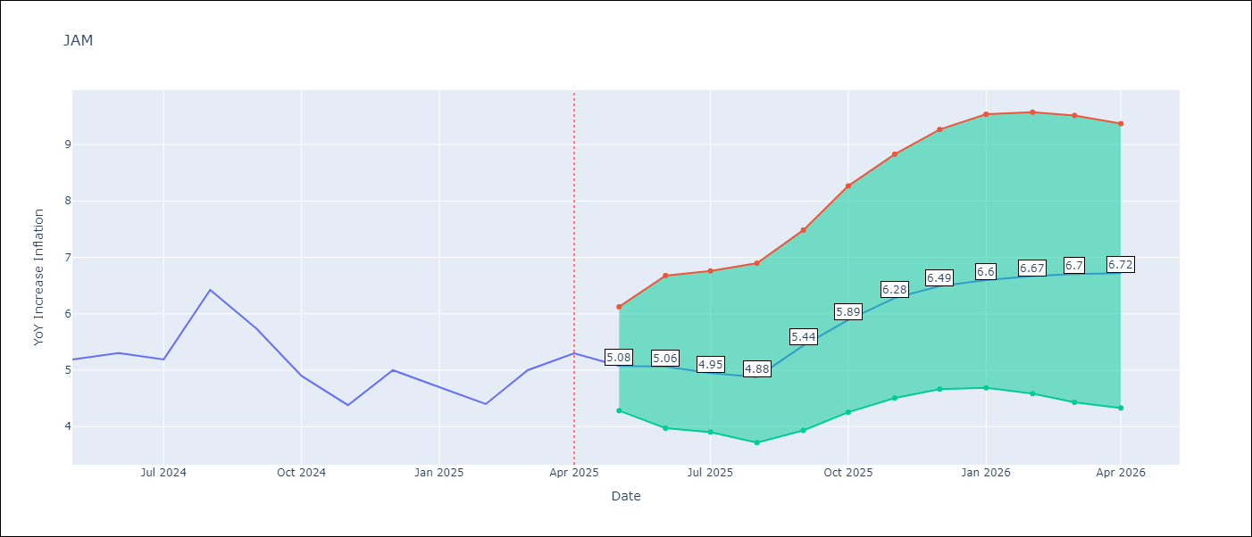

Test Metrics
RMSE | 3.68
Naive RMSE | 1.13
MAPE | 46.41%

Test Predictions
Date | Predicted | Actual
2024-06-01 | 5.93 | 5.19
2024-07-01 | 6.22 | 5.3
2024-08-01 | 6.4 | 5.19
2024-09-01 | 6.53 | 6.42
2024-10-01 | 6.64 | 5.74
2024-11-01 | 7.17 | 4.9
2024-12-01 | 7.17 | 4.38
2025-01-01 | 7.56 | 5
2025-02-01 | 7.73 | 4.7
2025-03-01 | 8.63 | 4.4
2025-04-01 | 9.12 | 5
2025-05-01 | 9.56 | 5.3

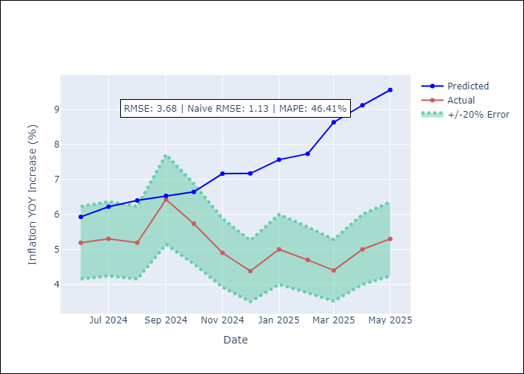
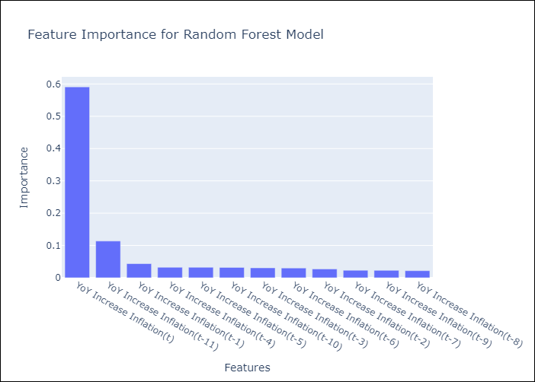

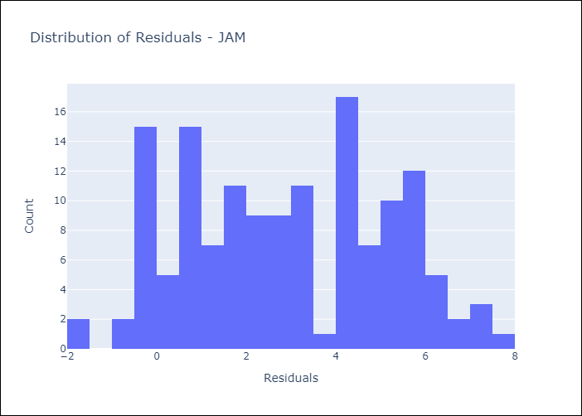
Appendix A: Model Summary
Model | Random Forest w/ Lags
Sample | 1994-07-01 to 2025-04-01
No. of Observations | 370
Residuals
Mean | 2.9028718222
St Dev | 2.2590283468
Kurtosis | -1.0625295287
Skewness | 0.057942183568

Assumptions | P-value

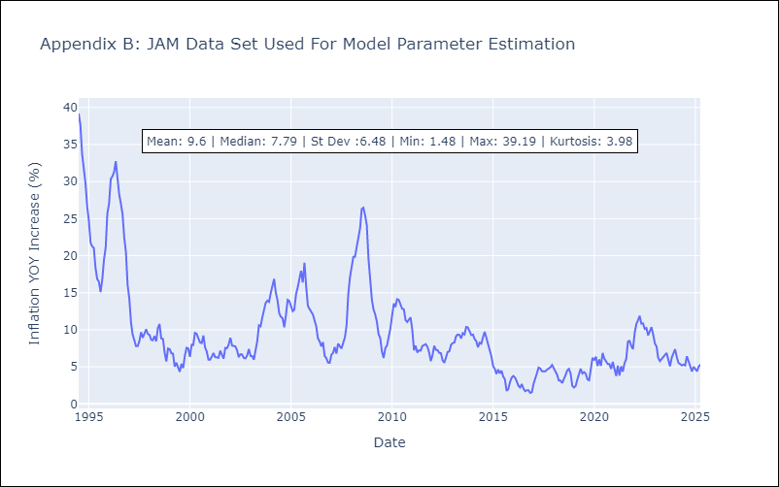

Appendix C: Residuals Analysis
Mean

KNA
KNA - Inflation - Next 12 months forecast as of: 2025-02-01

Model | Random Forest w/ Lags - [(0, 1, 0), (3, 0, 0, 12)]
Training Data | 2006-01-01 to 2024-03-01
Test Data | 2024-03-01 to 2025-02-01

Date | Inflation Change YoY % | Lower Bound - 95% Confidence Interval | Upper Bound - 95% Confidence Interval
2025-03-01 | 0.79 | 0.45 | 1.25
2025-04-01 | 1.03 | 0.57 | 1.47
2025-05-01 | 0.89 | 0.43 | 1.79
2025-06-01 | 0.9 | 0.56 | 2.24
2025-07-01 | 0.91 | 0.41 | 2.11
2025-08-01 | 0.83 | 0.42 | 2.28
2025-09-01 | 0.79 | 0.34 | 2.31
2025-10-01 | 0.61 | 0.08 | 2.27
2025-11-01 | 0.79 | 0.12 | 2.51
2025-12-01 | 0.63 | -0.13 | 2.27
2026-01-01 | 0.66 | -0.07 | 2.34
2026-02-01 | 0.68 | -0.16 | 2.59

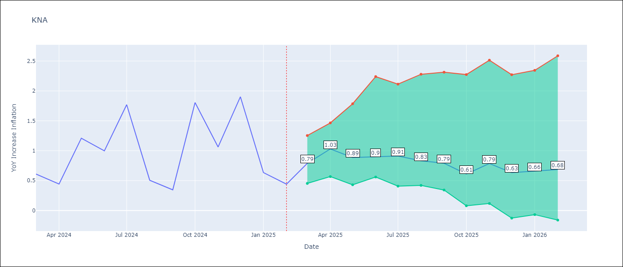

Test Metrics
RMSE | 2.12
Naive RMSE | 1.85
MAPE | 91.07%

Test Predictions
Date | Predicted | Actual
2024-04-01 | 1.01 | 0.61
2024-05-01 | 1.03 | 0.44
2024-06-01 | 0.98 | 1.21
2024-07-01 | 0.94 | 1
2024-08-01 | 0.95 | 1.77
2024-09-01 | 1.13 | 0.51
2024-10-01 | 1.27 | 0.35
2024-11-01 | 1.26 | 1.8
2024-12-01 | 1.34 | 1.06
2025-01-01 | 1.47 | 1.9
2025-02-01 | 1.45 | 0.63
2025-03-01 | 1.43 | 0.44

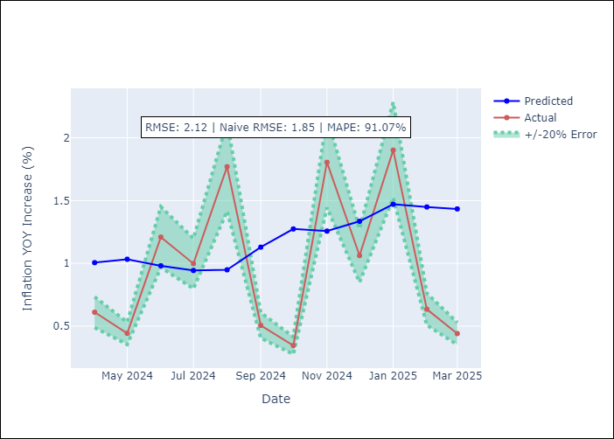
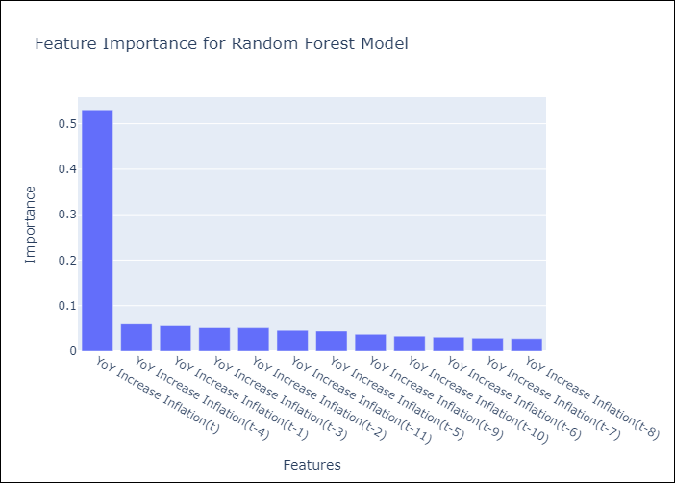

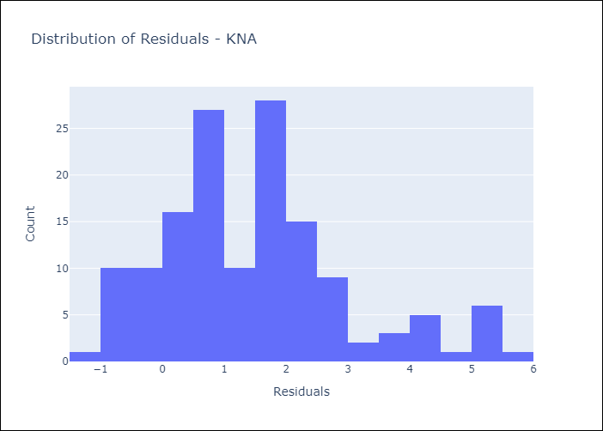
Appendix A: Model Summary
Model | Random Forest w/ Lags
Sample | 2006-01-01 to 2025-02-01
No. of Observations | 230
Residuals
Mean | 1.4943090558
St Dev | 1.4969185854
Kurtosis | 0.30720021996
Skewness | 0.71911116853

Assumptions | P-value

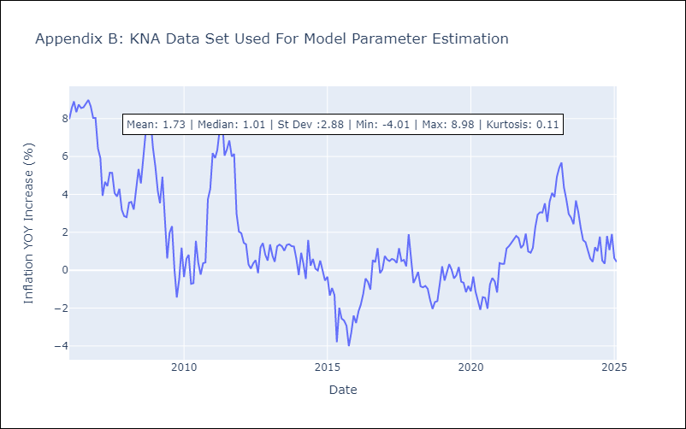

Appendix C: Residuals Analysis
Mean

LCA
LCA - Inflation - Next 12 months forecast as of: 2025-01-01

Model | Random Forest w/ Lags - [(0, 1, 0), (3, 0, 1, 12)]
Training Data | 2008-01-01 to 2024-02-01
Test Data | 2024-02-01 to 2025-01-01

Date | Inflation Change YoY % | Lower Bound - 95% Confidence Interval | Upper Bound - 95% Confidence Interval
2025-02-01 | 2.1 | 1.55 | 2.72
2025-03-01 | 2.37 | 1.78 | 2.94
2025-04-01 | 2.47 | 2.06 | 2.82
2025-05-01 | 2.42 | 1.88 | 2.94
2025-06-01 | 2.63 | 1.98 | 3.05
2025-07-01 | 2.89 | 2.26 | 3.28
2025-08-01 | 3.26 | 2.25 | 3.53
2025-09-01 | 3.29 | 2.28 | 3.7
2025-10-01 | 3.02 | 2.19 | 3.74
2025-11-01 | 2.99 | 2.04 | 3.76
2025-12-01 | 2.91 | 1.9 | 3.79
2026-01-01 | 2.7 | 1.59 | 3.8

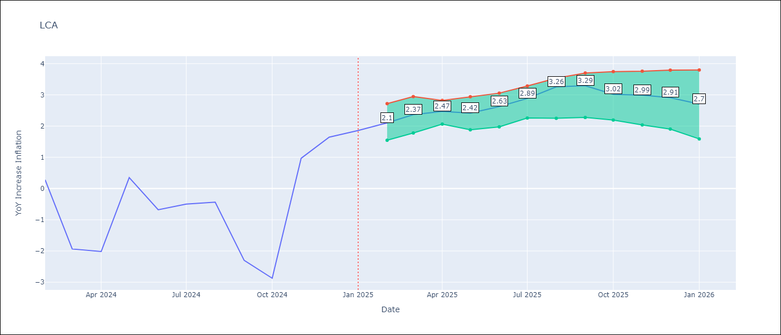

Test Metrics
RMSE | 2.13
Naive RMSE | 4.11
MAPE | 146.91%

Test Predictions
Date | Predicted | Actual
2024-03-01 | -0.29 | 0.28
2024-04-01 | -0.59 | -1.94
2024-05-01 | -0.37 | -2.02
2024-06-01 | -0.41 | 0.35
2024-07-01 | 0.33 | -0.68
2024-08-01 | 0.64 | -0.5
2024-09-01 | 0.9 | -0.43
2024-10-01 | 1.1 | -2.3
2024-11-01 | 1.42 | -2.87
2024-12-01 | 1.77 | 0.97
2025-01-01 | 2.79 | 1.65
2025-02-01 | 2.92 | 1.86

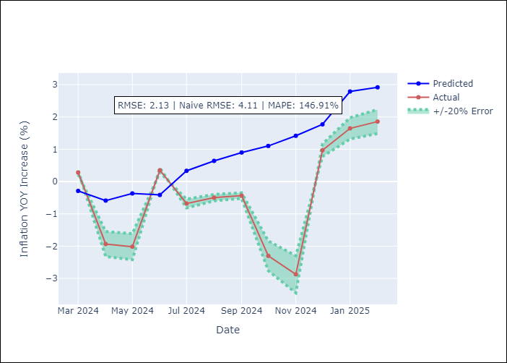
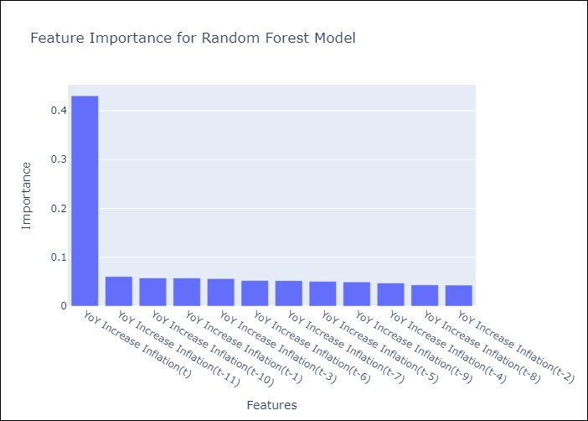

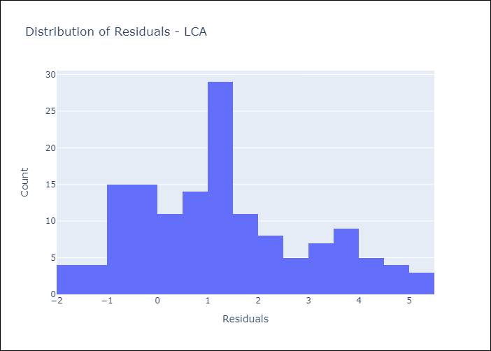
Appendix A: Model Summary
Model | Random Forest w/ Lags
Sample | 2008-01-01 to 2025-01-01
No. of Observations | 205
Residuals
Mean | 1.2890901228
St Dev | 1.6926352021
Kurtosis | -0.49565241481
Skewness | 0.48089266862

Assumptions | P-value

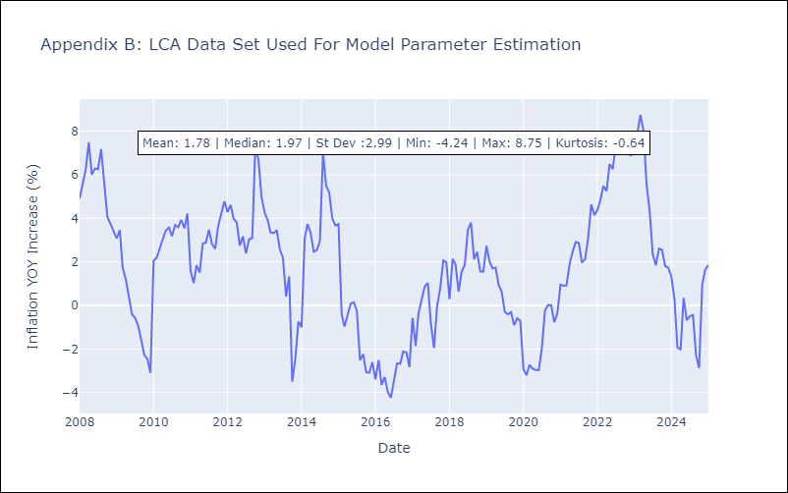

Appendix C: Residuals Analysis
Mean

SUR
SUR - Inflation - Next 12 months forecast as of: 2024-08-01

Model | Random Forest w/ Lags - [(3, 2, 0), (1, 0, 0, 12)]
Training Data | 2012-04-01 to 2023-09-01
Test Data | 2023-09-01 to 2024-08-01

Date | Inflation Change YoY % | Lower Bound - 95% Confidence Interval | Upper Bound - 95% Confidence Interval
2024-09-01 | 5.65 | -2.32 | 12.64
2024-10-01 | -1.59 | -11.4 | 10.69
2024-11-01 | 8.42 | -1.33 | 9.6
2024-12-01 | 6.08 | 0.92 | 9.67
2025-01-01 | 7.44 | 4.38 | 11.29
2025-02-01 | 7.33 | 6.01 | 10.69
2025-03-01 | 6.79 | 5.75 | 13.92
2025-04-01 | 6.83 | 5.82 | 13.35
2025-05-01 | 5.87 | 5.41 | 8.96
2025-06-01 | 5.68 | 5.2 | 10.38
2025-07-01 | 11.18 | 5.19 | 19.89
2025-08-01 | 19.09 | 5 | 30.68

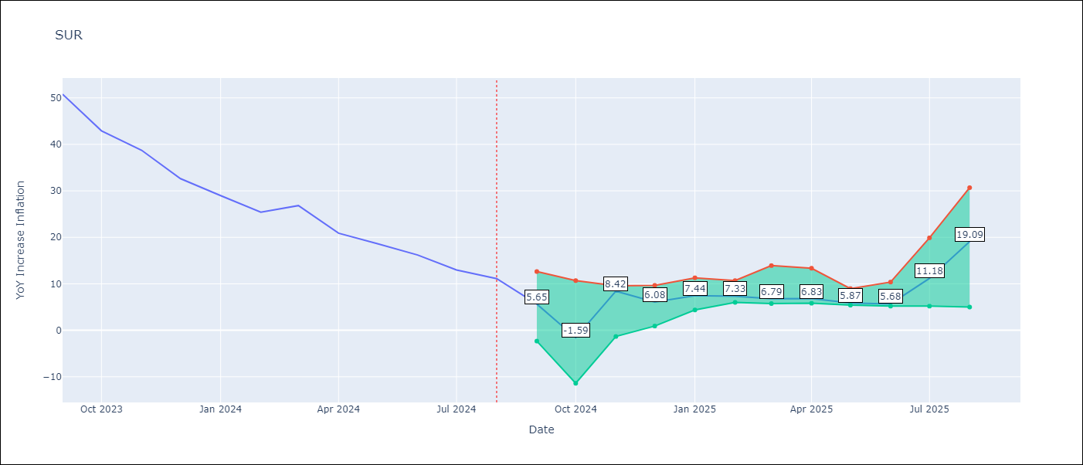

Test Metrics
RMSE | 13.29
Naive RMSE | 20.96
MAPE | 94.93%

Test Predictions
Date | Predicted | Actual
2023-10-01 | 51.38 | 50.79
2023-11-01 | 50.54 | 42.92
2023-12-01 | 49.69 | 38.74
2024-01-01 | 47.38 | 32.63
2024-02-01 | 45.49 | 28.98
2024-03-01 | 44.45 | 25.4
2024-04-01 | 43.87 | 26.83
2024-05-01 | 43.45 | 20.9
2024-06-01 | 42.87 | 18.62
2024-07-01 | 42.69 | 16.21
2024-08-01 | 40.46 | 12.99
2024-09-01 | 37.65 | 11.13

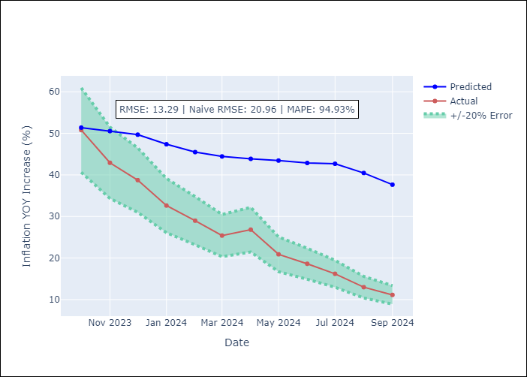



Appendix A: Model Summary
Model | Random Forest w/ Lags
Sample | 2012-04-01 to 2024-08-01
No. of Observations | 145
Residuals
Mean | 8.0222231209
St Dev | 10.592472136
Kurtosis | -0.99614733488
Skewness | 0.26211361663

Assumptions | P-value



Appendix C: Residuals Analysis
Mean

TTO
TTO - Inflation - Next 12 months forecast as of: 2025-04-01

Model | Random Forest w/ Lags - [(3, 2, 0), (3, 0, 0, 12)]
Training Data | 1994-07-01 to 2024-05-01
Test Data | 2024-05-01 to 2025-04-01

Date | Inflation Change YoY % | Lower Bound - 95% Confidence Interval | Upper Bound - 95% Confidence Interval
2025-05-01 | 1 | 0.82 | 1.87
2025-06-01 | 1.12 | 0.88 | 2.31
2025-07-01 | 1.24 | 0.94 | 2.35
2025-08-01 | 1.36 | 0.99 | 2.54
2025-09-01 | 1.61 | 0.98 | 3.24
2025-10-01 | 1.73 | 1.03 | 3.21
2025-11-01 | 1.92 | 0.95 | 3.25
2025-12-01 | 2.02 | 0.89 | 3.56
2026-01-01 | 2.23 | 1.01 | 3.85
2026-02-01 | 2.47 | 1.12 | 3.91
2026-03-01 | 2.79 | 1.21 | 4.46
2026-04-01 | 2.93 | 1.32 | 4.54



Test Metrics
RMSE | 2.44
Naive RMSE | 2.44
MAPE | 287.81%

Test Predictions
Date | Predicted | Actual
2024-06-01 | 1.65 | 0.9
2024-07-01 | 2 | 0.7
2024-08-01 | 1.97 | 0.3
2024-09-01 | 1.8 | 0.4
2024-10-01 | 1.6 | 0.4
2024-11-01 | 2 | 0.2
2024-12-01 | 1.98 | 0.5
2025-01-01 | 1.89 | 0.5
2025-02-01 | 1.88 | 0.7
2025-03-01 | 1.93 | 0.7
2025-04-01 | 2.1 | 1
2025-05-01 | 2.29 | 1.5





Appendix A: Model Summary
Model | Random Forest w/ Lags
Sample | 1994-07-01 to 2025-04-01
No. of Observations | 370
Residuals
Mean | 2.3014087089
St Dev | 0.80227612282
Kurtosis | 0.1310453777
Skewness | -0.30202234945

Assumptions | P-value



Appendix C: Residuals Analysis
Mean

VCT
VCT - Inflation - Next 12 months forecast as of: 2025-01-01

Model | Random Forest w/ Lags - [(1, 0, 0), (3, 0, 0, 12)]
Training Data | 2004-01-01 to 2024-02-01
Test Data | 2024-02-01 to 2025-01-01

Date | Inflation Change YoY % | Lower Bound - 95% Confidence Interval | Upper Bound - 95% Confidence Interval
2025-02-01 | 2.13 | 1.6 | 2.53
2025-03-01 | 2.09 | 1.7 | 2.95
2025-04-01 | 2.46 | 1.93 | 3.04
2025-05-01 | 2.6 | 2 | 3.57
2025-06-01 | 2.91 | 2.23 | 3.66
2025-07-01 | 3.09 | 2.2 | 3.94
2025-08-01 | 3.23 | 2.41 | 3.97
2025-09-01 | 3.27 | 2.08 | 4.1
2025-10-01 | 3.34 | 1.96 | 4.34
2025-11-01 | 3.46 | 2.07 | 4.77
2025-12-01 | 3.65 | 1.6 | 4.93
2026-01-01 | 3.97 | 1.96 | 5.42



Test Metrics
RMSE | 2.05
Naive RMSE | 1.21
MAPE | 37.04%

Test Predictions
Date | Predicted | Actual
2024-03-01 | 3.97 | 4.69
2024-04-01 | 3.51 | 4.93
2024-05-01 | 3.33 | 4.8
2024-06-01 | 3.54 | 4.45
2024-07-01 | 3.56 | 4.94
2024-08-01 | 3.62 | 3.19
2024-09-01 | 3.72 | 2.72
2024-10-01 | 3.71 | 3.75
2024-11-01 | 3.62 | 2.3
2024-12-01 | 3.62 | 2.45
2025-01-01 | 3.64 | 2.06
2025-02-01 | 3.54 | 1.89





Appendix A: Model Summary
Model | Random Forest w/ Lags
Sample | 2004-01-01 to 2025-01-01
No. of Observations | 253
Residuals
Mean | -0.52484715118
St Dev | 1.98548809
Kurtosis | -1.0263169612
Skewness | 0.035829135702

Assumptions | P-value



Appendix C: Residuals Analysis
Mean

