md
md - Inflation - Next 12 months forecast as of: 2025-04-01

Model | Random Forest w/ Lags - None
Training Data | 1994-07-01 to 2024-05-01
Test Data | 2024-05-01 to 2025-04-01

Date | Inflation Change YoY % | Lower Bound - 95% Confidence Interval | Upper Bound - 95% Confidence Interval
2025-05-01 | 3.36 | 2.69 | 3.66
2025-06-01 | 3.47 | 2.77 | 3.75
2025-07-01 | 3.58 | 2.85 | 3.9
2025-08-01 | 3.71 | 3.19 | 4.01
2025-09-01 | 3.85 | 3.23 | 4.27
2025-10-01 | 3.93 | 3.17 | 4.45
2025-11-01 | 4.12 | 3.18 | 4.75
2025-12-01 | 4.64 | 3.4 | 5.07
2026-01-01 | 5.09 | 3.63 | 5.35
2026-02-01 | 5.27 | 3.64 | 5.73
2026-03-01 | 5.3 | 3.96 | 5.73
2026-04-01 | 5.11 | 3.94 | 5.82

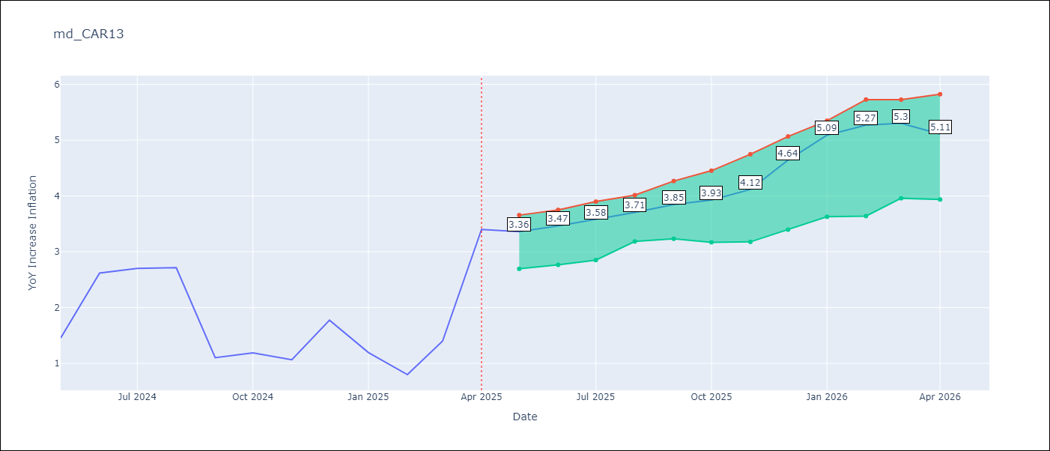

Test Metrics
RMSE | 1.34
Naive RMSE | 1.23
MAPE | 85.5%

Test Predictions
Date | Predicted | Actual
2024-06-01 | 2.1 | 1.45
2024-07-01 | 2.26 | 2.62
2024-08-01 | 2.22 | 2.7
2024-09-01 | 2.33 | 2.72
2024-10-01 | 2.5 | 1.1
2024-11-01 | 2.57 | 1.19
2024-12-01 | 2.69 | 1.07
2025-01-01 | 2.63 | 1.77
2025-02-01 | 2.73 | 1.19
2025-03-01 | 2.8 | 0.8
2025-04-01 | 2.82 | 1.4
2025-05-01 | 3.03 | 3.4

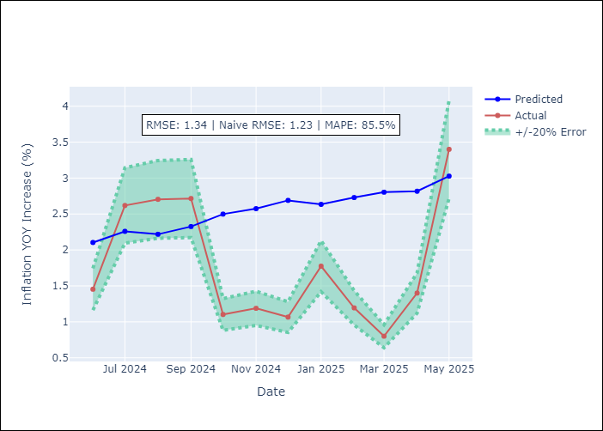
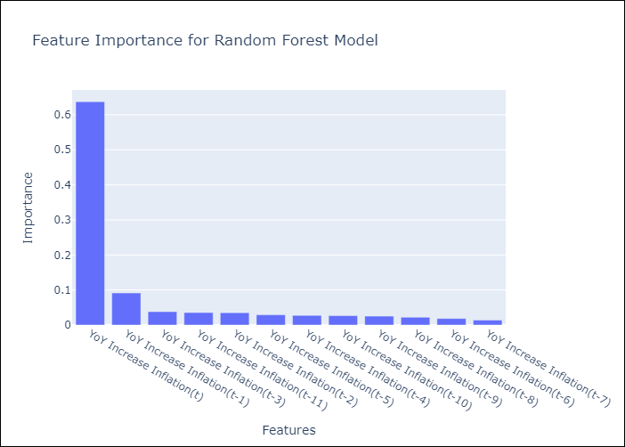

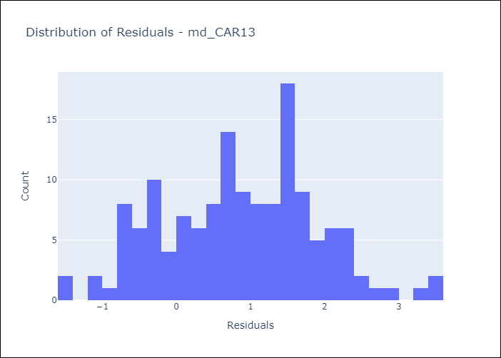
Appendix A: Model Summary
Model | Random Forest w/ Lags
Sample | 1994-07-01 to 2025-04-01
No. of Observations | 370
Residuals
Mean | 0.86114965069
St Dev | 1.0276644919
Kurtosis | -0.40146532918
Skewness | 0.0074587690901

Assumptions | P-value

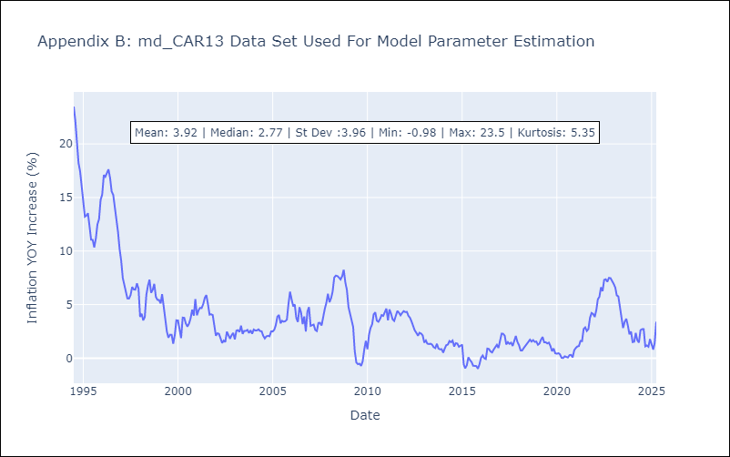

Appendix C: Residuals Analysis
Mean

md1
md - Inflation - Next 12 months forecast as of: 2025-04-01

Model | Random Forest w/ Lags - None
Training Data | 1994-01-01 to 2024-05-01
Test Data | 2024-05-01 to 2025-04-01

Date | Inflation Change YoY % | Lower Bound - 95% Confidence Interval | Upper Bound - 95% Confidence Interval
2025-05-01 | 2.37 | 1.68 | 2.88
2025-06-01 | 2.6 | 1.84 | 3.06
2025-07-01 | 2.94 | 2.22 | 3.34
2025-08-01 | 3.13 | 2.37 | 3.47
2025-09-01 | 3.3 | 2.55 | 3.53
2025-10-01 | 3.39 | 2.55 | 3.64
2025-11-01 | 3.47 | 2.62 | 3.79
2025-12-01 | 3.38 | 2.59 | 3.6
2026-01-01 | 3.4 | 2.61 | 3.74
2026-02-01 | 3.64 | 2.79 | 3.99
2026-03-01 | 3.9 | 2.88 | 4.22
2026-04-01 | 4.12 | 3.09 | 4.5

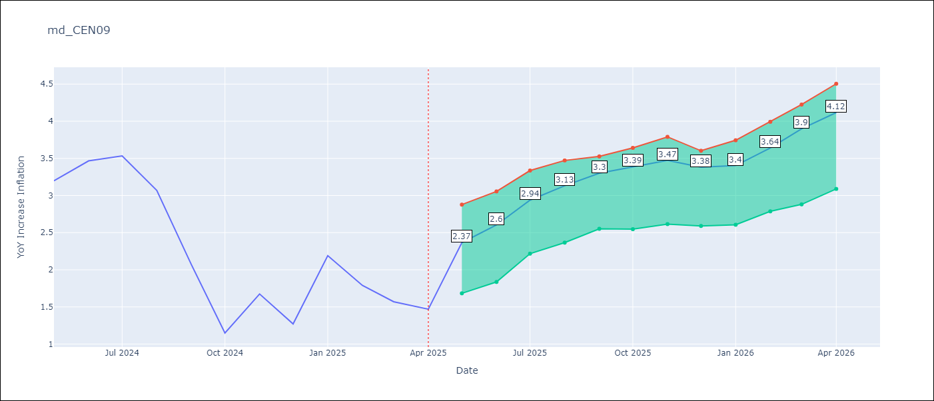

Test Metrics
RMSE | 2.26
Naive RMSE | 1.51
MAPE | 77.24%

Test Predictions
Date | Predicted | Actual
2024-06-01 | 3.06 | 3.2
2024-07-01 | 3.1 | 3.47
2024-08-01 | 3.26 | 3.53
2024-09-01 | 3.34 | 3.07
2024-10-01 | 3.43 | 2.07
2024-11-01 | 3.47 | 1.15
2024-12-01 | 3.46 | 1.67
2025-01-01 | 3.37 | 1.27
2025-02-01 | 3.32 | 2.19
2025-03-01 | 3.28 | 1.79
2025-04-01 | 3.23 | 1.57
2025-05-01 | 3.15 | 1.47

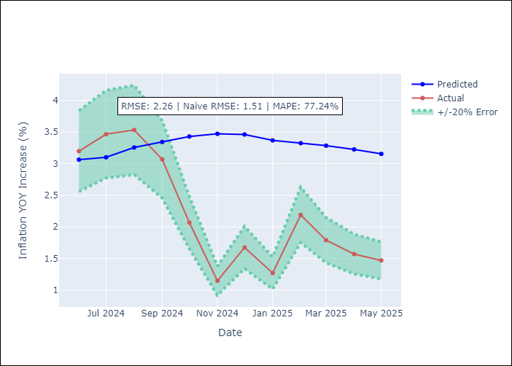
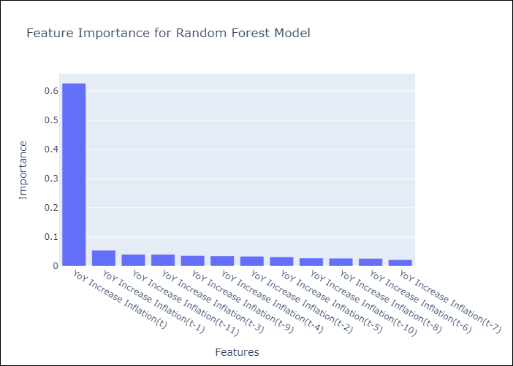

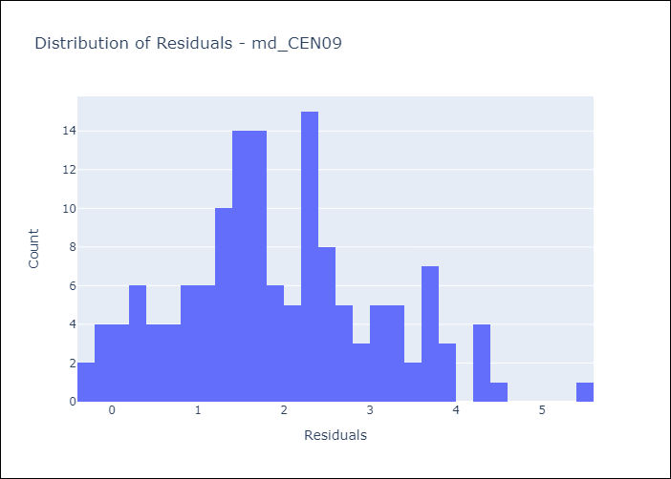
Appendix A: Model Summary
Model | Random Forest w/ Lags
Sample | 1994-01-01 to 2025-04-01
No. of Observations | 376
Residuals
Mean | 1.9329595567
St Dev | 1.1715754849
Kurtosis | -0.21125655972
Skewness | 0.3331083595

Assumptions | P-value

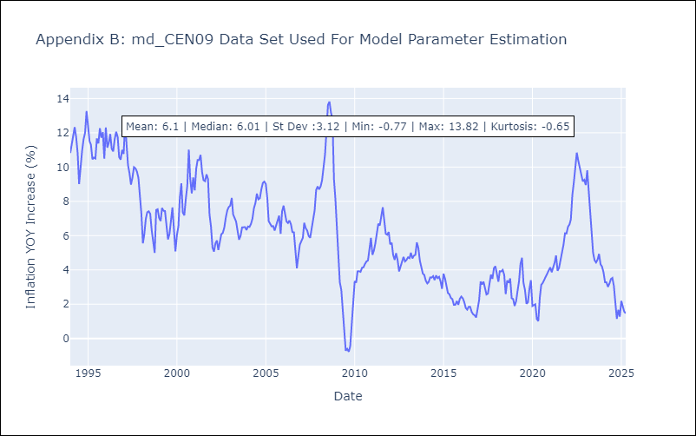

Appendix C: Residuals Analysis
Mean

md2
md - Inflation - Next 12 months forecast as of: 2025-04-01

Model | Random Forest w/ Lags - None
Training Data | 1994-01-01 to 2024-05-01
Test Data | 2024-05-01 to 2025-04-01

Date | Inflation Change YoY % | Lower Bound - 95% Confidence Interval | Upper Bound - 95% Confidence Interval
2025-05-01 | 2.25 | 1.6 | 2.83
2025-06-01 | 2.54 | 1.9 | 3.1
2025-07-01 | 2.95 | 2.29 | 3.4
2025-08-01 | 3.24 | 2.69 | 3.53
2025-09-01 | 3.35 | 2.83 | 3.61
2025-10-01 | 3.36 | 2.81 | 3.76
2025-11-01 | 3.38 | 2.83 | 3.85
2025-12-01 | 3.29 | 2.79 | 3.73
2026-01-01 | 3.38 | 2.81 | 3.8
2026-02-01 | 3.71 | 3.05 | 4.02
2026-03-01 | 3.91 | 3.29 | 4.33
2026-04-01 | 4.12 | 3.38 | 4.62

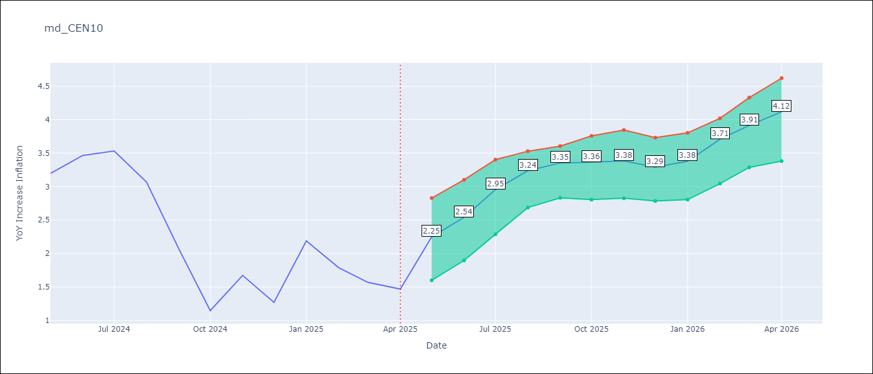

Test Metrics
RMSE | 2.18
Naive RMSE | 1.51
MAPE | 73.74%

Test Predictions
Date | Predicted | Actual
2024-06-01 | 3.08 | 3.2
2024-07-01 | 3.08 | 3.47
2024-08-01 | 3.22 | 3.53
2024-09-01 | 3.27 | 3.07
2024-10-01 | 3.31 | 2.07
2024-11-01 | 3.32 | 1.15
2024-12-01 | 3.37 | 1.67
2025-01-01 | 3.33 | 1.27
2025-02-01 | 3.28 | 2.19
2025-03-01 | 3.16 | 1.79
2025-04-01 | 3.22 | 1.57
2025-05-01 | 3.1 | 1.47


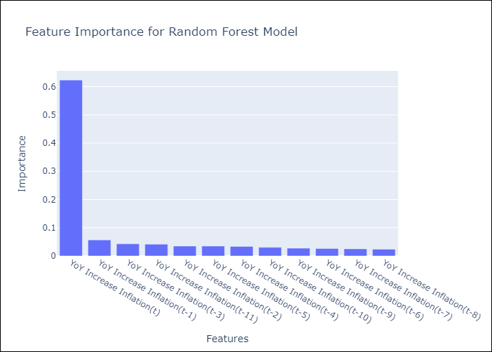

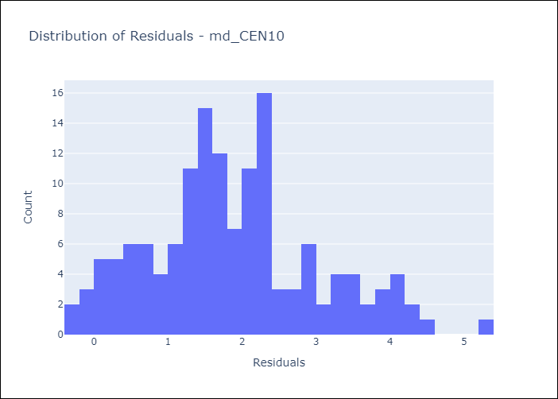
Appendix A: Model Summary
Model | Random Forest w/ Lags
Sample | 1994-01-01 to 2025-04-01
No. of Observations | 376
Residuals
Mean | 1.8620598811
St Dev | 1.1368252952
Kurtosis | -0.087551603789
Skewness | 0.41628089111

Assumptions | P-value



Appendix C: Residuals Analysis
Mean

md3
md - Inflation - Next 12 months forecast as of: 2025-04-01

Model | Random Forest w/ Lags - None
Training Data | 1992-01-01 to 2024-05-01
Test Data | 2024-05-01 to 2025-04-01

Date | Inflation Change YoY % | Lower Bound - 95% Confidence Interval | Upper Bound - 95% Confidence Interval
2025-05-01 | 4.05 | 3.51 | 4.54
2025-06-01 | 4.18 | 3.51 | 4.73
2025-07-01 | 4.17 | 3.38 | 4.85
2025-08-01 | 4.18 | 3.4 | 5.01
2025-09-01 | 4.15 | 3.4 | 5.14
2025-10-01 | 4.17 | 3.42 | 5.22
2025-11-01 | 4.24 | 3.4 | 5.37
2025-12-01 | 4.33 | 3.4 | 5.57
2026-01-01 | 4.34 | 3.36 | 5.67
2026-02-01 | 4.27 | 3.18 | 5.76
2026-03-01 | 4.23 | 3.16 | 5.84
2026-04-01 | 4.32 | 3.18 | 5.78

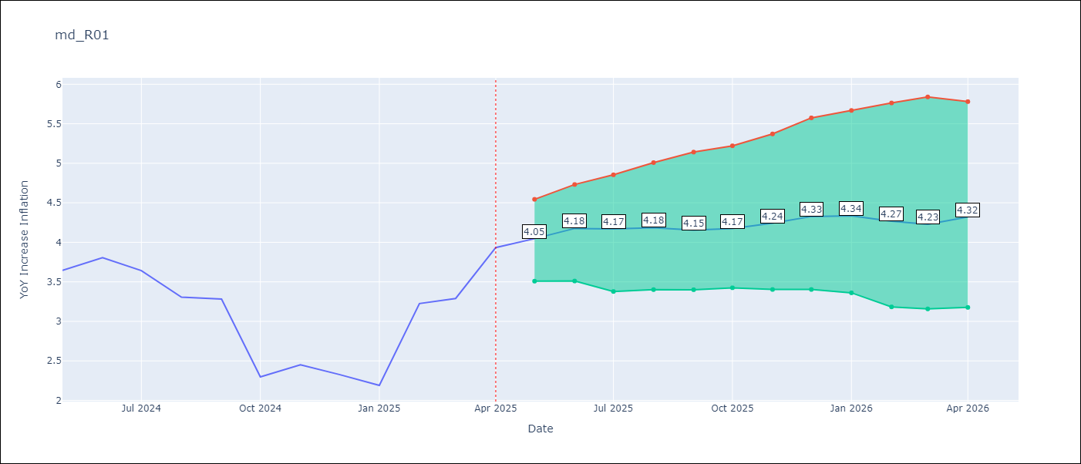

Test Metrics
RMSE | 1.26
Naive RMSE | 0.87
MAPE | 26.42%

Test Predictions
Date | Predicted | Actual
2024-06-01 | 3.53 | 3.65
2024-07-01 | 3.65 | 3.81
2024-08-01 | 3.72 | 3.64
2024-09-01 | 3.72 | 3.31
2024-10-01 | 3.73 | 3.28
2024-11-01 | 3.72 | 2.3
2024-12-01 | 3.74 | 2.45
2025-01-01 | 3.72 | 2.33
2025-02-01 | 3.72 | 2.19
2025-03-01 | 3.75 | 3.23
2025-04-01 | 3.65 | 3.29
2025-05-01 | 3.56 | 3.93

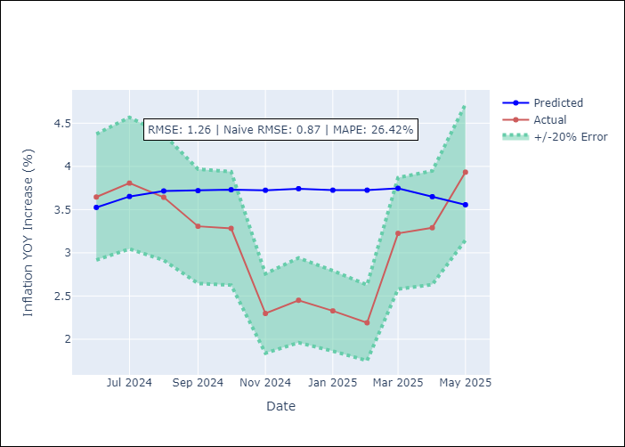
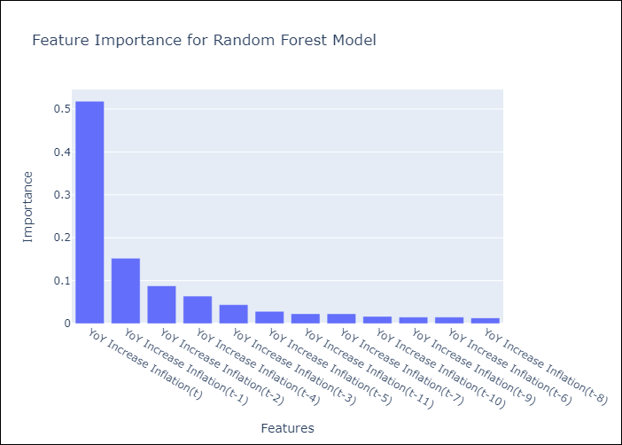

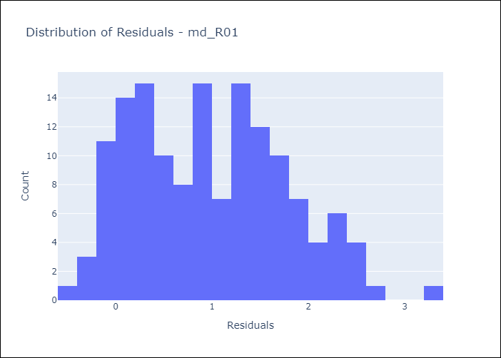
Appendix A: Model Summary
Model | Random Forest w/ Lags
Sample | 1992-01-01 to 2025-04-01
No. of Observations | 400
Residuals
Mean | 0.97675915041
St Dev | 0.79146202123
Kurtosis | -0.57582060822
Skewness | 0.3483725977

Assumptions | P-value

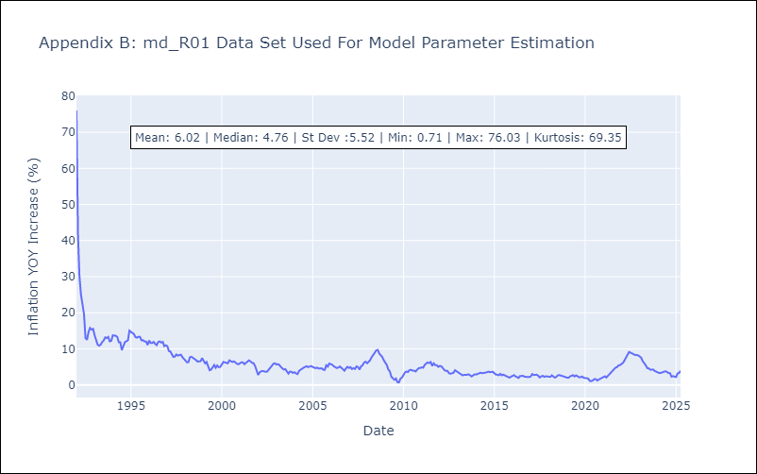

Appendix C: Residuals Analysis
Mean

md4
md - Inflation - Next 12 months forecast as of: 2025-04-01

Model | Random Forest w/ Lags - None
Training Data | 1992-01-01 to 2024-05-01
Test Data | 2024-05-01 to 2025-04-01

Date | Inflation Change YoY % | Lower Bound - 95% Confidence Interval | Upper Bound - 95% Confidence Interval
2025-05-01 | 3.85 | 3.66 | 3.96
2025-06-01 | 3.73 | 3.56 | 3.92
2025-07-01 | 3.72 | 3.48 | 3.86
2025-08-01 | 3.66 | 3.49 | 3.93
2025-09-01 | 3.7 | 3.45 | 3.91
2025-10-01 | 3.67 | 3.41 | 3.86
2025-11-01 | 3.68 | 3.38 | 3.81
2025-12-01 | 3.73 | 3.47 | 3.8
2026-01-01 | 3.72 | 3.39 | 3.82
2026-02-01 | 3.72 | 3.37 | 3.89
2026-03-01 | 3.55 | 3.29 | 3.83
2026-04-01 | 3.47 | 3.29 | 3.75

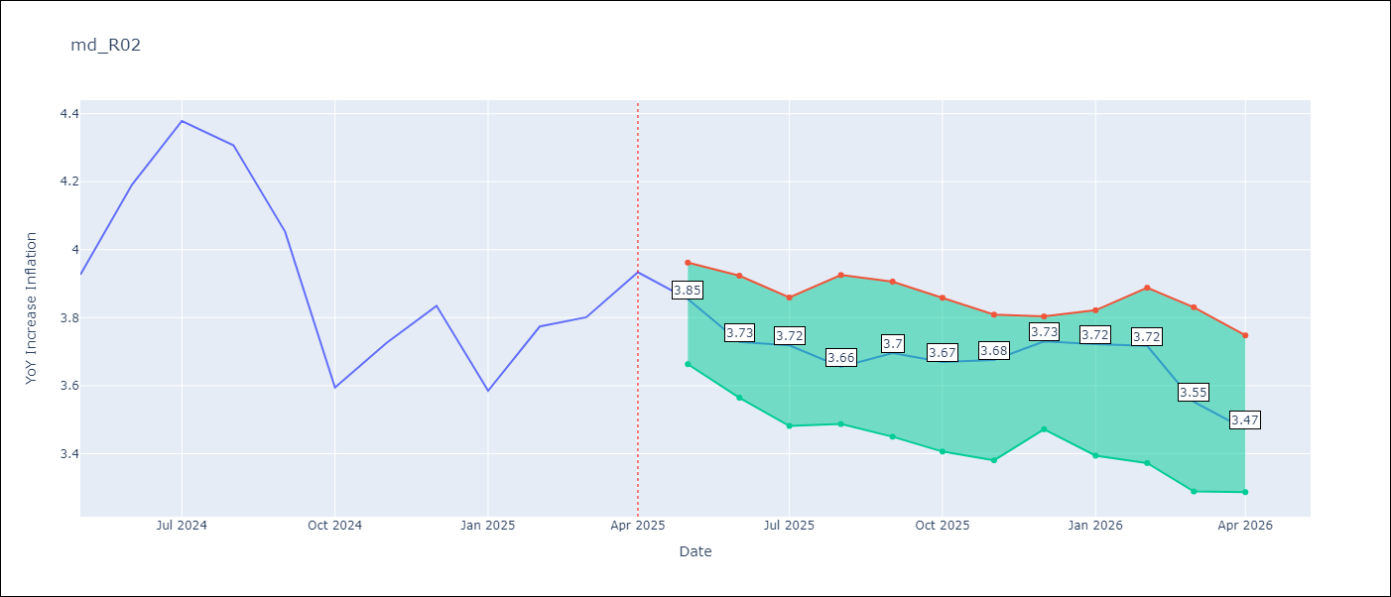

Test Metrics
RMSE | 1.17
Naive RMSE | 0.85
MAPE | 10.22%

Test Predictions
Date | Predicted | Actual
2024-06-01 | 3.73 | 3.93
2024-07-01 | 3.89 | 4.19
2024-08-01 | 4.03 | 4.38
2024-09-01 | 4.15 | 4.31
2024-10-01 | 4.23 | 4.05
2024-11-01 | 4.29 | 3.59
2024-12-01 | 4.35 | 3.73
2025-01-01 | 4.29 | 3.83
2025-02-01 | 4.27 | 3.59
2025-03-01 | 4.19 | 3.77
2025-04-01 | 4.19 | 3.8
2025-05-01 | 4.17 | 3.93

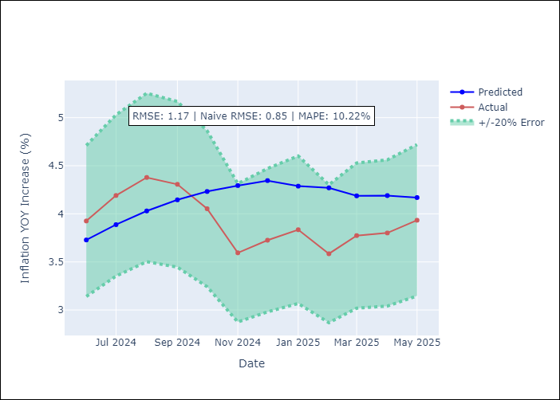
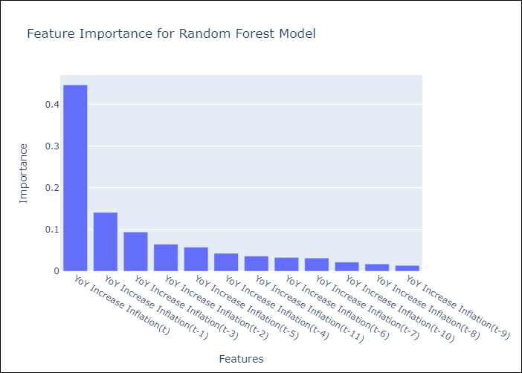

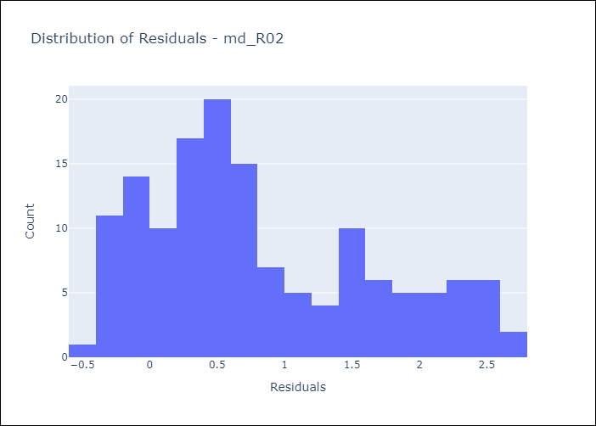
Appendix A: Model Summary
Model | Random Forest w/ Lags
Sample | 1992-01-01 to 2025-04-01
No. of Observations | 400
Residuals
Mean | 0.81329515532
St Dev | 0.84127736094
Kurtosis | -0.739806514
Skewness | 0.57993963426

Assumptions | P-value

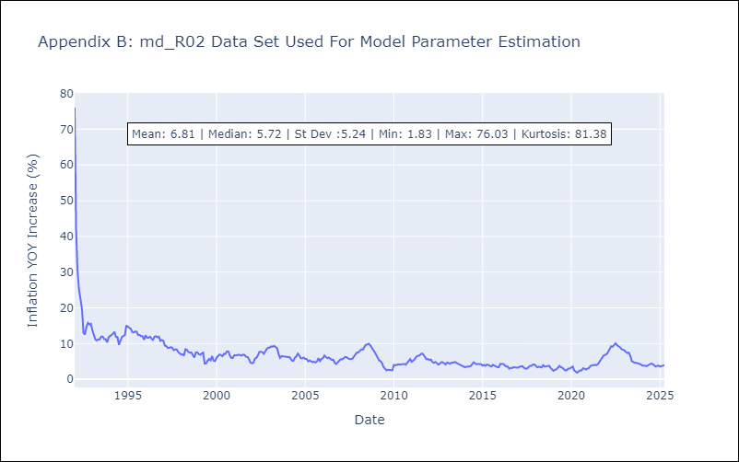

Appendix C: Residuals Analysis
Mean

md5
md - Inflation - Next 12 months forecast as of: 2025-04-01

Model | Random Forest w/ Lags - None
Training Data | 1994-07-01 to 2024-05-01
Test Data | 2024-05-01 to 2025-04-01

Date | Inflation Change YoY % | Lower Bound - 95% Confidence Interval | Upper Bound - 95% Confidence Interval
2025-05-01 | 3.27 | 3.04 | 3.7
2025-06-01 | 3.27 | 3.03 | 3.68
2025-07-01 | 3.41 | 3.2 | 3.99
2025-08-01 | 3.73 | 3.39 | 4.08
2025-09-01 | 3.86 | 3.41 | 4.44
2025-10-01 | 3.96 | 3.55 | 4.53
2025-11-01 | 4 | 3.55 | 4.77
2025-12-01 | 4.44 | 3.92 | 5.06
2026-01-01 | 4.81 | 3.98 | 5.23
2026-02-01 | 4.89 | 4.12 | 5.61
2026-03-01 | 5.07 | 4.19 | 5.52
2026-04-01 | 5.07 | 4.08 | 5.63

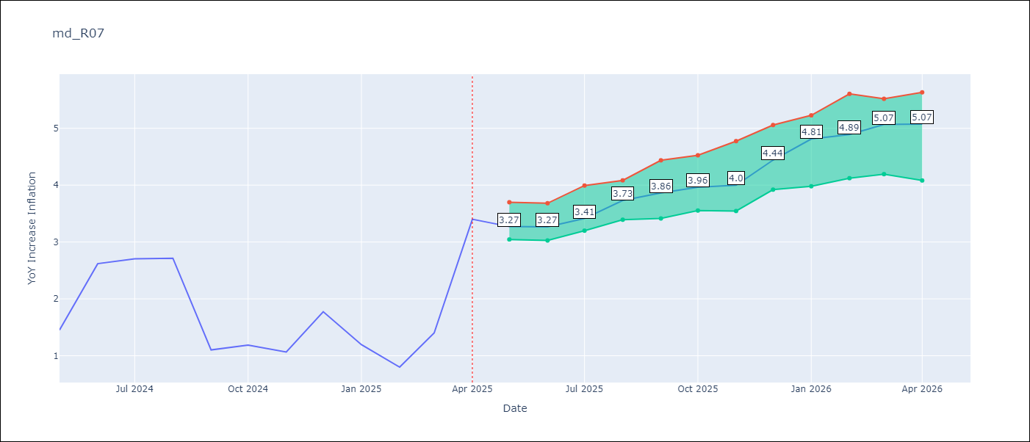

Test Metrics
RMSE | 1.32
Naive RMSE | 1.23
MAPE | 79.2%

Test Predictions
Date | Predicted | Actual
2024-06-01 | 2.11 | 1.45
2024-07-01 | 2.18 | 2.62
2024-08-01 | 2.12 | 2.7
2024-09-01 | 2.19 | 2.72
2024-10-01 | 2.38 | 1.1
2024-11-01 | 2.43 | 1.19
2024-12-01 | 2.51 | 1.07
2025-01-01 | 2.5 | 1.77
2025-02-01 | 2.56 | 1.19
2025-03-01 | 2.62 | 0.8
2025-04-01 | 2.65 | 1.4
2025-05-01 | 2.81 | 3.4


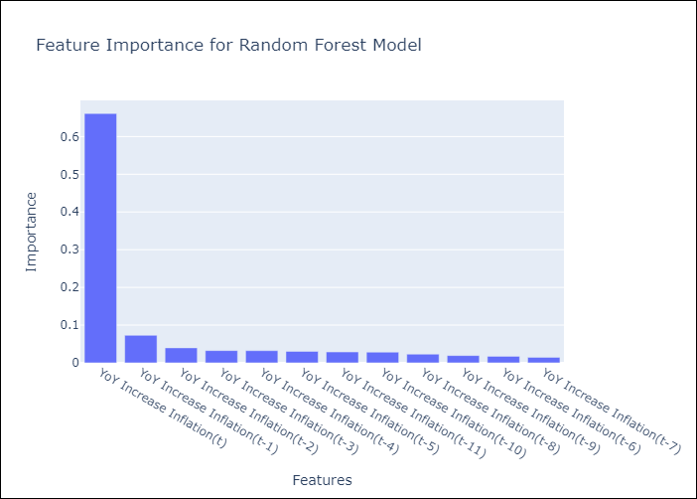

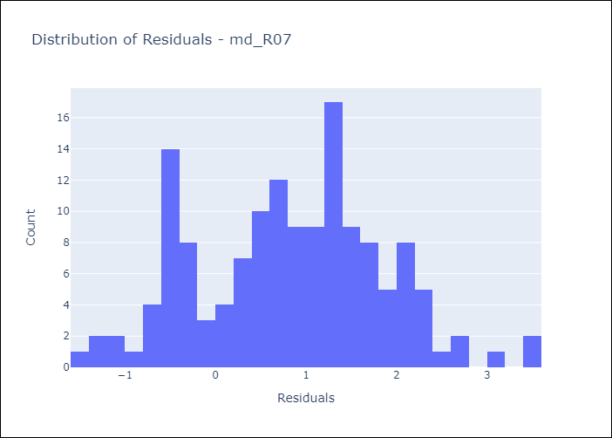
Appendix A: Model Summary
Model | Random Forest w/ Lags
Sample | 1994-07-01 to 2025-04-01
No. of Observations | 370
Residuals
Mean | 0.83326183581
St Dev | 1.0217882173
Kurtosis | -0.3012672535
Skewness | 0.030437458615

Assumptions | P-value

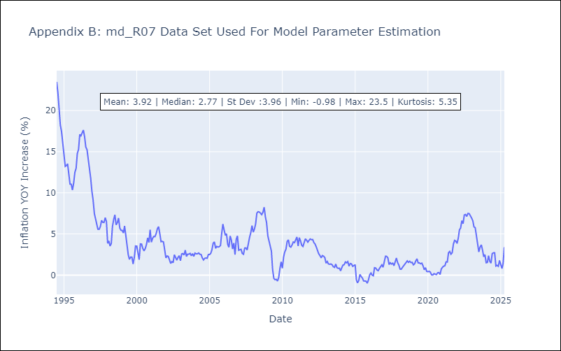

Appendix C: Residuals Analysis
Mean

md6
md - Inflation - Next 12 months forecast as of: 2025-04-01

Model | Random Forest w/ Lags - None
Training Data | 1992-01-01 to 2024-05-01
Test Data | 2024-05-01 to 2025-04-01

Date | Inflation Change YoY % | Lower Bound - 95% Confidence Interval | Upper Bound - 95% Confidence Interval
2025-05-01 | 4.98 | 4.75 | 5.24
2025-06-01 | 5.03 | 4.7 | 5.41
2025-07-01 | 5.08 | 4.71 | 5.55
2025-08-01 | 5.13 | 4.68 | 5.69
2025-09-01 | 5.23 | 4.76 | 5.9
2025-10-01 | 5.37 | 4.91 | 6.1
2025-11-01 | 5.52 | 4.94 | 6.21
2025-12-01 | 5.65 | 4.98 | 6.22
2026-01-01 | 5.78 | 5.03 | 6.29
2026-02-01 | 5.95 | 5.15 | 6.34
2026-03-01 | 6.07 | 5.26 | 6.32
2026-04-01 | 6.16 | 5.22 | 6.4

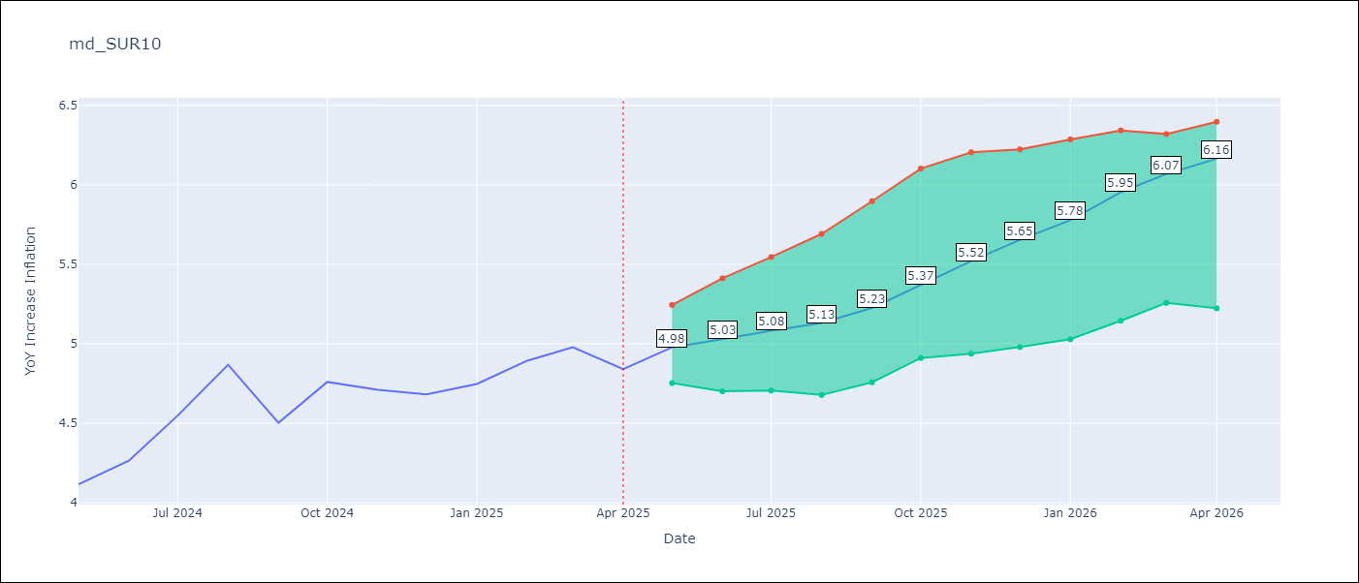

Test Metrics
RMSE | 0.86
Naive RMSE | 0.86
MAPE | 13.33%

Test Predictions
Date | Predicted | Actual
2024-06-01 | 3.75 | 4.12
2024-07-01 | 3.82 | 4.26
2024-08-01 | 3.9 | 4.55
2024-09-01 | 3.93 | 4.87
2024-10-01 | 3.9 | 4.5
2024-11-01 | 3.89 | 4.76
2024-12-01 | 3.87 | 4.71
2025-01-01 | 3.98 | 4.68
2025-02-01 | 4.17 | 4.75
2025-03-01 | 4.27 | 4.89
2025-04-01 | 4.37 | 4.98
2025-05-01 | 4.57 | 4.84

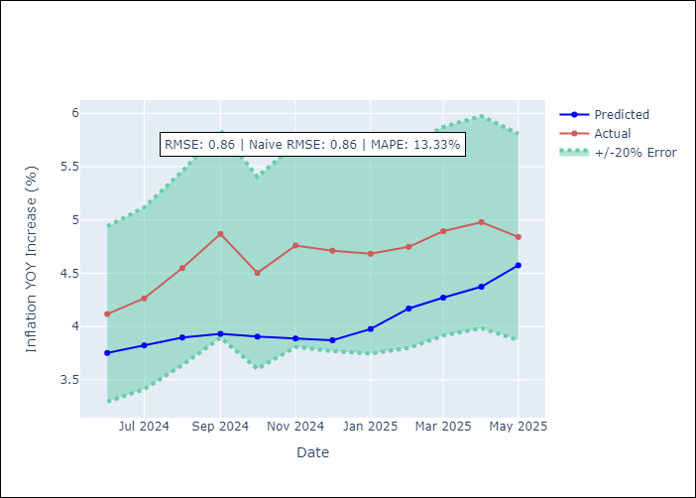
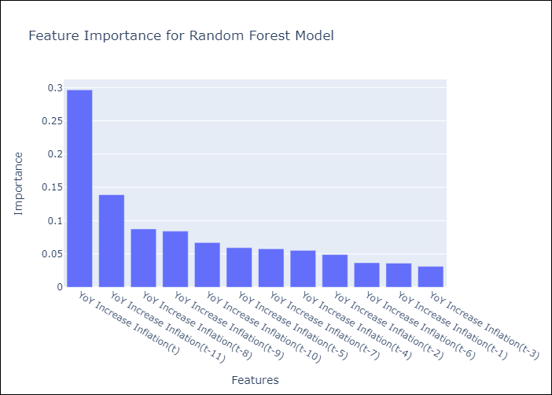

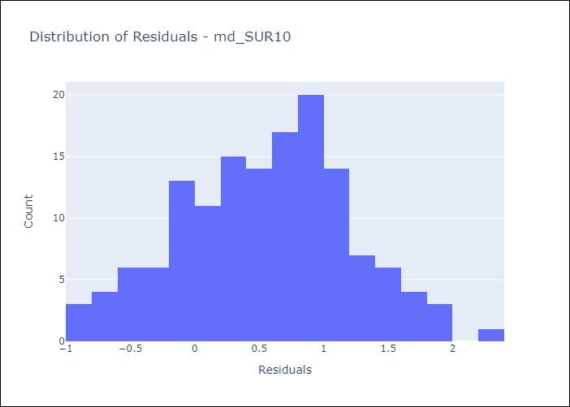
Appendix A: Model Summary
Model | Random Forest w/ Lags
Sample | 1992-01-01 to 2025-04-01
No. of Observations | 400
Residuals
Mean | 0.56296078623
St Dev | 0.6524025524
Kurtosis | -0.35249292694
Skewness | -0.082140411352

Assumptions | P-value

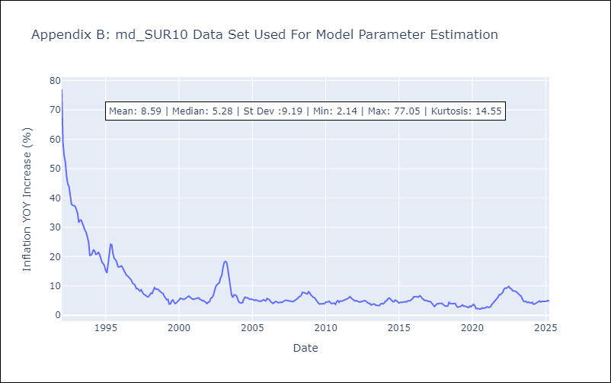

Appendix C: Residuals Analysis
Mean

