ARG
ARG - Inflation - Next 12 months forecast as of: 2025-04-01

Model | Random Forest w/ Lags - None
Training Data | 2007-01-01 to 2024-05-01
Test Data | 2024-05-01 to 2025-04-01

Date | Inflation Change YoY % | Lower Bound - 95% Confidence Interval | Upper Bound - 95% Confidence Interval
2025-05-01 | 56.71 | 50.77 | 71.95
2025-06-01 | 56.18 | 50.19 | 73.17
2025-07-01 | 55.07 | 49.1 | 72.74
2025-08-01 | 54.48 | 47.34 | 72.99
2025-09-01 | 54.53 | 45.88 | 75.57
2025-10-01 | 53.79 | 44.38 | 77.43
2025-11-01 | 53.54 | 43.16 | 80.03
2025-12-01 | 55.93 | 41.61 | 87.99
2026-01-01 | 59.51 | 41.07 | 100.3
2026-02-01 | 62.55 | 41.22 | 110.88
2026-03-01 | 64.87 | 42.19 | 119.34
2026-04-01 | 67.07 | 43.99 | 127.09

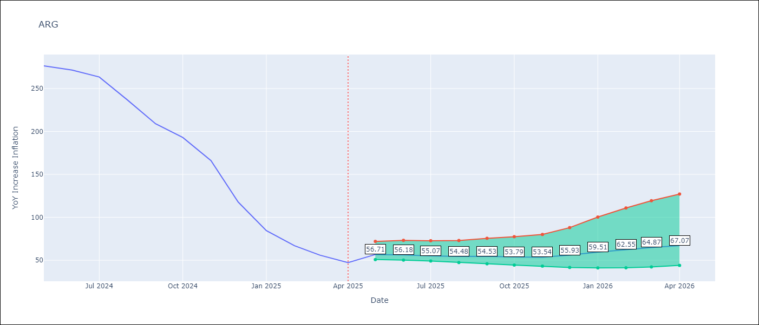

Test Metrics
RMSE | 112.05
Naive RMSE | 111.72
MAPE | 143.15%

Test Predictions
Date | Predicted | Actual
2024-06-01 | 111.41 | 276.41
2024-07-01 | 114.05 | 271.53
2024-08-01 | 113.72 | 263.45
2024-09-01 | 120.31 | 236.72
2024-10-01 | 131.57 | 209
2024-11-01 | 138.6 | 192.99
2024-12-01 | 152.62 | 166.03
2025-01-01 | 189.4 | 117.76
2025-02-01 | 230.2 | 84.54
2025-03-01 | 259.41 | 66.87
2025-04-01 | 277.71 | 55.93
2025-05-01 | 285.09 | 47.26

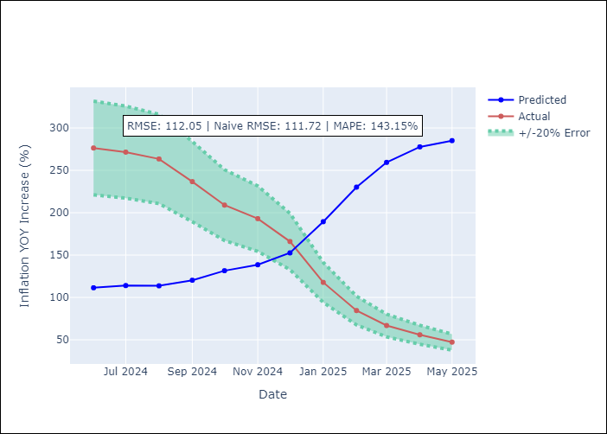
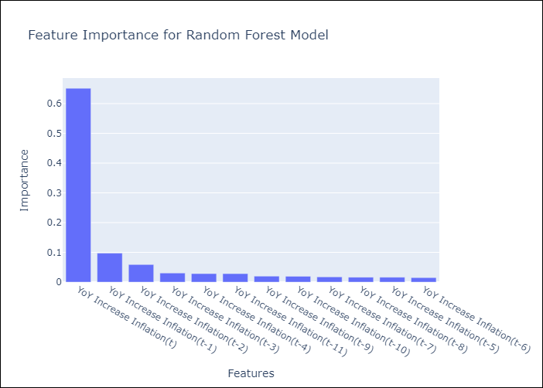

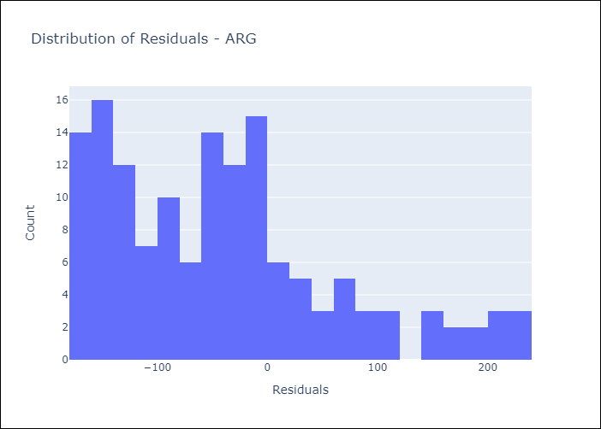
Appendix A: Model Summary
Model | Random Forest w/ Lags
Sample | 2007-01-01 to 2025-04-01
No. of Observations | 220
Residuals
Mean | -40.937312551
St Dev | 104.30327689
Kurtosis | 0.10888202945
Skewness | 0.84428497574

Assumptions | P-value

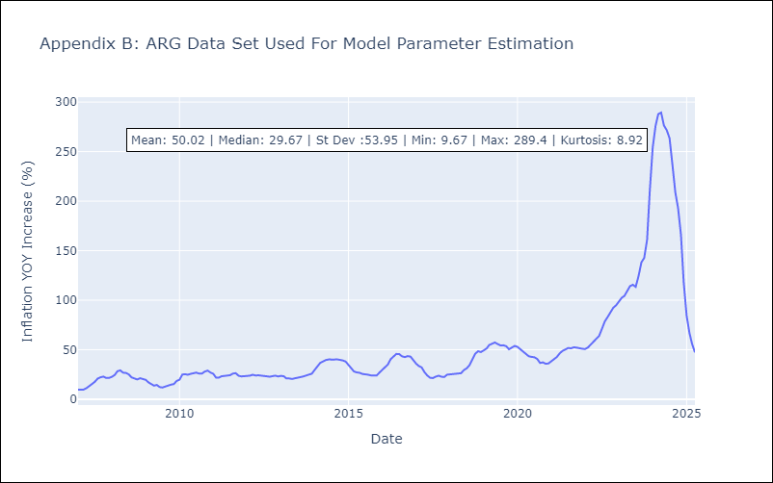

Appendix C: Residuals Analysis
Mean

BOL
BOL - Inflation - Next 12 months forecast as of: 2025-04-01

Model | Random Forest w/ Lags - None
Training Data | 2021-01-01 to 2024-05-01
Test Data | 2024-05-01 to 2025-04-01

Date | Inflation Change YoY % | Lower Bound - 95% Confidence Interval | Upper Bound - 95% Confidence Interval
2025-05-01 | 2.79 | 2.19 | 2.91
2025-06-01 | 2.75 | 2.18 | 2.85
2025-07-01 | 2.7 | 2.17 | 2.76
2025-08-01 | 2.79 | 2.23 | 2.98
2025-09-01 | 2.83 | 2.49 | 2.91
2025-10-01 | 2.63 | 2.23 | 2.83
2025-11-01 | 2.31 | 1.82 | 2.77
2025-12-01 | 2.22 | 1.95 | 2.61
2026-01-01 | 2.13 | 1.88 | 2.61
2026-02-01 | 2.21 | 2.08 | 2.63
2026-03-01 | 2.41 | 2.04 | 2.89
2026-04-01 | 2.72 | 2.17 | 3.23

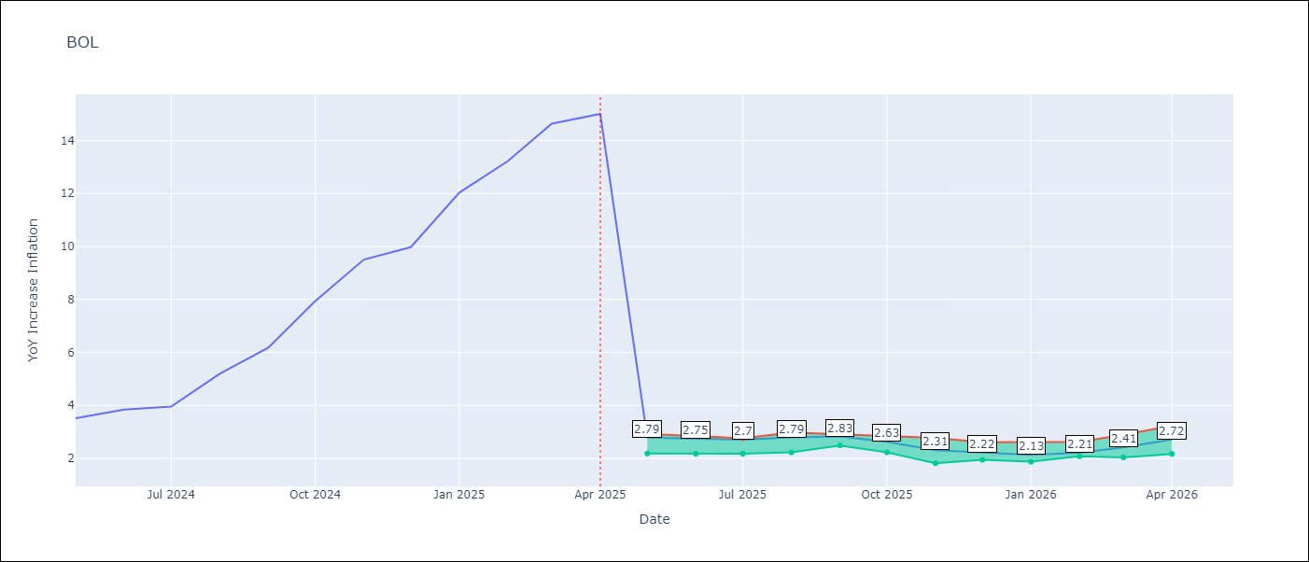

Test Metrics
RMSE | 3.89
Naive RMSE | 3.85
MAPE | 60.71%

Test Predictions
Date | Predicted | Actual
2024-06-01 | 2.81 | 3.52
2024-07-01 | 2.76 | 3.84
2024-08-01 | 2.72 | 3.95
2024-09-01 | 2.77 | 5.19
2024-10-01 | 2.77 | 6.18
2024-11-01 | 2.68 | 7.94
2024-12-01 | 2.51 | 9.51
2025-01-01 | 2.43 | 9.97
2025-02-01 | 2.26 | 12.03
2025-03-01 | 2.29 | 13.22
2025-04-01 | 2.31 | 14.63
2025-05-01 | 2.46 | 15.01

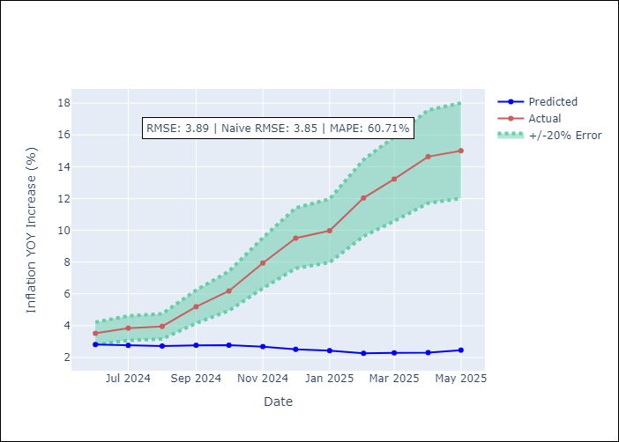
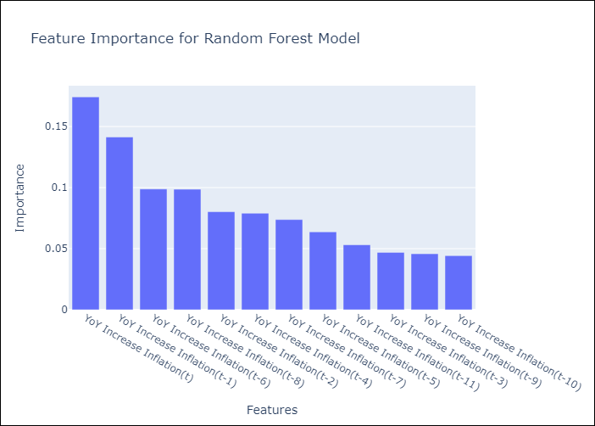

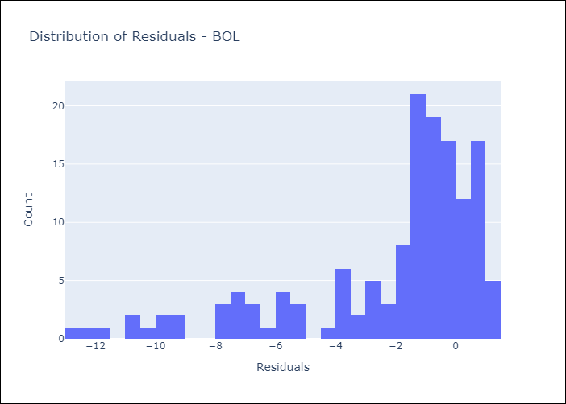
Appendix A: Model Summary
Model | Random Forest w/ Lags
Sample | 2021-01-01 to 2025-04-01
No. of Observations | 52
Residuals
Mean | -2.1848470486
St Dev | 3.2195882181
Kurtosis | 1.394121895
Skewness | -1.4714030555

Assumptions | P-value

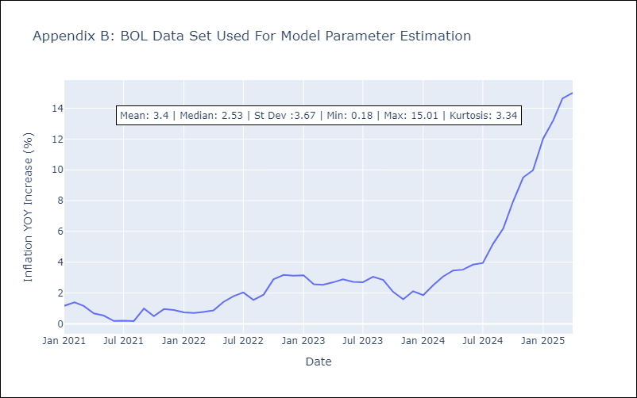

Appendix C: Residuals Analysis
Mean

BRA
BRA - Inflation - Next 12 months forecast as of: 2025-04-01

Model | Random Forest w/ Lags - None
Training Data | 1998-01-01 to 2024-05-01
Test Data | 2024-05-01 to 2025-04-01

Date | Inflation Change YoY % | Lower Bound - 95% Confidence Interval | Upper Bound - 95% Confidence Interval
2025-05-01 | 5.7 | 5.45 | 6
2025-06-01 | 5.84 | 5.51 | 6.17
2025-07-01 | 5.88 | 5.63 | 6.24
2025-08-01 | 5.94 | 5.69 | 6.3
2025-09-01 | 6.04 | 5.81 | 6.36
2025-10-01 | 6.09 | 5.86 | 6.43
2025-11-01 | 6 | 5.76 | 6.4
2025-12-01 | 5.96 | 5.68 | 6.31
2026-01-01 | 5.92 | 5.58 | 6.28
2026-02-01 | 5.84 | 5.46 | 6.28
2026-03-01 | 5.77 | 5.33 | 6.21
2026-04-01 | 5.69 | 5.16 | 6.18

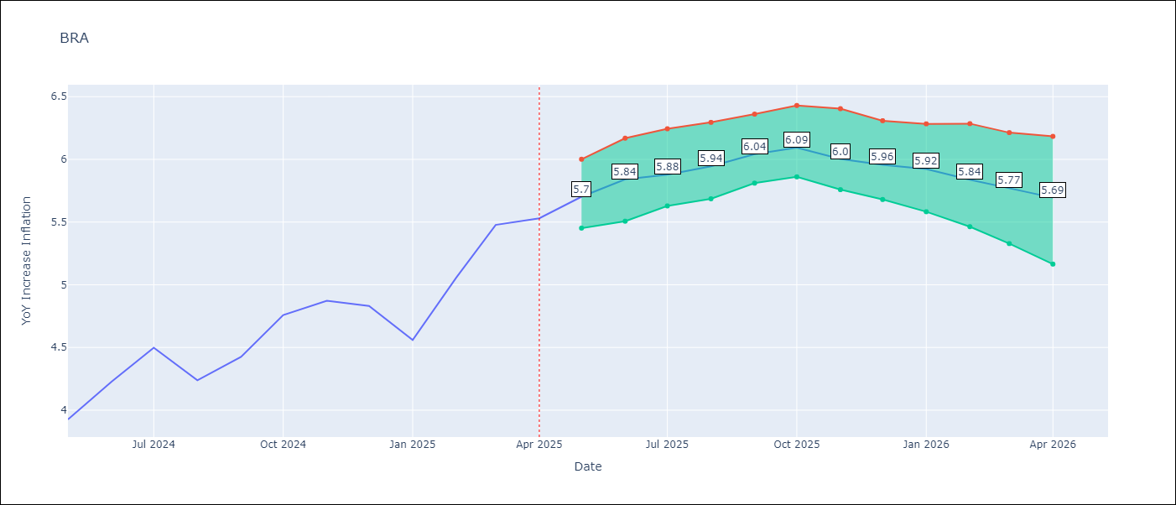

Test Metrics
RMSE | 1.03
Naive RMSE | 0.73
MAPE | 24.43%

Test Predictions
Date | Predicted | Actual
2024-06-01 | 3.77 | 3.93
2024-07-01 | 4 | 4.23
2024-08-01 | 4 | 4.5
2024-09-01 | 3.77 | 4.24
2024-10-01 | 3.51 | 4.42
2024-11-01 | 3.31 | 4.76
2024-12-01 | 3.07 | 4.87
2025-01-01 | 2.93 | 4.83
2025-02-01 | 2.97 | 4.56
2025-03-01 | 3.27 | 5.06
2025-04-01 | 3.61 | 5.48
2025-05-01 | 3.88 | 5.53

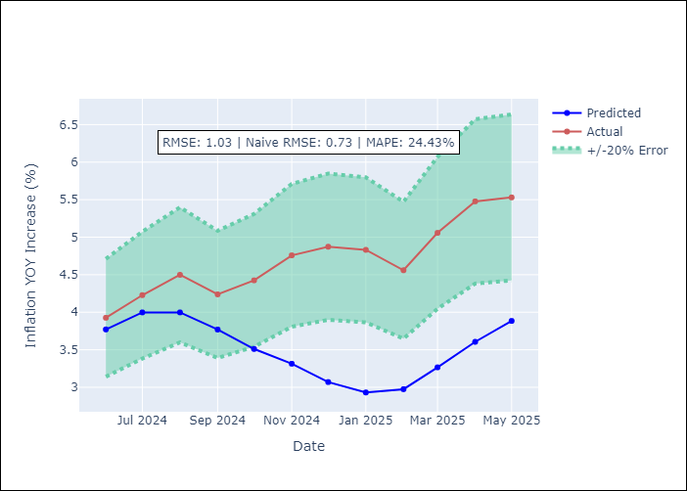
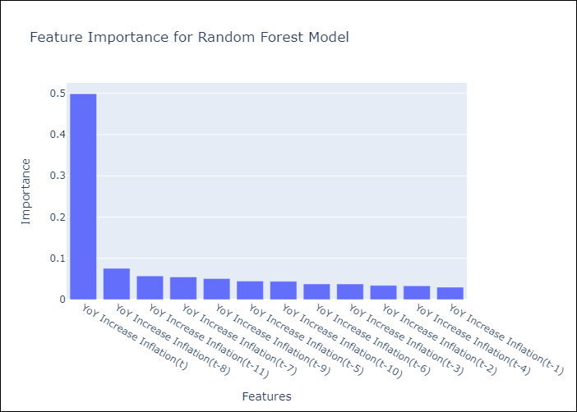

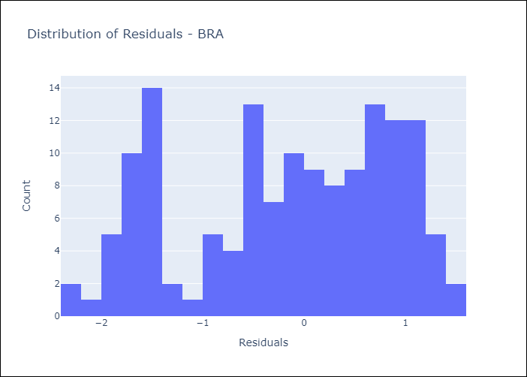
Appendix A: Model Summary
Model | Random Forest w/ Lags
Sample | 1998-01-01 to 2025-04-01
No. of Observations | 328
Residuals
Mean | -0.17003395309
St Dev | 1.0182571975
Kurtosis | -1.1054882746
Skewness | -0.33698102198

Assumptions | P-value



Appendix C: Residuals Analysis
Mean

CHL
CHL - Inflation - Next 12 months forecast as of: 2025-04-01

Model | Random Forest w/ Lags - None
Training Data | 2012-12-01 to 2024-05-01
Test Data | 2024-05-01 to 2025-04-01

Date | Inflation Change YoY % | Lower Bound - 95% Confidence Interval | Upper Bound - 95% Confidence Interval
2025-05-01 | 4.46 | 4.27 | 5.07
2025-06-01 | 4.32 | 4.26 | 5.22
2025-07-01 | 4.18 | 4.08 | 5.42
2025-08-01 | 4.06 | 3.94 | 5.52
2025-09-01 | 4.03 | 3.67 | 5.5
2025-10-01 | 4 | 3.51 | 5.55
2025-11-01 | 3.94 | 3.34 | 5.79
2025-12-01 | 3.83 | 3.32 | 6
2026-01-01 | 3.67 | 3.23 | 6
2026-02-01 | 3.57 | 3.22 | 5.93
2026-03-01 | 3.49 | 3.15 | 5.8
2026-04-01 | 3.42 | 3.07 | 5.76

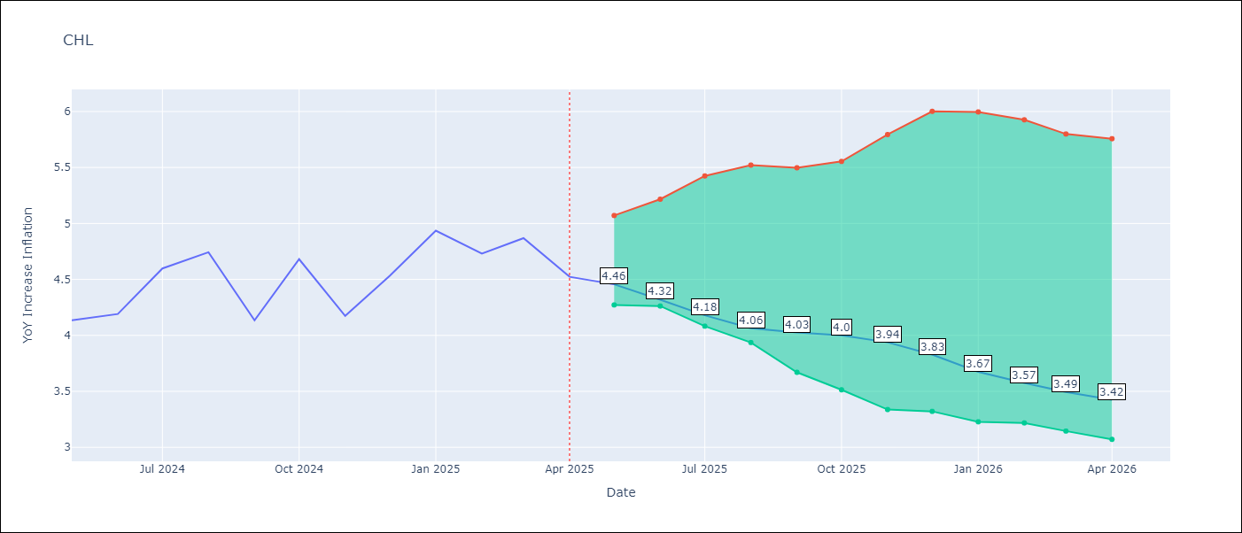

Test Metrics
RMSE | 1.22
Naive RMSE | 1.71
MAPE | 4.17%

Test Predictions
Date | Predicted | Actual
2024-06-01 | 4.16 | 4.13
2024-07-01 | 4.24 | 4.19
2024-08-01 | 4.35 | 4.6
2024-09-01 | 4.41 | 4.74
2024-10-01 | 4.39 | 4.13
2024-11-01 | 4.41 | 4.68
2024-12-01 | 4.51 | 4.17
2025-01-01 | 4.64 | 4.53
2025-02-01 | 4.79 | 4.94
2025-03-01 | 4.86 | 4.73
2025-04-01 | 4.81 | 4.87
2025-05-01 | 4.82 | 4.52

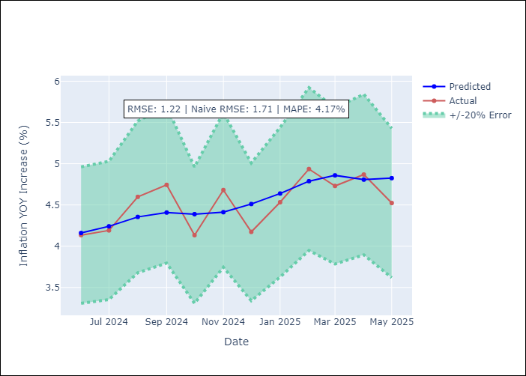
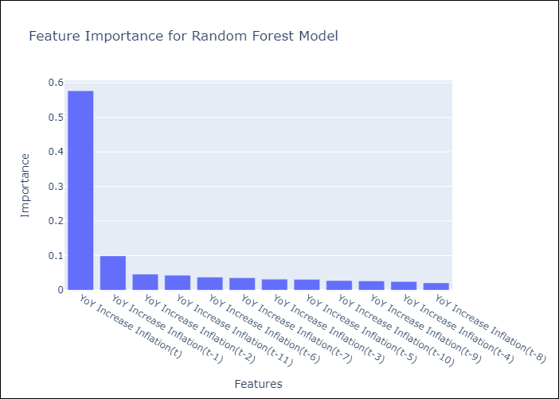

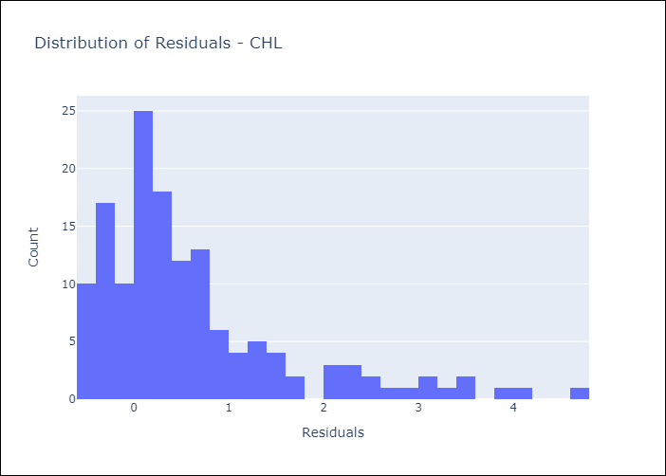
Appendix A: Model Summary
Model | Random Forest w/ Lags
Sample | 2012-12-01 to 2025-04-01
No. of Observations | 149
Residuals
Mean | 0.62824236322
St Dev | 1.0418461551
Kurtosis | 2.5373014942
Skewness | 1.646040808

Assumptions | P-value



Appendix C: Residuals Analysis
Mean

COL
COL - Inflation - Next 12 months forecast as of: 2025-04-01

Model | Random Forest w/ Lags - None
Training Data | 2006-01-01 to 2024-05-01
Test Data | 2024-05-01 to 2025-04-01

Date | Inflation Change YoY % | Lower Bound - 95% Confidence Interval | Upper Bound - 95% Confidence Interval
2025-05-01 | 5.83 | 5.14 | 6.02
2025-06-01 | 5.88 | 5.04 | 6.04
2025-07-01 | 6.04 | 4.92 | 6.21
2025-08-01 | 6.35 | 4.65 | 6.65
2025-09-01 | 6.62 | 4.48 | 6.98
2025-10-01 | 6.87 | 4.45 | 7.23
2025-11-01 | 7.04 | 4.43 | 7.31
2025-12-01 | 7.23 | 4.41 | 7.54
2026-01-01 | 7.28 | 4.24 | 7.55
2026-02-01 | 7.24 | 4.1 | 7.59
2026-03-01 | 7.03 | 4.01 | 7.39
2026-04-01 | 6.74 | 3.95 | 7.1

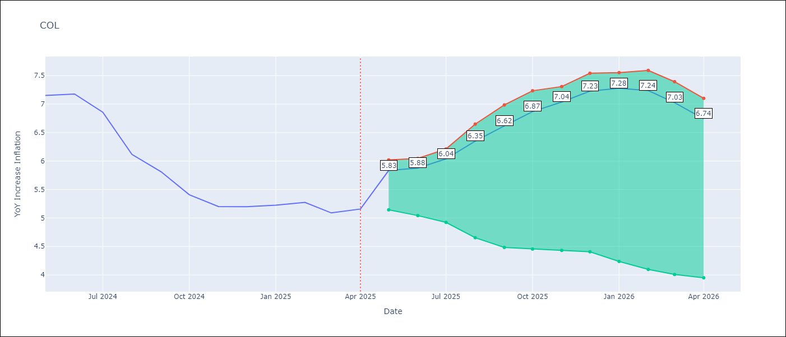

Test Metrics
RMSE | 2.5
Naive RMSE | 2.95
MAPE | 24.92%

Test Predictions
Date | Predicted | Actual
2024-06-01 | 5.56 | 7.15
2024-07-01 | 5.27 | 7.18
2024-08-01 | 4.96 | 6.86
2024-09-01 | 4.68 | 6.12
2024-10-01 | 4.36 | 5.81
2024-11-01 | 4.17 | 5.41
2024-12-01 | 3.97 | 5.2
2025-01-01 | 3.9 | 5.2
2025-02-01 | 3.81 | 5.22
2025-03-01 | 3.89 | 5.27
2025-04-01 | 3.89 | 5.09
2025-05-01 | 3.82 | 5.16

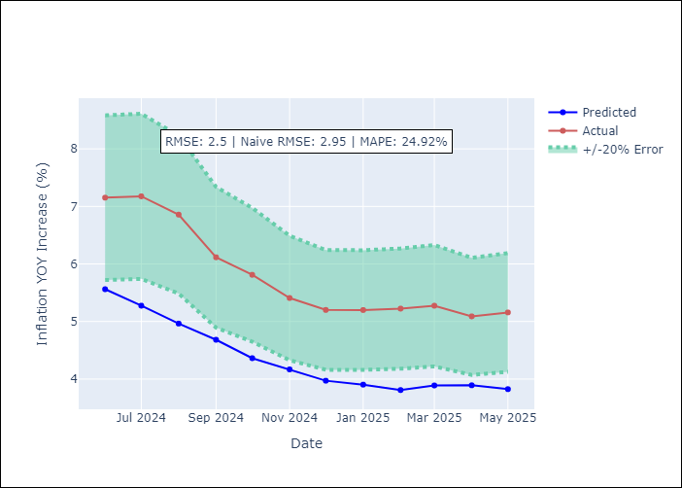
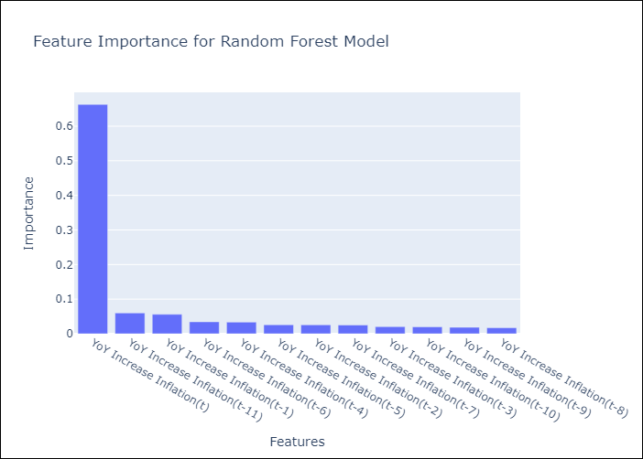

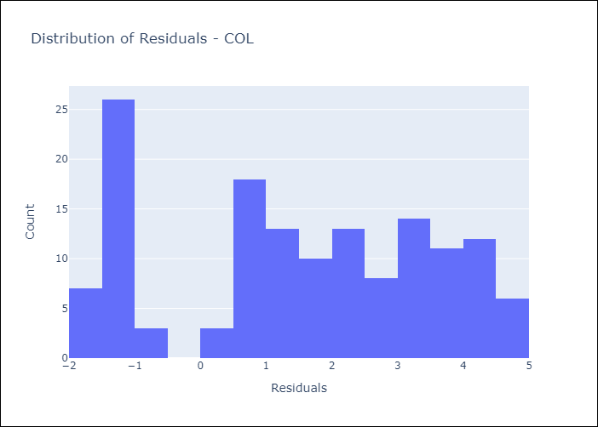
Appendix A: Model Summary
Model | Random Forest w/ Lags
Sample | 2006-01-01 to 2025-04-01
No. of Observations | 232
Residuals
Mean | 1.519823921
St Dev | 1.9874654911
Kurtosis | -1.1829403994
Skewness | -0.18458880824

Assumptions | P-value

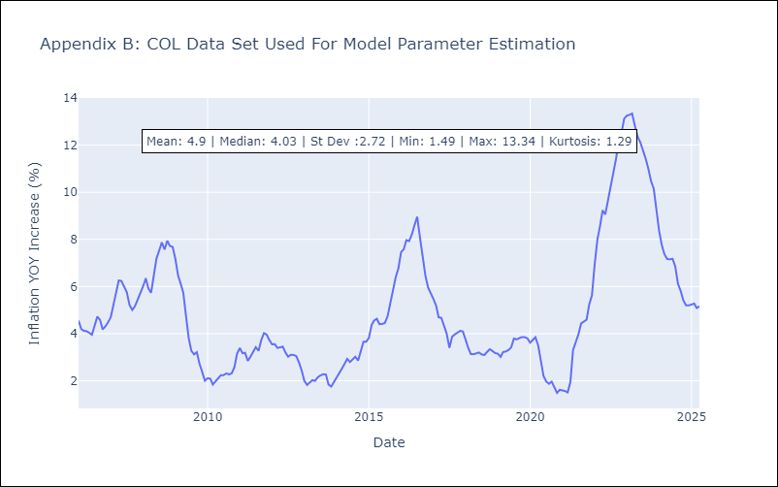

Appendix C: Residuals Analysis
Mean

ECU
ECU - Inflation - Next 12 months forecast as of: 2025-04-01

Model | Random Forest w/ Lags - None
Training Data | 2009-01-01 to 2024-05-01
Test Data | 2024-05-01 to 2025-04-01

Date | Inflation Change YoY % | Lower Bound - 95% Confidence Interval | Upper Bound - 95% Confidence Interval
2025-05-01 | 0.04 | -0.33 | 0.41
2025-06-01 | -0.01 | -0.32 | 0.39
2025-07-01 | -0.08 | -0.32 | 0.34
2025-08-01 | -0.06 | -0.5 | 0.25
2025-09-01 | -0.16 | -0.54 | 0.17
2025-10-01 | -0.36 | -0.55 | -0.01
2025-11-01 | -0.43 | -0.6 | -0.09
2025-12-01 | -0.46 | -0.61 | -0.11
2026-01-01 | -0.43 | -0.61 | -0.1
2026-02-01 | -0.31 | -0.48 | 0.16
2026-03-01 | -0.14 | -0.51 | 0.32
2026-04-01 | 0.02 | -0.38 | 0.44

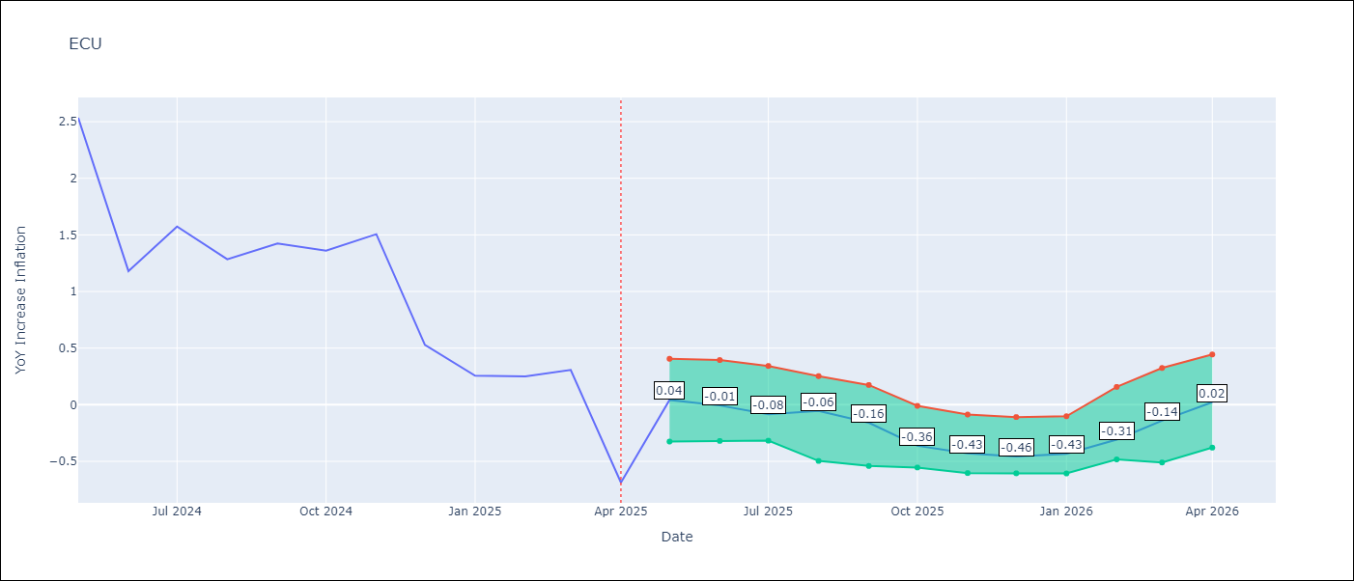

Test Metrics
RMSE | 1.42
Naive RMSE | 0.86
MAPE | 468.12%

Test Predictions
Date | Predicted | Actual
2024-06-01 | 2.89 | 2.53
2024-07-01 | 2.99 | 1.18
2024-08-01 | 3.12 | 1.57
2024-09-01 | 3.25 | 1.28
2024-10-01 | 3.42 | 1.42
2024-11-01 | 3.54 | 1.36
2024-12-01 | 3.64 | 1.51
2025-01-01 | 3.61 | 0.53
2025-02-01 | 3.57 | 0.26
2025-03-01 | 3.49 | 0.25
2025-04-01 | 3.41 | 0.31
2025-05-01 | 3.26 | -0.69

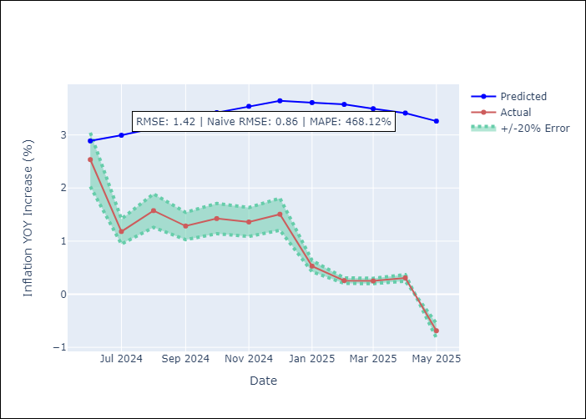
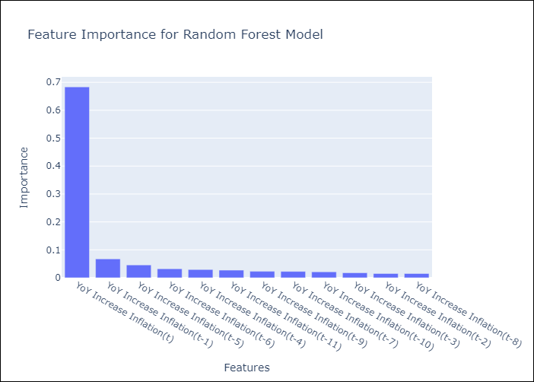

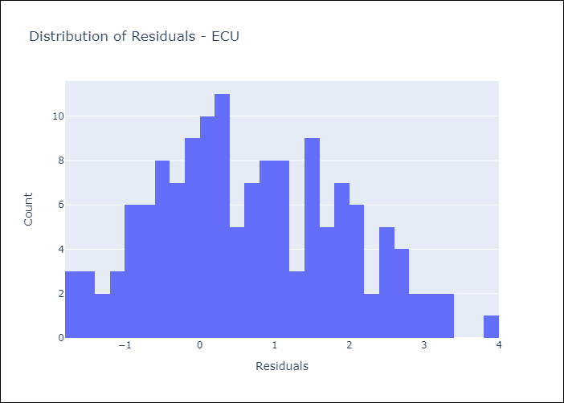
Appendix A: Model Summary
Model | Random Forest w/ Lags
Sample | 2009-01-01 to 2025-04-01
No. of Observations | 196
Residuals
Mean | 0.67709997328
St Dev | 1.2499345794
Kurtosis | -0.67362061763
Skewness | 0.21034269909

Assumptions | P-value

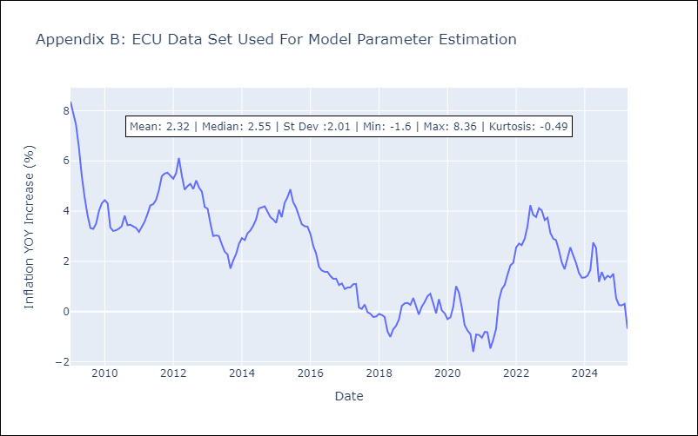

Appendix C: Residuals Analysis
Mean

PER
PER - Inflation - Next 12 months forecast as of: 2025-04-01

Model | Random Forest w/ Lags - None
Training Data | 1994-01-01 to 2024-05-01
Test Data | 2024-05-01 to 2025-04-01

Date | Inflation Change YoY % | Lower Bound - 95% Confidence Interval | Upper Bound - 95% Confidence Interval
2025-05-01 | 1.8 | 1.54 | 1.9
2025-06-01 | 1.83 | 1.54 | 1.94
2025-07-01 | 1.96 | 1.67 | 2.18
2025-08-01 | 1.97 | 1.71 | 2.1
2025-09-01 | 2.01 | 1.79 | 2.23
2025-10-01 | 2.03 | 1.83 | 2.29
2025-11-01 | 2.26 | 1.92 | 2.66
2025-12-01 | 2.34 | 1.98 | 2.81
2026-01-01 | 2.55 | 2.1 | 3.02
2026-02-01 | 2.62 | 2.23 | 3
2026-03-01 | 2.71 | 2.32 | 3.17
2026-04-01 | 2.9 | 2.44 | 3.42

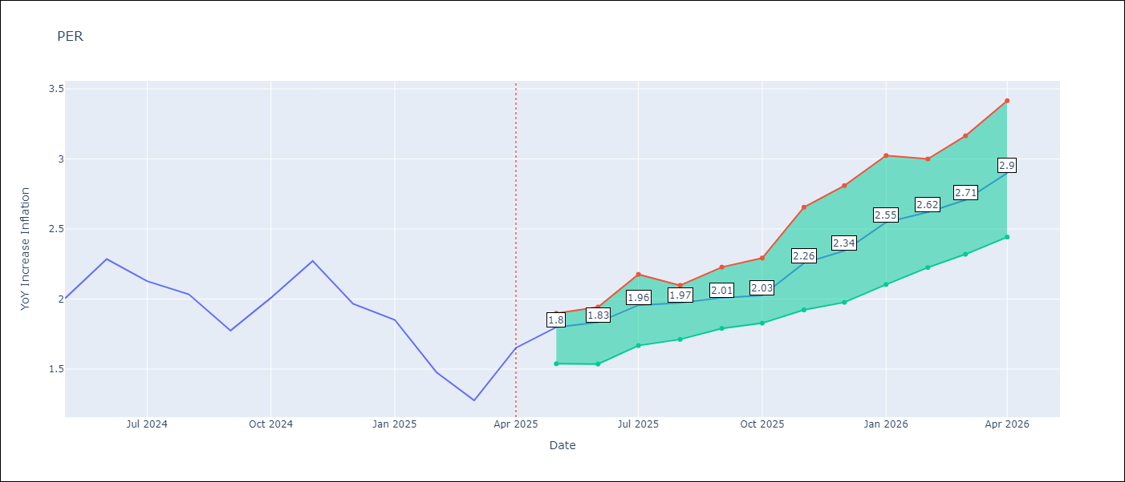

Test Metrics
RMSE | 1.07
Naive RMSE | 2.19
MAPE | 62.99%

Test Predictions
Date | Predicted | Actual
2024-06-01 | 2.72 | 2
2024-07-01 | 3 | 2.29
2024-08-01 | 3.09 | 2.13
2024-09-01 | 3.09 | 2.03
2024-10-01 | 3.07 | 1.78
2024-11-01 | 3.1 | 2.01
2024-12-01 | 3.13 | 2.27
2025-01-01 | 3.12 | 1.97
2025-02-01 | 2.97 | 1.85
2025-03-01 | 2.86 | 1.48
2025-04-01 | 2.91 | 1.28
2025-05-01 | 3.07 | 1.65

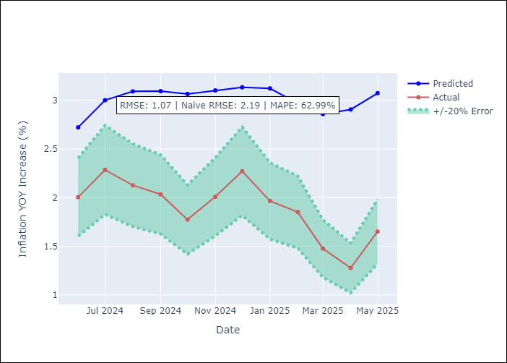
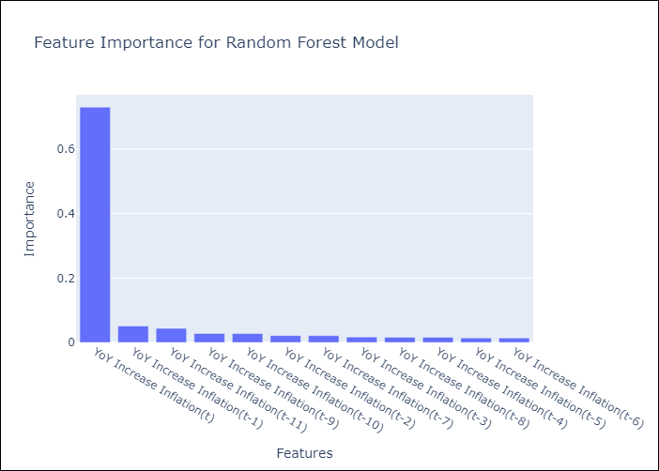

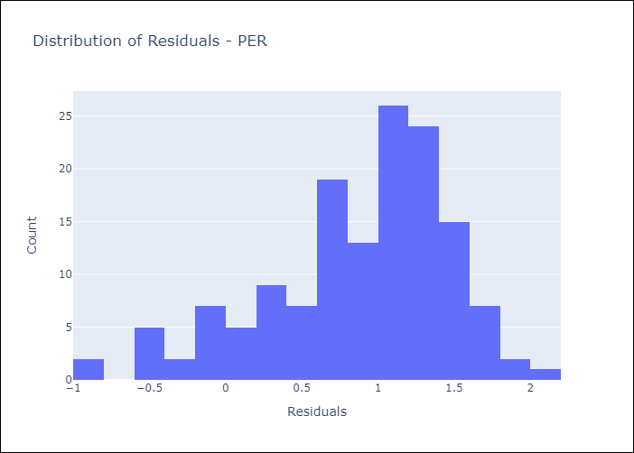
Appendix A: Model Summary
Model | Random Forest w/ Lags
Sample | 1994-01-01 to 2025-04-01
No. of Observations | 376
Residuals
Mean | 0.88049225406
St Dev | 0.60303934491
Kurtosis | 0.24806639166
Skewness | -0.78069266795

Assumptions | P-value

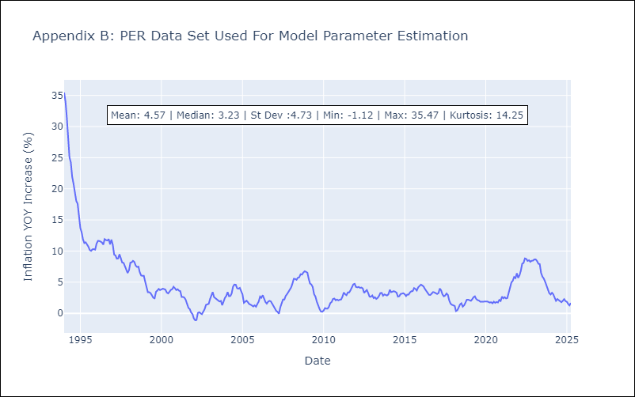

Appendix C: Residuals Analysis
Mean

PRY
PRY - Inflation - Next 12 months forecast as of: 2025-04-01

Model | Random Forest w/ Lags - None
Training Data | 1995-12-01 to 2024-05-01
Test Data | 2024-05-01 to 2025-04-01

Date | Inflation Change YoY % | Lower Bound - 95% Confidence Interval | Upper Bound - 95% Confidence Interval
2025-05-01 | 3.62 | 3.33 | 3.93
2025-06-01 | 3.54 | 2.98 | 3.87
2025-07-01 | 3.47 | 2.94 | 3.78
2025-08-01 | 3.32 | 2.97 | 3.57
2025-09-01 | 3.18 | 2.8 | 3.57
2025-10-01 | 3.12 | 2.71 | 3.52
2025-11-01 | 3.12 | 2.7 | 3.46
2025-12-01 | 3.09 | 2.69 | 3.43
2026-01-01 | 3.07 | 2.76 | 3.48
2026-02-01 | 3.12 | 2.8 | 3.47
2026-03-01 | 2.99 | 2.68 | 3.45
2026-04-01 | 3.07 | 2.61 | 3.38

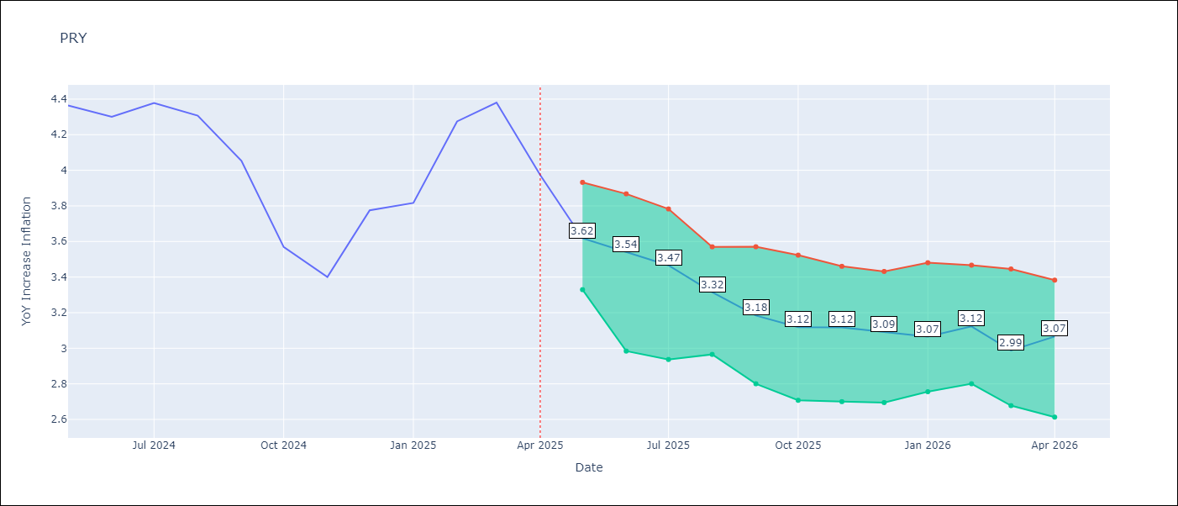

Test Metrics
RMSE | 0.87
Naive RMSE | 0.82
MAPE | 18.61%

Test Predictions
Date | Predicted | Actual
2024-06-01 | 3.61 | 4.36
2024-07-01 | 3.49 | 4.3
2024-08-01 | 3.29 | 4.38
2024-09-01 | 3.18 | 4.31
2024-10-01 | 3.17 | 4.05
2024-11-01 | 3.2 | 3.57
2024-12-01 | 3.23 | 3.4
2025-01-01 | 3.18 | 3.78
2025-02-01 | 3.16 | 3.82
2025-03-01 | 3.24 | 4.27
2025-04-01 | 3.26 | 4.38
2025-05-01 | 3.33 | 3.97

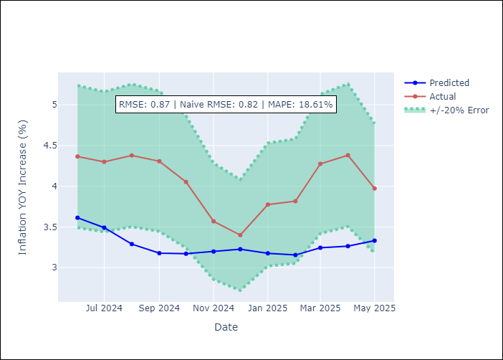
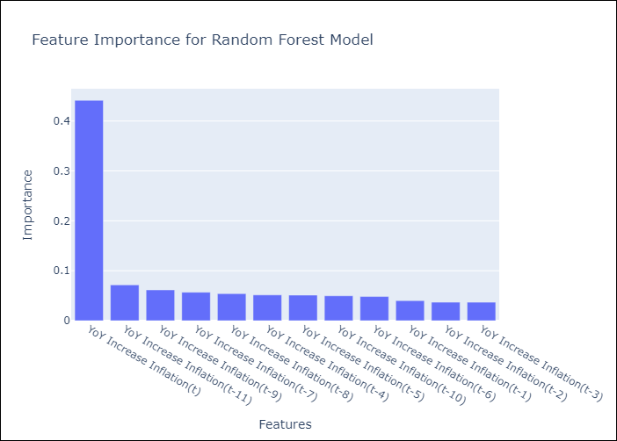

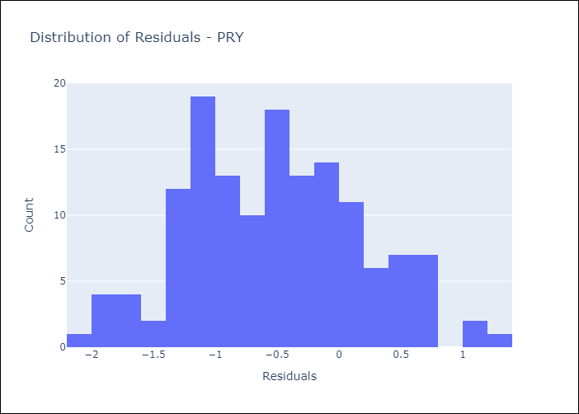
Appendix A: Model Summary
Model | Random Forest w/ Lags
Sample | 1995-12-01 to 2025-04-01
No. of Observations | 353
Residuals
Mean | -0.5188701106
St Dev | 0.70448498766
Kurtosis | -0.41151642719
Skewness | 0.16524679792

Assumptions | P-value



Appendix C: Residuals Analysis
Mean

URY
URY - Inflation - Next 12 months forecast as of: 2025-04-01

Model | Random Forest w/ Lags - None
Training Data | 1992-01-01 to 2024-05-01
Test Data | 2024-05-01 to 2025-04-01

Date | Inflation Change YoY % | Lower Bound - 95% Confidence Interval | Upper Bound - 95% Confidence Interval
2025-05-01 | 4.94 | 4.42 | 5.34
2025-06-01 | 4.81 | 4.35 | 5.46
2025-07-01 | 4.73 | 4.05 | 5.57
2025-08-01 | 4.66 | 3.96 | 5.58
2025-09-01 | 4.71 | 3.85 | 5.62
2025-10-01 | 4.8 | 4.1 | 5.71
2025-11-01 | 4.98 | 4.3 | 5.81
2025-12-01 | 5.26 | 4.53 | 5.97
2026-01-01 | 5.6 | 4.87 | 6.43
2026-02-01 | 6.07 | 5.22 | 6.85
2026-03-01 | 6.89 | 5.57 | 7.62
2026-04-01 | 8.56 | 6.36 | 9.44

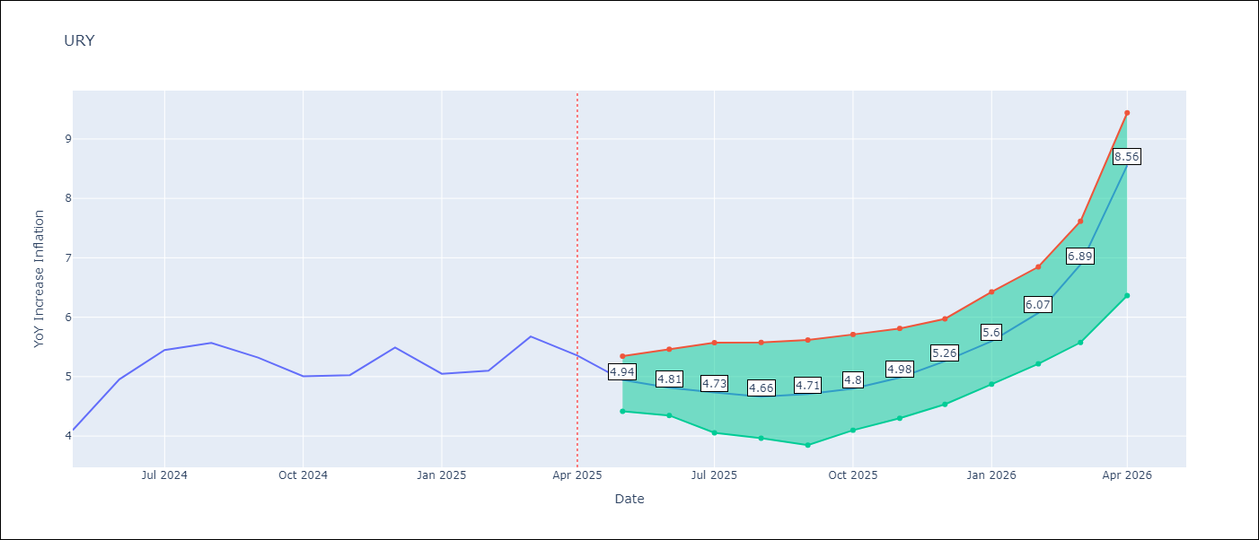

Test Metrics
RMSE | 1.97
Naive RMSE | 1.24
MAPE | 59.96%

Test Predictions
Date | Predicted | Actual
2024-06-01 | 4.1 | 4.1
2024-07-01 | 4.28 | 4.96
2024-08-01 | 4.51 | 5.45
2024-09-01 | 4.92 | 5.57
2024-10-01 | 5.31 | 5.32
2024-11-01 | 5.76 | 5.01
2024-12-01 | 6.42 | 5.03
2025-01-01 | 7.46 | 5.49
2025-02-01 | 9.32 | 5.05
2025-03-01 | 12.05 | 5.1
2025-04-01 | 15.02 | 5.67
2025-05-01 | 16.74 | 5.36

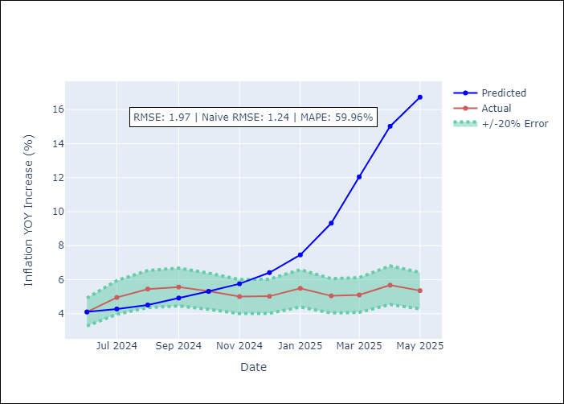
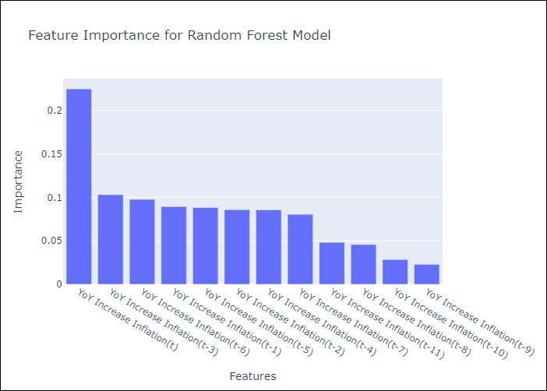

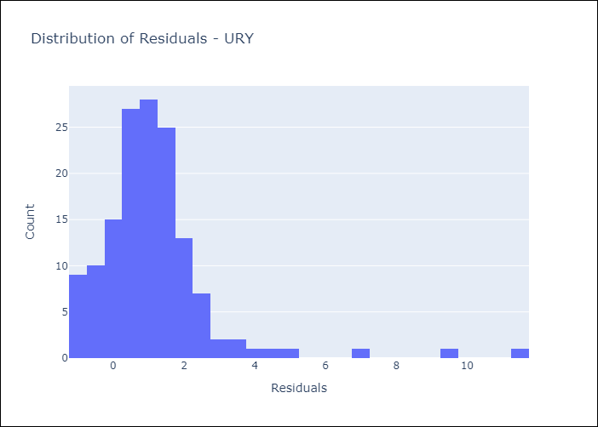
Appendix A: Model Summary
Model | Random Forest w/ Lags
Sample | 1992-01-01 to 2025-04-01
No. of Observations | 400
Residuals
Mean | 1.1272157532
St Dev | 1.6192363159
Kurtosis | 14.713172756
Skewness | 3.0405840979

Assumptions | P-value

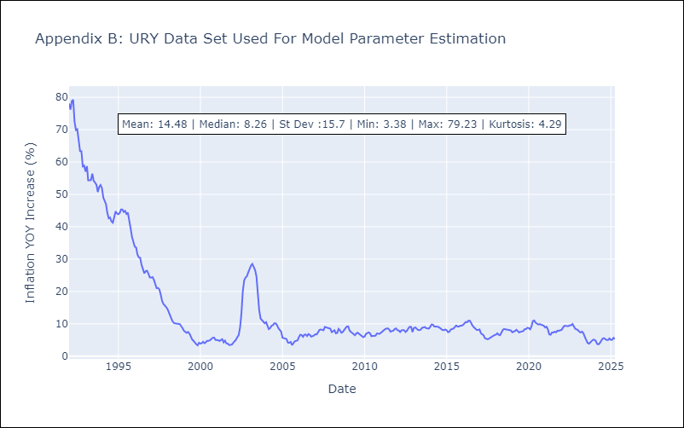

Appendix C: Residuals Analysis
Mean

VEN
VEN - Inflation - Next 12 months forecast as of: 2016-12-01

Model | Random Forest w/ Lags - None
Training Data | 2013-01-01 to 2016-01-01
Test Data | 2016-01-01 to 2016-12-01

Date | Inflation Change YoY % | Lower Bound - 95% Confidence Interval | Upper Bound - 95% Confidence Interval
2017-01-01 | 69.49 | 63.55 | 74.55
2017-02-01 | 74.88 | 63.53 | 78.62
2017-03-01 | 79.07 | 68.13 | 81.15
2017-04-01 | 81.75 | 74.57 | 82.93
2017-05-01 | 84.21 | 78.53 | 86.61
2017-06-01 | 89.27 | 80.94 | 95.55
2017-07-01 | 98.17 | 82.63 | 107.12
2017-08-01 | 110.8 | 86.67 | 123.04
2017-09-01 | 125.79 | 95.86 | 137.19
2017-10-01 | 140.59 | 107.54 | 151.55
2017-11-01 | 155.74 | 123.45 | 167.26
2017-12-01 | 169.3 | 137.46 | 176.66

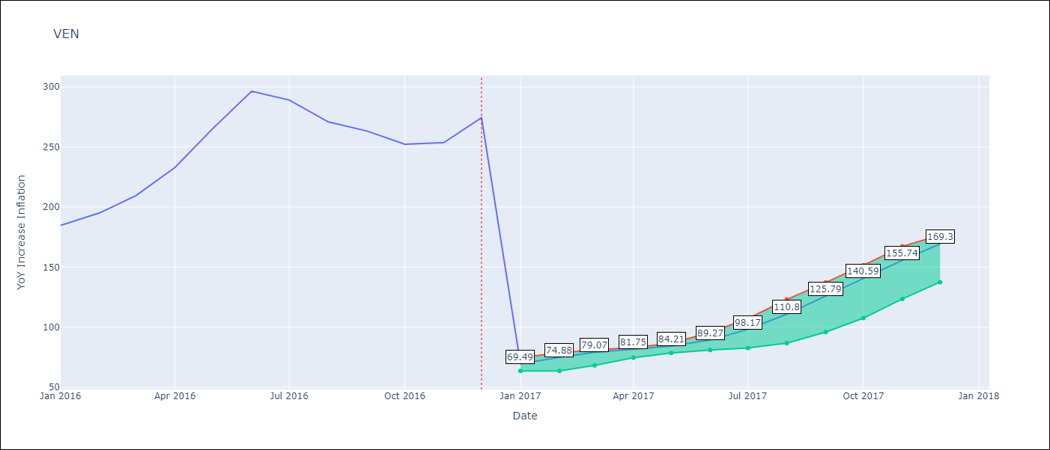

Test Metrics
RMSE | 97.37
Naive RMSE | 88.69
MAPE | 57.32%

Test Predictions
Date | Predicted | Actual
2016-02-01 | 69.49 | 184.76
2016-03-01 | 74.88 | 195.13
2016-04-01 | 79.07 | 209.56
2016-05-01 | 81.75 | 232.92
2016-06-01 | 84.21 | 265.24
2016-07-01 | 89.27 | 296.44
2016-08-01 | 98.17 | 289.06
2016-09-01 | 110.8 | 270.87
2016-10-01 | 125.79 | 263.24
2016-11-01 | 140.59 | 252.27
2016-12-01 | 155.74 | 253.65
2017-01-01 | 169.3 | 274.35

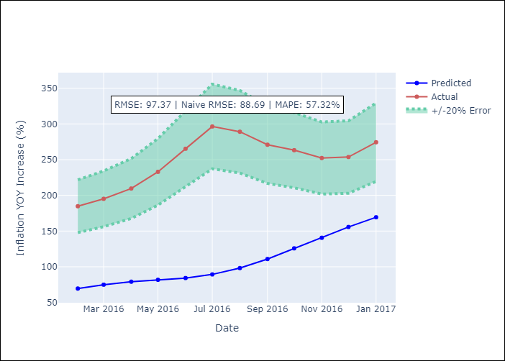
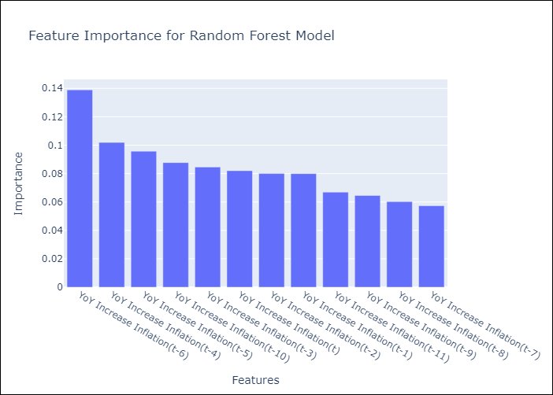

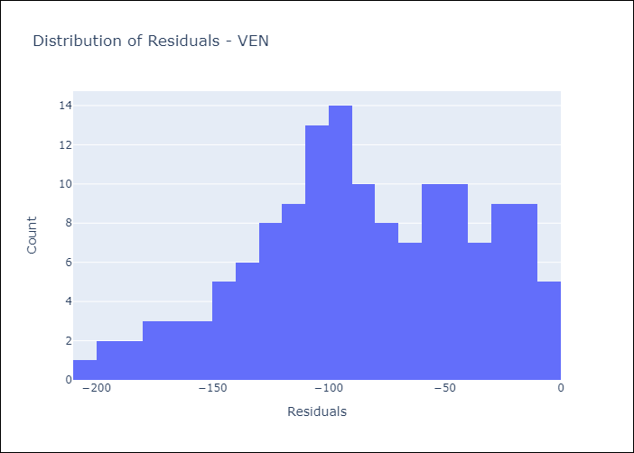
Appendix A: Model Summary
Model | Random Forest w/ Lags
Sample | 2013-01-01 to 2016-12-01
No. of Observations | 48
Residuals
Mean | -84.808877638
St Dev | 47.832035443
Kurtosis | -0.58079251039
Skewness | -0.28294749478

Assumptions | P-value

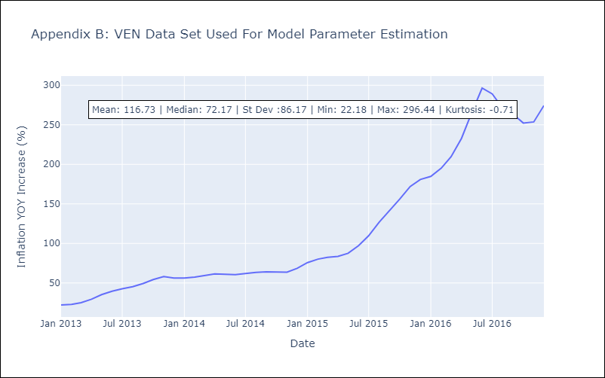

Appendix C: Residuals Analysis
Mean

