md
md - Inflation - Next 12 months forecast as of: 2025-04-01

Model | Random Forest w/ Lags - None
Training Data | 1994-07-01 to 2024-05-01
Test Data | 2024-05-01 to 2025-04-01

Date | Inflation Change YoY % | Lower Bound - 95% Confidence Interval | Upper Bound - 95% Confidence Interval
2025-05-01 | 2.69 | 2.32 | 2.8
2025-06-01 | 2.72 | 2.35 | 2.89
2025-07-01 | 2.8 | 2.41 | 3
2025-08-01 | 2.97 | 2.48 | 3.12
2025-09-01 | 3.06 | 2.49 | 3.23
2025-10-01 | 3.16 | 2.57 | 3.38
2025-11-01 | 3.25 | 2.65 | 3.53
2025-12-01 | 3.48 | 2.86 | 3.77
2026-01-01 | 3.64 | 2.93 | 3.96
2026-02-01 | 3.76 | 3 | 4.06
2026-03-01 | 3.82 | 3.02 | 4.11
2026-04-01 | 3.85 | 3 | 4.19

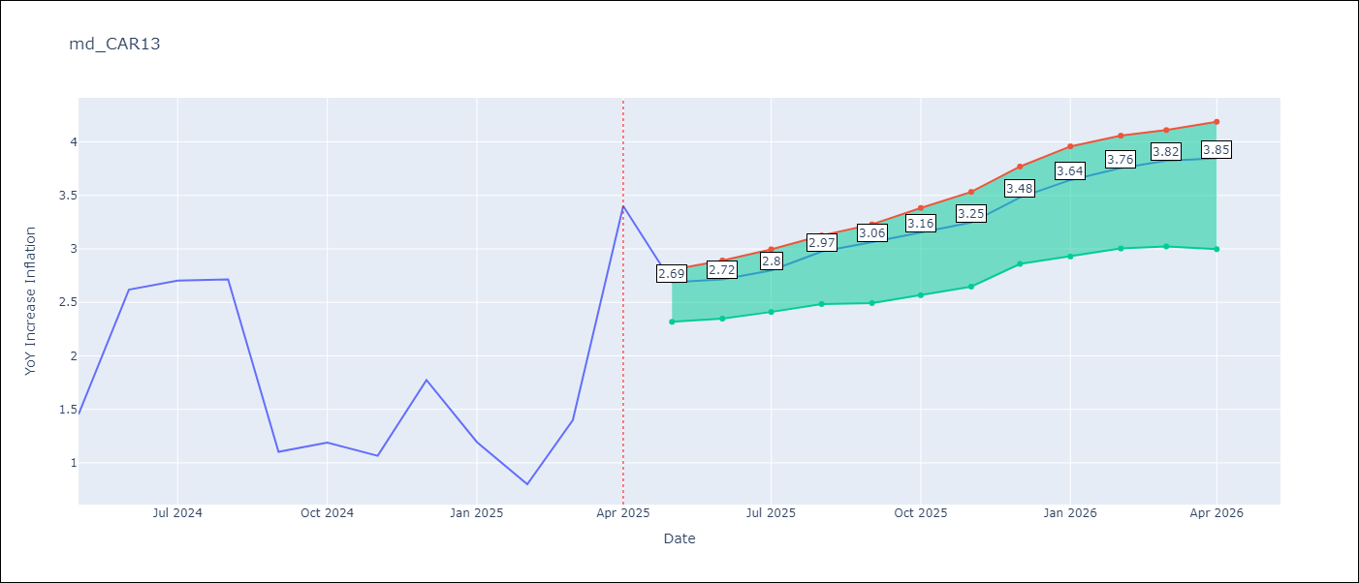

Test Metrics
RMSE | 1.15
Naive RMSE | 1.23
MAPE | 71.4%

Test Predictions
Date | Predicted | Actual
2024-06-01 | 1.98 | 1.45
2024-07-01 | 2.06 | 2.62
2024-08-01 | 2.06 | 2.7
2024-09-01 | 2.12 | 2.72
2024-10-01 | 2.2 | 1.1
2024-11-01 | 2.29 | 1.19
2024-12-01 | 2.37 | 1.07
2025-01-01 | 2.36 | 1.77
2025-02-01 | 2.4 | 1.19
2025-03-01 | 2.44 | 0.8
2025-04-01 | 2.49 | 1.4
2025-05-01 | 2.62 | 3.4

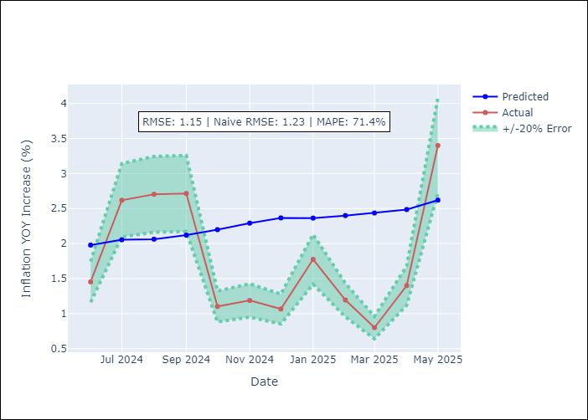
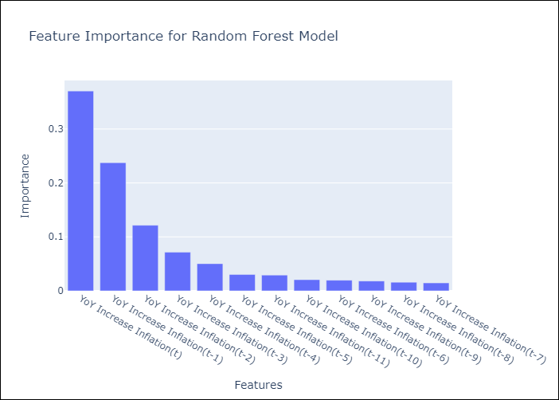

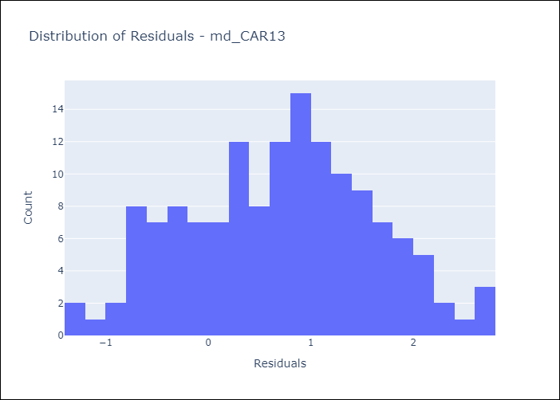
Appendix A: Model Summary
Model | Random Forest w/ Lags
Sample | 1994-07-01 to 2025-04-01
No. of Observations | 370
Residuals
Mean | 0.71457393168
St Dev | 0.90477335136
Kurtosis | -0.51302004446
Skewness | -0.0060761554394

Assumptions | P-value

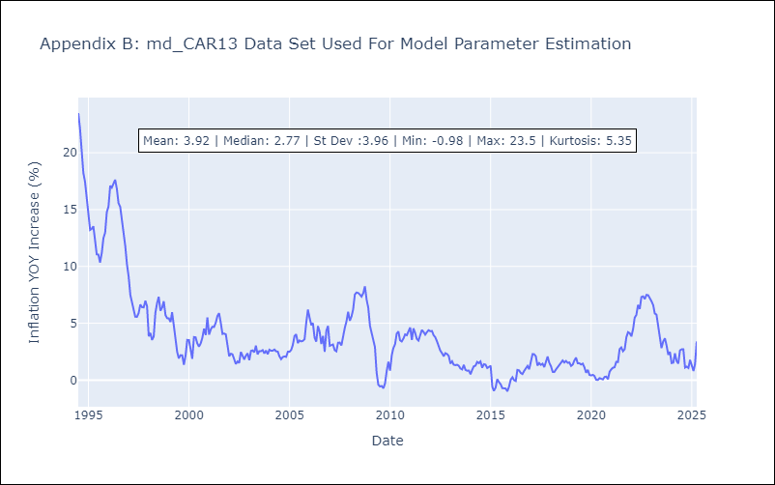

Appendix C: Residuals Analysis
Mean

md1
md - Inflation - Next 12 months forecast as of: 2025-04-01

Model | Random Forest w/ Lags - None
Training Data | 1994-01-01 to 2024-05-01
Test Data | 2024-05-01 to 2025-04-01

Date | Inflation Change YoY % | Lower Bound - 95% Confidence Interval | Upper Bound - 95% Confidence Interval
2025-05-01 | 2.25 | 1.89 | 2.53
2025-06-01 | 2.54 | 2.1 | 2.76
2025-07-01 | 2.82 | 2.39 | 3.04
2025-08-01 | 3.05 | 2.7 | 3.25
2025-09-01 | 3.21 | 2.86 | 3.41
2025-10-01 | 3.32 | 2.93 | 3.49
2025-11-01 | 3.39 | 2.97 | 3.58
2025-12-01 | 3.45 | 2.94 | 3.58
2026-01-01 | 3.56 | 3.04 | 3.75
2026-02-01 | 3.73 | 3.24 | 3.92
2026-03-01 | 3.89 | 3.39 | 4.12
2026-04-01 | 4.03 | 3.46 | 4.29

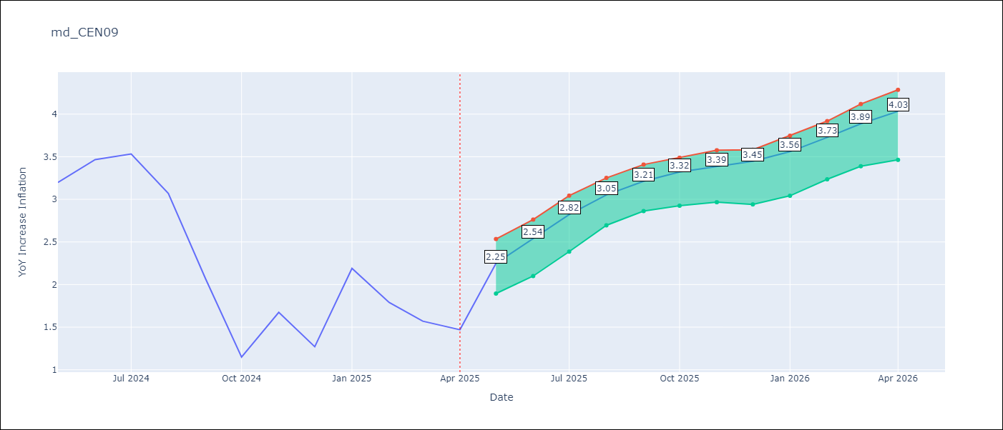

Test Metrics
RMSE | 2.08
Naive RMSE | 1.51
MAPE | 69.67%

Test Predictions
Date | Predicted | Actual
2024-06-01 | 2.97 | 3.2
2024-07-01 | 2.93 | 3.47
2024-08-01 | 3.03 | 3.53
2024-09-01 | 3.07 | 3.07
2024-10-01 | 3.13 | 2.07
2024-11-01 | 3.17 | 1.15
2024-12-01 | 3.22 | 1.67
2025-01-01 | 3.26 | 1.27
2025-02-01 | 3.24 | 2.19
2025-03-01 | 3.15 | 1.79
2025-04-01 | 3.06 | 1.57
2025-05-01 | 2.99 | 1.47

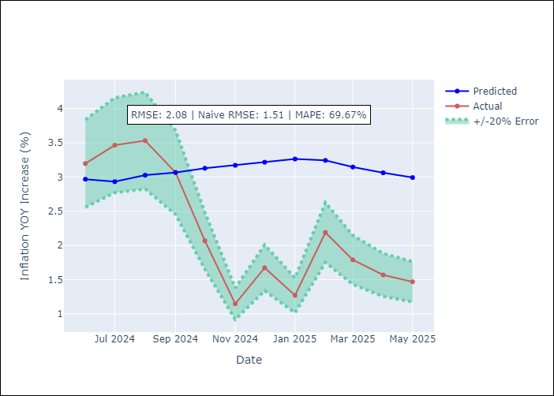
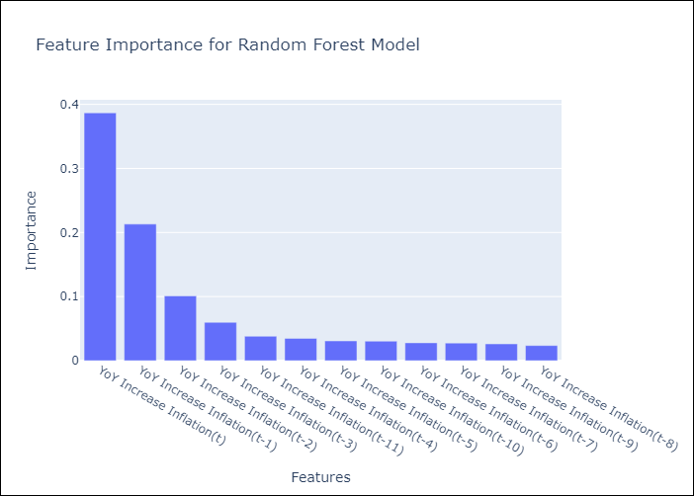

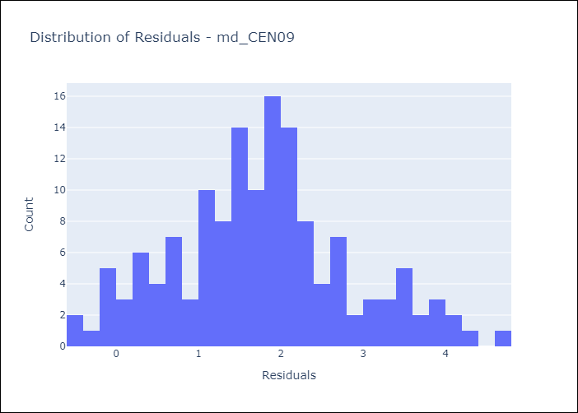
Appendix A: Model Summary
Model | Random Forest w/ Lags
Sample | 1994-01-01 to 2025-04-01
No. of Observations | 376
Residuals
Mean | 1.772971838
St Dev | 1.0785596144
Kurtosis | -0.10422014592
Skewness | 0.25646578143

Assumptions | P-value

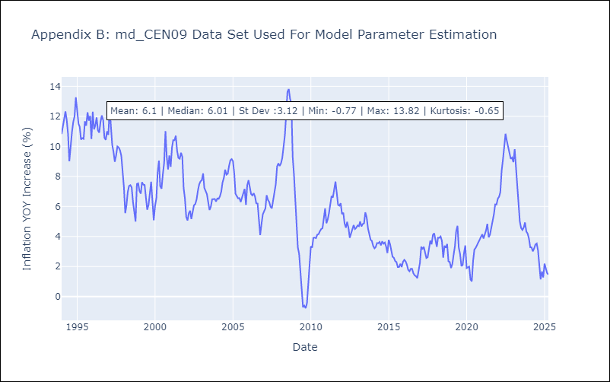

Appendix C: Residuals Analysis
Mean

md2
md - Inflation - Next 12 months forecast as of: 2025-04-01

Model | Random Forest w/ Lags - None
Training Data | 1994-01-01 to 2024-05-01
Test Data | 2024-05-01 to 2025-04-01

Date | Inflation Change YoY % | Lower Bound - 95% Confidence Interval | Upper Bound - 95% Confidence Interval
2025-05-01 | 2.25 | 1.78 | 2.63
2025-06-01 | 2.54 | 2.04 | 2.93
2025-07-01 | 2.82 | 2.28 | 3.12
2025-08-01 | 3.05 | 2.64 | 3.27
2025-09-01 | 3.21 | 2.78 | 3.38
2025-10-01 | 3.32 | 2.83 | 3.5
2025-11-01 | 3.39 | 2.88 | 3.59
2025-12-01 | 3.45 | 2.92 | 3.69
2026-01-01 | 3.56 | 3.06 | 3.86
2026-02-01 | 3.73 | 3.17 | 3.97
2026-03-01 | 3.89 | 3.33 | 4.1
2026-04-01 | 4.03 | 3.38 | 4.27

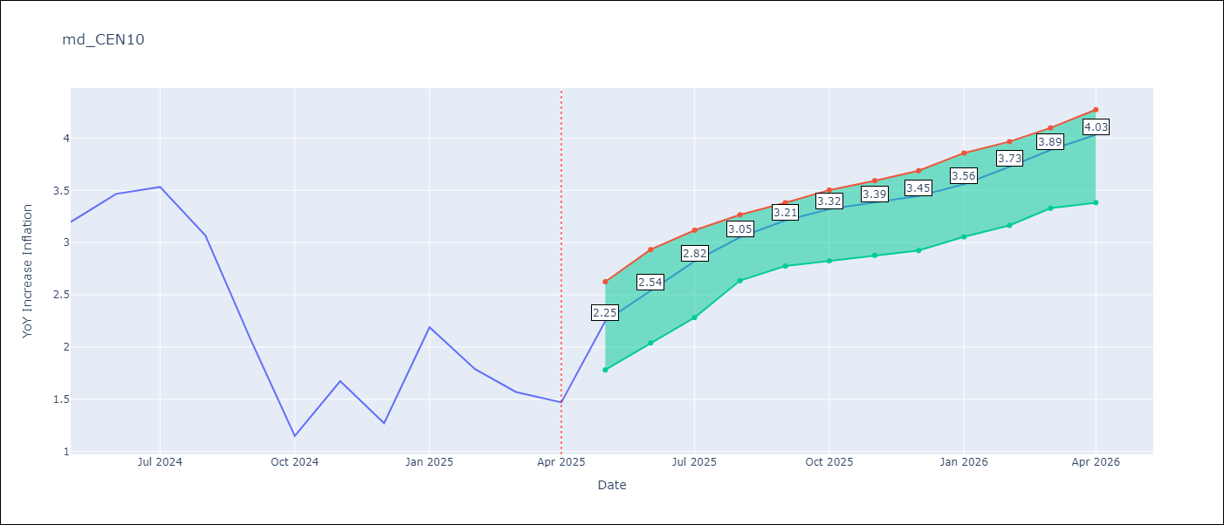

Test Metrics
RMSE | 2.08
Naive RMSE | 1.51
MAPE | 69.67%

Test Predictions
Date | Predicted | Actual
2024-06-01 | 2.97 | 3.2
2024-07-01 | 2.93 | 3.47
2024-08-01 | 3.03 | 3.53
2024-09-01 | 3.07 | 3.07
2024-10-01 | 3.13 | 2.07
2024-11-01 | 3.17 | 1.15
2024-12-01 | 3.22 | 1.67
2025-01-01 | 3.26 | 1.27
2025-02-01 | 3.24 | 2.19
2025-03-01 | 3.15 | 1.79
2025-04-01 | 3.06 | 1.57
2025-05-01 | 2.99 | 1.47


Appendix A: Model Summary
Model | Random Forest w/ Lags
Sample | 1994-01-01 to 2025-04-01
No. of Observations | 376
Residuals
Mean | 1.772971838
St Dev | 1.0785596144
Kurtosis | -0.10422014592
Skewness | 0.25646578143

Assumptions | P-value



Appendix C: Residuals Analysis
Mean

md3
md - Inflation - Next 12 months forecast as of: 2025-04-01

Model | Random Forest w/ Lags - None
Training Data | 1992-01-01 to 2024-05-01
Test Data | 2024-05-01 to 2025-04-01

Date | Inflation Change YoY % | Lower Bound - 95% Confidence Interval | Upper Bound - 95% Confidence Interval
2025-05-01 | 3.72 | 3.36 | 3.98
2025-06-01 | 3.8 | 3.43 | 4.16
2025-07-01 | 3.85 | 3.45 | 4.28
2025-08-01 | 3.86 | 3.46 | 4.35
2025-09-01 | 3.87 | 3.49 | 4.41
2025-10-01 | 3.87 | 3.5 | 4.41
2025-11-01 | 3.89 | 3.55 | 4.45
2025-12-01 | 3.89 | 3.55 | 4.49
2026-01-01 | 3.84 | 3.51 | 4.43
2026-02-01 | 3.77 | 3.42 | 4.39
2026-03-01 | 3.74 | 3.4 | 4.38
2026-04-01 | 3.74 | 3.39 | 4.37

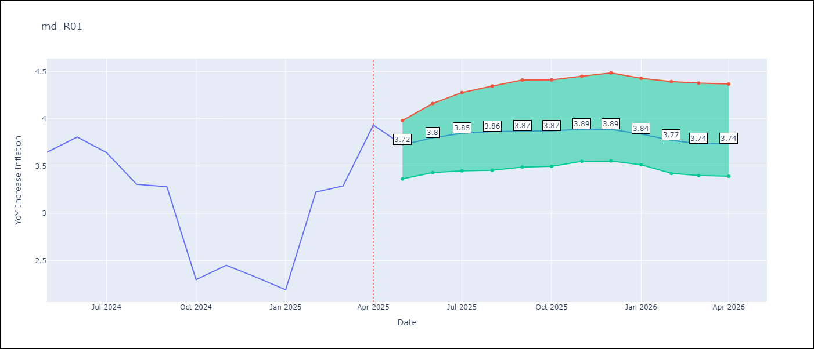

Test Metrics
RMSE | 1.15
Naive RMSE | 0.87
MAPE | 25.96%

Test Predictions
Date | Predicted | Actual
2024-06-01 | 3.36 | 3.65
2024-07-01 | 3.46 | 3.81
2024-08-01 | 3.53 | 3.64
2024-09-01 | 3.61 | 3.31
2024-10-01 | 3.64 | 3.28
2024-11-01 | 3.67 | 2.3
2024-12-01 | 3.68 | 2.45
2025-01-01 | 3.7 | 2.33
2025-02-01 | 3.7 | 2.19
2025-03-01 | 3.7 | 3.23
2025-04-01 | 3.68 | 3.29
2025-05-01 | 3.67 | 3.93

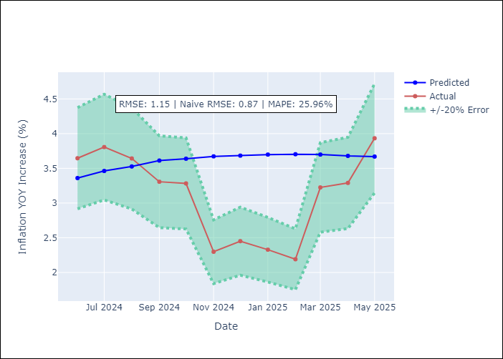
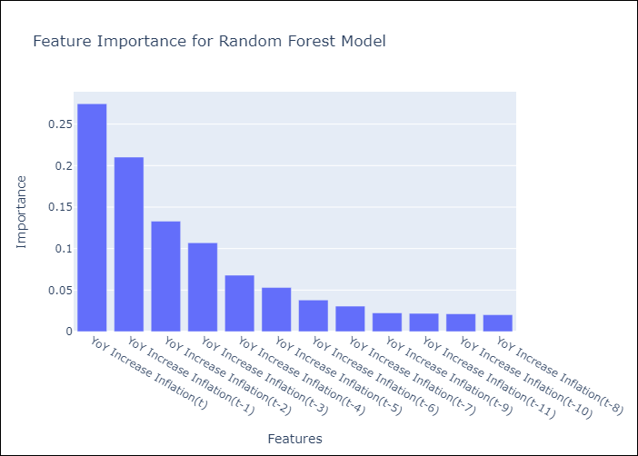

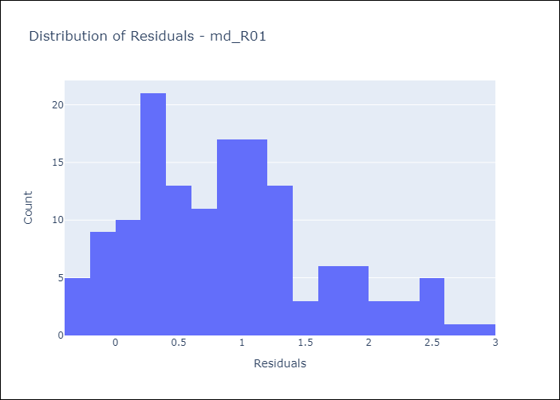
Appendix A: Model Summary
Model | Random Forest w/ Lags
Sample | 1992-01-01 to 2025-04-01
No. of Observations | 400
Residuals
Mean | 0.89401466064
St Dev | 0.7267326514
Kurtosis | -0.17644810787
Skewness | 0.59710240349

Assumptions | P-value

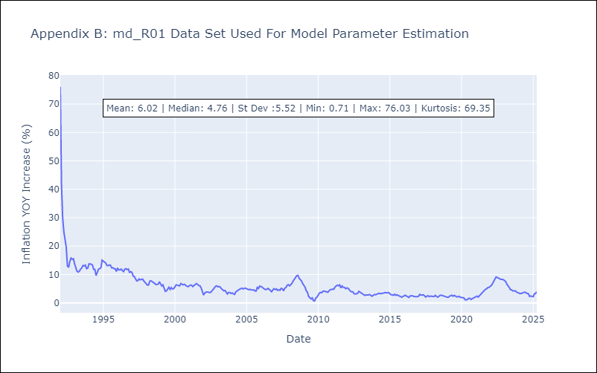

Appendix C: Residuals Analysis
Mean

md4
md - Inflation - Next 12 months forecast as of: 2025-04-01

Model | Random Forest w/ Lags - None
Training Data | 1992-01-01 to 2024-05-01
Test Data | 2024-05-01 to 2025-04-01

Date | Inflation Change YoY % | Lower Bound - 95% Confidence Interval | Upper Bound - 95% Confidence Interval
2025-05-01 | 3.83 | 3.64 | 3.93
2025-06-01 | 3.78 | 3.62 | 3.9
2025-07-01 | 3.75 | 3.61 | 3.83
2025-08-01 | 3.74 | 3.62 | 3.85
2025-09-01 | 3.72 | 3.6 | 3.83
2025-10-01 | 3.68 | 3.58 | 3.8
2025-11-01 | 3.65 | 3.48 | 3.79
2025-12-01 | 3.65 | 3.48 | 3.79
2026-01-01 | 3.68 | 3.47 | 3.86
2026-02-01 | 3.69 | 3.48 | 3.87
2026-03-01 | 3.67 | 3.47 | 3.86
2026-04-01 | 3.62 | 3.44 | 3.78

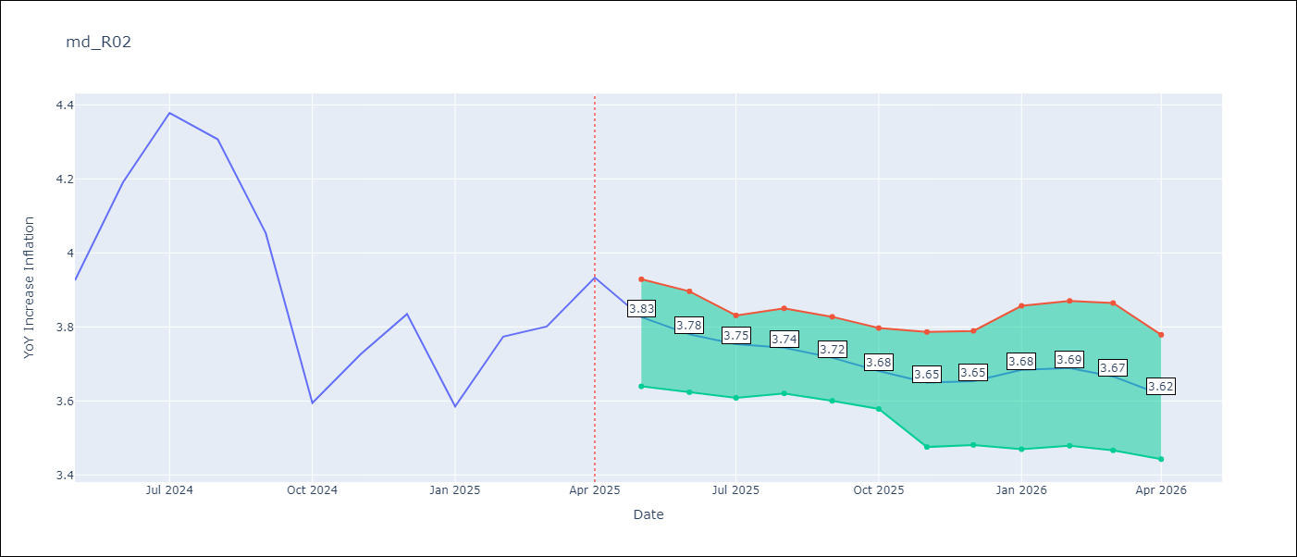

Test Metrics
RMSE | 1.09
Naive RMSE | 0.85
MAPE | 8.97%

Test Predictions
Date | Predicted | Actual
2024-06-01 | 3.5 | 3.93
2024-07-01 | 3.59 | 4.19
2024-08-01 | 3.68 | 4.38
2024-09-01 | 3.78 | 4.31
2024-10-01 | 3.86 | 4.05
2024-11-01 | 3.94 | 3.59
2024-12-01 | 4 | 3.73
2025-01-01 | 4.01 | 3.83
2025-02-01 | 4.01 | 3.59
2025-03-01 | 4.02 | 3.77
2025-04-01 | 4.05 | 3.8
2025-05-01 | 4.06 | 3.93

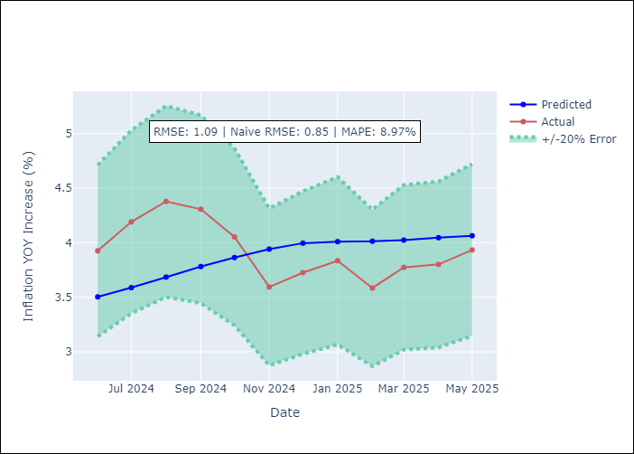
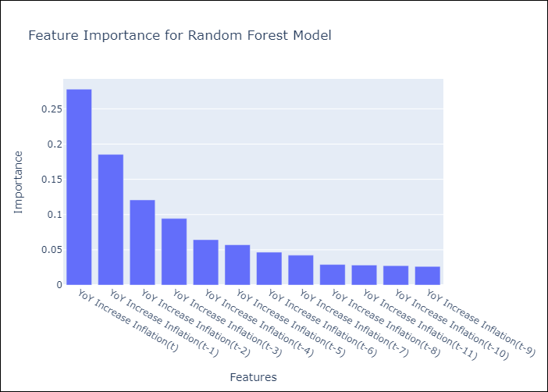

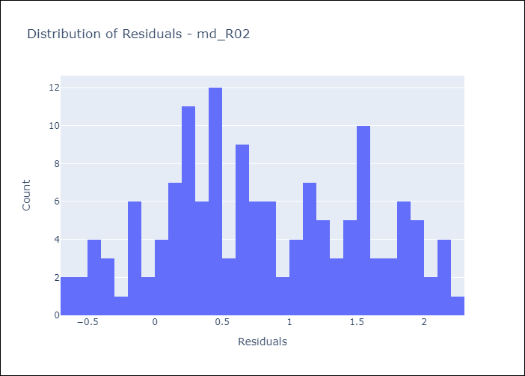
Appendix A: Model Summary
Model | Random Forest w/ Lags
Sample | 1992-01-01 to 2025-04-01
No. of Observations | 400
Residuals
Mean | 0.80184758116
St Dev | 0.74215854626
Kurtosis | -0.94461078278
Skewness | 0.10021531816

Assumptions | P-value

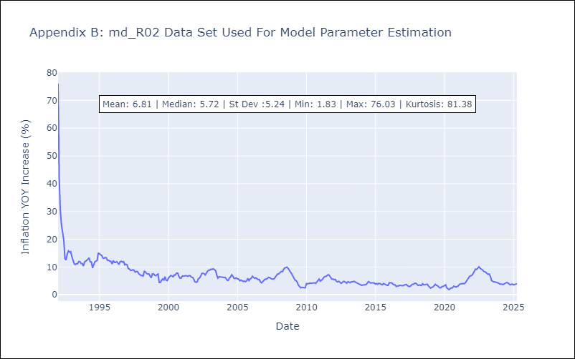

Appendix C: Residuals Analysis
Mean

md5
md - Inflation - Next 12 months forecast as of: 2025-04-01

Model | Random Forest w/ Lags - None
Training Data | 1994-07-01 to 2024-05-01
Test Data | 2024-05-01 to 2025-04-01

Date | Inflation Change YoY % | Lower Bound - 95% Confidence Interval | Upper Bound - 95% Confidence Interval
2025-05-01 | 2.69 | 2.35 | 2.9
2025-06-01 | 2.72 | 2.43 | 2.95
2025-07-01 | 2.8 | 2.56 | 3.03
2025-08-01 | 2.97 | 2.62 | 3.22
2025-09-01 | 3.06 | 2.66 | 3.34
2025-10-01 | 3.16 | 2.69 | 3.51
2025-11-01 | 3.25 | 2.8 | 3.6
2025-12-01 | 3.48 | 2.92 | 3.77
2026-01-01 | 3.64 | 3.13 | 3.89
2026-02-01 | 3.76 | 3.33 | 4.01
2026-03-01 | 3.82 | 3.35 | 4.06
2026-04-01 | 3.85 | 3.3 | 4.13

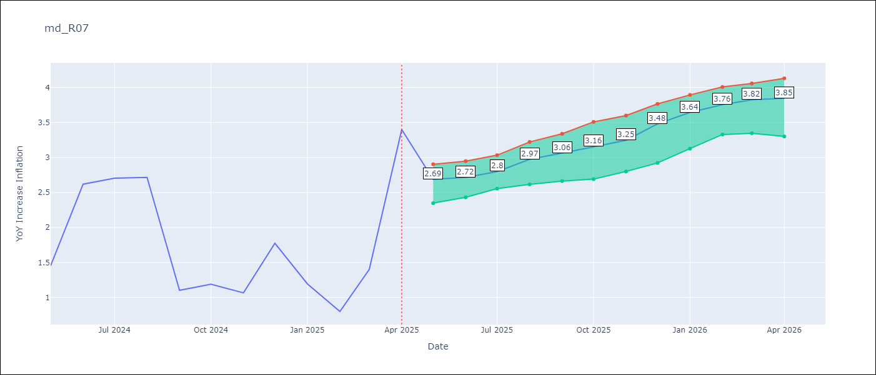

Test Metrics
RMSE | 1.15
Naive RMSE | 1.23
MAPE | 71.4%

Test Predictions
Date | Predicted | Actual
2024-06-01 | 1.98 | 1.45
2024-07-01 | 2.06 | 2.62
2024-08-01 | 2.06 | 2.7
2024-09-01 | 2.12 | 2.72
2024-10-01 | 2.2 | 1.1
2024-11-01 | 2.29 | 1.19
2024-12-01 | 2.37 | 1.07
2025-01-01 | 2.36 | 1.77
2025-02-01 | 2.4 | 1.19
2025-03-01 | 2.44 | 0.8
2025-04-01 | 2.49 | 1.4
2025-05-01 | 2.62 | 3.4


Appendix A: Model Summary
Model | Random Forest w/ Lags
Sample | 1994-07-01 to 2025-04-01
No. of Observations | 370
Residuals
Mean | 0.71457393168
St Dev | 0.90477335136
Kurtosis | -0.51302004446
Skewness | -0.0060761554394

Assumptions | P-value

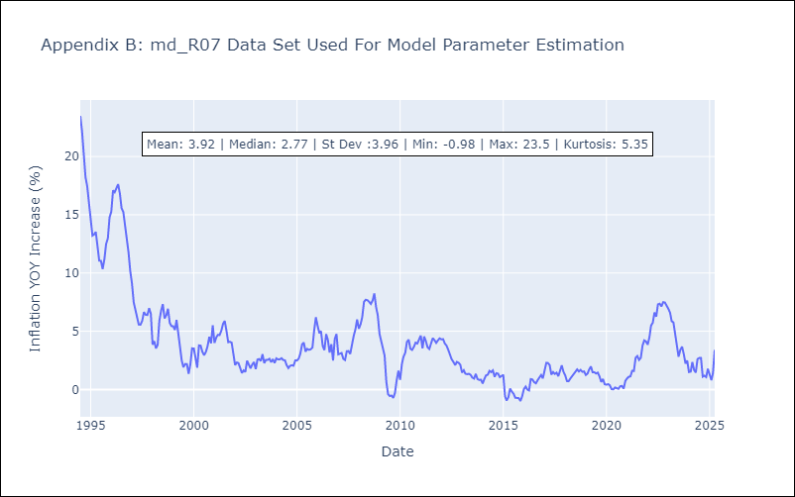

Appendix C: Residuals Analysis
Mean

md6
md - Inflation - Next 12 months forecast as of: 2025-04-01

Model | Random Forest w/ Lags - None
Training Data | 1992-01-01 to 2024-05-01
Test Data | 2024-05-01 to 2025-04-01

Date | Inflation Change YoY % | Lower Bound - 95% Confidence Interval | Upper Bound - 95% Confidence Interval
2025-05-01 | 5 | 4.83 | 5.16
2025-06-01 | 5.06 | 4.81 | 5.31
2025-07-01 | 5.13 | 4.83 | 5.43
2025-08-01 | 5.21 | 4.85 | 5.55
2025-09-01 | 5.29 | 4.95 | 5.68
2025-10-01 | 5.42 | 5 | 5.83
2025-11-01 | 5.57 | 5.07 | 5.92
2025-12-01 | 5.65 | 5.12 | 5.91
2026-01-01 | 5.75 | 5.17 | 6.03
2026-02-01 | 5.89 | 5.25 | 6.17
2026-03-01 | 5.96 | 5.35 | 6.23
2026-04-01 | 6.04 | 5.47 | 6.33

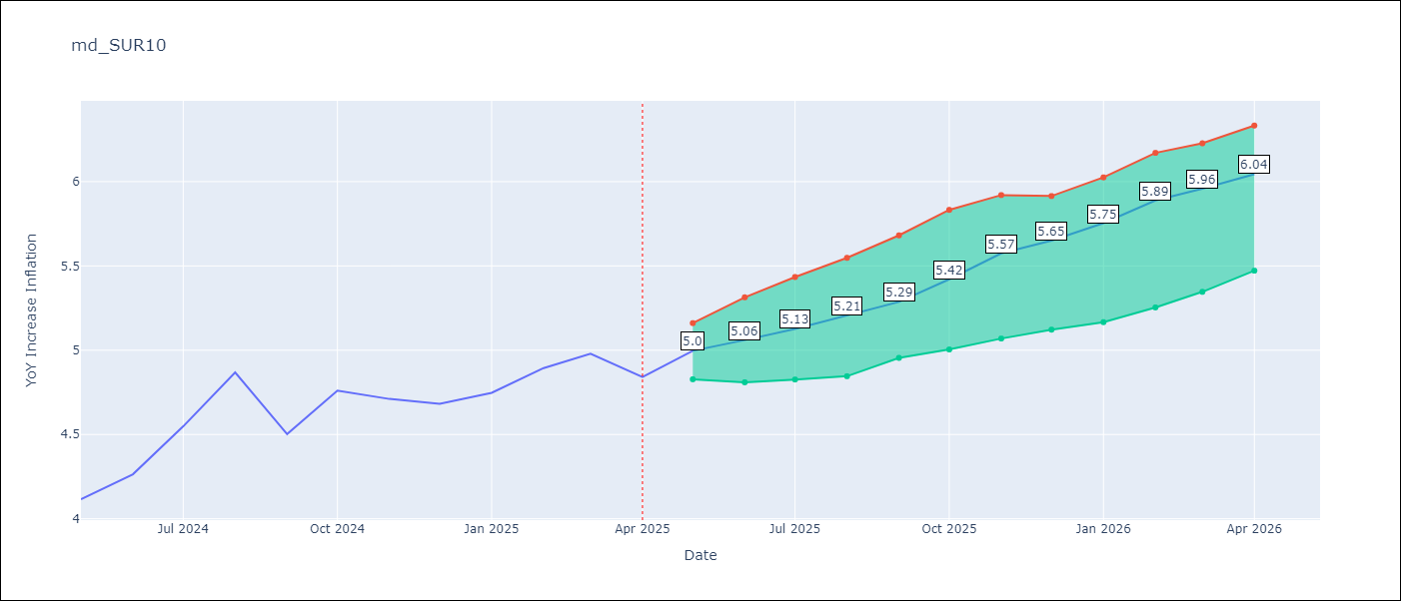

Test Metrics
RMSE | 0.9
Naive RMSE | 0.86
MAPE | 9.6%

Test Predictions
Date | Predicted | Actual
2024-06-01 | 3.93 | 4.12
2024-07-01 | 3.97 | 4.26
2024-08-01 | 4.02 | 4.55
2024-09-01 | 4.06 | 4.87
2024-10-01 | 4.09 | 4.5
2024-11-01 | 4.15 | 4.76
2024-12-01 | 4.21 | 4.71
2025-01-01 | 4.28 | 4.68
2025-02-01 | 4.34 | 4.75
2025-03-01 | 4.42 | 4.89
2025-04-01 | 4.49 | 4.98
2025-05-01 | 4.55 | 4.84

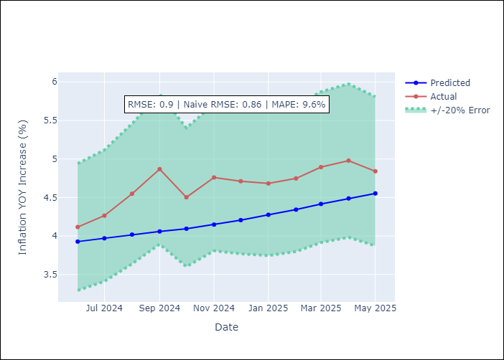
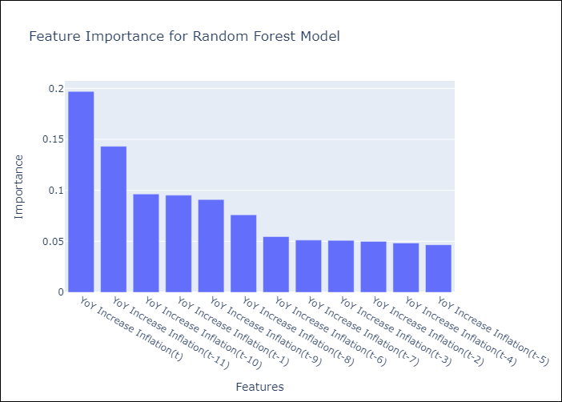

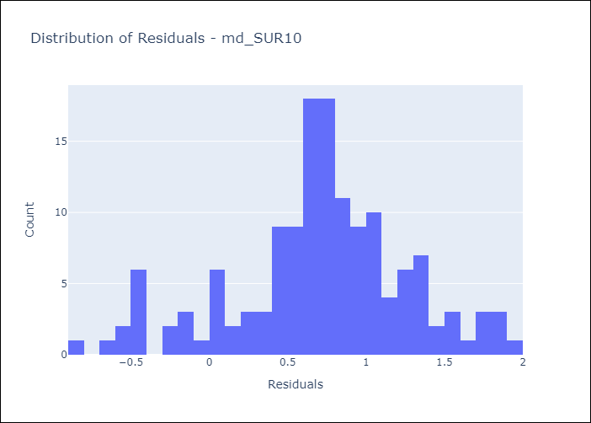
Appendix A: Model Summary
Model | Random Forest w/ Lags
Sample | 1992-01-01 to 2025-04-01
No. of Observations | 400
Residuals
Mean | 0.70910681768
St Dev | 0.55748978689
Kurtosis | 0.17649522292
Skewness | -0.35869282078

Assumptions | P-value

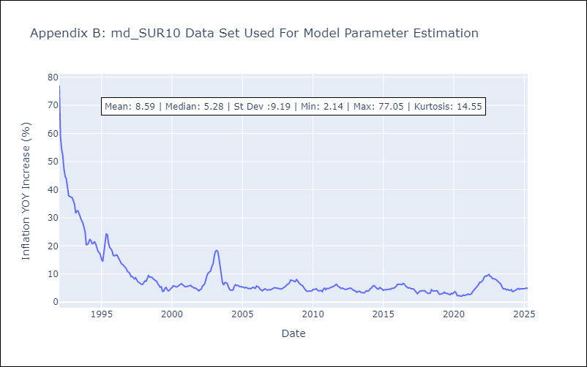

Appendix C: Residuals Analysis
Mean

