md
md - Inflation - Next 12 months forecast as of: 2025-04-01

Model | Random Forest w/ Lags - None
Training Data | 1994-07-01 to 2024-05-01
Test Data | 2024-05-01 to 2025-04-01

Date | Inflation Change YoY % | Lower Bound - 95% Confidence Interval | Upper Bound - 95% Confidence Interval
2025-05-01 | 2.91 | 2.38 | 2.96
2025-06-01 | 2.96 | 2.27 | 3.11
2025-07-01 | 3.19 | 2.33 | 3.35
2025-08-01 | 3.32 | 2.56 | 3.51
2025-09-01 | 3.47 | 2.54 | 3.68
2025-10-01 | 3.56 | 2.57 | 3.81
2025-11-01 | 3.67 | 2.58 | 4.05
2025-12-01 | 3.92 | 2.85 | 4.3
2026-01-01 | 4.07 | 2.96 | 4.52
2026-02-01 | 4.13 | 3.08 | 4.89
2026-03-01 | 4.14 | 3.06 | 4.91
2026-04-01 | 4.05 | 2.95 | 4.88

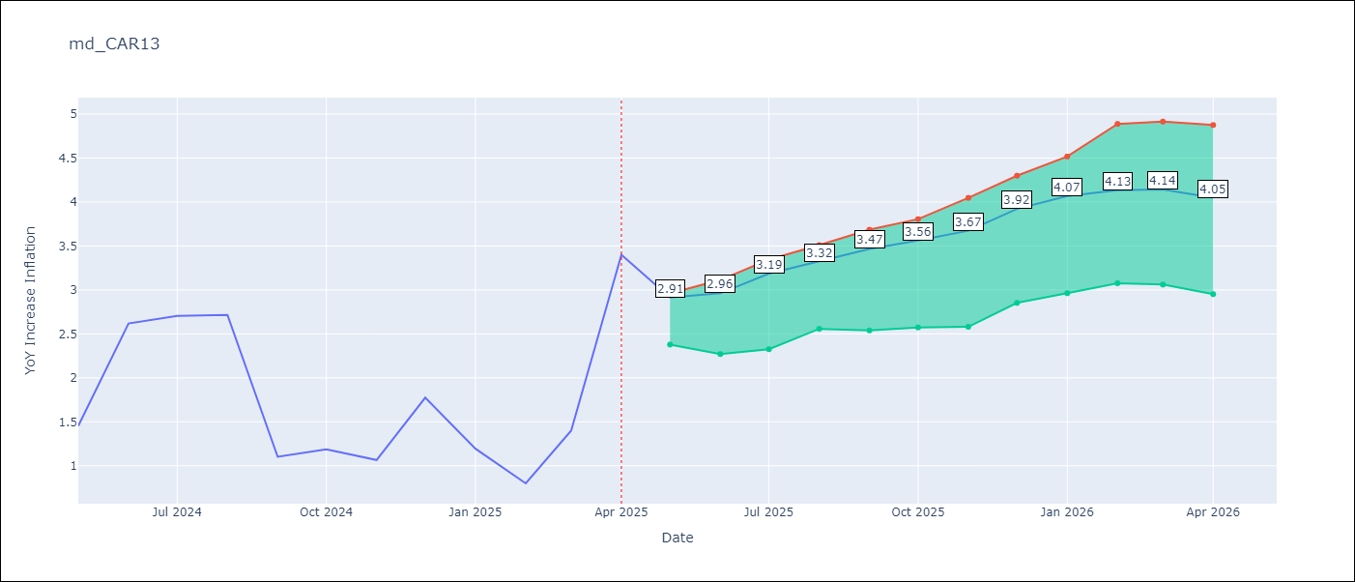

Test Metrics
RMSE | 1.2
Naive RMSE | 1.23
MAPE | 70.76%

Test Predictions
Date | Predicted | Actual
2024-06-01 | 1.88 | 1.45
2024-07-01 | 2.02 | 2.62
2024-08-01 | 2.04 | 2.7
2024-09-01 | 2.09 | 2.72
2024-10-01 | 2.17 | 1.1
2024-11-01 | 2.24 | 1.19
2024-12-01 | 2.33 | 1.07
2025-01-01 | 2.34 | 1.77
2025-02-01 | 2.38 | 1.19
2025-03-01 | 2.49 | 0.8
2025-04-01 | 2.54 | 1.4
2025-05-01 | 2.66 | 3.4

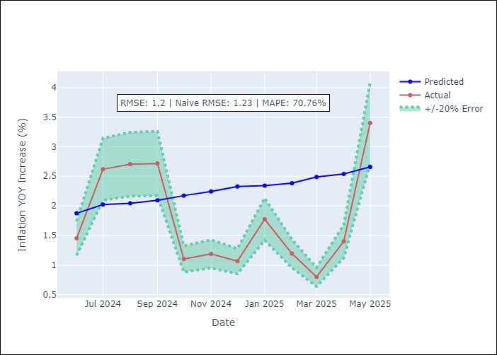
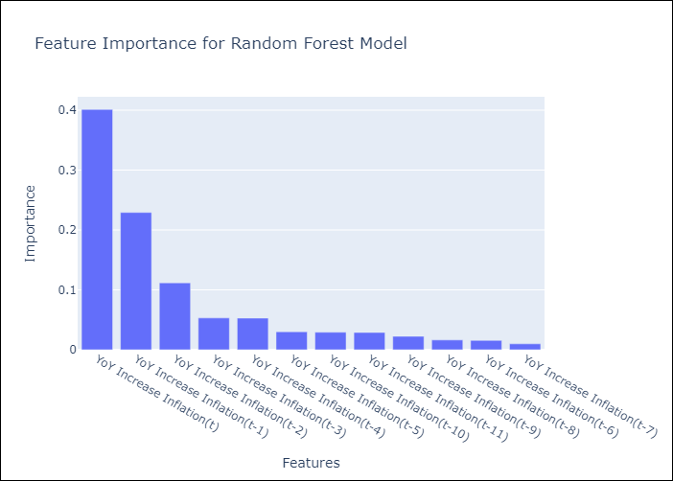

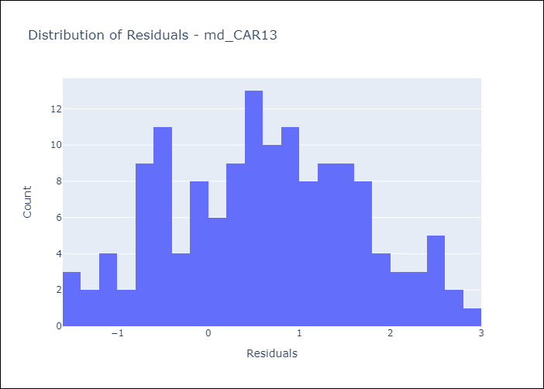
Appendix A: Model Summary
Model | Random Forest w/ Lags
Sample | 1994-07-01 to 2025-04-01
No. of Observations | 370
Residuals
Mean | 0.61655798502
St Dev | 1.0348859555
Kurtosis | -0.66653326214
Skewness | 0.035388261895

Assumptions | P-value

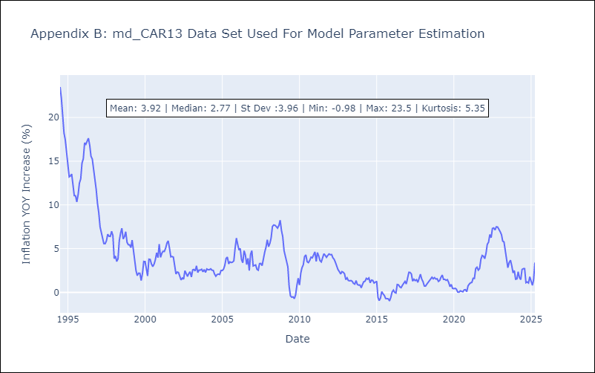

Appendix C: Residuals Analysis
Mean

md1
md - Inflation - Next 12 months forecast as of: 2025-04-01

Model | Random Forest w/ Lags - None
Training Data | 1994-01-01 to 2024-05-01
Test Data | 2024-05-01 to 2025-04-01

Date | Inflation Change YoY % | Lower Bound - 95% Confidence Interval | Upper Bound - 95% Confidence Interval
2025-05-01 | 2.06 | 1.76 | 2.51
2025-06-01 | 2.27 | 1.92 | 2.75
2025-07-01 | 2.52 | 2.21 | 2.96
2025-08-01 | 2.78 | 2.45 | 3.15
2025-09-01 | 2.98 | 2.68 | 3.24
2025-10-01 | 3.16 | 2.8 | 3.43
2025-11-01 | 3.28 | 2.84 | 3.6
2025-12-01 | 3.38 | 2.92 | 3.7
2026-01-01 | 3.5 | 3.01 | 3.8
2026-02-01 | 3.65 | 3.2 | 3.92
2026-03-01 | 3.79 | 3.32 | 4.06
2026-04-01 | 3.9 | 3.39 | 4.25

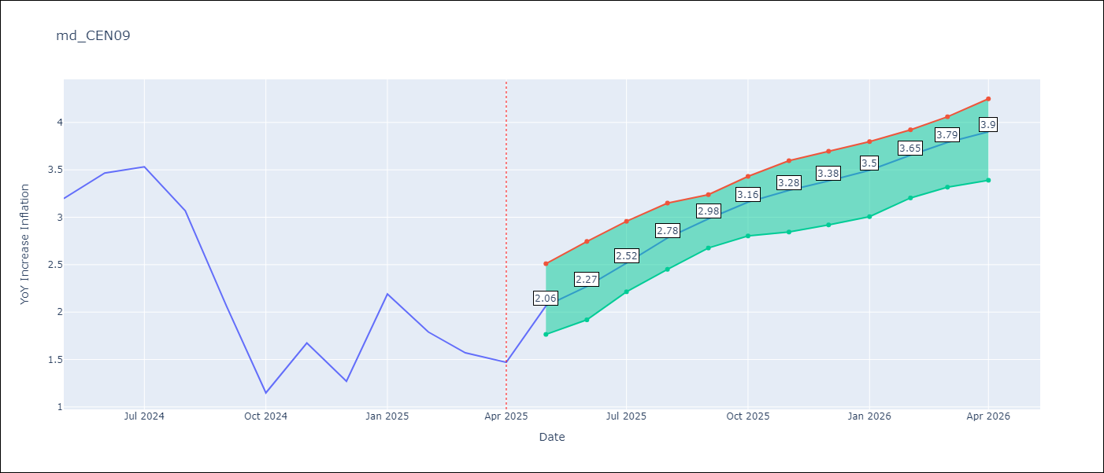

Test Metrics
RMSE | 1.86
Naive RMSE | 1.51
MAPE | 68.64%

Test Predictions
Date | Predicted | Actual
2024-06-01 | 2.65 | 3.2
2024-07-01 | 2.64 | 3.47
2024-08-01 | 2.67 | 3.53
2024-09-01 | 2.7 | 3.07
2024-10-01 | 2.78 | 2.07
2024-11-01 | 2.89 | 1.15
2024-12-01 | 3.02 | 1.67
2025-01-01 | 3.11 | 1.27
2025-02-01 | 3.17 | 2.19
2025-03-01 | 3.17 | 1.79
2025-04-01 | 3.15 | 1.57
2025-05-01 | 3.12 | 1.47

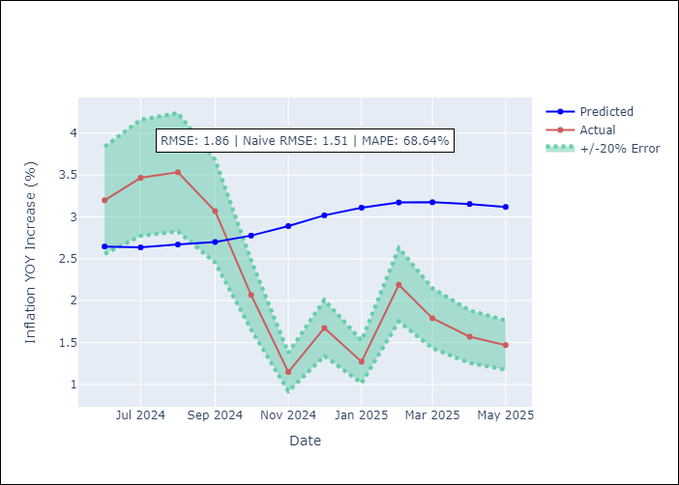
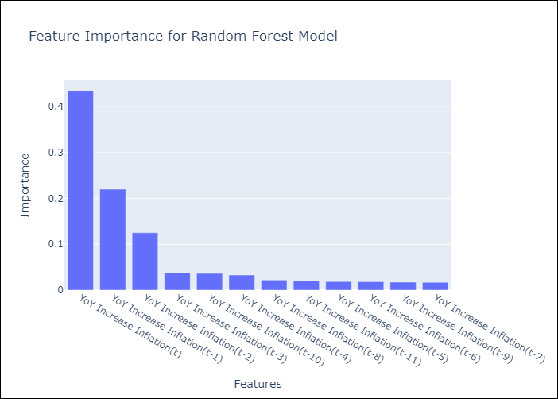

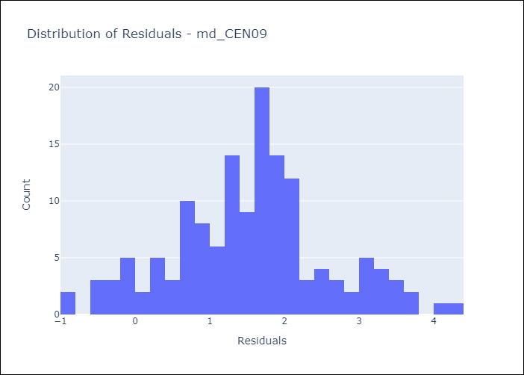
Appendix A: Model Summary
Model | Random Forest w/ Lags
Sample | 1994-01-01 to 2025-04-01
No. of Observations | 376
Residuals
Mean | 1.5450665889
St Dev | 1.0310485664
Kurtosis | -0.012240893326
Skewness | 0.070968119781

Assumptions | P-value

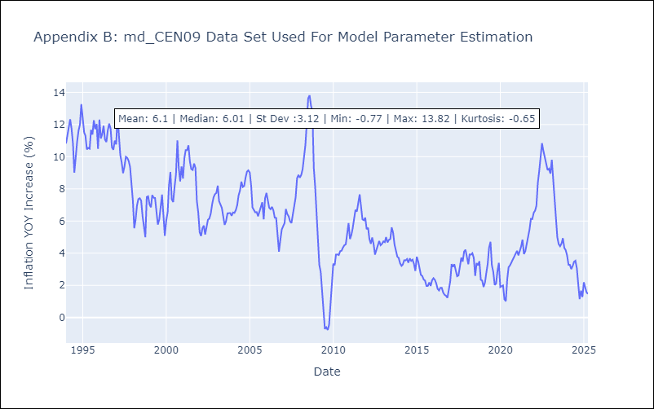

Appendix C: Residuals Analysis
Mean

md2
md - Inflation - Next 12 months forecast as of: 2025-04-01

Model | Random Forest w/ Lags - None
Training Data | 1994-01-01 to 2024-05-01
Test Data | 2024-05-01 to 2025-04-01

Date | Inflation Change YoY % | Lower Bound - 95% Confidence Interval | Upper Bound - 95% Confidence Interval
2025-05-01 | 2.06 | 1.62 | 2.53
2025-06-01 | 2.27 | 1.81 | 2.73
2025-07-01 | 2.52 | 2.07 | 2.93
2025-08-01 | 2.78 | 2.36 | 3.07
2025-09-01 | 2.98 | 2.59 | 3.36
2025-10-01 | 3.16 | 2.76 | 3.58
2025-11-01 | 3.28 | 2.99 | 3.7
2025-12-01 | 3.38 | 3.15 | 3.71
2026-01-01 | 3.5 | 3.23 | 3.81
2026-02-01 | 3.65 | 3.34 | 3.97
2026-03-01 | 3.79 | 3.42 | 4.09
2026-04-01 | 3.9 | 3.54 | 4.23

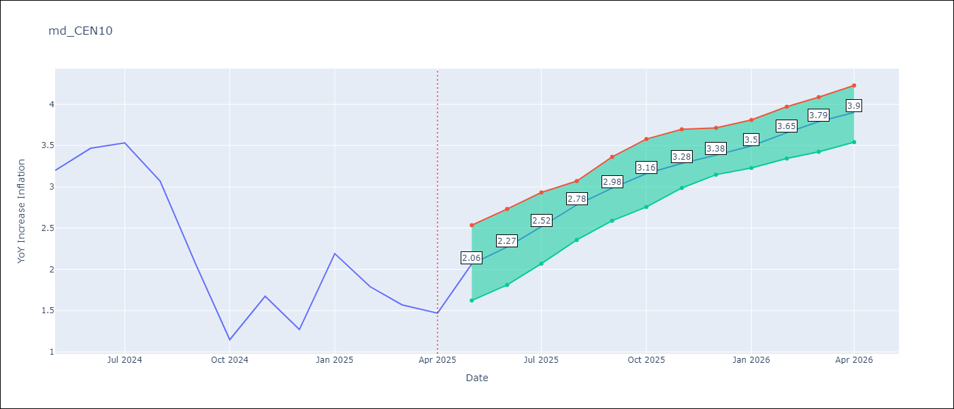

Test Metrics
RMSE | 1.86
Naive RMSE | 1.51
MAPE | 68.64%

Test Predictions
Date | Predicted | Actual
2024-06-01 | 2.65 | 3.2
2024-07-01 | 2.64 | 3.47
2024-08-01 | 2.67 | 3.53
2024-09-01 | 2.7 | 3.07
2024-10-01 | 2.78 | 2.07
2024-11-01 | 2.89 | 1.15
2024-12-01 | 3.02 | 1.67
2025-01-01 | 3.11 | 1.27
2025-02-01 | 3.17 | 2.19
2025-03-01 | 3.17 | 1.79
2025-04-01 | 3.15 | 1.57
2025-05-01 | 3.12 | 1.47


Appendix A: Model Summary
Model | Random Forest w/ Lags
Sample | 1994-01-01 to 2025-04-01
No. of Observations | 376
Residuals
Mean | 1.5450665889
St Dev | 1.0310485664
Kurtosis | -0.012240893326
Skewness | 0.070968119781

Assumptions | P-value



Appendix C: Residuals Analysis
Mean

md3
md - Inflation - Next 12 months forecast as of: 2025-04-01

Model | Random Forest w/ Lags - None
Training Data | 1992-01-01 to 2024-05-01
Test Data | 2024-05-01 to 2025-04-01

Date | Inflation Change YoY % | Lower Bound - 95% Confidence Interval | Upper Bound - 95% Confidence Interval
2025-05-01 | 3.61 | 3.26 | 3.74
2025-06-01 | 3.68 | 3.3 | 3.87
2025-07-01 | 3.7 | 3.28 | 3.96
2025-08-01 | 3.71 | 3.28 | 4
2025-09-01 | 3.73 | 3.26 | 4.05
2025-10-01 | 3.75 | 3.27 | 4.07
2025-11-01 | 3.78 | 3.27 | 4.1
2025-12-01 | 3.78 | 3.27 | 4.11
2026-01-01 | 3.75 | 3.24 | 4.1
2026-02-01 | 3.71 | 3.22 | 4.08
2026-03-01 | 3.67 | 3.21 | 4.07
2026-04-01 | 3.67 | 3.21 | 4.04

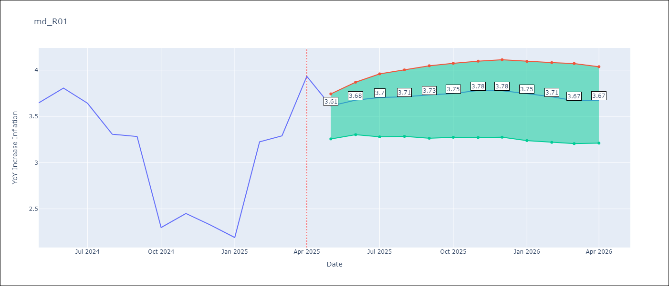

Test Metrics
RMSE | 1.16
Naive RMSE | 0.87
MAPE | 34.26%

Test Predictions
Date | Predicted | Actual
2024-06-01 | 3.52 | 3.65
2024-07-01 | 3.62 | 3.81
2024-08-01 | 3.72 | 3.64
2024-09-01 | 3.83 | 3.31
2024-10-01 | 3.93 | 3.28
2024-11-01 | 4.02 | 2.3
2024-12-01 | 4.09 | 2.45
2025-01-01 | 4.14 | 2.33
2025-02-01 | 4.15 | 2.19
2025-03-01 | 4.13 | 3.23
2025-04-01 | 4.09 | 3.29
2025-05-01 | 4.06 | 3.93

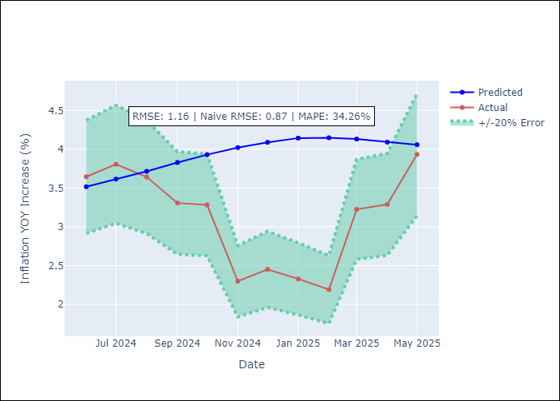
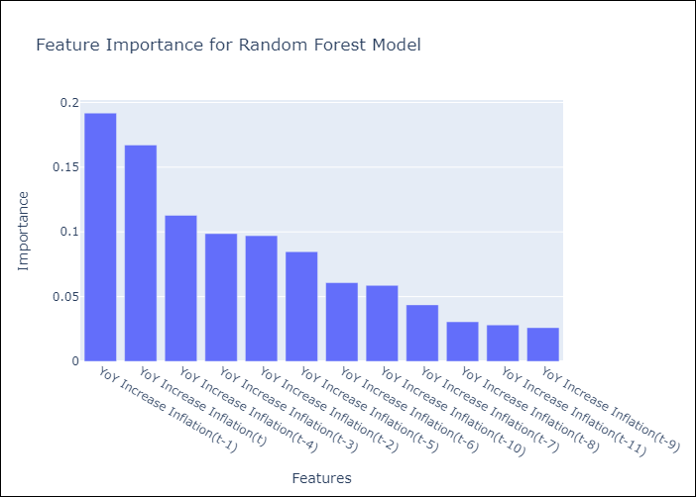

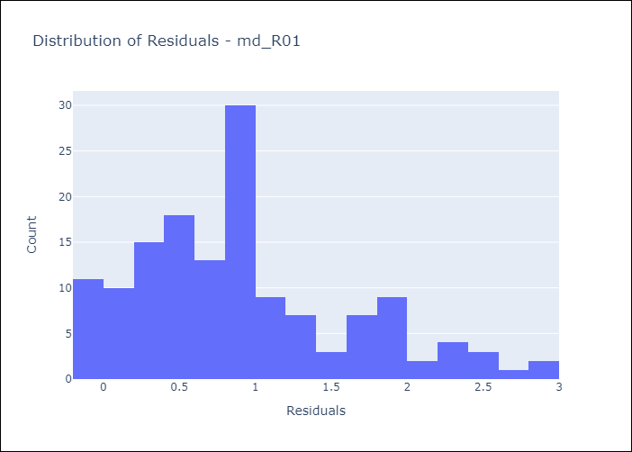
Appendix A: Model Summary
Model | Random Forest w/ Lags
Sample | 1992-01-01 to 2025-04-01
No. of Observations | 400
Residuals
Mean | 0.91439386289
St Dev | 0.70877988498
Kurtosis | -0.002580093358
Skewness | 0.71400569483

Assumptions | P-value

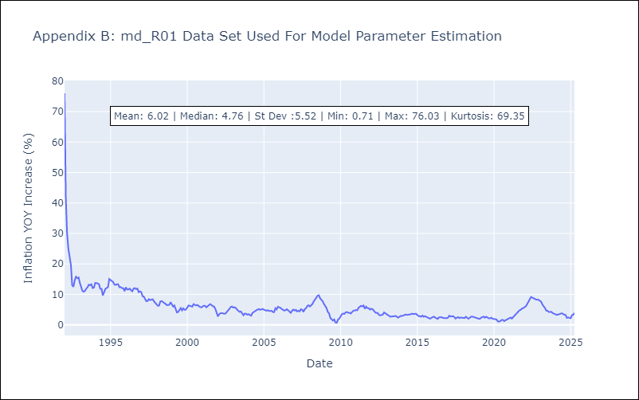

Appendix C: Residuals Analysis
Mean

md4
md - Inflation - Next 12 months forecast as of: 2025-04-01

Model | Random Forest w/ Lags - None
Training Data | 1992-01-01 to 2024-05-01
Test Data | 2024-05-01 to 2025-04-01

Date | Inflation Change YoY % | Lower Bound - 95% Confidence Interval | Upper Bound - 95% Confidence Interval
2025-05-01 | 3.83 | 3.65 | 3.99
2025-06-01 | 3.78 | 3.61 | 3.93
2025-07-01 | 3.75 | 3.56 | 3.84
2025-08-01 | 3.73 | 3.61 | 3.84
2025-09-01 | 3.69 | 3.57 | 3.85
2025-10-01 | 3.69 | 3.54 | 3.85
2025-11-01 | 3.65 | 3.5 | 3.83
2025-12-01 | 3.69 | 3.48 | 3.83
2026-01-01 | 3.71 | 3.48 | 3.88
2026-02-01 | 3.72 | 3.46 | 3.83
2026-03-01 | 3.68 | 3.42 | 3.86
2026-04-01 | 3.62 | 3.41 | 3.88

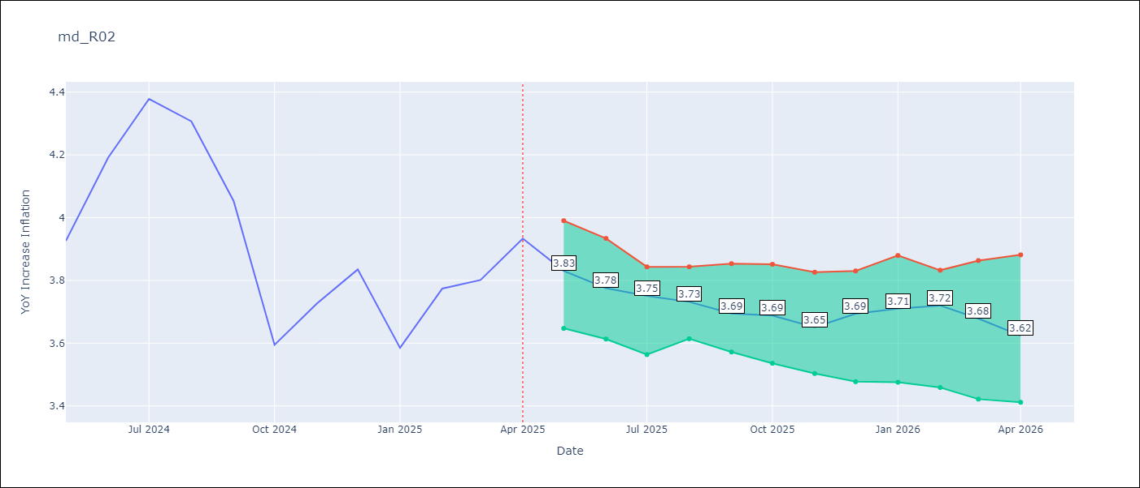

Test Metrics
RMSE | 1.19
Naive RMSE | 0.85
MAPE | 9.18%

Test Predictions
Date | Predicted | Actual
2024-06-01 | 3.72 | 3.93
2024-07-01 | 3.86 | 4.19
2024-08-01 | 3.99 | 4.38
2024-09-01 | 4.04 | 4.31
2024-10-01 | 4.15 | 4.05
2024-11-01 | 4.2 | 3.59
2024-12-01 | 4.23 | 3.73
2025-01-01 | 4.21 | 3.83
2025-02-01 | 4.16 | 3.59
2025-03-01 | 4.15 | 3.77
2025-04-01 | 4.12 | 3.8
2025-05-01 | 4.13 | 3.93

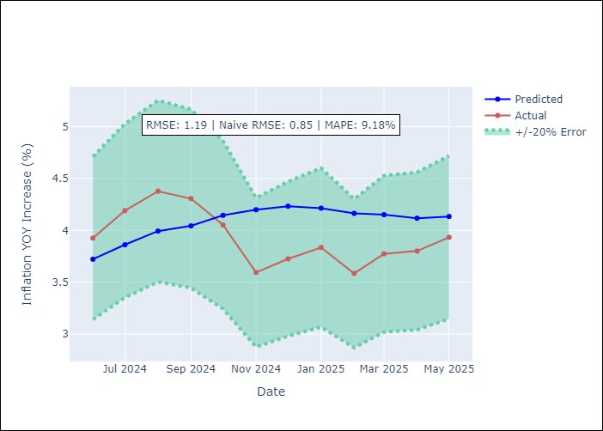
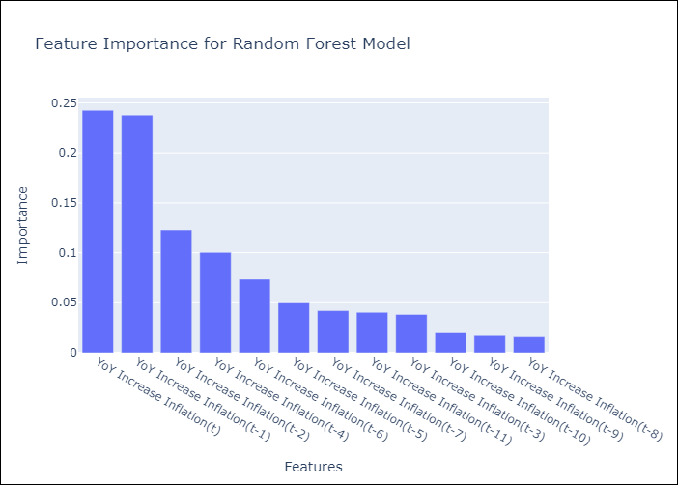

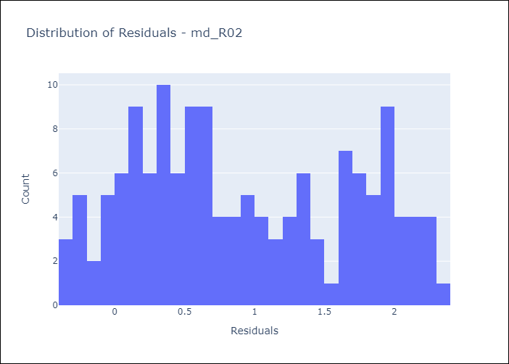
Appendix A: Model Summary
Model | Random Forest w/ Lags
Sample | 1992-01-01 to 2025-04-01
No. of Observations | 400
Residuals
Mean | 0.91805501238
St Dev | 0.7563488651
Kurtosis | -1.2024474683
Skewness | 0.21967264285

Assumptions | P-value

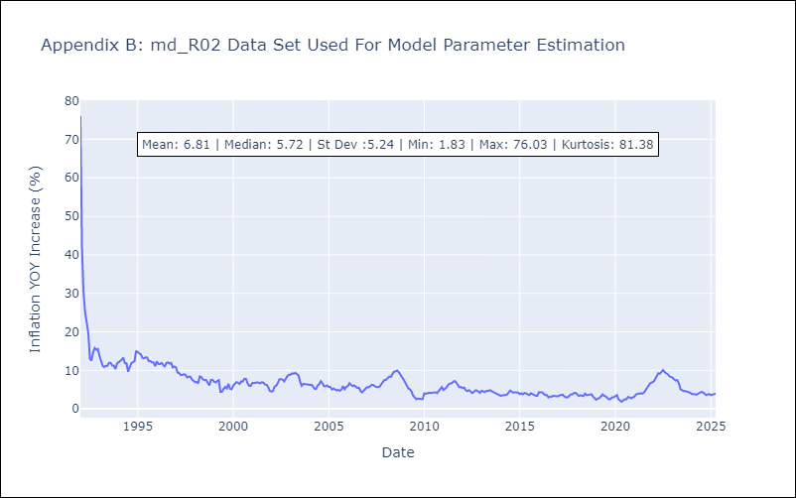

Appendix C: Residuals Analysis
Mean

md5
md - Inflation - Next 12 months forecast as of: 2025-04-01

Model | Random Forest w/ Lags - None
Training Data | 1994-07-01 to 2024-05-01
Test Data | 2024-05-01 to 2025-04-01

Date | Inflation Change YoY % | Lower Bound - 95% Confidence Interval | Upper Bound - 95% Confidence Interval
2025-05-01 | 2.91 | 2.46 | 3.3
2025-06-01 | 2.96 | 2.38 | 3.2
2025-07-01 | 3.19 | 2.46 | 3.26
2025-08-01 | 3.32 | 2.53 | 3.53
2025-09-01 | 3.47 | 2.59 | 3.7
2025-10-01 | 3.56 | 2.66 | 3.9
2025-11-01 | 3.67 | 2.71 | 4.04
2025-12-01 | 3.92 | 2.93 | 4.41
2026-01-01 | 4.07 | 3.11 | 4.51
2026-02-01 | 4.13 | 3 | 4.77
2026-03-01 | 4.14 | 3.24 | 4.74
2026-04-01 | 4.05 | 3.09 | 4.92



Test Metrics
RMSE | 1.2
Naive RMSE | 1.23
MAPE | 70.76%

Test Predictions
Date | Predicted | Actual
2024-06-01 | 1.88 | 1.45
2024-07-01 | 2.02 | 2.62
2024-08-01 | 2.04 | 2.7
2024-09-01 | 2.09 | 2.72
2024-10-01 | 2.17 | 1.1
2024-11-01 | 2.24 | 1.19
2024-12-01 | 2.33 | 1.07
2025-01-01 | 2.34 | 1.77
2025-02-01 | 2.38 | 1.19
2025-03-01 | 2.49 | 0.8
2025-04-01 | 2.54 | 1.4
2025-05-01 | 2.66 | 3.4


Appendix A: Model Summary
Model | Random Forest w/ Lags
Sample | 1994-07-01 to 2025-04-01
No. of Observations | 370
Residuals
Mean | 0.61655798502
St Dev | 1.0348859555
Kurtosis | -0.66653326214
Skewness | 0.035388261895

Assumptions | P-value

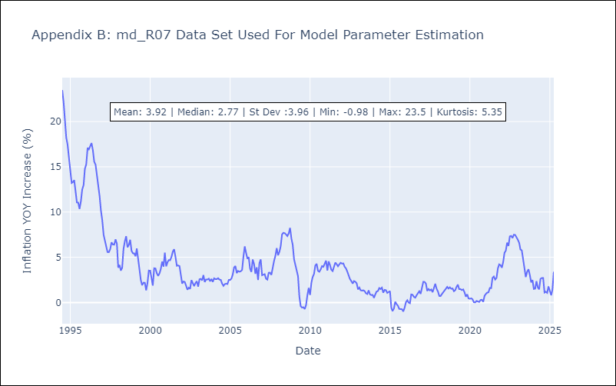

Appendix C: Residuals Analysis
Mean

md6
md - Inflation - Next 12 months forecast as of: 2025-04-01

Model | Random Forest w/ Lags - None
Training Data | 1992-01-01 to 2024-05-01
Test Data | 2024-05-01 to 2025-04-01

Date | Inflation Change YoY % | Lower Bound - 95% Confidence Interval | Upper Bound - 95% Confidence Interval
2025-05-01 | 5.08 | 4.82 | 5.14
2025-06-01 | 5.14 | 4.81 | 5.21
2025-07-01 | 5.21 | 4.82 | 5.32
2025-08-01 | 5.29 | 4.83 | 5.41
2025-09-01 | 5.36 | 4.89 | 5.51
2025-10-01 | 5.44 | 5 | 5.67
2025-11-01 | 5.52 | 5.09 | 5.78
2025-12-01 | 5.55 | 5.09 | 5.85
2026-01-01 | 5.57 | 5.12 | 5.94
2026-02-01 | 5.61 | 5.12 | 6.03
2026-03-01 | 5.61 | 5.16 | 6.14
2026-04-01 | 5.62 | 5.17 | 6.24

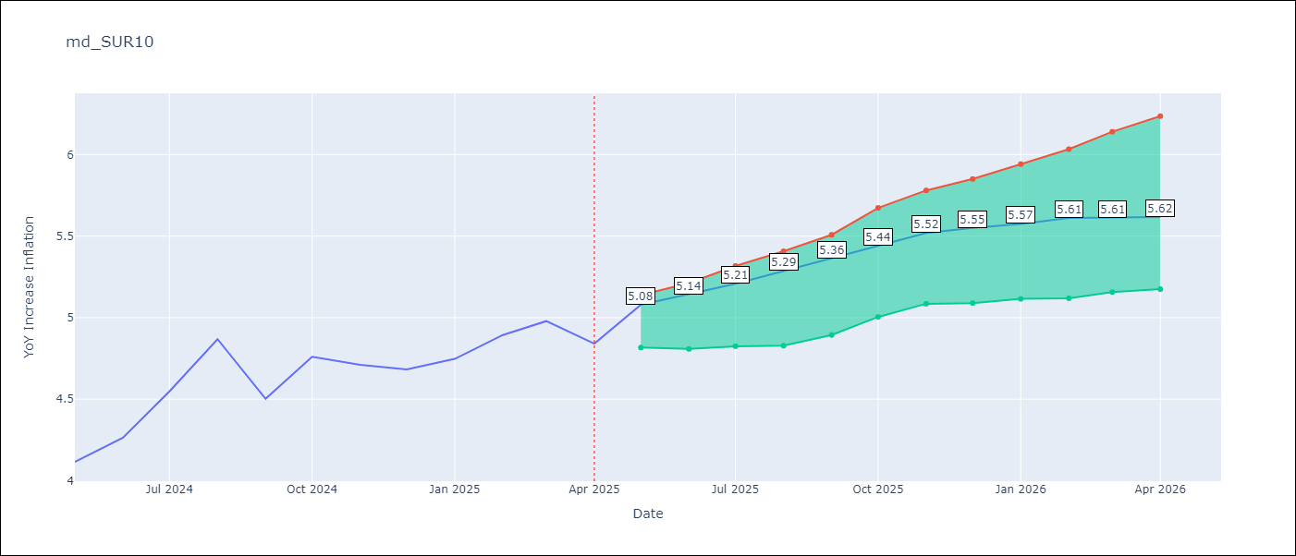

Test Metrics
RMSE | 0.8
Naive RMSE | 0.86
MAPE | 6.56%

Test Predictions
Date | Predicted | Actual
2024-06-01 | 3.97 | 4.12
2024-07-01 | 4.02 | 4.26
2024-08-01 | 4.09 | 4.55
2024-09-01 | 4.15 | 4.87
2024-10-01 | 4.2 | 4.5
2024-11-01 | 4.26 | 4.76
2024-12-01 | 4.34 | 4.71
2025-01-01 | 4.44 | 4.68
2025-02-01 | 4.52 | 4.75
2025-03-01 | 4.66 | 4.89
2025-04-01 | 4.78 | 4.98
2025-05-01 | 4.89 | 4.84

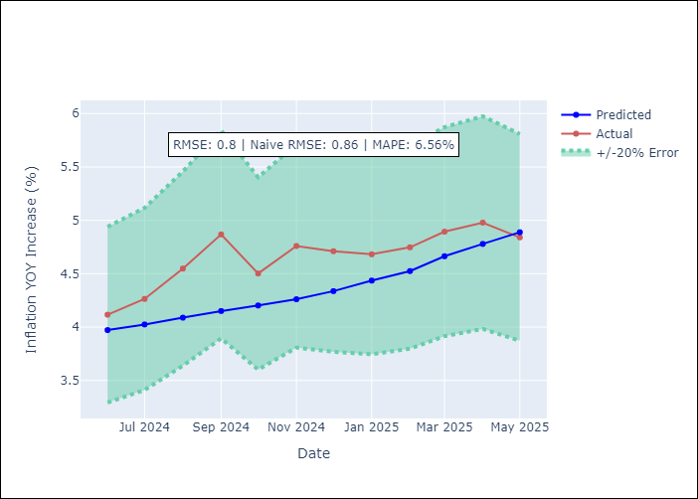
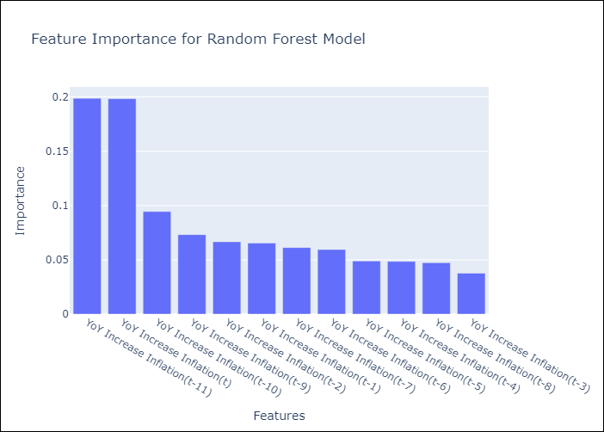

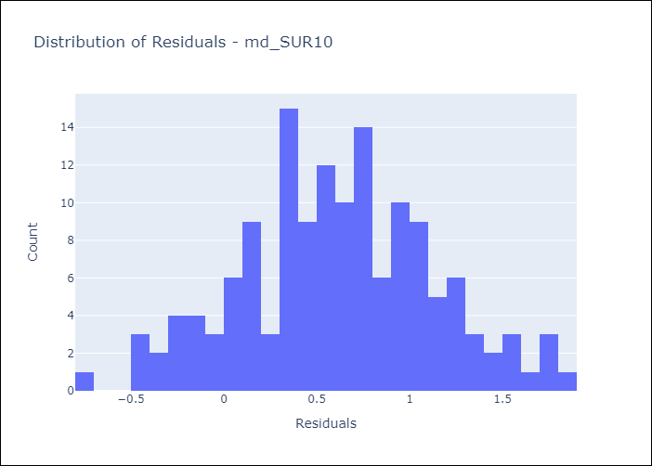
Appendix A: Model Summary
Model | Random Forest w/ Lags
Sample | 1992-01-01 to 2025-04-01
No. of Observations | 400
Residuals
Mean | 0.61237828207
St Dev | 0.51807570295
Kurtosis | -0.28218092336
Skewness | 0.00052675554948

Assumptions | P-value

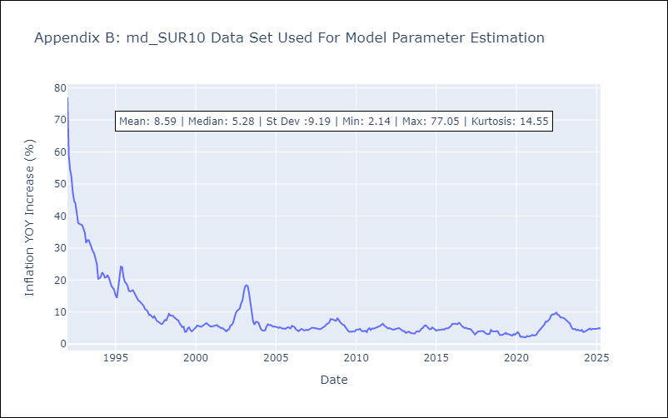

Appendix C: Residuals Analysis
Mean

