md
md - Inflation - Next 12 months forecast as of: 2025-04-01

Model | Random Forest w/ Lags - None
Training Data | 1992-01-01 to 2024-05-01
Test Data | 2024-05-01 to 2025-04-01

Date | Inflation Change YoY % | Lower Bound - 95% Confidence Interval | Upper Bound - 95% Confidence Interval
2025-05-01 | 5.08 | 4.87 | 5.18
2025-06-01 | 5.14 | 4.9 | 5.29
2025-07-01 | 5.21 | 4.94 | 5.39
2025-08-01 | 5.29 | 4.97 | 5.48
2025-09-01 | 5.36 | 5.04 | 5.57
2025-10-01 | 5.44 | 5.13 | 5.67
2025-11-01 | 5.52 | 5.21 | 5.79
2025-12-01 | 5.55 | 5.26 | 5.85
2026-01-01 | 5.57 | 5.24 | 5.94
2026-02-01 | 5.61 | 5.24 | 5.98
2026-03-01 | 5.61 | 5.22 | 6.06
2026-04-01 | 5.62 | 5.28 | 6.12

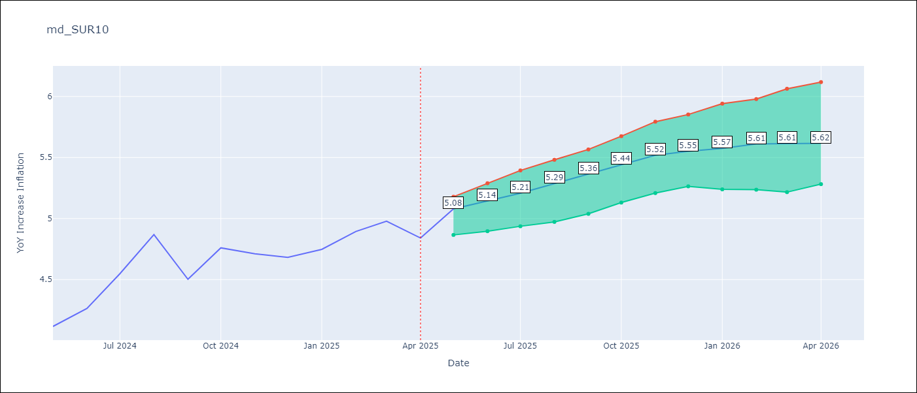

Test Metrics
RMSE | 0.8
Naive RMSE | 0.86
MAPE | 6.56%

Test Predictions
Date | Predicted | Actual
2024-06-01 | 3.97 | 4.12
2024-07-01 | 4.02 | 4.26
2024-08-01 | 4.09 | 4.55
2024-09-01 | 4.15 | 4.87
2024-10-01 | 4.2 | 4.5
2024-11-01 | 4.26 | 4.76
2024-12-01 | 4.34 | 4.71
2025-01-01 | 4.44 | 4.68
2025-02-01 | 4.52 | 4.75
2025-03-01 | 4.66 | 4.89
2025-04-01 | 4.78 | 4.98
2025-05-01 | 4.89 | 4.84

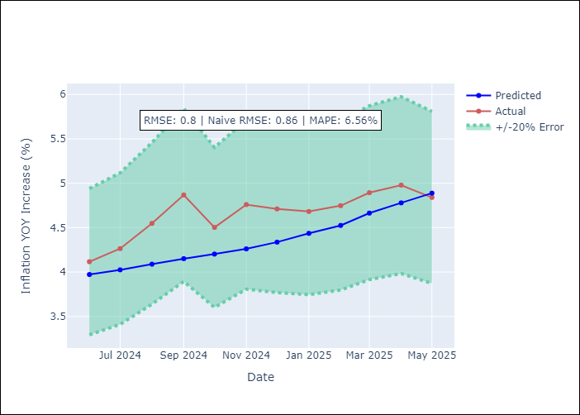
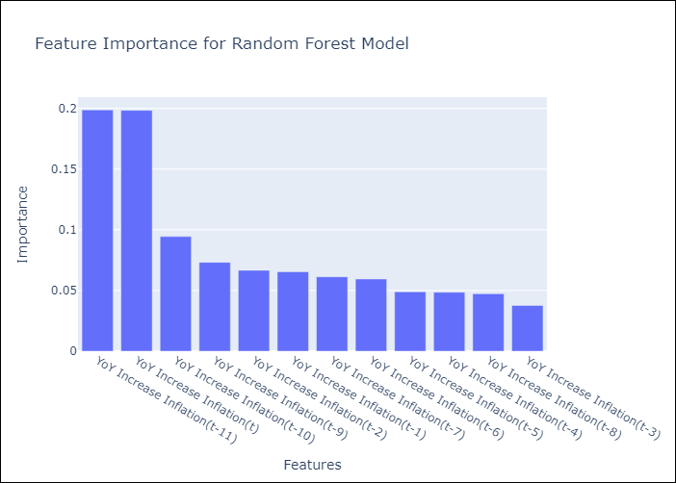

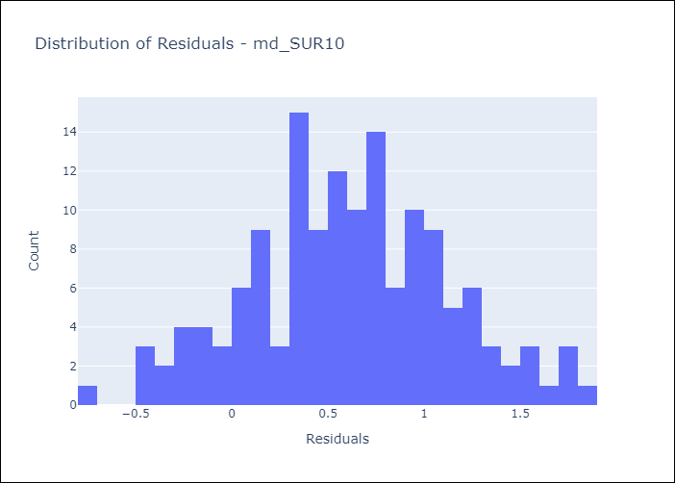
Appendix A: Model Summary
Model | Random Forest w/ Lags
Sample | 1992-01-01 to 2025-04-01
No. of Observations | 400
Residuals
Mean | 0.61237828207
St Dev | 0.51807570295
Kurtosis | -0.28218092336
Skewness | 0.00052675554948

Assumptions | P-value

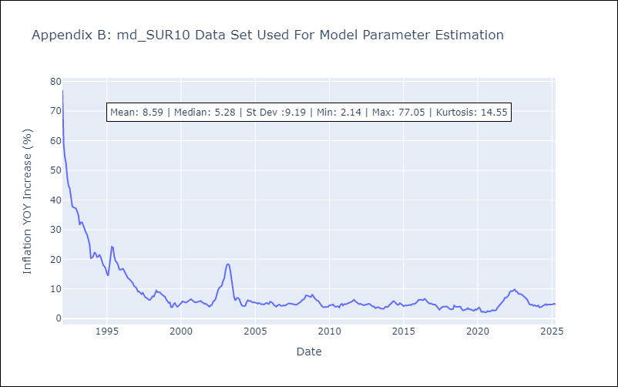

Appendix C: Residuals Analysis
Mean

