md
md - Inflation - Next 12 months forecast as of: 2025-04-01

Model | Random Forest w/ Lags - None
Training Data | 1992-01-01 to 2024-05-01
Test Data | 2024-05-01 to 2025-04-01

Date | Inflation Change YoY % | Lower Bound - 95% Confidence Interval | Upper Bound - 95% Confidence Interval
2025-05-01 | 5.06 | 4.9 | 5.15
2025-06-01 | 5.14 | 4.94 | 5.21
2025-07-01 | 5.2 | 5 | 5.36
2025-08-01 | 5.29 | 5.02 | 5.5
2025-09-01 | 5.38 | 5.08 | 5.64
2025-10-01 | 5.48 | 5.13 | 5.71
2025-11-01 | 5.59 | 5.13 | 5.8
2025-12-01 | 5.65 | 5.05 | 5.87
2026-01-01 | 5.7 | 5.01 | 5.94
2026-02-01 | 5.74 | 4.97 | 5.94
2026-03-01 | 5.75 | 4.99 | 5.98
2026-04-01 | 5.76 | 5.02 | 5.99

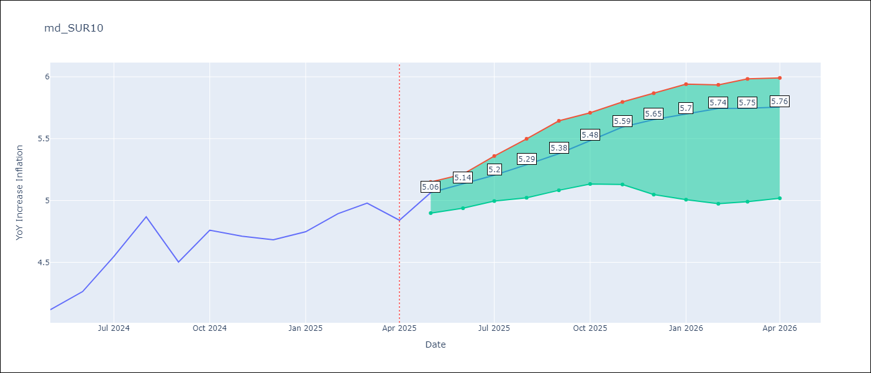

Test Metrics
RMSE | 0.78
Naive RMSE | 0.86
MAPE | 7.27%

Test Predictions
Date | Predicted | Actual
2024-06-01 | 3.94 | 4.12
2024-07-01 | 4 | 4.26
2024-08-01 | 4.06 | 4.55
2024-09-01 | 4.1 | 4.87
2024-10-01 | 4.15 | 4.5
2024-11-01 | 4.22 | 4.76
2024-12-01 | 4.31 | 4.71
2025-01-01 | 4.41 | 4.68
2025-02-01 | 4.49 | 4.75
2025-03-01 | 4.64 | 4.89
2025-04-01 | 4.79 | 4.98
2025-05-01 | 4.95 | 4.84

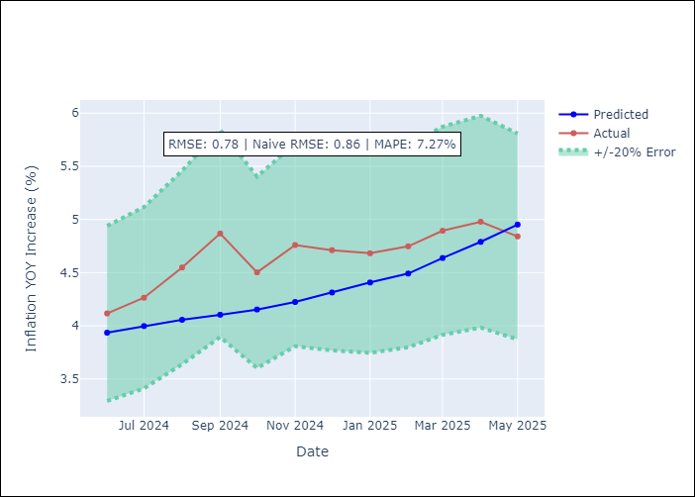
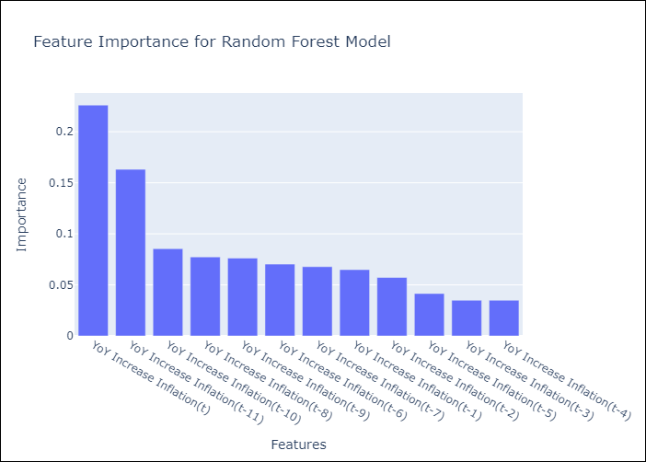

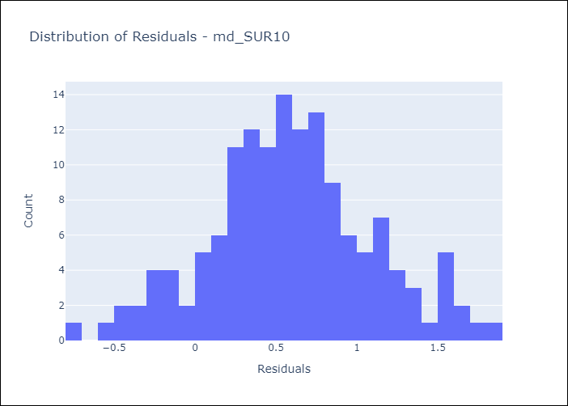
Appendix A: Model Summary
Model | Random Forest w/ Lags
Sample | 1992-01-01 to 2025-04-01
No. of Observations | 400
Residuals
Mean | 0.59344702183
St Dev | 0.51084835187
Kurtosis | -0.050830639402
Skewness | 0.049100584101

Assumptions | P-value

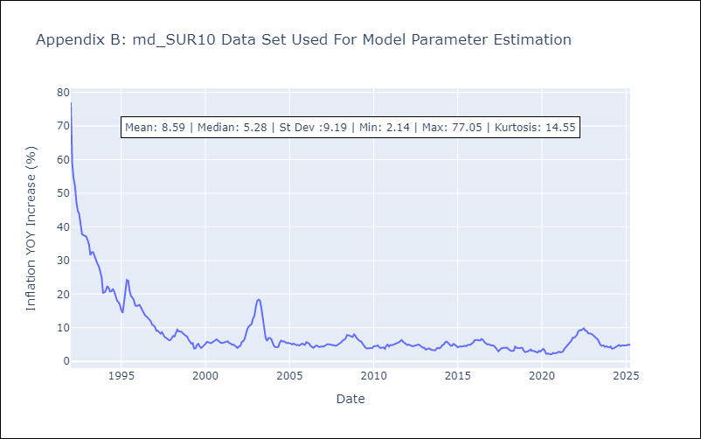

Appendix C: Residuals Analysis
Mean

