md_SUR10
md_SUR10 - Inflation - Next 12 months forecast as of: 2025-04-01

Model | Random Forest w/ Lags - None
Training Data | 1991-12-01 to 2024-05-01
Test Data | 2024-05-01 to 2025-04-01

Date | Inflation Change YoY % | Lower Bound - 95% Confidence Interval | Upper Bound - 95% Confidence Interval | Bias Corrected Forecast
2025-05-01 | 5.35 | 5.11 | 5.57 | 4.93
2025-06-01 | 5.45 | 5.18 | 5.74 | 4.99
2025-07-01 | 5.55 | 5.29 | 5.86 | 5.05
2025-08-01 | 5.61 | 5.35 | 5.94 | 5.09
2025-09-01 | 5.68 | 5.4 | 5.98 | 5.13
2025-10-01 | 5.74 | 5.47 | 6.12 | 5.2
2025-11-01 | 5.83 | 5.52 | 6.25 | 5.28
2025-12-01 | 5.9 | 5.58 | 6.37 | 5.34
2026-01-01 | 5.9 | 5.56 | 6.43 | 5.32
2026-02-01 | 5.86 | 5.49 | 6.45 | 5.28
2026-03-01 | 5.86 | 5.48 | 6.43 | 5.27
2026-04-01 | 5.78 | 5.47 | 6.31 | 5.19

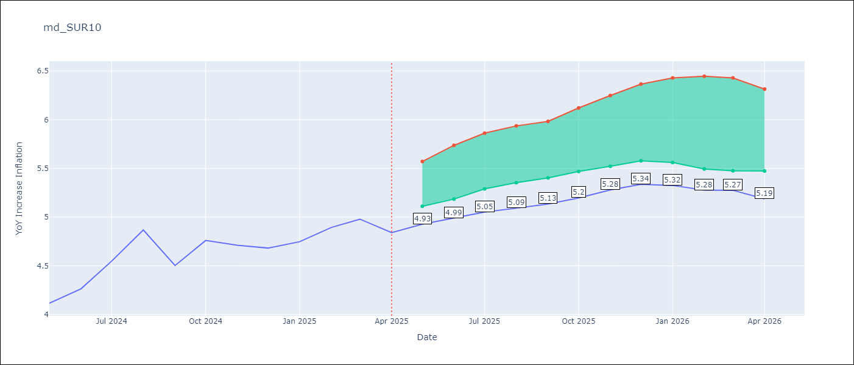

Test Set
RMSE | 0.53 | Bias Corrected
Naive RMSE | 0.86 | 0.86
MAPE | 4.6% | 11.22%

Test Predictions
Date | Predicted | Actual | Bias Vector | Bias Corrected
2024-06-01 | 3.98 | 4.12
2024-07-01 | 4.05 | 4.26
2024-08-01 | 4.17 | 4.55
2024-09-01 | 4.28 | 4.87
2024-10-01 | 4.37 | 4.5
2024-11-01 | 4.47 | 4.76
2024-12-01 | 4.53 | 4.71
2025-01-01 | 4.62 | 4.68
2025-02-01 | 4.69 | 4.75
2025-03-01 | 4.68 | 4.89
2025-04-01 | 4.78 | 4.98
2025-05-01 | 4.98 | 4.84

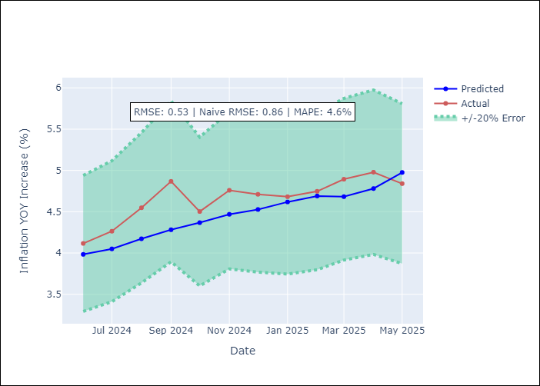
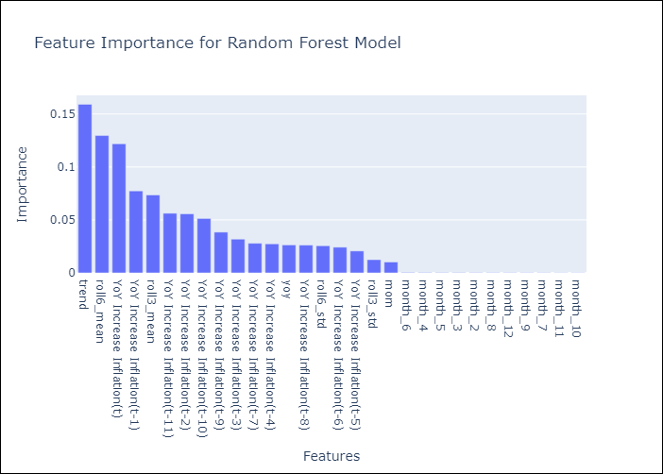

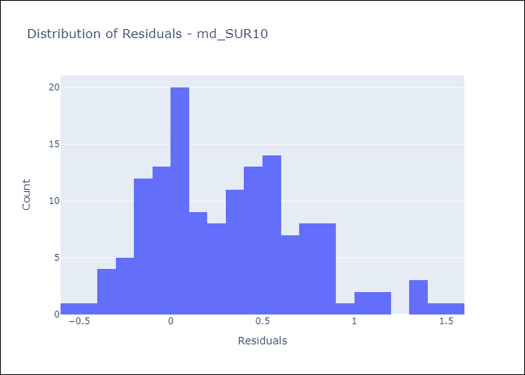
Appendix A: Model Summary
Model | Random Forest w/ Lags
Sample | 1991-12-01 to 2025-04-01
No. of Observations | 401
Residuals
Mean | 0.3158632802
St Dev | 0.42128947213
Kurtosis | 0.015519720396
Skewness | 0.52465524889

Bias-Corrected Residuals | -0.049191245303
Mean | 0
St Dev
Kurtosis
Skewness

Assumptions | P-value

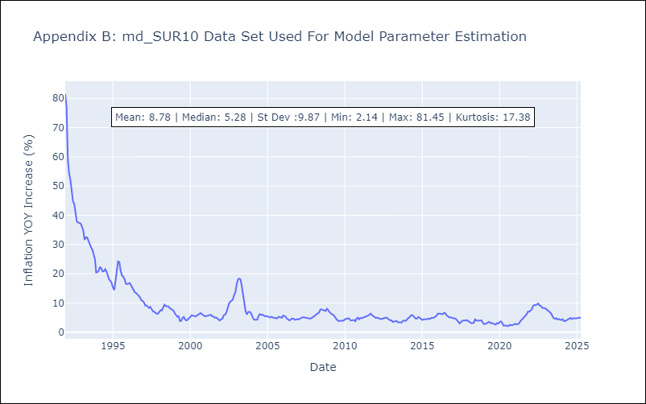

Appendix C: Residuals Analysis
Mean

