md_SUR10
md_SUR10 - Inflation - Next 12 months forecast as of: 2025-04-01

Model | Random Forest w/ Lags - None
Training Data | 1991-12-01 to 2024-05-01
Test Data | 2024-05-01 to 2025-04-01

Date | Inflation Change YoY % | Lower Bound - 95% Confidence Interval | Upper Bound - 95% Confidence Interval | Bias Corrected Forecast
2025-05-01 | 5.38 | 5.46 | 6.08 | 5.81
2025-06-01 | 5.49 | 5.56 | 6.19 | 5.95
2025-07-01 | 5.61 | 5.66 | 6.4 | 6.11
2025-08-01 | 5.69 | 5.74 | 6.5 | 6.21
2025-09-01 | 5.74 | 5.85 | 6.59 | 6.28
2025-10-01 | 5.8 | 5.92 | 6.7 | 6.34
2025-11-01 | 5.85 | 5.96 | 6.81 | 6.4
2025-12-01 | 5.93 | 6.08 | 6.89 | 6.5
2026-01-01 | 5.96 | 6.14 | 6.87 | 6.53
2026-02-01 | 5.92 | 6.09 | 6.9 | 6.5
2026-03-01 | 5.93 | 6.13 | 6.93 | 6.52
2026-04-01 | 5.87 | 6.1 | 6.87 | 6.46

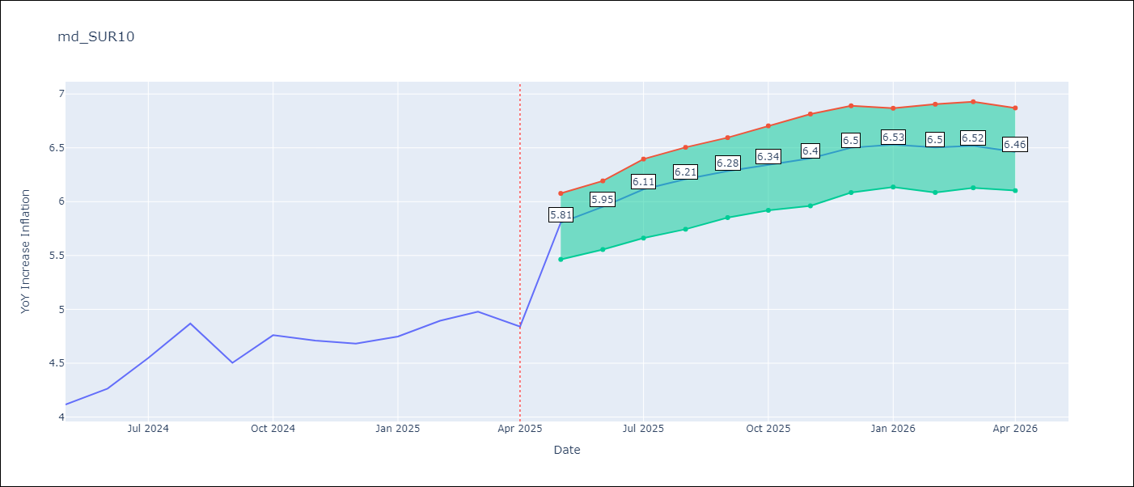

Test Set
RMSE | 0.53 | 0.7737778418417884
Naive RMSE | 0.86 | 0.86
MAPE | 4.6% | 35.43%

Test Predictions
Date | Predicted | Actual | Bias Vector | Bias Corrected
2024-06-01 | 3.98 | 4.12
2024-07-01 | 4.05 | 4.26
2024-08-01 | 4.17 | 4.55
2024-09-01 | 4.28 | 4.87
2024-10-01 | 4.37 | 4.5
2024-11-01 | 4.47 | 4.76
2024-12-01 | 4.53 | 4.71
2025-01-01 | 4.62 | 4.68
2025-02-01 | 4.69 | 4.75
2025-03-01 | 4.68 | 4.89
2025-04-01 | 4.78 | 4.98
2025-05-01 | 4.98 | 4.84

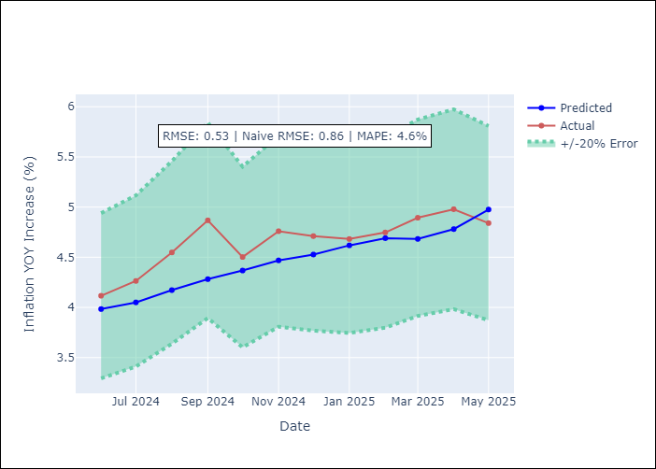
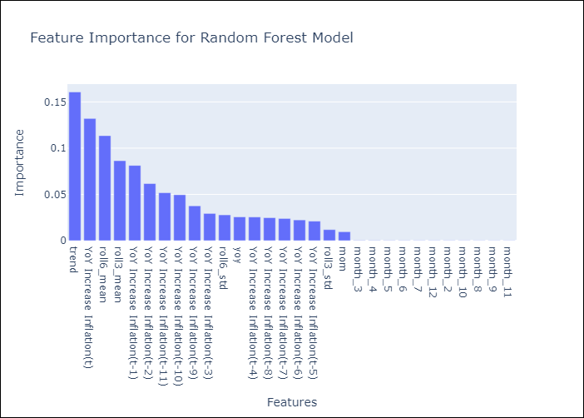

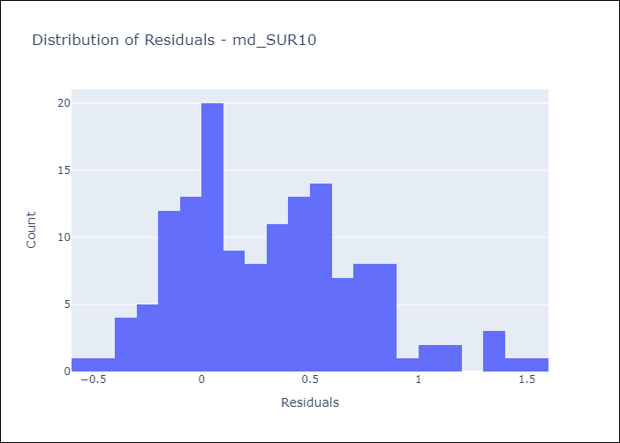
Appendix A: Model Summary
Model | Random Forest w/ Lags
Sample | 1991-12-01 to 2025-04-01
No. of Observations | 401
Residuals
Mean | 0.3158632802
St Dev | 0.42128947213
Kurtosis | 0.015519720396
Skewness | 0.52465524889

Bias-Corrected Residuals
Mean | 0.82938571657
St Dev | 0
Kurtosis
Skewness

Assumptions | P-value

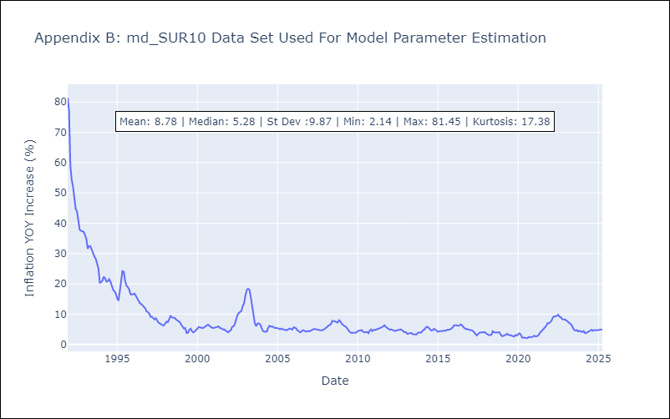

Appendix C: Residuals Analysis
Mean

