md_SUR10
md_SUR10 - Inflation - Next 12 months forecast as of: 2025-04-01

Model | Random Forest w/ Lags - None
Training Data | 1991-12-01 to 2024-05-01
Test Data | 2024-05-01 to 2025-04-01

Date | Inflation Change YoY % | Lower Bound - 95% Confidence Interval | Upper Bound - 95% Confidence Interval | Bias Corrected Forecast
2025-05-01 | 5.35 | 5.57 | 6.03 | 5.78
2025-06-01 | 5.45 | 5.69 | 6.19 | 5.91
2025-07-01 | 5.56 | 5.8 | 6.36 | 6.07
2025-08-01 | 5.64 | 5.85 | 6.52 | 6.16
2025-09-01 | 5.7 | 5.92 | 6.65 | 6.25
2025-10-01 | 5.78 | 5.98 | 6.78 | 6.33
2025-11-01 | 5.86 | 6.07 | 6.94 | 6.41
2025-12-01 | 5.92 | 6.16 | 7.09 | 6.49
2026-01-01 | 5.94 | 6.17 | 7.1 | 6.52
2026-02-01 | 5.9 | 6.14 | 7.11 | 6.48
2026-03-01 | 5.91 | 6.15 | 7.07 | 6.49
2026-04-01 | 5.86 | 6.17 | 6.97 | 6.45

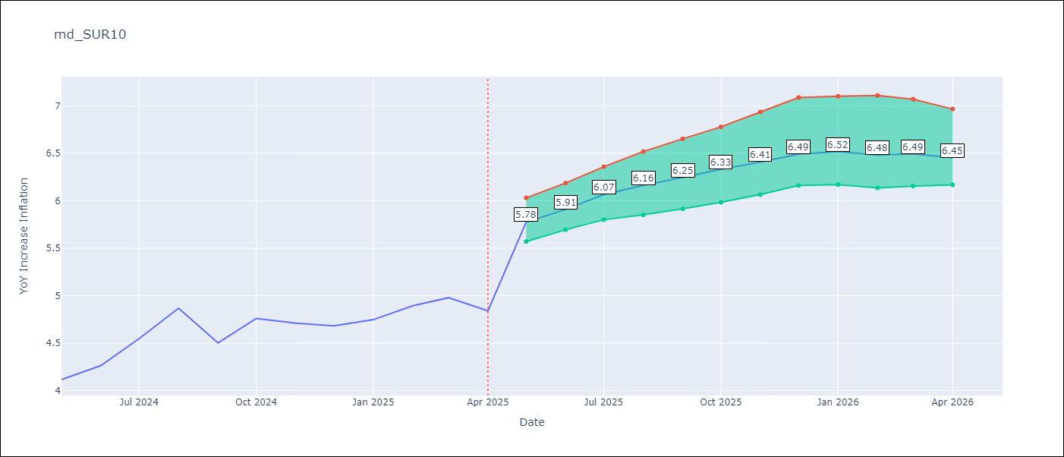

Test Set
RMSE | 0.53 | 0.31626522439008975
Naive RMSE | 0.86 | 0.86
MAPE | 4.6% | 6.02%

Test Predictions
Date | Predicted | Actual | Bias Vector | Bias Corrected
2024-06-01 | 3.98 | 4.12 | 0.43 | 3.56
2024-07-01 | 4.05 | 4.26 | 0.46 | 3.59
2024-08-01 | 4.17 | 4.55 | 0.5 | 3.67
2024-09-01 | 4.28 | 4.87 | 0.52 | 3.76
2024-10-01 | 4.37 | 4.5 | 0.54 | 3.83
2024-11-01 | 4.47 | 4.76 | 0.55 | 3.92
2024-12-01 | 4.53 | 4.71 | 0.55 | 3.98
2025-01-01 | 4.62 | 4.68 | 0.57 | 4.05
2025-02-01 | 4.69 | 4.75 | 0.58 | 4.11
2025-03-01 | 4.68 | 4.89 | 0.58 | 4.1
2025-04-01 | 4.78 | 4.98 | 0.59 | 4.19
2025-05-01 | 4.98 | 4.84 | 0.59 | 4.38

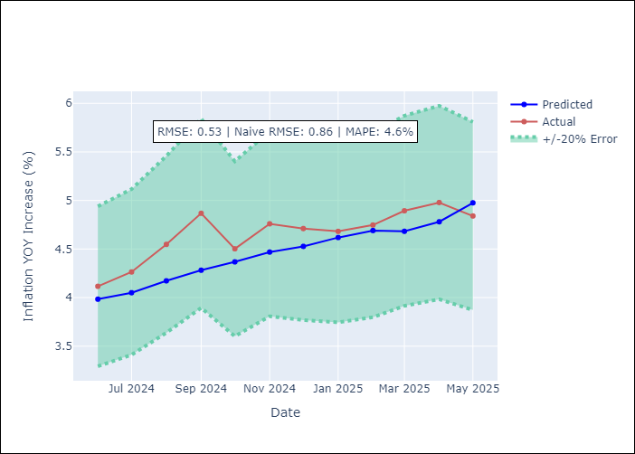
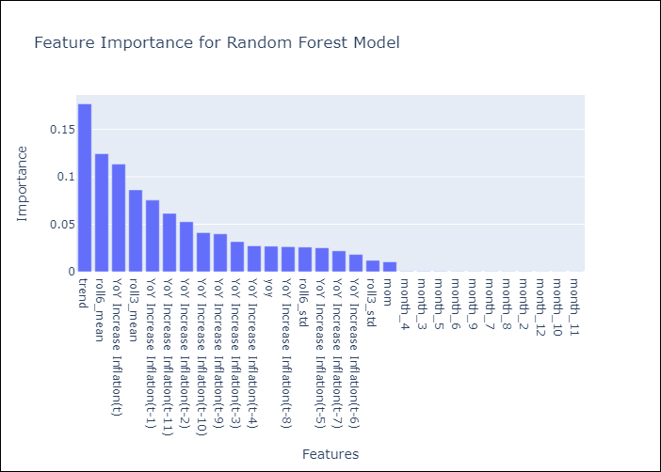

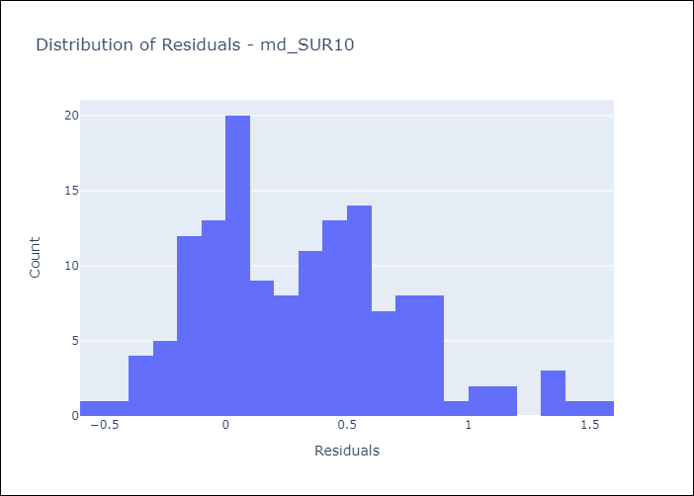
Appendix A: Model Summary
Model | Random Forest w/ Lags
Sample | 1991-12-01 to 2025-04-01
No. of Observations | 401
Residuals
Mean | 0.3158632802
St Dev | 0.42128947213
Kurtosis | 0.015519720396
Skewness | 0.52465524889

Bias-Corrected Residuals
Mean | -0.25840595052
St Dev | 0.18234598129
Kurtosis | 1.2237469026
Skewness | 0.41681695653

Assumptions | P-value

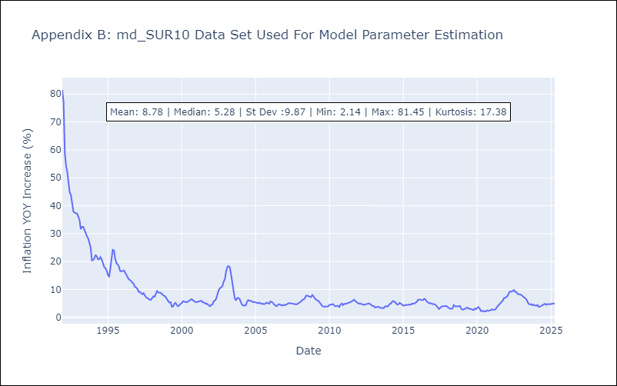

Appendix C: Residuals Analysis
Mean

