ARG
ARG - Inflation - Next 12 months forecast as of: 2025-04-01

Model | Random Forest w/ Lags - None
Training Data | 2006-12-01 to 2024-05-01
Test Data | 2024-05-01 to 2025-04-01

Date | Inflation Change YoY % | Lower Bound - 95% Confidence Interval | Upper Bound - 95% Confidence Interval | Bias Corrected Forecast
2025-05-01 | 91.46 | 80.23 | 94.35 | 90.06
2025-06-01 | 94.54 | 82.04 | 97.59 | 93.21
2025-07-01 | 96.26 | 82.72 | 100.17 | 95.24
2025-08-01 | 99.8 | 85.79 | 104.1 | 98.89
2025-09-01 | 106.35 | 91.14 | 111.33 | 105.46
2025-10-01 | 112.54 | 94.84 | 117.9 | 111.77
2025-11-01 | 120.31 | 100.98 | 128.54 | 119.98
2025-12-01 | 137.27 | 115.48 | 153.54 | 137.31
2026-01-01 | 160.79 | 126.53 | 181.63 | 160.97
2026-02-01 | 182.32 | 143.95 | 201.98 | 182.75
2026-03-01 | 199.18 | 160.62 | 219.54 | 200.21
2026-04-01 | 211.69 | 170.42 | 229.53 | 213.77

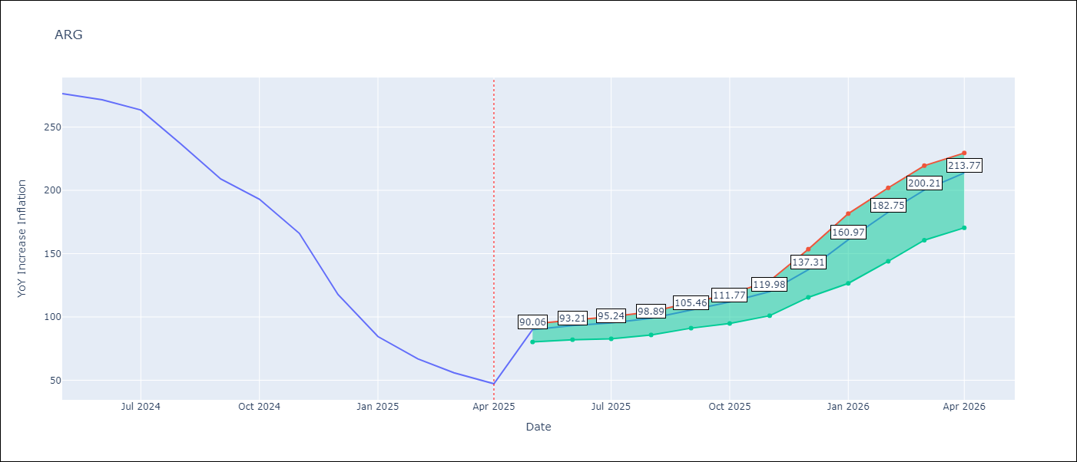

Test Set
RMSE | 112.46 | 144.24268817419104
Naive RMSE | 111.72 | 111.72
MAPE | 134.27% | 136.17%

Test Predictions
Date | Predicted | Actual | Bias Vector | Bias Corrected
2024-06-01 | 108.55 | 276.41 | -1.4 | 109.95
2024-07-01 | 111.87 | 271.53 | -1.33 | 113.2
2024-08-01 | 113.09 | 263.45 | -1.02 | 114.11
2024-09-01 | 117.64 | 236.72 | -0.9 | 118.55
2024-10-01 | 125.65 | 209 | -0.88 | 126.53
2024-11-01 | 133.39 | 192.99 | -0.77 | 134.16
2024-12-01 | 145.29 | 166.03 | -0.33 | 145.63
2025-01-01 | 171.6 | 117.76 | 0.04 | 171.56
2025-02-01 | 206.02 | 84.54 | 0.19 | 205.84
2025-03-01 | 238.4 | 66.87 | 0.43 | 237.97
2025-04-01 | 262.57 | 55.93 | 1.03 | 261.53
2025-05-01 | 276.8 | 47.26 | 2.08 | 274.72

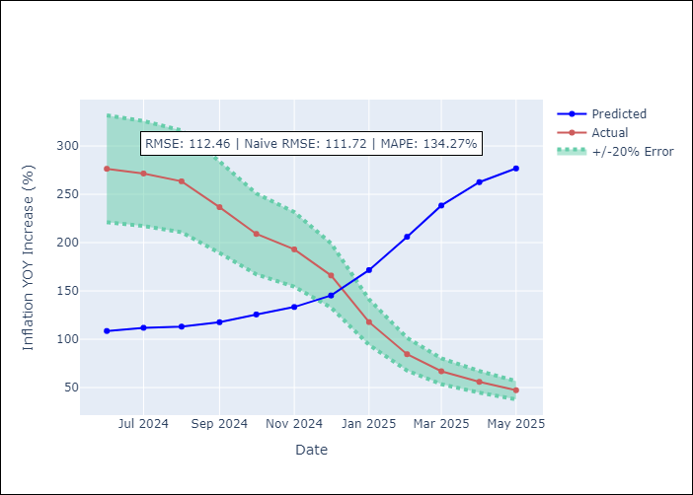
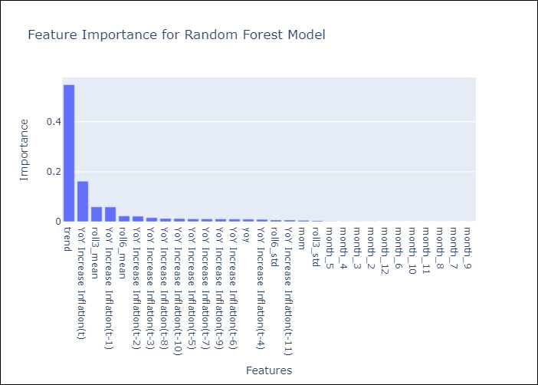

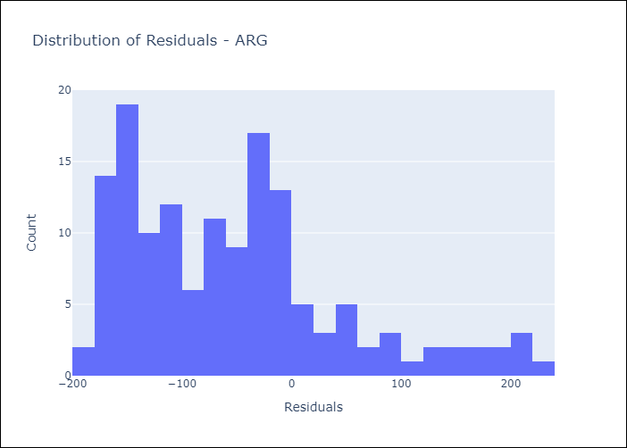
Appendix A: Model Summary
Model | Random Forest w/ Lags
Sample | 2006-12-01 to 2025-04-01
No. of Observations | 221
Residuals
Mean | -52.484065786
St Dev | 99.457868941
Kurtosis | 0.37782342495
Skewness | 0.93506497502

Bias-Corrected Residuals
Mean | -3.1832608681
St Dev | 144.20755855
Kurtosis | -1.5696800421
Skewness | -0.37231481043

Assumptions | P-value

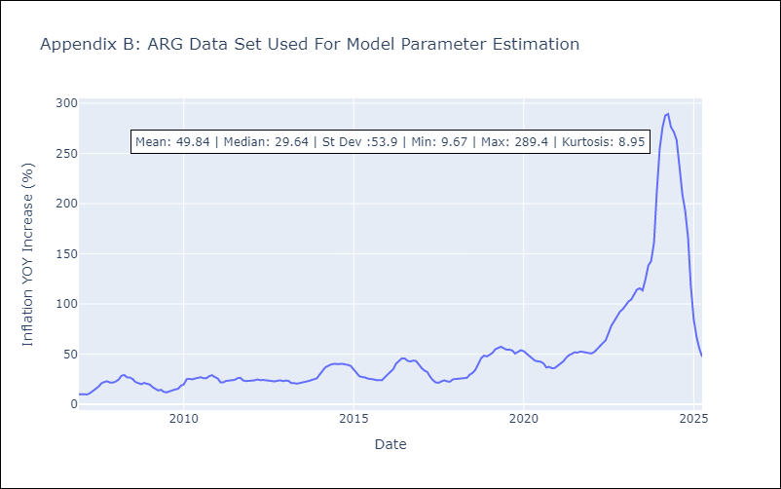

Appendix C: Residuals Analysis
Mean

BRA
BRA - Inflation - Next 12 months forecast as of: 2025-04-01

Model | Random Forest w/ Lags - None
Training Data | 1997-12-01 to 2024-05-01
Test Data | 2024-05-01 to 2025-04-01

Date | Inflation Change YoY % | Lower Bound - 95% Confidence Interval | Upper Bound - 95% Confidence Interval | Bias Corrected Forecast
2025-05-01 | 5.33 | 4.94 | 5.74 | 5.42
2025-06-01 | 5.42 | 5.01 | 5.85 | 5.57
2025-07-01 | 5.53 | 5.11 | 6.08 | 5.74
2025-08-01 | 5.65 | 5.3 | 6.23 | 5.93
2025-09-01 | 5.79 | 5.49 | 6.47 | 6.13
2025-10-01 | 5.94 | 5.63 | 6.69 | 6.34
2025-11-01 | 6.1 | 5.78 | 6.89 | 6.55
2025-12-01 | 6.25 | 5.9 | 7.08 | 6.74
2026-01-01 | 6.38 | 6.01 | 7.25 | 6.89
2026-02-01 | 6.47 | 6.05 | 7.37 | 7
2026-03-01 | 6.54 | 6.05 | 7.46 | 7.09
2026-04-01 | 6.58 | 6.01 | 7.55 | 7.15

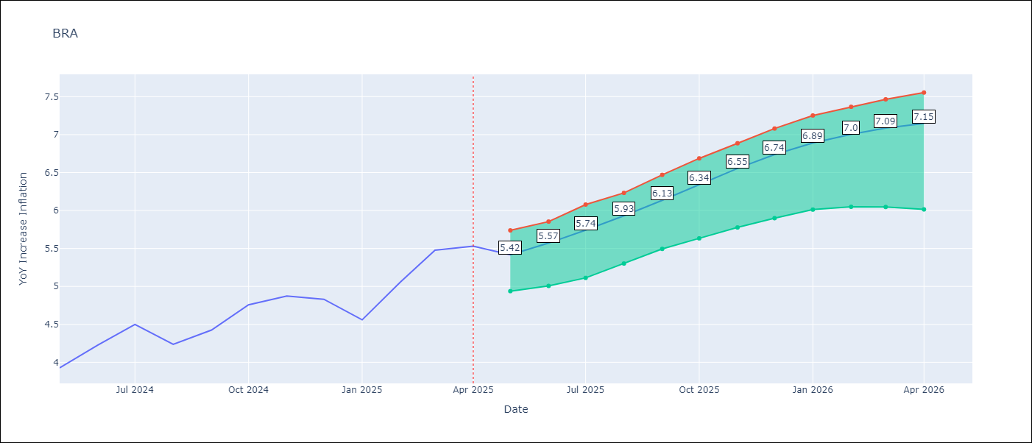

Test Set
RMSE | 1.34 | 0.34095141897470027
Naive RMSE | 0.73 | 0.73
MAPE | 6.99% | 6.67%

Test Predictions
Date | Predicted | Actual | Bias Vector | Bias Corrected
2024-06-01 | 3.63 | 3.93 | 0.09 | 3.54
2024-07-01 | 3.73 | 4.23 | 0.15 | 3.58
2024-08-01 | 3.89 | 4.5 | 0.21 | 3.67
2024-09-01 | 4.09 | 4.24 | 0.28 | 3.81
2024-10-01 | 4.3 | 4.42 | 0.35 | 3.95
2024-11-01 | 4.51 | 4.76 | 0.4 | 4.11
2024-12-01 | 4.71 | 4.87 | 0.45 | 4.26
2025-01-01 | 4.91 | 4.83 | 0.48 | 4.43
2025-02-01 | 5.15 | 4.56 | 0.51 | 4.64
2025-03-01 | 5.42 | 5.06 | 0.53 | 4.89
2025-04-01 | 5.74 | 5.48 | 0.55 | 5.19
2025-05-01 | 6.05 | 5.53 | 0.57 | 5.48

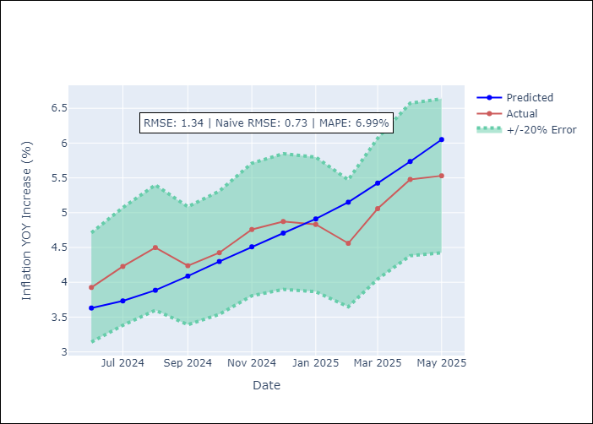
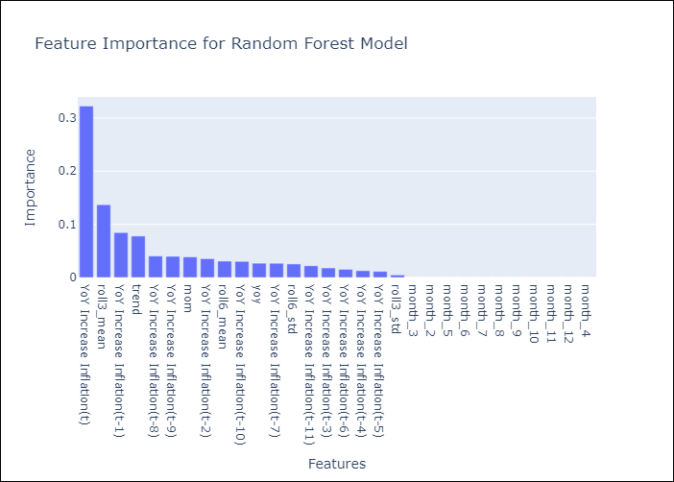

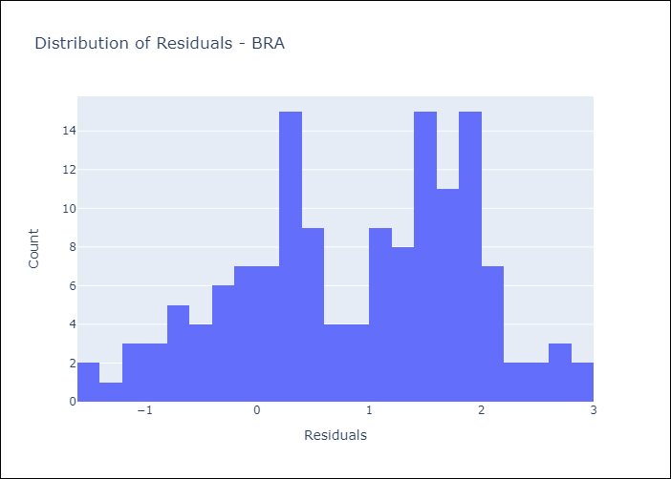
Appendix A: Model Summary
Model | Random Forest w/ Lags
Sample | 1997-12-01 to 2025-04-01
No. of Observations | 329
Residuals
Mean | 0.86334813424
St Dev | 1.0259837658
Kurtosis | -0.73831402645
Skewness | -0.28284824847

Bias-Corrected Residuals
Mean | 0.26874273872
St Dev | 0.20982185416
Kurtosis | 1.567062255
Skewness | -0.28617416506

Assumptions | P-value



Appendix C: Residuals Analysis
Mean

CHL
CHL - Inflation - Next 12 months forecast as of: 2025-04-01

Model | Random Forest w/ Lags - None
Training Data | 2012-11-01 to 2024-05-01
Test Data | 2024-05-01 to 2025-04-01

Date | Inflation Change YoY % | Lower Bound - 95% Confidence Interval | Upper Bound - 95% Confidence Interval | Bias Corrected Forecast
2025-05-01 | 8.18 | 6.09 | 8.84 | 8.66
2025-06-01 | 8.94 | 6.49 | 9.37 | 9.5
2025-07-01 | 9.65 | 6.85 | 9.95 | 10.26
2025-08-01 | 10.25 | 7.27 | 10.35 | 10.86
2025-09-01 | 10.73 | 7.43 | 10.77 | 11.37
2025-10-01 | 11.11 | 7.86 | 11.17 | 11.77
2025-11-01 | 11.24 | 7.86 | 11.53 | 11.97
2025-12-01 | 11.28 | 7.82 | 11.81 | 12
2026-01-01 | 11.55 | 7.87 | 11.98 | 12.27
2026-02-01 | 11.62 | 8.2 | 12.12 | 12.34
2026-03-01 | 11.6 | 8.29 | 12.22 | 12.26
2026-04-01 | 11.47 | 8.53 | 12.04 | 12.02

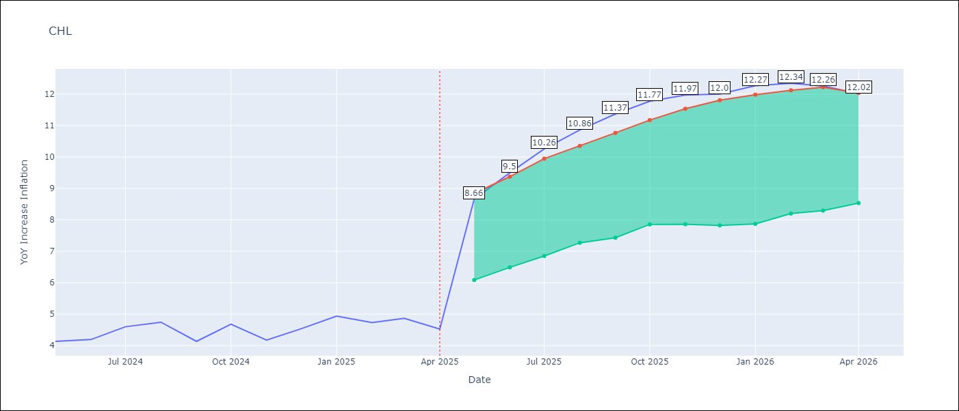

Test Set
RMSE | 3.57 | 2.392721395999284
Naive RMSE | 1.71 | 1.71
MAPE | 101.18% | 120.52%

Test Predictions
Date | Predicted | Actual | Bias Vector | Bias Corrected
2024-06-01 | 8.3 | 4.13 | 0.48 | 7.82
2024-07-01 | 8.41 | 4.19 | 0.56 | 7.85
2024-08-01 | 8.58 | 4.6 | 0.6 | 7.98
2024-09-01 | 8.83 | 4.74 | 0.61 | 8.22
2024-10-01 | 8.92 | 4.13 | 0.64 | 8.28
2024-11-01 | 9.05 | 4.68 | 0.67 | 8.39
2024-12-01 | 9.31 | 4.17 | 0.73 | 8.58
2025-01-01 | 9.34 | 4.53 | 0.72 | 8.61
2025-02-01 | 9.44 | 4.94 | 0.72 | 8.72
2025-03-01 | 9.49 | 4.73 | 0.72 | 8.77
2025-04-01 | 9.61 | 4.87 | 0.65 | 8.95
2025-05-01 | 9.61 | 4.52 | 0.55 | 9.06

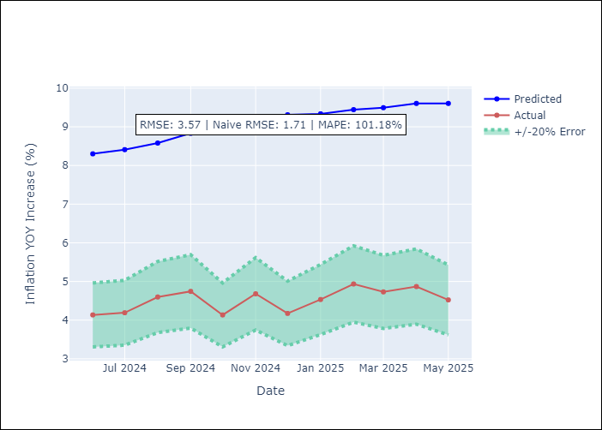
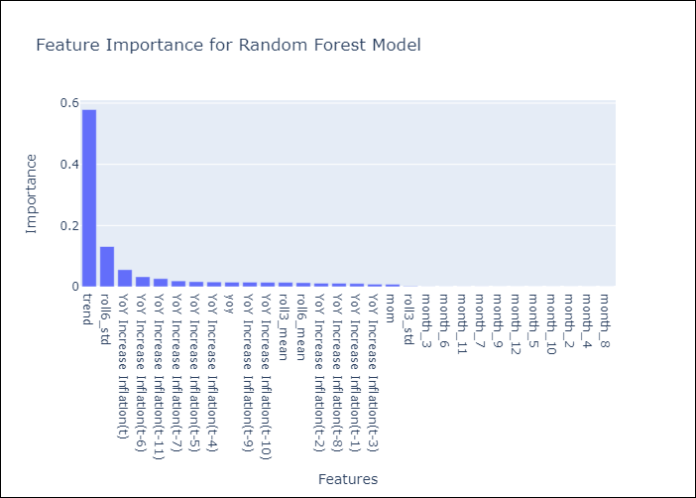

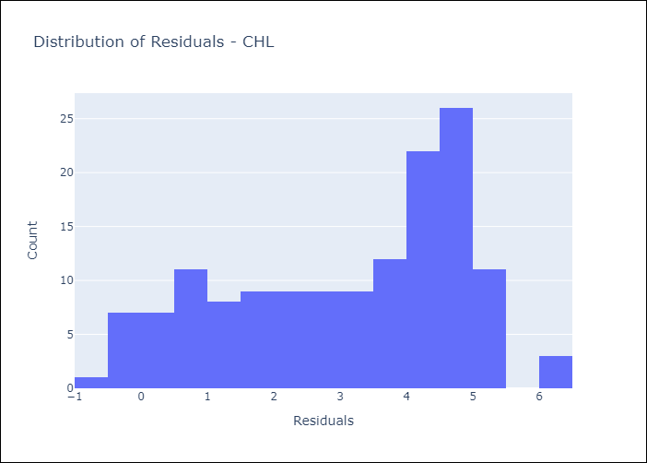
Appendix A: Model Summary
Model | Random Forest w/ Lags
Sample | 2012-11-01 to 2025-04-01
No. of Observations | 150
Residuals
Mean | 3.1145731108
St Dev | 1.7386832664
Kurtosis | -1.0813502104
Skewness | -0.40995231408

Bias-Corrected Residuals
Mean | -1.6087650632
St Dev | 1.771155174
Kurtosis | 0.41488996737
Skewness | -1.0565405689

Assumptions | P-value

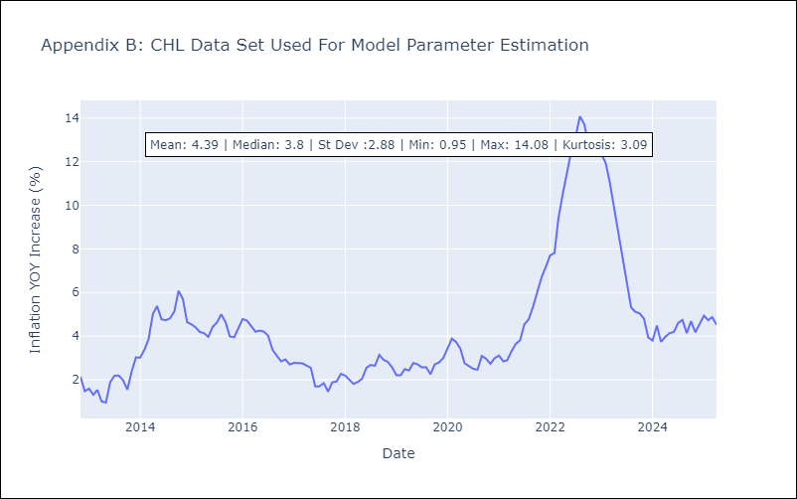

Appendix C: Residuals Analysis
Mean

COL
COL - Inflation - Next 12 months forecast as of: 2025-04-01

Model | Random Forest w/ Lags - None
Training Data | 2005-12-01 to 2024-05-01
Test Data | 2024-05-01 to 2025-04-01

Date | Inflation Change YoY % | Lower Bound - 95% Confidence Interval | Upper Bound - 95% Confidence Interval | Bias Corrected Forecast
2025-05-01 | 10.5 | 8.95 | 11.87 | 10.7
2025-06-01 | 10.42 | 9.04 | 11.96 | 10.7
2025-07-01 | 10.27 | 9.09 | 11.93 | 10.62
2025-08-01 | 10.1 | 9.08 | 11.83 | 10.51
2025-09-01 | 9.88 | 8.99 | 11.77 | 10.35
2025-10-01 | 9.66 | 8.83 | 11.65 | 10.17
2025-11-01 | 9.45 | 8.67 | 11.5 | 10.01
2025-12-01 | 9.19 | 8.46 | 11.29 | 9.79
2026-01-01 | 8.88 | 8.23 | 10.96 | 9.52
2026-02-01 | 8.54 | 8.03 | 10.65 | 9.22
2026-03-01 | 8.17 | 7.83 | 10.3 | 8.86
2026-04-01 | 7.81 | 7.63 | 9.85 | 8.51

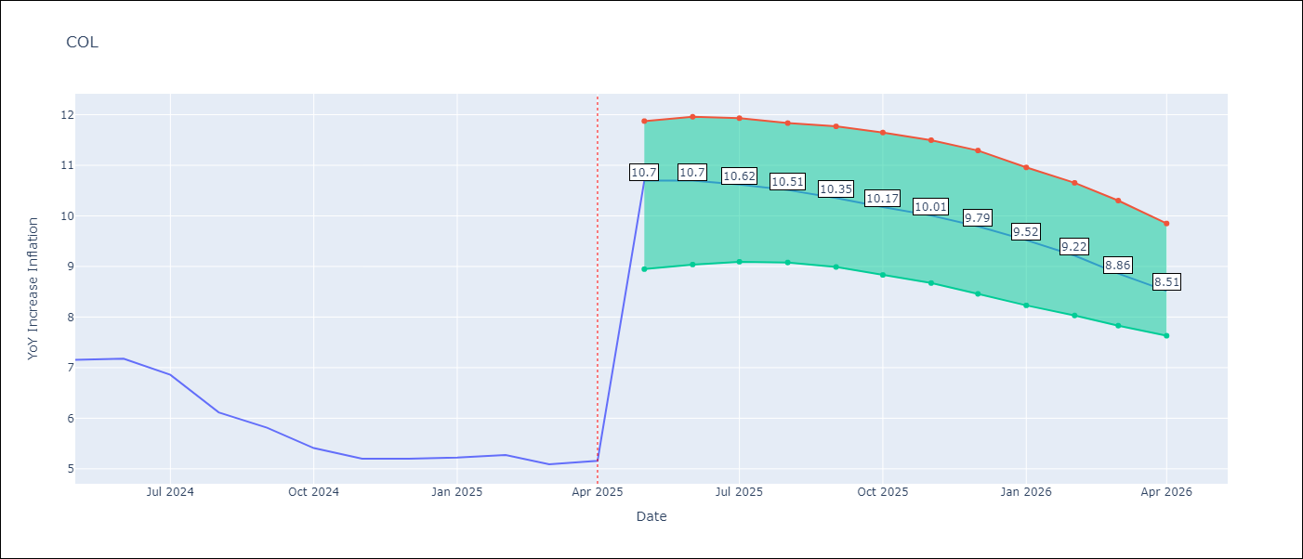

Test Set
RMSE | 2.87 | 5.468725513522304
Naive RMSE | 2.95 | 2.95
MAPE | 58.23% | 68.33%

Test Predictions
Date | Predicted | Actual | Bias Vector | Bias Corrected
2024-06-01 | 9.5 | 7.15 | 0.19 | 9.31
2024-07-01 | 9.51 | 7.18 | 0.27 | 9.24
2024-08-01 | 9.47 | 6.86 | 0.35 | 9.12
2024-09-01 | 9.43 | 6.12 | 0.41 | 9.02
2024-10-01 | 9.35 | 5.81 | 0.47 | 8.88
2024-11-01 | 9.29 | 5.41 | 0.52 | 8.78
2024-12-01 | 9.2 | 5.2 | 0.56 | 8.64
2025-01-01 | 9.07 | 5.2 | 0.6 | 8.47
2025-02-01 | 8.89 | 5.22 | 0.64 | 8.24
2025-03-01 | 8.67 | 5.27 | 0.68 | 8
2025-04-01 | 8.39 | 5.09 | 0.69 | 7.7
2025-05-01 | 8.12 | 5.16 | 0.71 | 7.41

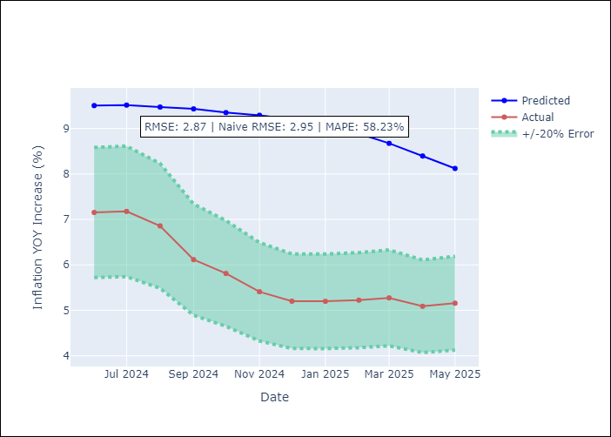
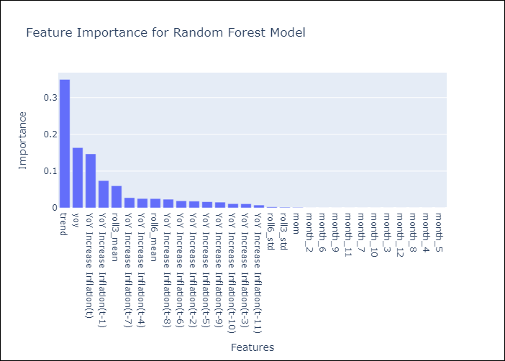

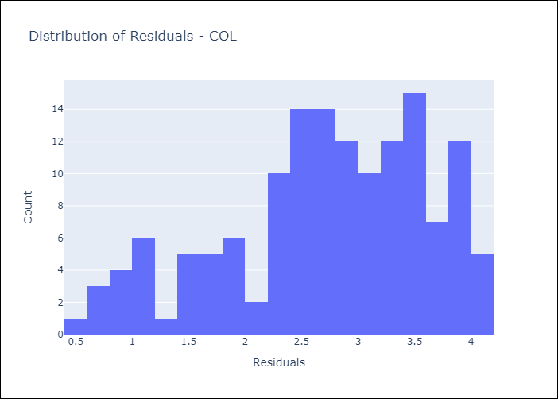
Appendix A: Model Summary
Model | Random Forest w/ Lags
Sample | 2005-12-01 to 2025-04-01
No. of Observations | 233
Residuals
Mean | 2.7268097117
St Dev | 0.89593650964
Kurtosis | -0.47388208569
Skewness | -0.56534967713

Bias-Corrected Residuals
Mean | -5.3811168889
St Dev | 0.9749562914
Kurtosis | -0.18570304218
Skewness | 1.0608070722

Assumptions | P-value

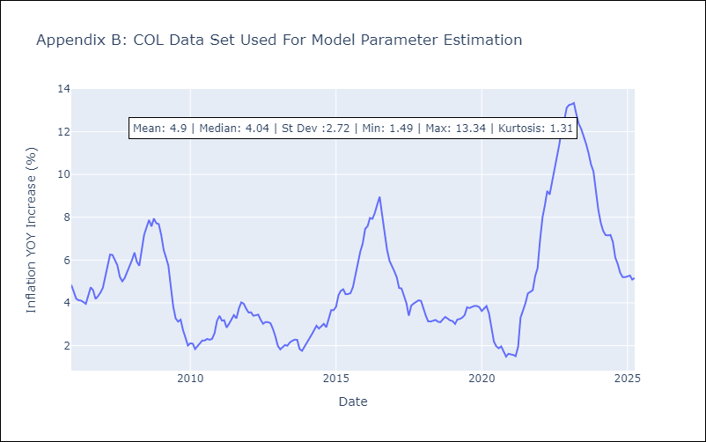

Appendix C: Residuals Analysis
Mean

ECU
ECU - Inflation - Next 12 months forecast as of: 2025-04-01

Model | Random Forest w/ Lags - None
Training Data | 2008-12-01 to 2024-05-01
Test Data | 2024-05-01 to 2025-04-01

Date | Inflation Change YoY % | Lower Bound - 95% Confidence Interval | Upper Bound - 95% Confidence Interval | Bias Corrected Forecast
2025-05-01 | 1.43 | 1.35 | 1.8 | 1.55
2025-06-01 | 1.41 | 1.31 | 1.86 | 1.56
2025-07-01 | 1.41 | 1.34 | 1.93 | 1.57
2025-08-01 | 1.42 | 1.31 | 1.93 | 1.59
2025-09-01 | 1.42 | 1.26 | 1.9 | 1.59
2025-10-01 | 1.42 | 1.3 | 1.9 | 1.6
2025-11-01 | 1.4 | 1.29 | 1.9 | 1.59
2025-12-01 | 1.38 | 1.29 | 1.83 | 1.57
2026-01-01 | 1.37 | 1.27 | 1.86 | 1.56
2026-02-01 | 1.36 | 1.22 | 1.87 | 1.55
2026-03-01 | 1.37 | 1.23 | 1.91 | 1.56
2026-04-01 | 1.42 | 1.27 | 1.96 | 1.59

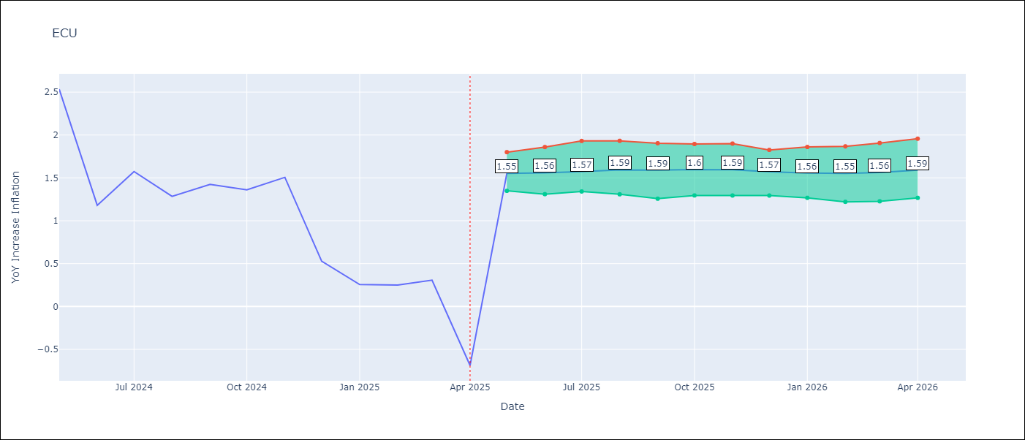

Test Set
RMSE | 0.91 | 1.6190876027823289
Naive RMSE | 0.86 | 0.86
MAPE | 242.78% | 197.68%

Test Predictions
Date | Predicted | Actual | Bias Vector | Bias Corrected
2024-06-01 | 1.75 | 2.53 | 0.12 | 1.63
2024-07-01 | 1.82 | 1.18 | 0.14 | 1.67
2024-08-01 | 1.88 | 1.57 | 0.17 | 1.71
2024-09-01 | 1.93 | 1.28 | 0.17 | 1.75
2024-10-01 | 1.99 | 1.42 | 0.17 | 1.81
2024-11-01 | 2.05 | 1.36 | 0.18 | 1.87
2024-12-01 | 2.08 | 1.51 | 0.19 | 1.89
2025-01-01 | 2.07 | 0.53 | 0.19 | 1.88
2025-02-01 | 2.05 | 0.26 | 0.19 | 1.86
2025-03-01 | 2.03 | 0.25 | 0.19 | 1.84
2025-04-01 | 1.99 | 0.31 | 0.19 | 1.8
2025-05-01 | 1.94 | -0.69 | 0.17 | 1.78

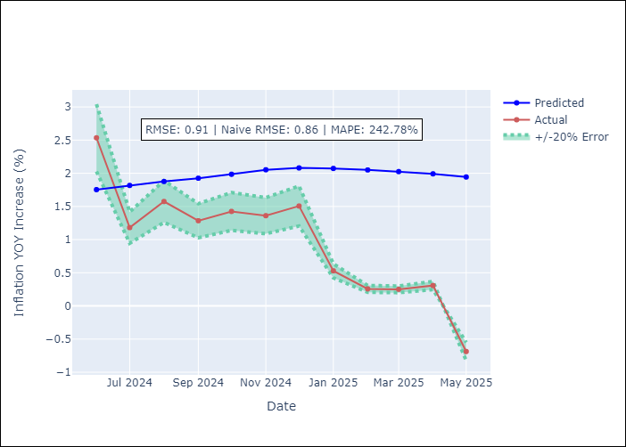
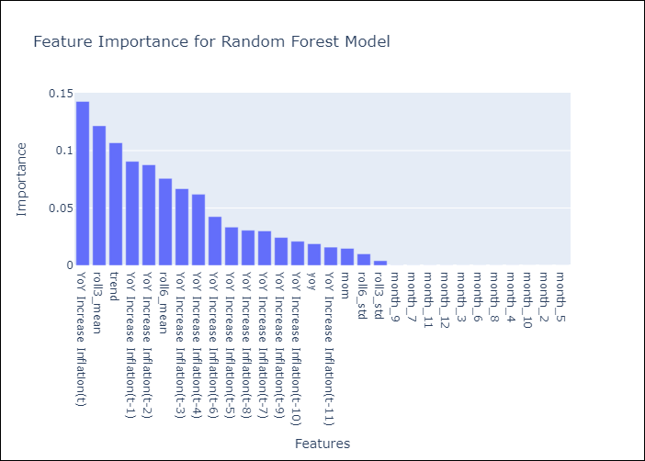

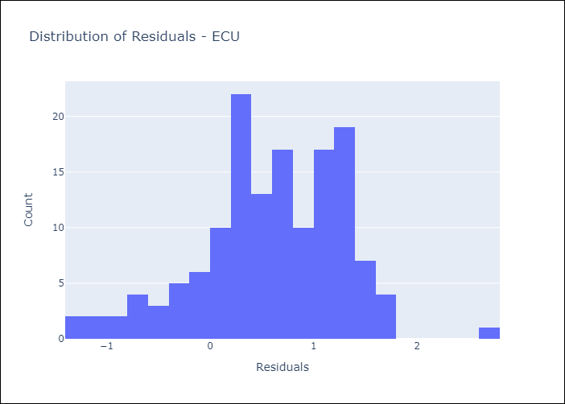
Appendix A: Model Summary
Model | Random Forest w/ Lags
Sample | 2008-12-01 to 2025-04-01
No. of Observations | 197
Residuals
Mean | 0.59636301901
St Dev | 0.69053763813
Kurtosis | 0.28948808361
Skewness | -0.45315177167

Bias-Corrected Residuals
Mean | -1.4679421063
St Dev | 0.68307440161
Kurtosis | 0.61276061516
Skewness | -0.39405954308

Assumptions | P-value

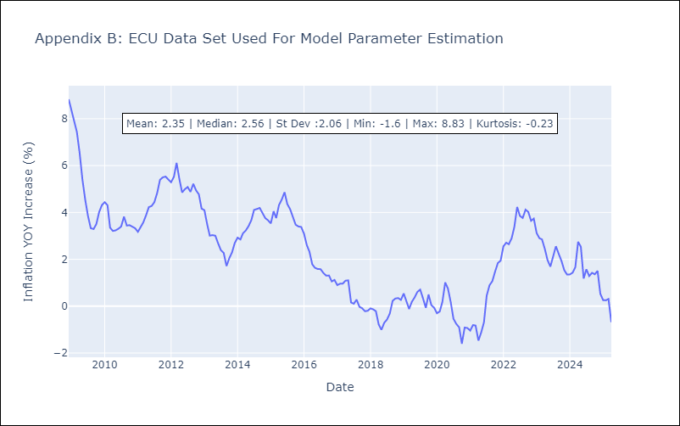

Appendix C: Residuals Analysis
Mean

PER
PER - Inflation - Next 12 months forecast as of: 2025-04-01

Model | Random Forest w/ Lags - None
Training Data | 1993-12-01 to 2024-05-01
Test Data | 2024-05-01 to 2025-04-01

Date | Inflation Change YoY % | Lower Bound - 95% Confidence Interval | Upper Bound - 95% Confidence Interval | Bias Corrected Forecast
2025-05-01 | 3.04 | 3.05 | 4.05 | 3.43
2025-06-01 | 3.1 | 3.05 | 4.22 | 3.52
2025-07-01 | 3.21 | 3.06 | 4.41 | 3.66
2025-08-01 | 3.28 | 3.11 | 4.57 | 3.77
2025-09-01 | 3.35 | 3.07 | 4.73 | 3.89
2025-10-01 | 3.46 | 3.15 | 4.88 | 4.06
2025-11-01 | 3.58 | 3.24 | 5.11 | 4.24
2025-12-01 | 3.76 | 3.34 | 5.37 | 4.46
2026-01-01 | 3.92 | 3.53 | 5.57 | 4.65
2026-02-01 | 4.13 | 3.64 | 5.84 | 4.89
2026-03-01 | 4.29 | 3.79 | 6.1 | 5.08
2026-04-01 | 4.48 | 3.88 | 6.29 | 5.28

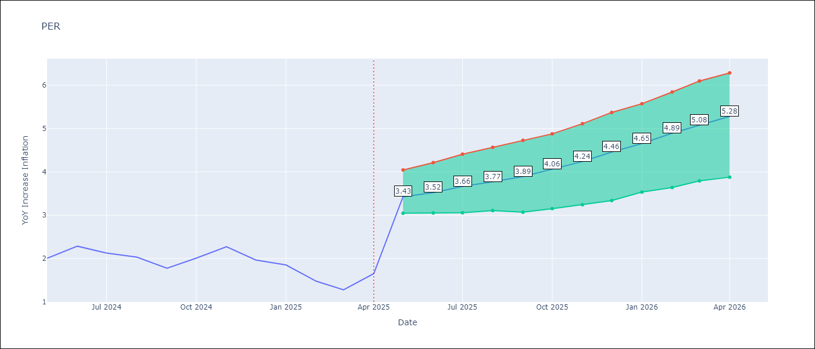

Test Set
RMSE | 2.74 | 4.3914614976990345
Naive RMSE | 2.19 | 2.19
MAPE | 164.16% | 207.99%

Test Predictions
Date | Predicted | Actual | Bias Vector | Bias Corrected
2024-06-01 | 3.65 | 2 | 0.39 | 3.27
2024-07-01 | 3.88 | 2.29 | 0.42 | 3.46
2024-08-01 | 4.12 | 2.13 | 0.46 | 3.66
2024-09-01 | 4.33 | 2.03 | 0.5 | 3.83
2024-10-01 | 4.54 | 1.78 | 0.54 | 4
2024-11-01 | 4.71 | 2.01 | 0.6 | 4.1
2024-12-01 | 4.91 | 2.27 | 0.66 | 4.25
2025-01-01 | 5.1 | 1.97 | 0.7 | 4.4
2025-02-01 | 5.24 | 1.85 | 0.73 | 4.51
2025-03-01 | 5.42 | 1.48 | 0.77 | 4.65
2025-04-01 | 5.64 | 1.28 | 0.79 | 4.85
2025-05-01 | 5.85 | 1.65 | 0.81 | 5.04

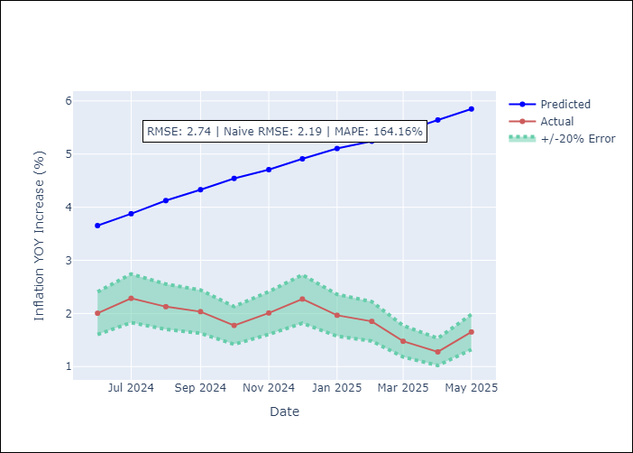
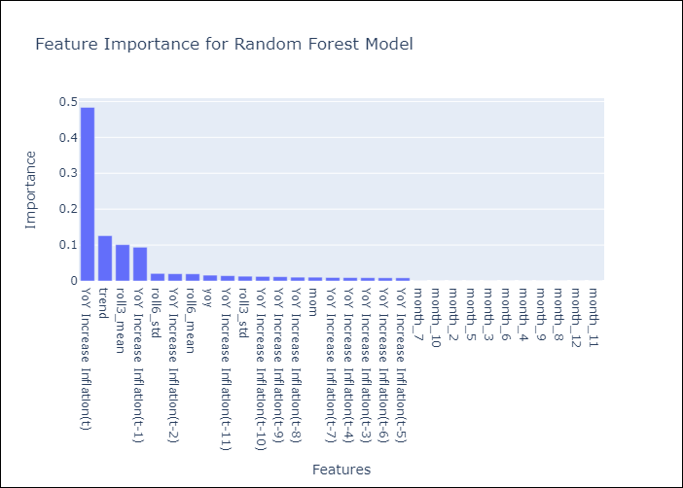

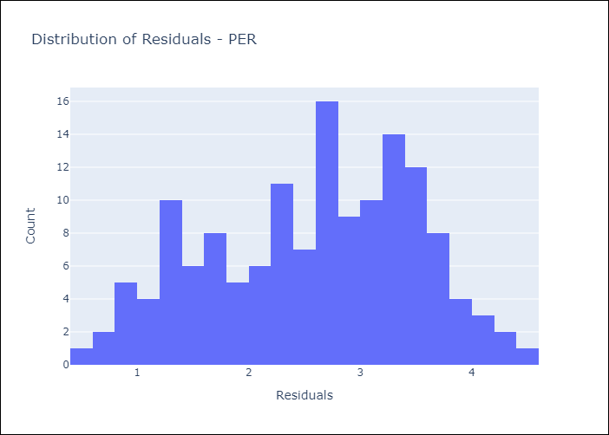
Appendix A: Model Summary
Model | Random Forest w/ Lags
Sample | 1993-12-01 to 2025-04-01
No. of Observations | 377
Residuals
Mean | 2.5795517169
St Dev | 0.92220246468
Kurtosis | -0.80298305187
Skewness | -0.23509003641

Bias-Corrected Residuals
Mean | -4.2445180507
St Dev | 1.126499269
Kurtosis | -1.4084498166
Skewness | -0.185988142

Assumptions | P-value

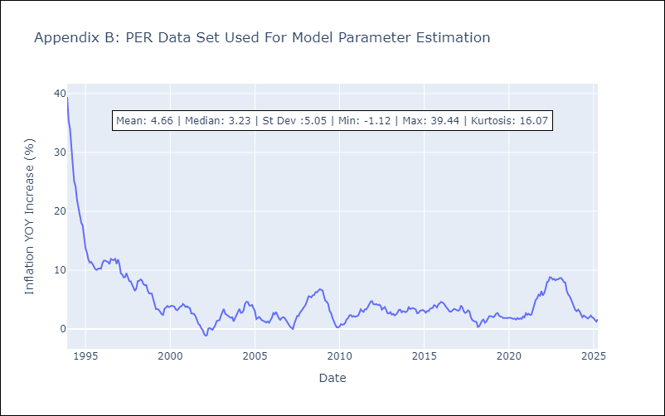

Appendix C: Residuals Analysis
Mean

PRY
PRY - Inflation - Next 12 months forecast as of: 2025-04-01

Model | Random Forest w/ Lags - None
Training Data | 1995-11-01 to 2024-05-01
Test Data | 2024-05-01 to 2025-04-01

Date | Inflation Change YoY % | Lower Bound - 95% Confidence Interval | Upper Bound - 95% Confidence Interval | Bias Corrected Forecast
2025-05-01 | 3.45 | 3.63 | 4.14 | 3.71
2025-06-01 | 3.39 | 3.56 | 4.25 | 3.67
2025-07-01 | 3.37 | 3.58 | 4.18 | 3.67
2025-08-01 | 3.37 | 3.61 | 4.22 | 3.67
2025-09-01 | 3.36 | 3.48 | 4.3 | 3.65
2025-10-01 | 3.39 | 3.53 | 4.36 | 3.68
2025-11-01 | 3.33 | 3.53 | 4.4 | 3.65
2025-12-01 | 3.31 | 3.54 | 4.4 | 3.64
2026-01-01 | 3.28 | 3.51 | 4.26 | 3.63
2026-02-01 | 3.21 | 3.45 | 4.3 | 3.6
2026-03-01 | 3.19 | 3.44 | 4.41 | 3.59
2026-04-01 | 3.22 | 3.51 | 4.53 | 3.63

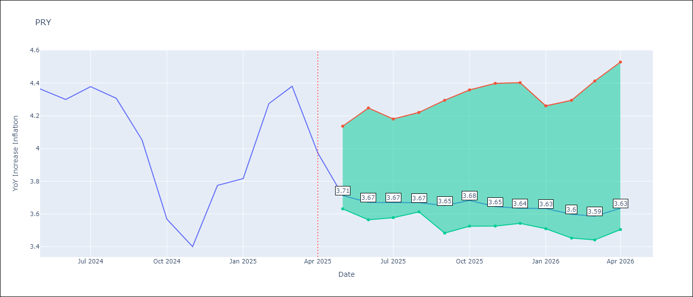

Test Set
RMSE | 0.9 | 1.09955419700523
Naive RMSE | 0.82 | 0.82
MAPE | 26.55% | 14.27%

Test Predictions
Date | Predicted | Actual | Bias Vector | Bias Corrected
2024-06-01 | 3.05 | 4.36 | 0.26 | 2.79
2024-07-01 | 2.95 | 4.3 | 0.28 | 2.66
2024-08-01 | 2.9 | 4.38 | 0.3 | 2.6
2024-09-01 | 2.91 | 4.31 | 0.3 | 2.61
2024-10-01 | 2.94 | 4.05 | 0.29 | 2.65
2024-11-01 | 2.99 | 3.57 | 0.3 | 2.69
2024-12-01 | 2.97 | 3.4 | 0.31 | 2.66
2025-01-01 | 2.93 | 3.78 | 0.32 | 2.6
2025-02-01 | 2.91 | 3.82 | 0.35 | 2.56
2025-03-01 | 2.92 | 4.27 | 0.38 | 2.54
2025-04-01 | 2.96 | 4.38 | 0.4 | 2.56
2025-05-01 | 3.02 | 3.97 | 0.41 | 2.61

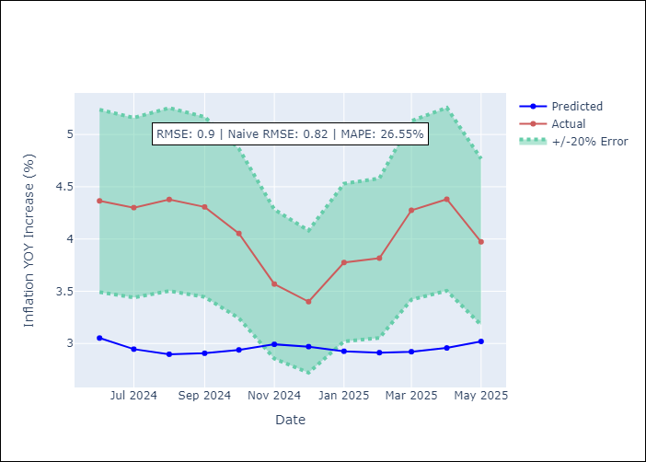
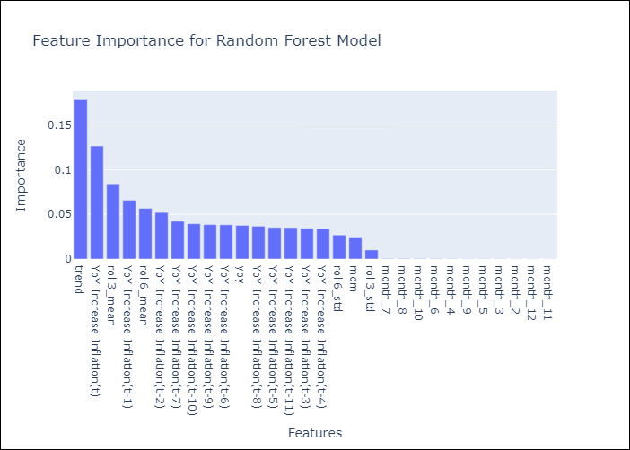

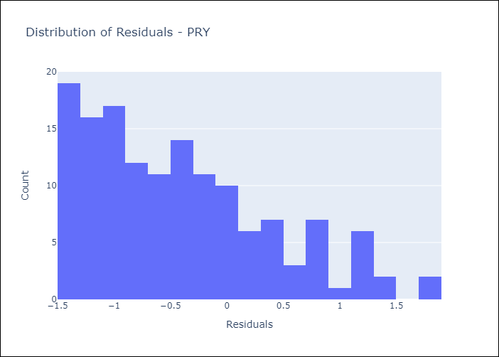
Appendix A: Model Summary
Model | Random Forest w/ Lags
Sample | 1995-11-01 to 2025-04-01
No. of Observations | 354
Residuals
Mean | -0.42745034705
St Dev | 0.79638427957
Kurtosis | -0.23698189863
Skewness | 0.75201390582

Bias-Corrected Residuals
Mean | -1.0553532047
St Dev | 0.30862444096
Kurtosis | -0.88351502796
Skewness | 0.22679223833

Assumptions | P-value



Appendix C: Residuals Analysis
Mean

URY
URY - Inflation - Next 12 months forecast as of: 2025-04-01

Model | Random Forest w/ Lags - None
Training Data | 1991-12-01 to 2024-05-01
Test Data | 2024-05-01 to 2025-04-01

Date | Inflation Change YoY % | Lower Bound - 95% Confidence Interval | Upper Bound - 95% Confidence Interval | Bias Corrected Forecast
2025-05-01 | 6.02 | 8.13 | 8.87 | 8.38
2025-06-01 | 6.41 | 8.32 | 9.24 | 8.75
2025-07-01 | 6.84 | 8.47 | 9.94 | 9.2
2025-08-01 | 7.31 | 8.72 | 10.74 | 9.69
2025-09-01 | 7.78 | 8.94 | 11.32 | 10.17
2025-10-01 | 8.26 | 9.18 | 11.88 | 10.65
2025-11-01 | 8.72 | 9.45 | 12.55 | 11.12
2025-12-01 | 9.15 | 9.68 | 13.1 | 11.55
2026-01-01 | 9.54 | 9.9 | 13.64 | 11.94
2026-02-01 | 9.92 | 10.18 | 14.1 | 12.31
2026-03-01 | 10.24 | 10.4 | 14.43 | 12.6
2026-04-01 | 10.49 | 10.64 | 14.74 | 12.8

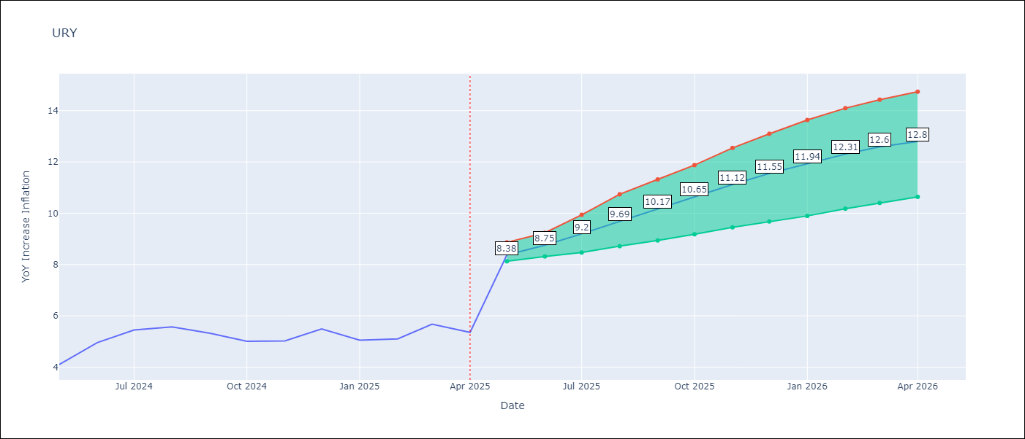

Test Set
RMSE | 2.75 | 4.444832321427931
Naive RMSE | 1.24 | 1.24
MAPE | 51.78% | 99.6%

Test Predictions
Date | Predicted | Actual | Bias Vector | Bias Corrected
2024-06-01 | 5.18 | 4.1 | 2.35 | 2.83
2024-07-01 | 5.47 | 4.96 | 2.35 | 3.12
2024-08-01 | 5.8 | 5.45 | 2.36 | 3.45
2024-09-01 | 6.25 | 5.57 | 2.37 | 3.88
2024-10-01 | 6.73 | 5.32 | 2.39 | 4.34
2024-11-01 | 7.23 | 5.01 | 2.39 | 4.83
2024-12-01 | 7.77 | 5.03 | 2.4 | 5.38
2025-01-01 | 8.43 | 5.49 | 2.4 | 6.03
2025-02-01 | 9.21 | 5.05 | 2.4 | 6.81
2025-03-01 | 10.06 | 5.1 | 2.38 | 7.68
2025-04-01 | 10.87 | 5.67 | 2.35 | 8.52
2025-05-01 | 11.54 | 5.36 | 2.31 | 9.23

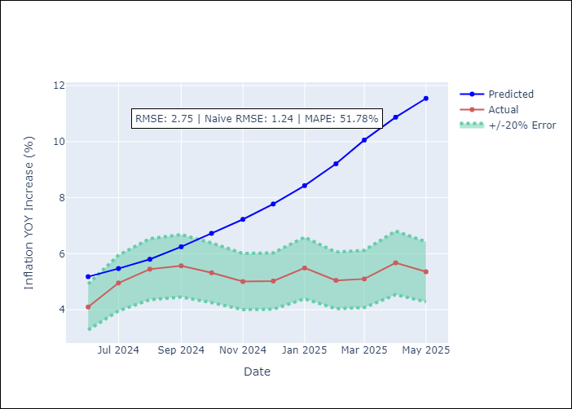
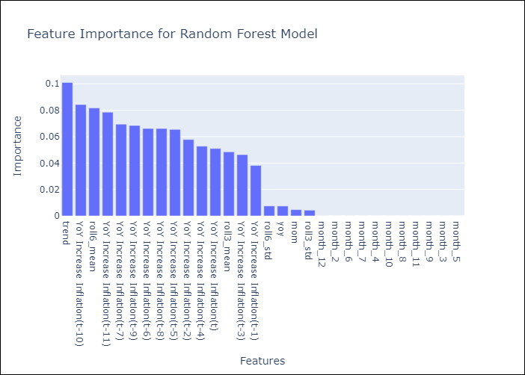

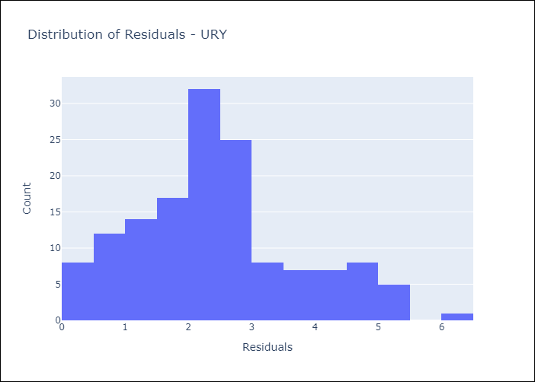
Appendix A: Model Summary
Model | Random Forest w/ Lags
Sample | 1991-12-01 to 2025-04-01
No. of Observations | 401
Residuals
Mean | 2.4219215585
St Dev | 1.3050731261
Kurtosis | -0.06056633188
Skewness | 0.4863329685

Bias-Corrected Residuals
Mean | -4.4247138753
St Dev | 0.42242335112
Kurtosis | 1.2742275287
Skewness | -0.75214887212

Assumptions | P-value

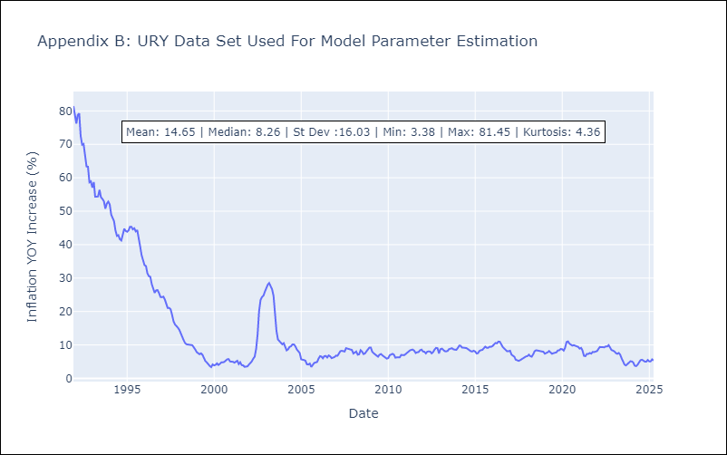

Appendix C: Residuals Analysis
Mean

