CRI
CRI - Inflation - Next 12 months forecast as of: 2025-04-01

Model | Random Forest w/ Lags - None
Training Data | 1994-06-01 to 2024-05-01
Test Data | 2024-05-01 to 2025-04-01

Date | Inflation Change YoY % | Lower Bound - 95% Confidence Interval | Upper Bound - 95% Confidence Interval | Bias Corrected Forecast
2025-05-01 | 1.76 | 1.78 | 3.29 | 2.87
2025-06-01 | 1.94 | 1.96 | 3.71 | 3.11
2025-07-01 | 2.18 | 2.15 | 4.12 | 3.4
2025-08-01 | 2.44 | 2.18 | 4.63 | 3.73
2025-09-01 | 2.94 | 2.38 | 5.17 | 4.29
2025-10-01 | 3.56 | 2.7 | 5.98 | 4.96
2025-11-01 | 4.2 | 2.95 | 6.79 | 5.65
2025-12-01 | 4.95 | 3.21 | 7.63 | 6.42
2026-01-01 | 5.75 | 3.39 | 8.68 | 7.25
2026-02-01 | 6.65 | 3.54 | 9.59 | 8.15
2026-03-01 | 7.47 | 3.71 | 10.33 | 8.93
2026-04-01 | 8.05 | 3.98 | 10.72 | 9.45

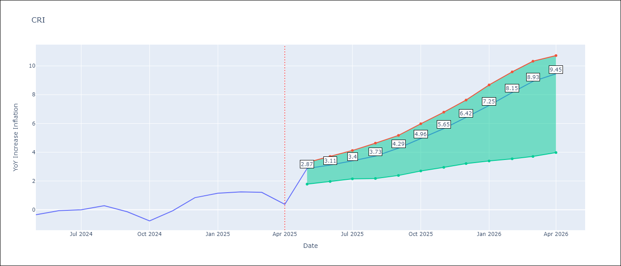

Test Set
RMSE | 3.88 | 3.843146679410018
Naive RMSE | 1.62 | 1.62
MAPE | inf% | inf%

Test Predictions
Date | Predicted | Actual | Bias Vector | Bias Corrected
2024-06-01 | 1.79 | -0.35 | 1.11 | 0.69
2024-07-01 | 1.98 | -0.06 | 1.17 | 0.81
2024-08-01 | 2.23 | 0 | 1.23 | 1.01
2024-09-01 | 2.51 | 0.28 | 1.29 | 1.22
2024-10-01 | 3.02 | -0.14 | 1.34 | 1.68
2024-11-01 | 3.65 | -0.77 | 1.4 | 2.25
2024-12-01 | 4.3 | -0.07 | 1.44 | 2.86
2025-01-01 | 5.06 | 0.84 | 1.47 | 3.59
2025-02-01 | 5.89 | 1.15 | 1.5 | 4.39
2025-03-01 | 6.81 | 1.25 | 1.5 | 5.31
2025-04-01 | 7.65 | 1.21 | 1.46 | 6.19
2025-05-01 | 8.23 | 0.38 | 1.41 | 6.82

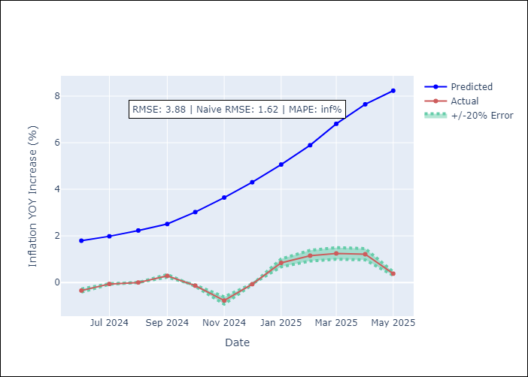
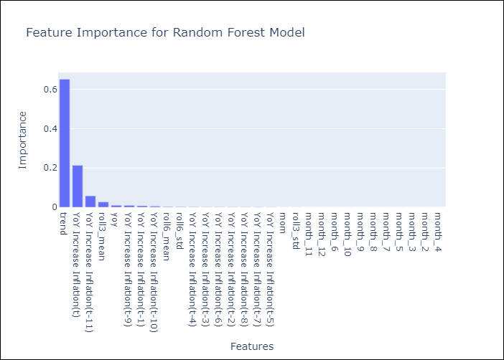

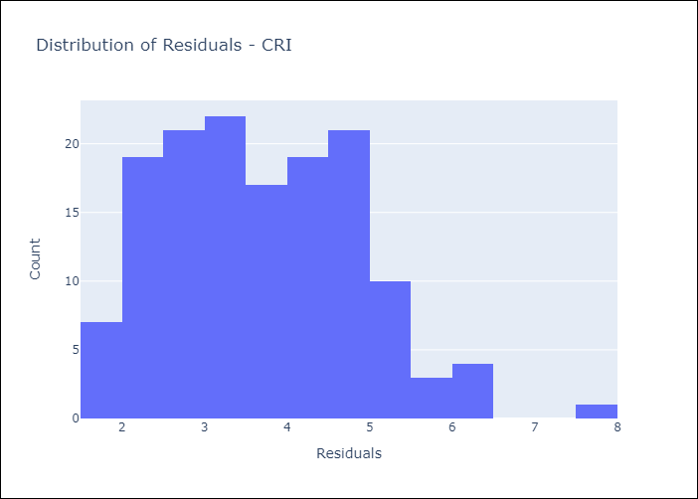
Appendix A: Model Summary
Model | Random Forest w/ Lags
Sample | 1994-06-01 to 2025-04-01
No. of Observations | 371
Residuals
Mean | 3.6927623935
St Dev | 1.1784368957
Kurtosis | -0.093509378551
Skewness | 0.46360886501

Bias-Corrected Residuals
Mean | -3.697021696
St Dev | 1.049669938
Kurtosis | 0.35542070701
Skewness | -0.71637157758

Assumptions | P-value

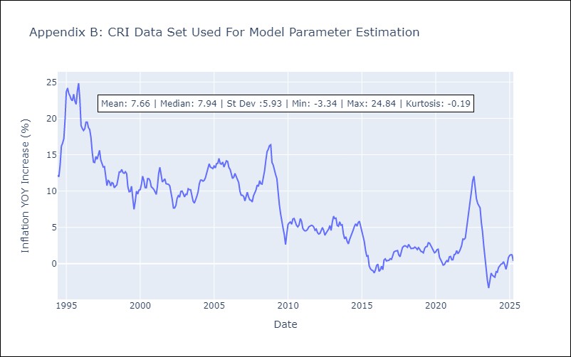

Appendix C: Residuals Analysis
Mean

DOM
DOM - Inflation - Next 12 months forecast as of: 2025-04-01

Model | Random Forest w/ Lags - None
Training Data | 1993-12-01 to 2024-05-01
Test Data | 2024-05-01 to 2025-04-01

Date | Inflation Change YoY % | Lower Bound - 95% Confidence Interval | Upper Bound - 95% Confidence Interval | Bias Corrected Forecast
2025-05-01 | 3.95 | 4.86 | 5.39 | 5.21
2025-06-01 | 3.9 | 4.57 | 5.3 | 4.98
2025-07-01 | 3.86 | 4.3 | 5.25 | 4.75
2025-08-01 | 3.81 | 4.04 | 5.06 | 4.53
2025-09-01 | 3.73 | 3.7 | 4.94 | 4.28
2025-10-01 | 3.62 | 3.31 | 4.71 | 3.96
2025-11-01 | 3.5 | 2.94 | 4.32 | 3.59
2025-12-01 | 3.4 | 2.52 | 3.96 | 3.21
2026-01-01 | 3.35 | 2.14 | 3.53 | 2.82
2026-02-01 | 3.34 | 1.82 | 3.13 | 2.48
2026-03-01 | 3.38 | 1.46 | 2.74 | 2.15
2026-04-01 | 3.45 | 1.08 | 2.42 | 1.81

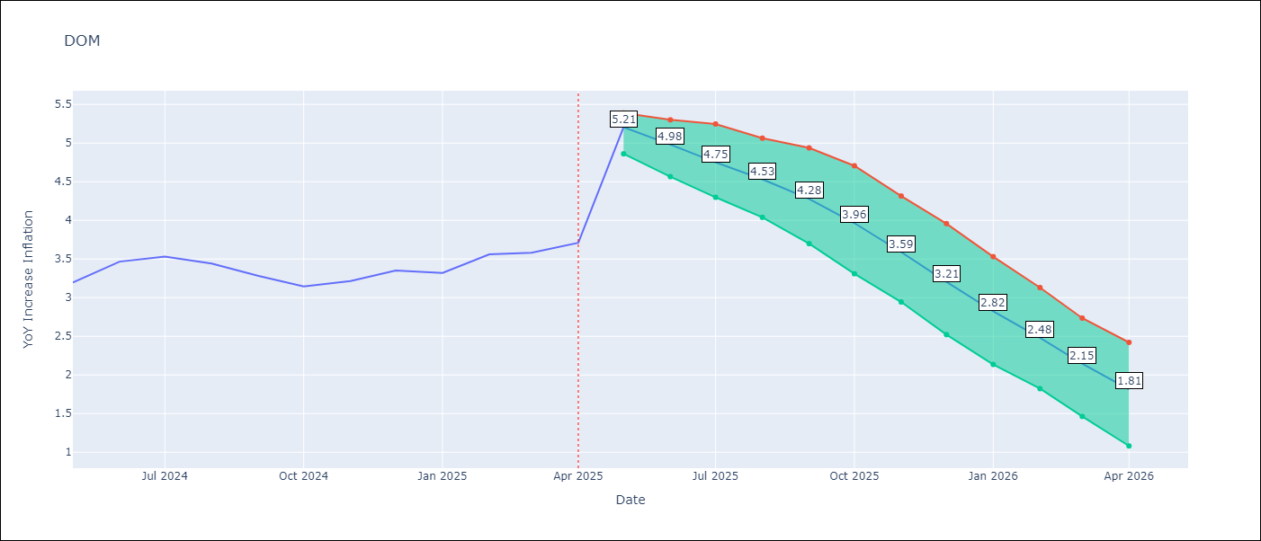

Test Set
RMSE | 1.57 | 2.0812987871376194
Naive RMSE | 0.65 | 0.65
MAPE | 23.38% | 26.45%

Test Predictions
Date | Predicted | Actual | Bias Vector | Bias Corrected
2024-06-01 | 3.05 | 3.2 | 1.26 | 1.79
2024-07-01 | 2.91 | 3.47 | 1.08 | 1.83
2024-08-01 | 2.8 | 3.53 | 0.89 | 1.91
2024-09-01 | 2.71 | 3.44 | 0.72 | 1.99
2024-10-01 | 2.65 | 3.28 | 0.55 | 2.11
2024-11-01 | 2.59 | 3.15 | 0.35 | 2.24
2024-12-01 | 2.48 | 3.21 | 0.09 | 2.39
2025-01-01 | 2.38 | 3.35 | -0.2 | 2.58
2025-02-01 | 2.34 | 3.32 | -0.53 | 2.86
2025-03-01 | 2.36 | 3.56 | -0.86 | 3.22
2025-04-01 | 2.4 | 3.58 | -1.23 | 3.64
2025-05-01 | 2.48 | 3.71 | -1.64 | 4.12

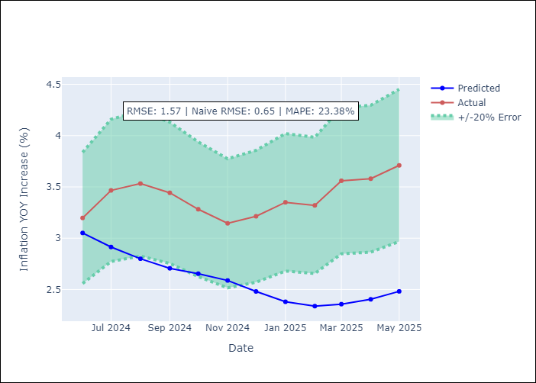
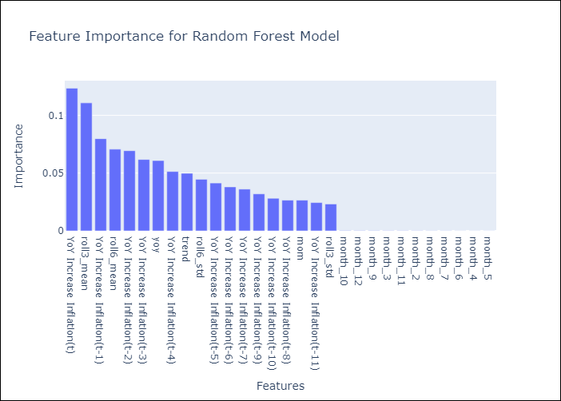

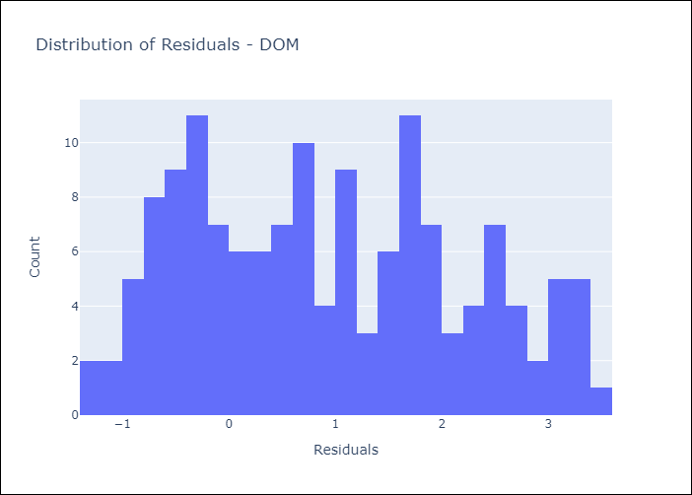
Appendix A: Model Summary
Model | Random Forest w/ Lags
Sample | 1993-12-01 to 2025-04-01
No. of Observations | 377
Residuals
Mean | 0.92738082139
St Dev | 1.2631254415
Kurtosis | -1.048102863
Skewness | 0.21192068562

Bias-Corrected Residuals
Mean | -2.0559270839
St Dev | 0.3239883746
Kurtosis | 1.2244260162
Skewness | -0.12396907426

Assumptions | P-value

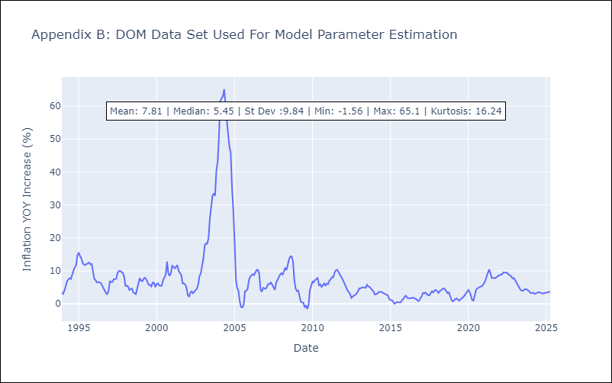

Appendix C: Residuals Analysis
Mean

GTM
GTM - Inflation - Next 12 months forecast as of: 2025-04-01

Model | Random Forest w/ Lags - None
Training Data | 1994-06-01 to 2024-05-01
Test Data | 2024-05-01 to 2025-04-01

Date | Inflation Change YoY % | Lower Bound - 95% Confidence Interval | Upper Bound - 95% Confidence Interval | Bias Corrected Forecast
2025-05-01 | 4.2 | 3.96 | 5.2 | 4.43
2025-06-01 | 4.45 | 4.14 | 5.69 | 4.69
2025-07-01 | 4.76 | 4.33 | 6.32 | 5.03
2025-08-01 | 5.14 | 4.75 | 7.02 | 5.45
2025-09-01 | 5.63 | 5.1 | 7.56 | 5.97
2025-10-01 | 6.13 | 5.59 | 7.81 | 6.51
2025-11-01 | 6.57 | 6.09 | 7.9 | 6.99
2025-12-01 | 6.94 | 6.32 | 8.15 | 7.38
2026-01-01 | 7.17 | 6.62 | 8.3 | 7.62
2026-02-01 | 7.27 | 6.87 | 8.29 | 7.71
2026-03-01 | 7.3 | 6.98 | 8.34 | 7.72
2026-04-01 | 7.32 | 6.95 | 8.32 | 7.73

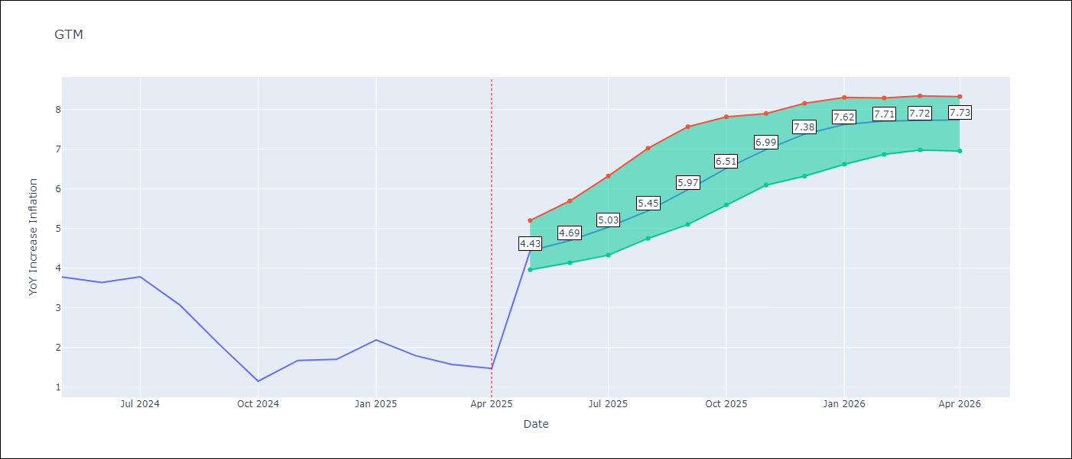

Test Set
RMSE | 3.44 | 2.4353251647014083
Naive RMSE | 1.45 | 1.45
MAPE | 261.74% | 281.65%

Test Predictions
Date | Predicted | Actual | Bias Vector | Bias Corrected
2024-06-01 | 3.63 | 3.77 | 0.24 | 3.39
2024-07-01 | 4.02 | 3.64 | 0.24 | 3.78
2024-08-01 | 4.56 | 3.78 | 0.27 | 4.29
2024-09-01 | 5.17 | 3.07 | 0.31 | 4.87
2024-10-01 | 5.93 | 2.07 | 0.34 | 5.59
2024-11-01 | 6.74 | 1.15 | 0.39 | 6.36
2024-12-01 | 7.46 | 1.67 | 0.42 | 7.04
2025-01-01 | 8.1 | 1.7 | 0.44 | 7.66
2025-02-01 | 8.54 | 2.19 | 0.45 | 8.09
2025-03-01 | 8.77 | 1.79 | 0.43 | 8.34
2025-04-01 | 8.83 | 1.57 | 0.42 | 8.41
2025-05-01 | 8.81 | 1.47 | 0.42 | 8.4

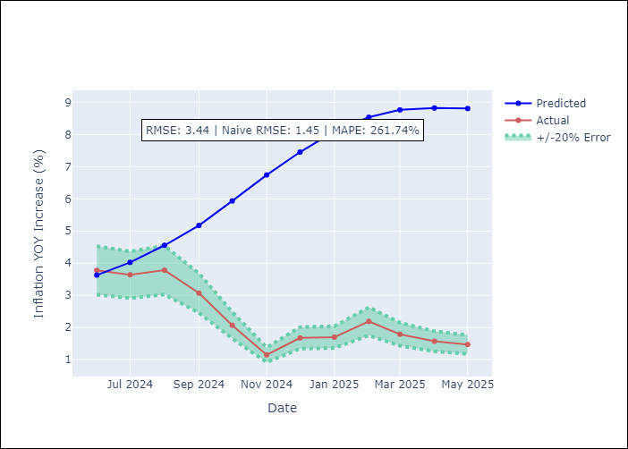
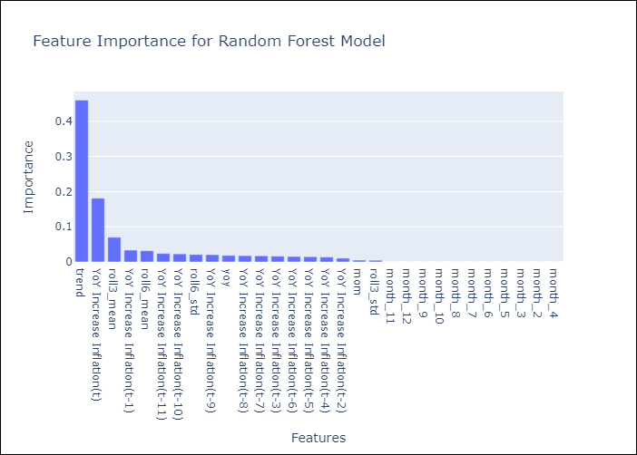

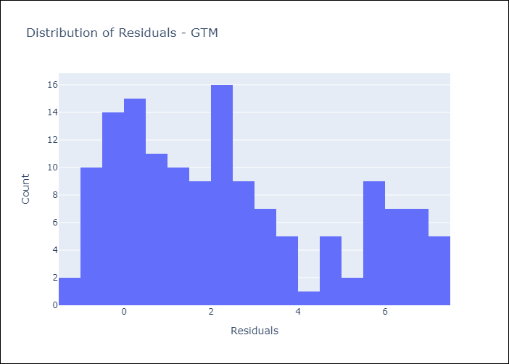
Appendix A: Model Summary
Model | Random Forest w/ Lags
Sample | 1994-06-01 to 2025-04-01
No. of Observations | 371
Residuals
Mean | 2.417672833
St Dev | 2.4469042004
Kurtosis | -0.94627090561
Skewness | 0.51720956071

Bias-Corrected Residuals
Mean | -2.3210218699
St Dev | 0.73733719385
Kurtosis | -0.23617942565
Skewness | -0.49026499397

Assumptions | P-value

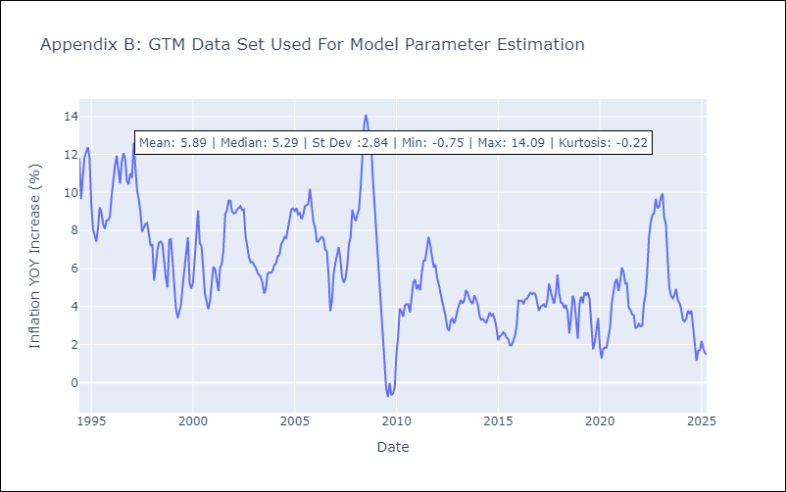

Appendix C: Residuals Analysis
Mean

HND
HND - Inflation - Next 12 months forecast as of: 2025-04-01

Model | Random Forest w/ Lags - None
Training Data | 1994-06-01 to 2024-05-01
Test Data | 2024-05-01 to 2025-04-01

Date | Inflation Change YoY % | Lower Bound - 95% Confidence Interval | Upper Bound - 95% Confidence Interval | Bias Corrected Forecast
2025-05-01 | 5.37 | 6.11 | 6.59 | 6.37
2025-06-01 | 5.45 | 6.2 | 6.7 | 6.52
2025-07-01 | 5.55 | 6.25 | 6.9 | 6.66
2025-08-01 | 5.65 | 6.31 | 7.04 | 6.81
2025-09-01 | 5.74 | 6.32 | 7.13 | 6.93
2025-10-01 | 5.83 | 6.41 | 7.26 | 7.06
2025-11-01 | 5.91 | 6.42 | 7.37 | 7.17
2025-12-01 | 5.98 | 6.44 | 7.56 | 7.25
2026-01-01 | 6 | 6.51 | 7.71 | 7.28
2026-02-01 | 6.02 | 6.5 | 7.75 | 7.28
2026-03-01 | 6.03 | 6.55 | 7.83 | 7.26
2026-04-01 | 6.04 | 6.58 | 7.81 | 7.24

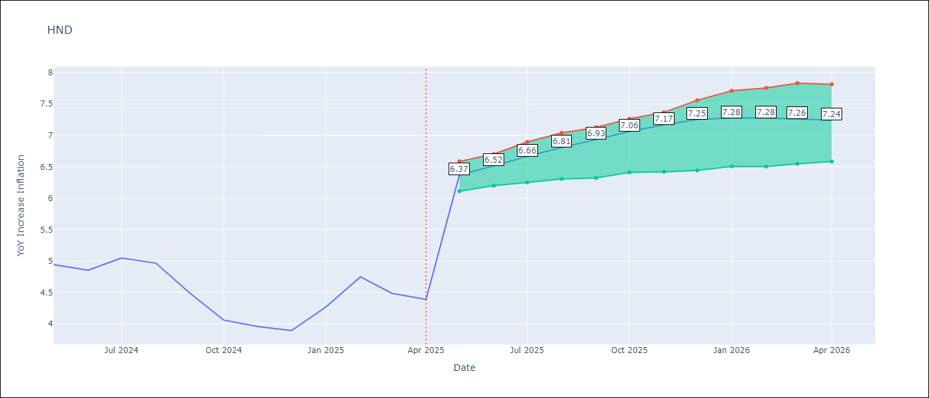

Test Set
RMSE | 1.34 | 2.528317088955721
Naive RMSE | 0.79 | 0.79
MAPE | 36.71% | 63.56%

Test Predictions
Date | Predicted | Actual | Bias Vector | Bias Corrected
2024-06-01 | 5.52 | 4.94 | 1 | 4.52
2024-07-01 | 5.58 | 4.86 | 1.06 | 4.51
2024-08-01 | 5.67 | 5.05 | 1.11 | 4.56
2024-09-01 | 5.81 | 4.97 | 1.16 | 4.66
2024-10-01 | 5.99 | 4.48 | 1.2 | 4.79
2024-11-01 | 6.17 | 4.06 | 1.23 | 4.94
2024-12-01 | 6.28 | 3.96 | 1.26 | 5.03
2025-01-01 | 6.38 | 3.89 | 1.28 | 5.11
2025-02-01 | 6.46 | 4.27 | 1.27 | 5.18
2025-03-01 | 6.5 | 4.75 | 1.25 | 5.25
2025-04-01 | 6.44 | 4.49 | 1.23 | 5.21
2025-05-01 | 6.36 | 4.39 | 1.2 | 5.16

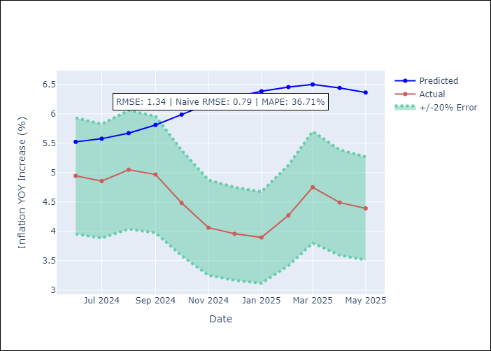
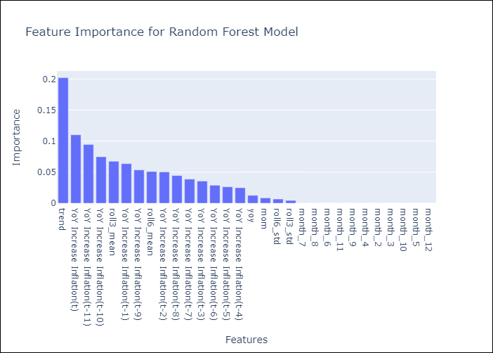

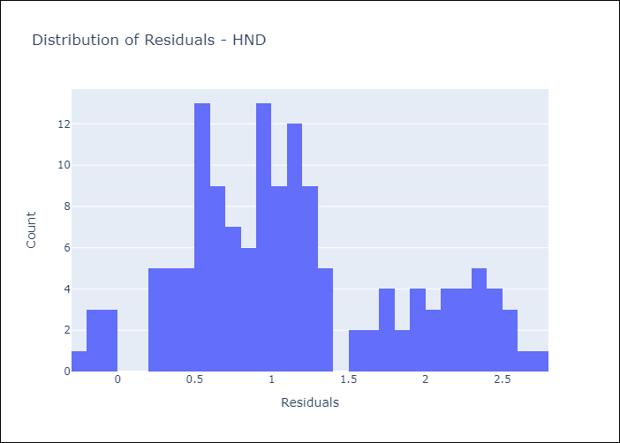
Appendix A: Model Summary
Model | Random Forest w/ Lags
Sample | 1994-06-01 to 2025-04-01
No. of Observations | 371
Residuals
Mean | 1.1421616224
St Dev | 0.70641092257
Kurtosis | -0.5610029654
Skewness | 0.43870247506

Bias-Corrected Residuals
Mean | -2.4987511466
St Dev | 0.38552562797
Kurtosis | -0.82152404931
Skewness | 0.10068058467

Assumptions | P-value

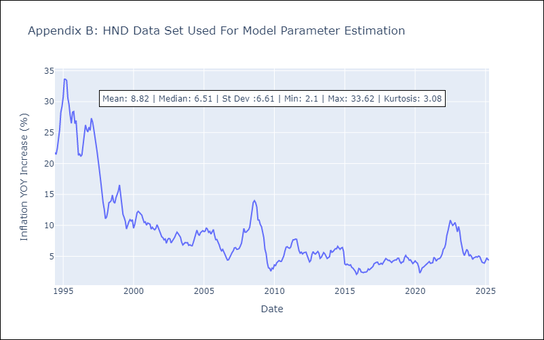

Appendix C: Residuals Analysis
Mean

HTI
HTI - Inflation - Next 12 months forecast as of: 2024-03-01

Model | Random Forest w/ Lags - None
Training Data | 1997-12-01 to 2023-04-01
Test Data | 2023-04-01 to 2024-03-01

Date | Inflation Change YoY % | Lower Bound - 95% Confidence Interval | Upper Bound - 95% Confidence Interval | Bias Corrected Forecast
2024-04-01 | 24.69 | 22.42 | 29.7 | 26.36
2024-05-01 | 23.44 | 22.37 | 28.69 | 25.58
2024-06-01 | 22.46 | 22.56 | 28.42 | 25.08
2024-07-01 | 21.65 | 22.12 | 29.13 | 24.73
2024-08-01 | 21.14 | 21.6 | 29.99 | 24.54
2024-09-01 | 20.68 | 20.97 | 31.2 | 24.29
2024-10-01 | 20.2 | 20.29 | 32.84 | 24.03
2024-11-01 | 19.45 | 19.63 | 34.31 | 23.55
2024-12-01 | 18.82 | 18.5 | 35.11 | 23.11
2025-01-01 | 18.19 | 17.59 | 37.22 | 22.62
2025-02-01 | 17.93 | 17.87 | 37.16 | 22.29
2025-03-01 | 18.21 | 18.02 | 37.02 | 22.36

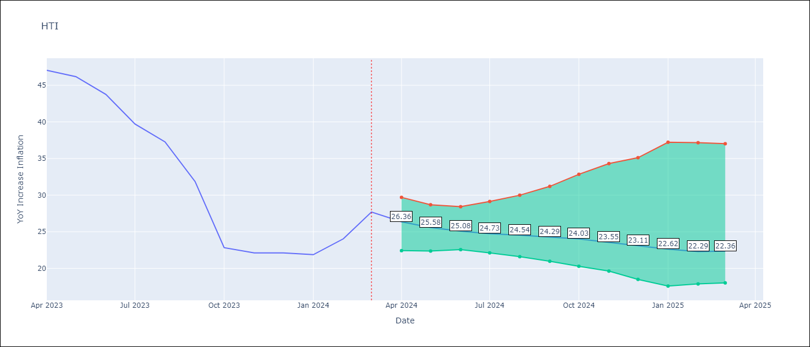

Test Set
RMSE | 19.73 | 10.888794929653224
Naive RMSE | 14.65 | 14.65
MAPE | 20.47% | 22.73%

Test Predictions
Date | Predicted | Actual | Bias Vector | Bias Corrected
2023-05-01 | 31.98 | 47.04 | 1.67 | 30.31
2023-06-01 | 29.9 | 46.18 | 2.14 | 27.77
2023-07-01 | 27.86 | 43.75 | 2.62 | 25.24
2023-08-01 | 25.86 | 39.71 | 3.08 | 22.78
2023-09-01 | 24.48 | 37.27 | 3.4 | 21.08
2023-10-01 | 23.48 | 31.86 | 3.6 | 19.87
2023-11-01 | 23.43 | 22.83 | 3.82 | 19.6
2023-12-01 | 23.38 | 22.12 | 4.09 | 19.28
2024-01-01 | 23.29 | 22.12 | 4.29 | 19
2024-02-01 | 22.85 | 21.87 | 4.44 | 18.41
2024-03-01 | 22.36 | 24.04 | 4.37 | 17.99
2024-04-01 | 21.75 | 27.7 | 4.14 | 17.61

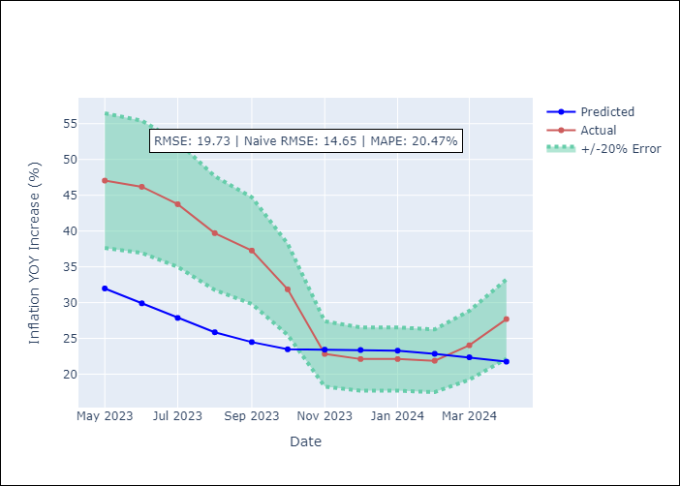
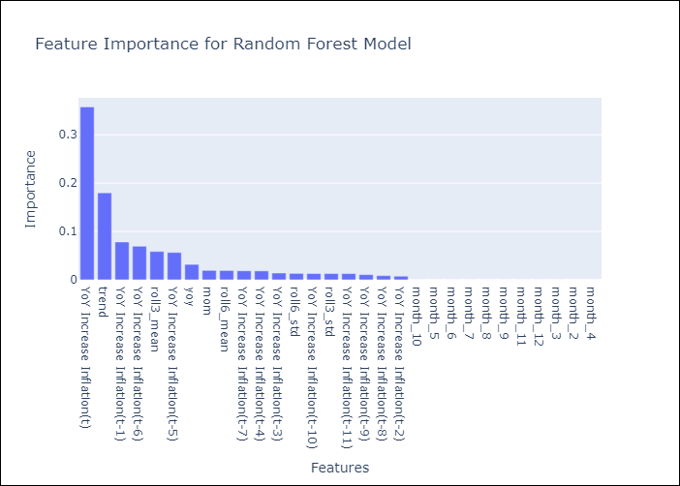

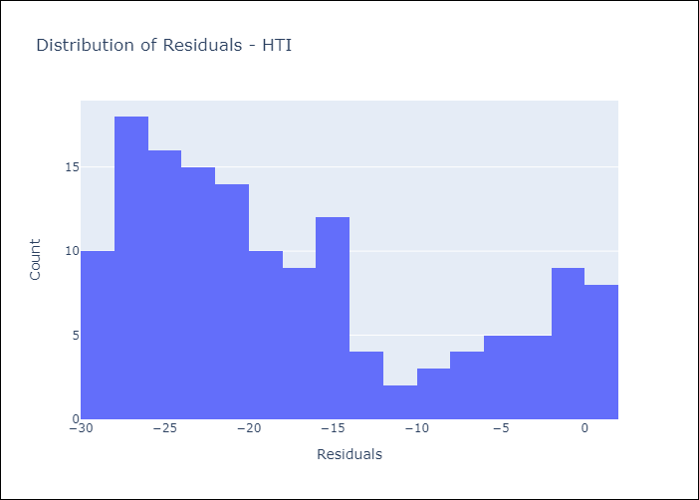
Appendix A: Model Summary
Model | Random Forest w/ Lags
Sample | 1997-12-01 to 2024-03-01
No. of Observations | 316
Residuals
Mean | -17.419690393
St Dev | 9.2577017677
Kurtosis | -0.80965952643
Skewness | 0.69327408421

Bias-Corrected Residuals
Mean | 3.7008564557
St Dev | 10.240581845
Kurtosis | -1.7377529967
Skewness | 0.36279906486

Assumptions | P-value

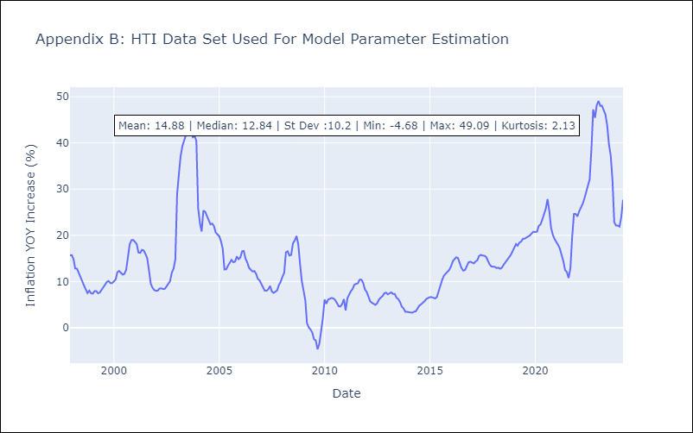

Appendix C: Residuals Analysis
Mean

MEX
MEX - Inflation - Next 12 months forecast as of: 2025-04-01

Model | Random Forest w/ Lags - None
Training Data | 1991-12-01 to 2024-05-01
Test Data | 2024-05-01 to 2025-04-01

Date | Inflation Change YoY % | Lower Bound - 95% Confidence Interval | Upper Bound - 95% Confidence Interval | Bias Corrected Forecast
2025-05-01 | 4.36 | 7.41 | 8.03 | 7.7
2025-06-01 | 4.35 | 7.39 | 8.11 | 7.77
2025-07-01 | 4.37 | 7.39 | 8.18 | 7.85
2025-08-01 | 4.38 | 7.33 | 8.29 | 7.9
2025-09-01 | 4.37 | 7.32 | 8.32 | 7.92
2025-10-01 | 4.36 | 7.31 | 8.34 | 7.94
2025-11-01 | 4.34 | 7.26 | 8.4 | 7.94
2025-12-01 | 4.33 | 7.22 | 8.45 | 7.94
2026-01-01 | 4.33 | 7.19 | 8.57 | 7.94
2026-02-01 | 4.36 | 7.18 | 8.63 | 7.95
2026-03-01 | 4.41 | 7.12 | 8.74 | 7.97
2026-04-01 | 4.46 | 7.05 | 8.72 | 7.99

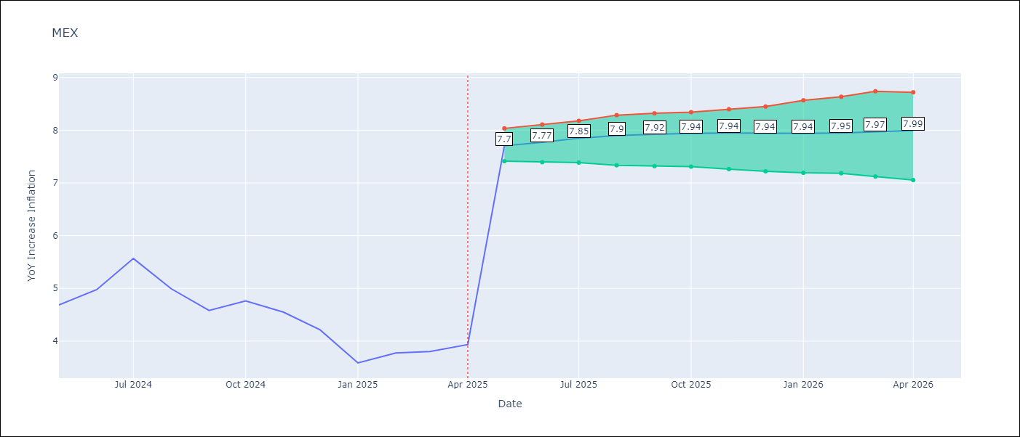

Test Set
RMSE | 0.68 | 5.150983251524867
Naive RMSE | 0.6 | 0.6
MAPE | 10.82% | 80.4%

Test Predictions
Date | Predicted | Actual | Bias Vector | Bias Corrected
2024-06-01 | 4.33 | 4.69 | 3.35 | 0.98
2024-07-01 | 4.23 | 4.98 | 3.42 | 0.81
2024-08-01 | 4.16 | 5.57 | 3.48 | 0.68
2024-09-01 | 4.13 | 4.99 | 3.52 | 0.61
2024-10-01 | 4.14 | 4.58 | 3.55 | 0.59
2024-11-01 | 4.14 | 4.76 | 3.58 | 0.56
2024-12-01 | 4.16 | 4.55 | 3.6 | 0.56
2025-01-01 | 4.16 | 4.21 | 3.61 | 0.55
2025-02-01 | 4.15 | 3.59 | 3.6 | 0.55
2025-03-01 | 4.1 | 3.77 | 3.58 | 0.52
2025-04-01 | 4.03 | 3.8 | 3.56 | 0.47
2025-05-01 | 4.01 | 3.93 | 3.53 | 0.48

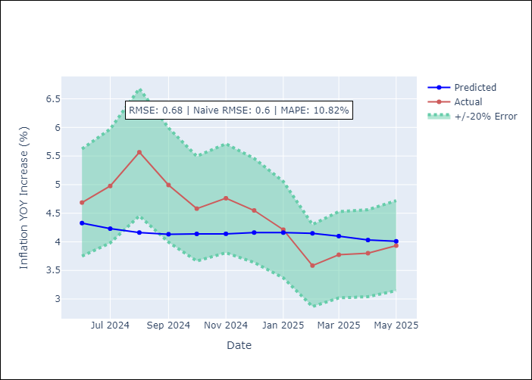
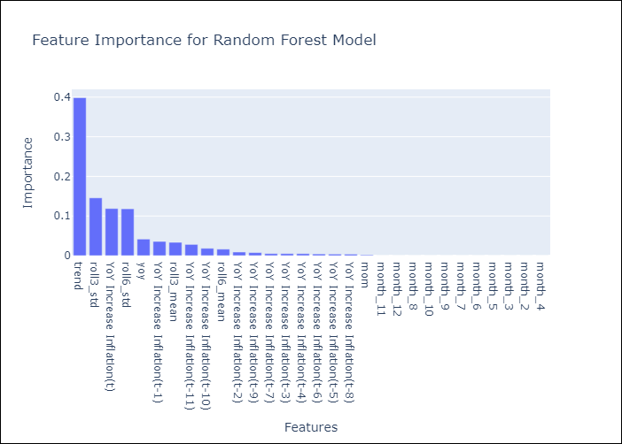

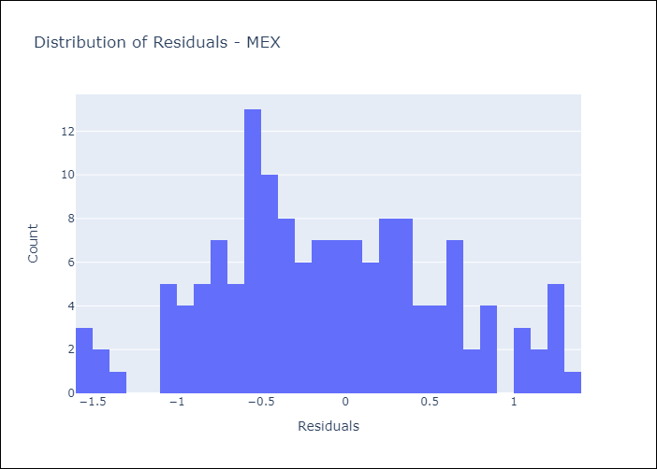
Appendix A: Model Summary
Model | Random Forest w/ Lags
Sample | 1991-12-01 to 2025-04-01
No. of Observations | 401
Residuals
Mean | -0.10959661833
St Dev | 0.66780093186
Kurtosis | -0.46616809691
Skewness | 0.13720510012

Bias-Corrected Residuals
Mean | -5.0955256645
St Dev | 0.75382137132
Kurtosis | -1.277334128
Skewness | -0.063197567816

Assumptions | P-value

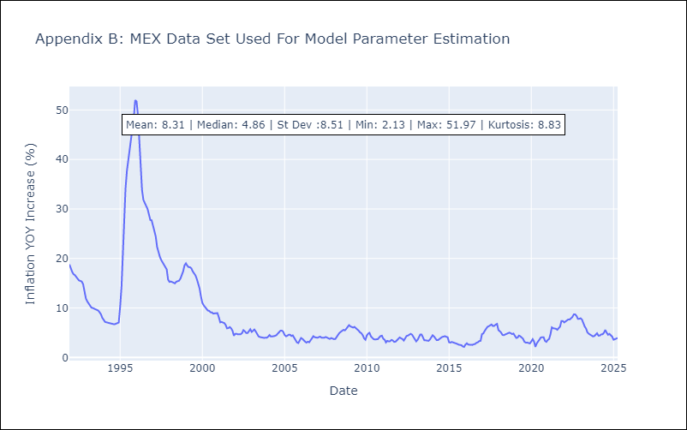

Appendix C: Residuals Analysis
Mean

NIC
NIC - Inflation - Next 12 months forecast as of: 2025-04-01

Model | Random Forest w/ Lags - None
Training Data | 2012-11-01 to 2024-04-01
Test Data | 2024-04-01 to 2025-04-01

Date | Inflation Change YoY % | Lower Bound - 95% Confidence Interval | Upper Bound - 95% Confidence Interval | Bias Corrected Forecast
2025-05-01 | 7.35 | 7.09 | 8.55 | 7.7
2025-06-01 | 7.49 | 7.21 | 8.77 | 7.91
2025-07-01 | 7.61 | 7.41 | 8.77 | 8.05
2025-08-01 | 7.62 | 7.27 | 8.83 | 8.07
2025-09-01 | 7.56 | 7.35 | 8.76 | 8.07
2025-10-01 | 7.53 | 7.29 | 8.8 | 8.07
2025-11-01 | 7.47 | 7.31 | 8.71 | 8.04
2025-12-01 | 7.44 | 7.24 | 8.65 | 8.02
2026-01-01 | 7.37 | 7.23 | 8.51 | 7.93
2026-02-01 | 7.35 | 7.2 | 8.42 | 7.88
2026-03-01 | 7.28 | 7.03 | 8.22 | 7.78
2026-04-01 | 7.26 | 6.99 | 8.05 | 7.72

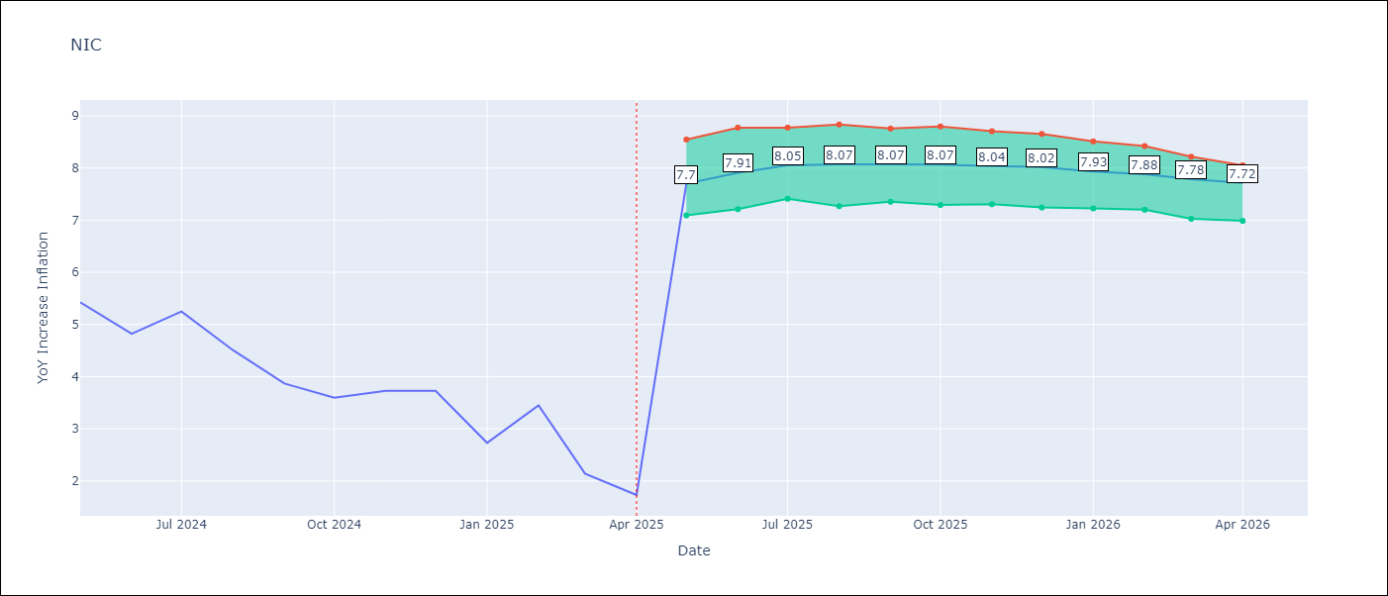

Test Set
RMSE | 2.36 | 4.553797333413055
Naive RMSE | 2.33 | 2.33
MAPE | 81.11% | 92.93%

Test Predictions
Date | Predicted | Actual | Bias Vector | Bias Corrected
2024-05-01 | 5.73 | 5.42 | 0.34 | 5.38
2024-06-01 | 5.57 | 5.43 | 0.42 | 5.15
2024-07-01 | 5.64 | 4.82 | 0.44 | 5.2
2024-08-01 | 5.71 | 5.25 | 0.45 | 5.26
2024-09-01 | 5.86 | 4.51 | 0.51 | 5.35
2024-10-01 | 5.96 | 3.87 | 0.54 | 5.42
2024-11-01 | 6.17 | 3.59 | 0.57 | 5.6
2024-12-01 | 6.29 | 3.73 | 0.58 | 5.71
2025-01-01 | 6.42 | 2.73 | 0.56 | 5.86
2025-02-01 | 6.52 | 3.45 | 0.53 | 5.99
2025-03-01 | 6.53 | 2.14 | 0.5 | 6.03
2025-04-01 | 6.67 | 1.73 | 0.45 | 6.21

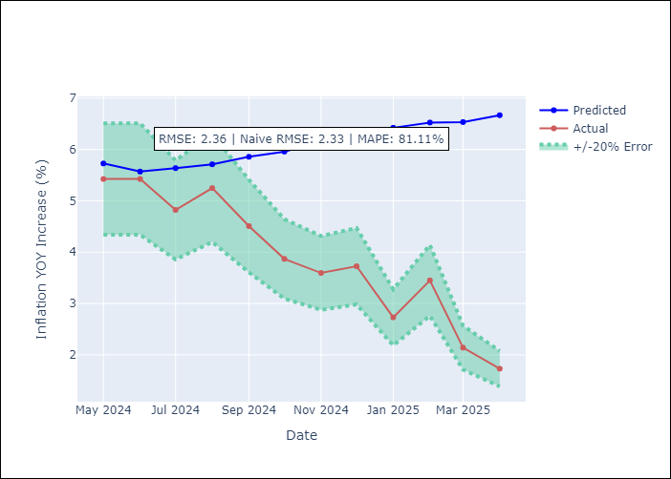
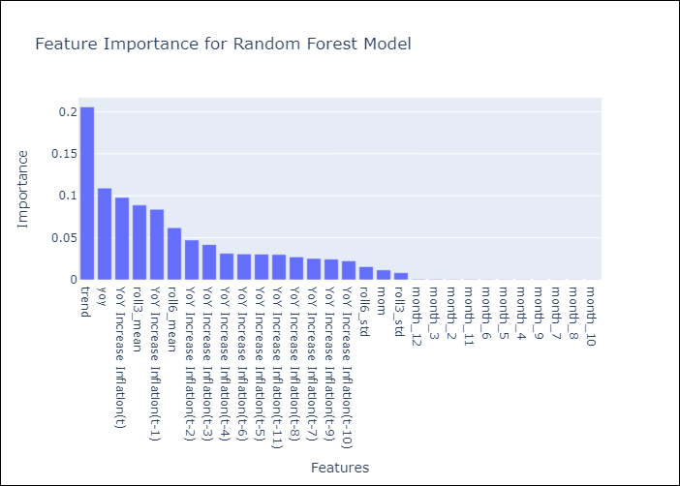

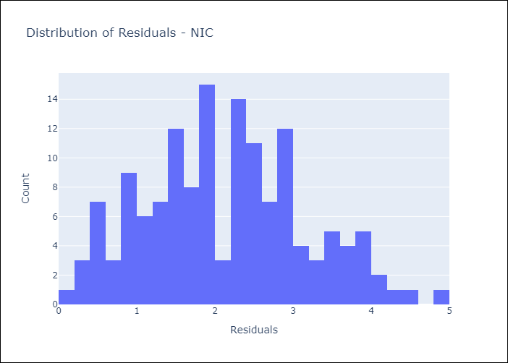
Appendix A: Model Summary
Model | Random Forest w/ Lags
Sample | 2012-11-01 to 2025-04-01
No. of Observations | 149
Residuals
Mean | 2.1258531573
St Dev | 1.0247083911
Kurtosis | -0.46254738593
Skewness | 0.26306076659

Bias-Corrected Residuals
Mean | -4.5158692708
St Dev | 0.58651076976
Kurtosis | 0.22179253891
Skewness | 0.078736906678

Assumptions | P-value

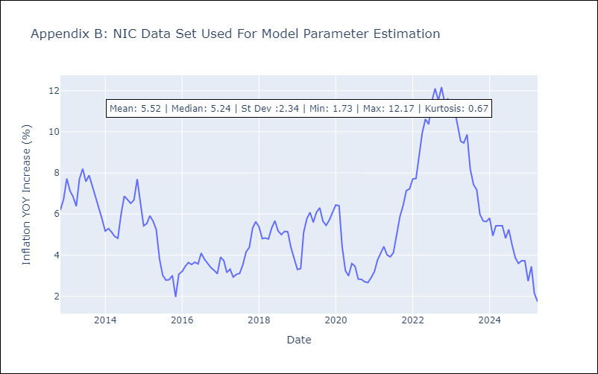

Appendix C: Residuals Analysis
Mean

PAN
PAN - Inflation - Next 12 months forecast as of: 2025-04-01

Model | Random Forest w/ Lags - None
Training Data | 1994-06-01 to 2024-05-01
Test Data | 2024-05-01 to 2025-04-01

Date | Inflation Change YoY % | Lower Bound - 95% Confidence Interval | Upper Bound - 95% Confidence Interval | Bias Corrected Forecast
2025-05-01 | -0.63 | -0.88 | 0.04 | -0.77
2025-06-01 | -0.62 | -0.84 | 0.01 | -0.78
2025-07-01 | -0.53 | -0.81 | 0.12 | -0.7
2025-08-01 | -0.42 | -0.69 | 0.16 | -0.59
2025-09-01 | -0.32 | -0.74 | 0.26 | -0.5
2025-10-01 | -0.19 | -0.75 | 0.21 | -0.41
2025-11-01 | -0.11 | -0.72 | 0.21 | -0.38
2025-12-01 | -0.05 | -0.9 | 0.25 | -0.36
2026-01-01 | -0.04 | -0.98 | 0.52 | -0.38
2026-02-01 | -0.04 | -1.15 | 0.54 | -0.42
2026-03-01 | -0.03 | -1.28 | 0.49 | -0.41
2026-04-01 | 0.02 | -1.37 | 0.29 | -0.39

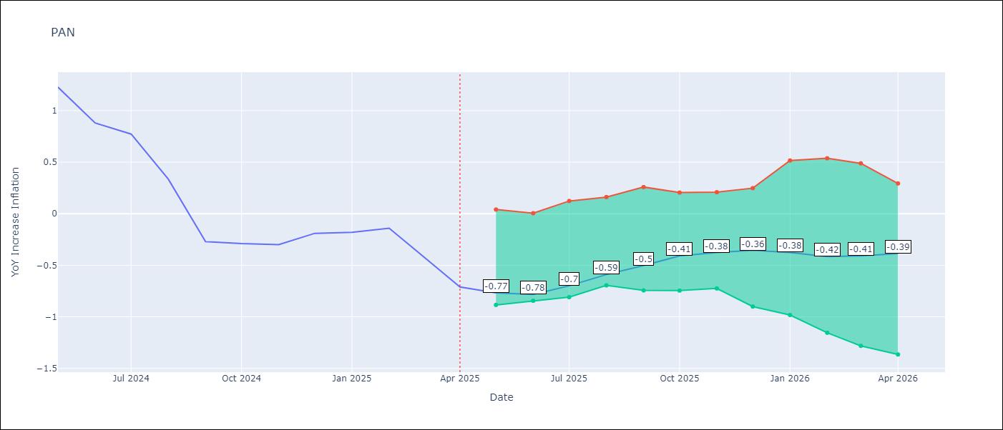

Test Set
RMSE | 1.06 | 1.0843510694165222
Naive RMSE | 1.45 | 1.45
MAPE | 282.81% | -220.5%

Test Predictions
Date | Predicted | Actual | Bias Vector | Bias Corrected
2024-06-01 | 1.35 | 1.23 | -0.13 | 1.48
2024-07-01 | 1.1 | 0.88 | -0.16 | 1.26
2024-08-01 | 0.81 | 0.77 | -0.17 | 0.98
2024-09-01 | 0.74 | 0.33 | -0.17 | 0.92
2024-10-01 | 0.58 | -0.27 | -0.19 | 0.77
2024-11-01 | 0.53 | -0.29 | -0.22 | 0.75
2024-12-01 | 0.57 | -0.3 | -0.27 | 0.84
2025-01-01 | 0.71 | -0.19 | -0.31 | 1.02
2025-02-01 | 0.86 | -0.18 | -0.33 | 1.19
2025-03-01 | 0.91 | -0.14 | -0.38 | 1.29
2025-04-01 | 0.89 | -0.41 | -0.38 | 1.27
2025-05-01 | 0.9 | -0.71 | -0.41 | 1.3

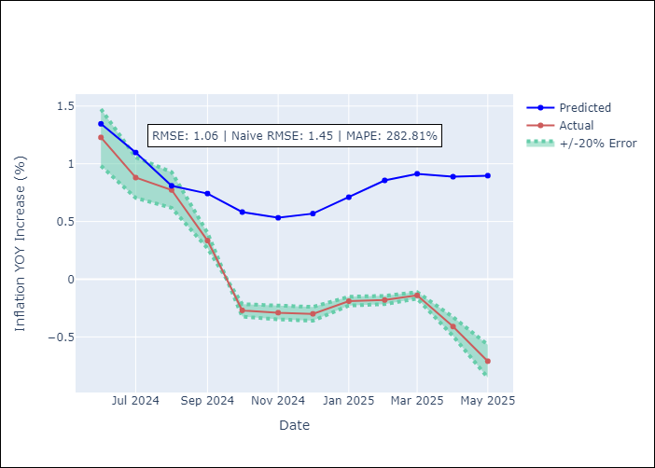
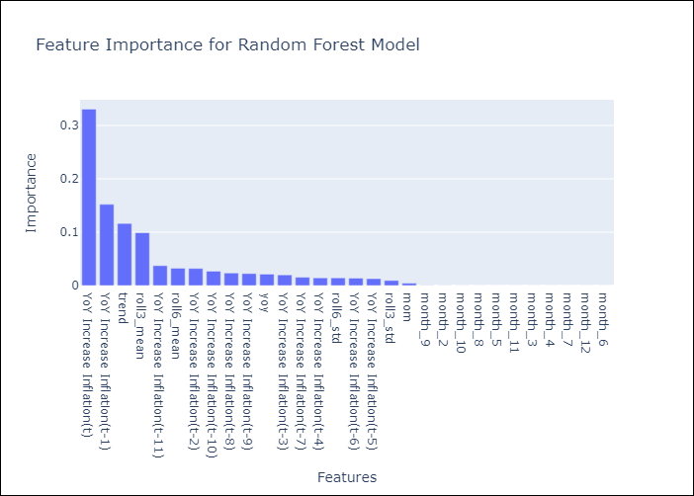

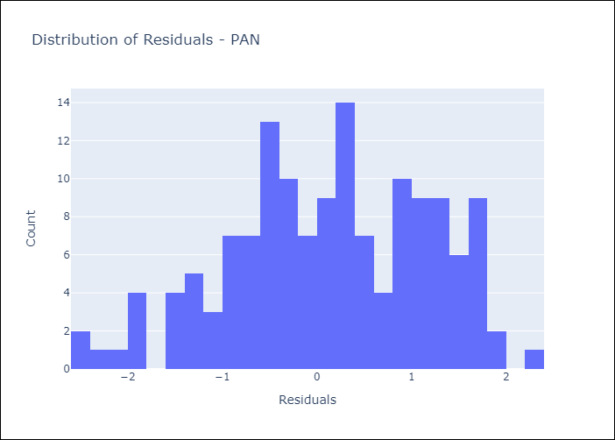
Appendix A: Model Summary
Model | Random Forest w/ Lags
Sample | 1994-06-01 to 2025-04-01
No. of Observations | 371
Residuals
Mean | 0.12267378697
St Dev | 1.0504165142
Kurtosis | -0.56144102041
Skewness | -0.26374947181

Bias-Corrected Residuals
Mean | -0.64089177233
St Dev | 0.87468564519
Kurtosis | -0.63012622978
Skewness | 0.67464426632

Assumptions | P-value

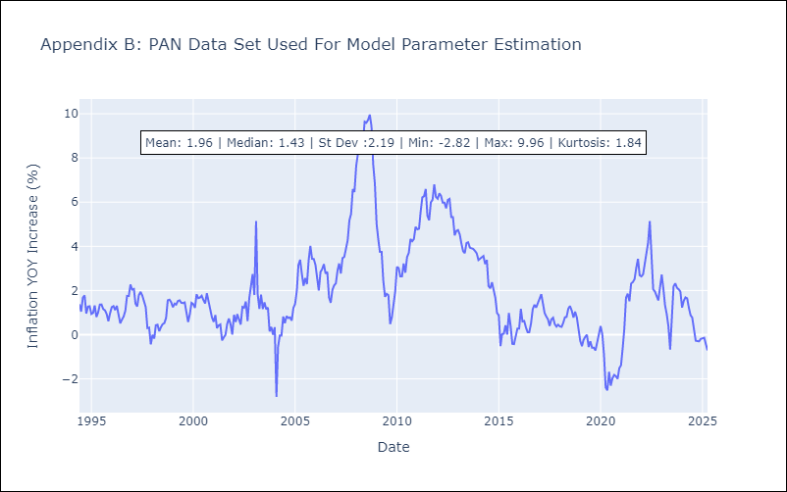

Appendix C: Residuals Analysis
Mean

SLV
SLV - Inflation - Next 12 months forecast as of: 2025-04-01

Model | Random Forest w/ Lags - None
Training Data | 1994-06-01 to 2024-05-01
Test Data | 2024-05-01 to 2025-04-01

Date | Inflation Change YoY % | Lower Bound - 95% Confidence Interval | Upper Bound - 95% Confidence Interval | Bias Corrected Forecast
2025-05-01 | 0.96 | 0.73 | 1.71 | 1.3
2025-06-01 | 1.19 | 0.91 | 2.06 | 1.62
2025-07-01 | 1.42 | 1.01 | 2.32 | 1.92
2025-08-01 | 1.72 | 1.31 | 2.72 | 2.27
2025-09-01 | 2.09 | 1.66 | 3.19 | 2.66
2025-10-01 | 2.41 | 1.96 | 3.45 | 2.98
2025-11-01 | 2.7 | 2.19 | 3.65 | 3.27
2025-12-01 | 2.99 | 2.28 | 3.94 | 3.57
2026-01-01 | 3.28 | 2.39 | 4.28 | 3.85
2026-02-01 | 3.59 | 2.63 | 4.58 | 4.13
2026-03-01 | 3.89 | 2.98 | 4.8 | 4.4
2026-04-01 | 4.18 | 3.27 | 5.04 | 4.63

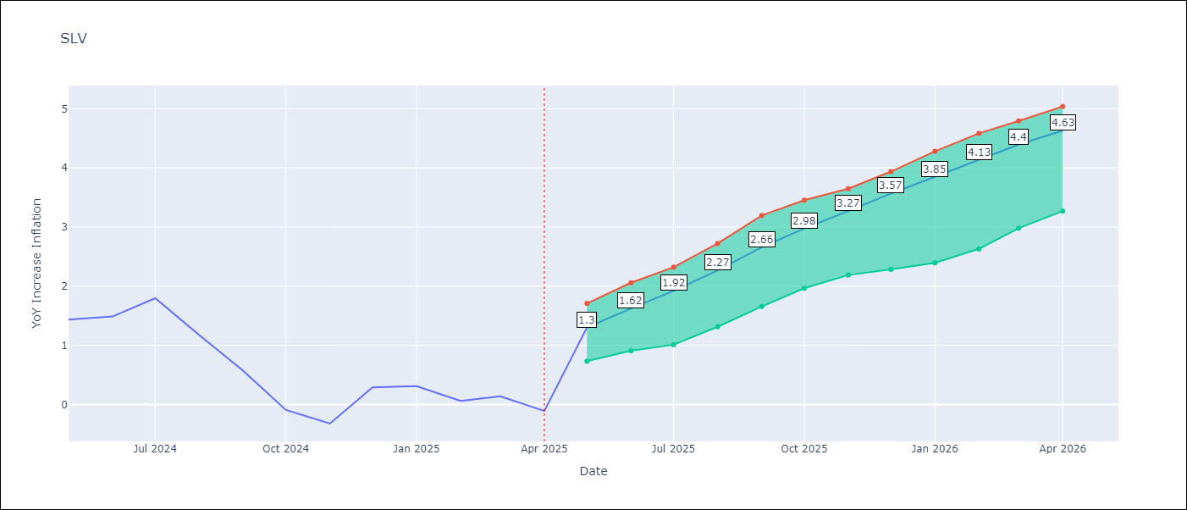

Test Set
RMSE | 1.72 | 1.7387346762183715
Naive RMSE | 1.51 | 1.51
MAPE | 1359.8% | 302.46%

Test Predictions
Date | Predicted | Actual | Bias Vector | Bias Corrected
2024-06-01 | 0.68 | 1.44 | 0.35 | 0.34
2024-07-01 | 0.87 | 1.49 | 0.44 | 0.43
2024-08-01 | 1.07 | 1.8 | 0.5 | 0.57
2024-09-01 | 1.34 | 1.17 | 0.55 | 0.79
2024-10-01 | 1.69 | 0.57 | 0.57 | 1.12
2024-11-01 | 2.03 | -0.09 | 0.57 | 1.46
2024-12-01 | 2.35 | -0.32 | 0.57 | 1.78
2025-01-01 | 2.65 | 0.29 | 0.58 | 2.07
2025-02-01 | 2.94 | 0.31 | 0.57 | 2.37
2025-03-01 | 3.23 | 0.06 | 0.54 | 2.68
2025-04-01 | 3.5 | 0.14 | 0.51 | 2.99
2025-05-01 | 3.75 | -0.11 | 0.45 | 3.3

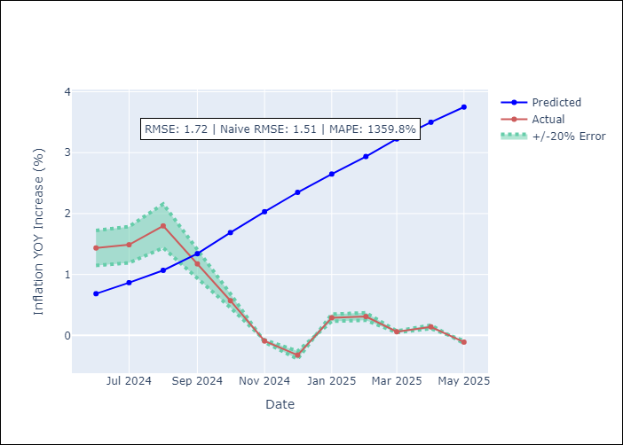
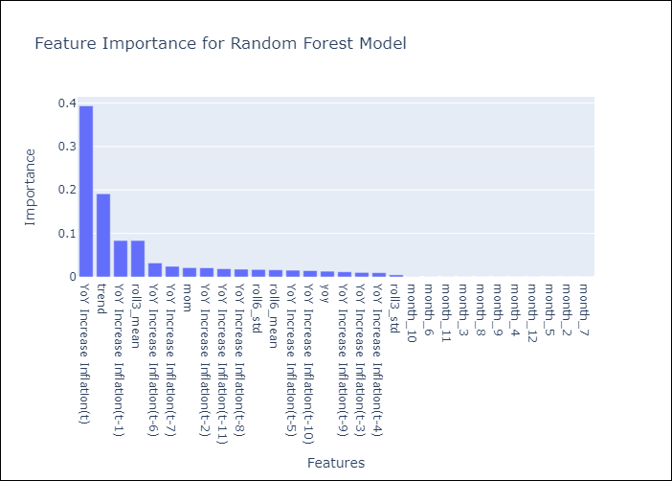

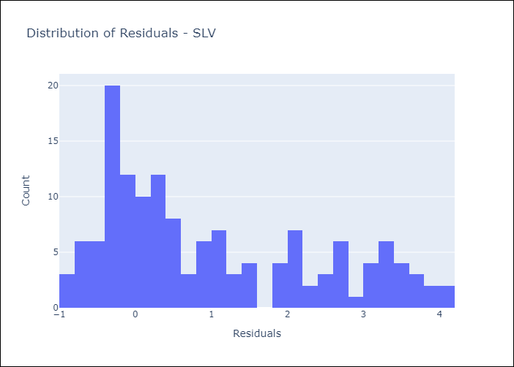
Appendix A: Model Summary
Model | Random Forest w/ Lags
Sample | 1994-06-01 to 2025-04-01
No. of Observations | 371
Residuals
Mean | 0.99631140766
St Dev | 1.4015902326
Kurtosis | -0.84566907086
Skewness | 0.66634369926

Bias-Corrected Residuals
Mean | -1.6557586549
St Dev | 0.53071795813
Kurtosis | 2.1510219022
Skewness | -1.2422504473

Assumptions | P-value

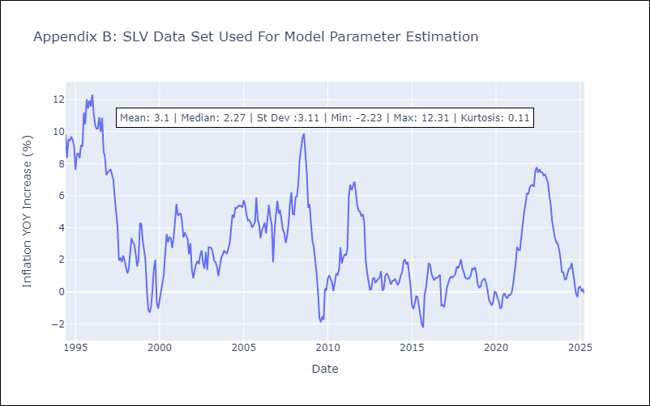

Appendix C: Residuals Analysis
Mean

