ATG
ATG - Inflation - Next 12 months forecast as of: 2025-01-01

Model | Random Forest w/ Lags - None
Training Data | 2003-12-01 to 2024-02-01
Test Data | 2024-02-01 to 2025-01-01

Date | Inflation Change YoY % | Lower Bound - 95% Confidence Interval | Upper Bound - 95% Confidence Interval | Bias Corrected Forecast
2025-02-01 | 5.25 | 4.52 | 5.61 | 5.37
2025-03-01 | 5.4 | 4.53 | 6.07 | 5.56
2025-04-01 | 5.76 | 4.57 | 6.34 | 5.97
2025-05-01 | 5.92 | 4.67 | 6.78 | 6.16
2025-06-01 | 5.87 | 4.47 | 6.75 | 6.11
2025-07-01 | 6.09 | 4.78 | 6.74 | 6.38
2025-08-01 | 6.15 | 4.65 | 7.02 | 6.51
2025-09-01 | 6.16 | 4.91 | 7.02 | 6.57
2025-10-01 | 6.17 | 5.28 | 6.91 | 6.59
2025-11-01 | 6.02 | 5.05 | 6.73 | 6.43
2025-12-01 | 5.93 | 5.02 | 6.57 | 6.32
2026-01-01 | 6.15 | 5.23 | 6.86 | 6.5

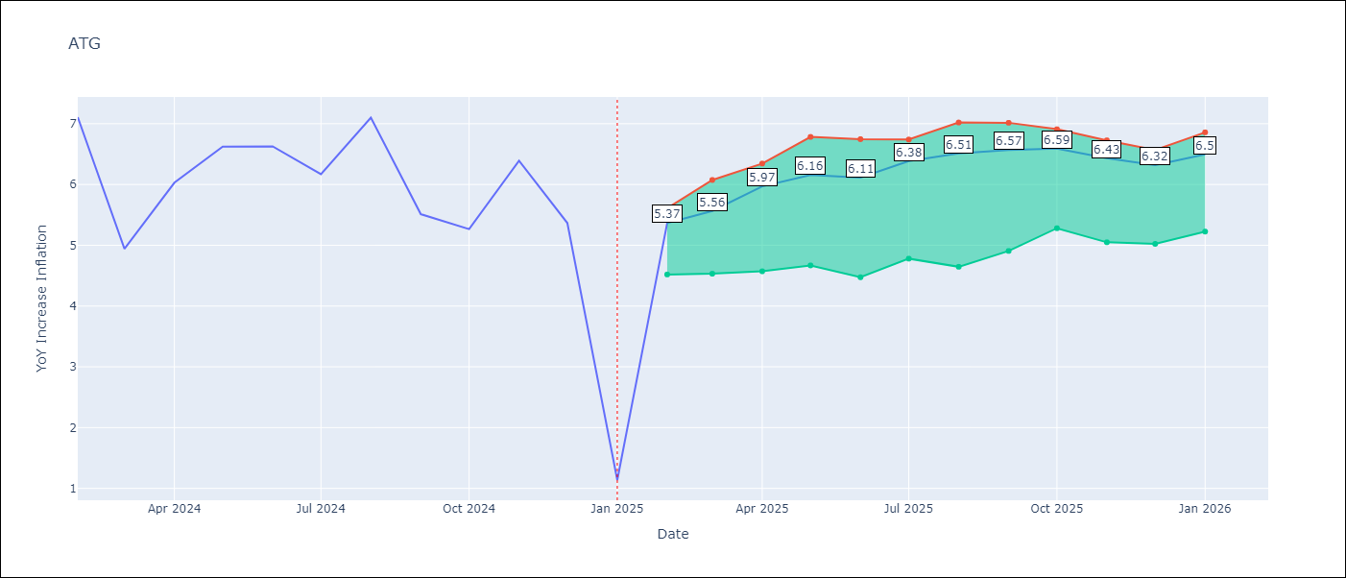

Test Set
RMSE | 1.75 | 1.4828157127063004
Naive RMSE | 2.27 | 2.27
MAPE | 44.88% | 45.62%

Test Predictions
Date | Predicted | Actual | Bias Vector | Bias Corrected
2024-03-01 | 6.85 | 7.11 | 0.11 | 6.74
2024-04-01 | 6.98 | 4.94 | 0.17 | 6.81
2024-05-01 | 7.27 | 6.03 | 0.21 | 7.06
2024-06-01 | 7.33 | 6.62 | 0.23 | 7.09
2024-07-01 | 7.08 | 6.63 | 0.24 | 6.85
2024-08-01 | 6.82 | 6.17 | 0.3 | 6.52
2024-09-01 | 6.8 | 7.1 | 0.36 | 6.44
2024-10-01 | 6.7 | 5.51 | 0.41 | 6.29
2024-11-01 | 6.38 | 5.27 | 0.42 | 5.96
2024-12-01 | 6.01 | 6.39 | 0.41 | 5.59
2025-01-01 | 5.6 | 5.37 | 0.38 | 5.22
2025-02-01 | 5.54 | 1.14 | 0.35 | 5.2

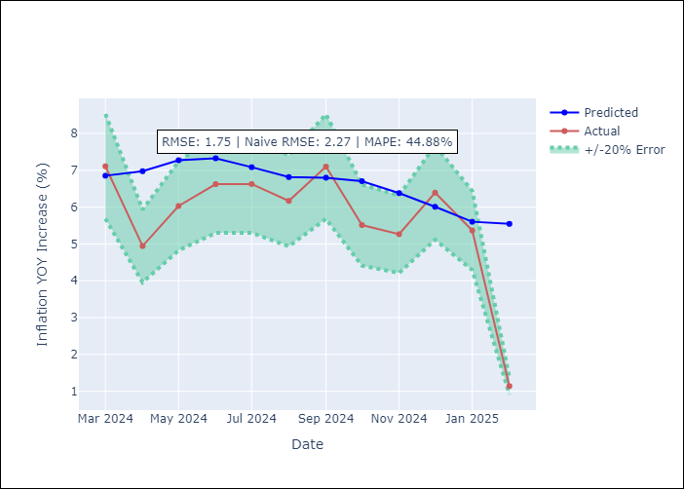
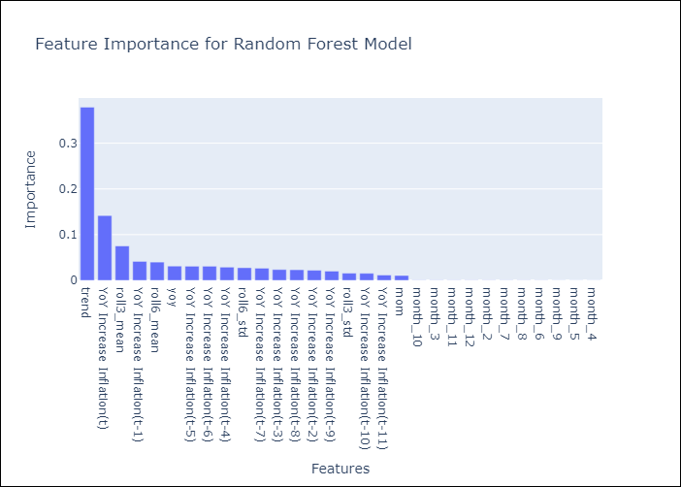

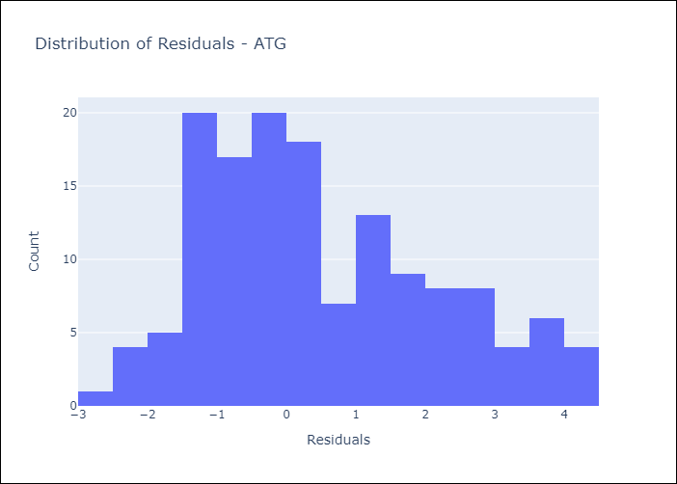
Appendix A: Model Summary
Model | Random Forest w/ Lags
Sample | 2003-12-01 to 2025-01-01
No. of Observations | 254
Residuals
Mean | 0.50958422199
St Dev | 1.673209124
Kurtosis | -0.59309593704
Skewness | 0.50436885484

Bias-Corrected Residuals
Mean | -0.11336373944
St Dev | 1.4784759384
Kurtosis | 3.4357792549
Skewness | -1.6711340152

Assumptions | P-value

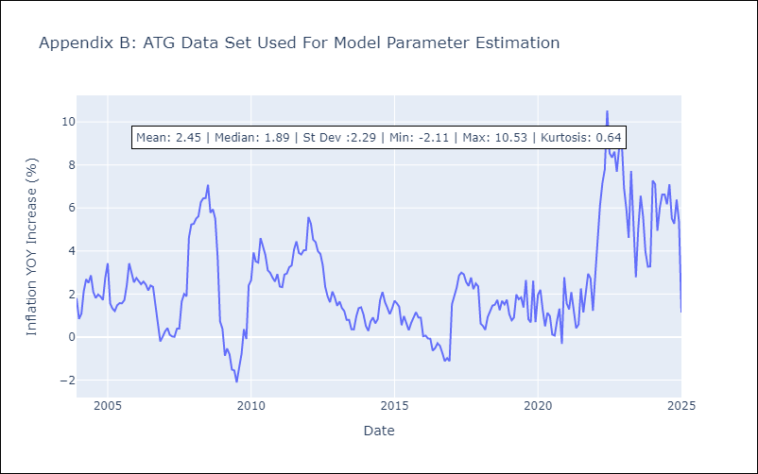

Appendix C: Residuals Analysis
Mean

BLZ
BLZ - Inflation - Next 12 months forecast as of: 2025-03-01

Model | Random Forest w/ Lags - None
Training Data | 2014-12-01 to 2024-04-01
Test Data | 2024-04-01 to 2025-03-01

Date | Inflation Change YoY % | Lower Bound - 95% Confidence Interval | Upper Bound - 95% Confidence Interval | Bias Corrected Forecast
2025-04-01 | 4.57 | 4.26 | 6.2 | 5.16
2025-05-01 | 4.79 | 4.38 | 6.31 | 5.47
2025-06-01 | 4.98 | 4.31 | 6.44 | 5.64
2025-07-01 | 5.21 | 4.33 | 6.53 | 5.92
2025-08-01 | 5.38 | 4.6 | 6.59 | 6.11
2025-09-01 | 5.29 | 4.89 | 6.44 | 5.98
2025-10-01 | 5.17 | 4.97 | 6.49 | 5.77
2025-11-01 | 5.21 | 5.03 | 6.43 | 5.74
2025-12-01 | 5.26 | 5.08 | 6.53 | 5.83
2026-01-01 | 5.17 | 5.01 | 6.47 | 5.64
2026-02-01 | 5.14 | 4.94 | 6.29 | 5.62
2026-03-01 | 5.09 | 4.73 | 6 | 5.51

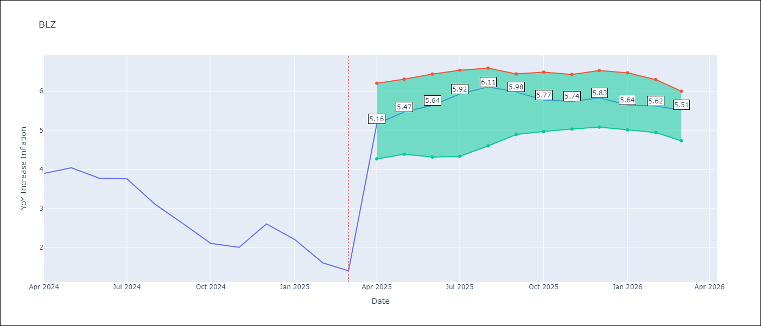

Test Set
RMSE | 2.27 | 2.5115875400897636
Naive RMSE | 0.96 | 0.96
MAPE | 145.83% | 164.54%

Test Predictions
Date | Predicted | Actual | Bias Vector | Bias Corrected
2024-05-01 | 5.93 | 3.89 | 0.59 | 5.34
2024-06-01 | 6.2 | 4.04 | 0.67 | 5.52
2024-07-01 | 6.46 | 3.77 | 0.66 | 5.8
2024-08-01 | 6.63 | 3.75 | 0.72 | 5.92
2024-09-01 | 6.64 | 3.1 | 0.73 | 5.91
2024-10-01 | 6.61 | 2.6 | 0.68 | 5.92
2024-11-01 | 6.37 | 2.1 | 0.61 | 5.77
2024-12-01 | 6.19 | 2 | 0.52 | 5.67
2025-01-01 | 6 | 2.6 | 0.56 | 5.44
2025-02-01 | 5.79 | 2.2 | 0.48 | 5.31
2025-03-01 | 5.56 | 1.6 | 0.48 | 5.08
2025-04-01 | 5.23 | 1.4 | 0.43 | 4.8

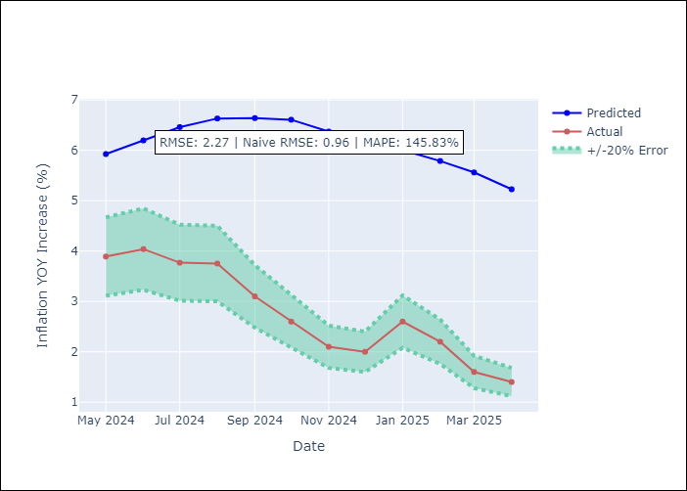
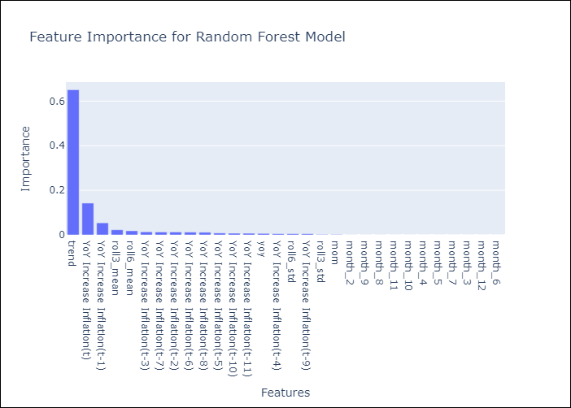

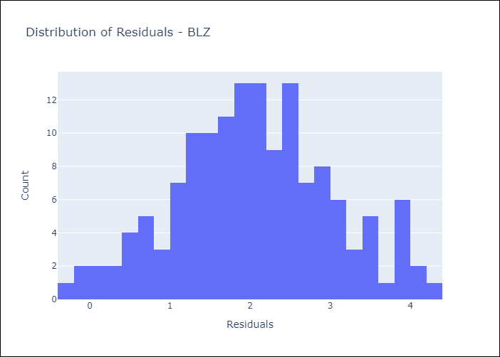
Appendix A: Model Summary
Model | Random Forest w/ Lags
Sample | 2014-12-01 to 2025-03-01
No. of Observations | 124
Residuals
Mean | 2.0523207817
St Dev | 0.97756309846
Kurtosis | -0.265799693
Skewness | 0.02493937224

Bias-Corrected Residuals
Mean | -2.4118026875
St Dev | 0.70091352407
Kurtosis | -1.2968470152
Skewness | 0.25450238991

Assumptions | P-value

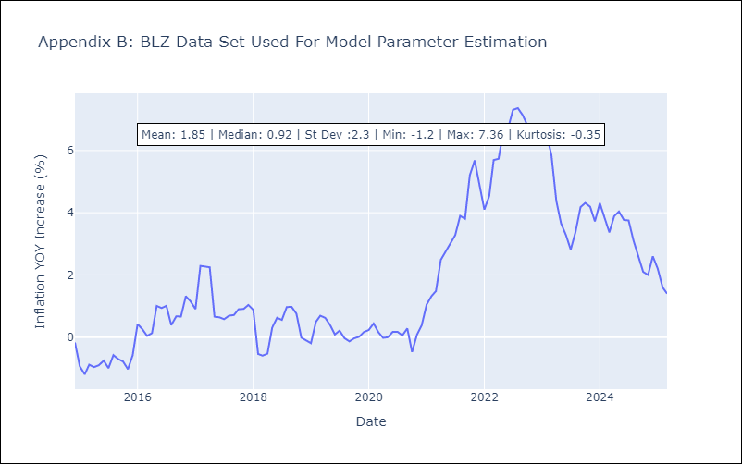

Appendix C: Residuals Analysis
Mean

BRB
BRB - Inflation - Next 12 months forecast as of: 2025-03-01

Model | Random Forest w/ Lags - None
Training Data | 2002-12-01 to 2024-04-01
Test Data | 2024-04-01 to 2025-03-01

Date | Inflation Change YoY % | Lower Bound - 95% Confidence Interval | Upper Bound - 95% Confidence Interval | Bias Corrected Forecast
2025-04-01 | 2.44 | 1.28 | 6.34 | 2.42
2025-05-01 | 2.99 | 1.48 | 7.29 | 3.07
2025-06-01 | 3.56 | 1.62 | 7.78 | 3.73
2025-07-01 | 3.99 | 1.88 | 8.25 | 4.27
2025-08-01 | 4.29 | 2.29 | 8.72 | 4.67
2025-09-01 | 4.32 | 2.52 | 8.8 | 4.79
2025-10-01 | 4.52 | 2.61 | 8.9 | 5.08
2025-11-01 | 4.75 | 2.7 | 8.83 | 5.36
2025-12-01 | 4.87 | 2.97 | 8.61 | 5.45
2026-01-01 | 5.13 | 3.28 | 8.43 | 5.7
2026-02-01 | 5.31 | 3.34 | 8.35 | 5.83
2026-03-01 | 5.32 | 3.23 | 8.36 | 5.77

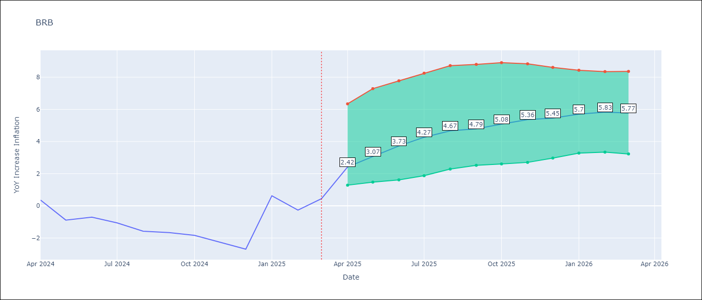

Test Set
RMSE | 6.77 | 10.634939065626913
Naive RMSE | 6.79 | 6.79
MAPE | 538.45% | -192.1%

Test Predictions
Date | Predicted | Actual | Bias Vector | Bias Corrected
2024-05-01 | 1.53 | 0.36 | -0.02 | 1.55
2024-06-01 | 1.51 | -0.88 | 0.08 | 1.43
2024-07-01 | 1.67 | -0.7 | 0.16 | 1.5
2024-08-01 | 1.76 | -1.06 | 0.28 | 1.49
2024-09-01 | 2.09 | -1.58 | 0.38 | 1.72
2024-10-01 | 2.36 | -1.66 | 0.47 | 1.89
2024-11-01 | 2.76 | -1.83 | 0.57 | 2.2
2024-12-01 | 3.42 | -2.26 | 0.61 | 2.81
2025-01-01 | 4.02 | -2.69 | 0.59 | 3.44
2025-02-01 | 4.68 | 0.63 | 0.58 | 4.11
2025-03-01 | 5.47 | -0.27 | 0.52 | 4.95
2025-04-01 | 5.97 | 0.45 | 0.45 | 5.52

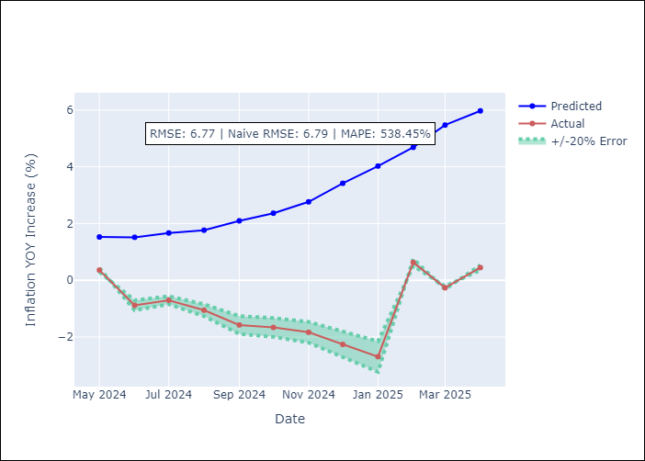
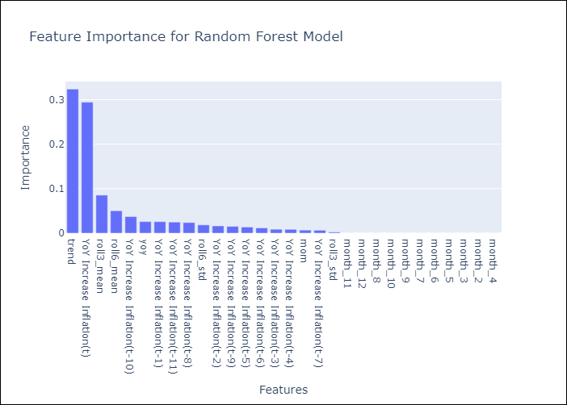

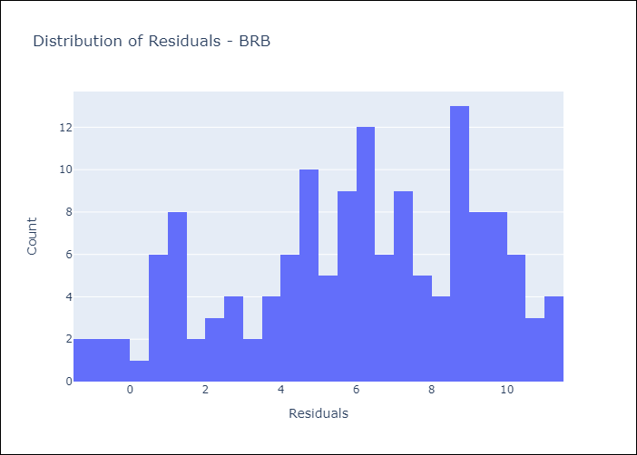
Appendix A: Model Summary
Model | Random Forest w/ Lags
Sample | 2002-12-01 to 2025-03-01
No. of Observations | 264
Residuals
Mean | 5.966511017
St Dev | 3.2059023263
Kurtosis | -0.75334733733
Skewness | -0.39945500876

Bias-Corrected Residuals
Mean | -10.256232736
St Dev | 2.8127600327
Kurtosis | 0.51312439151
Skewness | 1.42067635

Assumptions | P-value

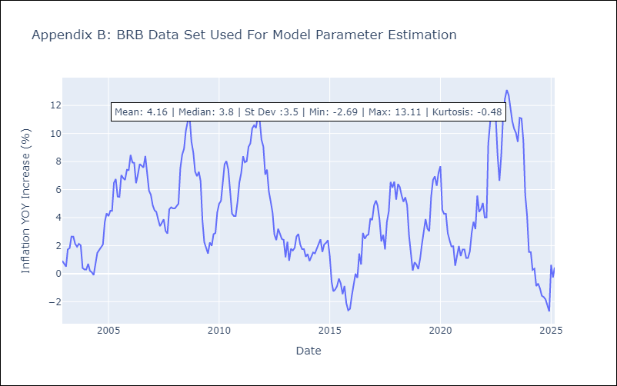

Appendix C: Residuals Analysis
Mean

DMA
DMA - Inflation - Next 12 months forecast as of: 2025-01-01

Model | Random Forest w/ Lags - None
Training Data | 2003-12-01 to 2024-02-01
Test Data | 2024-02-01 to 2025-01-01

Date | Inflation Change YoY % | Lower Bound - 95% Confidence Interval | Upper Bound - 95% Confidence Interval | Bias Corrected Forecast
2025-02-01 | 3.89 | 4.66 | 8.2 | 6.85
2025-03-01 | 4.33 | 5.34 | 8.99 | 7.59
2025-04-01 | 4.55 | 5.59 | 9.48 | 8.02
2025-05-01 | 4.72 | 5.6 | 9.53 | 8.23
2025-06-01 | 4.95 | 5.88 | 9.49 | 8.37
2025-07-01 | 5.18 | 5.87 | 9.58 | 8.46
2025-08-01 | 5.51 | 5.75 | 9.38 | 8.49
2025-09-01 | 5.8 | 5.51 | 9.04 | 8.26
2025-10-01 | 5.97 | 5.66 | 8.89 | 8.19
2025-11-01 | 6.05 | 5.56 | 8.48 | 7.81
2025-12-01 | 6.05 | 5.33 | 8.11 | 7.16
2026-01-01 | 6.07 | 5.38 | 8 | 6.93

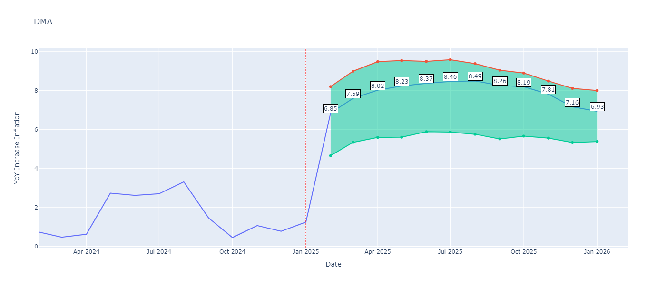

Test Set
RMSE | 3.63 | 5.21401179241405
Naive RMSE | 3.18 | 3.18
MAPE | 361.15% | 336.26%

Test Predictions
Date | Predicted | Actual | Bias Vector | Bias Corrected
2024-03-01 | 1.68 | 0.74 | 2.95 | -1.28
2024-04-01 | 1.86 | 0.48 | 3.26 | -1.4
2024-05-01 | 1.61 | 0.63 | 3.47 | -1.85
2024-06-01 | 1.4 | 2.74 | 3.5 | -2.1
2024-07-01 | 0.3 | 2.62 | 3.41 | -3.11
2024-08-01 | -0.1 | 2.7 | 3.28 | -3.38
2024-09-01 | -1.11 | 3.31 | 2.98 | -4.09
2024-10-01 | -2.09 | 1.46 | 2.46 | -4.55
2024-11-01 | -3.87 | 0.46 | 2.23 | -6.1
2024-12-01 | -5.45 | 1.07 | 1.76 | -7.21
2025-01-01 | -6.5 | 0.78 | 1.11 | -7.62
2025-02-01 | -6.94 | 1.25 | 0.87 | -7.81

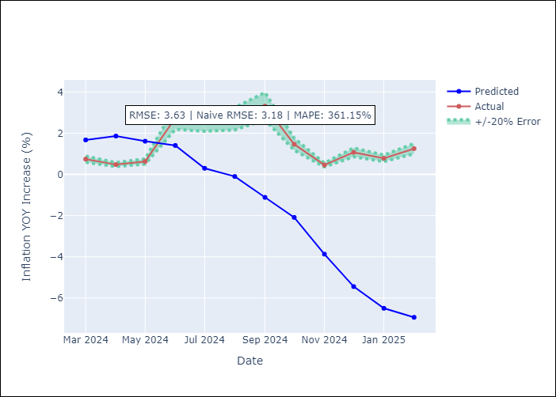
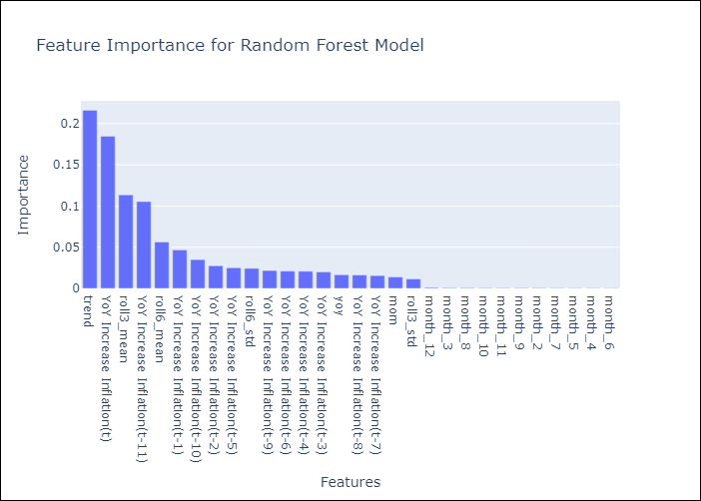

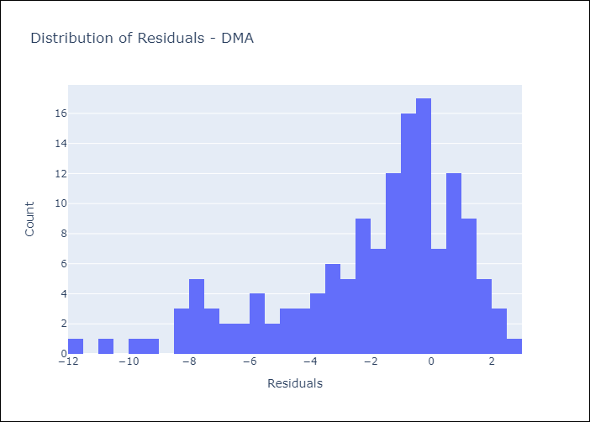
Appendix A: Model Summary
Model | Random Forest w/ Lags
Sample | 2003-12-01 to 2025-01-01
No. of Observations | 254
Residuals
Mean | -1.9901081431
St Dev | 3.0364374643
Kurtosis | 0.36529823752
Skewness | -0.99649384558

Bias-Corrected Residuals
Mean | -3.9743802882
St Dev | 3.3749400434
Kurtosis | -0.95149222047
Skewness | -0.72758500977

Assumptions | P-value

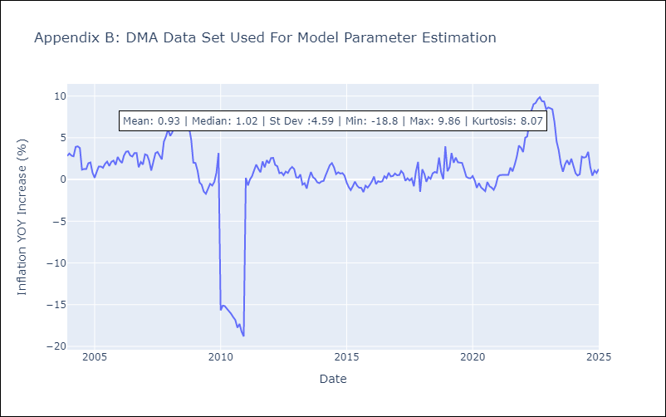

Appendix C: Residuals Analysis
Mean

GRD
GRD - Inflation - Next 12 months forecast as of: 2025-01-01

Model | Random Forest w/ Lags - None
Training Data | 2003-12-01 to 2024-02-01
Test Data | 2024-02-01 to 2025-01-01

Date | Inflation Change YoY % | Lower Bound - 95% Confidence Interval | Upper Bound - 95% Confidence Interval | Bias Corrected Forecast
2025-02-01 | 1.61 | 1.82 | 2.24 | 1.9
2025-03-01 | 1.57 | 1.67 | 2.24 | 1.83
2025-04-01 | 1.56 | 1.64 | 2.3 | 1.79
2025-05-01 | 1.53 | 1.62 | 2.28 | 1.73
2025-06-01 | 1.47 | 1.58 | 2.26 | 1.64
2025-07-01 | 1.36 | 1.4 | 2.07 | 1.51
2025-08-01 | 1.19 | 1.08 | 1.89 | 1.32
2025-09-01 | 1.07 | 0.95 | 1.74 | 1.17
2025-10-01 | 1 | 0.91 | 1.61 | 1.06
2025-11-01 | 0.98 | 0.88 | 1.61 | 1.02
2025-12-01 | 0.95 | 0.82 | 1.64 | 0.98
2026-01-01 | 0.9 | 0.74 | 1.56 | 0.94

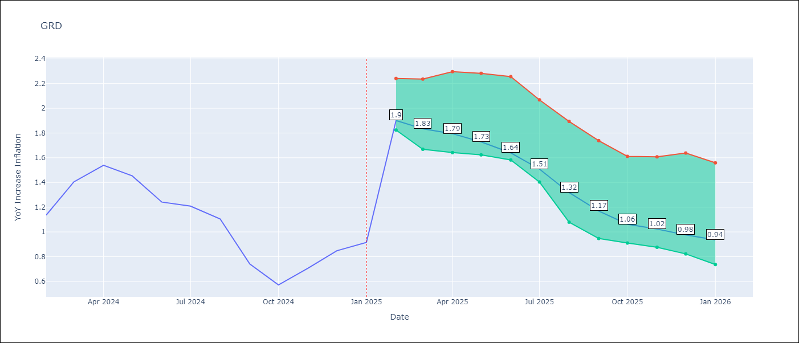

Test Set
RMSE | 0.97 | 1.6801492257275175
Naive RMSE | 1.18 | 1.18
MAPE | 71.93% | 95.01%

Test Predictions
Date | Predicted | Actual | Bias Vector | Bias Corrected
2024-03-01 | 1.86 | 1.14 | 0.29 | 1.57
2024-04-01 | 1.86 | 1.41 | 0.27 | 1.6
2024-05-01 | 1.88 | 1.54 | 0.23 | 1.65
2024-06-01 | 1.94 | 1.45 | 0.2 | 1.75
2024-07-01 | 1.99 | 1.24 | 0.17 | 1.82
2024-08-01 | 1.96 | 1.21 | 0.15 | 1.81
2024-09-01 | 1.84 | 1.11 | 0.13 | 1.71
2024-10-01 | 1.7 | 0.74 | 0.1 | 1.6
2024-11-01 | 1.49 | 0.57 | 0.07 | 1.42
2024-12-01 | 1.41 | 0.71 | 0.04 | 1.37
2025-01-01 | 1.43 | 0.85 | 0.03 | 1.4
2025-02-01 | 1.51 | 0.92 | 0.04 | 1.47

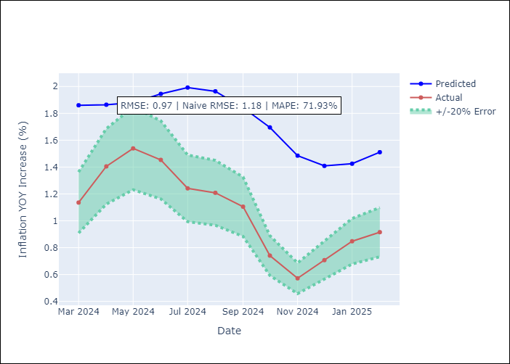
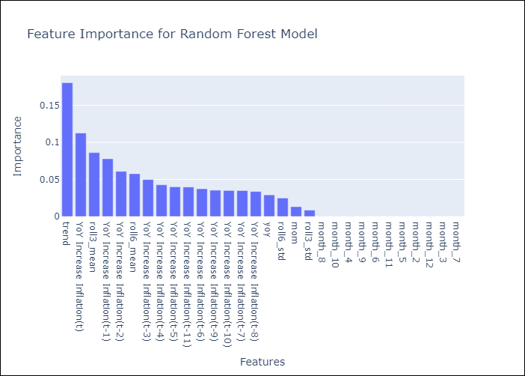

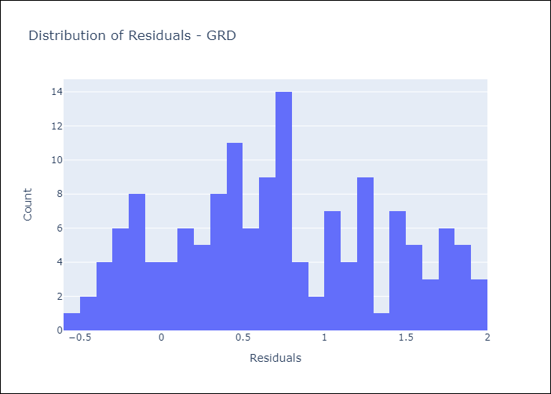
Appendix A: Model Summary
Model | Random Forest w/ Lags
Sample | 2003-12-01 to 2025-01-01
No. of Observations | 254
Residuals
Mean | 0.70993064971
St Dev | 0.65374281976
Kurtosis | -0.92911577363
Skewness | 0.12803990174

Bias-Corrected Residuals
Mean | -1.6305535311
St Dev | 0.40521180023
Kurtosis | 1.2323048169
Skewness | -0.16622393217

Assumptions | P-value

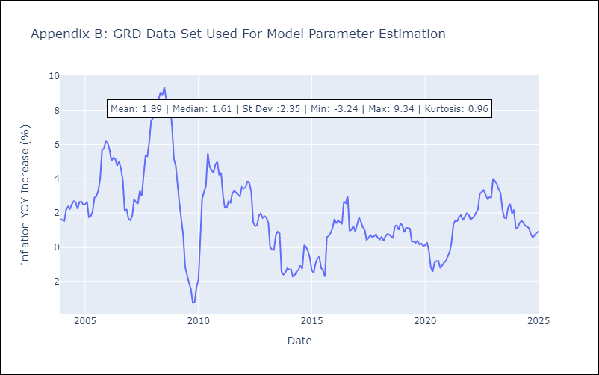

Appendix C: Residuals Analysis
Mean

GUY
GUY - Inflation - Next 12 months forecast as of: 2025-03-01

Model | Random Forest w/ Lags - None
Training Data | 2007-12-01 to 2024-04-01
Test Data | 2024-04-01 to 2025-03-01

Date | Inflation Change YoY % | Lower Bound - 95% Confidence Interval | Upper Bound - 95% Confidence Interval | Bias Corrected Forecast
2025-04-01 | 3.56 | 2.55 | 4.64 | 4
2025-05-01 | 3.69 | 2.68 | 4.84 | 4.14
2025-06-01 | 3.84 | 2.99 | 4.96 | 4.32
2025-07-01 | 3.91 | 3.1 | 5.01 | 4.39
2025-08-01 | 3.92 | 3.21 | 4.97 | 4.42
2025-09-01 | 3.93 | 3.31 | 4.98 | 4.42
2025-10-01 | 3.95 | 3.35 | 5.04 | 4.43
2025-11-01 | 3.99 | 3.33 | 5.2 | 4.46
2025-12-01 | 4.03 | 3.41 | 5.28 | 4.51
2026-01-01 | 4.06 | 3.45 | 5.22 | 4.52
2026-02-01 | 4.13 | 3.55 | 5.27 | 4.55
2026-03-01 | 4.14 | 3.62 | 5.25 | 4.5

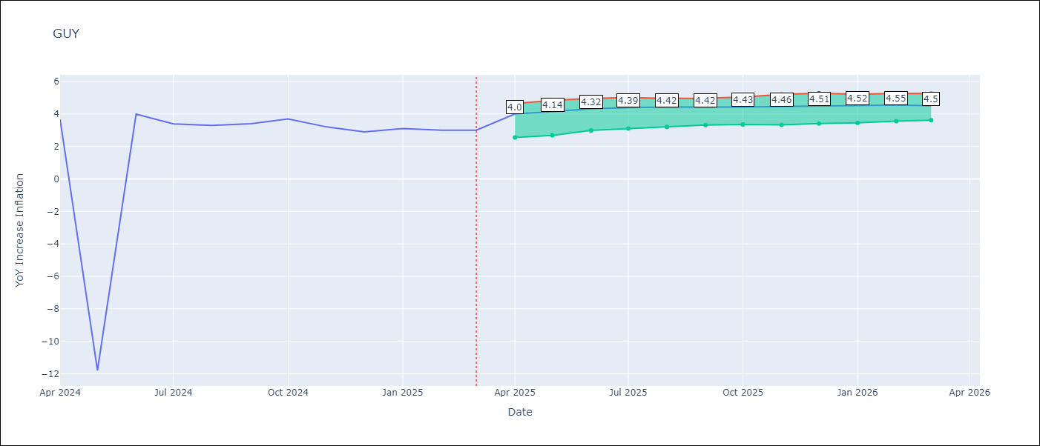

Test Set
RMSE | 4.55 | 4.8434429625667095
Naive RMSE | 4.05 | 4.05
MAPE | 50.49% | 28.64%

Test Predictions
Date | Predicted | Actual | Bias Vector | Bias Corrected
2024-05-01 | 2.12 | 3.67 | 0.45 | 1.68
2024-06-01 | 2.58 | -11.79 | 0.44 | 2.14
2024-07-01 | 2.92 | 3.99 | 0.47 | 2.45
2024-08-01 | 3.23 | 3.39 | 0.49 | 2.74
2024-09-01 | 3.52 | 3.3 | 0.5 | 3.02
2024-10-01 | 4.02 | 3.4 | 0.49 | 3.53
2024-11-01 | 4.5 | 3.7 | 0.48 | 4.02
2024-12-01 | 4.82 | 3.2 | 0.47 | 4.35
2025-01-01 | 5.07 | 2.9 | 0.48 | 4.59
2025-02-01 | 5.25 | 3.1 | 0.46 | 4.78
2025-03-01 | 5.47 | 3 | 0.42 | 5.05
2025-04-01 | 5.61 | 3 | 0.36 | 5.25

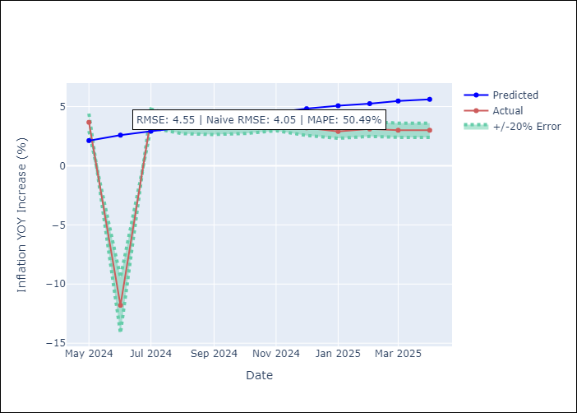
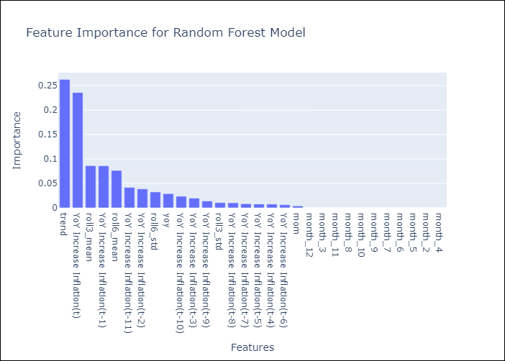

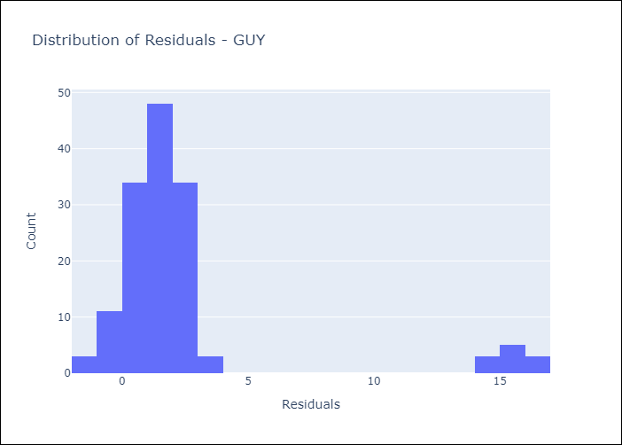
Appendix A: Model Summary
Model | Random Forest w/ Lags
Sample | 2007-12-01 to 2025-03-01
No. of Observations | 208
Residuals
Mean | 2.35490867
St Dev | 3.8973693362
Kurtosis | 7.0235902781
Skewness | 2.8576319705

Bias-Corrected Residuals
Mean | -1.7225341925
St Dev | 4.5267886727
Kurtosis | 11.658557661
Skewness | -3.3969397115

Assumptions | P-value

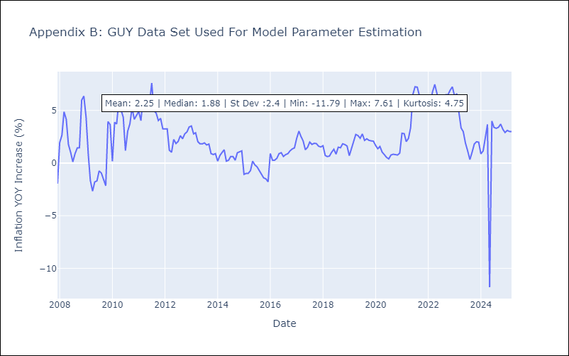

Appendix C: Residuals Analysis
Mean

JAM
JAM - Inflation - Next 12 months forecast as of: 2025-04-01

Model | Random Forest w/ Lags - None
Training Data | 1994-06-01 to 2024-05-01
Test Data | 2024-05-01 to 2025-04-01

Date | Inflation Change YoY % | Lower Bound - 95% Confidence Interval | Upper Bound - 95% Confidence Interval | Bias Corrected Forecast
2025-05-01 | 5.63 | 5.5 | 6.6 | 5.93
2025-06-01 | 5.9 | 5.68 | 6.9 | 6.09
2025-07-01 | 6.13 | 5.59 | 7.09 | 6.18
2025-08-01 | 6.51 | 5.8 | 7.16 | 6.38
2025-09-01 | 6.8 | 5.96 | 7.45 | 6.5
2025-10-01 | 7.2 | 5.96 | 7.52 | 6.69
2025-11-01 | 7.63 | 6.09 | 7.68 | 6.92
2025-12-01 | 8.14 | 6.31 | 8.03 | 7.21
2026-01-01 | 8.48 | 6.48 | 8.17 | 7.35
2026-02-01 | 8.83 | 6.87 | 8.36 | 7.52
2026-03-01 | 9.08 | 6.91 | 8.5 | 7.63
2026-04-01 | 9.34 | 7.16 | 8.52 | 7.8

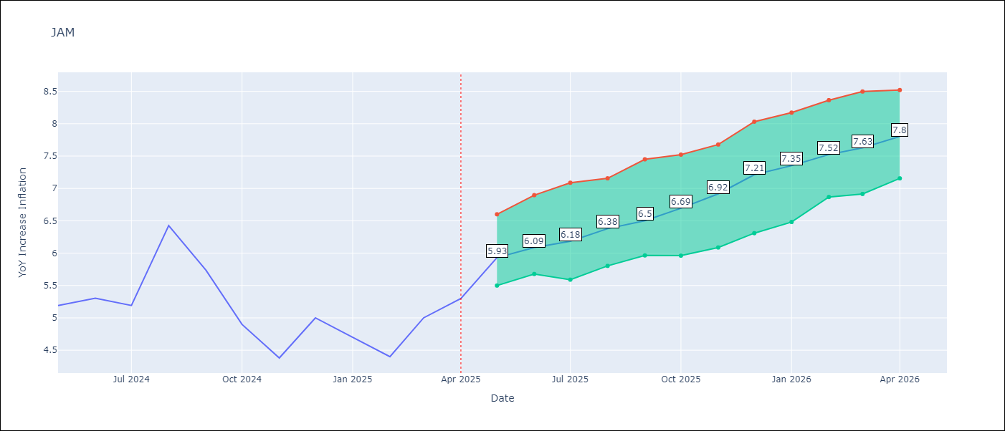

Test Set
RMSE | 2.69 | 1.1894328653595796
Naive RMSE | 1.13 | 1.13
MAPE | 52.82% | 39.04%

Test Predictions
Date | Predicted | Actual | Bias Vector | Bias Corrected
2024-06-01 | 6.02 | 5.19 | 0.31 | 5.72
2024-07-01 | 6.28 | 5.3 | 0.19 | 6.09
2024-08-01 | 6.52 | 5.19 | 0.05 | 6.47
2024-09-01 | 6.84 | 6.42 | -0.13 | 6.97
2024-10-01 | 7.2 | 5.74 | -0.3 | 7.5
2024-11-01 | 7.49 | 4.9 | -0.51 | 8
2024-12-01 | 7.77 | 4.38 | -0.72 | 8.49
2025-01-01 | 8.19 | 5 | -0.93 | 9.12
2025-02-01 | 8.55 | 4.7 | -1.13 | 9.68
2025-03-01 | 9 | 4.4 | -1.31 | 10.31
2025-04-01 | 9.24 | 5 | -1.45 | 10.69
2025-05-01 | 9.36 | 5.3 | -1.53 | 10.89

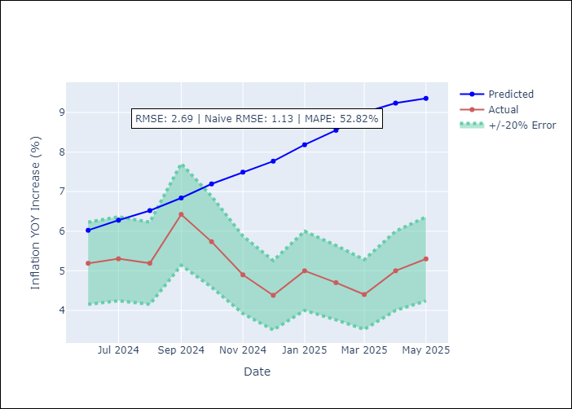
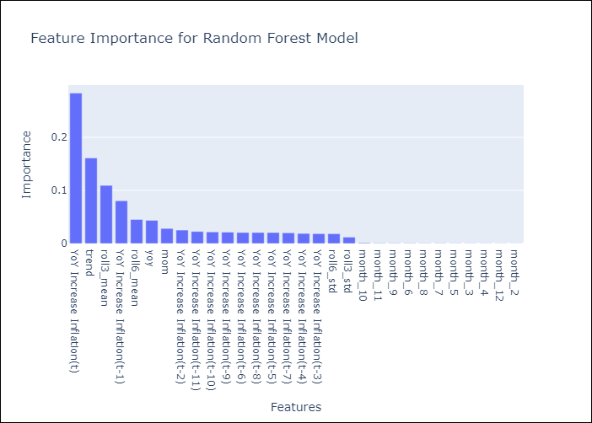

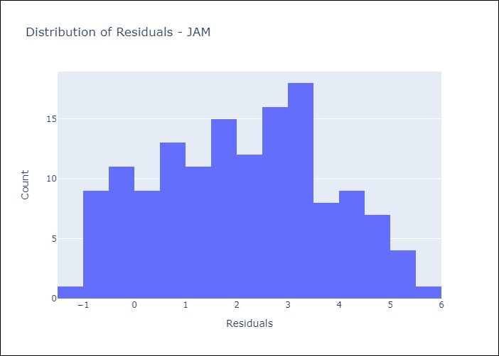
Appendix A: Model Summary
Model | Random Forest w/ Lags
Sample | 1994-06-01 to 2025-04-01
No. of Observations | 371
Residuals
Mean | 2.0966428672
St Dev | 1.6780565006
Kurtosis | -0.86341127052
Skewness | 0.023050006088

Bias-Corrected Residuals
Mean | -1.0976360712
St Dev | 0.45819820639
Kurtosis | 0.6522726284
Skewness | 0.95516626235

Assumptions | P-value

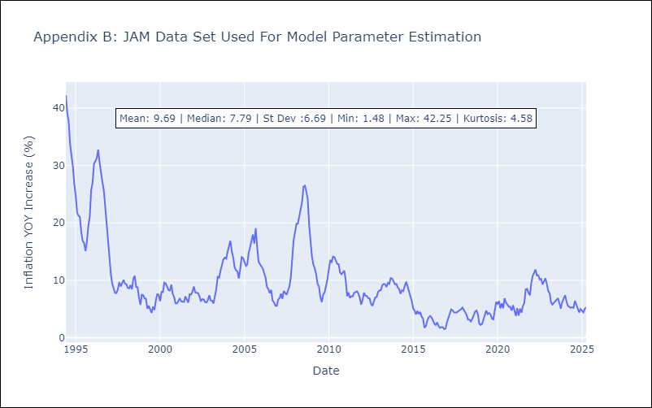

Appendix C: Residuals Analysis
Mean

KNA
KNA - Inflation - Next 12 months forecast as of: 2025-02-01

Model | Random Forest w/ Lags - None
Training Data | 2005-12-01 to 2024-03-01
Test Data | 2024-03-01 to 2025-02-01

Date | Inflation Change YoY % | Lower Bound - 95% Confidence Interval | Upper Bound - 95% Confidence Interval | Bias Corrected Forecast
2025-03-01 | 2.21 | 2.2 | 3.05 | 2.45
2025-04-01 | 2.35 | 2.34 | 3.22 | 2.65
2025-05-01 | 2.37 | 2.33 | 3.29 | 2.68
2025-06-01 | 2.37 | 2.38 | 3.4 | 2.68
2025-07-01 | 2.39 | 2.37 | 3.31 | 2.7
2025-08-01 | 2.36 | 2.36 | 3.15 | 2.65
2025-09-01 | 2.3 | 2.24 | 3 | 2.55
2025-10-01 | 2.2 | 2.19 | 2.79 | 2.42
2025-11-01 | 2.12 | 2.03 | 2.71 | 2.3
2025-12-01 | 2.01 | 1.8 | 2.65 | 2.14
2026-01-01 | 1.95 | 1.7 | 2.51 | 2.05
2026-02-01 | 1.94 | 1.57 | 2.35 | 1.99

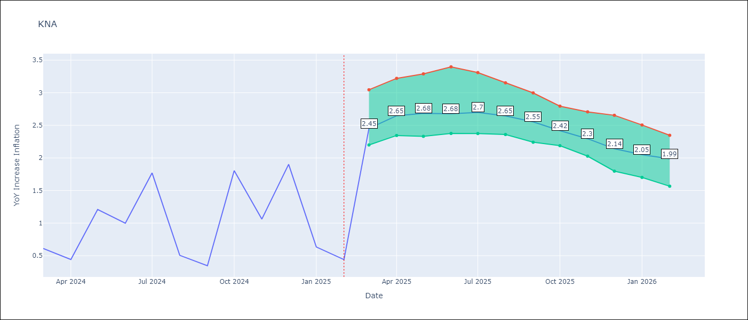

Test Set
RMSE | 1.57 | 3.456196092663446
Naive RMSE | 1.85 | 1.85
MAPE | 149.8% | 209.24%

Test Predictions
Date | Predicted | Actual | Bias Vector | Bias Corrected
2024-04-01 | 1.29 | 0.61 | 0.24 | 1.04
2024-05-01 | 1.3 | 0.44 | 0.3 | 1
2024-06-01 | 1.43 | 1.21 | 0.31 | 1.12
2024-07-01 | 1.52 | 1 | 0.31 | 1.21
2024-08-01 | 1.59 | 1.77 | 0.31 | 1.28
2024-09-01 | 1.75 | 0.51 | 0.29 | 1.46
2024-10-01 | 1.8 | 0.35 | 0.25 | 1.55
2024-11-01 | 1.8 | 1.8 | 0.22 | 1.59
2024-12-01 | 1.95 | 1.06 | 0.18 | 1.77
2025-01-01 | 2.1 | 1.9 | 0.14 | 1.97
2025-02-01 | 2.2 | 0.63 | 0.1 | 2.1
2025-03-01 | 2.22 | 0.44 | 0.05 | 2.17

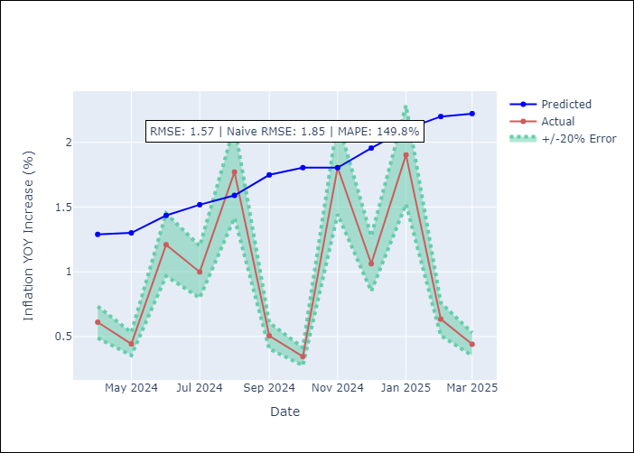
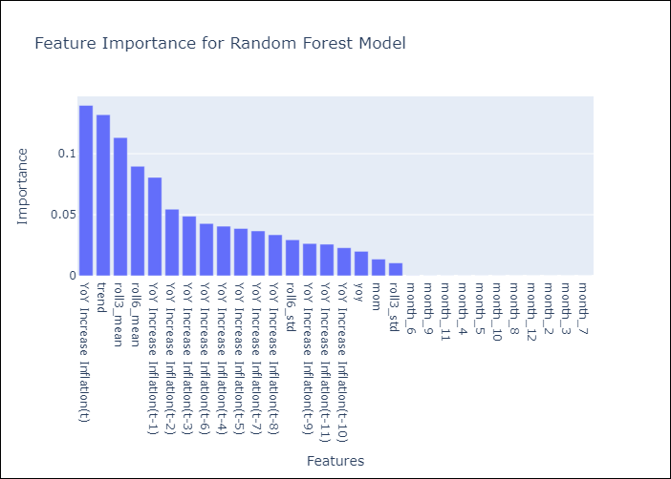

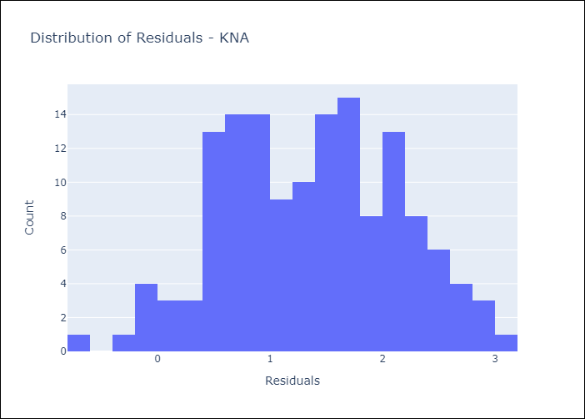
Appendix A: Model Summary
Model | Random Forest w/ Lags
Sample | 2005-12-01 to 2025-02-01
No. of Observations | 231
Residuals
Mean | 1.3686141362
St Dev | 0.77418421909
Kurtosis | -0.67267815918
Skewness | -0.0052831452015

Bias-Corrected Residuals
Mean | -2.9429613746
St Dev | 1.8122554397
Kurtosis | -1.4346375213
Skewness | -0.058518498227

Assumptions | P-value

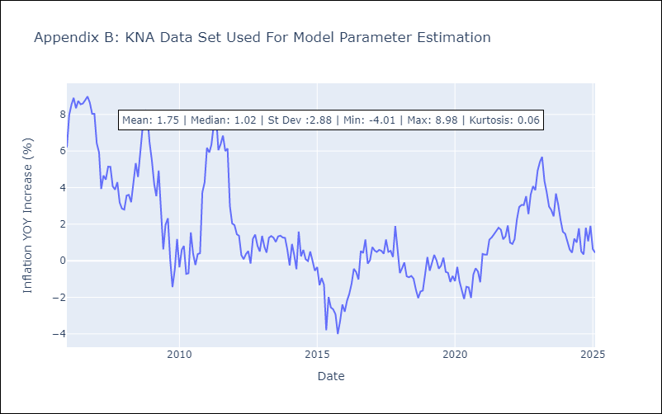

Appendix C: Residuals Analysis
Mean

LCA
LCA - Inflation - Next 12 months forecast as of: 2025-01-01

Model | Random Forest w/ Lags - None
Training Data | 2007-12-01 to 2024-02-01
Test Data | 2024-02-01 to 2025-01-01

Date | Inflation Change YoY % | Lower Bound - 95% Confidence Interval | Upper Bound - 95% Confidence Interval | Bias Corrected Forecast
2025-02-01 | 4.89 | 2.41 | 5.43 | 5.09
2025-03-01 | 5.1 | 2.59 | 5.84 | 5.44
2025-04-01 | 5.29 | 2.63 | 6.14 | 5.78
2025-05-01 | 5.42 | 2.64 | 6.24 | 6.04
2025-06-01 | 5.53 | 2.49 | 6.44 | 6.28
2025-07-01 | 5.52 | 2.63 | 6.49 | 6.37
2025-08-01 | 5.45 | 2.8 | 6.47 | 6.43
2025-09-01 | 5.35 | 2.73 | 6.42 | 6.41
2025-10-01 | 5.23 | 2.28 | 6.19 | 6.22
2025-11-01 | 5.14 | 1.97 | 6.02 | 6.06
2025-12-01 | 5.02 | 1.82 | 5.92 | 5.83
2026-01-01 | 4.86 | 1.73 | 5.85 | 5.59

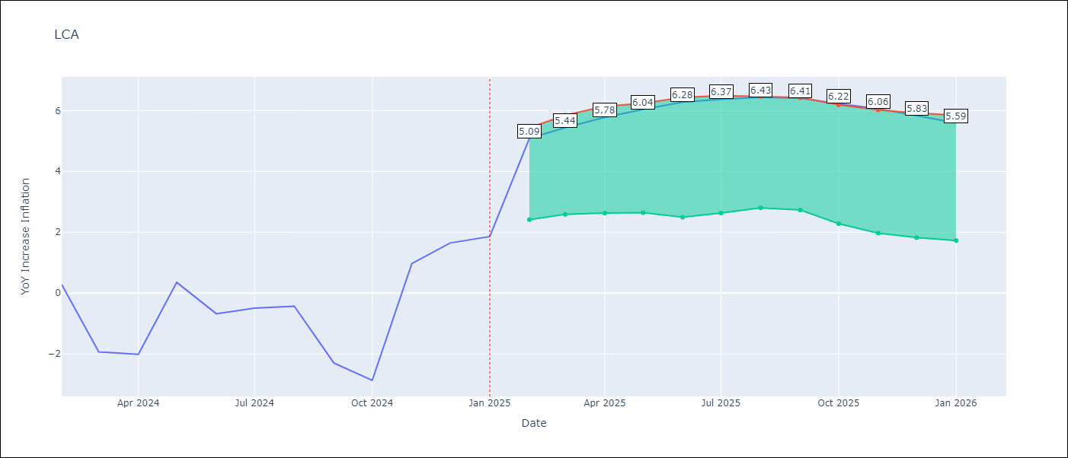

Test Set
RMSE | 4.7 | 6.541147126935406
Naive RMSE | 4.11 | 4.11
MAPE | 693.53% | -95.57%

Test Predictions
Date | Predicted | Actual | Bias Vector | Bias Corrected
2024-03-01 | 4.12 | 0.28 | 0.2 | 3.92
2024-04-01 | 4.58 | -1.94 | 0.33 | 4.25
2024-05-01 | 4.95 | -2.02 | 0.48 | 4.47
2024-06-01 | 5.06 | 0.35 | 0.62 | 4.44
2024-07-01 | 5.23 | -0.68 | 0.75 | 4.48
2024-08-01 | 5.26 | -0.5 | 0.85 | 4.41
2024-09-01 | 5.36 | -0.43 | 0.98 | 4.38
2024-10-01 | 5.45 | -2.3 | 1.06 | 4.39
2024-11-01 | 5.58 | -2.87 | 0.99 | 4.59
2024-12-01 | 5.66 | 0.97 | 0.92 | 4.74
2025-01-01 | 5.77 | 1.65 | 0.81 | 4.96
2025-02-01 | 5.81 | 1.86 | 0.73 | 5.08

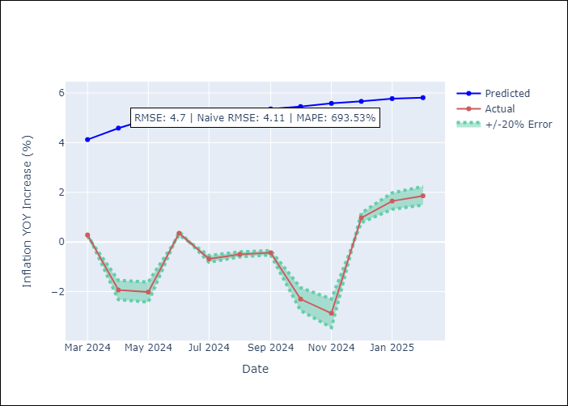
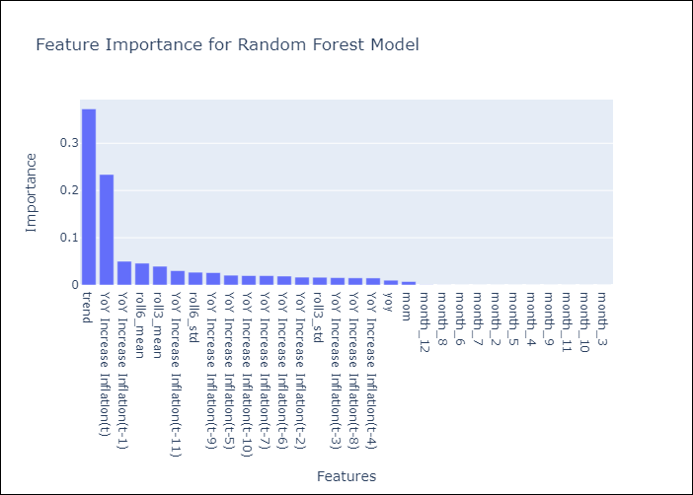

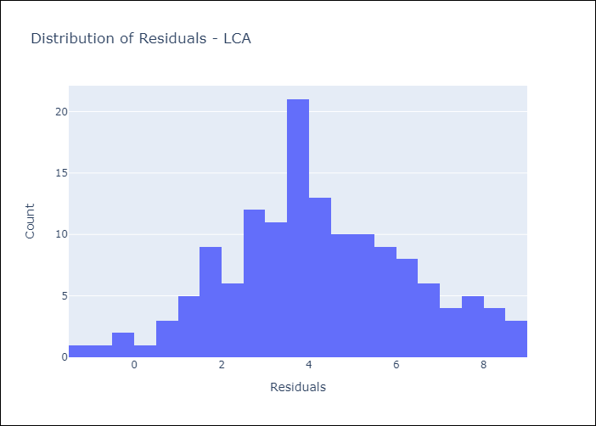
Appendix A: Model Summary
Model | Random Forest w/ Lags
Sample | 2007-12-01 to 2025-01-01
No. of Observations | 206
Residuals
Mean | 4.2022271187
St Dev | 2.1145087449
Kurtosis | -0.258153845
Skewness | 0.04803733875

Bias-Corrected Residuals
Mean | -5.7541344514
St Dev | 3.1107141385
Kurtosis | -0.68508288461
Skewness | 0.18443640723

Assumptions | P-value

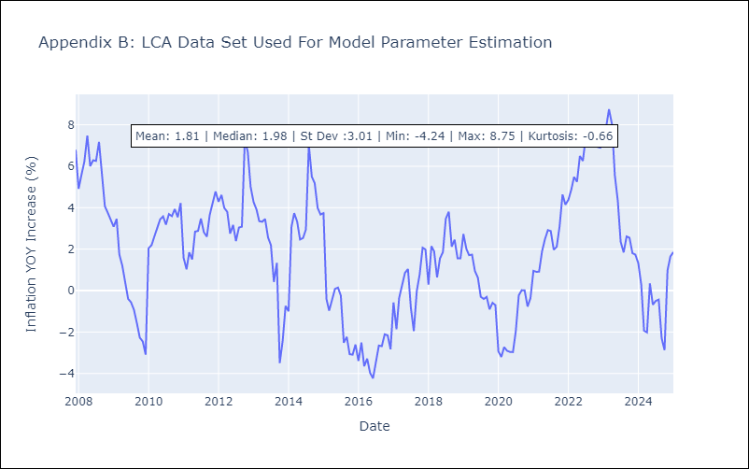

Appendix C: Residuals Analysis
Mean

SUR
SUR - Inflation - Next 12 months forecast as of: 2024-08-01

Model | Random Forest w/ Lags - None
Training Data | 2012-03-01 to 2023-09-01
Test Data | 2023-09-01 to 2024-08-01

Date | Inflation Change YoY % | Lower Bound - 95% Confidence Interval | Upper Bound - 95% Confidence Interval | Bias Corrected Forecast
2024-09-01 | 22.71 | 16.05 | 31.45 | 21.59
2024-10-01 | 23.54 | 15.04 | 32.67 | 21.97
2024-11-01 | 24.23 | 16.07 | 33.72 | 22.32
2024-12-01 | 25.19 | 14.09 | 34.97 | 22.59
2025-01-01 | 26.27 | 16.29 | 35.07 | 23.45
2025-02-01 | 26.96 | 14.26 | 35 | 23.88
2025-03-01 | 27.82 | 14.72 | 36.34 | 24.64
2025-04-01 | 29.09 | 16.57 | 37.88 | 25.68
2025-05-01 | 30.26 | 16.92 | 39.59 | 26.89
2025-06-01 | 30.98 | 17.39 | 41.06 | 27.97
2025-07-01 | 32.04 | 19.4 | 42.51 | 29.4
2025-08-01 | 32.81 | 21.94 | 42.75 | 30.74

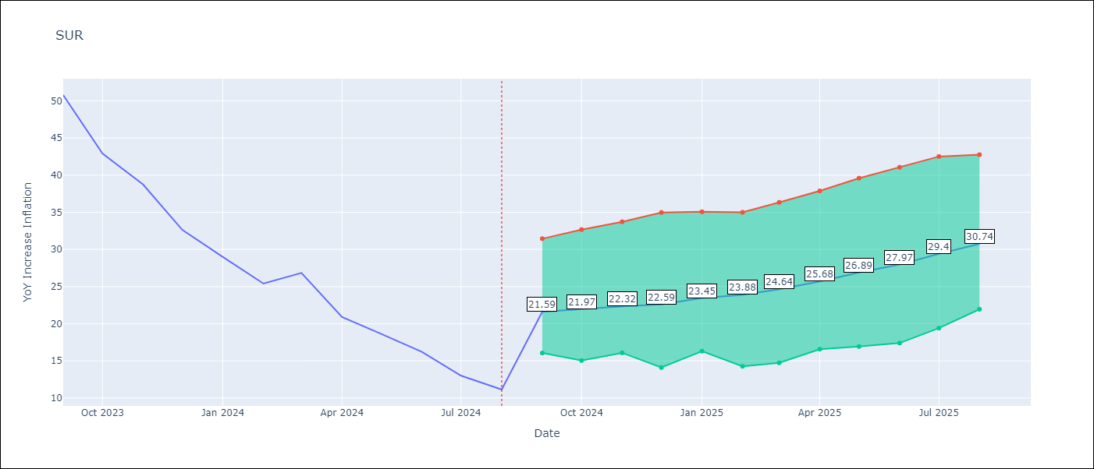

Test Set
RMSE | 18.41 | 26.938587340762304
Naive RMSE | 20.96 | 20.96
MAPE | 152.32% | 133.32%

Test Predictions
Date | Predicted | Actual | Bias Vector | Bias Corrected
2023-10-01 | 55 | 50.79 | -1.12 | 56.11
2023-11-01 | 55.21 | 42.92 | -1.57 | 56.78
2023-12-01 | 55.07 | 38.74 | -1.91 | 56.98
2024-01-01 | 55.07 | 32.63 | -2.59 | 57.66
2024-02-01 | 55.36 | 28.98 | -2.82 | 58.18
2024-03-01 | 55.55 | 25.4 | -3.09 | 58.64
2024-04-01 | 55.44 | 26.83 | -3.18 | 58.62
2024-05-01 | 55.67 | 20.9 | -3.41 | 59.08
2024-06-01 | 56.55 | 18.62 | -3.37 | 59.92
2024-07-01 | 56.79 | 16.21 | -3.01 | 59.8
2024-08-01 | 56.61 | 12.99 | -2.64 | 59.25
2024-09-01 | 56.47 | 11.13 | -2.07 | 58.53

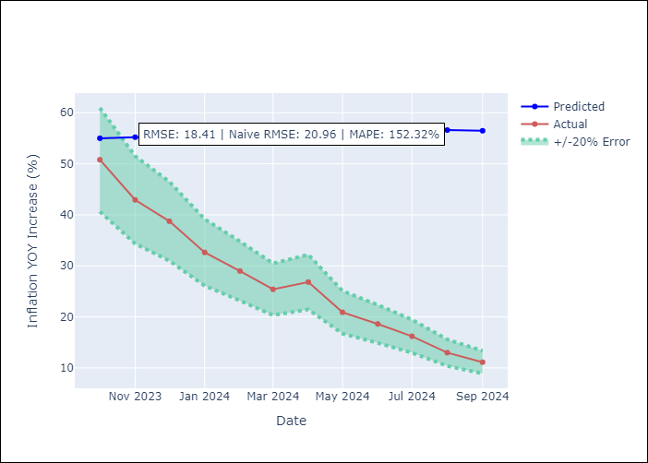
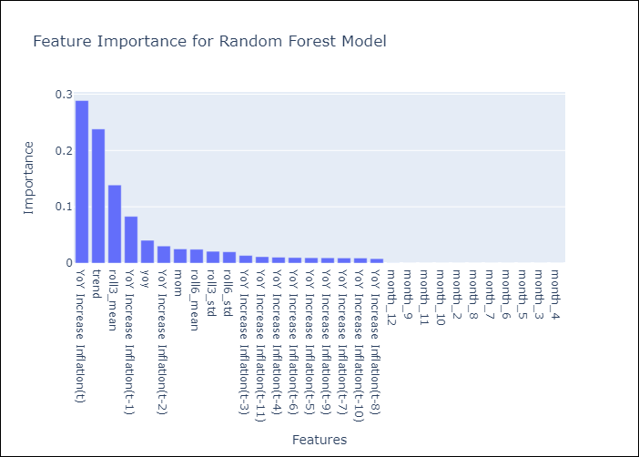

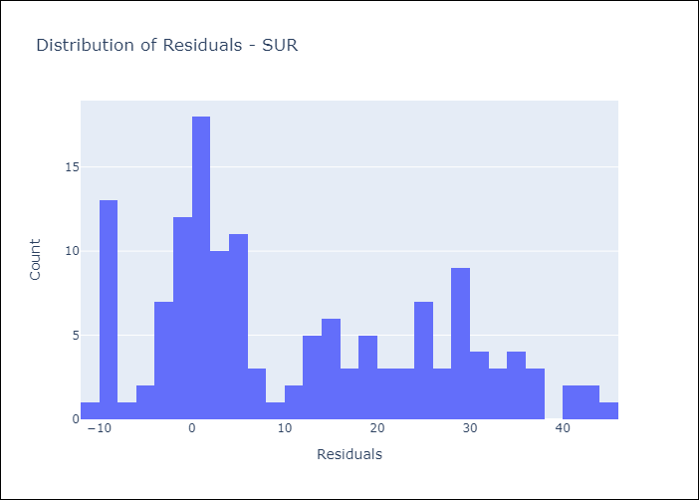
Appendix A: Model Summary
Model | Random Forest w/ Lags
Sample | 2012-03-01 to 2024-08-01
No. of Observations | 146
Residuals
Mean | 11.057074617
St Dev | 14.714452063
Kurtosis | -0.94602248899
Skewness | 0.47473237233

Bias-Corrected Residuals
Mean | -23.983592188
St Dev | 12.266816771
Kurtosis | -0.37291500534
Skewness | 0.559727598

Assumptions | P-value

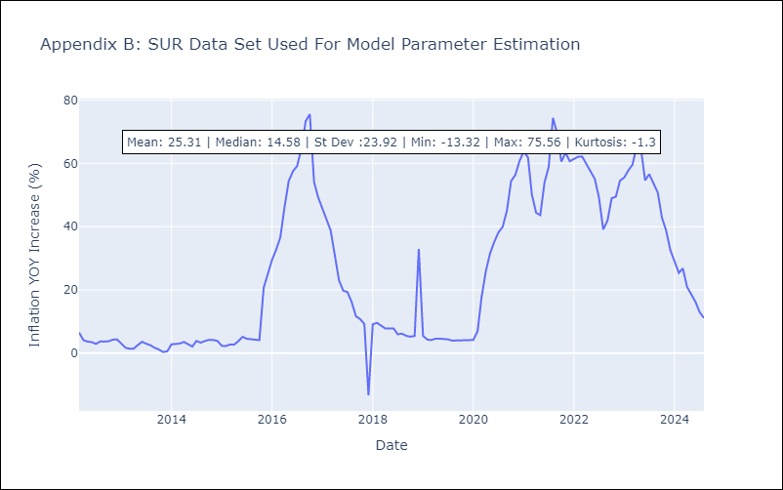

Appendix C: Residuals Analysis
Mean

TTO
TTO - Inflation - Next 12 months forecast as of: 2025-04-01

Model | Random Forest w/ Lags - None
Training Data | 1994-06-01 to 2024-05-01
Test Data | 2024-05-01 to 2025-04-01

Date | Inflation Change YoY % | Lower Bound - 95% Confidence Interval | Upper Bound - 95% Confidence Interval | Bias Corrected Forecast
2025-05-01 | 3.45 | 2.78 | 3.54 | 3.27
2025-06-01 | 3.63 | 3.05 | 3.82 | 3.53
2025-07-01 | 3.81 | 3.24 | 4.03 | 3.75
2025-08-01 | 3.98 | 3.43 | 4.11 | 3.94
2025-09-01 | 4.15 | 3.55 | 4.32 | 4.11
2025-10-01 | 4.27 | 3.7 | 4.41 | 4.25
2025-11-01 | 4.38 | 3.71 | 4.54 | 4.37
2025-12-01 | 4.48 | 3.79 | 4.65 | 4.5
2026-01-01 | 4.59 | 3.8 | 4.71 | 4.58
2026-02-01 | 4.65 | 3.81 | 4.76 | 4.61
2026-03-01 | 4.72 | 3.89 | 4.86 | 4.66
2026-04-01 | 4.72 | 3.94 | 4.8 | 4.66



Test Set
RMSE | 2.89 | 3.743923417479949
Naive RMSE | 2.44 | 2.44
MAPE | 281.73% | 277.26%

Test Predictions
Date | Predicted | Actual | Bias Vector | Bias Corrected
2024-06-01 | 1.57 | 0.9 | -0.17 | 1.74
2024-07-01 | 1.62 | 0.7 | -0.1 | 1.72
2024-08-01 | 1.67 | 0.3 | -0.05 | 1.72
2024-09-01 | 1.75 | 0.4 | -0.04 | 1.79
2024-10-01 | 1.88 | 0.4 | -0.05 | 1.92
2024-11-01 | 1.9 | 0.2 | -0.02 | 1.92
2024-12-01 | 1.97 | 0.5 | -0.01 | 1.98
2025-01-01 | 1.98 | 0.5 | 0.02 | 1.97
2025-02-01 | 2.03 | 0.7 | -0.01 | 2.04
2025-03-01 | 2.18 | 0.7 | -0.04 | 2.21
2025-04-01 | 2.19 | 1 | -0.05 | 2.25
2025-05-01 | 2.29 | 1.5 | -0.06 | 2.36





Appendix A: Model Summary
Model | Random Forest w/ Lags
Sample | 1994-06-01 to 2025-04-01
No. of Observations | 371
Residuals
Mean | 2.7130256238
St Dev | 1.0058311078
Kurtosis | -0.48533561443
Skewness | -0.24707017502

Bias-Corrected Residuals
Mean | -3.5801810667
St Dev | 1.0951100792
Kurtosis | -1.7391260126
Skewness | -0.13277486461

Assumptions | P-value



Appendix C: Residuals Analysis
Mean

