md_CAR13
md_CAR13 - Inflation - Next 12 months forecast as of: 2025-04-01

Model | Random Forest w/ Lags - None
Training Data | 1994-06-01 to 2024-05-01
Test Data | 2024-05-01 to 2025-04-01

Date | Inflation Change YoY % | Lower Bound - 95% Confidence Interval | Upper Bound - 95% Confidence Interval | Bias Corrected Forecast
2025-05-01 | 3.37 | 3.47 | 3.9 | 3.65
2025-06-01 | 3.57 | 3.64 | 4.11 | 3.86
2025-07-01 | 3.67 | 3.81 | 4.3 | 4
2025-08-01 | 3.85 | 3.95 | 4.51 | 4.2
2025-09-01 | 3.98 | 4.12 | 4.74 | 4.36
2025-10-01 | 4.12 | 4.17 | 4.92 | 4.51
2025-11-01 | 4.27 | 4.34 | 5.09 | 4.68
2025-12-01 | 4.36 | 4.39 | 5.15 | 4.77
2026-01-01 | 4.46 | 4.46 | 5.27 | 4.87
2026-02-01 | 4.54 | 4.52 | 5.25 | 4.94
2026-03-01 | 4.46 | 4.41 | 5.23 | 4.84
2026-04-01 | 4.44 | 4.32 | 5.17 | 4.8

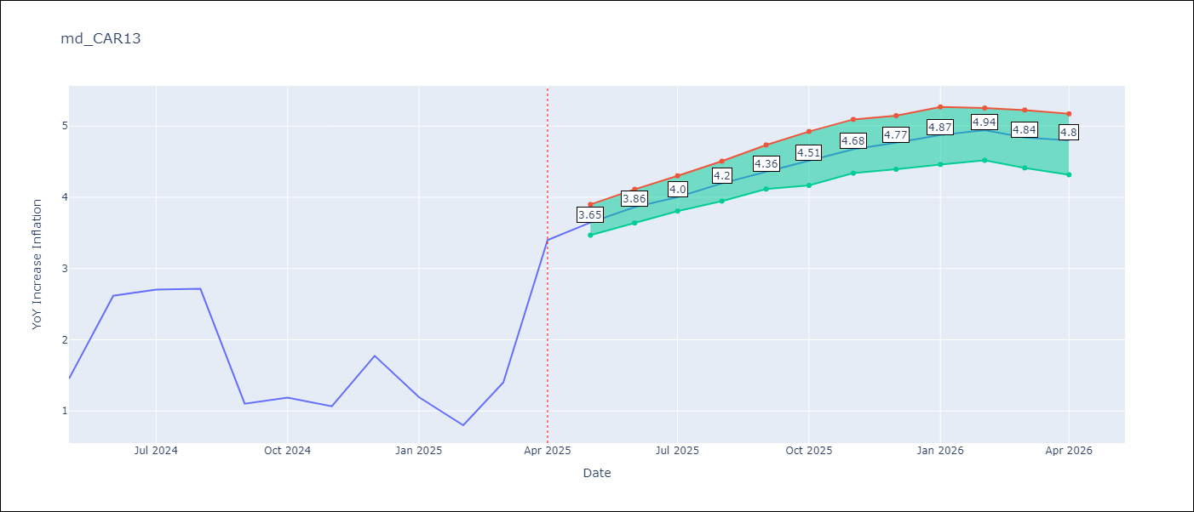

Test Set
RMSE | 1.12 | 1.4259522332821324
Naive RMSE | 1.23 | 1.23
MAPE | 53.57% | 71.41%

Test Predictions
Date | Predicted | Actual | Bias Vector | Bias Corrected
2024-06-01 | 1.85 | 1.45 | 0.27 | 1.58
2024-07-01 | 1.78 | 2.62 | 0.3 | 1.49
2024-08-01 | 1.78 | 2.7 | 0.33 | 1.45
2024-09-01 | 1.82 | 2.72 | 0.34 | 1.47
2024-10-01 | 1.82 | 1.1 | 0.37 | 1.45
2024-11-01 | 1.88 | 1.19 | 0.39 | 1.49
2024-12-01 | 1.92 | 1.07 | 0.41 | 1.51
2025-01-01 | 1.93 | 1.77 | 0.4 | 1.52
2025-02-01 | 1.99 | 1.19 | 0.42 | 1.57
2025-03-01 | 2.04 | 0.8 | 0.4 | 1.64
2025-04-01 | 2.06 | 1.4 | 0.37 | 1.68
2025-05-01 | 2.18 | 3.4 | 0.35 | 1.83

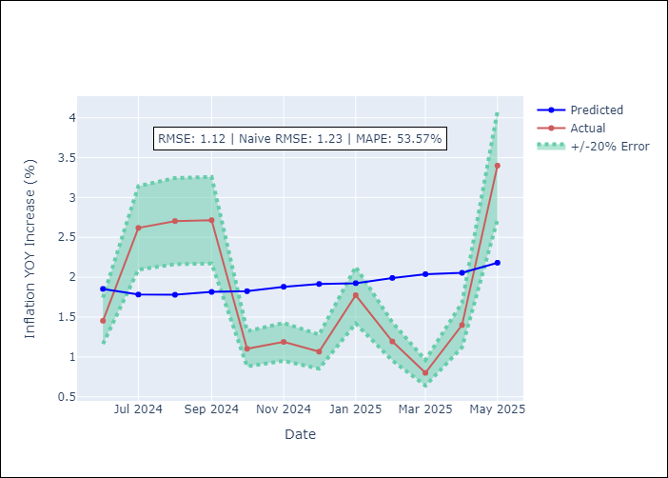
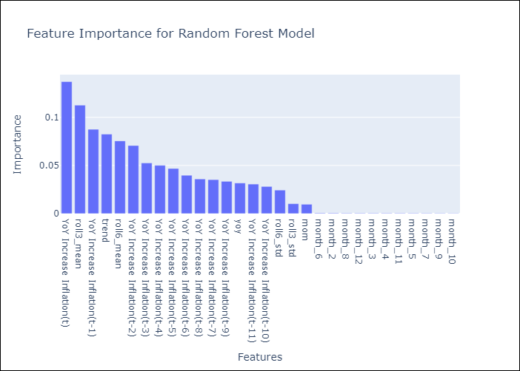

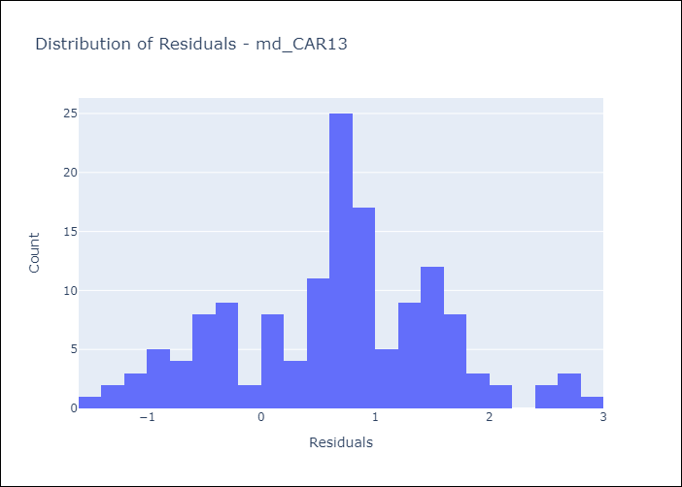
Appendix A: Model Summary
Model | Random Forest w/ Lags
Sample | 1994-06-01 to 2025-04-01
No. of Observations | 371
Residuals
Mean | 0.6539577947
St Dev | 0.90780051411
Kurtosis | -0.21136631452
Skewness | -0.044300784077

Bias-Corrected Residuals
Mean | -1.1737003214
St Dev | 0.80979462038
Kurtosis | -0.07447246771
Skewness | -0.118013771

Assumptions | P-value

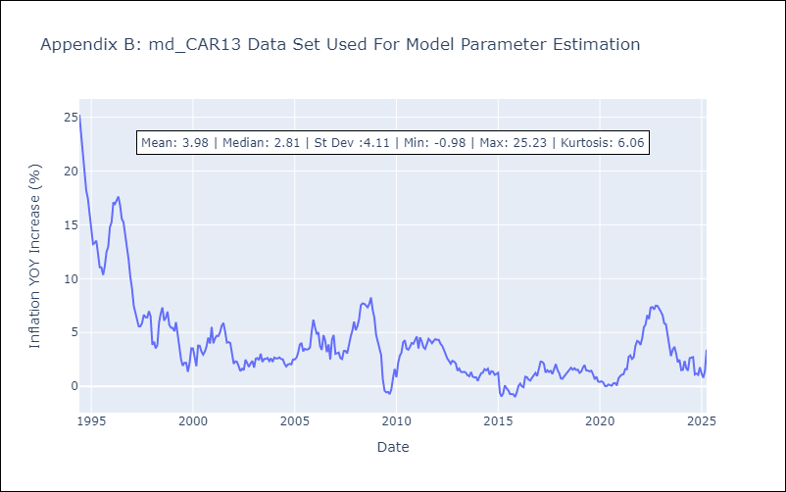

Appendix C: Residuals Analysis
Mean

md_CEN09
md_CEN09 - Inflation - Next 12 months forecast as of: 2025-04-01

Model | Random Forest w/ Lags - None
Training Data | 1993-12-01 to 2024-05-01
Test Data | 2024-05-01 to 2025-04-01

Date | Inflation Change YoY % | Lower Bound - 95% Confidence Interval | Upper Bound - 95% Confidence Interval | Bias Corrected Forecast
2025-05-01 | 3.79 | 3.9 | 4.33 | 3.94
2025-06-01 | 3.95 | 4.07 | 4.57 | 4.19
2025-07-01 | 4.11 | 4.2 | 4.78 | 4.42
2025-08-01 | 4.24 | 4.41 | 5.05 | 4.63
2025-09-01 | 4.35 | 4.59 | 5.26 | 4.79
2025-10-01 | 4.46 | 4.75 | 5.42 | 4.94
2025-11-01 | 4.56 | 4.88 | 5.6 | 5.07
2025-12-01 | 4.65 | 5 | 5.75 | 5.19
2026-01-01 | 4.78 | 5.03 | 5.91 | 5.32
2026-02-01 | 4.94 | 5.19 | 6.04 | 5.45
2026-03-01 | 5.09 | 5.28 | 6.22 | 5.58
2026-04-01 | 5.11 | 5.26 | 6.28 | 5.58

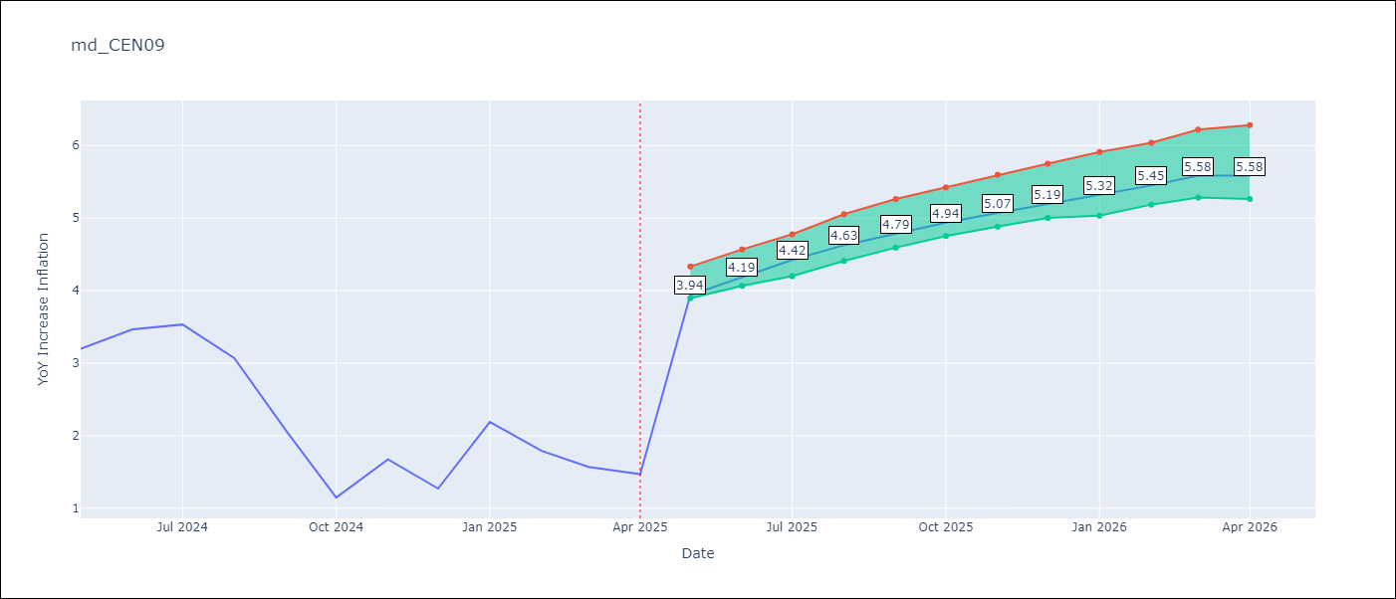

Test Set
RMSE | 2.09 | 3.9963107894494105
Naive RMSE | 1.51 | 1.51
MAPE | 114.47% | 123.59%

Test Predictions
Date | Predicted | Actual | Bias Vector | Bias Corrected
2024-06-01 | 3.41 | 3.2 | 0.15 | 3.26
2024-07-01 | 3.49 | 3.47 | 0.24 | 3.26
2024-08-01 | 3.53 | 3.53 | 0.31 | 3.22
2024-09-01 | 3.61 | 3.07 | 0.39 | 3.22
2024-10-01 | 3.75 | 2.07 | 0.44 | 3.31
2024-11-01 | 3.96 | 1.15 | 0.48 | 3.48
2024-12-01 | 4.2 | 1.67 | 0.51 | 3.68
2025-01-01 | 4.36 | 1.27 | 0.54 | 3.83
2025-02-01 | 4.44 | 2.19 | 0.54 | 3.91
2025-03-01 | 4.43 | 1.79 | 0.51 | 3.92
2025-04-01 | 4.43 | 1.57 | 0.5 | 3.94
2025-05-01 | 4.34 | 1.47 | 0.47 | 3.87

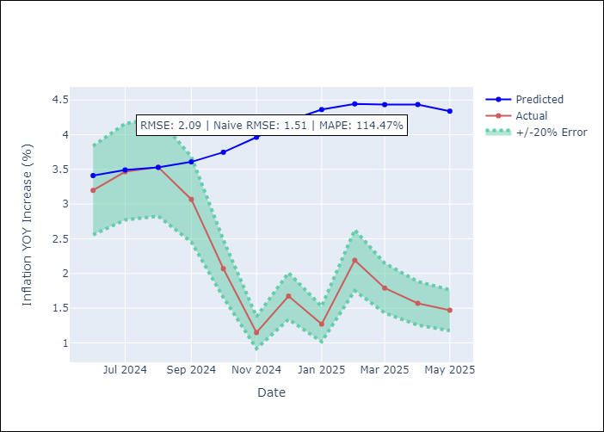
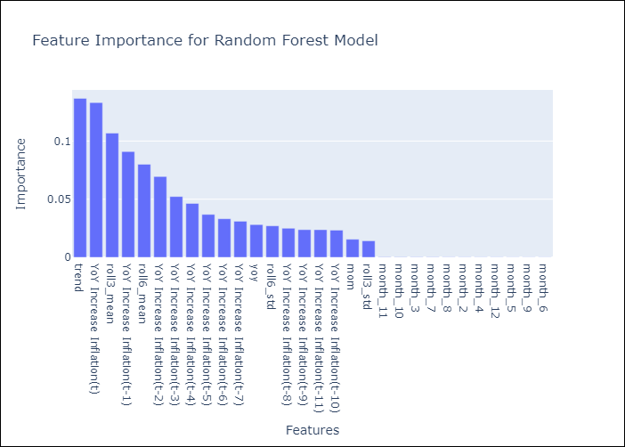

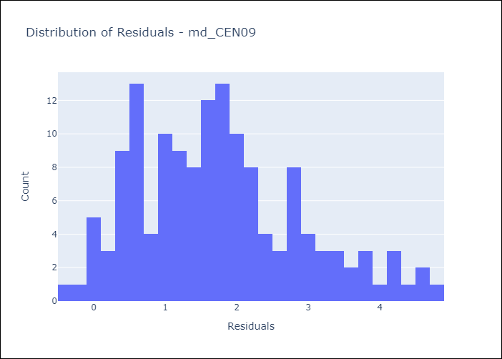
Appendix A: Model Summary
Model | Random Forest w/ Lags
Sample | 1993-12-01 to 2025-04-01
No. of Observations | 377
Residuals
Mean | 1.7451397739
St Dev | 1.1443589698
Kurtosis | -0.23727492144
Skewness | 0.56901869292

Bias-Corrected Residuals
Mean | -3.9382140984
St Dev | 0.67894745113
Kurtosis | -1.0440137568
Skewness | 0.45354553174

Assumptions | P-value

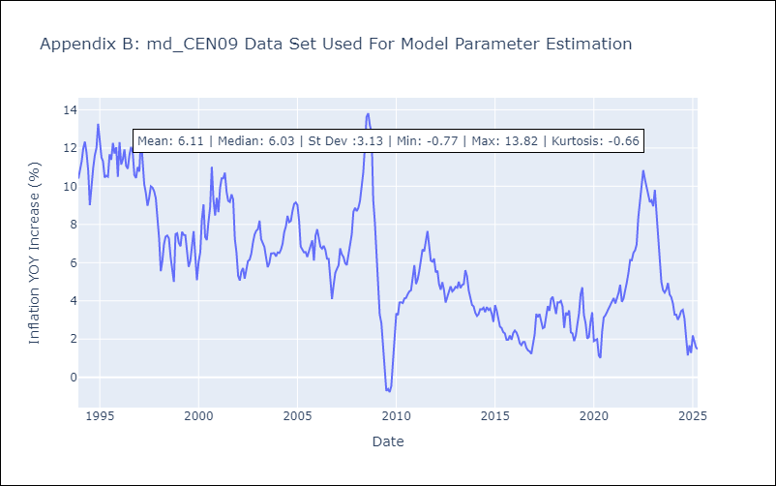

Appendix C: Residuals Analysis
Mean

md_CEN10
md_CEN10 - Inflation - Next 12 months forecast as of: 2025-04-01

Model | Random Forest w/ Lags - None
Training Data | 1993-12-01 to 2024-05-01
Test Data | 2024-05-01 to 2025-04-01

Date | Inflation Change YoY % | Lower Bound - 95% Confidence Interval | Upper Bound - 95% Confidence Interval | Bias Corrected Forecast
2025-05-01 | 3.91 | 3.76 | 4.24 | 4.06
2025-06-01 | 4.06 | 4 | 4.47 | 4.3
2025-07-01 | 4.2 | 4.23 | 4.7 | 4.51
2025-08-01 | 4.34 | 4.4 | 4.92 | 4.73
2025-09-01 | 4.45 | 4.58 | 5.12 | 4.89
2025-10-01 | 4.54 | 4.7 | 5.29 | 5.01
2025-11-01 | 4.64 | 4.73 | 5.42 | 5.15
2025-12-01 | 4.75 | 4.83 | 5.56 | 5.29
2026-01-01 | 4.89 | 4.86 | 5.71 | 5.42
2026-02-01 | 5.03 | 4.91 | 5.87 | 5.54
2026-03-01 | 5.16 | 5.01 | 6.05 | 5.65
2026-04-01 | 5.17 | 5.08 | 6.07 | 5.64



Test Set
RMSE | 2.09 | 4.005870286532361
Naive RMSE | 1.51 | 1.51
MAPE | 114.47% | 123.13%

Test Predictions
Date | Predicted | Actual | Bias Vector | Bias Corrected
2024-06-01 | 3.41 | 3.2 | 0.15 | 3.26
2024-07-01 | 3.49 | 3.47 | 0.24 | 3.26
2024-08-01 | 3.53 | 3.53 | 0.31 | 3.22
2024-09-01 | 3.61 | 3.07 | 0.39 | 3.22
2024-10-01 | 3.75 | 2.07 | 0.44 | 3.31
2024-11-01 | 3.96 | 1.15 | 0.48 | 3.48
2024-12-01 | 4.2 | 1.67 | 0.51 | 3.68
2025-01-01 | 4.36 | 1.27 | 0.54 | 3.83
2025-02-01 | 4.44 | 2.19 | 0.54 | 3.91
2025-03-01 | 4.43 | 1.79 | 0.51 | 3.92
2025-04-01 | 4.43 | 1.57 | 0.5 | 3.94
2025-05-01 | 4.34 | 1.47 | 0.47 | 3.87




Appendix A: Model Summary
Model | Random Forest w/ Lags
Sample | 1993-12-01 to 2025-04-01
No. of Observations | 377
Residuals
Mean | 1.7451397739
St Dev | 1.1443589698
Kurtosis | -0.23727492144
Skewness | 0.56901869292

Bias-Corrected Residuals
Mean | -3.9422160297
St Dev | 0.7112872329
Kurtosis | -1.1490249579
Skewness | 0.50377886854

Assumptions | P-value



Appendix C: Residuals Analysis
Mean

md_R01
md_R01 - Inflation - Next 12 months forecast as of: 2025-04-01

Model | Random Forest w/ Lags - None
Training Data | 1991-12-01 to 2024-05-01
Test Data | 2024-05-01 to 2025-04-01

Date | Inflation Change YoY % | Lower Bound - 95% Confidence Interval | Upper Bound - 95% Confidence Interval | Bias Corrected Forecast
2025-05-01 | 4.44 | 4.57 | 5.03 | 4.8
2025-06-01 | 4.53 | 4.67 | 5.2 | 4.95
2025-07-01 | 4.6 | 4.81 | 5.41 | 5.09
2025-08-01 | 4.65 | 4.91 | 5.5 | 5.21
2025-09-01 | 4.7 | 5.05 | 5.65 | 5.33
2025-10-01 | 4.73 | 5.15 | 5.76 | 5.44
2025-11-01 | 4.75 | 5.26 | 5.88 | 5.53
2025-12-01 | 4.78 | 5.27 | 5.99 | 5.6
2026-01-01 | 4.76 | 5.3 | 6.03 | 5.62
2026-02-01 | 4.75 | 5.26 | 6.12 | 5.64
2026-03-01 | 4.75 | 5.29 | 6.15 | 5.66
2026-04-01 | 4.71 | 5.25 | 6.08 | 5.62

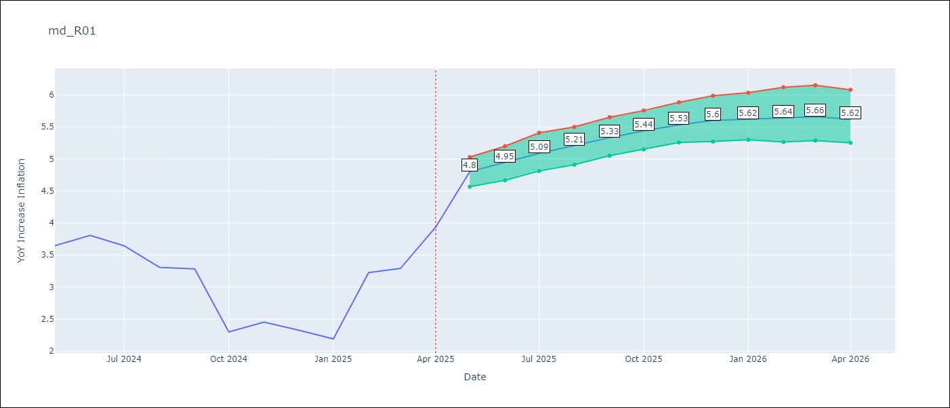

Test Set
RMSE | 1.05 | 2.229917494009901
Naive RMSE | 0.87 | 0.87
MAPE | 24.23% | 51.88%

Test Predictions
Date | Predicted | Actual | Bias Vector | Bias Corrected
2024-06-01 | 3.39 | 3.65 | 0.36 | 3.02
2024-07-01 | 3.46 | 3.81 | 0.42 | 3.04
2024-08-01 | 3.56 | 3.64 | 0.49 | 3.07
2024-09-01 | 3.59 | 3.31 | 0.56 | 3.04
2024-10-01 | 3.62 | 3.28 | 0.63 | 2.99
2024-11-01 | 3.6 | 2.3 | 0.71 | 2.9
2024-12-01 | 3.61 | 2.45 | 0.78 | 2.84
2025-01-01 | 3.61 | 2.33 | 0.82 | 2.79
2025-02-01 | 3.61 | 2.19 | 0.86 | 2.75
2025-03-01 | 3.59 | 3.23 | 0.89 | 2.71
2025-04-01 | 3.62 | 3.29 | 0.91 | 2.71
2025-05-01 | 3.64 | 3.93 | 0.9 | 2.74

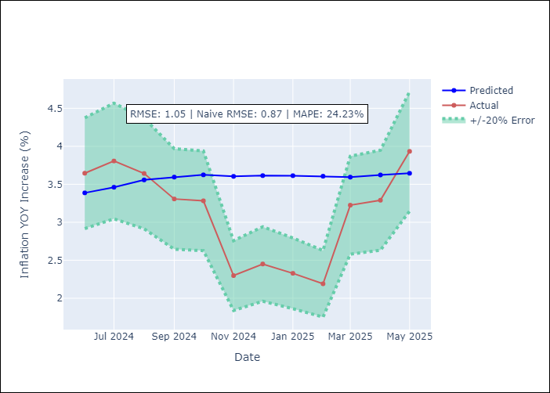
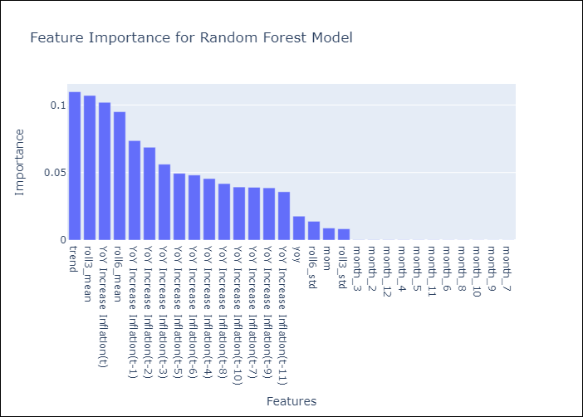

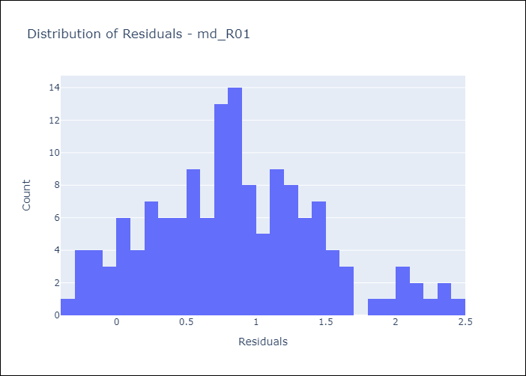
Appendix A: Model Summary
Model | Random Forest w/ Lags
Sample | 1991-12-01 to 2025-04-01
No. of Observations | 401
Residuals
Mean | 0.84611141452
St Dev | 0.61345768962
Kurtosis | -0.087994932588
Skewness | 0.35242564002

Bias-Corrected Residuals
Mean | -2.1848581242
St Dev | 0.44601233986
Kurtosis | -1.1820259194
Skewness | -0.44302334392

Assumptions | P-value

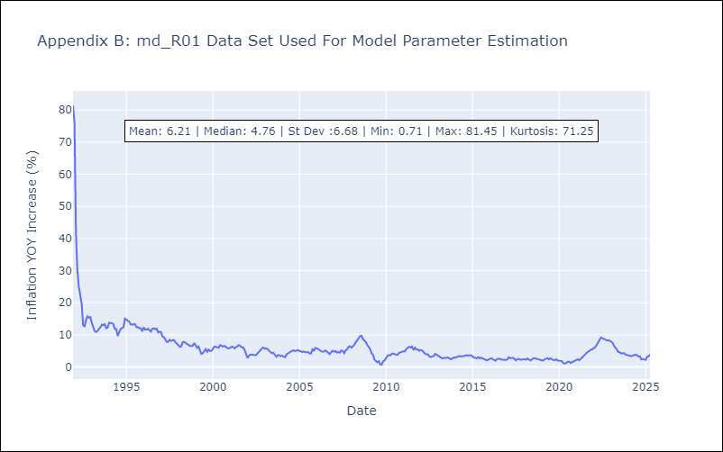

Appendix C: Residuals Analysis
Mean

md_R02
md_R02 - Inflation - Next 12 months forecast as of: 2025-04-01

Model | Random Forest w/ Lags - None
Training Data | 1991-12-01 to 2024-05-01
Test Data | 2024-05-01 to 2025-04-01

Date | Inflation Change YoY % | Lower Bound - 95% Confidence Interval | Upper Bound - 95% Confidence Interval | Bias Corrected Forecast
2025-05-01 | 4.68 | 4.68 | 5.08 | 4.98
2025-06-01 | 4.76 | 4.77 | 5.21 | 5.1
2025-07-01 | 4.84 | 4.88 | 5.35 | 5.24
2025-08-01 | 4.92 | 4.97 | 5.48 | 5.35
2025-09-01 | 5 | 5.07 | 5.6 | 5.46
2025-10-01 | 5.09 | 5.17 | 5.7 | 5.57
2025-11-01 | 5.15 | 5.27 | 5.82 | 5.66
2025-12-01 | 5.19 | 5.34 | 5.91 | 5.73
2026-01-01 | 5.23 | 5.38 | 6.01 | 5.8
2026-02-01 | 5.25 | 5.4 | 6.04 | 5.84
2026-03-01 | 5.27 | 5.45 | 6.06 | 5.87
2026-04-01 | 5.26 | 5.48 | 6.09 | 5.86

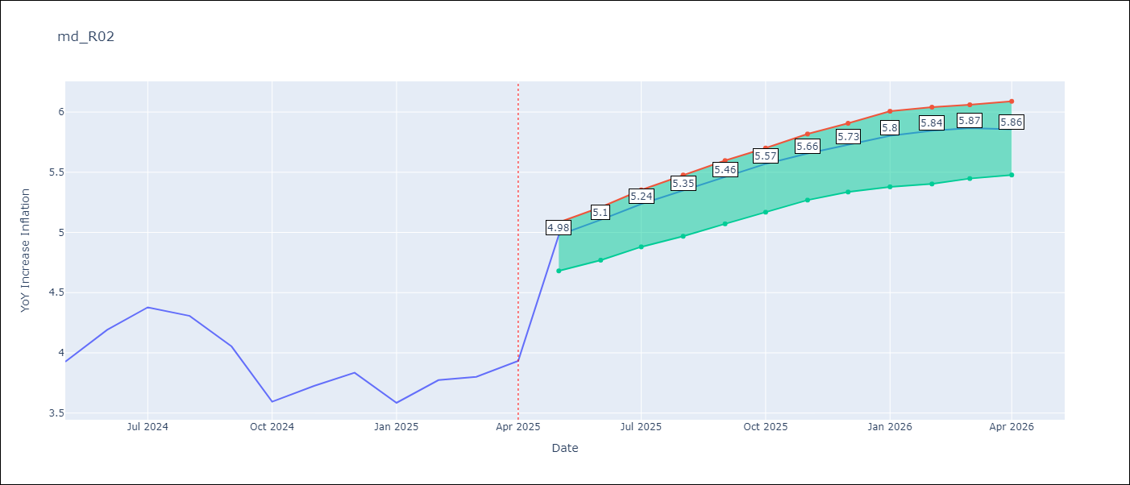

Test Set
RMSE | 0.93 | 2.112961396962447
Naive RMSE | 0.85 | 0.85
MAPE | 16.69% | 22.47%

Test Predictions
Date | Predicted | Actual | Bias Vector | Bias Corrected
2024-06-01 | 3.81 | 3.93 | 0.3 | 3.51
2024-07-01 | 3.93 | 4.19 | 0.35 | 3.58
2024-08-01 | 4.06 | 4.38 | 0.4 | 3.66
2024-09-01 | 4.18 | 4.31 | 0.43 | 3.75
2024-10-01 | 4.32 | 4.05 | 0.46 | 3.86
2024-11-01 | 4.41 | 3.59 | 0.48 | 3.92
2024-12-01 | 4.49 | 3.73 | 0.51 | 3.98
2025-01-01 | 4.6 | 3.83 | 0.54 | 4.06
2025-02-01 | 4.7 | 3.59 | 0.58 | 4.12
2025-03-01 | 4.79 | 3.77 | 0.6 | 4.19
2025-04-01 | 4.85 | 3.8 | 0.6 | 4.25
2025-05-01 | 4.95 | 3.93 | 0.6 | 4.34

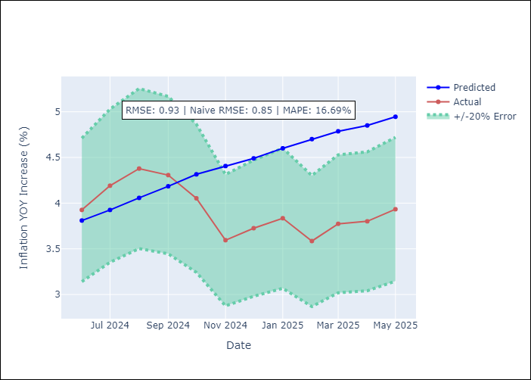
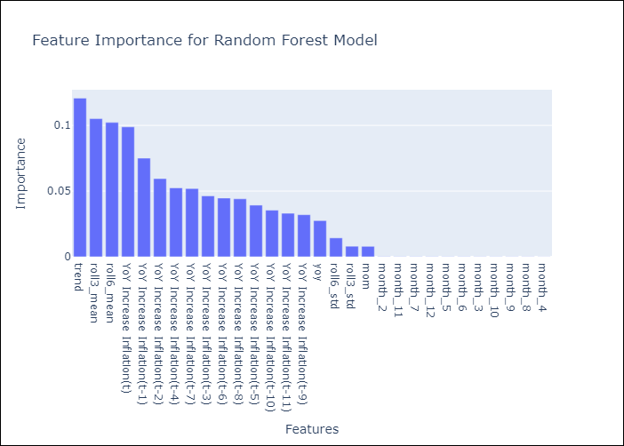

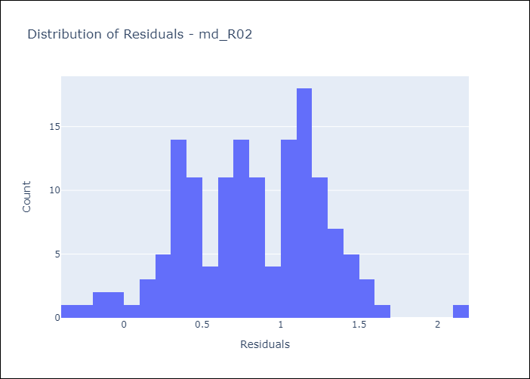
Appendix A: Model Summary
Model | Random Forest w/ Lags
Sample | 1991-12-01 to 2025-04-01
No. of Observations | 401
Residuals
Mean | 0.8199543838
St Dev | 0.43380094296
Kurtosis | -0.16392863334
Skewness | -0.15598242404

Bias-Corrected Residuals
Mean | -2.092652114
St Dev | 0.29225501677
Kurtosis | 3.4685420805
Skewness | -1.8226012847

Assumptions | P-value

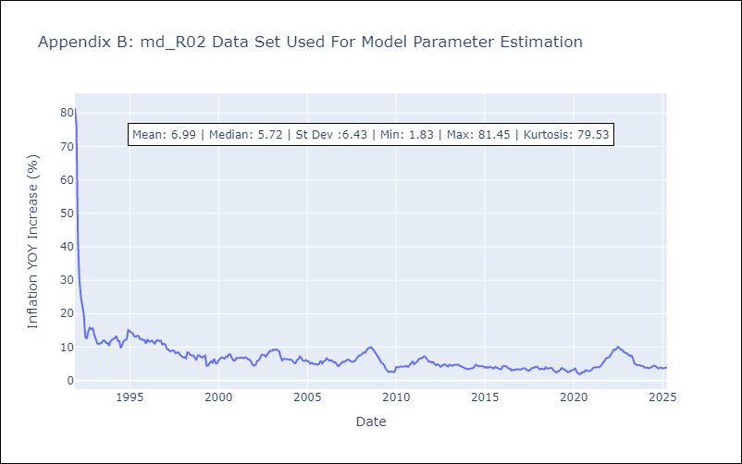

Appendix C: Residuals Analysis
Mean

md_R07
md_R07 - Inflation - Next 12 months forecast as of: 2025-04-01

Model | Random Forest w/ Lags - None
Training Data | 1994-06-01 to 2024-05-01
Test Data | 2024-05-01 to 2025-04-01

Date | Inflation Change YoY % | Lower Bound - 95% Confidence Interval | Upper Bound - 95% Confidence Interval | Bias Corrected Forecast
2025-05-01 | 3.31 | 3.3 | 3.99 | 3.59
2025-06-01 | 3.53 | 3.41 | 4.21 | 3.82
2025-07-01 | 3.69 | 3.62 | 4.39 | 4.03
2025-08-01 | 3.84 | 3.76 | 4.63 | 4.18
2025-09-01 | 4 | 3.95 | 4.8 | 4.37
2025-10-01 | 4.11 | 4.05 | 5.02 | 4.5
2025-11-01 | 4.29 | 4.26 | 5.15 | 4.7
2025-12-01 | 4.34 | 4.33 | 5.23 | 4.75
2026-01-01 | 4.42 | 4.41 | 5.34 | 4.84
2026-02-01 | 4.52 | 4.51 | 5.36 | 4.92
2026-03-01 | 4.48 | 4.43 | 5.3 | 4.85
2026-04-01 | 4.46 | 4.35 | 5.22 | 4.82

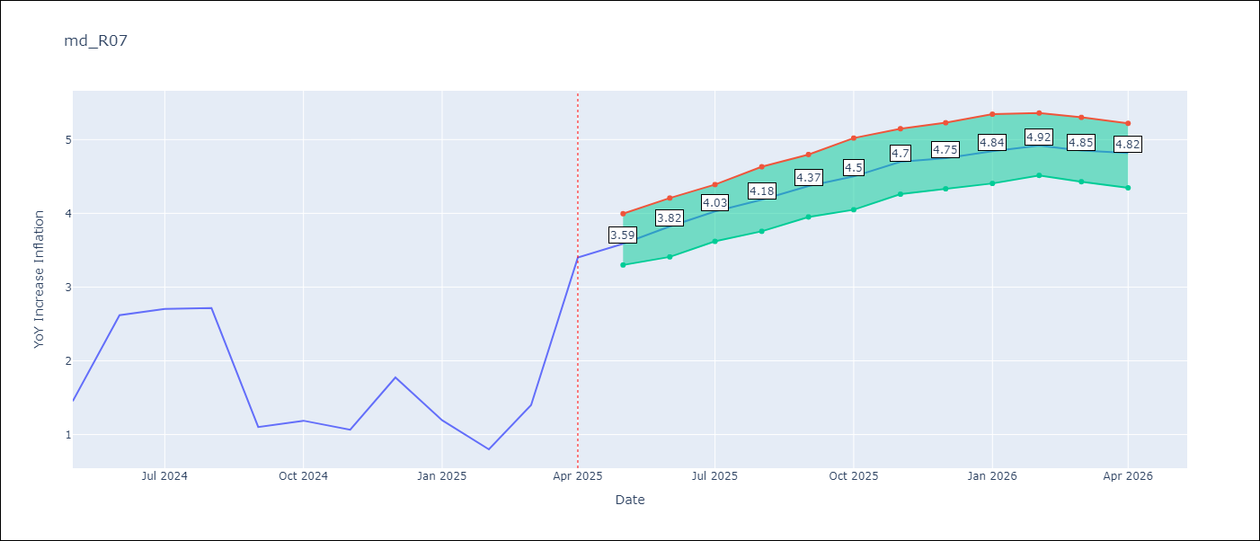

Test Set
RMSE | 1.12 | 1.383424896321717
Naive RMSE | 1.23 | 1.23
MAPE | 53.57% | 68.14%

Test Predictions
Date | Predicted | Actual | Bias Vector | Bias Corrected
2024-06-01 | 1.85 | 1.45 | 0.27 | 1.58
2024-07-01 | 1.78 | 2.62 | 0.3 | 1.49
2024-08-01 | 1.78 | 2.7 | 0.33 | 1.45
2024-09-01 | 1.82 | 2.72 | 0.34 | 1.47
2024-10-01 | 1.82 | 1.1 | 0.37 | 1.45
2024-11-01 | 1.88 | 1.19 | 0.39 | 1.49
2024-12-01 | 1.92 | 1.07 | 0.41 | 1.51
2025-01-01 | 1.93 | 1.77 | 0.4 | 1.52
2025-02-01 | 1.99 | 1.19 | 0.42 | 1.57
2025-03-01 | 2.04 | 0.8 | 0.4 | 1.64
2025-04-01 | 2.06 | 1.4 | 0.37 | 1.68
2025-05-01 | 2.18 | 3.4 | 0.35 | 1.83




Appendix A: Model Summary
Model | Random Forest w/ Lags
Sample | 1994-06-01 to 2025-04-01
No. of Observations | 371
Residuals
Mean | 0.6539577947
St Dev | 0.90780051411
Kurtosis | -0.21136631452
Skewness | -0.044300784077

Bias-Corrected Residuals
Mean | -1.1239815394
St Dev | 0.80655436445
Kurtosis | 0.063063848075
Skewness | -0.21305499574

Assumptions | P-value

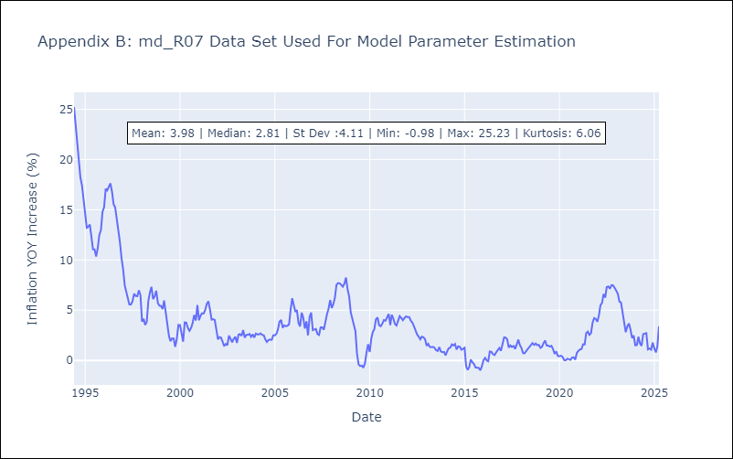

Appendix C: Residuals Analysis
Mean

md_SUR10
md_SUR10 - Inflation - Next 12 months forecast as of: 2025-04-01

Model | Random Forest w/ Lags - None
Training Data | 1991-12-01 to 2024-05-01
Test Data | 2024-05-01 to 2025-04-01

Date | Inflation Change YoY % | Lower Bound - 95% Confidence Interval | Upper Bound - 95% Confidence Interval | Bias Corrected Forecast
2025-05-01 | 5.38 | 5.62 | 6.04 | 5.8
2025-06-01 | 5.49 | 5.71 | 6.2 | 5.95
2025-07-01 | 5.62 | 5.82 | 6.38 | 6.13
2025-08-01 | 5.7 | 5.91 | 6.49 | 6.22
2025-09-01 | 5.76 | 5.98 | 6.6 | 6.3
2025-10-01 | 5.83 | 6.02 | 6.76 | 6.38
2025-11-01 | 5.92 | 6.05 | 6.98 | 6.46
2025-12-01 | 6.02 | 6.12 | 7.15 | 6.59
2026-01-01 | 6.06 | 6.18 | 7.2 | 6.63
2026-02-01 | 6.04 | 6.13 | 7.24 | 6.61
2026-03-01 | 6.06 | 6.14 | 7.23 | 6.64
2026-04-01 | 5.96 | 6.13 | 7.05 | 6.55

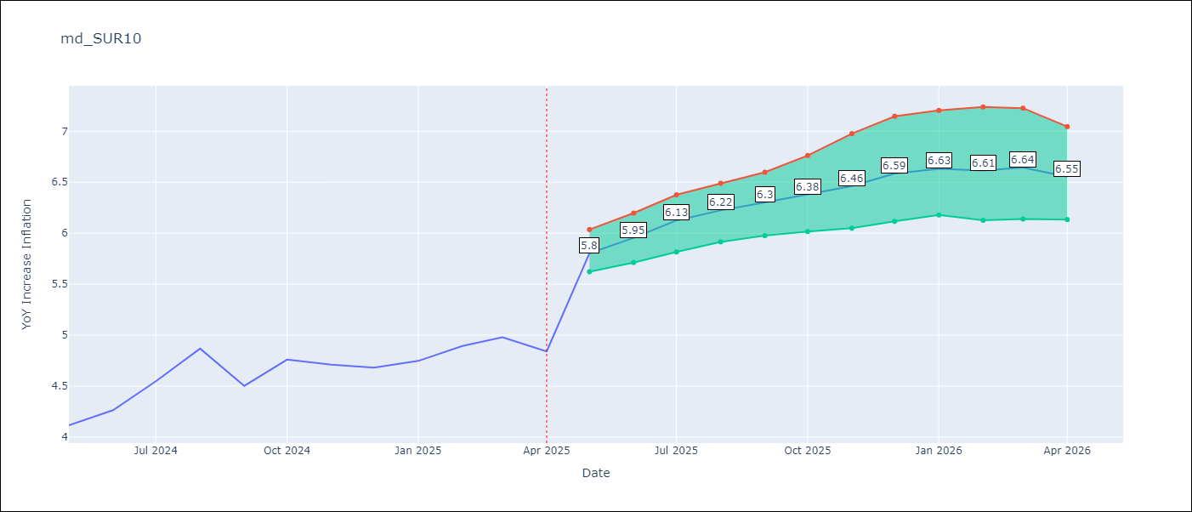

Test Set
RMSE | 0.53 | 1.2933194615024062
Naive RMSE | 0.86 | 0.86
MAPE | 4.6% | 9.33%

Test Predictions
Date | Predicted | Actual | Bias Vector | Bias Corrected
2024-06-01 | 3.98 | 4.12 | 0.43 | 3.56
2024-07-01 | 4.05 | 4.26 | 0.46 | 3.59
2024-08-01 | 4.17 | 4.55 | 0.5 | 3.67
2024-09-01 | 4.28 | 4.87 | 0.52 | 3.76
2024-10-01 | 4.37 | 4.5 | 0.54 | 3.83
2024-11-01 | 4.47 | 4.76 | 0.55 | 3.92
2024-12-01 | 4.53 | 4.71 | 0.55 | 3.98
2025-01-01 | 4.62 | 4.68 | 0.57 | 4.05
2025-02-01 | 4.69 | 4.75 | 0.58 | 4.11
2025-03-01 | 4.68 | 4.89 | 0.58 | 4.1
2025-04-01 | 4.78 | 4.98 | 0.59 | 4.19
2025-05-01 | 4.98 | 4.84 | 0.59 | 4.38

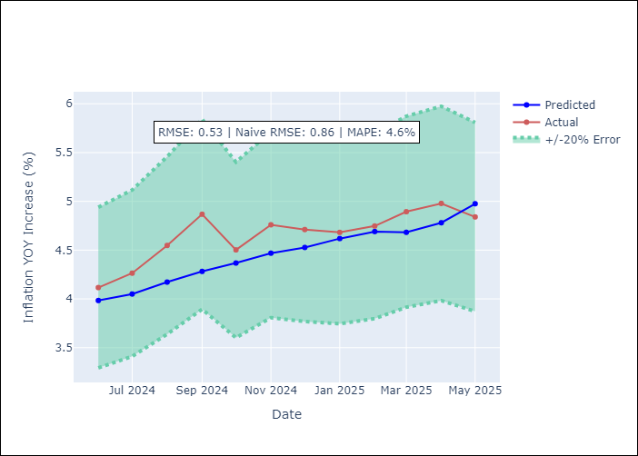
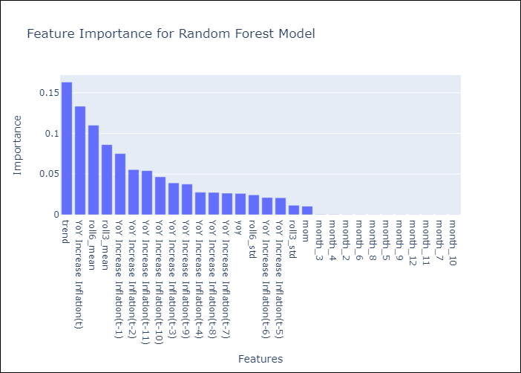

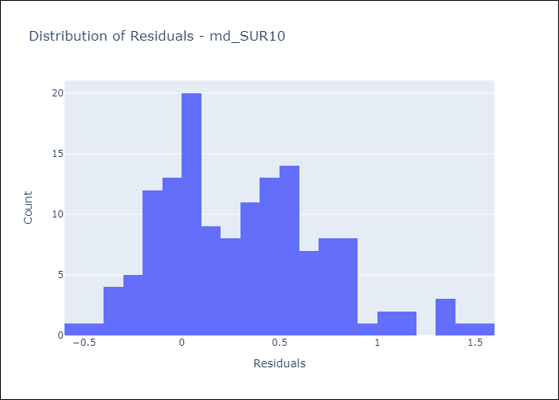
Appendix A: Model Summary
Model | Random Forest w/ Lags
Sample | 1991-12-01 to 2025-04-01
No. of Observations | 401
Residuals
Mean | 0.3158632802
St Dev | 0.42128947213
Kurtosis | 0.015519720396
Skewness | 0.52465524889

Bias-Corrected Residuals
Mean | -1.1353484432
St Dev | 0.61940224571
Kurtosis | 1.8477141588
Skewness | -1.5145321545

Assumptions | P-value

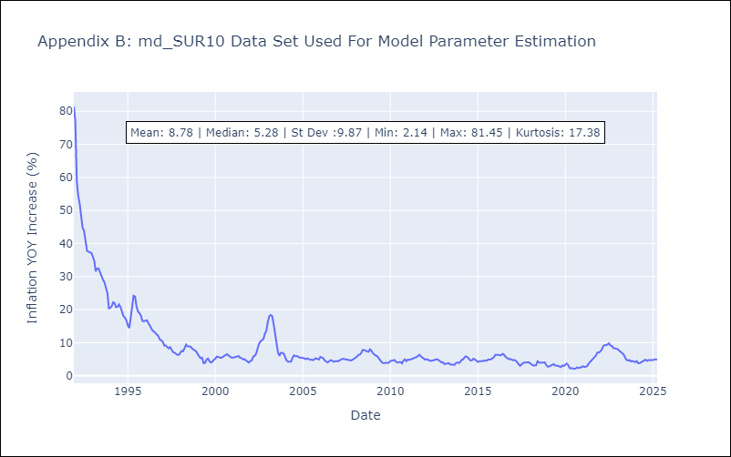

Appendix C: Residuals Analysis
Mean

