md_SUR10
md_SUR10 - Inflation - Next 12 months forecast as of: 2025-04-01

Model | Random Forest w/ Lags - None
Training Data | 1991-12-01 to 2024-05-01
Test Data | 2024-05-01 to 2025-04-01

Date | Inflation Change YoY % | Lower Bound - 95% Confidence Interval | Upper Bound - 95% Confidence Interval | Bias Corrected Forecast
2025-05-01 | 5.44 | 5.6 | 5.99 | 5.87
2025-06-01 | 5.53 | 5.69 | 6.2 | 5.99
2025-07-01 | 5.64 | 5.8 | 6.4 | 6.14
2025-08-01 | 5.69 | 5.88 | 6.53 | 6.21
2025-09-01 | 5.73 | 5.99 | 6.61 | 6.27
2025-10-01 | 5.77 | 6.05 | 6.73 | 6.31
2025-11-01 | 5.82 | 6.07 | 6.88 | 6.37
2025-12-01 | 5.87 | 6.06 | 6.98 | 6.44
2026-01-01 | 5.88 | 6.03 | 7.1 | 6.46
2026-02-01 | 5.84 | 6 | 7.16 | 6.42
2026-03-01 | 5.83 | 6.03 | 7.21 | 6.42
2026-04-01 | 5.75 | 6.04 | 7.16 | 6.35

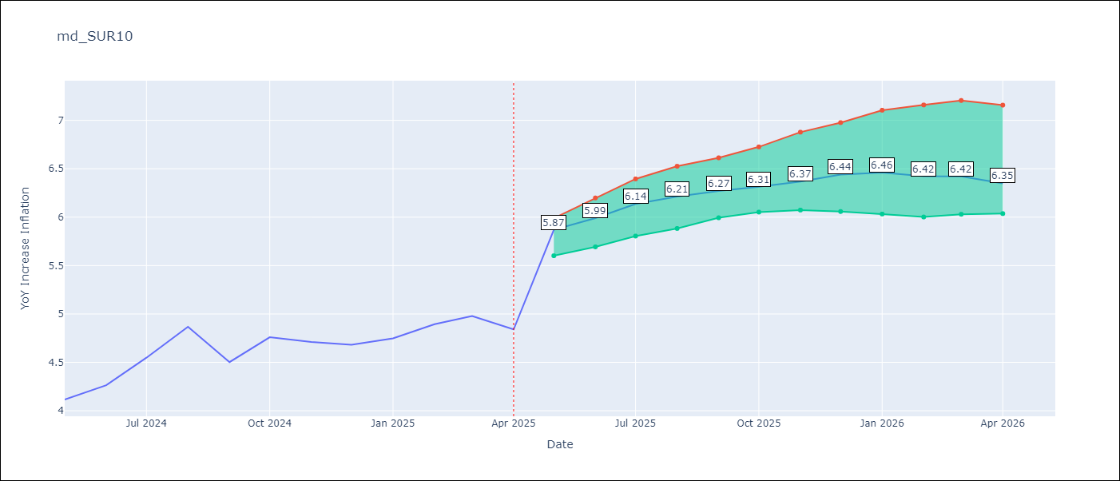

Test Set
RMSE | 0.53 | 0.37091958403092984
Naive RMSE | 0.86 | 0.86
MAPE | 4.6% | 7.12%

Test Predictions
Date | Predicted | Actual | Bias Vector | Bias Corrected
2024-06-01 | 3.98 | 4.12 | 0.43 | 3.56
2024-07-01 | 4.05 | 4.26 | 0.46 | 3.59
2024-08-01 | 4.17 | 4.55 | 0.5 | 3.67
2024-09-01 | 4.28 | 4.87 | 0.52 | 3.76
2024-10-01 | 4.37 | 4.5 | 0.54 | 3.83
2024-11-01 | 4.47 | 4.76 | 0.55 | 3.92
2024-12-01 | 4.53 | 4.71 | 0.55 | 3.98
2025-01-01 | 4.62 | 4.68 | 0.57 | 4.05
2025-02-01 | 4.69 | 4.75 | 0.58 | 4.11
2025-03-01 | 4.68 | 4.89 | 0.58 | 4.1
2025-04-01 | 4.78 | 4.98 | 0.59 | 4.19
2025-05-01 | 4.98 | 4.84 | 0.59 | 4.38

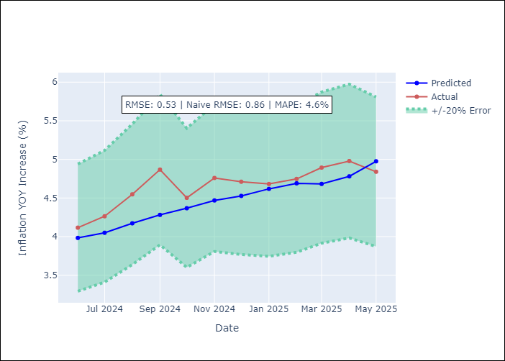
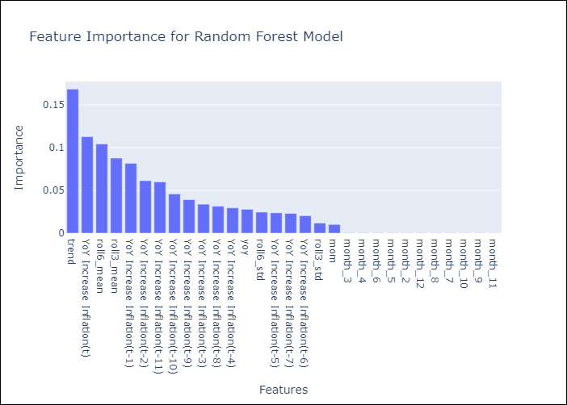

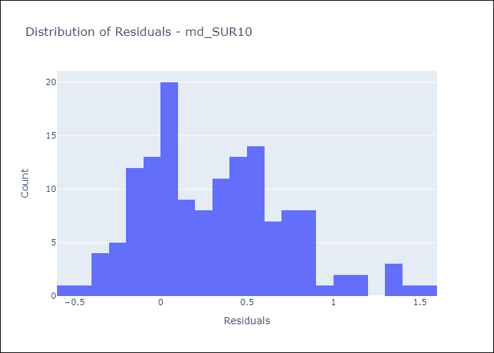
Appendix A: Model Summary
Model | Random Forest w/ Lags
Sample | 1991-12-01 to 2025-04-01
No. of Observations | 401
Residuals
Mean | 0.3158632802
St Dev | 0.42128947213
Kurtosis | 0.015519720396
Skewness | 0.52465524889

Bias-Corrected Residuals
Mean | -0.31779162853
St Dev | 0.19128465347
Kurtosis | 0.80090295083
Skewness | 0.40723275801

Assumptions | P-value

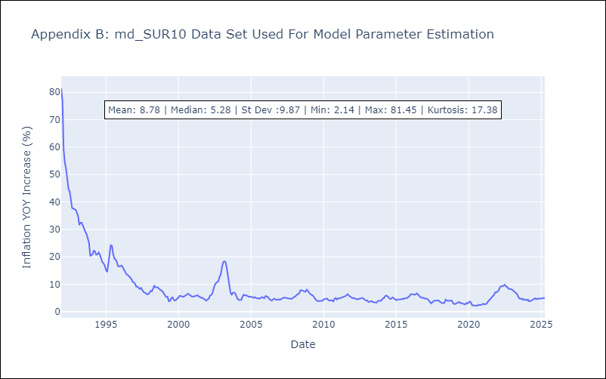

Appendix C: Residuals Analysis
Mean

