md_SUR10
md_SUR10 - Inflation - Next 12 months forecast as of: 2025-04-01

Model | Random Forest w/ Lags - None
Training Data | 1991-12-01 to 2024-05-01
Test Data | 2024-05-01 to 2025-04-01

Date | Inflation Change YoY % | Lower Bound - 95% Confidence Interval | Upper Bound - 95% Confidence Interval | Bias Corrected Forecast
2025-05-01 | 5.34 | 5.55 | 6.02 | 5.76
2025-06-01 | 5.43 | 5.64 | 6.2 | 5.89
2025-07-01 | 5.54 | 5.77 | 6.34 | 6.04
2025-08-01 | 5.6 | 5.88 | 6.46 | 6.13
2025-09-01 | 5.65 | 5.99 | 6.54 | 6.19
2025-10-01 | 5.7 | 6.05 | 6.69 | 6.25
2025-11-01 | 5.77 | 6.08 | 6.75 | 6.32
2025-12-01 | 5.85 | 6.07 | 6.85 | 6.42
2026-01-01 | 5.86 | 6.1 | 6.92 | 6.43
2026-02-01 | 5.84 | 6.04 | 6.9 | 6.42
2026-03-01 | 5.85 | 6.01 | 6.89 | 6.44
2026-04-01 | 5.78 | 5.99 | 6.81 | 6.37

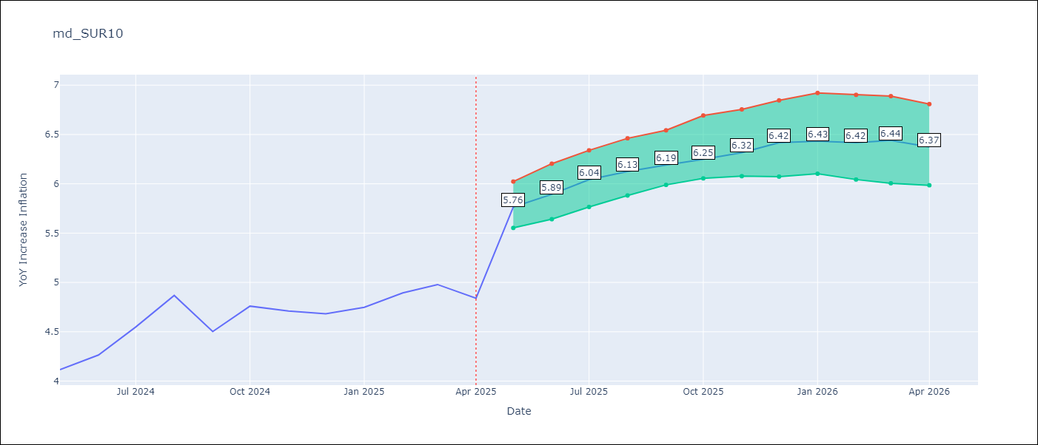

Test Set
RMSE | 0.53 | 0.4030431660560521
Naive RMSE | 0.86 | 0.86
MAPE | 4.6% | 7.62%

Test Predictions
Date | Predicted | Actual | Bias Vector | Bias Corrected
2024-06-01 | 3.98 | 4.12 | 0.43 | 4.39
2024-07-01 | 4.05 | 4.26 | 0.46 | 4.48
2024-08-01 | 4.17 | 4.55 | 0.5 | 4.63
2024-09-01 | 4.28 | 4.87 | 0.52 | 4.76
2024-10-01 | 4.37 | 4.5 | 0.54 | 4.86
2024-11-01 | 4.47 | 4.76 | 0.55 | 4.95
2024-12-01 | 4.53 | 4.71 | 0.55 | 5.07
2025-01-01 | 4.62 | 4.68 | 0.57 | 5.17
2025-02-01 | 4.69 | 4.75 | 0.58 | 5.27
2025-03-01 | 4.68 | 4.89 | 0.58 | 5.37
2025-04-01 | 4.78 | 4.98 | 0.59 | 5.48
2025-05-01 | 4.98 | 4.84 | 0.59 | 5.57

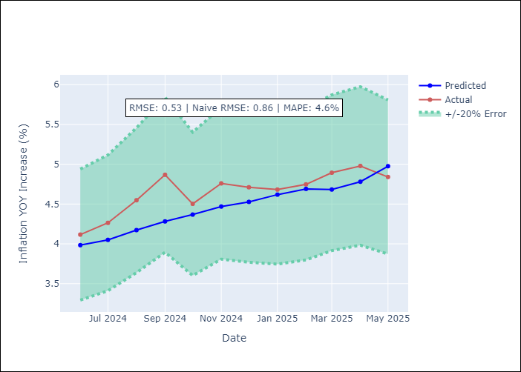
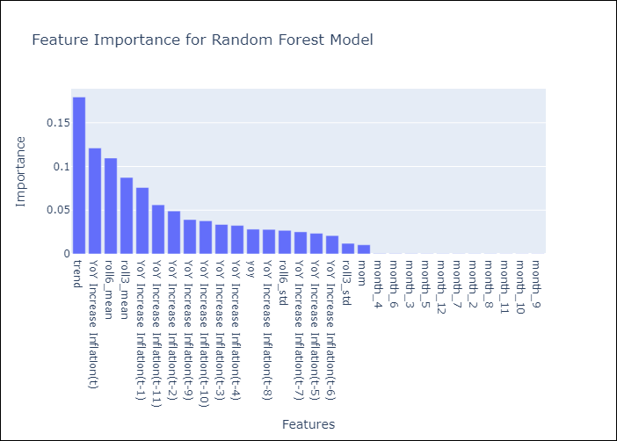

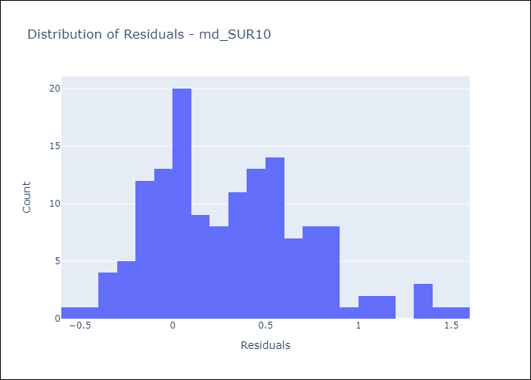
Appendix A: Model Summary
Model | Random Forest w/ Lags
Sample | 1991-12-01 to 2025-04-01
No. of Observations | 401
Residuals
Mean | 0.3158632802
St Dev | 0.42128947213
Kurtosis | 0.015519720396
Skewness | 0.52465524889

Bias-Corrected Residuals
Mean | -0.34073963908
St Dev | 0.21526795411
Kurtosis | 0.24118292054
Skewness | 0.36357484783

Assumptions | P-value

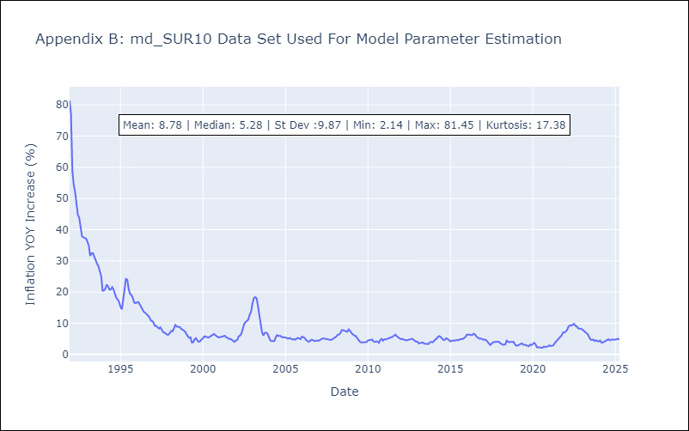

Appendix C: Residuals Analysis
Mean

