md_SUR10
md_SUR10 - Inflation - Next 12 months forecast as of: 2025-04-01

Model | Random Forest w/ Lags - None
Training Data | 1991-12-01 to 2024-05-01
Test Data | 2024-05-01 to 2025-04-01

Date | Inflation Change YoY % | Lower Bound - 95% Confidence Interval | Upper Bound - 95% Confidence Interval | Bias Corrected Forecast
2025-05-01 | 5.44 | 5.52 | 6 | 5.87
2025-06-01 | 5.54 | 5.57 | 6.27 | 6
2025-07-01 | 5.66 | 5.74 | 6.46 | 6.16
2025-08-01 | 5.73 | 5.81 | 6.52 | 6.25
2025-09-01 | 5.77 | 5.89 | 6.63 | 6.31
2025-10-01 | 5.83 | 5.93 | 6.76 | 6.38
2025-11-01 | 5.92 | 5.98 | 6.9 | 6.47
2025-12-01 | 6.01 | 6.11 | 7.03 | 6.58
2026-01-01 | 6.03 | 6.15 | 7.11 | 6.6
2026-02-01 | 6.02 | 6.12 | 7.01 | 6.6
2026-03-01 | 6.04 | 6.12 | 7.02 | 6.62
2026-04-01 | 5.95 | 6.07 | 6.94 | 6.54

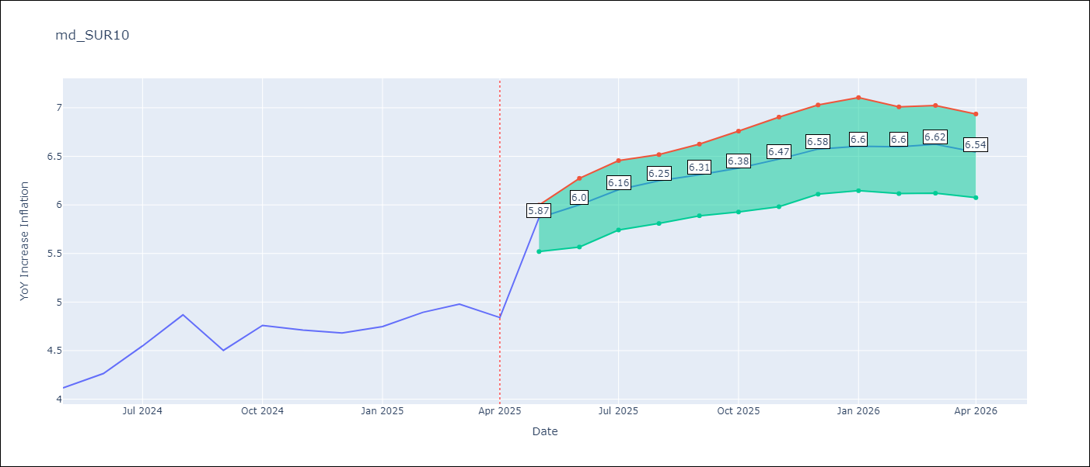

Test Set
RMSE | 0.53 | 0.37598687252423246
Naive RMSE | 0.86 | 0.86
MAPE | 4.6% | 7.19%

Test Predictions
Date | Predicted | Actual | Bias Vector | Bias Corrected
2024-06-01 | 3.98 | 4.12 | 0.43 | 4.39
2024-07-01 | 4.05 | 4.26 | 0.46 | 4.52
2024-08-01 | 4.17 | 4.55 | 0.5 | 4.68
2024-09-01 | 4.28 | 4.87 | 0.52 | 4.78
2024-10-01 | 4.37 | 4.5 | 0.54 | 4.85
2024-11-01 | 4.47 | 4.76 | 0.55 | 4.91
2024-12-01 | 4.53 | 4.71 | 0.55 | 5.01
2025-01-01 | 4.62 | 4.68 | 0.57 | 5.1
2025-02-01 | 4.69 | 4.75 | 0.58 | 5.23
2025-03-01 | 4.68 | 4.89 | 0.58 | 5.33
2025-04-01 | 4.78 | 4.98 | 0.59 | 5.44
2025-05-01 | 4.98 | 4.84 | 0.59 | 5.54

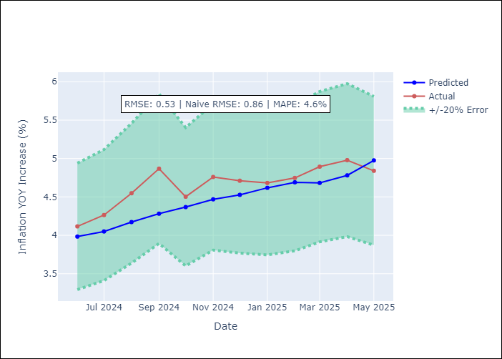
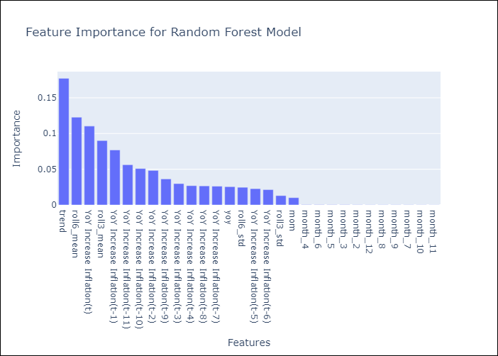

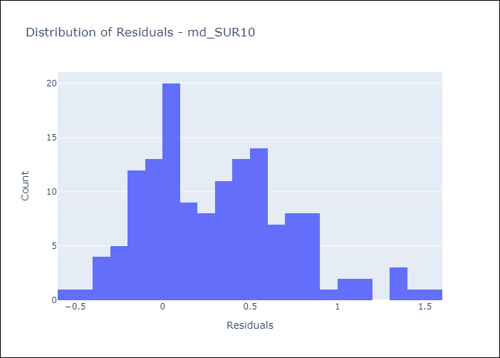
Appendix A: Model Summary
Model | Random Forest w/ Lags
Sample | 1991-12-01 to 2025-04-01
No. of Observations | 401
Residuals
Mean | 0.3158632802
St Dev | 0.42128947213
Kurtosis | 0.015519720396
Skewness | 0.52465524889

Bias-Corrected Residuals
Mean | -0.32212552654
St Dev | 0.19391047796
Kurtosis | 0.81085795104
Skewness | 0.24996112112

Assumptions | P-value

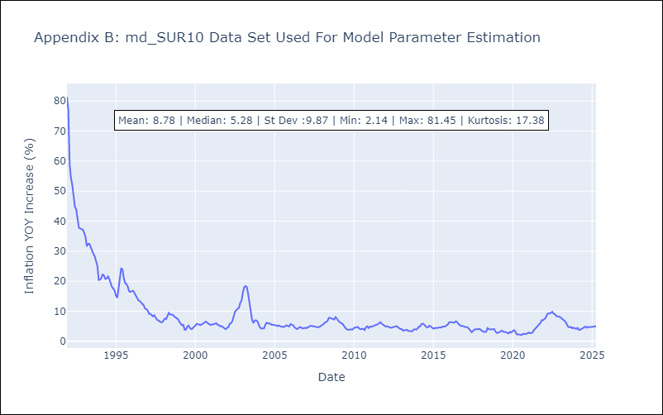

Appendix C: Residuals Analysis
Mean

